Design Regulator
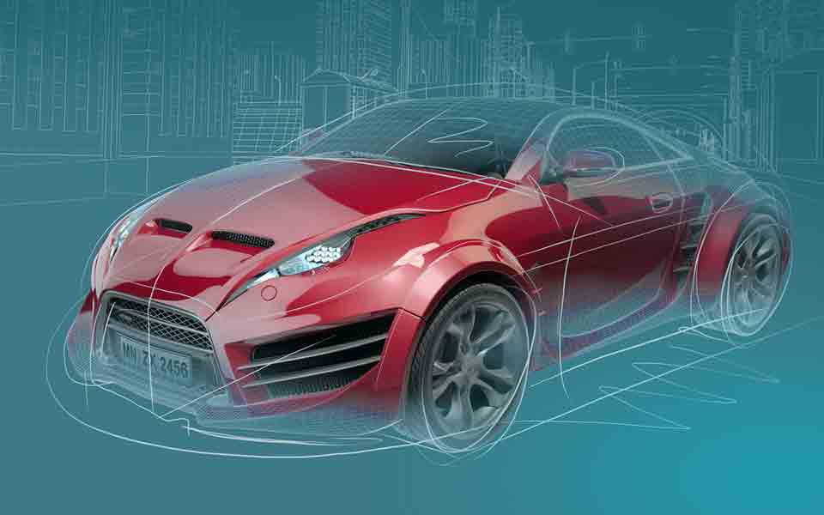 LM(2)5148/-Q1 Synchronous Buck Controller Design Tool
 |  |  |  |  |  |  | http://www.ti.com/product/lm5175
About |  | xx |  |  | = Input Box |  | TERMS OF USE

Step 1: Operating Specifications
 |  |  | Input Voltage – Min, VIN(min) | 40 | V
 |  |  | Input Voltage – Nom, VIN(nom) | 50 | V
40V...60V
 |  |  | Input Voltage – Max, VIN(max) | 60 | V
30µF
 |  |  | Output Voltage, VOUT | 12 | V
 |  |  | Full Load Output Current, IOUT | 5 | A
200kΩ
 |  |  | Switching Frequency, FSW | 300 | kHz
12V
 |  |  | Frequency Set Resistor, RT | 73.2 | kΩ
5A
2mΩ
 |  |  | Ambient Temperature, TA | 25 | °C
9.53kΩ
LM5148
2.2µH
200µF
Step 2: Current Sense Resistor
 |  |  | Required IOCP Setpoint at VIN(nom) | 25 | A
 |  |  | Recommended Shunt Resistance | 1.9 | mΩ
48.7kΩ
 |  |  | Shunt Resistance, RS | 2 | mΩ
 |  |  | Min Inductor Sat Current, ILO(SAT) | 30.0 | A
 |  |  | Max Power Loss in Shunt | 1.14 | W
 |  |  | VIN(min) | 23.6 | A
 |  | IOUT(typ) at OCP Inception: | VIN(nom) | 23.1 | A
Connect to 5V rail
(or tie to GND if not used)
 |  |  | VIN(max) | 22.7 | A

12.4kΩ
56pF
3.3nF
Step 3: Buck Inductance
 |  |  | Inductance for Ideal Slope Comp | 3.52 | µH
 |  |  | Inductance, LO | 2.2 | µH
73.2kΩ
41.2kΩ
 |  |  | Inductor DCR | 3.5 | mΩ
 |  |  | DIL as a % at VIN(nom) | 277 | %
 |  |  | Estimate Core Loss at VIN(nom) | 0.2 | W


Step 4: Output Capacitors
 |  |  | Output Voltage Ripple Spec | 50 | mVPK=PK
 |  |  | Minimum Output Capacitance | 115.4 | µF
 |  |  | Output Capacitance (derated), COUT | 200 | µF
 |  |  | Maximum Permitted ESR | 3 | mΩ
 |  |  | Output Capacitor ESR | 1 | mΩ |  |  | ** Tie VCCX to GND if not used **
 |  |  | Resulting Output Voltage Ripple (max) | 32 | mVPK-PK
 |  |  | Output Capacitor RMS Current (max) | 4.21 | ARMS

Step 5: Input Capacitors
 |  |  | Input Voltage Ripple Spec | 400 | mVPK-PK
 |  |  | Minimum Input Capacitance | 9 | µF
 |  |  | Input Capacitance (derated), CIN | 30 | µF
 |  |  | Maximum Permitted ESR | 24.9 | mΩ
 |  |  | Input Capacitor ESR | 1 | mΩ
 |  |  | Resulting Input Voltage Ripple (max) | 128 | mVPK-PK
 |  |  | Input Capacitor RMS Current (max) | 3.1 | ARMS
 |  |  | AEF Filter Inductor | 0.68 | µH
Step 6: Precision Enable, DRSS, FPWM / PFM

 |  |  | Input Voltage UVLO Turn On | 22 | V
 |  |  | Input Voltage UVLO Turn Off | 20 | V
 |  |  | Upper Enable Resistor, RUV1 | 200 | kΩ
 |  |  | Lower Enable Resistor, RUV2 | 9.5 | kΩ
 |  |  | Configuration Resistor, RCNFG | 41.2 | kΩ
 |  |  | * Tie PFM to GND

Step 7: Compensation Design
 |  |  | Load Pole Frequency | 825 | Hz
 |  |  | ESR Zero Frequency | 796 | kHz
 |  |  | Desired Crossover Frequency | 40 | kHz
Crossover frequency = 39kHz
 |  |  | Error Amp Pole Frequency | 0.75 | Hz
 |  |  |  | 78.7 | kΩ
Phase margin = 60°
 |  |  | * Connect 48.7kΩ from FB to VDDA | 177 | kΩ
 |  |  |  | 1.156 | V

Compensation Components
 | Calculated / | Std Values | Std Values |  | Actual P/Z Frequencies
RC1 | 12.4 | 12.4 | 12.4 | kΩ | 0.8 | Hz (FPEA)
CC1 | 3.2 | 3.3 | 3.3 | nF | 3.9 | kHz (FZCOMP)
CC2 | 54 | 56 | 56 | pF | 146 | kHz (FPCOMP)

Efficiency / Power Loss Analyzer

96.8%
96.2%
Step 8: Efficiency
 |  |  |  |  | Power MOSFETs | (Q1, Q2)
 |  |  |  | '852, '824
 |  |  |  | High-side | Low-side
 |  |  | On-State Resistance, RDS(on) | 12.0 | 4.1 | mΩ
 |  |  | Total Gate Charge, QG | 8 | 25 | nC
 |  |  | Gate-Drain Charge, QGD | 2.9 | 9 | nC
 |  |  | Gate-Source Charge, QGS | 3.1 | 8.7 | nC
 |  |  | Output Charge, QOSS |  | 30 | nC
 |  |  | Output Capacitance, COSS | 116 | 366 | pF
 |  |  | Gate Resistance, RG | 1.2 | 1.2 | Ω
 |  |  | Transconductance, gFS | 55 | 178 | S
 |  |  | Gate-Source Threshold Voltage, VTH | 3.1 | 3 | V
 |  |  | Body Diode Forward Voltage, VBD | 0.7 | 0.7 | V
 |  |  | Body Diode Rev Recovery Charge, QRR |  | 59 | nC
 |  |  | Thermal Resistance, θJA | 42 | 40.7 | °C/W

External Schottky Diode (if applicable)
 |  |  | Schottky Fwd Voltage, VFWDsch |  | 0 | V
 |  |  | Schottky Rev Recovery Charge, QRRsch |  | 0 | nC

Step 9: IC Power Loss
 |  |  | IC Power Dissipation | 0.05 | W
 |  |  | IC Junction Temperature (estimate) | 26.7 | °C

BOM & Schematic
40V...60V
30µF

200kΩ
12V
5A
2mΩ
9.53kΩ
2.2µH

200µF
LM5148

48.7kΩ

Connect to 5V rail
(or tie to GND if not used)

12.4kΩ

56pF
3.3nF
73.2kΩ
41.2kΩ

** Tie PFM to VDDA for PFM, AGND for FPWM **
** Tie VCCX to GND if not used **
Vin = 40V to 60V, Vout = 12V, Iout = 5A, Fsw = 300kHz, Current Limit = 25A
High-Efficiency Synchronous Buck Regulator BOM
Count | Ref Des | Value | Description | Size | Part Number | MFR
1 | CBOOT | 0.1µF | Capacitor, Ceramic, 0.1µF, 25V, X7R, 20% | 0603 | Std | Std
1 | CCOMP | 3.3nF | Capacitor, Ceramic, 3.3nF, 16V, X7R, 10% | 0603 | Std | Std
1 | CHF | 56pF | Capacitor, Ceramic, 56pF, 50V, NP0, 5% | 0603 | Std | Std
3 | CIN | 10µF | Capacitor, Ceramic, 10µF, 50V, X7R, 20% | 1210 | Std | Std
5 | COUT | 47µF | Capacitor, Ceramic, 47µF, 10V, X7R, 20% | 1210 | Std | Std
2 | CVCC, CVCCX | 2.2µF | Capacitor, Ceramic, 2.2µF, 25V, X7R, 20% | 0603 | Std | Std
1 | CVDDA | 0.47µF | Capacitor, Ceramic, 0.47µF, 25V, X7R, 20% | 0603 | Std | Std
1 | LO | 2.2µH | Inductor, 2.2µH, 3.5mΩ, >28A | - | - | Various
2 | Q1, Q2 | See description | MOSFET, N-CH, 40V, 12mΩ | Std | '852, '824 | -
1 | RCOMP | 12.4k | Resistor, Chip, 12.4kΩ, 1/16W, 1% | 0603 | Std | Std
1 | RS | 2m | Resistor, Chip, 2mΩ, 2W, 1% | 0508 | Std | Std
1 | RT | 73.2k | Resistor, Chip, 73.2kΩ, 1/16W, 1% | 0603 | Std | Std
1 | RFB1 | 78.7k | Resistor, Chip, 78.7kΩ, 1/16W, 1% | 0603 | Std | Std
1 | RFB2 | 177k | Resistor, Chip, 177kΩ, 1/16W, 1% | 0603 | Std | Std
1 | RPG | 100k | Resistor, Chip, 100kΩ, 1/16W, 1% | 0603 | Std | Std
1 | RCS | 100 | Resistor, Chip, 100Ω, 1/16W, 1% | 0603 | Std | Std
1 | RVIN | 2.2 | Resistor, Chip, 2.2Ω, 1/16W, 1% | 0603 | Std | Std
1 | U1 | LM5148 | IC, LM5148, Synchronous Buck PWM Controller, 3.5V–80V Input | VQFN-24 | LM5148RGYR | TI

NOTES:
** Inductor saturation current should be higher than the peak inductor current at the OCP setpoint for all input voltages and operating temperatures **
** Effective input and output capacitances should be appropriately derated for applied voltage and temperature, particularly with ceramics **

