Shapley Value
 | https://summer-hu-92978.medium.com/complete-shap-tutorial-for-model-explanation-part-1-shapley-value-b67c7f19908c

SHapley Additive exPlanations

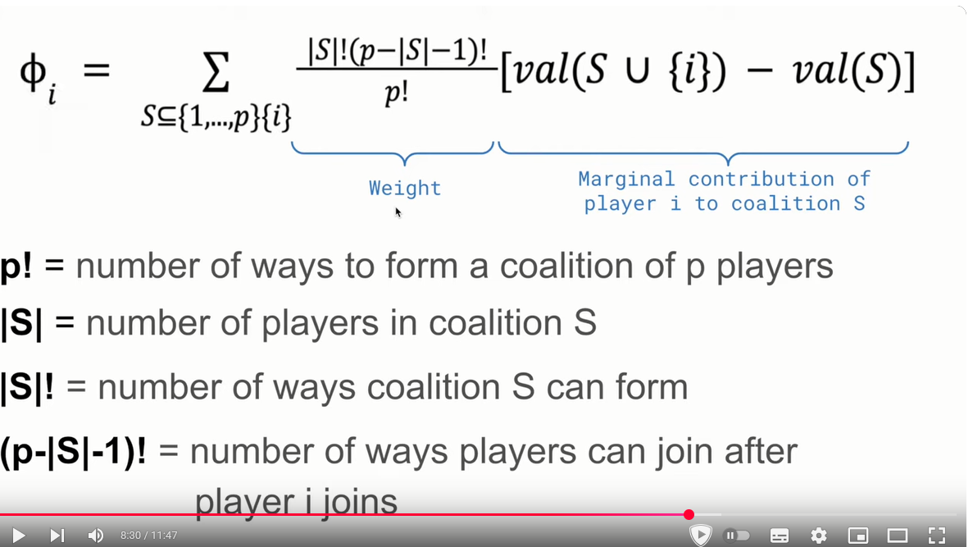
Variable | Profit
A | 40 |  | Possible Combination | Probability of combination | A's Marginal Contribution | B's Marginal Contribution | B's Marginal Contribution
B | 50 | 1 | A,B,C | 1 / 6 | A=40 | A,B - A = 95 - 40 = 55 | A,B,C - A,B = 160 - 95 = 65
C | 60 | 2 | A,C,B | 1 / 6 | A=40 | A,C,B - A,C = 160 - 110 = 50 | A,C - A = 110 - 40 = 70
A & B | 95 | 3 | B,A,C | 1 / 6 | B,A - B = 95 - 50 = 40 | B = 50 | B,A,C - B,A = 160 - 95 = 65
A & C | 110 | 4 | B,C,A | 1 / 6 | B,C,A - B,C = 160 - 120 = 40 | B = 50 | B,C - B = 120 - 50 =70
B & C | 120 | 5 | C,A,B | 1 / 6 | C,A - C = 110 - 60 = 50 | C,A,B - C,A = 160 - 110 = 50 | C = 60
A, B, C | 160 | 6 | C,B,A | 1 / 6 | C,B,A - C,B = 160 - 120 = 40 | C,B - C = 120 - 60 = 60 | C = 60
 |  | Shapely Values = Weighted Average Marginal Contribution = Sum of ( Probability of combination ) * ( Marginal Contribution ) |  |  | 40*1/6 + 40*1/6 + 45*1/6 + 40*1/6 + 50*1/6 + 40*1/6 = 42.5 | 52.5 | 65
 |  | sum of three employee’s Shapley Value |  |  | 160

 |  |  |  |  |  |  |  | https://www.youtube.com/watch?v=UJeu29wq7d0

PCA
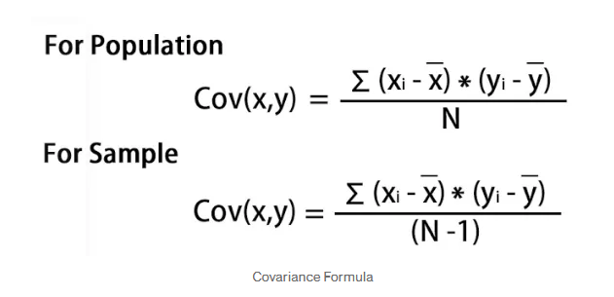
https://medium.com/analytics-vidhya/understanding-principle-component-analysis-pca-step-by-step-e7a4bb4031d9

Principle Component Analysis(PCA)

 | Raw Data |  |  |  | Step 1: Standardize the dataset. |  |  |  | Step 2: Calculate the covariance matrix |  |  |  |  |  |  | eigen vectors | If we choose the top 2 eigenvectors | Feature matrix * top k eigenvectors = Transformed Data
 | Var1 | Var2 | Var3 | Var4 | Var1 | Var2 | Var3 | Var4 |  | Var1 | Var2 | Var3 | Var4
 | 1 | 2 | 3 | 4 | -1 | -0.63245553203 | 0 | 0.26062334566 | Var1 | 0.8 | -0.25298221281 | 0.038490017946 | -0.14479074759 | v1 | 0.16195986
 | 5 | 5 | 6 | 7 | 0.33333333333 | 1.2649110641 | 1.7320508076 | 1.5637400739 | Var2 | -0.25298221281 | 0.8 | 0.51120772034 | 0.49449803022 | v2 | -0.52404813
 | 1 | 4 | 2 | 3 | -1 | 0.63245553203 | -0.57735026919 | -0.17374889711 | Var3 | 0.038490017946 | 0.51120772034 | 0.8 | 0.75235479386 | v3 | -0.58589647
 | 5 | 3 | 2 | 1 | 0.33333333333 | 0 | -0.57735026919 | -1.0424933826 | Var4 | -0.14479074759 | 0.49449803022 | 0.75235479386 | 0.8 | v4 | -0.59654663
 | 8 | 1 | 2 | 2 | 1.3333333333 | -1.2649110641 | -0.57735026919 | -0.60812113987
 |  |  |  |  |  |  |  |  | https://www.geeksforgeeks.org/how-to-create-a-covariance-matrix-in-excel/
 | Parameter for Standardization
mean | 4 | 3 | 3 | 3.4 |  |  |  |  | For λ = 2.51579324, solving the above equation using Cramer's rule, the values for v vector are
standard deviation | 3 | 1.58114 | 1.73205 | 2.30217

Steps Involved in the PCA
 | Step 1: Standardize the dataset.
 | Step 2: Calculate the covariance matrix for the features in the dataset.
 | Step 3: Calculate the eigenvalues and eigenvectors for the covariance matrix.
 | Step 4: Sort eigenvalues and their corresponding eigenvectors.
 | Step 5: Pick k eigenvalues and form a matrix of eigenvectors.
 | Step 6: Transform the original matrix.

Chart
Bagging | Boosting
Subset
Data-1
Model-1
Original Data
(equal weight)
Model-1
(weighted)
Original Data
(higher weight to misclassified observations)
Model-2
(weighted)
Final Model
(weighted sum
of models)
Weakness

Final
Model
Original Data

Subset
Data-2
Model-2

