CommandRefrence
iscsiadm -m node --logout | https://campbellsoup.sharepoint.com/sites/APPI/SAPTech/Shared%20Documents/Forms/AllItems.aspx?id=%2Fsites%2FAPPI%2FSAPTech%2FShared%20Documents%2FProjects%2FSL%20Integration
/sbin/iscsiadm -m node --loginall=automatic | unxz myarchive.xz
rescan-scsi-bus.sh | crm configure primitive example_Dummy ocf:heartbeat:Dummy meta allow-migrate="true" op monitor timeout="20" interval="10" depth="0"
csssq3d1:HDB:pqhadm /usr/sap/PQH/HDB02 57> hdbnsutil -sr_state | crm resource move example_Dummy
HANA - https://docs.microsoft.com/en-us/azure/virtual-machines/workloads/sap/sap-hana-high-availability | crm resource stop example_Dummy
SCS/ERS - https://docs.microsoft.com/en-us/azure/virtual-machines/workloads/sap/high-availability-guide-suse | crm configure delete example_Dummy
pacemaker | https://docs.microsoft.com/en-us/azure/virtual-machines/workloads/sap/high-availability-guide-suse-pacemaker

zypper in -f sle-ha-release fence-agents pacemaker corosync | Reinstall Cluster
crm configure property show;crm_attribute --name show --delete | mistake
 | delete by mistake added property of cluster
https://clusterlabs.org/pacemaker/doc/en-US/Pacemaker/1.1/html/Pacemaker_Explained/s-cluster-options.html
 |  | n
scsi device not auto reconnect yast > network services >iscsi intiator >iSCSI Initiator Overview > Connected Targets
AMAZRUSEASBD01:/root >timedatectl set-local-rtc 0
timedatectl set-local-rtc 0

stonith_admin --cleanup --history=csspq3c1

crm resource maintenance RSC_SAP_RQ3_ERS10
crm resource clear RSC_SAP_RQ3_ERS10
crm resource cleanup RSC_SAP_RQ3_ERS10
crm resource maintenance RSC_SAP_RQ3_ERS10
crm resource manage RSC_SAP_RQ3_ERS10

crm configure property no-quorum-policy=ignore

Obtain the list of all the current sessions | iscsiadm -m session
Rescan a specific session | iscsiadm -m session --sid=N --rescan
 | N is the specific session ID.
Rescan all the sessions | iscsiadm -m session --rescan
Rescan using the SCSI rescan script | /usr/bin/rescan-scsi-bus.sh

To login to all configured ports | /sbin/iscsiadm -m node --loginall=automatic

sbd -d /dev/disk/by-id/wwn-0x6001405cbbb6a7f97784257a207dbe5a dump
sbd -d /dev/disk/by-id/wwn-0x6001405dbf2b556e050411b90352e185 dump
sbd -d /dev/disk/by-id/wwn-0x6001405093bd714f9684e0cb82ecabe1 dump

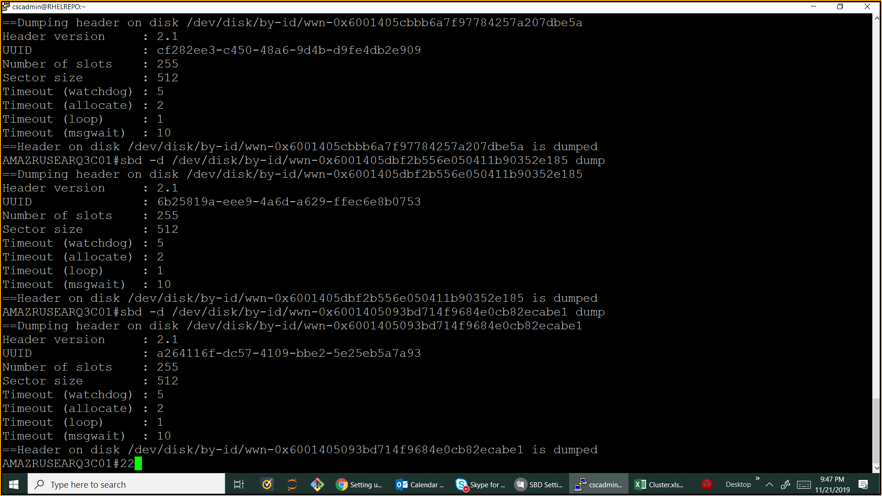

https://www.suse.com/support/kb/doc/?id=7023689

crm resource param azure-events set verbose false
crm_attribute --name azure-events_globalPullState --update IDLE --quiet --type crm_config.

untrace /trace commands will restart the resource.
> 1. Please confirm I can execute below command on server > AMAZRUSEAPQ3C01 > > crm resource trace RSC_SAP_PQ3_SCS00 > > crm resource trace RSC_SAP_PQ3_ERS10 > > 1. On server AMAZRUSEASQ3D01. > > crm resource trace MSL_SAPHana_PQH_HDB02 > > crm resource trace CLN_SAPHanaTopology_PQH_HDB02 ( I guess no need to > make change on cloned resource, so this one can be avoided) > > crm resource trace RSC_SAPHanaTopology_PQH_HDB02 >

CHobani-PRD-HANA
1. Both nodes are able to ssh
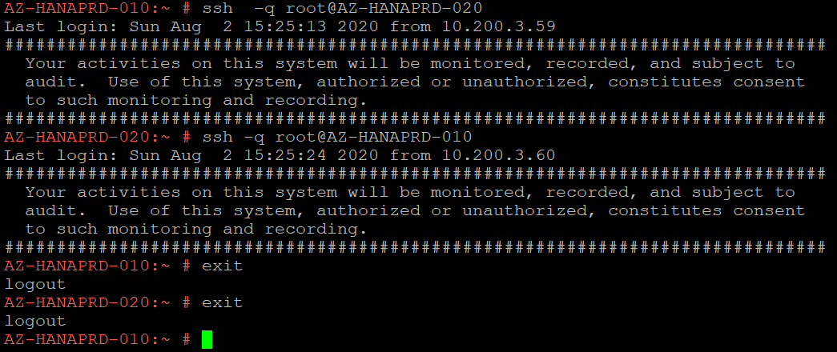

2. chrony is running on both nodes

3. ClusterNodes: Set net.ipv4.tcp_timestamps = 0 on both nodes of cluster by edit /etc/sysctl.conf file.

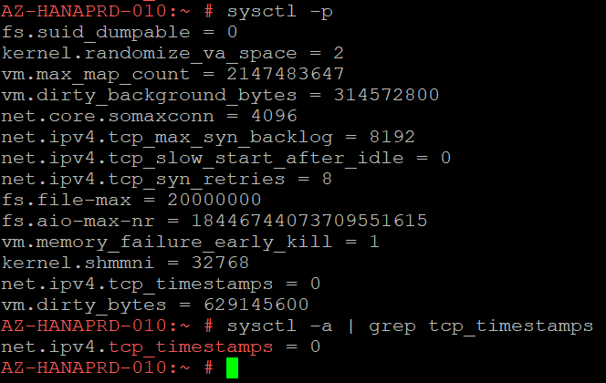

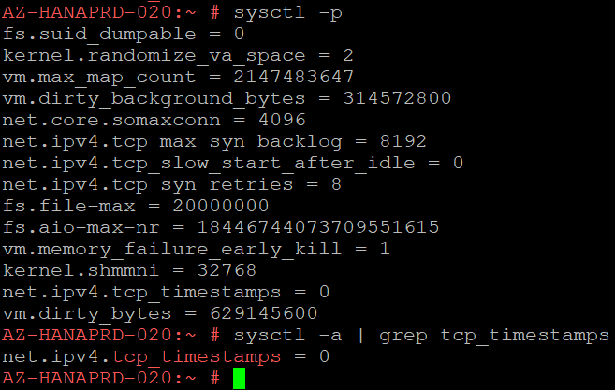

4. ClusterNodes: zypper update; zypper remove lio-utils python-rtslib python-configshell targetcli
5
5. ClusterNodes: zypper install graphviz pacemaker corosync hawk2 yast2-cluster conntrack-tools ha-cluster-bootstrap socat fence-agents resource-agents

6. ClusterNodes: zypper install graphviz pacemaker corosync hawk2 yast2-cluster conntrack-tools ha-cluster-bootstrap socat fence-agents resource-agents

7. ClusterNodes: systemctl start hawk ; systemctl status hawk ; systemctl enable hawk

8. ClusterNodes: zypper install-new-recommends

9. ClusterNodes: passwd hacluster

10 . ClusterNodes: make sure you set CLOUD_NETCONFIG_MANAGE='no' in /etc/sysconfig/network/ifcfg-eth0 file

11.ClusterNodes: This step only peform if you are creating cluster for HANA Database(SAP HANA high availability packages)
zypper install SAPHanaSR

ClusterNodes: check dirty_bytes|dirty_background_bytes and ensure below values are present
AMAZRUSEAPQ3C01:/root#egrep -i "dirty_bytes|dirty_background_bytes" /etc/sysctl.conf
vm.dirty_bytes = 629145600
vm.dirty_background_bytes = 314572800
AMAZRUSEAPQ3C01:/root#

AMAZRUSEAPQ3C01:/root#grep -i DefaultTasksMax /etc/systemd/system.conf
#DefaultTasksMax=512
DefaultTasksMax=4096
AMAZRUSEAPQ3C01:/root# systemctl daemon-reload

ClusterNode1: ha-cluster-init on first node
ClusterNode2: ha-cluster-join on second node

ClusterNode1: edit /etc/corosync/corosync.conf
token: 30000
token_retransmits_before_loss_const: 10
join: 60
consensus: 36000
max_messages: 20

crm configure property stonith-enabled=true

crm configure property concurrent-fencing=true

# replace the bold string with your subscription ID, resource group, tenant ID, service principal ID and password
crm configure primitive rsc_st_azure stonith:fence_azure_arm \
params subscriptionId="30818684-821a-4df0-a784-03d190cb3e4b" resourceGroup="CHOBANI_NETWEAVER_PRD_HA" tenantId="5e010a66-f3e5-40c7-891c-c954dd05bf89" \
login="5f851c28-a048-4f0a-a662-3447eb4d519a" passwd="2noQ.jCHE~k~jbOijxpji4Hh2B3w-53T94" \
pcmk_monitor_retries=4 pcmk_action_limit=3 power_timeout=240 pcmk_reboot_timeout=900 \
op monitor interval=3600 timeout=120

sudo crm configure property stonith-timeout=900

ClusterInstallProcedure
Step1 | ClusterNodes: Change initiator name on both nodes of cluster by editing /etc/iscsi/initiatorname.iscsi
AMAZRUSEAPQ3C01 | InitiatorName=iqn.1996-04.de.suse:01:csspq3c11
AMAZRUSEAPQ3C11 | InitiatorName=iqn.1996-04.de.suse:01:csspq3c1

Step2 | SBDServers: Lun quorum disks to 3 SDB Servers, size 4GB premium disk
AMAZRUSEASBD01 | AMAZRUSEASBD01_pq3scs
AMAZRUSEASBD02 | AMAZRUSEASBD02_pq3scs
AMAZRUSEASBD03 | AMAZRUSEASBD02_pq3scs

Step3 | SBDServers:Create VG , volume and mount it
AMAZRUSEASBD01 | sbdvg__pq3scs - sdb_vol - mount on /sdb_pq3scs and edit /etc/fstab
AMAZRUSEASBD02 | sbdvg__pq3scs - sdb_vol - mount on /sdb_pq3scs and edit /etc/fstab
AMAZRUSEASBD03 | sbdvg__pq3scs - sdb_vol - mount on /sdb_pq3scs and edit /etc/fstab

Step4 | SBDServers: Ensure below mentioned servers are running on all the SDB Servers

Note : | SBDServers: commands
1 | On all 3 SBD Server run zypper update
2 | On all 3 SBD Server run "zypper remove lio-utils python-rtslib python-configshell targetcli"
3 | On all 3 SBD Server run "zypper install targetcli-fb dbus-1-python"
4 | On all 3 SBD Server run "systemctl enable targetcli"
5 | On all 3 SBD Server run "systemctl start targetcli"
6 | On all 3 SBD Server run "systemctl status targetcli"

Step5 | SBDServers: From all the SDB Servers allocate FILEIO to the both nodes of cluster
AMAZRUSEASBD01 | targetcli backstores/fileio create cssrq3ci /sdb_cssrq3ci/cssrq3ci 50M write_back=false
AMAZRUSEASBD01 | targetcli iscsi/iqn.1996-04.de.suse:01:sdbserver01 create tpg3
AMAZRUSEASBD01 | targetcli iscsi/iqn.1996-04.de.suse:01:sdbserver01/tpg3/portals delete 0.0.0.0 3260
AMAZRUSEASBD01 | targetcli iscsi/iqn.1996-04.de.suse:01:sdbserver01/tpg3/portals create 0.0.0.0 3263
AMAZRUSEASBD01 | targetcli iscsi/iqn.1996-04.de.suse:01:sdbserver01/tpg3/luns create /backstores/fileio/cssrq3ci
AMAZRUSEASBD01 | targetcli iscsi/iqn.1996-04.de.suse:01:sdbserver01/tpg3/acls create iqn.1996-04.de.suse:01:cssrq3c1
AMAZRUSEASBD01 | targetcli iscsi/iqn.1996-04.de.suse:01:sdbserver01/tpg3/acls create iqn.1996-04.de.suse:01:cssrq3c11

AMAZRUSEASBD02 | targetcli backstores/fileio create cssrq3ci /sdb_cssrq3ci/cssrq3ci 50M write_back=false
AMAZRUSEASBD02 | targetcli iscsi/iqn.1996-04.de.suse:01:sdbserver02 create tpg3
AMAZRUSEASBD02 | targetcli iscsi/iqn.1996-04.de.suse:01:sdbserver02/tpg3/portals delete 0.0.0.0 3260
AMAZRUSEASBD02 | targetcli iscsi/iqn.1996-04.de.suse:01:sdbserver02/tpg3/portals create 0.0.0.0 3263
AMAZRUSEASBD02 | targetcli iscsi/iqn.1996-04.de.suse:01:sdbserver02/tpg3/luns create /backstores/fileio/cssrq3ci
AMAZRUSEASBD02 | targetcli iscsi/iqn.1996-04.de.suse:01:sdbserver02/tpg3/acls create iqn.1996-04.de.suse:01:cssrq3c1
AMAZRUSEASBD02 | targetcli iscsi/iqn.1996-04.de.suse:01:sdbserver02/tpg3/acls create iqn.1996-04.de.suse:01:cssrq3c11
AMAZRUSEASBD03 | targetcli backstores/fileio create cssrq3ci /sdb_cssrq3ci/cssrq3ci 50M write_back=false
AMAZRUSEASBD03 | targetcli iscsi/iqn.1996-04.de.suse:01:sdbserver03 create tpg3
AMAZRUSEASBD03 | targetcli iscsi/iqn.1996-04.de.suse:01:sdbserver03/tpg3/portals delete 0.0.0.0 3260
AMAZRUSEASBD03 | targetcli iscsi/iqn.1996-04.de.suse:01:sdbserver03/tpg3/portals create 0.0.0.0 3263
AMAZRUSEASBD03 | targetcli iscsi/iqn.1996-04.de.suse:01:sdbserver03/tpg3/luns create /backstores/fileio/cssrq3ci
AMAZRUSEASBD03 | targetcli iscsi/iqn.1996-04.de.suse:01:sdbserver03/tpg3/acls create iqn.1996-04.de.suse:01:cssrq3c1
AMAZRUSEASBD03 | targetcli iscsi/iqn.1996-04.de.suse:01:sdbserver03/tpg3/acls create iqn.1996-04.de.suse:01:cssrq3c11
Note: | Sample output of "targetcli ls" command should look like below on all the 3 SBD servers
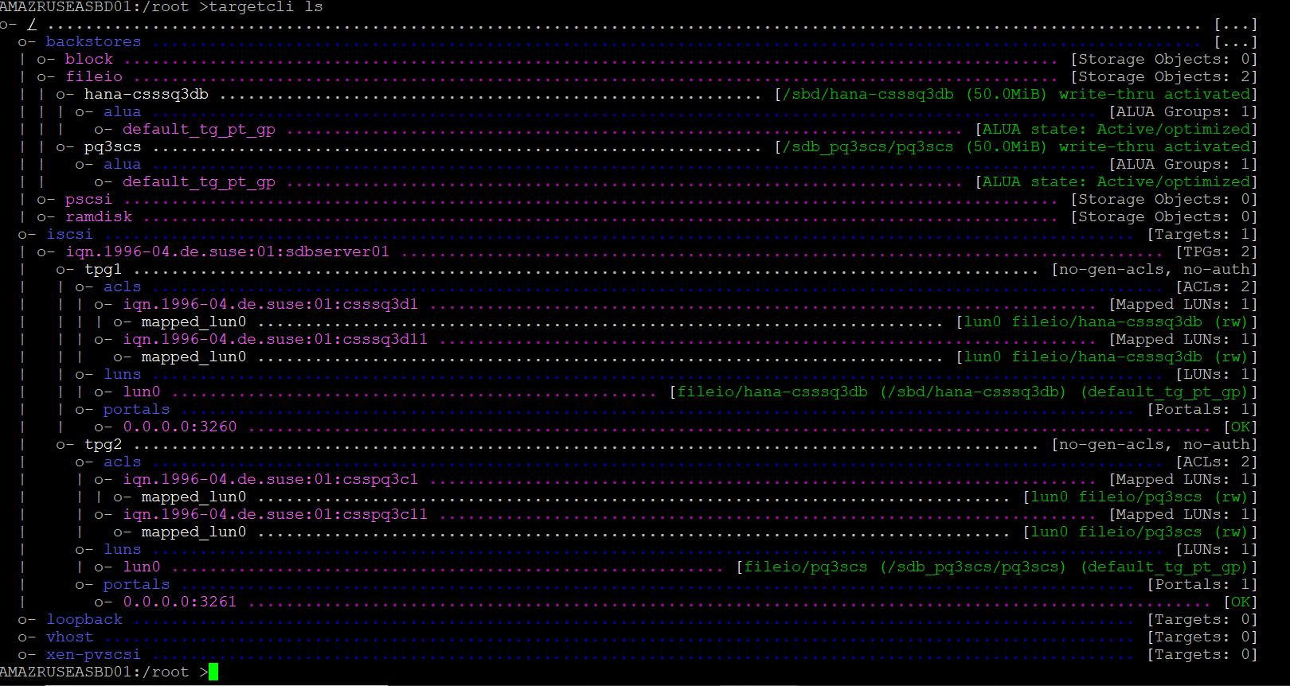

Note : | SBDServers: Also Note Crony is alreay running on all the SDB Servers


Step6 | ClusterNodes: Set net.ipv4.tcp_timestamps = 0 on both nodes of cluster by edit /etc/sysctl.conf file. This is app requirment
 | grep -i tcp_timestamps /etc/sysctl.conf

Step7 | ClusterNodes: Access iscsi LUNS from both nodes of cluster
 | iscsiadm -m discovery -t st -p 10.109.130.142 -> Note the output , you need to use it in next command
 | iscsiadm -m node -T iqn.2003-01.org.linux-iscsi.amazruseasbd01.x8664:sn.72117c197cbc -p 10.109.130.142 -l

Step8 | ClusterNodes: Use yast > network services >iscsi intiator >iSCSI Initiator Overview > Service
 | make sure iscsi when boot is checked
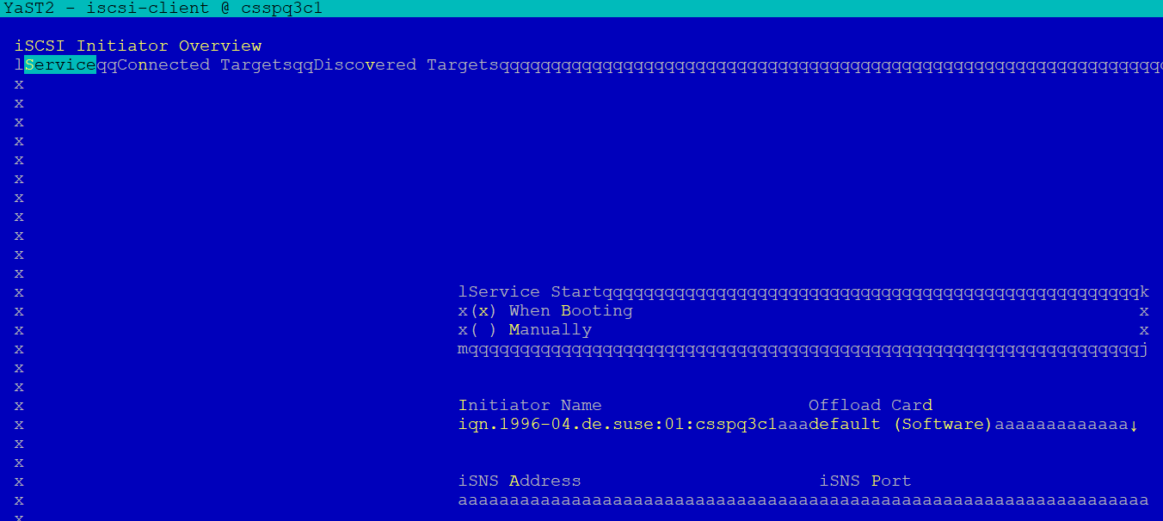

 | Use yast > network services >iscsi intiator >iSCSI Initiator Overview > Connected Targets
 | Connected target should be automatic and also we changed port to 3261 (for every cluster we allocate port)

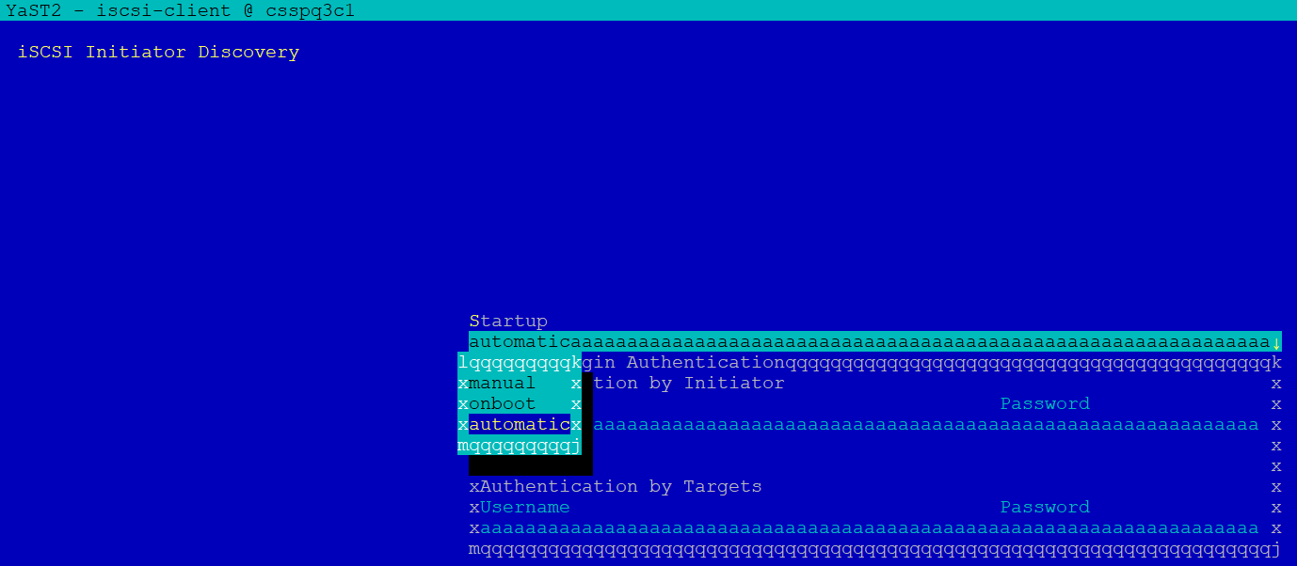

Step8 | ClusterNodes: run fdisk -l and validate that you should be able to see 3 new disks of 50MB on both nodes of clusters
Note | Each disk is coming from separate iscsi server

Step9 | ClusterNodes: note the wwn id of disk, you need them later, there disks are SBD disks (/etc/sysconfig/sbd)
AMAZRUSEAPQ3C01:/root# ls -ltr /dev/disk/by-id/


Step10 | ClusterNodes: zypper update; zypper remove lio-utils python-rtslib python-configshell targetcli

Step11 | ClusterNodes: zypper install graphviz pacemaker corosync hawk2 yast2-cluster conntrack-tools ha-cluster-bootstrap socat fence-agents resource-agents

Step12 | ClusterNodes: systemctl start hawk ; systemctl status hawk ; systemctl enable hawk

Step13 | ClusterNodes: zypper install-new-recommends

Step14 | ClusterNodes: passwd hacluster

Step15 | ClusterNodes: echo softdog > /etc/modules-load.d/softdog.conf

Step16 | ClusterNodes: make sure hostname is which app use and configure PS1 variable for root
 | AMAZRUSEAPQ3C01:/root#cat /root/.bash_profile
 | export PS1=AMAZRUSEAPQ3C01:$PWD#

Step17 | ClusterNodes:Enable Chrony daemon on both nodes
systemctl enable chronyd
systemctl status chronyd


Step18 | ClusterNodes: Make sure root user should be able to ssh from node A to B and B to A without password

Step19 | ClusterNodes: edit /etc/sysconfig/sbd on both nodes

Step20 | ClusterNodes: make sure you set CLOUD_NETCONFIG_MANAGE='no' in /etc/sysconfig/network/ifcfg-eth0 file

Step21 | ClusterNodes: This step only peform if you are creating cluster for HANA Database(SAP HANA high availability packages)
 | zypper install SAPHanaSR
OR
 | ClusterNodes: This step only peform if you are creating cluster for SCS/ERS
 | zypper install sap-suse-cluster-connector
 | grep 'parameter name="IS_ERS"' /usr/lib/ocf/resource.d/heartbeat/SAPInstance

Step22 | ClusterNodes: This step only peform if you are creating cluster for HANA Database(SAP HANA high availability packages)
 | AMAZRUSEASQ3D01:/root#egrep -i "tcp_timestamps|.tcp_keepalive_time" /etc/sysctl.conf
 | net.ipv4.tcp_timestamps = 0
 | AMAZRUSEASQ3D01:/root#
OR
 | ClusterNodes: This step only peform if you are creating cluster for SCS/ERS
 | AMAZRUSEAPQ3C11:/root#egrep -i "tcp_timestamps|.tcp_keepalive_time" /etc/sysctl.conf
 | net.ipv4.tcp_timestamps = 0
 | net.ipv4.tcp_keepalive_time = 120
 | AMAZRUSEAPQ3C11:/root#

Step23 | ClusterNodes: check dirty_bytes|dirty_background_bytes and ensure below values are present
 | AMAZRUSEAPQ3C01:/root#egrep -i "dirty_bytes|dirty_background_bytes" /etc/sysctl.conf
 | vm.dirty_bytes = 629145600
 | vm.dirty_background_bytes = 314572800
 | AMAZRUSEAPQ3C01:/root#

Step24 | ClusterNodes: Set DefaultTasksMax value
 | AMAZRUSEAPQ3C01:/root#grep -i DefaultTasksMax /etc/systemd/system.conf
 | #DefaultTasksMax=512
 | DefaultTasksMax=4096
 | AMAZRUSEAPQ3C01:/root# systemctl daemon-reload

Step25 | ClusterNodes: Initizlize the SBD devices from both nodes
 | sbd -d /dev/disk/by-id/wwn-0x6001405b93500dfe1984298894c071a3 -1 60 -4 120 create
 | sbd -d /dev/disk/by-id/wwn-0x600140508a57da21a4541639e81df151 -1 60 -4 120 create
 | sbd -d /dev/disk/by-id/wwn-0x600140508a57da21a4541639e81df151 -1 60 -4 120 list

Step25 | ClusterNode1: ha-cluster-init on first node

Step26 | ClusterNode2: ha-cluster-join on second node

Step27 | ClusterNode1: edit /etc/corosync/corosync.conf
 | token: 30000
 | token_retransmits_before_loss_const: 10
 | join: 60
 | consensus: 36000
 | max_messages: 20



crm configure property maintenance-mode=true
crm configure property stonith-enabled=False
crm resource stop stonith-sbd
crm configure delete stonith-sbd
crm configure primitive stonith-sbd stonith:external/sbd params pcmk_delay_max="15" op monitor interval="3600" timeout="20"
crm configure property stonith-timeout=144
crm configure property stonith-enabled=true
crm configure primitive rsc_azure-events ocf:heartbeat:azure-events op monitor interval=10s
crm configure clone cln_azure-events rsc_azure-events
crm configure property maintenance-mode=false

Step35 | ClusterNode1: AMAZRUSEAPQ3C01:/root#csync2 -xv
 | Marking file as dirty: /etc/corosync/corosync.conf
 | Connecting to host csspq3c11 (SSL) ...
 | Connect to 10.109.130.149:30865 (csspq3c11).
 | Updating /etc/corosync/corosync.conf on csspq3c11 ...
 | File is already up to date on peer.
 | Connection closed.
 | Finished with 0 errors.
 | AMAZRUSEAPQ3C01:/root#

Step36 | For PQ3 Hana DB Clster Resurces refer to PQH-HanaDB
 | For PQ3 SCS and ERS Cluster resources refer to PQ3-SCS&ERS
 | For RQ3 ASCS and ERS Cluster resources refer to RQ3-ASCS&ERS

