Assignment week1
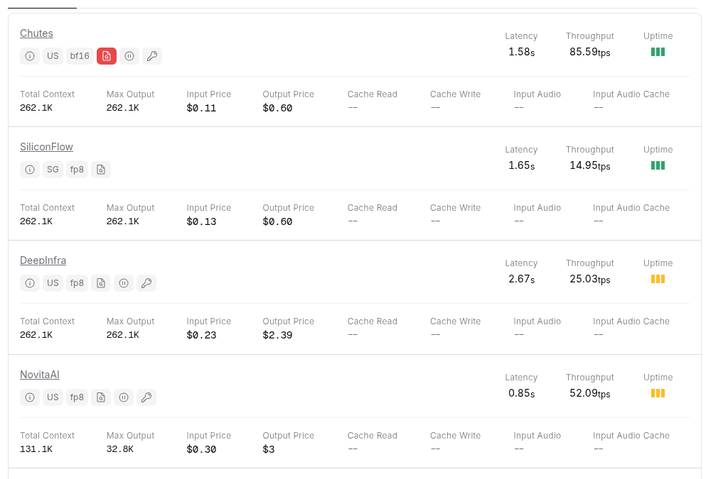
 | tasks | Answers - Solution
1 | vision Models from different service provides | . Proprietary Service Providers (API Access) Google: Google offers the Gemini 2.0 and 3.0 series, which are native multimodal models. Google also provides PaliGemma, a specialized vision-language model, and the Vision Transformer (ViT) for image recognition. OpenAI: OpenAI provides GPT-4o and GPT-4 Turbo with Vision, which interpret images, read text (OCR), and perform complex visual reasoning. Anthropic: Anthropic features the Claude 3.5 family, which possess image processing capabilities for analyzing charts, diagrams, and handwritten text. Amazon (AWS): Amazon offers Amazon Rekognition for automated image and video analysis, as well as the ability to deploy third-party vision models via Amazon SageMaker. Microsoft (Azure): Microsoft provides Azure AI Vision, which includes models for face recognition, spatial analysis, and optical character recognition. 2. Open-Source Model Providers Meta: Meta developed the Llama 3.2 Vision models, which integrate image encoders into the language model. Meta is also known for SAM 3 (Segment Anything Model), a model for object segmentation. Alibaba (Qwen): Alibaba features the Qwen 2.5-VL series, which are capable of zero-shot object detection and long-video understanding. Mistral AI: Mistral AI released Pixtral, an open-weights model designed for high-resolution image understanding. DeepSeek: DeepSeek offers the DeepSeek-VL and Janus Pro series, which are cost-effective models for multimodal chat and vision tasks. Z.ai: Z.ai developed the GLM-4V series, a set of open-source multimodal models. 3. Specialized Vision Platforms Roboflow: Roboflow is a platform for managing the vision lifecycle; it integrates models like YOLO (You Only Look Once) for real-time object detection. Clarifai: Clarifai focuses on computer vision models, including patterns, travel, food identification, and logo detection. Hugging Face: Hugging Face acts as the primary repository for community-contributed vision models, including LLaVA, Moon
2 | Try with Meta chat in Whats up | done
3 | check cut of date of chatgprt ,qwen and deepseek | 🧠 ChatGPT While OpenAI has released multiple iterations, the most recent widely known version is GPT‑4.1, which has a knowledge cutoff of June 1, 2024. [allmo.ai], [github.com] 🔧 Qwen (Tongyi Qianwen) Alibaba's public general‑purpose Qwen models—including Qwen‑1, Qwen‑2, Qwen‑Max—were trained on data up to October 2024. [linkedin.com] 🔍 DeepSeek For DeepSeek‑V3, the knowledge cutoff is July 2024, as indicated in system‑prompt disclosures. [knostic.ai]
4 | Seach for test case with thinking and normal model in chat gpt, qwen and deepsheek | Done for salesforce login scenarios
5 | use tokenizer to calculate token | Done GPT 4 mini- Tokens 2 Characters 8 [2414, 9994]
 |  | GPT 4 /3.5 - Tokens 2 Characters 8 [2323, 5756]
 |  | GPT 3.0-Tokens 2 Characters 8 [14402, 7442]
6 | Openai router price model | GPT 5.2

 |  | Gemini 3 pro review

 |  | Anthropic: Claude Sonnet 4.5
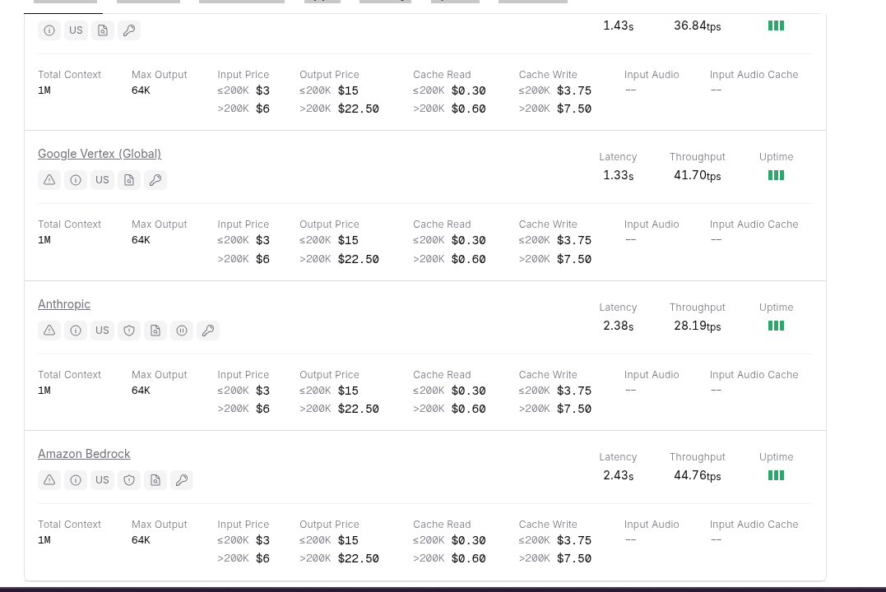

 |  | Qwen: Qwen3 235B A22B Thinking 2507

