Springer
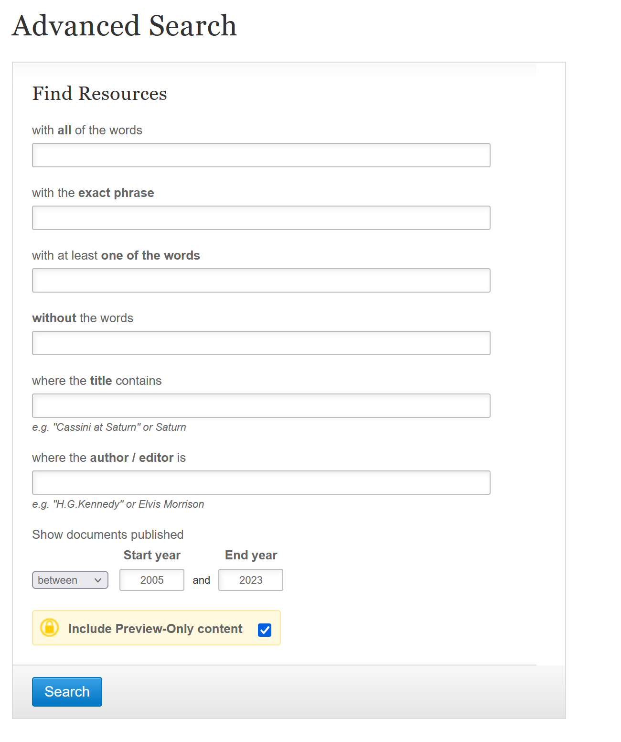
Query: Springer does not allow the use of a textual query. We reported the Advanced Search form with the used search query strings. Moreover, as already said in the article, Springer Link’s search engine does not allow a combined full-text or title search. Therefore, we limit the search to article titles, i.e., model migration, model co-evolution, and model adaptation.
Results: 81 = 15 (model migration), 8 (model co-evolution), 58 (model adaptation)

In red impurity articles
Results: 78

Title | Authors | Publication Year | Document Type | Publication Title | DOI | URL
Universal Model Adaptation by Style Augmented Open-set Consistency | Xin ZhaoShengsheng Wang | 2023 | Article | Applied Intelligence | 10.1007/s10489-023-04731-0 | http://link.springer.com/article/10.1007/s10489-023-04731-0
End-to-end emotional speech recognition using acoustic model adaptation based on knowledge distillation | Hong-In YunJeong-Sik Park | 2023 | Article | Multimedia Tools and Applications | 10.1007/s11042-023-14680-y | http://link.springer.com/article/10.1007/s11042-023-14680-y
Retrieval-based language model adaptation for handwritten Chinese text recognition | Shuying HuQiufeng WangKaizhu HuangMin WenFrans Coenen | 2023 | Article | International Journal on Document Analysis and Recognition (IJDAR) | 10.1007/s10032-022-00419-2 | http://link.springer.com/article/10.1007/s10032-022-00419-2
The Contribution of Adaptive Marketing Capabilities on SME’s Business Model Adaptation During the Pandemic Crisis: An Abstract | Philippe Massiéra | 2023 | Chapter | Optimistic Marketing in Challenging Times: Serving Ever-Shifting Customer Needs | 10.1007/978-3-031-24687-6_82 | http://link.springer.com/chapter/10.1007/978-3-031-24687-6_82
Rolling Bearing Fault Diagnosis Based on Model Migration | Yuchen XingHui Li | 2022 | Chapter | Intelligent Computing Theories and Application | 10.1007/978-3-031-13870-6_11 | http://link.springer.com/chapter/10.1007/978-3-031-13870-6_11
Semi-automated metamodel/model co-evolution: a multi-level interactive approach | Wael KessentiniVahid Alizadeh | 2022 | Article | Software and Systems Modeling | 10.1007/s10270-022-00978-2 | http://link.springer.com/article/10.1007/s10270-022-00978-2
Interpretable CNN for ischemic stroke subtype classification with active model adaptation | Shuo ZhangJing WangLulu PeiKai LiuYuan GaoHui FangRui ZhangLu ZhaoShilei SunJun WuBo SongHonghua DaiRunzhi LiYuming Xu | 2022 | Article | BMC Medical Informatics and Decision Making | 10.1186/s12911-021-01721-5 | http://link.springer.com/article/10.1186/s12911-021-01721-5
Union-Set Multi-source Model Adaptation for Semantic Segmentation | Zongyao LiRen TogoTakahiro OgawaMiki Haseyama | 2022 | Chapter | Computer Vision – ECCV 2022 | 10.1007/978-3-031-19818-2_33 | http://link.springer.com/chapter/10.1007/978-3-031-19818-2_33
Automatic Speech Recognition Model Adaptation to Medical Domain Using Untranscribed Audio | Askars SalimbajevsJurgita Kapočiūtė-Dzikienė | 2022 | Chapter | Digital Business and Intelligent Systems | 10.1007/978-3-031-09850-5_5 | http://link.springer.com/chapter/10.1007/978-3-031-09850-5_5
Augmenting ASR for User-Generated Videos with Semi-supervised Training and Acoustic Model Adaptation for Spoken Content Retrieval | Yasufumi MoriyaGareth J. F. Jones | 2021 | Chapter | Statistical Language and Speech Processing | 10.1007/978-3-030-89579-2_7 | http://link.springer.com/chapter/10.1007/978-3-030-89579-2_7
Business Model Adaptation | Bruno MichoudManfred Hafner | 2021 | Chapter | Financing Clean Energy Access in Sub-Saharan Africa | 10.1007/978-3-030-75829-5_8 | http://link.springer.com/chapter/10.1007/978-3-030-75829-5_8
Transforming Interactive Multi-objective Metamodel/Model Co-evolution into Mono-objective Search via Designer’s Preferences Extraction | Wael KessentiniVahid Alizadeh | 2020 | Chapter | Search-Based Software Engineering | 10.1007/978-3-030-59762-7_7 | http://link.springer.com/chapter/10.1007/978-3-030-59762-7_7
A Public Chinese Dataset for Language Model Adaptation | Ye BaiJiangyan YiJianhua TaoZhengqi WenCunhang Fan | 2020 | Article | Journal of Signal Processing Systems | 10.1007/s11265-019-01482-5 | http://link.springer.com/article/10.1007/s11265-019-01482-5
Self-Supervised Model Adaptation for Multimodal Semantic Segmentation | Abhinav ValadaRohit MohanWolfram Burgard | 2020 | Article | International Journal of Computer Vision | 10.1007/s11263-019-01188-y | http://link.springer.com/article/10.1007/s11263-019-01188-y
Curriculum Model Adaptation with Synthetic and Real Data for Semantic Foggy Scene Understanding | Dengxin DaiChristos SakaridisSimon HeckerLuc Van Gool | 2020 | Article | International Journal of Computer Vision | 10.1007/s11263-019-01182-4 | http://link.springer.com/article/10.1007/s11263-019-01182-4
Model Adaptation of Balance Laws Based on A Posteriori Error Estimates and Surrogate Fluxes | Jan GiesselmannHrishikesh Joshi | 2020 | Chapter | Finite Volumes for Complex Applications IX - Methods, Theoretical Aspects, Examples | 10.1007/978-3-030-43651-3_34 | http://link.springer.com/chapter/10.1007/978-3-030-43651-3_34
Item Response Model Adaptation for Analyzing Data from Different Versions of Parkinson’s Disease Rating Scales | Gopichand GottipatiAlienor C. BergesShuying YangChao ChenMats O. KarlssonElodie L. Plan | 2019 | Article | Pharmaceutical Research | 10.1007/s11095-019-2668-6 | http://link.springer.com/article/10.1007/s11095-019-2668-6
Active Sampling Based on MMD for Model Adaptation | Qi ZhangDonghai GuanWeiwei YuanAsad Masood Khattak | 2019 | Chapter | Machine Learning and Intelligent Communications | 10.1007/978-3-030-32388-2_34 | http://link.springer.com/chapter/10.1007/978-3-030-32388-2_34
Synthesis of Intelligent Discrete Algorithms for Estimation with Model Adaptation Based on the Combined Maximum Principle | Andrey KostoglotovSergey LazarenkoIgor PugachevAlexey Yachmenov | 2019 | Chapter | Proceedings of the Third International Scientific Conference “Intelligent Information Technologies for Industry” (IITI’18) | 10.1007/978-3-030-01818-4_12 | http://link.springer.com/chapter/10.1007/978-3-030-01818-4_12
Improved fast model migration method for centrifugal compressor based on bayesian algorithm and Gaussian process model | Fei ChuBangWu DaiNanNan LuXiaoPing MaFuLi Wang | 2018 | Article | Science China Technological Sciences | 10.1007/s11431-017-9320-9 | http://link.springer.com/article/10.1007/s11431-017-9320-9
CTC Regularized Model Adaptation for Improving LSTM RNN Based Multi-Accent Mandarin Speech Recognition | Jiangyan YiZhengqi WenJianhua TaoHao NiBin Liu | 2018 | Article | Journal of Signal Processing Systems | 10.1007/s11265-017-1291-1 | http://link.springer.com/article/10.1007/s11265-017-1291-1
Vector space model adaptation and pseudo relevance feedback for content-based image retrieval | H. KaramtiM. TmarM. VisaniT. UrrutyF. Gargouri | 2018 | Article | Multimedia Tools and Applications | 10.1007/s11042-017-4463-x | http://link.springer.com/article/10.1007/s11042-017-4463-x
Environment model adaptation for mobile robot exploration | Erik NelsonMicah CorahNathan Michael | 2018 | Article | Autonomous Robots | 10.1007/s10514-017-9669-2 | http://link.springer.com/article/10.1007/s10514-017-9669-2
Instant Translation Model Adaptation by Translating Unseen Words in Continuous Vector Space | Shonosuke IshiwatariNaoki YoshinagaMasashi ToyodaMasaru Kitsuregawa | 2018 | Chapter | Computational Linguistics and Intelligent Text Processing | 10.1007/978-3-319-75487-1_5 | http://link.springer.com/chapter/10.1007/978-3-319-75487-1_5
Online LDA-Based Language Model Adaptation | Jan LehečkaAleš Pražák | 2018 | Chapter | Text, Speech, and Dialogue | 10.1007/978-3-030-00794-2_36 | http://link.springer.com/chapter/10.1007/978-3-030-00794-2_36
Model Adaptation with Synthetic and Real Data for Semantic Dense Foggy Scene Understanding | Christos SakaridisDengxin DaiSimon HeckerLuc Van Gool | 2018 | Chapter | Computer Vision – ECCV 2018 | 10.1007/978-3-030-01261-8_42 | http://link.springer.com/chapter/10.1007/978-3-030-01261-8_42
Unsupervised Language Model Adaptation by Data Selection for Speech Recognition | Yerbolat KhassanovTze Yuang ChongBenjamin BigotEng Siong Chng | 2017 | Chapter | Intelligent Information and Database Systems | 10.1007/978-3-319-54472-4_48 | http://link.springer.com/chapter/10.1007/978-3-319-54472-4_48
Sentiment Classification over Opinionated Data Streams Through Informed Model Adaptation | Vasileios IosifidisAnnina OelschlagerEirini Ntoutsi | 2017 | Chapter | Research and Advanced Technology for Digital Libraries | 10.1007/978-3-319-67008-9_29 | http://link.springer.com/chapter/10.1007/978-3-319-67008-9_29
Emigration and The Stable Population Model: Migration Effects on the Demographic Structure of the Sending Country | Cristina Bradatan | 2016 | Chapter | Dynamic Demographic Analysis | 10.1007/978-3-319-26603-9_11 | http://link.springer.com/chapter/10.1007/978-3-319-26603-9_11
Supporting Variability Exploration and Resolution During Model Migration | Davide Di RuscioJuergen EtzlstorferLudovico IovinoAlfonso PierantonioWieland Schwinger | 2016 | Chapter | Modelling Foundations and Applications | 10.1007/978-3-319-42061-5_15 | http://link.springer.com/chapter/10.1007/978-3-319-42061-5_15
Automated Metamodel/Model Co-evolution Using a Multi-objective Optimization Approach | Wael KessentiniHouari SahraouiManuel Wimmer | 2016 | Chapter | Modelling Foundations and Applications | 10.1007/978-3-319-42061-5_9 | http://link.springer.com/chapter/10.1007/978-3-319-42061-5_9
Implementation of a large-scale language model adaptation in a cloud environment | Kwang-Ho KimDae-Young JungDonghyun LeeHyuk-Jun LeeSung-Yong ParkMyoung-Wan KooJi-Hwan KimJeong-sik ParkHyung-Bae JeonYun-Keun Lee | 2016 | Article | Multimedia Tools and Applications | 10.1007/s11042-013-1787-z | http://link.springer.com/article/10.1007/s11042-013-1787-z
Recurrent Neural Network Based Language Model Adaptation for Accent Mandarin Speech | Hao NiJiangyan YiZhengqi WenJianhua Tao | 2016 | Chapter | Pattern Recognition | 10.1007/978-981-10-3005-5_50 | http://link.springer.com/chapter/10.1007/978-981-10-3005-5_50
Temporal Model Adaptation for Person Re-identification | Niki MartinelAbir DasChristian MicheloniAmit K. Roy-Chowdhury | 2016 | Chapter | Computer Vision – ECCV 2016 | 10.1007/978-3-319-46493-0_52 | http://link.springer.com/chapter/10.1007/978-3-319-46493-0_52
A Framework for Metamodel Composition and Adaptation with Conformance-Preserving Model Migration | Ingrid Chieh YuHenning Berg | 2015 | Chapter | Model-Driven Engineering and Software Development | 10.1007/978-3-319-27869-8_8 | http://link.springer.com/chapter/10.1007/978-3-319-27869-8_8
Hybrid Approach for Metamodel and Model Co-evolution | Fouzia AnguelAbdelkrim AmiratNora Bounour | 2015 | Chapter | Computer Science and Its Applications | 10.1007/978-3-319-19578-0_46 | http://link.springer.com/chapter/10.1007/978-3-319-19578-0_46
The differential evolution entirely parallel method for model adaptation in systems biology | K. N. KozlovA. M. SamsonovM. G. Samsonova | 2015 | Article | Biophysics | 10.1134/S0006350915060160 | http://link.springer.com/article/10.1134/S0006350915060160
Dynamic Model Adaptation for Multiscale Simulation of Hyperbolic Systems with Relaxation | Hélène MathisClément CancèsEdwige GodlewskiNicolas Seguin | 2015 | Article | Journal of Scientific Computing | 10.1007/s10915-014-9915-0 | http://link.springer.com/article/10.1007/s10915-014-9915-0
An LDA Topic Model Adaptation for Context-Based Image Retrieval | Hatem AouadiMouna Torjmen KhemakhemMaher Ben Jemaa | 2015 | Chapter | E-Commerce and Web Technologies | 10.1007/978-3-319-27729-5_6 | http://link.springer.com/chapter/10.1007/978-3-319-27729-5_6
Epsilon Flock: a model migration language | Louis M. RoseDimitrios S. KolovosRichard F. PaigeFiona A. C. PolackSimon Poulding | 2014 | Article | Software & Systems Modeling | 10.1007/s10270-012-0296-2 | http://link.springer.com/article/10.1007/s10270-012-0296-2
Graph and model transformation tools for model migration | Louis M. RoseMarkus HerrmannsdoerferSteffen MazanekPieter Van GorpSebastian BuchwaldTassilo HornElina KalninaAndreas KochKevin LanoBernhard SchätzManuel Wimmer | 2014 | Article | Software & Systems Modeling | 10.1007/s10270-012-0245-0 | http://link.springer.com/article/10.1007/s10270-012-0245-0
Language Model Adaptation for Lecture Transcription by Document Retrieval | A Martínez-VillarongaM. A del AguaJ. A Silvestre-CerdàJ Andrés-FerrerA Juan | 2014 | Chapter | Advances in Speech and Language Technologies for Iberian Languages | 10.1007/978-3-319-13623-3_14 | http://link.springer.com/chapter/10.1007/978-3-319-13623-3_14
Model Adaptation | Gernot A. Fink | 2014 | Chapter | Markov Models for Pattern Recognition | 10.1007/978-1-4471-6308-4_11 | http://link.springer.com/chapter/10.1007/978-1-4471-6308-4_11
Load problem of lightweight electric vehicles and solution by online model adaptation | Florian Kohlhuber | 2014 | Chapter | 5th International Munich Chassis Symposium 2014 | 10.1007/978-3-658-05978-1_22 | http://link.springer.com/chapter/10.1007/978-3-658-05978-1_22
Improving Transcript-Based Video Retrieval Using Unsupervised Language Model Adaptation | Thomas Wilhelm-SteinRobert HermsMarc RitterMaximilian Eibl | 2014 | Chapter | Information Access Evaluation. Multilinguality, Multimodality, and Interaction | 10.1007/978-3-319-11382-1_11 | http://link.springer.com/chapter/10.1007/978-3-319-11382-1_11
Customizable Model Migration Schemes for Meta-model Evolutions with Multiplicity Changes | Gabriele TaentzerFlorian MantzThorsten ArendtYngve Lamo | 2013 | Chapter | Model-Driven Engineering Languages and Systems | 10.1007/978-3-642-41533-3_16 | http://link.springer.com/chapter/10.1007/978-3-642-41533-3_16
Graph Transformation Concepts for Meta-model Evolution Guaranteeing Permanent Type Conformance throughout Model Migration | Florian MantzStefan JurackGabriele Taentzer | 2012 | Chapter | Applications of Graph Transformations with Industrial Relevance | 10.1007/978-3-642-34176-2_3 | http://link.springer.com/chapter/10.1007/978-3-642-34176-2_3
Co-transformation of Graphs and Type Graphs with Application to Model Co-evolution | Gabriele TaentzerFlorian MantzYngve Lamo | 2012 | Chapter | Graph Transformations | 10.1007/978-3-642-33654-6_22 | http://link.springer.com/chapter/10.1007/978-3-642-33654-6_22
A Novel Similarity Measure to Induce Semantic Classes and Its Application for Language Model Adaptation in a Dialogue System | Ya-Li LiWei-Qun XuYong-Hong Yan | 2012 | Article | Journal of Computer Science and Technology | 10.1007/s11390-012-1233-0 | http://link.springer.com/article/10.1007/s11390-012-1233-0
Learning Latent Topic Information for Language Model Adaptation | Shixiang LuWei WeiXiaoyin FuLichun FanBo Xu | 2012 | Chapter | Natural Language Processing and Chinese Computing | 10.1007/978-3-642-34456-5_14 | http://link.springer.com/chapter/10.1007/978-3-642-34456-5_14
A Generic Solution for Syntax-Driven Model Co-evolution | Mark van den BrandZvezdan ProtićTom Verhoeff | 2011 | Chapter | Objects, Models, Components, Patterns | 10.1007/978-3-642-21952-8_5 | http://link.springer.com/chapter/10.1007/978-3-642-21952-8_5
Model Adaptation for Hyperbolic Systems with Relaxation | Hélène MathisNicolas Seguin | 2011 | Chapter | Finite Volumes for Complex Applications VI Problems & Perspectives | 10.1007/978-3-642-20671-9_71 | http://link.springer.com/chapter/10.1007/978-3-642-20671-9_71
Czech HMM-Based Speech Synthesis: Experiments with Model Adaptation | Zdeněk Hanzlíček | 2011 | Chapter | Text, Speech and Dialogue | 10.1007/978-3-642-23538-2_14 | http://link.springer.com/chapter/10.1007/978-3-642-23538-2_14
Driving Dynamic Cardiac Model Adaptation with MR-Tagging Displacement Information | Christopher CastaPatrick ClarysseJérôme PousinJoël SchaererPierre CroisilleYue-Min Zhu | 2011 | Chapter | Functional Imaging and Modeling of the Heart | 10.1007/978-3-642-21028-0_17 | http://link.springer.com/chapter/10.1007/978-3-642-21028-0_17
Model Migration Approach for Database Preservation | Arif Ur RahmanGabriel DavidCristina Ribeiro | 2010 | Chapter | The Role of Digital Libraries in a Time of Global Change | 10.1007/978-3-642-13654-2_10 | http://link.springer.com/chapter/10.1007/978-3-642-13654-2_10
A Comparison of Model Migration Tools | Louis M. RoseMarkus HerrmannsdoerferJames R. WilliamsDimitrios S. KolovosKelly GarcésRichard F. PaigeFiona A. C. Polack | 2010 | Chapter | Model Driven Engineering Languages and Systems | 10.1007/978-3-642-16145-2_5 | http://link.springer.com/chapter/10.1007/978-3-642-16145-2_5
Limitations of Automating Model Migration in Response to Metamodel Adaptation | Markus HerrmannsdoerferDaniel Ratiu | 2010 | Chapter | Models in Software Engineering | 10.1007/978-3-642-12261-3_20 | http://link.springer.com/chapter/10.1007/978-3-642-12261-3_20
Model Migration with Epsilon Flock | Louis M. RoseDimitrios S. KolovosRichard F. PaigeFiona A. C. Polack | 2010 | Chapter | Theory and Practice of Model Transformations | 10.1007/978-3-642-13688-7_13 | http://link.springer.com/chapter/10.1007/978-3-642-13688-7_13
“Models and Evolution”: Joint MoDSE-MCCM 2009 Workshop on Model-Driven Software Evolution (MoDSE) Model Co-Evolution and Consistency Management (MCCM) | Dalila TamzalitDirk DeridderBernhard Schätz | 2010 | Chapter | Models in Software Engineering | 10.1007/978-3-642-12261-3_18 | http://link.springer.com/chapter/10.1007/978-3-642-12261-3_18
Histogram Equalization to Model Adaptation for Robust Speech Recognition | Youngjoo SuhHoirin Kim | 2010 | Article | EURASIP Journal on Advances in Signal Processing | 10.1155/2010/628018 | http://link.springer.com/article/10.1155/2010/628018
Automatic Model Adaptation for Complex Structured Domains | Geoffrey LevineGerald DeJongLi-Lun WangRajhans SamdaniShankar VembuDan Roth | 2010 | Chapter | Machine Learning and Knowledge Discovery in Databases | 10.1007/978-3-642-15883-4_16 | http://link.springer.com/chapter/10.1007/978-3-642-15883-4_16
...

