Sheet1
Bug_ID | Title | Steps | Expected | Actual | Attachment | Priority
OO1 | [Admin][Login]unused back icon is appeared | Open site URL | No back icon appeard | back icon appeard | 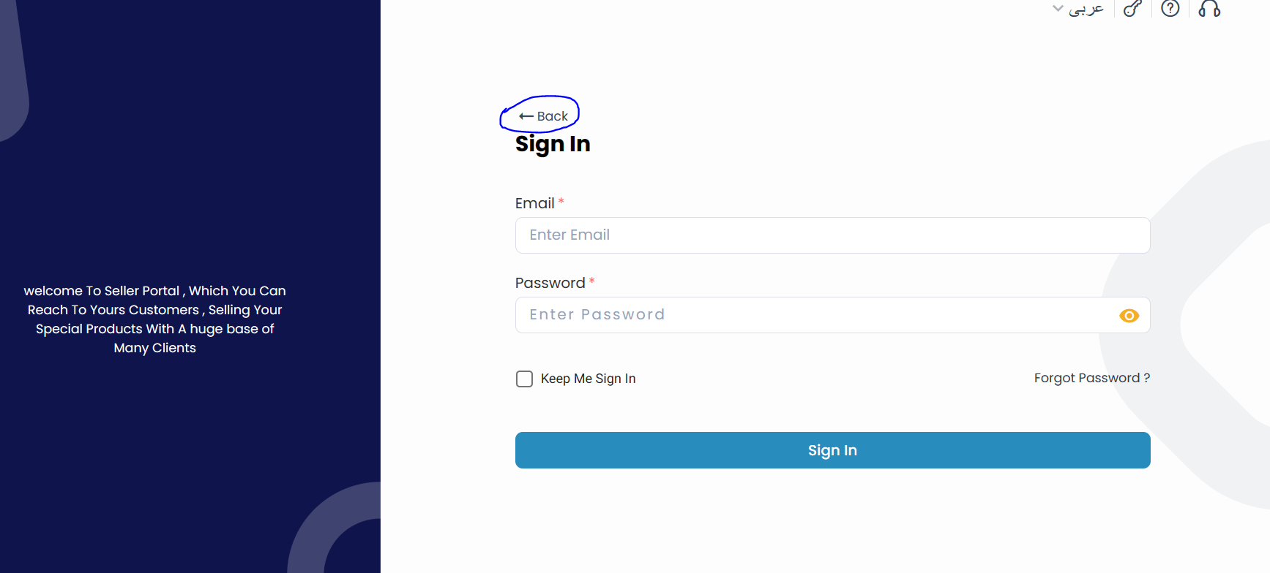 | Medium
OO2 | [Admin][Products]Can't save new product as draft | Open site URL | Product saved successfully | Error message appeard |  | High
 |  | Login by : Email: store@admin.com Password: P@ssw0rd
 |  | Click on sign in
 |  | Click on product tab
 |  | click on new product
 |  | Fill all required data
 |  | Click on save as draft
OO3 | [Amin][Dashbord] An error message displayed when navigating between tabs | open site URL |  |  |  | Medium
 |  | Login by : Email: store@admin.com Password: P@ssw0rd
 |  | Click on users tab | Navigate to users successfully | An error message displayed
 |  | Click on orders | Navigate to orders successfully | An error message displayed
 |  | Click on FAQ | Navigate to FQA successfully | An error message displayed
 |  | Click on Return Requests | Navigate to Return Requests successfully | An error message displayed

