Annex A
 |  | Annex- A

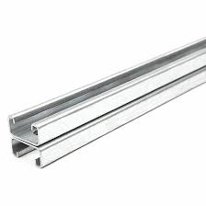
ELEVATED STRUCTURE MATERIAL SPECIFICATIONS
H-Beam | C-Channel
Brand: Mughal | Brand: Local
Material: MS | Material: Galvanize
Width: 5" | Width: 3"
Depth: 2.5" | Depth: 1.5"
Thickness: 10/11 SWG | Thickness: 14 SWG
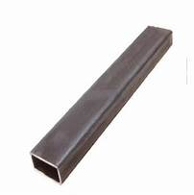
Base Plate: | Cross Engle Iron:
Brand: Local | Brand: Local
Material: MS | Material: MS
Width: 8" | Width: 1.5"
Length: 8" | Depth: 1.5"
Thickness: 6mm | Gauge: 16 SWG

STANDARD STRUCTURE MATERIAL SPECIFICATIONS
Channel | L3 SPECS:
Brand: Local | Length: 8'
Material: GI | Base Holders: 4
Width: 3" | L3 SPECS:
Depth: 1.5" | Length: 12'
Thickness: 14 SWG | Base Holders: 6

CIVIL PADS SPECIFICATIONS
Elevated Structure | Pads
Brand: Local | Height:12"
Down Side: 4' | Width: 12"
Hight up to : 8 ' to 10' where suitable degree required at site | Length: 12"
 | Material: Concrete

