Sheet1
S_base (MVA) |  | V_base_zone1 (kV) | V_base_zone2 (kV) | V_base_zone3 (kV) |  |  | Lines (omh/km) | 0,08+0,5i
100 |  | 13.8 | 15 | 230 |  |  | y_shant(microS/km) | 3.3
 | Z_base (omh) | 1.9044 | 2.25 | 529

 |  |  |  |  |  |  | from | to | lenght(km) | ser_impedance(ohm) | ser_impedance(p.u.) | r (p.u) | x (p.u) | y_shant(S) | y_shant(pu) | B
 |  |  |  |  |  |  | 1 | 2 |  |  |  |  | 0.1
 |  |  |  |  |  |  | 2 | 3 | 15 | 1,2+7,5i | 0,00226843100189036+0,0141776937618147i | 0.0022684310019 | 0.014177693762 | 0.0000495 | 0.0261855 | 0.052371
 | Cable selected | R(ohm/km) | C (microF/km) | Ind (mH/km) |  |  | 3 | 4 | 38 | 3,04+19i | 0,00574669187145558+0,0359168241965974i | 0.0057466918715 | 0.035916824197 | 0.0001254 | 0.0663366 | 0.1326732
Copper | 1x800RM | 0.0221 | 0.164 | 0.581 |  |  | 4 | 5 | 40 | 3,2+20i | 0,00604914933837429+0,0378071833648393i | 0.0060491493384 | 0.037807183365 | 0.000132 | 0.069828 | 0.139656
 |  |  |  |  |  |  | 4 | 6 | 15 | 1,2+7,5i | 0,00226843100189036+0,0141776937618147i | 0.0022684310019 | 0.014177693762 | 0.0000495 | 0.0261855 | 0.052371
 |  |  |  |  |  |  | 5 | 6 | 50 | 4+25i | 0,00756143667296786+0,0472589792060491i | 0.007561436673 | 0.047258979206 | 0.000165 | 0.087285 | 0.17457
 |  |  |  |  |  |  | 6 | 7 |  |  |  |  | 0.05

 |  |  |  |  |  |  |  | c | 0.28
 |  |  |  |  |  |  | Loads_Bus | S(SI) | P_High(MW) | Q_High(MVAr) | P_Low | Q_Low | P_high(pu) | Q_high(pu) | P_Low(pu) | Q_Low(pu) | S_high(pu) | S_low(pu)
 |  |  |  |  |  |  | 2 | 50+30i | 50 | 30 | 14 | 8.4 | 0.5 | 0.3 | 0.14 | 0.084 | 0.58309518948 | 0.16326665306
 |  |  |  |  |  |  | 3 | 50+30i | 50 | 30 | 14 | 8.4 | 0.5 | 0.3 | 0.14 | 0.084 | 0.58309518948 | 0.16326665306
 |  |  |  |  |  |  | 4 | 50+30i | 50 | 30 | 14 | 8.4 | 0.5 | 0.3 | 0.14 | 0.084 | 0.58309518948 | 0.16326665306
 |  |  |  |  |  |  | 5 | 50+30i | 50 | 30 | 14 | 8.4 | 0.5 | 0.3 | 0.14 | 0.084 | 0.58309518948 | 0.16326665306
 |  |  |  |  |  |  | 6 | 50+30i | 50 | 30 | 14 | 8.4 | 0.5 | 0.3 | 0.14 | 0.084 | 0.58309518948 | 0.16326665306

Line | Lenght(km) | R(ohm) | C(microF) | Ind(mH) | X (omh) | Y_shant(S)
4->5 | 40 | 0.884 | 6.56 | 23.24 | 7.3010613269 | 0.0020608847808
4->6 | 15 | 0.3315 | 2.46 | 8.715 | 2.7378979976 | 0.00077283179278
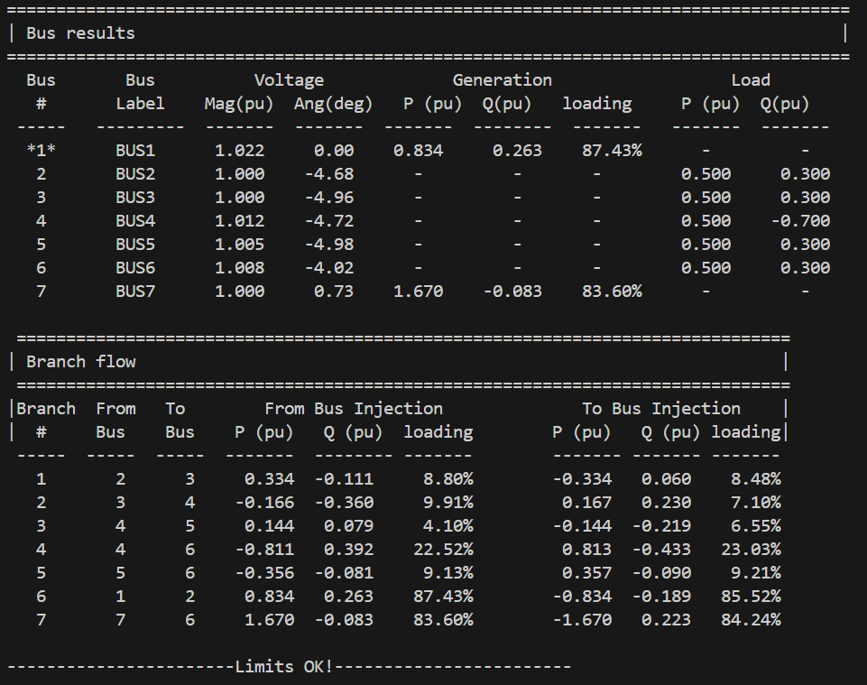
P.u. Values |  |  |  |  |  |  | B
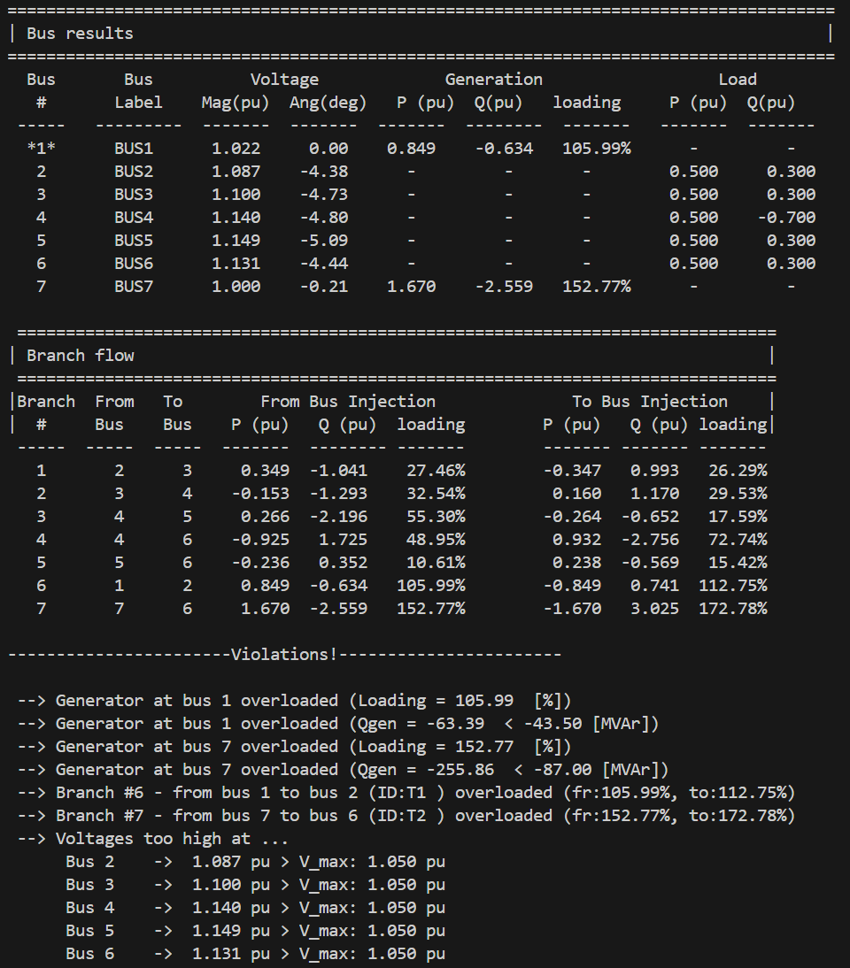
4->5 |  | 0.0038434782609 |  |  | 0.013801628217 | 1.090208049 | 2.180416098
4->6 |  | 0.0014413043478 |  |  | 0.0051756105815 | 0.40882801838 | 0.81765603676

