Menu
Name | Category | Subcategory | Price | Quantity | Photo (optional)
Espresso | Drinks | Coffee | 3.00 | 50 | 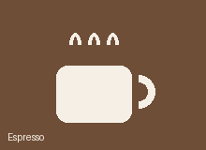
Cappuccino | Drinks | Coffee | 4.50 | 40 | 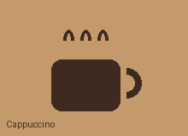
Latte | Drinks | Coffee | 4.50 | 40
Green Tea | Drinks | Tea | 3.00 | 30
Black Tea | Drinks | Tea | 3.00 | 30
Lemonade | Drinks | Beverages | 3.50 | 25
Iced Tea | Drinks | Beverages | 3.50 | 25
Croissant | Food | Snacks | 2.50 | 20 | 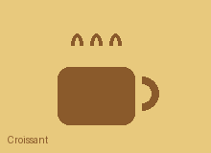
Granola Snack Bar | Food | Snacks | 2.00 | 30
Cheesecake | Food | Desserts | 4.00 | 12
Chicken Rice Bowl | Food | Meals/Bowls | 7.50 | 10

How to use: keep the headers, one item per row. Category must be Drinks or Food; Price is optional. Paste each item's photo into column G on the SAME row — the bot picks photos up automatically.

