Challenge
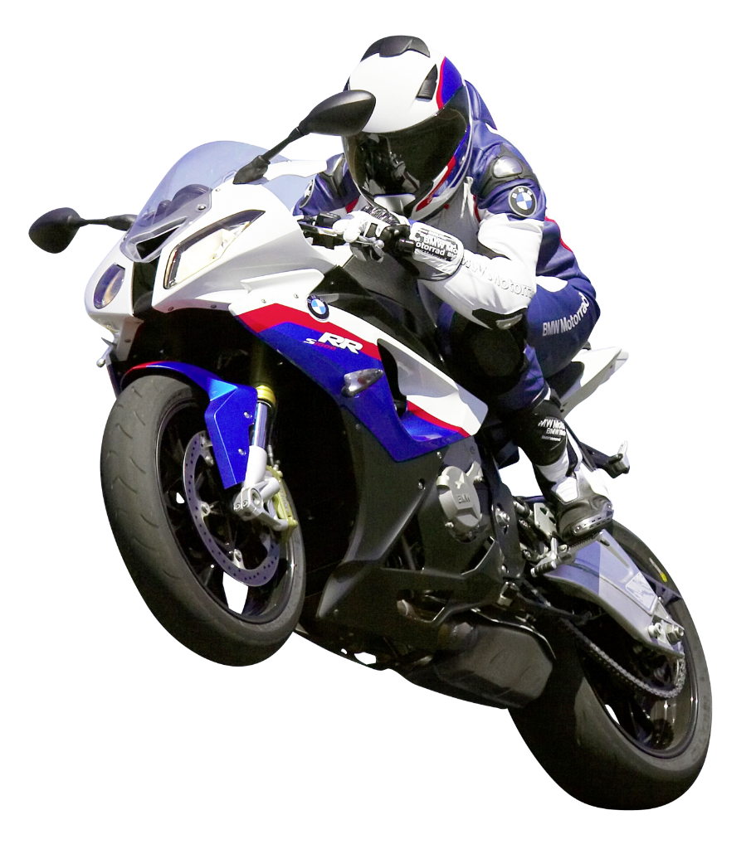
Challenge: Who wins the motorbike competition?
Background: We are an electronics retail company having shops in Delhi, Gujarat & Maharashtra.
We hire salesmen to work in our shops and sell our products.
Details: We have announced a prize of an amazing motorbike to the salesman who makes the most amount of sales.
We have 3 motorbikes to give, one to each employee making the most sales in each state.
Find out which 3 employees are eligible to get the motorbike?
1. __________ 2. __________ 3. __________
Dataset can be downloaded from the materials tab or from the link given below this lecture.

