2 marks
This sheet is for 2 Mark questions
S.r No | Question | Image | a | b | c | d | Correct Answer
e.g 1 | Write down question | img.jpg | Option a | Option b | Option c | Option d | a/b/c/d
1 | Calculate the number of cross points in given figure | 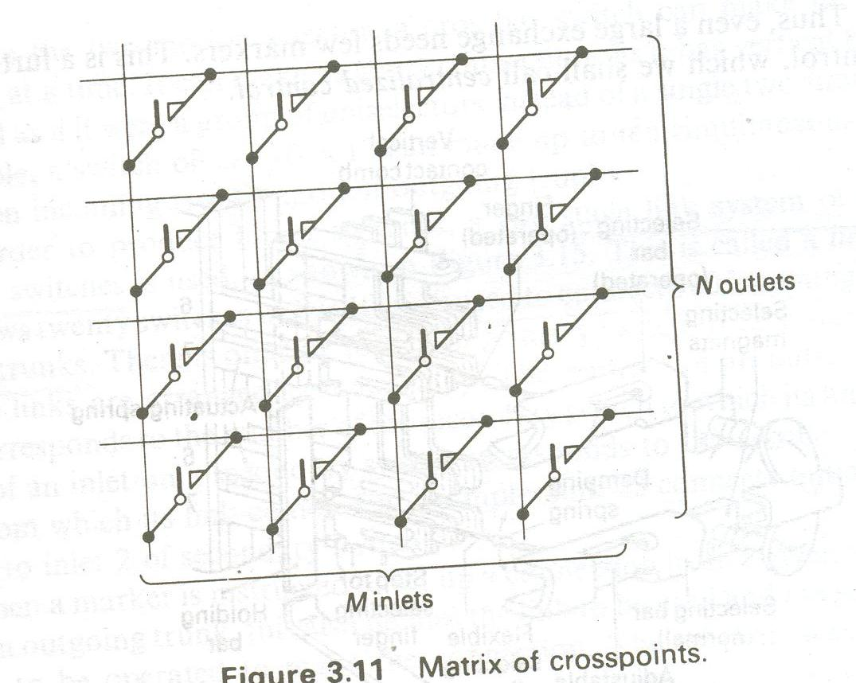 | 4 | 8 | 12 | 16 | d
2 | The given figure shows which type of Grading? |  | O’Dell Grading | Skipped Grading | Homogeneous Grading | None of the above | c
3 | The given figure shows which type of Grading? |  | O’Dell Grading | Skipped Grading | Homogeneous Grading | None of the above | b
4 | The given figure shows which type of Network? |  | Single stage | Two stage | Three stage | Four stage | c
5 | The given figure shows which type of Network? | 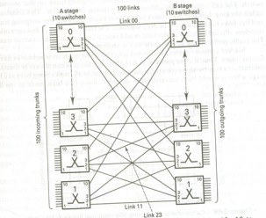 | Single stage | Two stage | Three stage | Four stage | b
6 | More Number of Incoming Trunks (M) are shared with fewer Outgoing Trunks (N)= M>N ,then this type f network is called as |  | Symmetric | Concentrators | Expanders | All of the above | b
7 | Less number of Incoming Trunks (M) are shared with more Outgoing Trunks (N)= M<N ,then this type f network is called as |  | Symmetric | Concentrators | Expanders | All of the above | c
8 | Not necessary for each incoming trunk to have access to every outgoing trunk is called as….. |  | Limited Availability | Full Availability | Unavailability | None | a
9 | When number of Incoming Trunks (M) are shared withequal number of Outgoing Trunks (N) i.e. M=N ,then this type f network is called as |  | Symmetric | Concentrator | Expander | All of the above | a
C1=$N^{2}$
10 | Total number of cross-points in the single stage network |  | C1= 2N3/2 | C1= 2√2N3/2 |  | None of the above | c
C2=$N^{2}$
11 | Total number of cross-points in the two stage symmetric network |  | C2= 2N3/2 | C2= 2√2N3/2 |  | None of the above | a
C3=$N^{2}$
12 | Total number of cross-points in the three stage symmetric network |  | C3= 2N3/2 | C3= 2√2N3/2 |  | None of the above | b
$$n=√N$$
$$n=\sqrt{(N}/2)$$
13 | Number of inlets in the two stage symmetric network are given by the formula |  |  |  | both a and b | None of the above | a
$$n=√N$$
$$n=\sqrt{(N}/2)$$
14 | Number of inlets in the three stage symmetric network are given by the formula |  |  |  | both a and b | None of the above | b
15 | Electronic switches are |  | Reed Relay | Bipolar | Field Effect | b and c | d
16 | Availability of a single processor |  | A =MTBF/( MTBF+ MTTR) | A =MTTR/( MTBF+ MTTR) | A =2MTBF/( MTBF+ MTTR) | A =2MTBF/MTTR | a
17 | Availability is given by |  | U = 1-2A | U = 1/A | U = 1-A | U = A-1 | c

3 marks
This sheet is for 3 Mark questions
S.r No | Question | Image | a | b | c | d | Correct Answer
e.g 1 | Write down question | img.jpg | Option a | Option b | Option c | Option d | a/b/c/d
1 | Given that MTBF = 2000 hrs and MTTR = 4hrs. Calculate the unavailability for single processor systems for 10 years and 30 years. |  | For 10 years :U = 175.2 hrs.and For 30 years U = 525.6 hrs. | For 10 years :U = 180.2 hrs.and For 30 years U = 500.6 hrs. | For 10 years :U = 195.2 hrs.and For 30 years U = 550.6 hrs. | None of the above | a
2 | Given that MTBF = 2000 hrs and MTTR = 4hrs. Calculate the unavailability for dual processor systems for 10 years and 30 years. |  | For 10 years : 40.04 minutes.For 10 years := 2.1 hours | For 10 years : 42.04 minutes.For 30 years := 2.1 hours | For 10 years : 48.04 minutes.For 20 years := 2.1 hours | None of the above | b
3 | Dual Processor SPC operates in …….. modes. |  | Standby | Synchronous | Load Sharing | All of the above | d
4 | Total number of cross-points in the two stage Concentrator network |  | C2= 2√(M)N | C2= 2√(N)M | C2= 2N√(M+N) | C2= 2M√(M+N) | a
5 | Total number of cross-points in the two stage Expander network |  | C2= 2√(M)N | C2= 2√(N)M | C2= 2N√(M+N) | C2= 2M√(M+N) | b
6 | Total number of cross-points in the three stage Concentrator network |  | C2= 2√(M)N | C2= 2√(N)M | C2= 2N√(M+N) | C2= 2M√(M+N) | c
7 | Total number of cross-points in the three stage Expander network |  | C2= 2√(M)N | C2= 2√(N)M | C2= 2N√(M+N) | C2= 2M√(M+N) | d
$$m=n=√M$$
$$m=n=√N$$
$$m=M/√(M+N)$$
$$n=N/√(M+N)$$
$$m=M/√(M+N)$$
8 | Number of inlets and outlets in the two stage Concentrator network are given by the formula |  |  |  |  | All of the above | a
$$m=n=√M$$
$$m=n=√N$$
$$n=N/√(M+N)$$
9 | Number of inlets and outlets in the two stage Expander network are given by the formula |  |  |  |  | All of the above | b
$$m=n=√M$$
$$m=n=√N$$
$$m=M/√(M+N)$$
$$n=N/√(M+N)$$
10 | Number of inlets and outlets in the three stage Concentrator network are given by the formula |  |  |  |  | All of the above | c
$$m=n=√M$$
$$m=n=√N$$
$$m=M/√(M+N)$$
$$n=N/√(M+N)$$
11 | Number of inlets and outlets in the three stage Expander network are given by the formula |  |  |  |  | All of the above | c
12 | For a two stage switching network,for connecting 200 incoming trunks to 200 outgoing trunks,total numer of crosspoints will be |  | C2=5000 | C2=7000 | C2=5657 | C2=7657 | c
13 | For a two stage switching network,for connecting 200 incoming trunks to 200 outgoing trunks, numer of incoming links will be |  | 5 and 10 | 10 and 20 | 15 and 20 | 5 and 15 | b
14 | For a three stage switching network,for connecting 100 incoming trunks to 100 outgoing trunks,total numer of crosspoints will be |  | 1000 | 2000 | 3000 | 4000 | c
15 | For a three stage switching network,for connecting 100 incoming trunks to 100 outgoing trunks,numer of incoming links will be |  | 5 and 10 | 10 and 20 | 15 and 20 | 5 and 15 | a
16 | For a three stage switching network,for connecting 100 incoming trunks to 400 outgoing trunks,total numer of crosspoints will be |  | 3000 | 3500 | 4000 | 4500 | d
17 | Switching functions are |  | Attending | Busy testing | Alerting | All of the above | d

This sheet is for 1 Mark questions
S.r No | Question | Image | a | b | c | d | Correct Answer
e.g 1 | Write down question | img.jpg | Option a | Option b | Option c | Option d | a/b/c/d
1 | …………….. does not establish a dedicated path between two communicating devices, where each message is treated as an independent unit and includes its own destination and source address. |  | Packet switching | Message switching | Telegraph switching | Circuit switching | b
2 | Which of the following is/are the disadvantage of circuit switching? i) Dedicated channels require more bandwidth ii) It takes long time to establish connection iii) There is a delay in data flow iv) It cannot be used to transmit any other data even it the channel is free. |  | i, ii and iv only | ii, iii and iv only | i, iii and iv only | i, ii and iii only | a
3 | The most well-known use of packet switching is the ………… |  | PSTN | Email | Internet | Hop-by-Hop Telex | c
4 | If ‘n’ numbers of users are present in a network with point-to-point links, then how many links will be required in the network? |  | n (n – 1) | n (n – 1) / 2 | n (n – 1) / 4 | n (n – 1) / 8 | b
5 | Which kind of switching technique indicates the transfer of coded values from input to output during the same interval of time? |  | Space Switching | Time Switching | Combination Switching | None of the above | a
6 | What is the hardware, used to establish connection as an electrical path between inlet and outlet pair in switching system, known as? |  | Switching Matrix | Switching Network | Both a and b | None of the above | c
7 | In folded type of network, ____ |  | input lines are folded back to output lines | output lines are folded back to input lines | input lines are folded back to themselves (input lines) | output lines are folded back to themselves (output lines) | b
8 | The ratio of number of successful calls to the number of call attempts is known as ______ |  | Call Completion Rate (CCR) | Call Block Rate (CBR) | Busy Hour Call Rate (BHCR) | None of the above | a
9 | Which form/s of grading design has/have the tendency to share every trunk between equal number of groups? |  | Homogeneous Grading | Heterogeneous Grading | Skipped Grading | All of the above | a
10 | Which type of connection takes place between an incoming trunk and an outgoing trunk? |  | Local call | Outgoing call | Incoming call | Transit call | d
11 | In message switching system, an incoming message gets ____ especially if the required route is busy. |  | lost | stored in a queue & retransmitted | sampled | recovered | b
12 | Which type of switching network involves the establishment of a dedicated path between two stations? |  | Message Switching | Packet Switching | Circuit Switching | Manual Switching | c
13 | In two-stage network, which phenomenon/situation occurs due to impossible connectivity of given incoming trunk to selected outgoing trunk specifically because of link utilization for other connection between primary and secondary switches? |  | Bursting | Blinking | Blocking | Burning | c
14 | Which among the following can be adopted as a dedicated path between the source and destination in circuit switching? |  | Physical Wire | Radio Link | Co-axial Cable | All of the above | d
15 | Circuit switching takes place at the …………….. |  | session layer | application layer | data link layer | physical layer. | d
16 | Stored Program control(SPC) is mainly divided in to……….. Types. |  | Centralized | Distributed | a and b | None of the above | c

