10MileNeighbors_Ref
Listed | Neighbors?_LH | https://www.mapdevelopers.com/draw-circle-tool.php?circles=%5B%5B16093.4%2C29.548489%2C-95.09876%2C%22%23AAAAAA%22%2C%22%23000000%22%2C0.4%5D%5D
Alvin | 1 |  | 77511 | 77512 | 77583
Bacliff | 1 |  | 77518 | DONE
Deer Park | 1 |  | 77536 | 77571
Dickinson | 1 |  | 77539 | DONE
Friendswood | 1 |  | 77546 | 77089 | 77549 | 77598
Houston (Clear Lake) | 1 |  | #N/A | 77058 | 77059 | 77062
Kemah | 1 |  | 77565 | DONE
La Porte | 1 |  | 77571 | 77572
League City | 1 |  | 77573 | 77058 | 77511 | 77539 | 77546 | 77565 | 77574 | 77598
Pasadena | 1 |  | 77502 | 77058 | 77059 | 77501 | 77502 | 77503 | 77504 | 77505 | 77506 | 77507 | 77508 | 77536 | 77586
Pearland | 1 |  | 77581 | 77588 | 77047 | 77089 | 77584
Santa Fe | 1 |  | 77510 | 77517
Seabrook | 1 |  | 77586 | DONE
South Houston | 1 |  | 77587 | 77502
Webster | 1 |  | 77598 | 77058

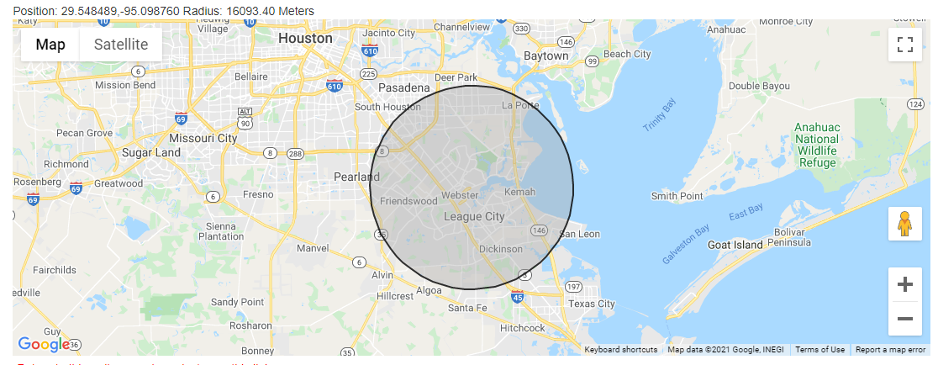

Listed | Neighbors?_LH | https://www.mapdevelopers.com/draw-circle-tool.php?circles=%5B%5B16093.4%2C29.548489%2C-95.09876%2C%22%23AAAAAA%22%2C%22%23000000%22%2C0.4%5D%5D
Alvin | 1 |  | 77511 | 77512 | 77583
Bacliff | 1 |  | 77518
Deer Park | 1 |  | 77536 | 77571
Dickinson | 1 |  | 77539
Friendswood | 1 |  | 77546 | 77089 | 77549 | 77598
Houston (Clear Lake) | 1 |  | 77058 | 77059 | 77062
Kemah | 1 |  | 77565
La Porte | 1 |  | 77571 | 77572
League City | 1 |  | 77573 | 77058 | 77511 | 77539 | 77546 | 77565 | 77574 | 77598
Pasadena | 1 |  | 77502 | 77058 | 77059 | 77501 | 77502 | 77503 | 77504 | 77505 | 77506 | 77507 | 77508 | 77536 | 77586
Pearland | 1 |  | 77581 | 77588 | 77047 | 77089 | 77584
Santa Fe | 1 |  | 77510 | 77517
Seabrook | 1 |  | 77586
South Houston | 1 |  | 77587 | 77502
Webster | 1 |  | 77598 | 77058

Reference
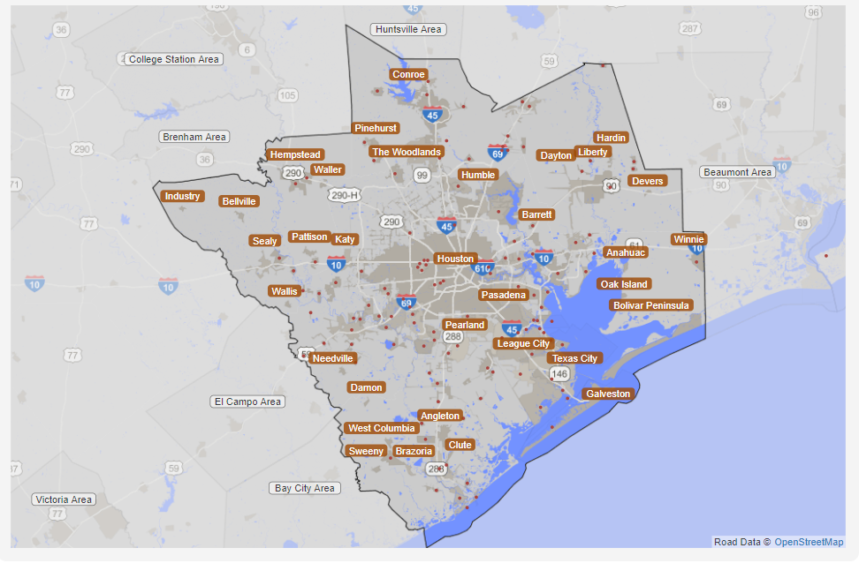
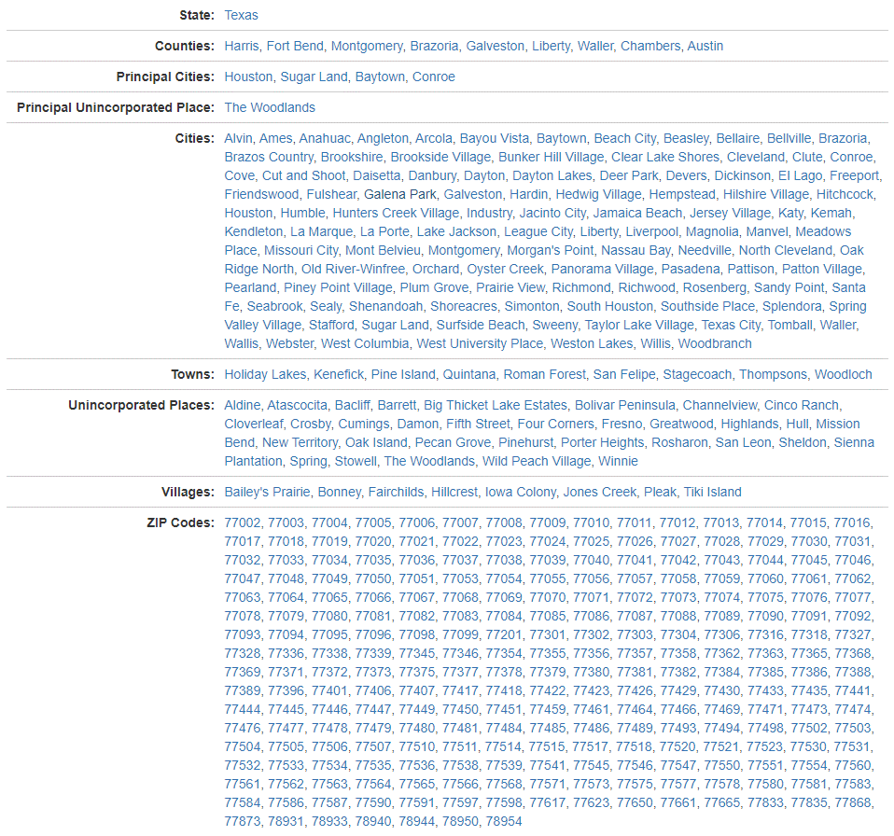
Zip Code list pulled from: | https://statisticalatlas.com/metro-area/Texas/Houston/Overview
Map reprint and data screenshot pasted below.
Last update 1/3/2020

