Burndown Chart - MidRelease
Burndown Chart - Mid Release

Velocity Chart
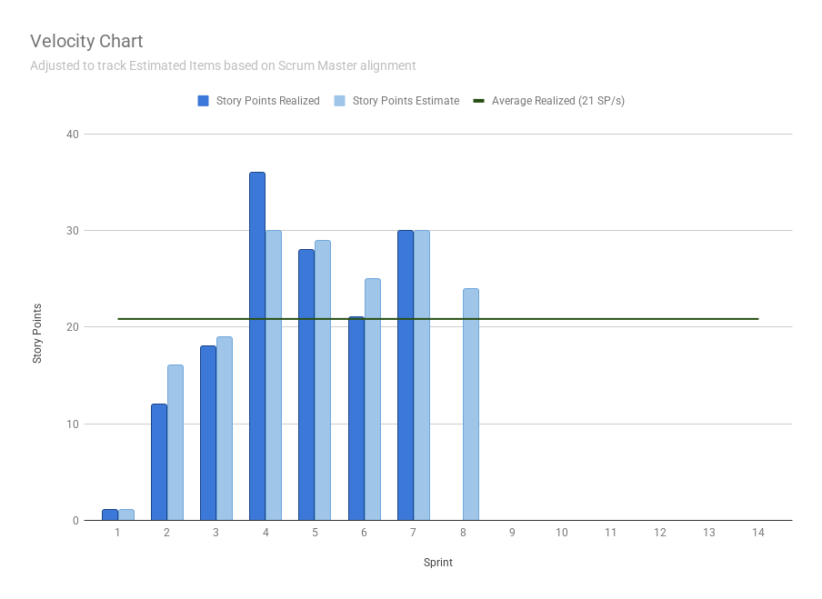

Burndown Chart - Final Release
Burndown Chart - Final Release

