RMSE
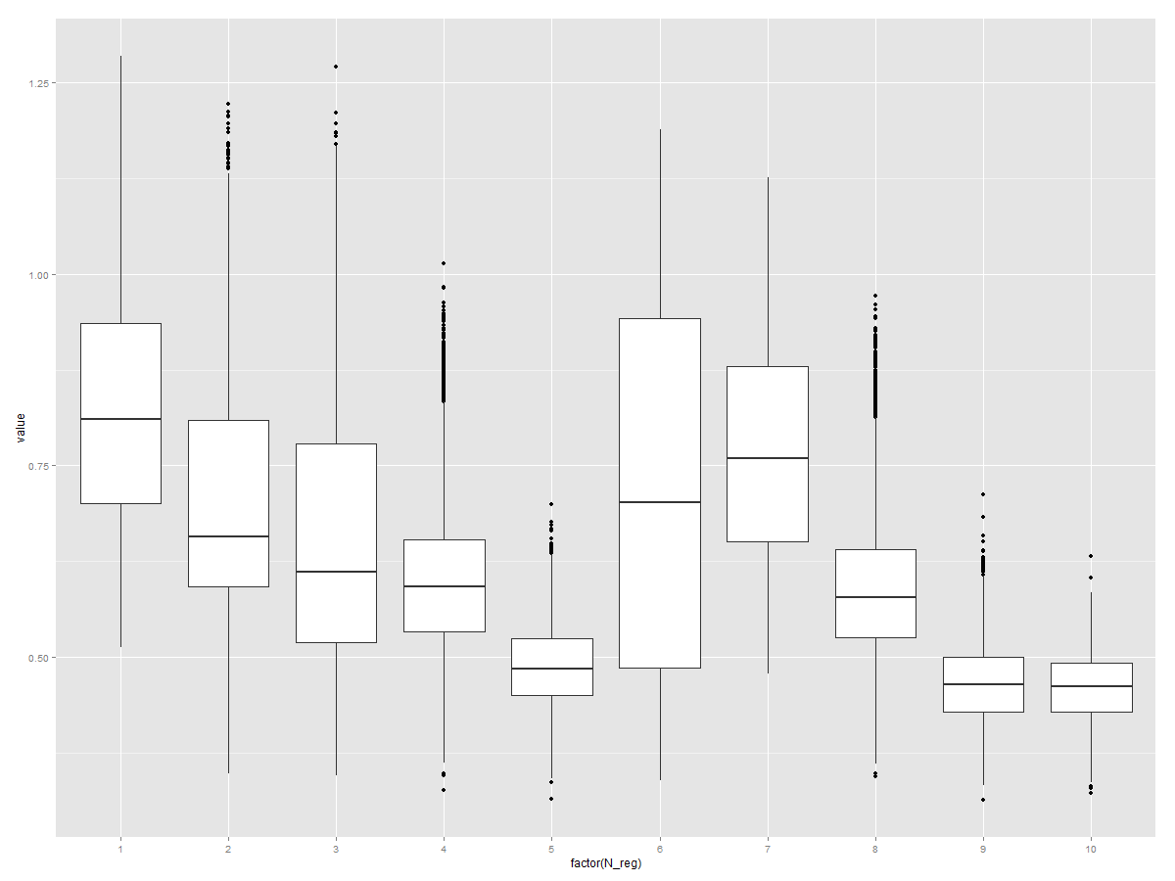
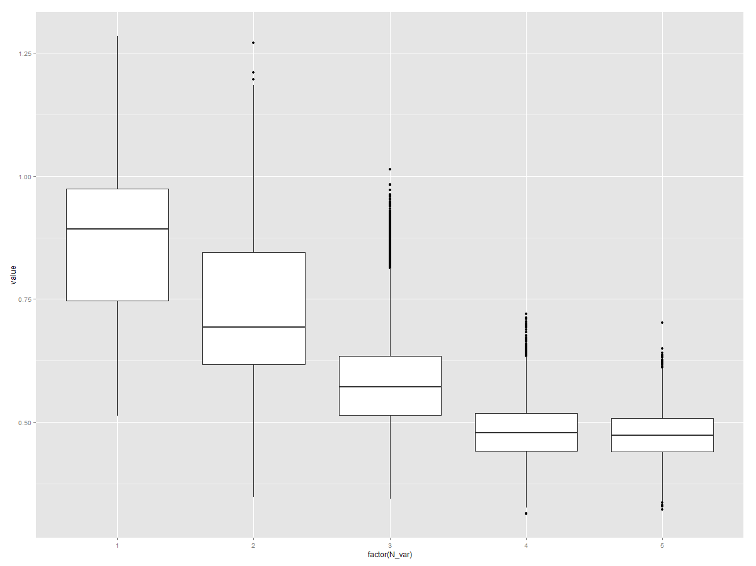
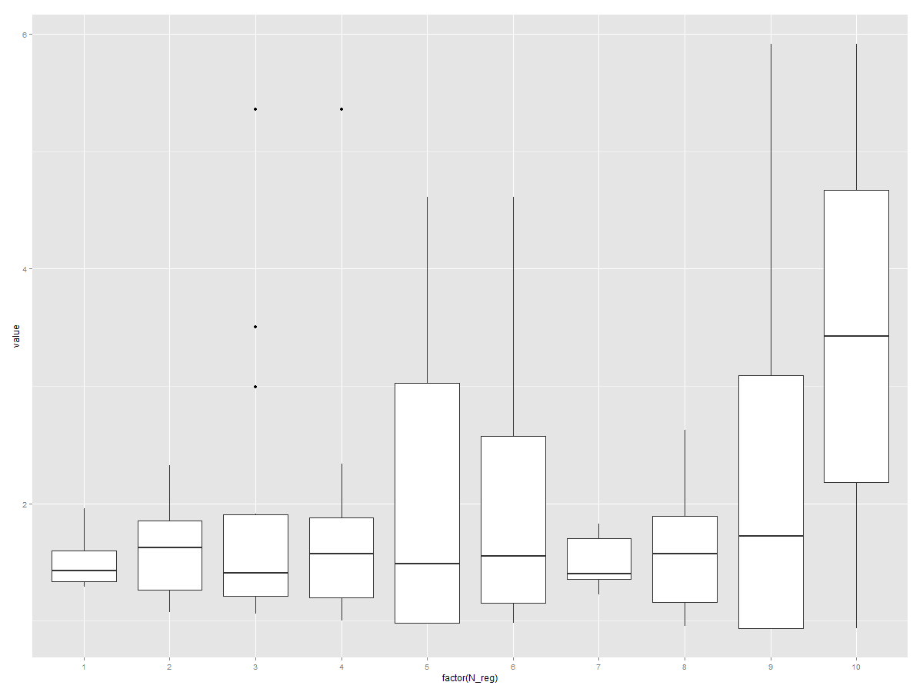
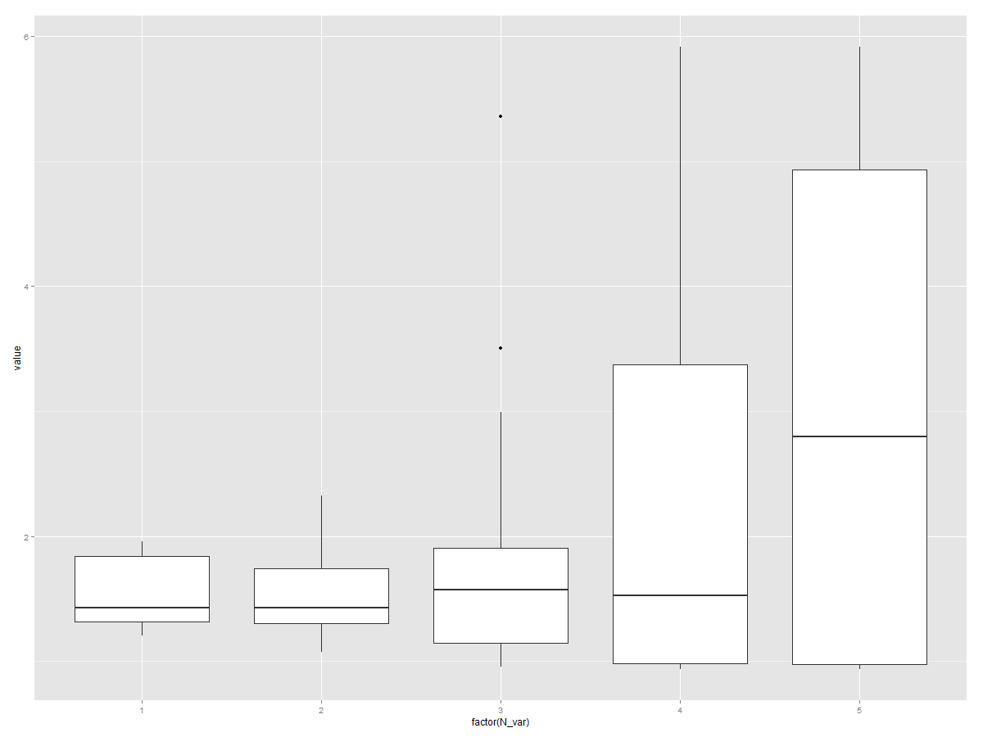
 | Species | HabFac | logkoc | logMol | logSol | logDen | N_reg | N_var | RMSE_T | RMSE_R_A | RMSE_MC_1 | RMSE_MC_2 | RMSE_MC_3 | RMSE_MC_4 | RMSE_MC_5 | RMSE_MC_6 | RMSE_MC_7 | RMSE_MC_8 | RMSE_MC_9 | RMSE_MC_10 | RMSE_MC_11 | RMSE_MC_12 | RMSE_MC_13 | RMSE_MC_14 | RMSE_MC_15 | RMSE_MC_16 | RMSE_MC_17 | RMSE_MC_18 | RMSE_MC_19 | RMSE_MC_20 | RMSE_MC_21 | RMSE_MC_22 | RMSE_MC_23 | RMSE_MC_24 | RMSE_MC_25 | RMSE_MC_26 | RMSE_MC_27 | RMSE_MC_28 | RMSE_MC_29 | RMSE_MC_30 | RMSE_MC_31 | RMSE_MC_32 | RMSE_MC_33 | RMSE_MC_34 | RMSE_MC_35 | RMSE_MC_36 | RMSE_MC_37 | RMSE_MC_38 | RMSE_MC_39 | RMSE_MC_40 | RMSE_MC_41 | RMSE_MC_42 | RMSE_MC_43 | RMSE_MC_44 | RMSE_MC_45 | RMSE_MC_46 | RMSE_MC_47 | RMSE_MC_48 | RMSE_MC_49 | RMSE_MC_50 | RMSE_MC_51 | RMSE_MC_52 | RMSE_MC_53 | RMSE_MC_54 | RMSE_MC_55 | RMSE_MC_56 | RMSE_MC_57 | RMSE_MC_58 | RMSE_MC_59 | RMSE_MC_60 | RMSE_MC_61 | RMSE_MC_62 | RMSE_MC_63 | RMSE_MC_64 | RMSE_MC_65 | RMSE_MC_66 | RMSE_MC_67 | RMSE_MC_68 | RMSE_MC_69 | RMSE_MC_70 | RMSE_MC_71 | RMSE_MC_72 | RMSE_MC_73 | RMSE_MC_74 | RMSE_MC_75 | RMSE_MC_76 | RMSE_MC_77 | RMSE_MC_78 | RMSE_MC_79 | RMSE_MC_80 | RMSE_MC_81 | RMSE_MC_82 | RMSE_MC_83 | RMSE_MC_84 | RMSE_MC_85 | RMSE_MC_86 | RMSE_MC_87 | RMSE_MC_88 | RMSE_MC_89 | RMSE_MC_90 | RMSE_MC_91 | RMSE_MC_92 | RMSE_MC_93 | RMSE_MC_94 | RMSE_MC_95 | RMSE_MC_96 | RMSE_MC_97 | RMSE_MC_98 | RMSE_MC_99 | RMSE_MC_100
1 |  | HabFac | logkoc | logMol | logSol | logDen | 1 | 1 | 1.3394202788 | 1.8220726381 | 0.89120479678 | 0.97301859311 | 0.90991152706 | 0.89772513498 | 0.92628723008 | 0.98938271891 | 0.82303679797 | 0.89373414884 | 0.81862954979 | 0.80771343218 | 0.88339871103 | 0.96805691203 | 1.0379403042 | 1.072972954 | 0.84139039867 | 1.0494550094 | 1.0629927764 | 0.88784112069 | 0.95912146301 | 0.87502666189 | 0.80859886996 | 0.8967013729 | 0.94819546284 | 0.8209630452 | 0.94334809618 | 0.85031262926 | 0.83873304909 | 0.84035709714 | 0.96844199388 | 0.83824306892 | 0.82052132626 | 0.99736458722 | 0.96907160039 | 0.91067459239 | 0.83183124659 | 0.88727173459 | 0.95332786894 | 0.87700515382 | 1.0137626295 | 0.92729602027 | 1.0000367545 | 1.0278698782 | 0.7927617133 | 0.88283027328 | 0.82634510597 | 0.90862104236 | 0.88658039288 | 0.9965611753 | 0.83090449361 | 0.7737376077 | 0.9740048051 | 0.78408778579 | 0.99115516787 | 0.85685368443 | 0.82067481309 | 0.88836453217 | 0.96822931505 | 0.76639824557 | 0.83041656935 | 0.75888899102 | 1.0045502125 | 0.9341559777 | 0.8206064083 | 0.86313000232 | 0.84818018172 | 0.85566569211 | 0.94834601795 | 0.9760809243 | 0.87957148406 | 0.89604212844 | 0.96143599105 | 0.74173923559 | 0.94288441239 | 0.9678218342 | 0.83768155429 | 0.88477212992 | 0.78425693367 | 0.88442163615 | 0.72556581795 | 0.80301154318 | 0.91814021924 | 0.83647795892 | 1.0631456983 | 0.88204198512 | 0.84350576179 | 0.84690142213 | 0.9610978818 | 0.78764264947 | 0.85334583299 | 0.88004152815 | 0.94226922013 | 0.97970205862 | 0.97829440825 | 0.9270341298 | 0.9191101447 | 0.85473132195 | 0.90618626485 | 0.88358295337 | 0.90247944341 | 1.0578792812
2 | Species |  | logkoc | logMol | logSol | logDen | 1 | 1 | 1.3734221093 | 1.4848296534 | 0.70737675164 | 0.69923149496 | 0.72555110098 | 0.70973209586 | 0.7421913756 | 0.74903478434 | 0.78361363261 | 0.70972550258 | 0.87511070202 | 0.78054386847 | 0.76194012227 | 0.75167535576 | 0.76660525079 | 0.70127644721 | 0.67573236228 | 0.70867046466 | 0.64059719504 | 0.7572997186 | 0.87911456063 | 0.79052941334 | 0.67398707042 | 0.76715700552 | 0.75121639996 | 0.69293312837 | 0.78913465944 | 0.75536879868 | 0.76400892646 | 0.6966619648 | 0.70364714709 | 0.69927199019 | 0.64687907214 | 0.69125369624 | 0.72814345814 | 0.67977122409 | 0.77902853121 | 0.80007692877 | 0.77529217677 | 0.84441818846 | 0.70687884067 | 0.77542542839 | 0.84702590401 | 0.75229078203 | 0.70387986347 | 0.74991147123 | 0.7839430466 | 0.77298652829 | 0.66217646609 | 0.75698425251 | 0.80511239959 | 0.80627494994 | 0.69078184677 | 0.79578056431 | 0.79634194605 | 0.67826723525 | 0.74379011994 | 0.7648145832 | 0.70958072417 | 0.72375754044 | 0.7524006892 | 0.74912397281 | 0.80494529902 | 0.75920482961 | 0.68978234122 | 0.79806909889 | 0.76293349513 | 0.73929758929 | 0.69800545488 | 0.78822519334 | 0.7557929954 | 0.62774178982 | 0.8289627823 | 0.74540253886 | 0.79057487682 | 0.7776583898 | 0.80170195431 | 0.74073610711 | 0.76064115634 | 0.6949358729 | 0.76079081376 | 0.72780673606 | 0.72339099032 | 0.68655214904 | 0.82249787842 | 0.73742280112 | 0.75844135325 | 0.7714616737 | 0.75288624765 | 0.7017678589 | 0.70124472026 | 0.74092330759 | 0.68941314829 | 0.6824466005 | 0.7465210611 | 0.8143157932 | 0.72905771665 | 0.76624747677 | 0.69440886088 | 0.74844334131 | 0.68656831507 | 0.75623190188
3 |  |  | logkoc | logMol | logSol | logDen | 1 | 1 | 1.5235154211 | 1.9549880524 | 1.0344462144 | 0.98456205471 | 0.98316207665 | 1.0542618177 | 0.92375140877 | 1.0112736444 | 0.95205325246 | 0.92962089474 | 1.0529746973 | 0.90549726574 | 0.99609862293 | 0.8500157974 | 0.95898641411 | 1.0029701113 | 1.0577091429 | 0.85833564265 | 0.8925538113 | 0.9921311542 | 0.93024002941 | 1.0596447121 | 0.82207991071 | 0.9323538611 | 0.93196588384 | 0.9574644999 | 1.0437354521 | 0.81560591493 | 1.0940567321 | 1.0843404819 | 1.0983804831 | 1.0465350001 | 0.83543647472 | 0.97727678793 | 0.98626366625 | 1.0397399108 | 0.998853256 | 1.0025899245 | 0.90108462545 | 0.96762375114 | 1.0374920699 | 0.89772805827 | 1.0545436797 | 1.0941832267 | 0.9597674018 | 0.88524785489 | 1.1607283567 | 0.91322369303 | 0.96423046122 | 1.0503431215 | 1.0646772615 | 1.037713072 | 1.1298571349 | 0.99515260089 | 0.92460356016 | 0.96240812411 | 1.1087966115 | 0.96475829287 | 1.0266546062 | 0.93970558451 | 1.0040869176 | 0.79723494679 | 1.0098053788 | 0.8992964065 | 0.94924488951 | 1.0300809782 | 0.99261539857 | 0.81323167694 | 0.97052515484 | 0.89270491227 | 0.98980462315 | 0.95379310071 | 1.0402025809 | 1.1289557373 | 0.8820438043 | 1.0128232214 | 0.92046862715 | 0.9115983503 | 0.90489192105 | 1.0257811779 | 1.0555139459 | 0.90981152606 | 0.94452842339 | 0.91021131995 | 0.99210148325 | 1.0418427142 | 0.86559929557 | 0.92675594764 | 0.88929714849 | 1.052505772 | 1.0249051321 | 0.88058482947 | 1.0564721038 | 0.99849651008 | 1.0336883162 | 1.038994415 | 0.91364522655 | 0.90148353284 | 0.98381735695 | 1.0173736711 | 1.0786346791 | 0.99316409296
4 |  | HabFac |  | logMol | logSol | logDen | 1 | 1 | 1.2873958273 | 1.3240156238 | 0.69498949916 | 0.65292807618 | 0.55906195124 | 0.65879720679 | 0.59696568387 | 0.65228237397 | 0.6557636309 | 0.56032686451 | 0.66065014833 | 0.64000640324 | 0.64868280728 | 0.56338532519 | 0.62169811589 | 0.67011163742 | 0.63651643738 | 0.73629236366 | 0.76820994663 | 0.54426941808 | 0.61893398481 | 0.67929830906 | 0.67375571447 | 0.81735803082 | 0.6921649022 | 0.60231615097 | 0.65664572914 | 0.67415058038 | 0.63404714973 | 0.66266439881 | 0.6329577433 | 0.65208379854 | 0.61375845123 | 0.65057039178 | 0.59526128189 | 0.68327368286 | 0.63717797434 | 0.6995007615 | 0.58240471412 | 0.65372094394 | 0.71876092217 | 0.70235728681 | 0.63142067804 | 0.69132529789 | 0.67163478542 | 0.71591429223 | 0.63911206794 | 0.66314124434 | 0.65640404561 | 0.71293840003 | 0.64386405353 | 0.63291419939 | 0.69650837315 | 0.71600706943 | 0.69248495025 | 0.64660603526 | 0.59467123064 | 0.72673172806 | 0.62674824842 | 0.79139554814 | 0.691574245 | 0.71807985031 | 0.582500567 | 0.65792995578 | 0.65053906893 | 0.61389267227 | 0.67774609888 | 0.60129291934 | 0.60861325065 | 0.63626797352 | 0.68220171816 | 0.58241767978 | 0.64457385254 | 0.61938827212 | 0.70433268038 | 0.56322756079 | 0.67887637363 | 0.6136356828 | 0.60898473289 | 0.61490445432 | 0.66649955494 | 0.65731028568 | 0.66292067007 | 0.67238399189 | 0.5965290431 | 0.62232350395 | 0.57784499342 | 0.61717361238 | 0.59162055477 | 0.76890326254 | 0.72434132192 | 0.65271595977 | 0.69868737095 | 0.71312123575 | 0.61179286302 | 0.61681262599 | 0.70919463489 | 0.6728329522 | 0.69156846161 | 0.61062254825 | 0.59560819362 | 0.7179076669
5 | Species |  |  | logMol | logSol | logDen | 2 | 1 | 1.2059755701 | 1.9521634661 | 0.94133360546 | 0.92192168196 | 0.87701021233 | 1.0223129841 | 0.96621864016 | 1.0253132292 | 1.0018409199 | 0.90937908063 | 1.0714671642 | 0.91567248831 | 1.0400544759 | 0.92360787595 | 0.94291727066 | 1.0138637394 | 1.1758915041 | 0.97442803828 | 0.9082165572 | 1.0394409277 | 0.90633007421 | 0.99953936269 | 0.9484593883 | 0.94582823381 | 0.95084802591 | 1.0251989162 | 1.0028095658 | 1.0179685838 | 0.94472781169 | 0.80779625276 | 0.89893897535 | 0.99164308628 | 1.0378776341 | 0.98360433238 | 0.97746786242 | 1.02833853 | 0.94309587107 | 0.92794257688 | 0.913203194 | 1.0806136797 | 1.0194857886 | 0.93061145381 | 0.91835076372 | 1.0152594276 | 0.77563552653 | 0.92161758164 | 1.0069177527 | 0.98046717815 | 0.95817679374 | 1.1352524237 | 0.93719123396 | 0.97450819358 | 0.94766952038 | 1.0839692792 | 1.0256443428 | 0.96326804704 | 0.98986045869 | 0.94789085659 | 1.0593910712 | 0.90114721754 | 0.98930689565 | 0.74359419163 | 1.0018134641 | 0.91712890674 | 1.1113936555 | 1.0507430399 | 1.0523395742 | 1.0596565256 | 0.90951270111 | 1.0698223497 | 0.97122434654 | 0.83857821462 | 0.95429472794 | 0.82706510465 | 1.087173383 | 0.94441159261 | 0.98899937317 | 0.82149212211 | 1.0477370137 | 1.0132295363 | 0.9799252628 | 1.0848614428 | 1.1029337135 | 1.0212215252 | 0.9853476624 | 0.98802372247 | 1.0174121315 | 1.0530134327 | 1.0774873943 | 0.87009370289 | 0.95539687723 | 0.94362986785 | 0.93511515987 | 1.0554141509 | 0.99426551976 | 0.81564339758 | 1.0914749456 | 0.80804535069 | 0.96682960153 | 0.85618226527 | 0.98226545195 | 0.87676723749
6 |  |  |  | logMol | logSol | logDen | 6 | 1 | 1.2089123969 | 1.8957250989 | 1.0617652116 | 0.99387304604 | 0.93747068072 | 0.75614867133 | 0.93175894184 | 0.87550994825 | 0.79577435953 | 0.85653989467 | 1.0017423134 | 1.0214241409 | 0.86571742658 | 0.90521175447 | 0.91308956053 | 0.83552183346 | 0.92210147322 | 1.0229448371 | 0.91049473718 | 0.78654854514 | 1.0552656862 | 0.91340548286 | 0.90791191225 | 0.90898972894 | 0.97065450516 | 0.8923478004 | 1.021557106 | 0.9494985191 | 1.0116005866 | 0.97605245369 | 0.91233349669 | 0.95361366187 | 0.95874729152 | 0.96020687659 | 0.97222353201 | 0.97435273766 | 0.83228350402 | 1.0077529097 | 1.0342055367 | 0.95915407547 | 0.91160779234 | 0.96720036142 | 0.96771626159 | 1.0909411475 | 0.90353063896 | 0.92887680089 | 0.93751235503 | 0.96335991384 | 0.90948524563 | 0.77638969189 | 0.98928857311 | 0.98274264129 | 1.0368501827 | 0.95728722192 | 0.89299524138 | 1.0898650284 | 0.8516824487 | 0.87413539092 | 0.98461647168 | 0.81974244816 | 1.1046408913 | 1.0155558465 | 1.0224843333 | 0.90269963845 | 0.87532523411 | 0.89897299683 | 0.9792863043 | 0.87898034734 | 0.84110701237 | 1.0444361521 | 1.0971760705 | 0.91277800283 | 0.96190391793 | 0.9761272377 | 1.072666016 | 0.9266515556 | 1.0865906611 | 0.96413074481 | 0.85921001647 | 0.98121222393 | 1.0709364168 | 0.81049932377 | 0.83933841203 | 0.90490388276 | 1.0782885119 | 1.0334953172 | 1.1188591241 | 0.97369782205 | 0.93301034588 | 0.99419654696 | 1.0142669896 | 0.96609693594 | 0.79049667212 | 0.97061470268 | 1.0767823023 | 0.91211512524 | 0.82008557068 | 0.84148944534 | 0.86087558237 | 0.8468571818 | 1.1138306219 | 0.91069687302
7 |  | HabFac | logkoc |  | logSol | logDen | 2 | 2 | 1.7349699869 | 1.3591927413 | 0.62665327205 | 0.66767859097 | 0.62571254876 | 0.60608441247 | 0.63159764163 | 0.66923971018 | 0.75191022418 | 0.64101185115 | 0.64171315514 | 0.78408104412 | 0.67764562187 | 0.70894572532 | 0.73017575655 | 0.70814544729 | 0.70397029508 | 0.68381173035 | 0.66177654483 | 0.67240610649 | 0.72275562517 | 0.57219225679 | 0.63317089809 | 0.65926955339 | 0.64036016992 | 0.6880212555 | 0.70268556045 | 0.68814680338 | 0.63165764633 | 0.69401899646 | 0.67159867233 | 0.64141779983 | 0.62614176504 | 0.67367029644 | 0.60366478395 | 0.66457862482 | 0.65011917712 | 0.73411725884 | 0.80760913759 | 0.60333677502 | 0.62120589763 | 0.63801959222 | 0.68711340095 | 0.73342412843 | 0.60934063324 | 0.58753027017 | 0.80213031945 | 0.63928934549 | 0.67726745362 | 0.64384783116 | 0.55713129047 | 0.6017340889 | 0.65841013395 | 0.67483468418 | 0.66162324503 | 0.73091389453 | 0.62031929349 | 0.7581862524 | 0.72626687804 | 0.72441360843 | 0.67029938463 | 0.6031999288 | 0.62216633527 | 0.74781595291 | 0.66500345711 | 0.69081807365 | 0.64400373097 | 0.64599093522 | 0.74186535415 | 0.61552164133 | 0.61108807787 | 0.67711375321 | 0.72962491987 | 0.67396692686 | 0.73090748639 | 0.76870086681 | 0.69724778997 | 0.62656649286 | 0.633710611 | 0.6782286943 | 0.70947717489 | 0.62849142764 | 0.6552067632 | 0.69801092454 | 0.70239008741 | 0.62780635686 | 0.73572386153 | 0.69122283447 | 0.66373951478 | 0.63113469218 | 0.69425112347 | 0.69107832827 | 0.64008774869 | 0.61952419853 | 0.70475105652 | 0.80070813761 | 0.70915679572 | 0.73729132891 | 0.57575206996 | 0.64677232105 | 0.69018404968 | 0.67982299889
8 | Species |  | logkoc |  | logSol | logDen | 2 | 2 | 2.3247395561 | 1.7094480764 | 0.81615648654 | 0.70727601397 | 0.86692064974 | 0.73243111208 | 0.78467131665 | 0.72246390947 | 0.83740132007 | 0.82477254615 | 0.82118849866 | 0.69266521548 | 0.84043631371 | 0.87832330061 | 0.86298296245 | 0.79480604079 | 0.82277169684 | 0.78590883574 | 0.78174947531 | 0.7550384226 | 0.91866472104 | 0.76962623182 | 0.88669892835 | 0.82292516384 | 0.9322534928 | 0.92682686146 | 0.97720323355 | 0.82257282647 | 0.81453139006 | 0.84517382597 | 0.91464443528 | 0.69652548875 | 0.8757054825 | 0.78504187773 | 0.873351934 | 0.82314269593 | 0.86028480683 | 0.82814788675 | 0.80292367411 | 0.76640270619 | 0.82696428427 | 0.81991665606 | 0.91552415799 | 0.8052502267 | 0.76830907741 | 0.76059735019 | 0.86510846223 | 0.94024905408 | 0.83476870718 | 0.94698471153 | 0.92591825979 | 0.85913798808 | 0.8534594118 | 0.83978679653 | 0.83962218575 | 0.85488505017 | 0.78309294817 | 0.88785199796 | 0.95335699829 | 0.81637848362 | 0.89394796981 | 0.8730365817 | 0.84211656276 | 0.9090777206 | 0.65704221077 | 0.85208249856 | 0.91520600089 | 0.73983179012 | 0.89804286569 | 0.7036293173 | 0.86422886168 | 0.72819299879 | 0.75570666118 | 0.80372955648 | 0.74156875506 | 0.789180571 | 0.90793973477 | 0.8127735588 | 0.89352835735 | 0.79396907156 | 0.84902636594 | 0.90686641904 | 0.77678809011 | 0.84142476983 | 0.74776060455 | 0.73235077038 | 0.89125166215 | 0.79796773154 | 0.94539531903 | 0.78144624599 | 0.66475565217 | 0.88605117596 | 0.87554778513 | 0.8771767149 | 0.8458730184 | 0.70204997479 | 0.8455887662 | 0.94751136732 | 0.96563118495 | 0.90296098938 | 0.93307093729 | 0.85054157995
9 |  |  | logkoc |  | logSol | logDen | 2 | 2 | 1.5369139572 | 1.2109621781 | 0.62429642625 | 0.58190323123 | 0.5451183114 | 0.68226199979 | 0.56945996455 | 0.67392744027 | 0.51735058359 | 0.62464711746 | 0.77109684983 | 0.53536986898 | 0.66995593966 | 0.60024962857 | 0.53149868683 | 0.47241800441 | 0.62373407511 | 0.54539156595 | 0.53686464365 | 0.60464706686 | 0.53851610459 | 0.58724198226 | 0.5053186166 | 0.57133739302 | 0.55349981826 | 0.62010718348 | 0.68383776934 | 0.59041406806 | 0.54001749206 | 0.56242816976 | 0.55537784734 | 0.61309603021 | 0.60685789535 | 0.51505619845 | 0.641227041 | 0.61492429859 | 0.54502192819 | 0.65185439742 | 0.56276078882 | 0.6314309342 | 0.5353602151 | 0.61618242557 | 0.60905137926 | 0.64112600344 | 0.62451257786 | 0.62380068891 | 0.63077482808 | 0.59266346552 | 0.60055021543 | 0.67110340881 | 0.58128175072 | 0.71762582956 | 0.61186479543 | 0.69060487477 | 0.64814127796 | 0.70587344498 | 0.55784839465 | 0.53983669194 | 0.61234561496 | 0.57067981593 | 0.63308394683 | 0.55979353 | 0.50491240849 | 0.51775709726 | 0.55451629453 | 0.56722809388 | 0.60591510163 | 0.6924913456 | 0.67982392353 | 0.53096356726 | 0.54267538097 | 0.67098153239 | 0.62822698685 | 0.65225609614 | 0.58245920366 | 0.58532199903 | 0.53682434244 | 0.56285511889 | 0.6356192392 | 0.61157359743 | 0.5384319695 | 0.62572413173 | 0.60370658279 | 0.60358611136 | 0.63894214071 | 0.61033198747 | 0.70203086735 | 0.66618566292 | 0.65845239543 | 0.54710745358 | 0.57361821379 | 0.59586233684 | 0.59927825221 | 0.6056992449 | 0.65100037894 | 0.59977506577 | 0.67546300862 | 0.62497778535 | 0.60450531257 | 0.59060280716 | 0.70632960325 | 0.57830232449
10 |  | HabFac |  |  | logSol | logDen | 2 | 2 | 1.8272576298 | 1.2868337828 | 0.62585886197 | 0.59625695366 | 0.73237818324 | 0.62761653171 | 0.59955783363 | 0.62687912724 | 0.58775786435 | 0.69024043147 | 0.53559687565 | 0.63837042753 | 0.64310897914 | 0.51784796065 | 0.59044806792 | 0.62452186981 | 0.54203982665 | 0.59582076975 | 0.59631033018 | 0.63524484571 | 0.64945728806 | 0.65307438786 | 0.55364318473 | 0.60898245424 | 0.68965238967 | 0.73125696555 | 0.6894878605 | 0.63114492293 | 0.68219291442 | 0.71130158702 | 0.64177212021 | 0.69143682411 | 0.5821400355 | 0.57352845695 | 0.75377391482 | 0.61090487737 | 0.65243559708 | 0.59821922868 | 0.70048459842 | 0.57918887314 | 0.62798165128 | 0.71766357477 | 0.62580965363 | 0.66506470328 | 0.6516612003 | 0.63226931559 | 0.63550637501 | 0.68662719662 | 0.58202354514 | 0.53234496775 | 0.64012753138 | 0.65199745313 | 0.66521794436 | 0.57206963931 | 0.65354069789 | 0.63385464539 | 0.73068126248 | 0.56704402919 | 0.62669855153 | 0.68889435791 | 0.62740291895 | 0.62853480939 | 0.56993046971 | 0.62377365146 | 0.62662368856 | 0.62795965273 | 0.62778541536 | 0.61538242206 | 0.63495172941 | 0.63086812488 | 0.66302278889 | 0.682197882 | 0.61437909858 | 0.77651429049 | 0.71691203943 | 0.63372126514 | 0.68807434008 | 0.67835173222 | 0.72847230905 | 0.62411256454 | 0.68270322568 | 0.60154875784 | 0.55643386479 | 0.64452282405 | 0.77898154368 | 0.68250280013 | 0.60833911656 | 0.59820730106 | 0.7343203649 | 0.51750555775 | 0.71648459519 | 0.62362969793 | 0.5919602764 | 0.71758051351 | 0.57547341285 | 0.65216074719 | 0.57843986153 | 0.57593980492 | 0.75810202081 | 0.59064612986 | 0.61849249854 | 0.64686358106
11 | Species |  |  |  | logSol | logDen | 2 | 2 | 1.8582998734 | 1.2558216932 | 0.60700189246 | 0.6326221238 | 0.58092064668 | 0.58842771782 | 0.61616346541 | 0.61215158747 | 0.57293859832 | 0.58284495697 | 0.62723348997 | 0.68205375248 | 0.65898221689 | 0.61788349238 | 0.5674403295 | 0.74427054697 | 0.58254050056 | 0.61725530907 | 0.64949079447 | 0.62119101702 | 0.55961989107 | 0.60272553272 | 0.55363109528 | 0.55074829509 | 0.62399027565 | 0.5784792718 | 0.58132808119 | 0.64888608633 | 0.56649221602 | 0.641574484 | 0.6095805631 | 0.64784493692 | 0.53172675991 | 0.5015517228 | 0.65084052691 | 0.70967018626 | 0.6130790249 | 0.62387052586 | 0.69286407354 | 0.72897914099 | 0.58945422148 | 0.65867673623 | 0.61219853239 | 0.70057698446 | 0.57083609521 | 0.62150750378 | 0.64359238205 | 0.72170033892 | 0.57639625645 | 0.61773284503 | 0.61888199269 | 0.67183807816 | 0.59899332143 | 0.53066214118 | 0.60598701277 | 0.68975417611 | 0.65206105245 | 0.63615080779 | 0.57310075095 | 0.6523811244 | 0.78690301056 | 0.67778020751 | 0.55736724824 | 0.70218633658 | 0.69799425283 | 0.60353201305 | 0.6515774602 | 0.54380856628 | 0.69805289085 | 0.67974458508 | 0.66194187338 | 0.67983264855 | 0.74890331935 | 0.67318412006 | 0.56388642294 | 0.65875492201 | 0.67882016241 | 0.64246655354 | 0.65933032483 | 0.59722909178 | 0.64022706706 | 0.59937642405 | 0.63916497276 | 0.56880058493 | 0.65746355982 | 0.57818524109 | 0.65070704753 | 0.64259440195 | 0.54576473464 | 0.68513450372 | 0.65847129782 | 0.58991270601 | 0.72443901499 | 0.57088599827 | 0.71231748139 | 0.68003440063 | 0.60678892575 | 0.60645558316 | 0.67021484034 | 0.58156612984 | 0.67146644705 | 0.7351473266
12 |  |  |  |  | logSol | logDen | 2 | 2 | 1.9906452331 | 1.0751443289 | 0.44489049106 | 0.59465898375 | 0.48375955065 | 0.50003110709 | 0.69435519435 | 0.44486571521 | 0.55596931309 | 0.47282649746 | 0.5603886267 | 0.546147677 | 0.61329062867 | 0.58025927083 | 0.4593522542 | 0.52593228256 | 0.56153193567 | 0.62703627391 | 0.62587771165 | 0.56548899171 | 0.45495941687 | 0.4024462873 | 0.50160095493 | 0.58359810985 | 0.38709604082 | 0.41846555763 | 0.57273723483 | 0.59090195091 | 0.4837995935 | 0.57448886443 | 0.516849299 | 0.47577639302 | 0.45521274239 | 0.49672551974 | 0.56500406945 | 0.47044177028 | 0.43234253817 | 0.62436317183 | 0.42702781194 | 0.55567656954 | 0.69098824194 | 0.46336101398 | 0.60250955972 | 0.54514431554 | 0.48562662438 | 0.46773473541 | 0.46922719134 | 0.57974546202 | 0.63396449781 | 0.43227927606 | 0.61193318715 | 0.42686214351 | 0.51034797968 | 0.56574808708 | 0.56595792111 | 0.53508713959 | 0.50885816338 | 0.50057438911 | 0.5300565035 | 0.66115176048 | 0.54800900526 | 0.53404940416 | 0.49048556461 | 0.56308166567 | 0.45564999326 | 0.5827688931 | 0.65955479834 | 0.54976941043 | 0.50628078304 | 0.44256208865 | 0.49830230365 | 0.50768013768 | 0.49646063668 | 0.5930851608 | 0.57171801541 | 0.48040279295 | 0.57195970086 | 0.4591294299 | 0.56758432518 | 0.44572975219 | 0.58575642817 | 0.57962081932 | 0.48302645382 | 0.56573353919 | 0.67435405191 | 0.55270016269 | 0.5152720958 | 0.51041094396 | 0.56844250107 | 0.48778827687 | 0.43880609687 | 0.59017251011 | 0.54638118608 | 0.47872507607 | 0.51958305905 | 0.58280027054 | 0.63088151997 | 0.48474486836 | 0.47390677673 | 0.5210501551 | 0.5240372498 | 0.51316903192
13 |  | HabFac | logkoc | logMol |  | logDen | 3 | 2 | 1.3384523885 | 1.7527822285 | 0.88115762934 | 0.77061681262 | 0.89934956465 | 0.81053421771 | 0.88903446857 | 0.87440955837 | 0.91965949711 | 0.89945941503 | 0.87812617994 | 0.73687317975 | 1.0425469478 | 0.91266395723 | 0.83249715041 | 0.75171218048 | 0.75416160961 | 0.81395675921 | 0.90878406462 | 0.90357103614 | 0.99698826068 | 0.87389496396 | 0.76829282401 | 0.98216529877 | 0.8743606023 | 0.89351844656 | 0.77865119418 | 0.7457914779 | 0.97899775405 | 0.87137465635 | 0.91046812293 | 0.83044360566 | 0.8008491871 | 0.84734290429 | 0.84994424984 | 0.96837044754 | 0.92666217861 | 0.94692301954 | 0.82624228479 | 0.80502743225 | 0.92298018587 | 0.86994894425 | 0.92371194912 | 0.98285336383 | 0.81697096049 | 0.8746392243 | 0.89818683167 | 1.0363689568 | 0.88347677898 | 0.85831862155 | 0.71650452518 | 0.8833467282 | 0.78174604539 | 0.9011815433 | 0.84145405054 | 0.92119663117 | 0.88460841754 | 0.85669902059 | 0.9806752671 | 0.71523639047 | 0.88765805275 | 0.77291211605 | 0.85180177566 | 0.94861279667 | 0.93470084297 | 0.92454357871 | 0.84189785554 | 0.90256383624 | 0.82299331014 | 0.82821004998 | 1.0344904823 | 0.78320513023 | 0.75507509341 | 0.82672859224 | 0.95788214801 | 1.0104802944 | 0.83990609946 | 0.84317435864 | 0.90378320634 | 0.79739617853 | 0.93848544484 | 0.84811305815 | 0.92625060564 | 0.88623467241 | 0.91058774228 | 0.94221800572 | 0.90911233779 | 0.76875769392 | 0.92095494138 | 0.87852436491 | 0.87164891307 | 0.91205366944 | 0.75566522699 | 0.89024989929 | 1.0282668334 | 0.80515995966 | 0.90934057193 | 0.83537177744 | 0.84406049369 | 0.88126907391 | 0.85203724436 | 1.0206699831
14 | Species |  | logkoc | logMol |  | logDen | 3 | 2 | 1.384148123 | 1.4312592077 | 0.74315982267 | 0.75012199946 | 0.64630886464 | 0.77530870862 | 0.80548335087 | 0.79430235943 | 0.7718832512 | 0.72816852394 | 0.77085245264 | 0.72527226713 | 0.62216158026 | 0.63521758059 | 0.78736532317 | 0.76561797586 | 0.68498754393 | 0.71882033783 | 0.65039180071 | 0.72088223807 | 0.74415382211 | 0.70162837857 | 0.75860723612 | 0.7055714444 | 0.65631034497 | 0.73756457766 | 0.82531980999 | 0.72783658581 | 0.70097292251 | 0.6904538947 | 0.69657019946 | 0.64612009165 | 0.76487383358 | 0.707102596 | 0.77530489982 | 0.70072922375 | 0.72115620714 | 0.6993505197 | 0.74328058477 | 0.69290108454 | 0.712657051 | 0.78304186019 | 0.72439176211 | 0.71688360489 | 0.73744219038 | 0.68913161577 | 0.69687851251 | 0.74090187869 | 0.73630452421 | 0.75298235833 | 0.70705750678 | 0.62651467116 | 0.72814910256 | 0.73716859036 | 0.77940657493 | 0.767352314 | 0.62821946883 | 0.67322830737 | 0.78779474991 | 0.61069667807 | 0.77944866792 | 0.74403879658 | 0.72273756914 | 0.76127696234 | 0.69364321669 | 0.77875804307 | 0.76015758497 | 0.69042330101 | 0.69115109885 | 0.68135179719 | 0.75478853145 | 0.76489751894 | 0.81072056478 | 0.68901861908 | 0.71144980305 | 0.74242823329 | 0.69236738702 | 0.71262043061 | 0.73078262963 | 0.65067619306 | 0.74030165267 | 0.75727373683 | 0.67321020619 | 0.68560851449 | 0.73857462235 | 0.74688869186 | 0.69121090531 | 0.66947711154 | 0.69962801505 | 0.72799866606 | 0.67569281743 | 0.75081256957 | 0.72348655068 | 0.72534164611 | 0.60013183552 | 0.77604869012 | 0.68965844092 | 0.75806483032 | 0.74441251172 | 0.70059126595 | 0.70254299578 | 0.62059392257
15 |  |  | logkoc | logMol |  | logDen | 3 | 2 | 1.5660737193 | 1.9033106095 | 1.0428344809 | 0.87614963978 | 0.88707513538 | 0.74533897023 | 0.91413254229 | 0.86899612595 | 0.97992575593 | 0.9669323732 | 0.91451017465 | 1.0385680965 | 0.96357675788 | 0.8235392029 | 0.9800931049 | 0.83046495388 | 0.98125557711 | 1.0746640241 | 0.94953087845 | 0.90303644345 | 0.91976270598 | 0.96475568397 | 0.91608176609 | 0.79348471879 | 0.81077592725 | 1.1470254376 | 0.84845649624 | 1.0621064379 | 0.92287834247 | 0.85629241235 | 0.94443752275 | 0.85158051281 | 1.0318374614 | 0.89972771548 | 0.98380064666 | 1.0067504189 | 0.89829790129 | 1.015555364 | 0.73458263573 | 0.84663199795 | 0.97453125507 | 0.89643871822 | 1.0008211542 | 0.88713878269 | 0.95475057103 | 0.97577567448 | 0.85158666899 | 0.90512729981 | 1.0208288976 | 0.86103715615 | 1.024157119 | 0.88884322688 | 0.92823624537 | 0.83636753661 | 1.0321656291 | 0.91142438151 | 0.89751077834 | 0.9086390462 | 0.78430006204 | 0.89467426834 | 0.88746453401 | 0.97144514511 | 0.98047862403 | 1.0975983861 | 0.90433344188 | 0.94352734632 | 0.90404530279 | 0.9804526737 | 0.90992225533 | 0.91592263541 | 0.95778742509 | 0.88617925495 | 0.88950043625 | 1.074886192 | 0.68846015436 | 0.97602377054 | 1.061193422 | 0.99303548539 | 0.90460924399 | 0.89829843577 | 0.87146947841 | 0.88018729865 | 0.98114485041 | 0.90388010745 | 0.91120216561 | 1.0662651628 | 0.86885371895 | 0.85901854075 | 0.86384875998 | 1.0346377076 | 0.84025465224 | 0.83978170896 | 0.87192978624 | 1.0128451532 | 1.1186247011 | 0.96665412264 | 0.91629524748 | 1.0492663444 | 0.89968570406 | 0.9695279032 | 1.0149960235 | 0.89817152112
16 |  | HabFac |  | logMol |  | logDen | 3 | 2 | 1.2865060061 | 1.2599037313 | 0.55213147483 | 0.61795946112 | 0.58817656688 | 0.64762442468 | 0.61029463169 | 0.6892315662 | 0.66369068443 | 0.57454352025 | 0.64015300718 | 0.64000155547 | 0.60134356579 | 0.57086628231 | 0.59553333404 | 0.66313423225 | 0.63092427164 | 0.62702730974 | 0.59367234818 | 0.61473357076 | 0.6234348697 | 0.66199811282 | 0.59320132508 | 0.6340502618 | 0.65373161183 | 0.72200983854 | 0.67616969296 | 0.62492789784 | 0.70201517247 | 0.62545739732 | 0.6166518759 | 0.6458013109 | 0.68838562381 | 0.56685920206 | 0.59925536663 | 0.58249486606 | 0.67090309382 | 0.54537526229 | 0.53572081774 | 0.65593019438 | 0.65212187214 | 0.55228672332 | 0.71623333306 | 0.63173582832 | 0.56728158195 | 0.62419595375 | 0.5223016831 | 0.66057125676 | 0.62430213603 | 0.6223621975 | 0.62545127644 | 0.56089566534 | 0.59525055816 | 0.61268348694 | 0.71736516567 | 0.56183266818 | 0.69902290792 | 0.70318822004 | 0.68183938069 | 0.63670881626 | 0.61719170976 | 0.65820335996 | 0.61180362787 | 0.67070104424 | 0.65083255553 | 0.54469080993 | 0.63518222752 | 0.6285295916 | 0.66665733499 | 0.60897467295 | 0.62338807055 | 0.72413138762 | 0.71723187321 | 0.59429844587 | 0.56874742539 | 0.62903307425 | 0.6239252339 | 0.6129133104 | 0.54160200549 | 0.76753238948 | 0.62926726094 | 0.5640819899 | 0.67105472706 | 0.58524762124 | 0.61009995686 | 0.59583595279 | 0.60932591284 | 0.66154382831 | 0.6268207044 | 0.61278095161 | 0.7104250399 | 0.60144890808 | 0.59450225643 | 0.65305384455 | 0.69447065694 | 0.57741895196 | 0.71500927739 | 0.69920877305 | 0.64344134122 | 0.61275025867 | 0.60712479296 | 0.63658921722
17 | Species |  |  | logMol |  | logDen | 7 | 2 | 1.3694907478 | 1.72100488 | 0.89323081508 | 0.85369706785 | 0.95630573754 | 0.97051215075 | 0.77884086497 | 0.84543406805 | 0.77431825573 | 0.8836560252 | 0.84471623257 | 0.90990706424 | 0.7735343229 | 0.83940599616 | 0.83385295632 | 0.99597901626 | 0.8465455048 | 0.83711963699 | 0.86916961329 | 0.87826873633 | 0.6888087399 | 0.98982802352 | 0.81787768757 | 0.90953862501 | 0.7773623829 | 0.89866095786 | 0.90836847079 | 0.97847762263 | 0.77390192352 | 0.98788074035 | 0.75120920155 | 0.86497658635 | 0.76598973453 | 0.8926843479 | 0.86998678051 | 0.90723390792 | 0.81664143357 | 0.884228654 | 0.83185702869 | 0.8721678343 | 0.83967433756 | 0.78729044688 | 0.94829144221 | 0.80666775052 | 0.9086006434 | 0.8309255458 | 0.79399441864 | 0.81596920582 | 0.83152110994 | 0.77515571864 | 0.89934151203 | 0.96631839792 | 0.86773601387 | 0.79578378189 | 0.85449432725 | 0.86130307487 | 0.80776631492 | 0.93097897983 | 0.793388745 | 0.88041038919 | 0.75507272226 | 0.86449053834 | 0.7913031942 | 0.9057675548 | 0.83939401844 | 0.90600424645 | 0.95754702424 | 0.94053774816 | 0.97727352823 | 0.93779332243 | 0.82809191606 | 0.84744858231 | 0.89315447967 | 0.8350440981 | 0.90362793575 | 0.78660553068 | 0.92067211982 | 0.80511641 | 0.91164302086 | 0.93630513875 | 0.85034422631 | 0.85012555083 | 0.8138749957 | 0.75920438191 | 0.70420376634 | 0.85636131523 | 0.8030774597 | 0.86474190036 | 0.9555215615 | 0.88844111235 | 0.9016291248 | 0.95381191248 | 0.91126470643 | 0.81769952064 | 0.82546923615 | 0.91510455676 | 0.91971813266 | 0.93535451333 | 0.89803525827 | 0.75281654275 | 0.76247428727 | 0.83096018993
18 |  |  |  | logMol |  | logDen | 7 | 2 | 1.4183568674 | 1.3825981779 | 0.7390122821 | 0.69308446085 | 0.73583911525 | 0.6663618248 | 0.57819599255 | 0.5702219426 | 0.60983382421 | 0.70068966692 | 0.64666423116 | 0.68162938016 | 0.73377697254 | 0.68813473929 | 0.61942143083 | 0.69957634423 | 0.65829449844 | 0.59920693672 | 0.58778147818 | 0.72874131676 | 0.67202786387 | 0.74373254799 | 0.74362169397 | 0.73205135323 | 0.57781231387 | 0.77114926913 | 0.69083677098 | 0.71829106074 | 0.75564805469 | 0.73804623016 | 0.61334965829 | 0.72917389259 | 0.69924686741 | 0.70147676957 | 0.68161325872 | 0.67331551204 | 0.72288879551 | 0.67205442995 | 0.69865920913 | 0.61992541195 | 0.63363746976 | 0.68397981163 | 0.62889678293 | 0.68861799711 | 0.75108163545 | 0.69668173835 | 0.66995127054 | 0.70347773105 | 0.72269032371 | 0.71035948567 | 0.72186570136 | 0.69116511934 | 0.71209699151 | 0.68454818744 | 0.68936281496 | 0.77324805958 | 0.74889508667 | 0.68191685956 | 0.69988238852 | 0.70243259372 | 0.70166760722 | 0.63999687834 | 0.69339527587 | 0.66961264841 | 0.6861583685 | 0.66241214331 | 0.68241898218 | 0.72567464904 | 0.67175669898 | 0.72305223783 | 0.70066372123 | 0.68068822109 | 0.70606775451 | 0.67743755161 | 0.72486999546 | 0.65733222865 | 0.69598634609 | 0.76631970607 | 0.56833380933 | 0.73483392272 | 0.70258767919 | 0.71666717464 | 0.67192814298 | 0.74901958283 | 0.66058847662 | 0.67349528481 | 0.6373125115 | 0.61710638802 | 0.71548749268 | 0.72556690646 | 0.64684705599 | 0.60797992826 | 0.70059650235 | 0.72707110971 | 0.72584130011 | 0.64923164955 | 0.69112599394 | 0.620669797 | 0.70210820703 | 0.71527198762 | 0.68726480207 | 0.70304689529
19 |  | HabFac | logkoc |  |  | logDen | 7 | 2 | 1.6911489316 | 1.8235507036 | 0.86968653582 | 1.0762936213 | 1.0166533553 | 0.86313738043 | 0.89638729272 | 0.96100384499 | 0.9764822107 | 0.89717164279 | 0.85161551018 | 0.76941771465 | 0.94757101745 | 0.84758539314 | 1.0806222412 | 0.97259013452 | 0.8378904219 | 0.90651769437 | 0.81496289626 | 0.939596602 | 0.91155981667 | 0.94547914224 | 1.1062172315 | 0.89182029975 | 0.98427843243 | 0.9400012453 | 0.9408987432 | 0.99899626501 | 0.93867594576 | 0.94611827558 | 0.97739136453 | 0.86822168874 | 0.94115022346 | 0.90198982679 | 0.94828874758 | 0.77252335274 | 0.84042669084 | 0.79108025481 | 0.94765308362 | 0.79984346419 | 0.84515542261 | 1.0225670041 | 0.9584233814 | 1.0413404977 | 0.87698235325 | 0.84461512028 | 0.87188000547 | 0.74867108893 | 0.86866300763 | 0.98604487467 | 0.96294998573 | 0.93447537377 | 0.91539728032 | 0.96661945556 | 0.86218674841 | 0.92540113242 | 0.8891482572 | 0.8683885335 | 0.88307180486 | 0.90323597662 | 0.87542541285 | 0.87047569956 | 0.86543972526 | 0.95021204501 | 0.87899322075 | 0.93865592705 | 0.97532852494 | 0.82872192303 | 0.83267877037 | 0.8483078944 | 0.87985951419 | 0.95305625576 | 0.89930686686 | 0.90720870052 | 0.96822828345 | 0.7508832688 | 0.95215190313 | 0.87882941397 | 0.87322347366 | 0.98239788987 | 0.89337197068 | 0.88276147277 | 0.82349732481 | 0.96853279751 | 0.88171003829 | 0.90267024937 | 1.0000379031 | 0.89026703864 | 0.89019213486 | 0.87043979383 | 0.91849794762 | 0.91815265283 | 0.82732105671 | 0.95863447248 | 0.84115499119 | 0.71535547239 | 1.0577065844 | 0.9514212668 | 0.88767897777 | 0.9662064213 | 1.0482282595 | 0.84982454511
20 | Species |  | logkoc |  |  | logDen | 7 | 2 | 1.3079910044 | 1.2221563654 | 0.64631014695 | 0.67027170874 | 0.60543677325 | 0.52518321028 | 0.68732883442 | 0.55007403528 | 0.65343993085 | 0.62638798562 | 0.53702035609 | 0.61797424563 | 0.63871704332 | 0.62321305439 | 0.63276155977 | 0.5986946419 | 0.59360283855 | 0.62183959969 | 0.53796285575 | 0.56234648768 | 0.67791715746 | 0.620337692 | 0.595414452 | 0.66913589175 | 0.59501850553 | 0.63660906592 | 0.64653094356 | 0.62359707569 | 0.67198236432 | 0.52441246349 | 0.62864356123 | 0.56769233846 | 0.53880815271 | 0.62724355712 | 0.63395022889 | 0.62406838496 | 0.50639018763 | 0.58533152491 | 0.6097662089 | 0.59235150806 | 0.65286788665 | 0.56844853907 | 0.59321260575 | 0.5827416443 | 0.61070931617 | 0.53361129442 | 0.55182373719 | 0.65042525278 | 0.61666566295 | 0.61139114517 | 0.65023464377 | 0.66936966786 | 0.54747513333 | 0.6323917581 | 0.58104077894 | 0.63997615075 | 0.62409253408 | 0.59156803712 | 0.68571192077 | 0.53399350262 | 0.51952562221 | 0.63057292558 | 0.56343664983 | 0.63499272243 | 0.61102486546 | 0.56005249881 | 0.56280855786 | 0.67024268801 | 0.59253150557 | 0.60746990823 | 0.63311985629 | 0.61751350452 | 0.63456706656 | 0.67546448228 | 0.62651985415 | 0.59137305433 | 0.64405759352 | 0.64599359202 | 0.65261963279 | 0.63448116651 | 0.55701644139 | 0.56885560787 | 0.60623759966 | 0.62033071096 | 0.63646475597 | 0.58632605062 | 0.54992554047 | 0.64632235873 | 0.58909620506 | 0.52538983756 | 0.57773005078 | 0.6525846493 | 0.64856422491 | 0.55886432452 | 0.58907749352 | 0.65907021879 | 0.61940483068 | 0.60049202991 | 0.6986878953 | 0.67222842131 | 0.59825856196 | 0.70531027142
21 |  |  | logkoc |  |  | logDen | 3 | 3 | 3.5061030485 | 1.0568937256 | 0.60223892244 | 0.4196692692 | 0.47500474841 | 0.51113328055 | 0.46092501754 | 0.48877746104 | 0.46719425663 | 0.61048784649 | 0.42192352588 | 0.63955706774 | 0.50042000921 | 0.58485172458 | 0.41077119356 | 0.50939118398 | 0.54325825475 | 0.60627188162 | 0.49235390738 | 0.67433597902 | 0.68908881365 | 0.50254502561 | 0.57987248671 | 0.51326155485 | 0.54720250294 | 0.50627730193 | 0.62895299167 | 0.50109391864 | 0.49487307917 | 0.53092034431 | 0.44765488018 | 0.53752005679 | 0.49336906591 | 0.58472180178 | 0.60792280271 | 0.54116544349 | 0.52325470982 | 0.44448624228 | 0.58767720382 | 0.61403226896 | 0.46863030385 | 0.45011054563 | 0.66074764882 | 0.40701113161 | 0.4347062341 | 0.60848933835 | 0.52997237093 | 0.52919381162 | 0.59035526381 | 0.44751886601 | 0.49919759357 | 0.59396965674 | 0.4628039727 | 0.54316567197 | 0.54567859151 | 0.5193314789 | 0.51961797777 | 0.53555230153 | 0.60002499445 | 0.39513884308 | 0.72273712549 | 0.40948678974 | 0.4641602054 | 0.61772957073 | 0.5089975766 | 0.51048598251 | 0.46060134527 | 0.50302281537 | 0.59766209712 | 0.47114765003 | 0.52945912995 | 0.48830784595 | 0.43664906696 | 0.46702514834 | 0.61132435535 | 0.53223205959 | 0.5282541566 | 0.47039561014 | 0.56246083972 | 0.35235330452 | 0.4759576724 | 0.50919156912 | 0.4506065586 | 0.49798514784 | 0.55807512135 | 0.40401323702 | 0.47945735166 | 0.50729929824 | 0.54629045741 | 0.52461977607 | 0.56764093132 | 0.65734512956 | 0.46659764729 | 0.49186309478 | 0.56440749269 | 0.58628510302 | 0.49154718752 | 0.64245151038 | 0.39963366584 | 0.43349311329 | 0.55953827863 | 0.55282674246
22 |  | HabFac |  |  |  | logDen | 3 | 3 | 2.9959556152 | 1.0568937256 | 0.52733925532 | 0.48174459856 | 0.43967323806 | 0.49600309457 | 0.60037463165 | 0.52637397237 | 0.51087740323 | 0.60351880084 | 0.53438112658 | 0.64470499829 | 0.48951783404 | 0.52350831217 | 0.52849112541 | 0.51270038303 | 0.5623921623 | 0.48378062481 | 0.50758810156 | 0.412366281 | 0.53821677828 | 0.47816773327 | 0.40757657418 | 0.514123066 | 0.52177626192 | 0.54082594208 | 0.64668031596 | 0.56322530818 | 0.45157294164 | 0.56613035499 | 0.58757967655 | 0.60700327804 | 0.63552756424 | 0.5105252141 | 0.52607692447 | 0.46563566058 | 0.7228846996 | 0.50744964288 | 0.58846020506 | 0.46279204582 | 0.62656998392 | 0.52306792385 | 0.53388199449 | 0.42590510437 | 0.53003532687 | 0.52318211664 | 0.51673535721 | 0.53040863606 | 0.62878116761 | 0.44450279074 | 0.55949910661 | 0.51208328286 | 0.51166167731 | 0.48340202413 | 0.57258630485 | 0.44384195997 | 0.49697955264 | 0.44004279574 | 0.6829707985 | 0.55231771641 | 0.39634593134 | 0.38609019611 | 0.55184341084 | 0.54904672203 | 0.56284799671 | 0.52751062094 | 0.47183064932 | 0.49176057304 | 0.44079167677 | 0.5598334817 | 0.34588656822 | 0.62919877789 | 0.5079198923 | 0.49444647683 | 0.48535480101 | 0.55579214842 | 0.38706601496 | 0.44232120395 | 0.45293745756 | 0.53930460084 | 0.62364916196 | 0.50245588152 | 0.63351012308 | 0.45677566257 | 0.49101364728 | 0.55026476354 | 0.51471883775 | 0.44797888698 | 0.50552700515 | 0.56206421344 | 0.58815377564 | 0.48134703925 | 0.56827995854 | 0.45736727215 | 0.46604418686 | 0.41249326768 | 0.50161642725 | 0.53193316301 | 0.51361916743 | 0.64872279732 | 0.52791270935 | 0.56196146568
23 | Species |  |  |  |  | logDen | 3 | 3 | 1.9110122929 | 1.0568937256 | 0.62174439549 | 0.6016414366 | 0.4963548235 | 0.60940428134 | 0.61026339706 | 0.3868571425 | 0.39355943381 | 0.52420060955 | 0.40112117723 | 0.44978121403 | 0.50003488272 | 0.54394900964 | 0.5469441968 | 0.6249086176 | 0.60589657625 | 0.64263543681 | 0.53086457023 | 0.44893283452 | 0.51954126639 | 0.45540553694 | 0.5496088544 | 0.61342252856 | 0.42203934559 | 0.54158596119 | 0.46611797453 | 0.54782350234 | 0.55789962137 | 0.55100616895 | 0.51948419573 | 0.52818676117 | 0.5480467799 | 0.47357312997 | 0.68329200311 | 0.54687900687 | 0.54542474461 | 0.54342805181 | 0.5395038561 | 0.58547974631 | 0.49292234351 | 0.60840263578 | 0.45948229351 | 0.58027224197 | 0.44760494374 | 0.43873078005 | 0.59041026595 | 0.52349445404 | 0.49458183862 | 0.50918751028 | 0.55412731001 | 0.4997397898 | 0.65159408129 | 0.48204019752 | 0.57140399029 | 0.69192472831 | 0.53598114967 | 0.48769909081 | 0.52124358198 | 0.48232017098 | 0.48946448905 | 0.65867893231 | 0.56257665553 | 0.63136672527 | 0.46722231004 | 0.46760111131 | 0.60890680435 | 0.52761054873 | 0.57631921035 | 0.44844394164 | 0.39511881002 | 0.37663261334 | 0.64971403986 | 0.61354578119 | 0.4827051817 | 0.42702385156 | 0.60009751935 | 0.46450476067 | 0.55026279502 | 0.44705473377 | 0.4918722099 | 0.55655811882 | 0.42913503378 | 0.54732766662 | 0.49121177353 | 0.58807643661 | 0.71970995376 | 0.53845731125 | 0.51871717016 | 0.5076285158 | 0.45778416425 | 0.51121255753 | 0.60557357982 | 0.49010303722 | 0.51254303164 | 0.40500388721 | 0.61176357603 | 0.45579212794 | 0.51377910498 | 0.55089250559 | 0.53706761077 | 0.510384434
24 |  |  |  |  |  | logDen | 3 | 3 | 5.3617664477 | 1.0568937256 | 0.49953192786 | 0.41220188227 | 0.49216849261 | 0.52981586443 | 0.4466484638 | 0.48579868973 | 0.48078960189 | 0.49823853652 | 0.46681657323 | 0.51999510316 | 0.54189722758 | 0.42297052924 | 0.56982603699 | 0.56944417484 | 0.53096733315 | 0.51238086117 | 0.61052355894 | 0.47392703533 | 0.60885551389 | 0.4829370988 | 0.55078296945 | 0.44364534221 | 0.4705540139 | 0.44482893687 | 0.55108777393 | 0.59400542804 | 0.53690415983 | 0.46424357821 | 0.51286638787 | 0.45910610961 | 0.56520104321 | 0.56817011732 | 0.52979274597 | 0.62905803675 | 0.35376598384 | 0.64626284675 | 0.47385033704 | 0.55348266754 | 0.46909128885 | 0.50111715394 | 0.58174896474 | 0.58238906323 | 0.42521440642 | 0.51497725154 | 0.44185077208 | 0.49994430118 | 0.54539024773 | 0.61038186409 | 0.42535273028 | 0.4411075538 | 0.50468875199 | 0.4196702269 | 0.59017195298 | 0.56491203068 | 0.52640707351 | 0.48826546191 | 0.57110013058 | 0.5178776066 | 0.58055349124 | 0.55475531657 | 0.45340722103 | 0.54718245489 | 0.59874528918 | 0.54204398259 | 0.43000353104 | 0.46525944176 | 0.51161566423 | 0.39640470484 | 0.59247831095 | 0.56575338907 | 0.57863832907 | 0.52063740753 | 0.53723306244 | 0.66197411838 | 0.49106954095 | 0.5575830038 | 0.62293915992 | 0.43821920614 | 0.60457212249 | 0.53512953109 | 0.5775556073 | 0.54385614063 | 0.48447110397 | 0.48754889133 | 0.59782114088 | 0.52621284829 | 0.60129381117 | 0.55781296683 | 0.54647763399 | 0.64056361761 | 0.50629165563 | 0.53312491867 | 0.45184952901 | 0.51842618755 | 0.51771915774 | 0.6045458065 | 0.43296312581 | 0.54211392573 | 0.52074751164 | 0.56318573584
25 |  | HabFac | logkoc | logMol | logSol |  | 4 | 3 | 1.7295773725 | 1.2945389941 | 0.54386399582 | 0.66551498353 | 0.63903042566 | 0.65879344704 | 0.61538079132 | 0.5677020044 | 0.62771157702 | 0.68115176649 | 0.68420111246 | 0.64961472755 | 0.63348205311 | 0.69231149815 | 0.7132468833 | 0.68451413754 | 0.57196829532 | 0.68597680425 | 0.7031805717 | 0.60886795056 | 0.64077168654 | 0.64313532863 | 0.59192152667 | 0.5988799735 | 0.60658020912 | 0.55232130314 | 0.72295210482 | 0.67721283422 | 0.7260622493 | 0.62512907295 | 0.66896644069 | 0.63667799267 | 0.61046351774 | 0.64942628478 | 0.67256191094 | 0.6478881969 | 0.56993630637 | 0.73965974183 | 0.70911977871 | 0.64287702374 | 0.65829962835 | 0.67693204191 | 0.64765315267 | 0.67352889311 | 0.61797119843 | 0.66529098674 | 0.67984522203 | 0.69294006205 | 0.61804595116 | 0.64806537543 | 0.6467920989 | 0.66750491291 | 0.64323212939 | 0.67680423321 | 0.69082522921 | 0.56610410656 | 0.64716594009 | 0.65446818451 | 0.51151273155 | 0.64791928593 | 0.61134337019 | 0.67253489198 | 0.66875818261 | 0.64120041215 | 0.63796189759 | 0.68480673333 | 0.61352558702 | 0.69223110182 | 0.56767633284 | 0.67694604563 | 0.64875466502 | 0.68380107289 | 0.63604038653 | 0.64295582694 | 0.71290764237 | 0.68333473172 | 0.67116428719 | 0.62399288156 | 0.69648191998 | 0.68553315279 | 0.57846495098 | 0.54889340867 | 0.6459615373 | 0.67919478107 | 0.68945263218 | 0.69674212438 | 0.62127996249 | 0.62120626744 | 0.63052743216 | 0.62049057775 | 0.60454415748 | 0.70634189613 | 0.61556012149 | 0.65535307055 | 0.73957259992 | 0.67124376903 | 0.688538056 | 0.68178143607 | 0.65600685402 | 0.65360814008 | 0.59196665171 | 0.65004515492
26 | Species |  | logkoc | logMol | logSol |  | 4 | 3 | 2.339624235 | 1.6271412412 | 0.80875866307 | 0.7516389992 | 0.84053992491 | 0.70619504407 | 0.79208328563 | 0.86400040565 | 0.79000984776 | 0.82611877796 | 0.92722564433 | 0.79463762974 | 0.73980334618 | 0.9681632421 | 0.84711921899 | 0.82476871358 | 0.76062468029 | 0.78502525377 | 0.78163645818 | 0.78021998806 | 0.72907247122 | 0.77794372866 | 0.86143933888 | 0.84147564574 | 0.77030571971 | 0.89397611817 | 0.82481626271 | 0.77195734461 | 0.88323223823 | 0.84769916324 | 0.77109871419 | 0.91497234721 | 0.82971165902 | 0.84601577521 | 0.83142235892 | 0.66816064217 | 0.7808986276 | 0.80800573743 | 0.80175256636 | 0.75515993172 | 0.75419368352 | 0.88299260304 | 0.79842532181 | 0.81871620952 | 0.84586594845 | 0.80241968349 | 0.83281363876 | 0.7377283922 | 0.81205583626 | 0.81734114385 | 0.76877747263 | 0.74996997356 | 0.7759443949 | 0.73307602119 | 0.74546171619 | 0.82875436274 | 0.88994875741 | 0.87295245675 | 0.76009745162 | 0.8209353501 | 0.79812054856 | 0.82208592206 | 0.81122537879 | 0.76463620868 | 0.76858201859 | 0.93311808866 | 0.84042420925 | 0.83386100067 | 0.76084162242 | 0.86928922484 | 0.80083695332 | 0.93162182968 | 0.8916869743 | 0.80044983376 | 0.88223656158 | 0.75421728628 | 0.83504761667 | 0.67475427159 | 0.76424119199 | 0.72596519324 | 0.83705411878 | 0.87735494692 | 0.81749280951 | 0.75234927309 | 0.82077066527 | 0.78340030022 | 0.85717057317 | 0.78816930297 | 0.7337463868 | 0.75227651512 | 0.83639871738 | 0.79128583561 | 0.87028989036 | 0.82391246582 | 0.78079807582 | 0.74322105403 | 0.82449817015 | 0.88214454302 | 0.81880363725 | 0.79619082626 | 0.86745913968 | 0.90354302926
27 |  |  | logkoc | logMol | logSol |  | 4 | 3 | 1.5176215725 | 1.1317919618 | 0.52148727866 | 0.56734984776 | 0.56144648012 | 0.52364195522 | 0.57224460184 | 0.56583290686 | 0.56750530965 | 0.50857245432 | 0.4972529901 | 0.56687635508 | 0.47272353832 | 0.6109324576 | 0.62762023023 | 0.53245940579 | 0.5284435387 | 0.55476296678 | 0.56638620156 | 0.57040428479 | 0.61656694429 | 0.51293080063 | 0.57729159098 | 0.57293075043 | 0.50746592781 | 0.52853662271 | 0.58301208761 | 0.52250435874 | 0.59571344526 | 0.52003750397 | 0.52648807226 | 0.53911768607 | 0.4630813963 | 0.52472885753 | 0.57638172829 | 0.58965321598 | 0.57105737153 | 0.61702378036 | 0.54481436 | 0.5878969421 | 0.50341950641 | 0.58323258674 | 0.52348117564 | 0.53831022445 | 0.45772261281 | 0.51971734349 | 0.60355237962 | 0.54567697231 | 0.61199237076 | 0.57213454928 | 0.51292195355 | 0.52798134056 | 0.58874063556 | 0.53467227638 | 0.61918974731 | 0.54740220211 | 0.58726265948 | 0.62304568009 | 0.67042715588 | 0.61516006654 | 0.638860342 | 0.59871984925 | 0.53981020251 | 0.59415494124 | 0.52145597198 | 0.52441394043 | 0.53189160651 | 0.63169938891 | 0.59924590647 | 0.5452836407 | 0.48254998546 | 0.47442853362 | 0.59264481366 | 0.56646097076 | 0.55862886339 | 0.56147875369 | 0.52050094006 | 0.56073834828 | 0.53195374248 | 0.49634209683 | 0.60194118523 | 0.66229375374 | 0.52579585305 | 0.55232517917 | 0.55471662416 | 0.48271743178 | 0.59357338785 | 0.60523867786 | 0.53807938179 | 0.70896890816 | 0.57982122767 | 0.63033002122 | 0.55803218445 | 0.5796719989 | 0.59551584192 | 0.622852268 | 0.60825993999 | 0.53527465247 | 0.57877303251 | 0.51856709498 | 0.55283744024 | 0.57503069679
28 |  | HabFac |  | logMol | logSol |  | 4 | 3 | 1.8770153581 | 1.2214467752 | 0.6557209334 | 0.5747671583 | 0.63058726864 | 0.64696491944 | 0.65372509077 | 0.64834987107 | 0.58451081132 | 0.56993949003 | 0.63650405403 | 0.67902936866 | 0.65972373461 | 0.65689976622 | 0.62431617237 | 0.56714709513 | 0.60606062007 | 0.61162242013 | 0.5702118555 | 0.66563607575 | 0.58026048192 | 0.63301739991 | 0.66764134315 | 0.62537866875 | 0.55000894766 | 0.56185177472 | 0.53227509106 | 0.63780314136 | 0.63812484258 | 0.60634242463 | 0.58361888901 | 0.54420750133 | 0.65640308003 | 0.59139289448 | 0.57314620617 | 0.57643595369 | 0.53435395944 | 0.58422205902 | 0.59405081258 | 0.60106274098 | 0.66128813087 | 0.69857150644 | 0.61216547858 | 0.5497853903 | 0.69242484283 | 0.5883559001 | 0.74398996316 | 0.66341140089 | 0.5631420577 | 0.61078950875 | 0.54917149799 | 0.53737921839 | 0.58011330797 | 0.62496085154 | 0.5913938104 | 0.5713265069 | 0.53888995344 | 0.64137056321 | 0.64358973268 | 0.56987784147 | 0.67427803608 | 0.61274742714 | 0.58041814709 | 0.68686351646 | 0.55711588384 | 0.65110115768 | 0.59237351886 | 0.66182031016 | 0.69102858845 | 0.6490254141 | 0.63775682419 | 0.60768404855 | 0.69884639127 | 0.61418217418 | 0.57860994684 | 0.61391426347 | 0.6032911255 | 0.53825679596 | 0.6096988106 | 0.60374509852 | 0.52676435936 | 0.55834756954 | 0.67324299218 | 0.65733937065 | 0.51450527886 | 0.58653062581 | 0.62681577981 | 0.63092634427 | 0.57554535575 | 0.66592496924 | 0.61434217176 | 0.65004896263 | 0.58671939352 | 0.68500599895 | 0.61726308349 | 0.58867713657 | 0.64553732305 | 0.58796729623 | 0.60076021759 | 0.53940847643 | 0.61901337892 | 0.5552189962
29 | Species |  |  | logMol | logSol |  | 4 | 3 | 1.8790765787 | 1.1850773439 | 0.56269312117 | 0.57785627483 | 0.64316079437 | 0.56471861293 | 0.53625781971 | 0.63556624484 | 0.65086703237 | 0.56242062993 | 0.61417793369 | 0.60202816136 | 0.6493978721 | 0.5259770301 | 0.57744645246 | 0.57624737651 | 0.63241481968 | 0.50151136766 | 0.62426614596 | 0.57290772469 | 0.56092172602 | 0.5819851875 | 0.57519434667 | 0.62702313248 | 0.58993876346 | 0.57593489597 | 0.6118159862 | 0.5548504725 | 0.4986470598 | 0.57472648451 | 0.50539343519 | 0.61137431784 | 0.58118329554 | 0.56345763482 | 0.500726062 | 0.603682244 | 0.60152323928 | 0.5900645901 | 0.60323144595 | 0.55411772771 | 0.64865430106 | 0.5821954164 | 0.6017522259 | 0.5725015067 | 0.58949420496 | 0.51533650726 | 0.57894871264 | 0.67183506899 | 0.60576661313 | 0.48105527651 | 0.63273949965 | 0.6263772052 | 0.57707195407 | 0.64350221364 | 0.61359271767 | 0.59736072323 | 0.54351842558 | 0.66685644522 | 0.55365346209 | 0.55752719863 | 0.56814370427 | 0.5407682478 | 0.61685914406 | 0.58631419316 | 0.67022268089 | 0.63868548829 | 0.63887513721 | 0.54917304973 | 0.60871661982 | 0.55675102354 | 0.57960121341 | 0.65586088503 | 0.63549735583 | 0.6051055705 | 0.58821508731 | 0.60381834345 | 0.5750340516 | 0.58513157086 | 0.58495284914 | 0.54697505445 | 0.57113423071 | 0.58333847729 | 0.56878021328 | 0.54794717873 | 0.67034017267 | 0.65872034913 | 0.57055667364 | 0.59857707015 | 0.57415654778 | 0.60457632767 | 0.61062856633 | 0.50768680355 | 0.69347071094 | 0.65163356795 | 0.54494666061 | 0.54599612566 | 0.51675388184 | 0.66103338134 | 0.52271781353 | 0.56839707072 | 0.63027329947 | 0.6037393602
30 |  |  |  | logMol | logSol |  | 4 | 3 | 2.018180366 | 1.0005720397 | 0.43252473855 | 0.40805934879 | 0.46137179358 | 0.44934731702 | 0.49232465217 | 0.4687138186 | 0.49165773879 | 0.5370760499 | 0.52457172551 | 0.43110259569 | 0.45399017442 | 0.54425217962 | 0.54726699998 | 0.51063509744 | 0.49138089772 | 0.53024263428 | 0.64381873162 | 0.56694003001 | 0.51289651269 | 0.48800065648 | 0.46396095302 | 0.5092147773 | 0.53452833009 | 0.43001131825 | 0.5909192934 | 0.49162472796 | 0.53269093379 | 0.48721732586 | 0.41988437419 | 0.5251978301 | 0.48403310906 | 0.48052476051 | 0.42895491477 | 0.55336449483 | 0.5297191446 | 0.4545365658 | 0.52828645392 | 0.49451179135 | 0.41564965496 | 0.39719726746 | 0.53097328326 | 0.53356719434 | 0.55375093091 | 0.48727063424 | 0.4788322292 | 0.54173350332 | 0.48250353078 | 0.4976146062 | 0.4542092545 | 0.54975635719 | 0.47304393569 | 0.48933391374 | 0.44391549072 | 0.51986029601 | 0.53189045365 | 0.54599191017 | 0.59470828363 | 0.52610857786 | 0.52550514792 | 0.52476251726 | 0.53631677818 | 0.4671480216 | 0.53836904306 | 0.47546119054 | 0.46811072671 | 0.45618569442 | 0.43910800504 | 0.52297114184 | 0.52239477718 | 0.47682656577 | 0.49544406162 | 0.55349530903 | 0.5863228218 | 0.5695831824 | 0.44416428099 | 0.47824412847 | 0.44063997415 | 0.48680083459 | 0.53232335029 | 0.50383177063 | 0.46505553389 | 0.52185599982 | 0.40389667222 | 0.47989526769 | 0.53233250763 | 0.47915679006 | 0.56677845329 | 0.52043539601 | 0.57210389737 | 0.52723237238 | 0.46584784474 | 0.40649882336 | 0.59426901764 | 0.45639674516 | 0.47364560628 | 0.41429362506 | 0.47556580106 | 0.54399639958 | 0.46670512286 | 0.44268041915
31 |  | HabFac | logkoc |  | logSol |  | 8 | 3 | 1.7455391666 | 1.2446362454 | 0.56924217298 | 0.58244025282 | 0.67555636725 | 0.71790769722 | 0.59080094736 | 0.55602698398 | 0.68719723583 | 0.57008175908 | 0.64368651122 | 0.57544403095 | 0.59532456639 | 0.57467563278 | 0.57714933201 | 0.60008660023 | 0.57253697172 | 0.57983940313 | 0.57010382409 | 0.52176878605 | 0.60632951206 | 0.59428569888 | 0.5912462229 | 0.64889286024 | 0.55624365145 | 0.62239163898 | 0.59093536488 | 0.58526737167 | 0.60957637048 | 0.60097500126 | 0.59316832122 | 0.55727712859 | 0.56409119086 | 0.6308559632 | 0.62947771886 | 0.61219860236 | 0.62731647115 | 0.5563897044 | 0.65101407654 | 0.58572426178 | 0.63587167783 | 0.62109645006 | 0.6089774651 | 0.65420682275 | 0.57042925591 | 0.6533703137 | 0.60435677583 | 0.60110359151 | 0.60750345044 | 0.56960679694 | 0.70080620929 | 0.61187619982 | 0.71838875661 | 0.63700542885 | 0.69265046441 | 0.60932861916 | 0.68110687869 | 0.68156973568 | 0.5761716013 | 0.62477747529 | 0.5564954442 | 0.58529690139 | 0.66432806943 | 0.59723620448 | 0.55590933423 | 0.59445117347 | 0.61773562079 | 0.56135510044 | 0.63599389513 | 0.64281372277 | 0.64014824951 | 0.60036856406 | 0.64577474431 | 0.61462066559 | 0.55162291412 | 0.61135664262 | 0.64065804588 | 0.66855757892 | 0.62170545344 | 0.56741698869 | 0.65823977094 | 0.64503907596 | 0.62664432691 | 0.67714966477 | 0.66021927626 | 0.52737285689 | 0.67956076236 | 0.61607118654 | 0.67365087796 | 0.62693818537 | 0.63488392892 | 0.61326139486 | 0.57023754198 | 0.62449278662 | 0.61405245371 | 0.60465547636 | 0.60433789335 | 0.54829399595 | 0.62356774519 | 0.64904821695 | 0.66482950596 | 0.56988641848
32 | Species |  | logkoc |  | logSol |  | 8 | 3 | 2.6288527357 | 1.5694516548 | 0.62407895957 | 0.6400788018 | 0.84203924678 | 0.83097013064 | 0.84178578414 | 0.8336221432 | 0.78691756817 | 0.78554677215 | 0.8038360723 | 0.72180472196 | 0.78736863093 | 0.82117051793 | 0.71428387869 | 0.77886210493 | 0.65345906753 | 0.77803896397 | 0.77607935639 | 0.69005938101 | 0.85855309805 | 0.74463211364 | 0.76738614929 | 0.81312252637 | 0.7335642863 | 0.80451362978 | 0.7441414935 | 0.72720755047 | 0.83879458091 | 0.86396767124 | 0.77803200169 | 0.75995805149 | 0.78020989027 | 0.77828721319 | 0.7226485331 | 0.84560792714 | 0.74537231815 | 0.81596786799 | 0.78434115521 | 0.76698800081 | 0.76453533053 | 0.74923923334 | 0.74267380926 | 0.79368952504 | 0.77043922393 | 0.77811925342 | 0.79618561525 | 0.73701873425 | 0.71926372404 | 0.70711700154 | 0.77754886974 | 0.80570253275 | 0.83730426804 | 0.83417565435 | 0.8671463101 | 0.70637071032 | 0.78820243508 | 0.85898071504 | 0.71149263635 | 0.79383138739 | 0.82781919646 | 0.8156196268 | 0.8167136347 | 0.77127452975 | 0.83508783821 | 0.72900293101 | 0.73246500715 | 0.76574804591 | 0.74761471148 | 0.78371183991 | 0.85074271979 | 0.84818335455 | 0.7987472364 | 0.76071171519 | 0.76812206531 | 0.66866356918 | 0.80038917791 | 0.64713223127 | 0.83964158991 | 0.87905443863 | 0.67798790286 | 0.74929831265 | 0.72127648038 | 0.75021098996 | 0.81860197411 | 0.72724219994 | 0.76274904146 | 0.6609999139 | 0.72915382457 | 0.70383612718 | 0.83515507477 | 0.83849069599 | 0.78641687334 | 0.77825952451 | 0.77598319989 | 0.76782626012 | 0.77266109619 | 0.87645758468 | 0.78908637964 | 0.69489898038 | 0.78043517731 | 0.76715697411
33 |  |  | logkoc |  | logSol |  | 8 | 3 | 1.5725815449 | 1.085361299 | 0.4556013929 | 0.5340840895 | 0.57512152782 | 0.52529427462 | 0.53104128441 | 0.49800883641 | 0.58132028459 | 0.54551002875 | 0.53111795308 | 0.5517161569 | 0.47107770079 | 0.4746921856 | 0.49231435989 | 0.52748614438 | 0.59510009413 | 0.52471360624 | 0.51482176518 | 0.58220894562 | 0.60284871562 | 0.51904924805 | 0.54201818794 | 0.49917295383 | 0.55618011871 | 0.51068082495 | 0.4728203327 | 0.53031578897 | 0.47675635014 | 0.53940862937 | 0.50559964267 | 0.53351822164 | 0.5570281761 | 0.56822475263 | 0.52232853014 | 0.48544179248 | 0.5808618296 | 0.57614986672 | 0.63921190384 | 0.56928710143 | 0.47358455548 | 0.49863686723 | 0.52449518499 | 0.52907770508 | 0.56797640103 | 0.58731219128 | 0.49416025735 | 0.54301169119 | 0.58445778059 | 0.45832704448 | 0.53678208868 | 0.50005263254 | 0.5275099549 | 0.64185485395 | 0.48279411221 | 0.53300990044 | 0.48044354673 | 0.50714703779 | 0.54697419454 | 0.52339108975 | 0.59521906818 | 0.54705425243 | 0.54657889624 | 0.49957958834 | 0.5735209694 | 0.5422973887 | 0.54756480335 | 0.58688135211 | 0.53394227538 | 0.5024402801 | 0.58095458711 | 0.5292205668 | 0.54073318891 | 0.50923615758 | 0.60586018464 | 0.49715294439 | 0.52519817915 | 0.51492871928 | 0.49365216725 | 0.64153708465 | 0.5198753799 | 0.54121740042 | 0.50223520124 | 0.48723052823 | 0.5452838953 | 0.55220033091 | 0.52622147905 | 0.52753558702 | 0.56970949477 | 0.52999488926 | 0.60904272124 | 0.5920318456 | 0.57995057144 | 0.52159830292 | 0.57497390178 | 0.56416010422 | 0.55734775535 | 0.59344648916 | 0.48583083613 | 0.62830567068 | 0.46037488002 | 0.53013510268
34 |  | HabFac |  |  | logSol |  | 8 | 3 | 1.9012387021 | 1.1654474066 | 0.53920224162 | 0.59843822908 | 0.54132151421 | 0.54724222899 | 0.58513628411 | 0.59770646309 | 0.59731911657 | 0.5779056734 | 0.54122583005 | 0.58817396369 | 0.53933959785 | 0.56892661142 | 0.53868497706 | 0.52038782199 | 0.55545348929 | 0.53132872858 | 0.60194791444 | 0.6107155483 | 0.57142465751 | 0.52178511393 | 0.60004958543 | 0.5899238546 | 0.52353614954 | 0.5636736812 | 0.57208679698 | 0.59829909994 | 0.59966632458 | 0.61531043279 | 0.62071184649 | 0.55375150267 | 0.54302112544 | 0.62166912576 | 0.54489550354 | 0.59374421738 | 0.59997673136 | 0.56056029971 | 0.50983462639 | 0.52700657952 | 0.58406247699 | 0.5824965038 | 0.62631797964 | 0.53552031669 | 0.52484369105 | 0.57997781769 | 0.49519865668 | 0.48383981729 | 0.61801069881 | 0.56878205547 | 0.55581708729 | 0.57579764526 | 0.5582805469 | 0.5974384605 | 0.57130437094 | 0.63193300119 | 0.56120726525 | 0.53093457361 | 0.59435071704 | 0.58768297906 | 0.61525353529 | 0.61166715642 | 0.52160312922 | 0.57015027172 | 0.54971252995 | 0.56800196005 | 0.60423289994 | 0.5569044237 | 0.61966232874 | 0.61524186422 | 0.53735623617 | 0.62091345838 | 0.70169356153 | 0.62434542582 | 0.52023979928 | 0.57550881508 | 0.56008905466 | 0.50181576458 | 0.57384339276 | 0.51798723192 | 0.64558214627 | 0.60103512857 | 0.64679979799 | 0.55650368435 | 0.53117361373 | 0.65086668717 | 0.57439614053 | 0.53304326046 | 0.52425674639 | 0.56156519143 | 0.63602407354 | 0.60914337137 | 0.62830078203 | 0.53528779343 | 0.49882934607 | 0.58796375582 | 0.55331656564 | 0.54684724887 | 0.59482682164 | 0.71218300079 | 0.55345967724 | 0.58832021338
35 | Species |  |  |  | logSol |  | 8 | 3 | 1.8883197758 | 1.1472843741 | 0.51459140352 | 0.62336513636 | 0.62377318737 | 0.51783937935 | 0.53906927925 | 0.64742022605 | 0.59488032097 | 0.62115514409 | 0.58491919235 | 0.57457625222 | 0.59020149761 | 0.58493951634 | 0.59037524632 | 0.51449672211 | 0.5873849459 | 0.52713604694 | 0.51741001489 | 0.64544623633 | 0.65060576471 | 0.61813503761 | 0.60185150434 | 0.6039644005 | 0.58277495159 | 0.66796468929 | 0.55412518926 | 0.48587997438 | 0.55724647497 | 0.53614613015 | 0.57251053901 | 0.5194009022 | 0.64685603409 | 0.51727847992 | 0.5004380867 | 0.58120714768 | 0.61130520264 | 0.59614363706 | 0.54159237989 | 0.55459294626 | 0.48785982562 | 0.55176109713 | 0.49683055901 | 0.5288820328 | 0.56927877502 | 0.56689797058 | 0.4900135705 | 0.53850183633 | 0.57513302747 | 0.5983918835 | 0.52232256725 | 0.56429680012 | 0.58568434395 | 0.59639776107 | 0.53701971775 | 0.5363501744 | 0.62309276521 | 0.53268283653 | 0.57410907654 | 0.66405124018 | 0.56323445371 | 0.63484179967 | 0.59994326928 | 0.60756638183 | 0.68698318267 | 0.60789819232 | 0.5686469792 | 0.57420120226 | 0.4968379159 | 0.63452584303 | 0.51720758954 | 0.56585439673 | 0.53249503235 | 0.60617880226 | 0.56771060709 | 0.58865941054 | 0.53159247927 | 0.53594054707 | 0.55881043247 | 0.5588240975 | 0.51012139795 | 0.64040518246 | 0.61315895704 | 0.5636511945 | 0.52992283002 | 0.63218263202 | 0.59368818957 | 0.57367664867 | 0.58905169238 | 0.57828539513 | 0.59483599593 | 0.59723507543 | 0.55197198837 | 0.5139108477 | 0.56003989742 | 0.55916683835 | 0.50683929461 | 0.59837051046 | 0.56732233785 | 0.57113057271 | 0.5980967036 | 0.5120186668
36 |  |  |  |  | logSol |  | 8 | 3 | 2.5735781144 | 0.952229664 | 0.51763475844 | 0.41398141307 | 0.42343271882 | 0.45759970698 | 0.46616787167 | 0.4637125355 | 0.3985794965 | 0.37685396234 | 0.43458144148 | 0.50820272428 | 0.51903185739 | 0.49263654375 | 0.375046363 | 0.50572474762 | 0.48011121339 | 0.52755296736 | 0.44148936375 | 0.48277807881 | 0.48266474794 | 0.48579849294 | 0.46415388699 | 0.42630772943 | 0.47018542022 | 0.44101566637 | 0.44468634024 | 0.59816382612 | 0.50270052265 | 0.40687974307 | 0.50221350783 | 0.55179541668 | 0.44999545449 | 0.44032189169 | 0.46286012948 | 0.48630395504 | 0.43344984494 | 0.50606335378 | 0.44731469839 | 0.56180989761 | 0.4733740602 | 0.46867466419 | 0.41053064233 | 0.44869148546 | 0.46894205594 | 0.42354391871 | 0.48057353043 | 0.45078425135 | 0.43248510434 | 0.46355952569 | 0.46038247899 | 0.43720627965 | 0.49811551269 | 0.48909325656 | 0.45666429427 | 0.45695813028 | 0.36601936752 | 0.47637673076 | 0.4546552869 | 0.41923713327 | 0.60009506788 | 0.44446406751 | 0.47021121256 | 0.43215622472 | 0.49722871333 | 0.44802355296 | 0.45489242281 | 0.54598795425 | 0.40558291982 | 0.50297753123 | 0.51363015817 | 0.48374779625 | 0.46155157521 | 0.4744742385 | 0.58498137681 | 0.48750330657 | 0.46007047953 | 0.47797576546 | 0.53530978808 | 0.50559259587 | 0.41664174298 | 0.35323511792 | 0.43524403823 | 0.47519878326 | 0.42896653715 | 0.47549574546 | 0.39441913179 | 0.4474172824 | 0.51418236401 | 0.45542014963 | 0.41454540402 | 0.46410972245 | 0.57597417885 | 0.474729688 | 0.46465046585 | 0.43421047635 | 0.4440062448 | 0.43948465048 | 0.54252743419 | 0.54063364217 | 0.41253659638 | 0.45284487588
...
 | Species | HabFac | logkoc | logMol | logSol | logDen | N_reg | N_var | RMSE_T | RMSE_R_A | RMSE_MC_1 | RMSE_MC_2 | RMSE_MC_3 | RMSE_MC_4 | RMSE_MC_5 | RMSE_MC_6 | RMSE_MC_7 | RMSE_MC_8 | RMSE_MC_9 | RMSE_MC_10 | RMSE_MC_11 | RMSE_MC_12 | RMSE_MC_13 | RMSE_MC_14 | RMSE_MC_15 | RMSE_MC_16 | RMSE_MC_17 | RMSE_MC_18
40 |  | HabFac |  | logMol |  |  | 5 | 4 | 1.9871106987 | 0.98380146237 | 0.51173687851 | 0.57940942201 | 0.45370141345 | 0.46750223005 | 0.4009027202 | 0.40972763558 | 0.41245960756 | 0.47231998343 | 0.50248162238 | 0.49991851647 | 0.46426446164 | 0.50597329141 | 0.50876092993 | 0.56157561145 | 0.47288389575 | 0.51551170172 | 0.47757167116 | 0.4091143276
41 | Species |  |  | logMol |  |  | 5 | 4 | 4.6089800803 | 0.98380146237 | 0.50828311562 | 0.5635371937 | 0.50801733513 | 0.47079508682 | 0.46693153284 | 0.42651569049 | 0.5337629349 | 0.57304493416 | 0.50451988698 | 0.43868132954 | 0.50428922409 | 0.56012973771 | 0.40468380782 | 0.502137219 | 0.47651765153 | 0.51370246869 | 0.47086141827 | 0.44517044927
42 |  |  |  | logMol |  |  | 9 | 4 | 3.6270630383 | 0.93376585491 | 0.43985212512 | 0.38216202889 | 0.46122403561 | 0.49176252656 | 0.42876936565 | 0.46874194303 | 0.43209504787 | 0.40677696947 | 0.55722955673 | 0.4793984487 | 0.46438629663 | 0.4632965553 | 0.48550000172 | 0.57619378576 | 0.47150864426 | 0.41286565794 | 0.40907334804 | 0.42957219662
43 |  | HabFac | logkoc |  |  |  | 9 | 4 | 2.915528119 | 0.93376585491 | 0.40859536335 | 0.38379543806 | 0.48558682778 | 0.5337661825 | 0.51288722202 | 0.51988704817 | 0.46696972031 | 0.51047757561 | 0.49384242259 | 0.44432890907 | 0.52984586969 | 0.44263292338 | 0.51055454261 | 0.48607024014 | 0.49908472213 | 0.40646995356 | 0.42423715372 | 0.37083438376
44 | Species |  | logkoc |  |  |  | 9 | 4 | 2.5096347474 | 0.93376585491 | 0.42110620034 | 0.49387963237 | 0.39937261318 | 0.42580433565 | 0.47282373533 | 0.47005684401 | 0.48355905201 | 0.44268317923 | 0.43124113146 | 0.43545169631 | 0.39085246689 | 0.50273840104 | 0.46630820315 | 0.49510918202 | 0.40853563723 | 0.49077013625 | 0.51371883947 | 0.4906574995
45 |  |  | logkoc |  |  |  | 9 | 4 | 5.9181928659 | 0.93376585491 | 0.5856638903 | 0.41833369608 | 0.45149302364 | 0.52963258697 | 0.38354419333 | 0.42246119362 | 0.40319260855 | 0.51296314474 | 0.50851993528 | 0.46544356323 | 0.50062393372 | 0.46518558736 | 0.42966775381 | 0.41336692451 | 0.40612383919 | 0.4904410655 | 0.45685870582 | 0.5042128045
46 |  | HabFac |  |  |  |  | 6 | 5 | 4.6089800803 | 0.98380146237 | 0.45370034382 | 0.55701859103 | 0.4742996258 | 0.48942257903 | 0.46348965994 | 0.42921994491 | 0.52467604568 | 0.4847834139 | 0.57147098854 | 0.45798342107 | 0.49003305599 | 0.56822890038 | 0.47905264934 | 0.53989662809 | 0.54468922175 | 0.46432174801 | 0.49498111208 | 0.5160373816
47 | Species |  |  |  |  |  | 10 | 5 | 5.9181928659 | 0.93376585491 | 0.56345384848 | 0.4388277852 | 0.43385372433 | 0.41332627558 | 0.40652344953 | 0.52523841583 | 0.42990175338 | 0.54501050295 | 0.47020943781 | 0.50200905904 | 0.38033866373 | 0.51506824538 | 0.40815955232 | 0.43471132915 | 0.47486239603 | 0.39025119814 | 0.45848961946 | 0.49886489646

LL
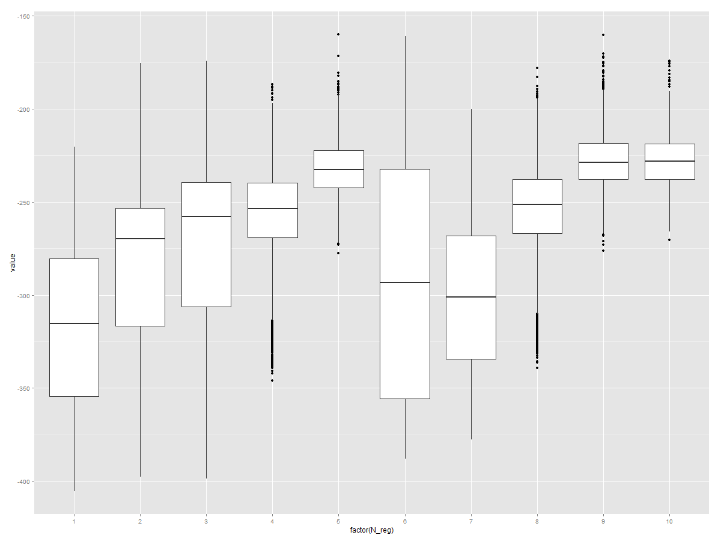
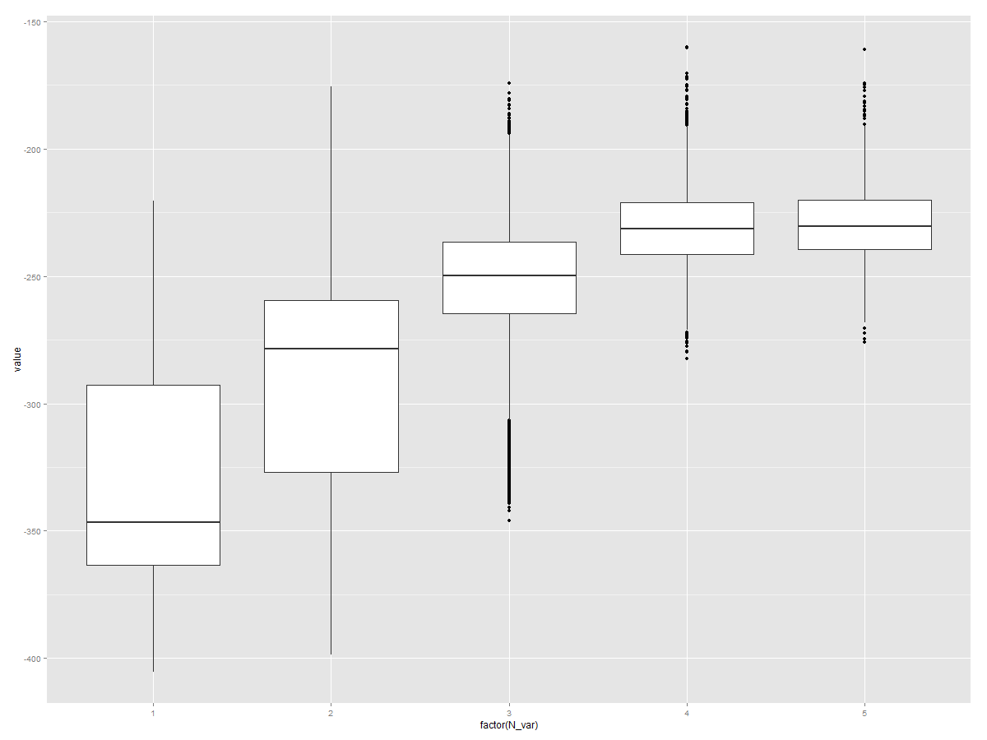
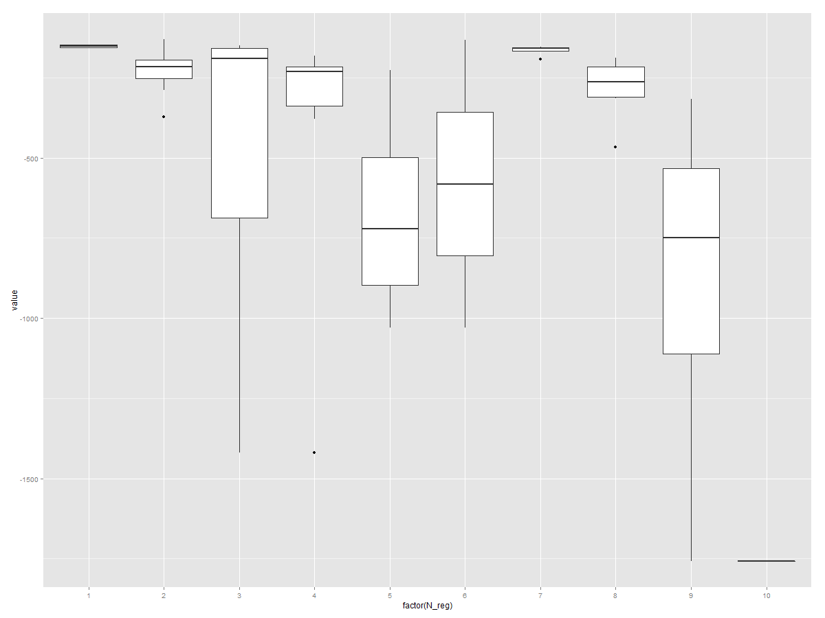
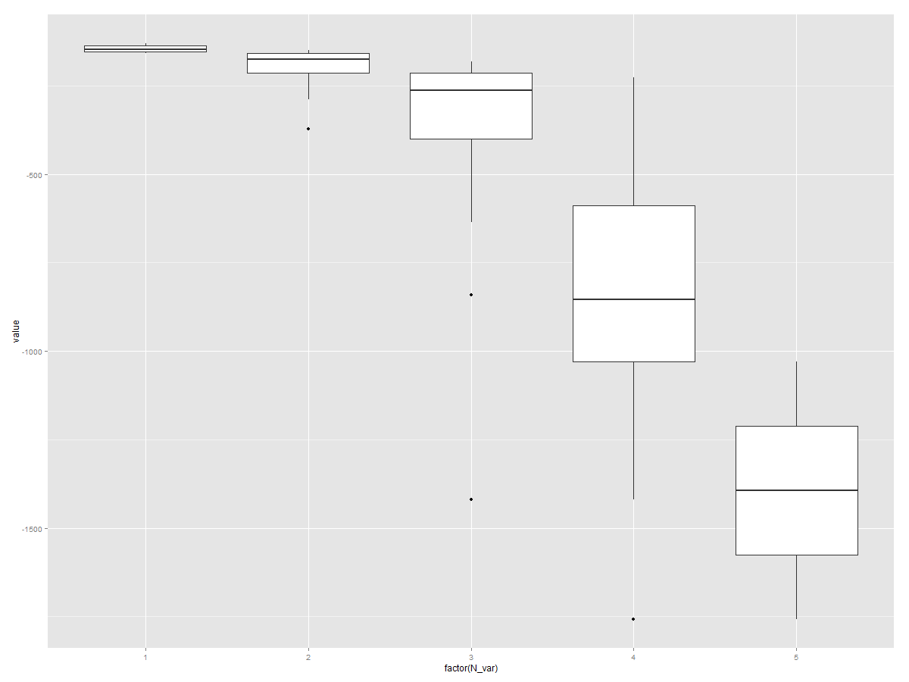
...
 | Species | HabFac | logkoc | logMol | logSol | logDen | N_reg | N_var | LL_T | LL_MC_1 | LL_MC_2 | LL_MC_3 | LL_MC_4 | LL_MC_5 | LL_MC_6 | LL_MC_7 | LL_MC_8 | LL_MC_9 | LL_MC_10 | LL_MC_11 | LL_MC_12 | LL_MC_13 | LL_MC_14 | LL_MC_15 | LL_MC_16 | LL_MC_17 | LL_MC_18
41 | Species |  |  | logMol |  |  | 7 | 2 | -191.05698943 | -338.80697497 | -370.0236554 | -364.24270177 | -335.2271981 | -340.36163887 | -355.24444911 | -353.06951956 | -344.37083174 | -330.80766265 | -316.32452873 | -348.86168687 | -336.42411888 | -368.01208888 | -352.66214032 | -331.06245436 | -341.47123937 | -325.97328049 | -347.70006574
42 |  |  |  | logMol |  |  | 1 | 1 | -158.61111215 | -376.37828585 | -370.03937475 | -371.3226748 | -379.97304132 | -359.23063989 | -368.32264106 | -366.53210909 | -360.98320215 | -377.81377496 | -357.99755917 | -370.40975472 | -348.36779201 | -367.11461371 | -371.51057179 | -377.71928285 | -349.56567411 | -356.4240549 | -365.8754213
43 |  | HabFac | logkoc |  |  |  | 3 | 2 | -150.18710178 | -244.79841006 | -267.94834833 | -250.4493271 | -273.77757367 | -258.4603877 | -260.94040983 | -271.56596126 | -237.883877 | -266.15210135 | -269.07561859 | -258.43842619 | -242.86049404 | -261.2567684 | -265.93171543 | -266.12753395 | -258.03827408 | -251.66535505 | -264.15873587
44 | Species |  | logkoc |  |  |  | 7 | 2 | -153.18415397 | -275.48092042 | -268.7368608 | -258.86277392 | -244.2339058 | -277.73321854 | -236.38997634 | -268.43229665 | -263.96028286 | -239.3393884 | -260.55176053 | -265.97127858 | -262.22084754 | -262.57520759 | -265.08815155 | -255.55608707 | -258.75442504 | -236.94840932 | -236.93730601
45 |  |  | logkoc |  |  |  | 1 | 1 | -147.39160803 | -269.06301922 | -265.34053531 | -251.29966181 | -271.11905847 | -257.52572081 | -266.27933023 | -263.08085986 | -249.72369377 | -274.47249252 | -274.72379195 | -258.86869488 | -238.88890287 | -256.18457864 | -265.895312 | -268.86854942 | -293.63050554 | -291.77446359 | -242.04807232
46 |  | HabFac |  |  |  |  | 2 | 1 | -129.36597402 | -364.29078014 | -356.48413085 | -351.57442671 | -371.00427401 | -365.7887509 | -374.20702747 | -371.22552868 | -358.00289001 | -380.7582116 | -357.58218078 | -372.43872422 | -362.19887792 | -359.6085106 | -373.6773022 | -393.67473873 | -363.57337487 | -355.44534049 | -375.07827413
47 | Species |  |  |  |  |  | 6 | 1 | -133.02245818 | -371.20746091 | -364.82716473 | -352.84720613 | -324.10833752 | -355.07971936 | -342.98107705 | -329.08529836 | -342.44253699 | -363.58509128 | -370.45363165 | -345.23109473 | -352.0814413 | -349.49083339 | -339.43091191 | -352.02754999 | -367.26718883 | -349.72861381 | -327.28433994

