logBCF
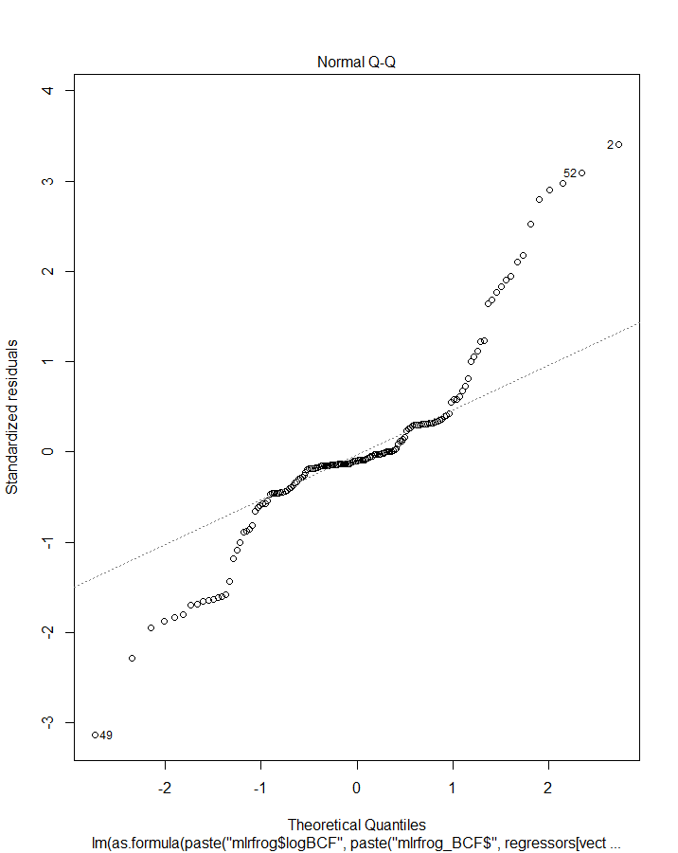
 | row.names | logBCF | logKow | logkoc | Hlaw | VapPrs_mPa
1 | logBCF | 1 | -0.5274937 | -0.5572244 | -0.5604753 | -0.5610967
2 | logKow | -0.5274937 | 1 | 0.8498538 | 0.8183158 | 0.8208752
3 | logkoc | -0.5572244 | 0.8498538 | 1 | 0.9857772 | 0.9856009
4 | Hlaw | -0.5604753 | 0.8183158 | 0.9857772 | 1 | 0.9999845
5 | VapPrs_mPa | -0.5610967 | 0.8208752 | 0.9856009 | 0.9999845 | 1

 | Species | HabFac | logkoc |  | R2 | Adj_R2 | AIC | BIC
1 | FALSE | TRUE | TRUE | 1 | 0.316896476 | 0.303502289 | 432.292 | 447.5733
2 | TRUE | FALSE | TRUE | 2 | 0.404233853 | 0.372030277 | 420.8147 | 451.3772
3 | FALSE | FALSE | TRUE | 3 | 0.310499056 | 0.306050662 | 429.7555 | 438.9243
4 | FALSE | TRUE | FALSE | 4 | 0.006669468 | -0.006230928 | 489.0755 | 501.3005
5 | TRUE | FALSE | FALSE | 5 | 0.116609122 | 0.075107537 | 480.6601 | 508.166

Estimate Std. Error t value Pr(>|t|)
(Intercept) -0.9900053 0.18003451 -5.498975 1.541573e-07
mlrfrog_BCF$logkoc -0.1651622 0.01976888 -8.354656 3.471792e-14

logBCF_kow_lit
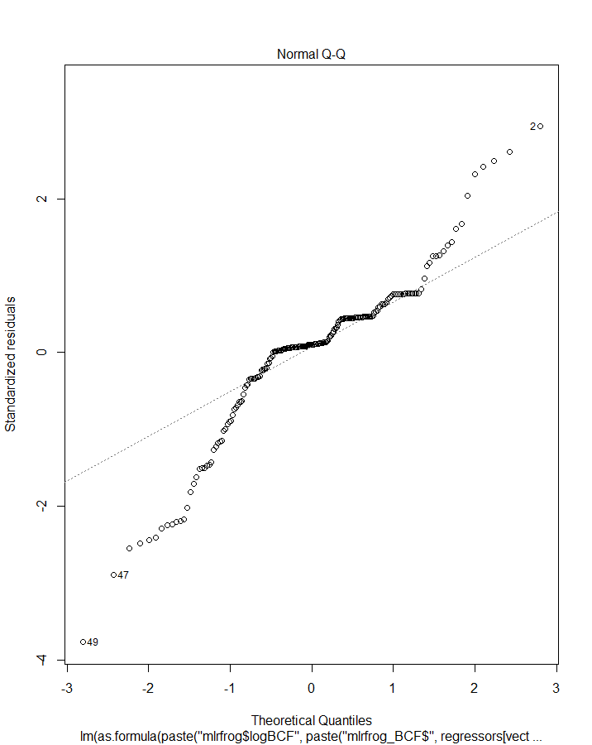
 | row.names | logBCF | logKow | Hlaw | VapPrs_mPa
1 | logBCF | 1 | -0.4572249 | -0.571626 | -0.5722411
2 | logKow | -0.4572249 | 1 | 0.6907934 | 0.6907372
3 | Hlaw | -0.571626 | 0.6907934 | 1 | 0.9999721
4 | VapPrs_mPa | -0.5722411 | 0.6907372 | 0.9999721 | 1

 | Species | HabFac | logKow |  | R2 | Adj_R2 | AIC | BIC
1 | FALSE | TRUE | TRUE | 1 | 0.214400191 | 0.202125194 | 526.9007 | 543.2912
2 | TRUE | FALSE | TRUE | 2 | 0.28284745 | 0.252167127 | 519.0335 | 551.8147
3 | FALSE | FALSE | TRUE | 3 | 0.209054633 | 0.204977595 | 524.2298 | 534.0642
4 | FALSE | TRUE | FALSE | 4 | 0.005895187 | -0.004406417 | 571.0381 | 584.1506
5 | TRUE | FALSE | FALSE | 5 | 0.086663262 | 0.052656043 | 564.4295 | 593.9325

Estimate Std. Error t value Pr(>|t|)
(Intercept) -1.2472014 0.15859017 -7.864305 2.521992e-13
mlrfrog_BCF$logKow -0.3246735 0.04534082 -7.160734 1.620102e-11

logBCF_koc_lit
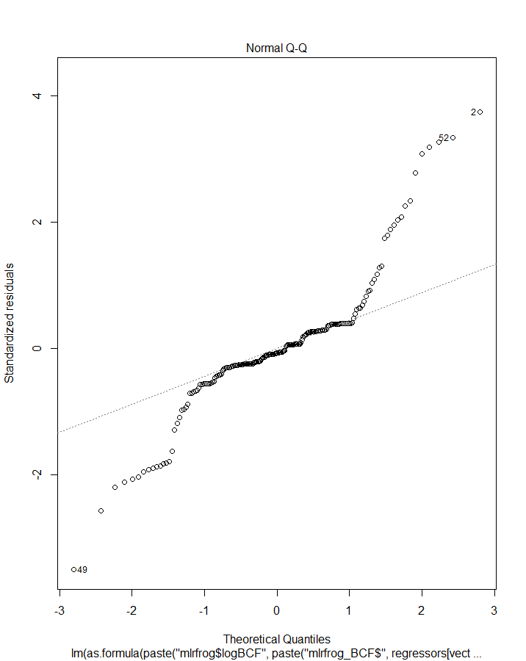
 | row.names | logBCF | logKow | logkoc | Hlaw | VapPrs_mPa
1 | logBCF | 1 | -0.4572249 | -0.5533172 | -0.571626 | -0.5722411
2 | logKow | -0.4572249 | 1 | 0.7648881 | 0.6907934 | 0.6907372
3 | logkoc | -0.5533172 | 0.7648881 | 1 | 0.9704863 | 0.9692372
4 | Hlaw | -0.571626 | 0.6907934 | 0.9704863 | 1 | 0.9999721
5 | VapPrs_mPa | -0.5722411 | 0.6907372 | 0.9692372 | 0.9999721 | 1

 | Species | HabFac | logkoc |  | R2 | Adj_R2 | AIC | BIC
1 | FALSE | TRUE | TRUE | 1 | 0.311982294 | 0.301232018 | 500.9046 | 517.2952
2 | TRUE | FALSE | TRUE | 2 | 0.378606383 | 0.352022699 | 490.942 | 523.7232
3 | FALSE | FALSE | TRUE | 3 | 0.306159876 | 0.30258338 | 498.5563 | 508.3907
4 | FALSE | TRUE | FALSE | 4 | 0.005895187 | -0.004406417 | 571.0381 | 584.1506
5 | TRUE | FALSE | FALSE | 5 | 0.086663262 | 0.052656043 | 564.4295 | 593.9325

Estimate Std. Error t value Pr(>|t|)
(Intercept) -0.7635809 0.17514921 -4.359602 2.112066e-05
mlrfrog_BCF$logkoc -0.2111925 0.02282617 -9.252206 4.090559e-17

logTissue
 | row.names | logTissueConc | logKow | logkoc | Hlaw | VapPrs_mPa | app_rate_g_cm2 | bodyweight2 | SA_cm2_2
1 | logTissueConc | 1 | -0.1210206 | -0.49051513 | -0.42875186 | -0.42480207 | 0.381608 | 0.1483618 | -0.07448014
2 | logKow | -0.12102065 | 1 | 0.84985383 | 0.81831583 | 0.82087521 | 0.4053131 | 0.2440779 | 0.1538036
3 | logkoc | -0.49051513 | 0.8498538 | 1 | 0.9857772 | 0.98560089 | 0.3375789 | 0.1488727 | 0.07920422
4 | Hlaw | -0.42875186 | 0.8183158 | 0.9857772 | 1 | 0.99998452 | 0.4743445 | 0.179081 | 0.08494531
5 | VapPrs_mPa | -0.42480207 | 0.8208752 | 0.98560089 | 0.99998452 | 1 | 0.4773804 | 0.1807266 | 0.08594234
6 | app_rate_g_cm2 | 0.38160805 | 0.4053131 | 0.33757893 | 0.47434453 | 0.47738038 | 1 | 0.3279881 | 0.14107468
7 | bodyweight2 | 0.14836178 | 0.2440779 | 0.14887265 | 0.179081 | 0.18072655 | 0.3279881 | 1 | 0.424863
8 | SA_cm2_2 | -0.07448014 | 0.1538036 | 0.07920422 | 0.08494531 | 0.08594234 | 0.1410747 | 0.424863 | 1

 | Species | HabFac | logkoc | app_rate_g_cm2 | bodyweight2 | SA_cm2_2 |  | R2 | Adj_R2 | AIC | BIC | > col_best_logTissueConc
1 | FALSE | TRUE | TRUE | TRUE | TRUE | TRUE | 1 | 0.606516741 | 0.5907774107 | 728.0148 | 752.4648 | R2 Adj_R2 AIC BIC
2 | TRUE | FALSE | TRUE | TRUE | TRUE | TRUE | 2 | 0.642578825 | 0.6154641147 | 722.9234 | 762.6546 | 0.6425788 0.6197773 719.3031332 743.0239451
3 | FALSE | FALSE | TRUE | TRUE | TRUE | TRUE | 3 | 0.601129941 | 0.5906333604 | 726.1496 | 744.487
4 | FALSE | TRUE | FALSE | TRUE | TRUE | TRUE | 4 | 0.172254283 | 0.1448454842 | 842.7706 | 864.1643 | > final_logTissueConc
5 | TRUE | FALSE | FALSE | TRUE | TRUE | TRUE | 5 | 0.205949832 | 0.151562834 | 846.2458 | 882.9207 | [1] 2 38 38 39
6 | FALSE | FALSE | FALSE | TRUE | TRUE | TRUE | 6 | 0.169519576 | 0.1532356462 | 839.2884 | 854.5697
7 | FALSE | TRUE | TRUE | FALSE | TRUE | TRUE | 7 | 0.314227587 | 0.2915198915 | 813.2294 | 834.6232 | coef_logTissueConc
8 | TRUE | FALSE | TRUE | FALSE | TRUE | TRUE | 8 | 0.376803327 | 0.3341186238 | 808.2071 | 844.8821 | Estimate Std. Error t value Pr(>|t|)
9 | FALSE | FALSE | TRUE | FALSE | TRUE | TRUE | 9 | 0.311088061 | 0.2975799834 | 809.9466 | 825.2278 | (Intercept) 4.439156e+00 4.886609e-01 9.08433 4.804245e-16
10 | FALSE | TRUE | FALSE | FALSE | TRUE | TRUE | 10 | 0.047085869 | 0.0220091816 | 862.8791 | 881.2166 | mlrfrog_tc$logkoc -6.868332e-01 5.460957e-02 -12.57716 2.098000e-25
11 | TRUE | FALSE | FALSE | FALSE | TRUE | TRUE | 11 | 0.090303517 | 0.0346078138 | 865.5922 | 899.2109 | mlrfrog_tc$app_rate_g_cm2 2.577161e+05 2.319231e+04 11.11213 1.950747e-21
12 | FALSE | FALSE | FALSE | FALSE | TRUE | TRUE | 12 | 0.045086483 | 0.0326850087 | 859.2082 | 871.4332
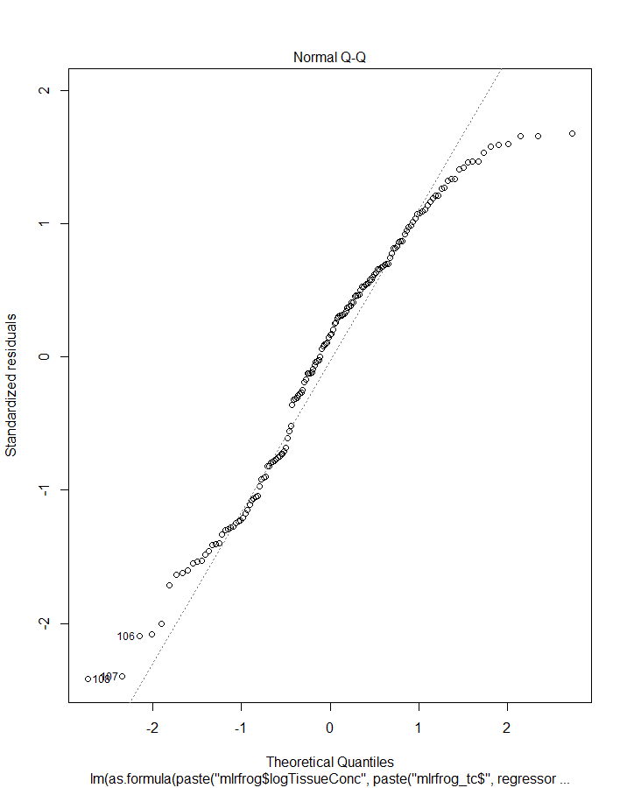
13 | FALSE | TRUE | TRUE | TRUE | FALSE | TRUE | 13 | 0.593886594 | 0.5804391299 | 730.975 | 752.3688
14 | TRUE | FALSE | TRUE | TRUE | FALSE | TRUE | 14 | 0.641794836 | 0.6172602361 | 721.2674 | 757.9423
15 | FALSE | FALSE | TRUE | TRUE | FALSE | TRUE | 15 | 0.590068473 | 0.5820306001 | 728.4442 | 743.7254
16 | FALSE | TRUE | FALSE | TRUE | FALSE | TRUE | 16 | 0.164140136 | 0.1421438237 | 842.3021 | 860.6396
17 | TRUE | FALSE | FALSE | TRUE | FALSE | TRUE | 17 | 0.204650586 | 0.1559557241 | 844.5025 | 878.1212
18 | FALSE | FALSE | FALSE | TRUE | FALSE | TRUE | 18 | 0.162423877 | 0.1515462647 | 838.6242 | 850.8491
19 | FALSE | TRUE | TRUE | FALSE | FALSE | TRUE | 19 | 0.24588045 | 0.2260351986 | 826.1452 | 844.4827
20 | TRUE | FALSE | TRUE | FALSE | FALSE | TRUE | 20 | 0.37095225 | 0.332439123 | 807.6743 | 841.293
21 | FALSE | FALSE | TRUE | FALSE | FALSE | TRUE | 21 | 0.241882549 | 0.2320368679 | 822.9754 | 835.2004
22 | FALSE | TRUE | FALSE | FALSE | FALSE | TRUE | 22 | 0.007619511 | -0.0118389298 | 867.2505 | 882.5317
23 | TRUE | FALSE | FALSE | FALSE | FALSE | TRUE | 23 | 0.0856424 | 0.0362176652 | 864.3946 | 894.957
24 | FALSE | FALSE | FALSE | FALSE | FALSE | TRUE | 24 | 0.005547292 | -0.0008685321 | 863.578 | 872.7467
25 | FALSE | TRUE | TRUE | TRUE | TRUE | FALSE | 25 | 0.588335487 | 0.5747042117 | 733.1065 | 754.5002
26 | TRUE | FALSE | TRUE | TRUE | TRUE | FALSE | 26 | 0.641985029 | 0.6174634558 | 721.184 | 757.8589
27 | FALSE | FALSE | TRUE | TRUE | TRUE | FALSE | 27 | 0.58133043 | 0.5731212227 | 731.7556 | 747.0369
28 | FALSE | TRUE | FALSE | TRUE | TRUE | FALSE | 28 | 0.152509542 | 0.1302071615 | 844.4716 | 862.8091
29 | TRUE | FALSE | FALSE | TRUE | TRUE | FALSE | 29 | 0.205247382 | 0.1565890589 | 844.3846 | 878.0033
30 | FALSE | FALSE | FALSE | TRUE | TRUE | FALSE | 30 | 0.146227766 | 0.1351398149 | 841.6311 | 853.8561
31 | FALSE | TRUE | TRUE | FALSE | TRUE | FALSE | 31 | 0.295202512 | 0.2766552099 | 815.5257 | 833.8632
32 | TRUE | FALSE | TRUE | FALSE | TRUE | FALSE | 32 | 0.376095618 | 0.3378973902 | 806.3853 | 840.004
33 | FALSE | FALSE | TRUE | FALSE | TRUE | FALSE | 33 | 0.290727752 | 0.2815164241 | 812.5193 | 824.7443
34 | FALSE | TRUE | FALSE | FALSE | TRUE | FALSE | 34 | 0.027020727 | 0.0079427017 | 864.1507 | 879.4319
35 | TRUE | FALSE | FALSE | FALSE | TRUE | FALSE | 35 | 0.089535492 | 0.0403211941 | 863.7247 | 894.2871
36 | FALSE | FALSE | FALSE | FALSE | TRUE | FALSE | 36 | 0.022011217 | 0.0157016119 | 860.957 | 870.1257
37 | FALSE | TRUE | TRUE | TRUE | FALSE | FALSE | 37 | 0.585701653 | 0.5747990652 | 732.1078 | 750.4453
38 | TRUE | FALSE | TRUE | TRUE | FALSE | FALSE | 38 | 0.641713255 | 0.6197773318 | 719.3031 | 752.9218
39 | FALSE | FALSE | TRUE | TRUE | FALSE | FALSE | 39 | 0.578538917 | 0.5730653965 | 730.799 | 743.0239
40 | FALSE | TRUE | FALSE | TRUE | FALSE | FALSE | 40 | 0.152022531 | 0.1353955219 | 842.5618 | 857.8431
41 | TRUE | FALSE | FALSE | TRUE | FALSE | FALSE | 41 | 0.204620897 | 0.1616274324 | 842.5083 | 873.0708
42 | FALSE | FALSE | FALSE | TRUE | FALSE | FALSE | 42 | 0.145624703 | 0.140112604 | 839.7419 | 848.9107
43 | FALSE | TRUE | TRUE | FALSE | FALSE | FALSE | 43 | 0.245876713 | 0.2310899817 | 824.146 | 839.4273
44 | TRUE | FALSE | TRUE | FALSE | FALSE | FALSE | 44 | 0.370257508 | 0.3362173728 | 805.8476 | 836.41
45 | FALSE | FALSE | TRUE | FALSE | FALSE | FALSE | 45 | 0.24060509 | 0.235705768 | 821.2397 | 830.4084
46 | FALSE | TRUE | FALSE | FALSE | FALSE | FALSE | 46 | 0.005715955 | -0.0071968251 | 865.5514 | 877.7763
47 | TRUE | FALSE | FALSE | FALSE | FALSE | FALSE | 47 | 0.085300697 | 0.0423282462 | 862.4532 | 889.9594

logTissue_Kow_lit
 | row.names | logTissueConc | logKow | Hlaw | VapPrs_mPa | app_rate_g_cm2 | bodyweight2 | SA_cm2_2
1 | logTissueConc | 1 | -0.0449625 | -0.44090053 | -0.43795736 | 0.19548352 | 0.1143288 | -0.14789832
2 | logKow | -0.0449625 | 1 | 0.69079339 | 0.69073719 | 0.1964494 | 0.234751 | 0.14097177
3 | Hlaw | -0.4409005 | 0.6907934 | 1 | 0.99997207 | 0.52211765 | 0.1527118 | 0.06696572
4 | VapPrs_mPa | -0.4379574 | 0.6907372 | 0.99997207 | 1 | 0.52663313 | 0.153766 | 0.06759082
5 | app_rate_g_cm2 | 0.1954835 | 0.1964494 | 0.52211765 | 0.52663313 | 1 | 0.2458111 | 0.09543538
6 | bodyweight2 | 0.1143288 | 0.234751 | 0.15271176 | 0.15376598 | 0.24581108 | 1 | 0.40017101
7 | SA_cm2_2 | -0.1478983 | 0.1409718 | 0.06696572 | 0.06759082 | 0.09543538 | 0.400171 | 1

 | Species | HabFac | logKow | app_rate_g_cm2 | bodyweight2 | SA_cm2_2 |  | R2 | Adj_R2 | AIC | BIC | > final_logTissueConc
1 | FALSE | TRUE | TRUE | TRUE | TRUE | TRUE | 1 | 0.096031326 | 0.067333907 | 1053.69 | 1079.915 | [1] 2 38 38 18
2 | TRUE | FALSE | TRUE | TRUE | TRUE | TRUE | 2 | 0.159506041 | 0.10925912 | 1049.42 | 1092.035
3 | FALSE | FALSE | TRUE | TRUE | TRUE | TRUE | 3 | 0.095249435 | 0.076301779 | 1049.859 | 1069.528
4 | FALSE | TRUE | FALSE | TRUE | TRUE | TRUE | 4 | 0.087739546 | 0.063732692 | 1053.479 | 1076.426 | Estimate Std. Error t value Pr(>|t|)
5 | TRUE | FALSE | FALSE | TRUE | TRUE | TRUE | 5 | 0.144364533 | 0.098113968 | 1050.919 | 1090.257 | (Intercept) 1.9719014 4.029070e-01 4.894185 2.078194e-06
6 | FALSE | FALSE | FALSE | TRUE | TRUE | TRUE | 6 | 0.087299156 | 0.073038205 | 1049.574 | 1065.964 | mlrfrog_tc$app_rate_g_cm2 82398.7725320 2.722027e+04 3.027111 2.806100e-03
7 | FALSE | TRUE | TRUE | FALSE | TRUE | TRUE | 7 | 0.06226151 | 0.037584181 | 1058.878 | 1081.825 | mlrfrog_tc$SA_cm2_2 -0.1303864 5.420452e-02 -2.405452 1.709646e-02
8 | TRUE | FALSE | TRUE | FALSE | TRUE | TRUE | 8 | 0.130012092 | 0.082985719 | 1054.18 | 1093.517
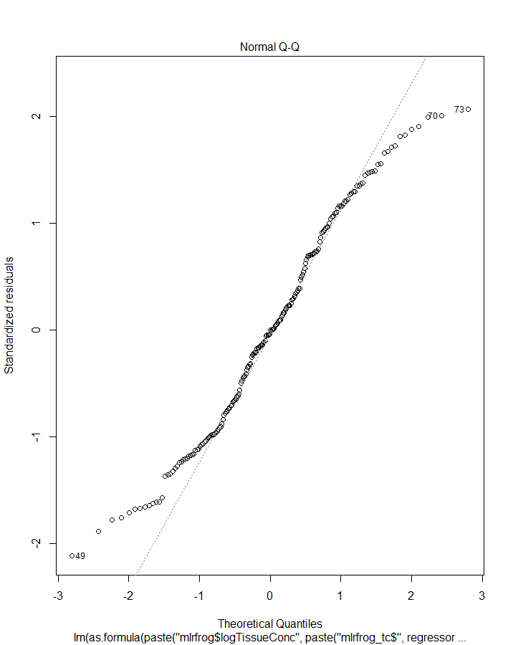
9 | FALSE | FALSE | TRUE | FALSE | TRUE | TRUE | 9 | 0.061664791 | 0.047003303 | 1055.003 | 1071.394
10 | FALSE | TRUE | FALSE | FALSE | TRUE | TRUE | 10 | 0.058168342 | 0.038444118 | 1057.732 | 1077.401
11 | TRUE | FALSE | FALSE | FALSE | TRUE | TRUE | 11 | 0.119552792 | 0.076950507 | 1054.522 | 1090.581
12 | FALSE | FALSE | FALSE | FALSE | TRUE | TRUE | 12 | 0.057721309 | 0.047956763 | 1053.825 | 1066.937
13 | FALSE | TRUE | TRUE | TRUE | FALSE | TRUE | 13 | 0.071092762 | 0.046647834 | 1057.024 | 1079.97
14 | TRUE | FALSE | TRUE | TRUE | FALSE | TRUE | 14 | 0.159355467 | 0.113915221 | 1047.455 | 1086.792
15 | FALSE | FALSE | TRUE | TRUE | FALSE | TRUE | 15 | 0.070379451 | 0.05585413 | 1053.174 | 1069.565
16 | FALSE | TRUE | FALSE | TRUE | FALSE | TRUE | 16 | 0.066834544 | 0.047291812 | 1055.92 | 1075.589
17 | TRUE | FALSE | FALSE | TRUE | FALSE | TRUE | 17 | 0.144268764 | 0.102862414 | 1048.941 | 1085.001
18 | FALSE | FALSE | FALSE | TRUE | FALSE | TRUE | 18 | 0.066209143 | 0.056532553 | 1052.051 | 1065.164
19 | FALSE | TRUE | TRUE | FALSE | FALSE | TRUE | 19 | 0.024103111 | 0.00366548 | 1064.696 | 1084.365
20 | TRUE | FALSE | TRUE | FALSE | FALSE | TRUE | 20 | 0.129363287 | 0.087235704 | 1052.326 | 1088.385
21 | FALSE | FALSE | TRUE | FALSE | FALSE | TRUE | 21 | 0.02246714 | 0.012337266 | 1061.024 | 1074.137
22 | FALSE | TRUE | FALSE | FALSE | FALSE | TRUE | 22 | 0.02348829 | 0.008230295 | 1062.819 | 1079.21
23 | TRUE | FALSE | FALSE | FALSE | FALSE | TRUE | 23 | 0.119051079 | 0.081363425 | 1052.634 | 1085.415
24 | FALSE | FALSE | FALSE | FALSE | FALSE | TRUE | 24 | 0.021873914 | 0.016832027 | 1059.143 | 1068.977
25 | FALSE | TRUE | TRUE | TRUE | TRUE | FALSE | 25 | 0.063955751 | 0.039323008 | 1058.524 | 1081.471
26 | TRUE | FALSE | TRUE | TRUE | TRUE | FALSE | 26 | 0.159365627 | 0.113925931 | 1047.453 | 1086.79
27 | FALSE | FALSE | TRUE | TRUE | TRUE | FALSE | 27 | 0.052966434 | 0.038169034 | 1056.811 | 1073.202
28 | FALSE | TRUE | FALSE | TRUE | TRUE | FALSE | 28 | 0.055076365 | 0.035287388 | 1058.374 | 1078.043
29 | TRUE | FALSE | FALSE | TRUE | TRUE | FALSE | 29 | 0.144269764 | 0.102863462 | 1048.941 | 1085
30 | FALSE | FALSE | FALSE | TRUE | TRUE | FALSE | 30 | 0.042888902 | 0.032970652 | 1056.886 | 1069.999
31 | FALSE | TRUE | TRUE | FALSE | TRUE | FALSE | 31 | 0.029772192 | 0.009453285 | 1063.554 | 1083.223
32 | TRUE | FALSE | TRUE | FALSE | TRUE | FALSE | 32 | 0.130003358 | 0.087906746 | 1052.182 | 1088.241
33 | FALSE | FALSE | TRUE | FALSE | TRUE | FALSE | 33 | 0.018527175 | 0.008356472 | 1061.813 | 1074.925
34 | FALSE | TRUE | FALSE | FALSE | TRUE | FALSE | 34 | 0.025279301 | 0.01004929 | 1062.46 | 1078.85
35 | TRUE | FALSE | FALSE | FALSE | TRUE | FALSE | 35 | 0.119549359 | 0.081883022 | 1052.523 | 1085.304
36 | FALSE | FALSE | FALSE | FALSE | TRUE | FALSE | 36 | 0.013071074 | 0.007983812 | 1060.899 | 1070.733
37 | FALSE | TRUE | TRUE | TRUE | FALSE | FALSE | 37 | 0.057031008 | 0.037282966 | 1057.968 | 1077.637
38 | TRUE | FALSE | TRUE | TRUE | FALSE | FALSE | 38 | 0.159324845 | 0.118647015 | 1045.462 | 1081.521
39 | FALSE | FALSE | TRUE | TRUE | FALSE | FALSE | 39 | 0.045442522 | 0.035550735 | 1056.362 | 1069.475
40 | FALSE | TRUE | FALSE | TRUE | FALSE | FALSE | 40 | 0.050777798 | 0.035946201 | 1057.264 | 1073.654
41 | TRUE | FALSE | FALSE | TRUE | FALSE | FALSE | 41 | 0.144245986 | 0.107636188 | 1046.947 | 1079.728
42 | FALSE | FALSE | FALSE | TRUE | FALSE | FALSE | 42 | 0.038213806 | 0.033256145 | 1055.841 | 1065.676
43 | FALSE | TRUE | TRUE | FALSE | FALSE | FALSE | 43 | 0.014362971 | -0.001037608 | 1064.642 | 1081.033
44 | TRUE | FALSE | TRUE | FALSE | FALSE | FALSE | 44 | 0.129104994 | 0.091847454 | 1050.384 | 1083.165
45 | FALSE | FALSE | TRUE | FALSE | FALSE | FALSE | 45 | 0.002021626 | -0.003122592 | 1063.081 | 1072.916
46 | FALSE | TRUE | FALSE | FALSE | FALSE | FALSE | 46 | 0.012899035 | 0.00267001 | 1062.933 | 1076.046
47 | TRUE | FALSE | FALSE | FALSE | FALSE | FALSE | 47 | 0.118823744 | 0.08601399 | 1050.684 | 1080.187
48 | FALSE | FALSE | FALSE | FALSE | FALSE | FALSE

logTissue_koc_lit
 | row.names | logTissueConc | logKow | logkoc | Hlaw | VapPrs_mPa | app_rate_g_cm2 | bodyweight2 | SA_cm2_2
1 | logTissueConc | 1 | -0.0449625 | -0.50343496 | -0.44090053 | -0.43795736 | 0.19548352 | 0.1143288 | -0.14789832
2 | logKow | -0.0449625 | 1 | 0.76488805 | 0.69079339 | 0.69073719 | 0.1964494 | 0.234751 | 0.14097177
3 | logkoc | -0.503435 | 0.7648881 | 1 | 0.97048627 | 0.96923718 | 0.31132874 | 0.1224566 | 0.06070957
4 | Hlaw | -0.4409005 | 0.6907934 | 0.97048627 | 1 | 0.99997207 | 0.52211765 | 0.1527118 | 0.06696572
5 | VapPrs_mPa | -0.4379574 | 0.6907372 | 0.96923718 | 0.99997207 | 1 | 0.52663313 | 0.153766 | 0.06759082
6 | app_rate_g_cm2 | 0.1954835 | 0.1964494 | 0.31132874 | 0.52211765 | 0.52663313 | 1 | 0.2458111 | 0.09543538
7 | bodyweight2 | 0.1143288 | 0.234751 | 0.12245663 | 0.15271176 | 0.15376598 | 0.24581108 | 1 | 0.40017101
8 | SA_cm2_2 | -0.1478983 | 0.1409718 | 0.06070957 | 0.06696572 | 0.06759082 | 0.09543538 | 0.400171 | 1

 | Species | HabFac | logkoc | app_rate_g_cm2 | bodyweight2 | SA_cm2_2 |  | R2 | Adj_R2 | AIC | BIC | Estimate Std. Error t value Pr(>|t|)
1 | FALSE | TRUE | TRUE | TRUE | TRUE | TRUE | 1 | 0.44202295 | 0.424309393 | 959.1242 | 985.3491 | (Intercept) 8.374352e+00 6.220492e-01 13.4625230 2.767046e-29
2 | TRUE | FALSE | TRUE | TRUE | TRUE | TRUE | 2 | 0.51423899 | 0.485198935 | 941.9584 | 984.5739 | mlrfrog_tc$SpeciesCricket frog -2.785740e+00 9.009098e-01 -3.0921403 2.293083e-03
3 | FALSE | FALSE | TRUE | TRUE | TRUE | TRUE | 3 | 0.44129069 | 0.429589969 | 955.3813 | 975.0499 | mlrfrog_tc$SpeciesFowlers toad 5.362151e-01 6.807003e-01 0.7877404 4.318513e-01
4 | FALSE | TRUE | FALSE | TRUE | TRUE | TRUE | 4 | 0.08773955 | 0.063732692 | 1053.4793 | 1076.4261 | mlrfrog_tc$SpeciesGray treefrog -1.620063e+00 6.295512e-01 -2.5733617 1.085066e-02
5 | TRUE | FALSE | FALSE | TRUE | TRUE | TRUE | 5 | 0.14436453 | 0.098113968 | 1050.9194 | 1090.2568 | mlrfrog_tc$SpeciesGreen treefrog -1.155633e+00 5.283049e-01 -2.1874349 2.995792e-02
6 | FALSE | FALSE | FALSE | TRUE | TRUE | TRUE | 6 | 0.08729916 | 0.073038205 | 1049.5739 | 1065.9645 | mlrfrog_tc$SpeciesLeopard frog -1.037346e+00 7.388900e-01 -1.4039247 1.620087e-01
7 | FALSE | TRUE | TRUE | FALSE | TRUE | TRUE | 7 | 0.32731683 | 0.309614644 | 993.7677 | 1016.7145 | mlrfrog_tc$SpeciesMole salamander -2.896603e+00 6.807968e-01 -4.2547252 3.313356e-05
8 | TRUE | FALSE | TRUE | FALSE | TRUE | TRUE | 8 | 0.40955056 | 0.37763437 | 978.2112 | 1017.5486 | mlrfrog_tc$SpeciesNarrowmouth toad -4.337011e+00 9.009719e-01 -4.8137030 3.057689e-06
9 | FALSE | FALSE | TRUE | FALSE | TRUE | TRUE | 9 | 0.32675286 | 0.316233374 | 989.932 | 1006.3225 | mlrfrog_tc$logkoc -8.642219e-01 7.262180e-02 -11.9003097 1.205929e-24
10 | FALSE | TRUE | FALSE | FALSE | TRUE | TRUE | 10 | 0.05816834 | 0.038444118 | 1057.7319 | 1077.4006 | mlrfrog_tc$app_rate_g_cm2 1.362551e+05 2.134690e+04 6.3828969 1.348067e-09
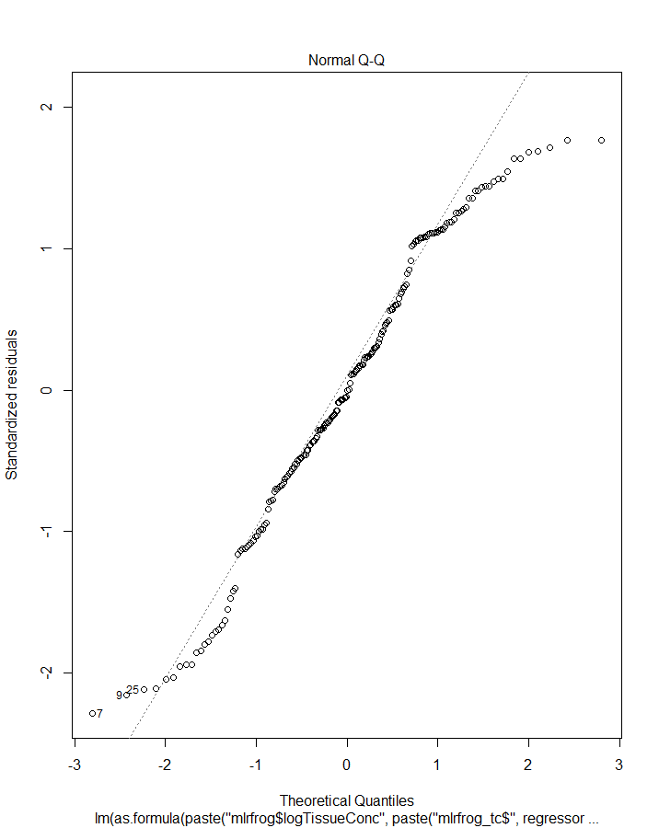
11 | TRUE | FALSE | FALSE | FALSE | TRUE | TRUE | 11 | 0.11955279 | 0.076950507 | 1054.5222 | 1090.5814
12 | FALSE | FALSE | FALSE | FALSE | TRUE | TRUE | 12 | 0.05772131 | 0.047956763 | 1053.8249 | 1066.9374
13 | FALSE | TRUE | TRUE | TRUE | FALSE | TRUE | 13 | 0.41372056 | 0.398292154 | 966.822 | 989.7688
14 | TRUE | FALSE | TRUE | TRUE | FALSE | TRUE | 14 | 0.5142283 | 0.487970373 | 939.9627 | 979.3001
15 | FALSE | FALSE | TRUE | TRUE | FALSE | TRUE | 15 | 0.41270471 | 0.403528216 | 963.1614 | 979.5519
16 | FALSE | TRUE | FALSE | TRUE | FALSE | TRUE | 16 | 0.06683454 | 0.047291812 | 1055.9201 | 1075.5888
17 | TRUE | FALSE | FALSE | TRUE | FALSE | TRUE | 17 | 0.14426876 | 0.102862414 | 1048.9414 | 1085.0006
18 | FALSE | FALSE | FALSE | TRUE | FALSE | TRUE | 18 | 0.06620914 | 0.056532553 | 1052.0514 | 1065.1639
19 | FALSE | TRUE | TRUE | FALSE | FALSE | TRUE | 19 | 0.27023704 | 0.254954046 | 1007.731 | 1027.3997
20 | TRUE | FALSE | TRUE | FALSE | FALSE | TRUE | 20 | 0.40870683 | 0.380095867 | 976.4911 | 1012.5503
21 | FALSE | FALSE | TRUE | FALSE | FALSE | TRUE | 21 | 0.26726519 | 0.259672086 | 1004.5275 | 1017.64
22 | FALSE | TRUE | FALSE | FALSE | FALSE | TRUE | 22 | 0.02348829 | 0.008230295 | 1062.8193 | 1079.2099
23 | TRUE | FALSE | FALSE | FALSE | FALSE | TRUE | 23 | 0.11905108 | 0.081363425 | 1052.6338 | 1085.415
24 | FALSE | FALSE | FALSE | FALSE | FALSE | TRUE | 24 | 0.02187391 | 0.016832027 | 1059.1431 | 1068.9774
25 | FALSE | TRUE | TRUE | TRUE | TRUE | FALSE | 25 | 0.41128212 | 0.395789545 | 967.6355 | 990.5823
26 | TRUE | FALSE | TRUE | TRUE | TRUE | FALSE | 26 | 0.5141643 | 0.487902911 | 939.9885 | 979.3259
27 | FALSE | FALSE | TRUE | TRUE | TRUE | FALSE | 27 | 0.40044303 | 0.391074948 | 967.2114 | 983.6019
28 | FALSE | TRUE | FALSE | TRUE | TRUE | FALSE | 28 | 0.05507636 | 0.035287388 | 1058.3743 | 1078.043
29 | TRUE | FALSE | FALSE | TRUE | TRUE | FALSE | 29 | 0.14426976 | 0.102863462 | 1048.9411 | 1085.0004
30 | FALSE | FALSE | FALSE | TRUE | TRUE | FALSE | 30 | 0.0428889 | 0.032970652 | 1056.8861 | 1069.9986
31 | FALSE | TRUE | TRUE | FALSE | TRUE | FALSE | 31 | 0.29584447 | 0.281097762 | 1000.7298 | 1020.3985
32 | TRUE | FALSE | TRUE | FALSE | TRUE | FALSE | 32 | 0.40950525 | 0.380932927 | 976.2262 | 1012.2855
33 | FALSE | FALSE | TRUE | FALSE | TRUE | FALSE | 33 | 0.28488638 | 0.27747588 | 999.7564 | 1012.8689
34 | FALSE | TRUE | FALSE | FALSE | TRUE | FALSE | 34 | 0.0252793 | 0.01004929 | 1062.4595 | 1078.8501
35 | TRUE | FALSE | FALSE | FALSE | TRUE | FALSE | 35 | 0.11954936 | 0.081883022 | 1052.523 | 1085.3041
36 | FALSE | FALSE | FALSE | FALSE | TRUE | FALSE | 36 | 0.01307107 | 0.007983812 | 1060.8991 | 1070.7335
37 | FALSE | TRUE | TRUE | TRUE | FALSE | FALSE | 37 | 0.40213598 | 0.389615264 | 968.6571 | 988.3258
38 | TRUE | FALSE | TRUE | TRUE | FALSE | FALSE | 38 | 0.5141581 | 0.490649618 | 937.991 | 974.0503
39 | FALSE | FALSE | TRUE | TRUE | FALSE | FALSE | 39 | 0.39081863 | 0.384505866 | 968.3327 | 981.4451
40 | FALSE | TRUE | FALSE | TRUE | FALSE | FALSE | 40 | 0.0507778 | 0.035946201 | 1057.2639 | 1073.6545
41 | TRUE | FALSE | FALSE | TRUE | FALSE | FALSE | 41 | 0.14424599 | 0.107636188 | 1046.9466 | 1079.7277
42 | FALSE | FALSE | FALSE | TRUE | FALSE | FALSE | 42 | 0.03821381 | 0.033256145 | 1055.8412 | 1065.6755
43 | FALSE | TRUE | TRUE | FALSE | FALSE | FALSE | 43 | 0.26543559 | 0.25395802 | 1007.0163 | 1023.4069
44 | TRUE | FALSE | TRUE | FALSE | FALSE | FALSE | 44 | 0.40773946 | 0.382402113 | 974.8115 | 1007.5926
45 | FALSE | FALSE | TRUE | FALSE | FALSE | FALSE | 45 | 0.25344676 | 0.249598547 | 1006.1894 | 1016.0238
46 | FALSE | TRUE | FALSE | FALSE | FALSE | FALSE | 46 | 0.01289904 | 0.00267001 | 1062.9333 | 1076.0457
47 | TRUE | FALSE | FALSE | FALSE | FALSE | FALSE | 47 | 0.11882374 | 0.08601399 | 1050.6844 | 1080.1874
48 | FALSE | FALSE | FALSE | FALSE | FALSE | FALSE

logSoil
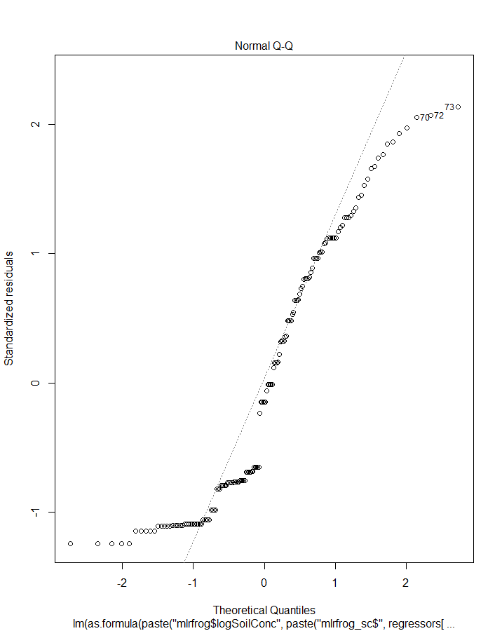
 | row.names | logSoilConc | app_rate_g_cm2 | logKow | logkoc | Hlaw | VapPrs_mPa
1 | logSoilConc | 1 | 0.5059209 | 0.04099524 | -0.3469496 | -0.279434 | -0.2749821
2 | app_rate_g_cm2 | 0.50592089 | 1 | 0.40531307 | 0.3375789 | 0.4743445 | 0.4773804
3 | logKow | 0.04099524 | 0.4053131 | 1 | 0.8498538 | 0.8183158 | 0.8208752
4 | logkoc | -0.34694965 | 0.3375789 | 0.84985383 | 1 | 0.9857772 | 0.9856009
5 | Hlaw | -0.27943398 | 0.4743445 | 0.81831583 | 0.9857772 | 1 | 0.9999845
6 | VapPrs_mPa | -0.27498208 | 0.4773804 | 0.82087521 | 0.9856009 | 0.9999845 | 1

 | app_rate_g_cm2 | logkoc |  | R2 | Adj_R2 | AIC | BIC
1 | FALSE | TRUE | 1 | 0.1203741 | 0.1146991 | 821.299 | 830.4677
2 | TRUE | FALSE | 2 | 0.2559559 | 0.2511557 | 795.0177 | 804.1865

Estimate Std. Error t value Pr(>|t|)
(Intercept) 1.886041e+00 4.154315e-01 4.539957 1.123123e-05
mlrfrog_sc$app_rate_g_cm2 1.962013e+05 2.686907e+04 7.302123 1.390539e-11

logSoil_Kow_lit
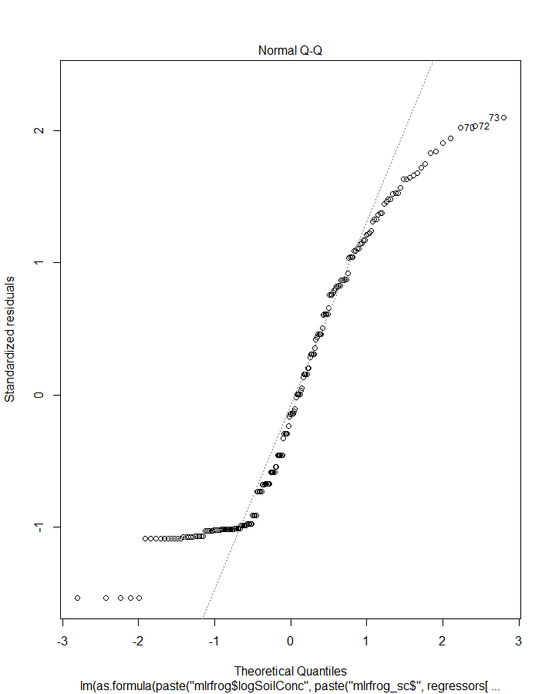
 | row.names | logSoilConc | app_rate_g_cm2 | logKow | Hlaw | VapPrs_mPa
1 | logSoilConc | 1 | 0.309112 | 0.09128301 | -0.2992789 | -0.2959282
2 | app_rate_g_cm2 | 0.30911198 | 1 | 0.1964494 | 0.5221177 | 0.5266331
3 | logKow | 0.09128301 | 0.1964494 | 1 | 0.6907934 | 0.6907372
4 | Hlaw | -0.29927887 | 0.5221177 | 0.69079339 | 1 | 0.9999721
5 | VapPrs_mPa | -0.29592821 | 0.5266331 | 0.69073719 | 0.9999721 | 1

 | app_rate_g_cm2 | logKow |  | R2 | Adj_R2 | AIC | BIC
1 | FALSE | TRUE | 1 | 0.008332587 | 0.003220899 | 1033.619 | 1043.454
2 | TRUE | FALSE | 2 | 0.095550217 | 0.090888105 | 1015.575 | 1025.41

Estimate Std. Error t value Pr(>|t|)
(Intercept) 3.530301e+00 3.427074e-01 10.301210 3.973227e-20
mlrfrog_sc$app_rate_g_cm2 1.120500e+05 2.475070e+04 4.527146 1.041694e-05

logSoil_Koc_lit
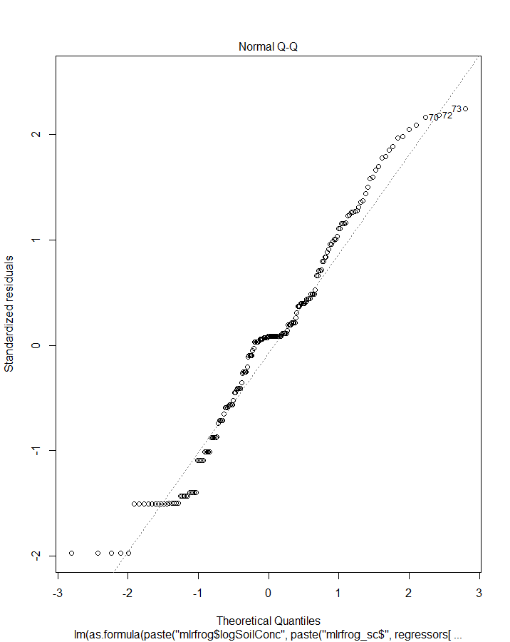
 | row.names | logSoilConc | app_rate_g_cm2 | logKow | logkoc | Hlaw | VapPrs_mPa
1 | logSoilConc | 1 | 0.309112 | 0.09128301 | -0.3720711 | -0.2992789 | -0.2959282
2 | app_rate_g_cm2 | 0.30911198 | 1 | 0.1964494 | 0.3113287 | 0.5221177 | 0.5266331
3 | logKow | 0.09128301 | 0.1964494 | 1 | 0.7648881 | 0.6907934 | 0.6907372
4 | logkoc | -0.37207106 | 0.3113287 | 0.76488805 | 1 | 0.9704863 | 0.9692372
5 | Hlaw | -0.29927887 | 0.5221177 | 0.69079339 | 0.9704863 | 1 | 0.9999721
6 | VapPrs_mPa | -0.29592821 | 0.5266331 | 0.69073719 | 0.9692372 | 0.9999721 | 1

 | app_rate_g_cm2 | logkoc |  | R2 | Adj_R2 | AIC | BIC
1 | FALSE | TRUE | 1 | 0.13843687 | 0.1339958 | 1006.054 | 1015.888
2 | TRUE | FALSE | 2 | 0.09555022 | 0.0908881 | 1015.575 | 1025.41

Estimate Std. Error t value Pr(>|t|)
(Intercept) 8.0329994 0.63923670 12.56655 6.929927e-27
mlrfrog_sc$logkoc -0.4651251 0.08330798 -5.58320 7.886010e-08

logAppfactor
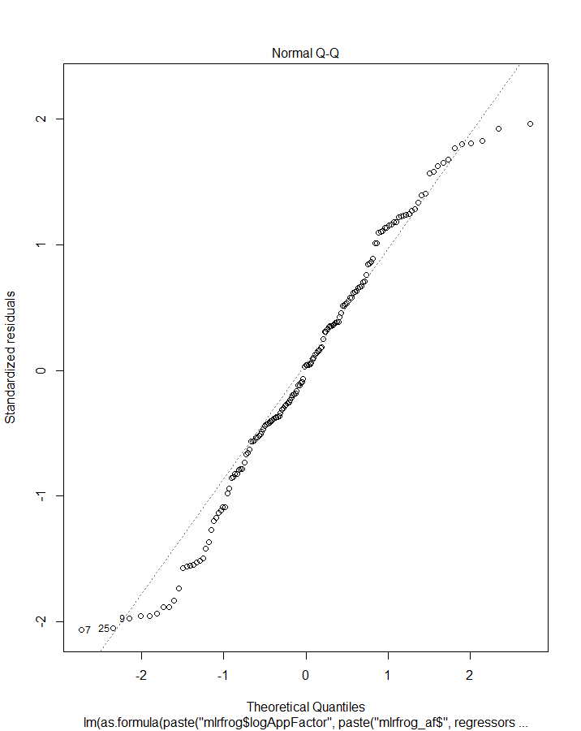
 | row.names | logAppFactor | logKow | logkoc | Hlaw | VapPrs_mPa
1 | logAppFactor | 1 | -0.2118727 | -0.581516 | -0.5533316 | -0.5499613
2 | logKow | -0.2118727 | 1 | 0.8498538 | 0.8183158 | 0.8208752
3 | logkoc | -0.581516 | 0.8498538 | 1 | 0.9857772 | 0.9856009
4 | Hlaw | -0.5533316 | 0.8183158 | 0.9857772 | 1 | 0.9999845
5 | VapPrs_mPa | -0.5499613 | 0.8208752 | 0.9856009 | 0.9999845 | 1

 | Species | HabFac | logkoc |  | R2 | Adj_R2 | AIC | BIC
1 | FALSE | TRUE | TRUE | 1 | 0.36505899 | 0.35260917 | 797.0186 | 812.2999
2 | TRUE | FALSE | TRUE | 2 | 0.5077778 | 0.4811712 | 767.0461 | 797.6086
3 | FALSE | FALSE | TRUE | 3 | 0.33816081 | 0.33389088 | 799.5327 | 808.7014
4 | FALSE | TRUE | FALSE | 4 | 0.02858984 | 0.01597413 | 861.7777 | 874.0026
5 | TRUE | FALSE | FALSE | 5 | 0.13630578 | 0.09572955 | 853.3255 | 880.8317

Estimate Std. Error t value Pr(>|t|)
(Intercept) 19.7578032 0.63850055 30.9440662 1.666608e-66
mlrfrog_af$SpeciesCricket frog -3.0089857 0.95699091 -3.1442156 2.012819e-03
mlrfrog_af$SpeciesFowlers toad 0.7494013 0.81583794 0.9185664 3.598170e-01
mlrfrog_af$SpeciesGray treefrog -1.8260662 0.73680833 -2.4783463 1.432261e-02
mlrfrog_af$SpeciesGreen treefrog -1.0381472 0.62302095 -1.6663118 9.776637e-02
mlrfrog_af$SpeciesLeopard frog -0.6030479 0.88669780 -0.6801053 4.975002e-01
mlrfrog_af$SpeciesMole salamander -3.8823534 0.81583794 -4.7587312 4.589361e-06
mlrfrog_af$SpeciesNarrowmouth toad -4.4512456 0.95699091 -4.6512935 7.254562e-06
mlrfrog_af$logkoc -0.6116943 0.05787901 -10.5684991 8.410538e-20

logApp_Kow_lit
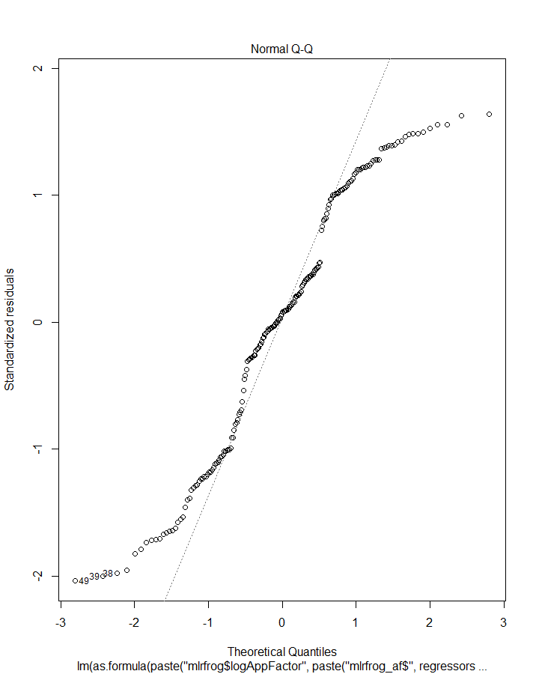
 | row.names | logAppFactor | logKow | Hlaw | VapPrs_mPa
1 | logAppFactor | 1 | -0.05541751 | -0.5578627 | -0.5565743
2 | logKow | -0.05541751 | 1 | 0.6907934 | 0.6907372
3 | Hlaw | -0.55786274 | 0.69079339 | 1 | 0.9999721
4 | VapPrs_mPa | -0.55657428 | 0.69073719 | 0.9999721 | 1

 | Species | HabFac | logKow |  | R2 | Adj_R2 | AIC | BIC
1 | FALSE | TRUE | TRUE | 1 | 0.04087273 | 0.025886369 | 1094.486 | 1110.876
2 | TRUE | FALSE | TRUE | 2 | 0.18351682 | 0.148587054 | 1072.926 | 1105.708
3 | FALSE | FALSE | TRUE | 3 | 0.0030711 | -0.002067709 | 1098.062 | 1107.897
4 | FALSE | TRUE | FALSE | 4 | 0.03887637 | 0.028916541 | 1092.893 | 1106.006
5 | TRUE | FALSE | FALSE | 5 | 0.17512157 | 0.144408009 | 1072.931 | 1102.434

Estimate Std. Error t value Pr(>|t|)
(Intercept) 15.6919406 0.5153227 30.4507074 1.324095e-74
mlrfrog_af$SpeciesCricket frog -2.8658580 1.2622777 -2.2703864 2.431843e-02
mlrfrog_af$SpeciesFowlers toad 0.2440151 0.9640805 0.2531065 8.004625e-01
mlrfrog_af$SpeciesGray treefrog -1.6774195 0.8925651 -1.8793246 6.174746e-02
mlrfrog_af$SpeciesGreen treefrog -1.2921982 0.7487465 -1.7258153 8.602367e-02
mlrfrog_af$SpeciesLeopard frog -1.2244841 1.0466253 -1.1699355 2.435080e-01
mlrfrog_af$SpeciesMole salamander -5.0731487 0.9640805 -5.2621631 3.858713e-07
mlrfrog_af$SpeciesNarrowmouth toad -4.3081179 1.2622777 -3.4129717 7.868953e-04

logApp_Koc_lit
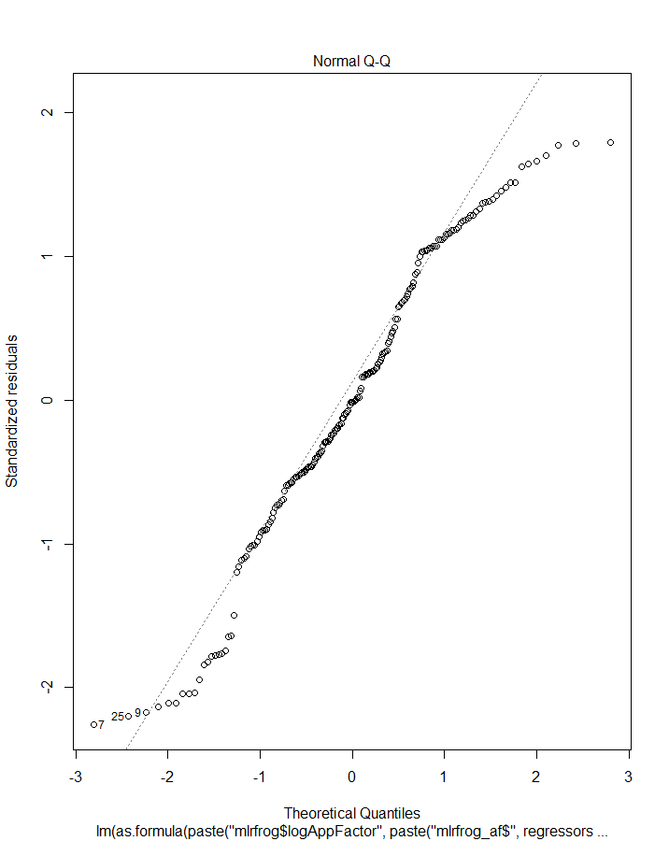
 | row.names | logAppFactor | logKow | logkoc | Hlaw | VapPrs_mPa
1 | logAppFactor | 1 | -0.05541751 | -0.5510431 | -0.5578627 | -0.5565743
2 | logKow | -0.05541751 | 1 | 0.7648881 | 0.6907934 | 0.6907372
3 | logkoc | -0.55104312 | 0.76488805 | 1 | 0.9704863 | 0.9692372
4 | Hlaw | -0.55786274 | 0.69079339 | 0.9704863 | 1 | 0.9999721
5 | VapPrs_mPa | -0.55657428 | 0.69073719 | 0.9692372 | 0.9999721 | 1

 | Species | HabFac | logkoc |  | R2 | Adj_R2 | AIC | BIC
1 | FALSE | TRUE | TRUE | 1 | 0.34085804 | 0.33055895 | 1020.9692 | 1037.36
2 | TRUE | FALSE | TRUE | 2 | 0.50943532 | 0.4884486 | 973.0744 | 1005.856
3 | FALSE | FALSE | TRUE | 3 | 0.30364852 | 0.30005908 | 1027.7327 | 1037.567
4 | FALSE | TRUE | FALSE | 4 | 0.03887637 | 0.02891654 | 1092.8934 | 1106.006
5 | TRUE | FALSE | FALSE | 5 | 0.17512157 | 0.14440801 | 1072.9315 | 1102.434

Estimate Std. Error t value Pr(>|t|)
(Intercept) 21.8689632 0.67688955 32.3080231 1.928401e-78
mlrfrog_af$SpeciesCricket frog -3.9033494 0.98035408 -3.9815710 9.792462e-05
mlrfrog_af$SpeciesFowlers toad 0.5653438 0.74600363 0.7578298 4.495068e-01
mlrfrog_af$SpeciesGray treefrog -1.6774195 0.69016222 -2.4304714 1.602326e-02
mlrfrog_af$SpeciesGreen treefrog -1.1493854 0.57909492 -1.9847962 4.862931e-02
mlrfrog_af$SpeciesLeopard frog -0.9031554 0.80978735 -1.1152995 2.661533e-01
mlrfrog_af$SpeciesMole salamander -4.7518200 0.74600363 -6.3697009 1.433006e-09
mlrfrog_af$SpeciesNarrowmouth toad -5.3456093 0.98035408 -5.4527333 1.554873e-07
mlrfrog_af$logkoc -0.8614490 0.07630971 -11.2888522 7.176100e-23

