logBCF
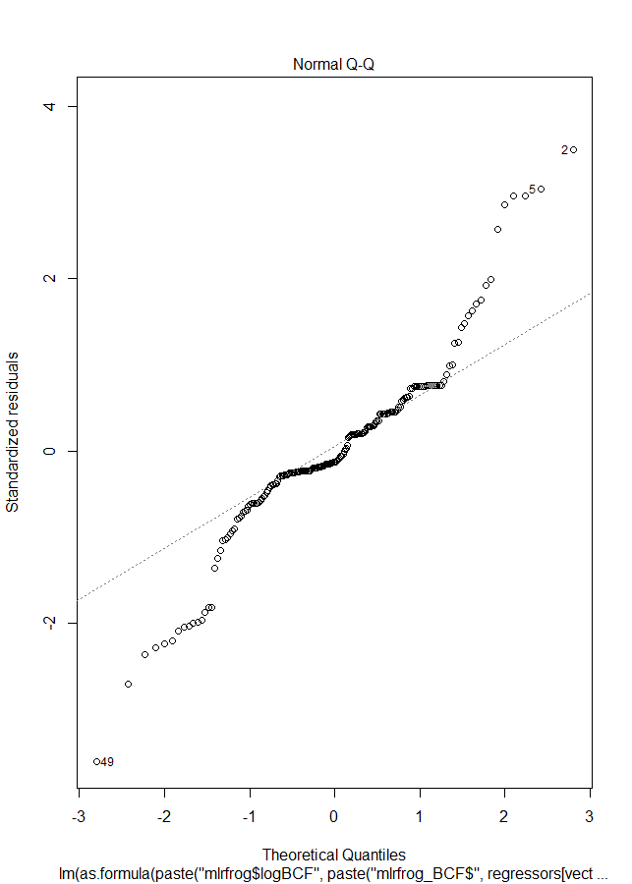
 | row.names | logBCF | logKow | logkoc | Hlaw | VapPrs_mPa
1 | logBCF | 1 | -0.4572249 | -0.4985896 | -0.571626 | -0.5722411
2 | logKow | -0.4572249 | 1 | 0.8589166 | 0.6907934 | 0.6907372
3 | logkoc | -0.4985896 | 0.8589166 | 1 | 0.8691259 | 0.8665293
4 | Hlaw | -0.571626 | 0.6907934 | 0.8691259 | 1 | 0.9999721
5 | VapPrs_mPa | -0.5722411 | 0.6907372 | 0.8665293 | 0.9999721 | 1

 | Species | HabFac | logkoc |  | R2 | Adj_R2 | AIC | BIC
1 | FALSE | TRUE | TRUE | 1 | 0.254399039 | 0.242749024 | 516.6583 | 533.0489
2 | TRUE | FALSE | TRUE | 2 | 0.319989455 | 0.290898095 | 508.6102 | 541.3913
3 | FALSE | FALSE | TRUE | 3 | 0.248591557 | 0.244718318 | 514.179 | 524.0134
4 | FALSE | TRUE | FALSE | 4 | 0.005895187 | -0.004406417 | 571.0381 | 584.1506
5 | TRUE | FALSE | FALSE | 5 | 0.086663262 | 0.052656043 | 564.4295 | 593.9325
6 | FALSE | FALSE | FALSE

> coef_logBCF
Estimate Std. Error t value Pr(>|t|)
(Intercept) -1.0158313 0.17039276 -5.961705 1.159672e-08
mlrfrog_BCF$logkoc -0.1457334 0.01819086 -8.011356 1.030993e-13

Akaike’s Information Criterion (AIC) is -2*log-likelihood+2*k where k is the number of estimated parameters.

The Bayesian Information Criterion (BIC) is -2*log-likelihood + k*log(n) where k is the number of estimated parameters and n is the sample size. The Bayesian Information Criterion is also known as the Schwartz criterion.

logTissue
 | row.names | logTissueConc | logKow | logkoc | Hlaw | VapPrs_mPa | app_rate_g_cm2 | bodyweight2 | SA_cm2_2
1 | logTissueConc | 1 | -0.0449625 | -0.38954951 | -0.44090053 | -0.43795736 | 0.19548352 | 0.1143288 | -0.14789832
2 | logKow | -0.0449625 | 1 | 0.85891661 | 0.69079339 | 0.69073719 | 0.1964494 | 0.234751 | 0.14097177
3 | logkoc | -0.3895495 | 0.8589166 | 1 | 0.86912592 | 0.86652926 | 0.16611388 | 0.1478815 | 0.07608069
4 | Hlaw | -0.4409005 | 0.6907934 | 0.86912592 | 1 | 0.99997207 | 0.52211765 | 0.1527118 | 0.06696572
5 | VapPrs_mPa | -0.4379574 | 0.6907372 | 0.86652926 | 0.99997207 | 1 | 0.52663313 | 0.153766 | 0.06759082
6 | app_rate_g_cm2 | 0.1954835 | 0.1964494 | 0.16611388 | 0.52211765 | 0.52663313 | 1 | 0.2458111 | 0.09543538
7 | bodyweight2 | 0.1143288 | 0.234751 | 0.14788148 | 0.15271176 | 0.15376598 | 0.24581108 | 1 | 0.40017101
8 | SA_cm2_2 | -0.1478983 | 0.1409718 | 0.07608069 | 0.06696572 | 0.06759082 | 0.09543538 | 0.400171 | 1

 | Species | HabFac | logkoc | app_rate_g_cm2 | bodyweight2 | SA_cm2_2 |  | R2 | Adj_R2 | AIC | BIC
1 | FALSE | TRUE | TRUE | TRUE | TRUE | TRUE | 1 | 0.27665066 | 0.253687184 | 1010.0008 | 1036.226
2 | TRUE | FALSE | TRUE | TRUE | TRUE | TRUE | 2 | 0.35806576 | 0.319689255 | 996.5971 | 1039.213 | > coef_logTissueConc
3 | FALSE | FALSE | TRUE | TRUE | TRUE | TRUE | 3 | 0.27600467 | 0.260842465 | 1006.1758 | 1025.844 | Estimate Std. Error t value Pr(>|t|)
4 | FALSE | TRUE | FALSE | TRUE | TRUE | TRUE | 4 | 0.08773955 | 0.063732692 | 1053.4793 | 1076.426 | (Intercept) 4.1728531 7.490891e-01 5.570570 8.538941e-08
5 | TRUE | FALSE | FALSE | TRUE | TRUE | TRUE | 5 | 0.14436453 | 0.098113968 | 1050.9194 | 1090.257 | mlrfrog_tc$logkoc -0.4561514 6.464991e-02 -7.055716 3.078079e-11
6 | FALSE | FALSE | FALSE | TRUE | TRUE | TRUE | 6 | 0.08729916 | 0.073038205 | 1049.5739 | 1065.964 | mlrfrog_tc$app_rate_g_cm2 92981.5176443 2.497281e+04 3.723310 2.586646e-04
7 | FALSE | TRUE | TRUE | FALSE | TRUE | TRUE | 7 | 0.22401908 | 0.203598527 | 1021.767 | 1044.714 | mlrfrog_tc$bodyweight2 0.9874451 3.265441e-01 3.023926 2.838118e-03
8 | TRUE | FALSE | TRUE | FALSE | TRUE | TRUE | 8 | 0.31314871 | 0.276021611 | 1007.853 | 1047.19 | mlrfrog_tc$SA_cm2_2 -0.1712903 5.212337e-02 -3.286249 1.208159e-03
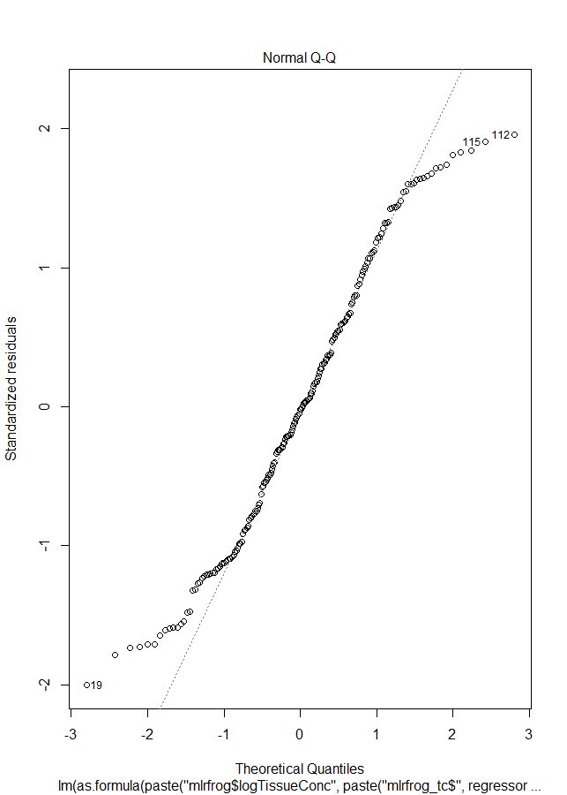
9 | FALSE | FALSE | TRUE | FALSE | TRUE | TRUE | 9 | 0.22345612 | 0.211322619 | 1017.9091 | 1034.3
10 | FALSE | TRUE | FALSE | FALSE | TRUE | TRUE | 10 | 0.05816834 | 0.038444118 | 1057.7319 | 1077.401
11 | TRUE | FALSE | FALSE | FALSE | TRUE | TRUE | 11 | 0.11955279 | 0.076950507 | 1054.5222 | 1090.581
12 | FALSE | FALSE | FALSE | FALSE | TRUE | TRUE | 12 | 0.05772131 | 0.047956763 | 1053.8249 | 1066.937
13 | FALSE | TRUE | TRUE | TRUE | FALSE | TRUE | 13 | 0.24264209 | 0.222711615 | 1017.0058 | 1039.953
14 | TRUE | FALSE | TRUE | TRUE | FALSE | TRUE | 14 | 0.35797115 | 0.323266883 | 994.626 | 1033.963
15 | FALSE | FALSE | TRUE | TRUE | FALSE | TRUE | 15 | 0.24134339 | 0.229489383 | 1013.3416 | 1029.732
16 | FALSE | TRUE | FALSE | TRUE | FALSE | TRUE | 16 | 0.06683454 | 0.047291812 | 1055.9201 | 1075.589
17 | TRUE | FALSE | FALSE | TRUE | FALSE | TRUE | 17 | 0.14426876 | 0.102862414 | 1048.9414 | 1085.001
18 | FALSE | FALSE | FALSE | TRUE | FALSE | TRUE | 18 | 0.06620914 | 0.056532553 | 1052.0514 | 1065.164
19 | FALSE | TRUE | TRUE | FALSE | FALSE | TRUE | 19 | 0.16865431 | 0.151243933 | 1033.2749 | 1052.944
20 | TRUE | FALSE | TRUE | FALSE | FALSE | TRUE | 20 | 0.31244298 | 0.279174093 | 1006.0543 | 1042.114
21 | FALSE | FALSE | TRUE | FALSE | FALSE | TRUE | 21 | 0.16581594 | 0.157171542 | 1029.9429 | 1043.055
22 | FALSE | TRUE | FALSE | FALSE | FALSE | TRUE | 22 | 0.02348829 | 0.008230295 | 1062.8193 | 1079.21
23 | TRUE | FALSE | FALSE | FALSE | FALSE | TRUE | 23 | 0.11905108 | 0.081363425 | 1052.6338 | 1085.415
24 | FALSE | FALSE | FALSE | FALSE | FALSE | TRUE | 24 | 0.02187391 | 0.016832027 | 1059.1431 | 1068.977
25 | FALSE | TRUE | TRUE | TRUE | TRUE | FALSE | 25 | 0.24588875 | 0.226043712 | 1016.1637 | 1039.111
26 | TRUE | FALSE | TRUE | TRUE | TRUE | FALSE | 26 | 0.35775902 | 0.323043292 | 994.6908 | 1034.028
27 | FALSE | FALSE | TRUE | TRUE | TRUE | FALSE | 27 | 0.23506887 | 0.223116825 | 1014.9559 | 1031.347
28 | FALSE | TRUE | FALSE | TRUE | TRUE | FALSE | 28 | 0.05507636 | 0.035287388 | 1058.3743 | 1078.043
29 | TRUE | FALSE | FALSE | TRUE | TRUE | FALSE | 29 | 0.14426976 | 0.102863462 | 1048.9411 | 1085
30 | FALSE | FALSE | FALSE | TRUE | TRUE | FALSE | 30 | 0.0428889 | 0.032970652 | 1056.8861 | 1069.999
31 | FALSE | TRUE | TRUE | FALSE | TRUE | FALSE | 31 | 0.19283227 | 0.175928233 | 1027.4901 | 1047.159
32 | TRUE | FALSE | TRUE | FALSE | TRUE | FALSE | 32 | 0.31310562 | 0.2798688 | 1005.8653 | 1041.925
33 | FALSE | FALSE | TRUE | FALSE | TRUE | FALSE | 33 | 0.18197173 | 0.173494756 | 1026.1097 | 1039.222
34 | FALSE | TRUE | FALSE | FALSE | TRUE | FALSE | 34 | 0.0252793 | 0.01004929 | 1062.4595 | 1078.85
35 | TRUE | FALSE | FALSE | FALSE | TRUE | FALSE | 35 | 0.11954936 | 0.081883022 | 1052.523 | 1085.304
36 | FALSE | FALSE | FALSE | FALSE | TRUE | FALSE | 36 | 0.01307107 | 0.007983812 | 1060.8991 | 1070.733
37 | FALSE | TRUE | TRUE | TRUE | FALSE | FALSE | 37 | 0.2328046 | 0.216737683 | 1017.5353 | 1037.204
38 | TRUE | FALSE | TRUE | TRUE | FALSE | FALSE | 38 | 0.35775771 | 0.326681475 | 992.6912 | 1028.75
39 | FALSE | FALSE | TRUE | TRUE | FALSE | FALSE | 39 | 0.22137039 | 0.213301691 | 1016.4349 | 1029.547
40 | FALSE | TRUE | FALSE | TRUE | FALSE | FALSE | 40 | 0.0507778 | 0.035946201 | 1057.2639 | 1073.654
41 | TRUE | FALSE | FALSE | TRUE | FALSE | FALSE | 41 | 0.14424599 | 0.107636188 | 1046.9466 | 1079.728
42 | FALSE | FALSE | FALSE | TRUE | FALSE | FALSE | 42 | 0.03821381 | 0.033256145 | 1055.8412 | 1065.676
43 | FALSE | TRUE | TRUE | FALSE | FALSE | FALSE | 43 | 0.16364018 | 0.15057206 | 1032.4535 | 1048.844
44 | TRUE | FALSE | TRUE | FALSE | FALSE | FALSE | 44 | 0.31229041 | 0.282869681 | 1004.0978 | 1036.879
45 | FALSE | FALSE | TRUE | FALSE | FALSE | FALSE | 45 | 0.15174882 | 0.147376389 | 1031.2206 | 1041.055
46 | FALSE | TRUE | FALSE | FALSE | FALSE | FALSE | 46 | 0.01289904 | 0.00267001 | 1062.9333 | 1076.046
47 | TRUE | FALSE | FALSE | FALSE | FALSE | FALSE | 47 | 0.11882374 | 0.08601399 | 1050.6844 | 1080.187
48 | FALSE | FALSE | FALSE | FALSE | FALSE | FALSE

logsoil
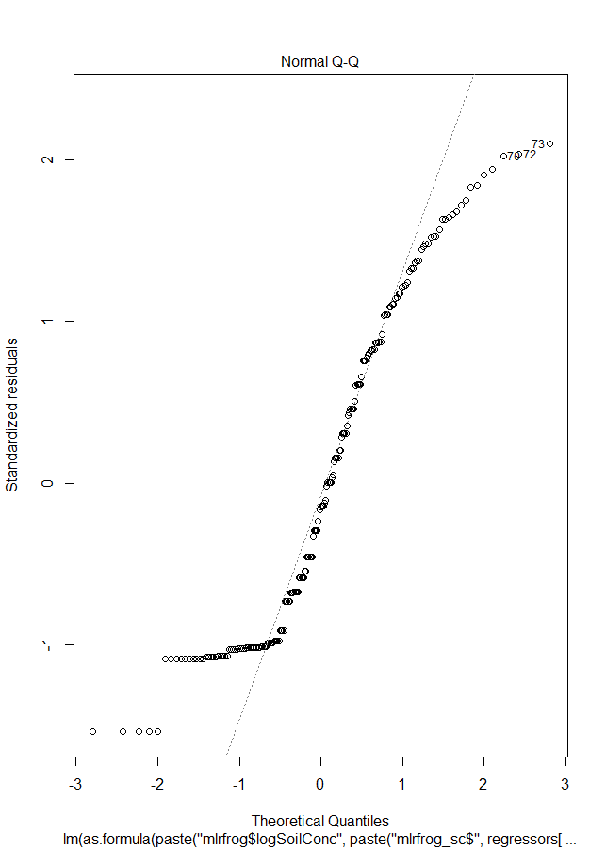
 | row.names | logSoilConc | app_rate_g_cm2 | logKow | logkoc | Hlaw | VapPrs_mPa
1 | logSoilConc | 1 | 0.309112 | 0.09128301 | -0.2663947 | -0.2992789 | -0.2959282
2 | app_rate_g_cm2 | 0.30911198 | 1 | 0.1964494 | 0.1661139 | 0.5221177 | 0.5266331
3 | logKow | 0.09128301 | 0.1964494 | 1 | 0.8589166 | 0.6907934 | 0.6907372
4 | logkoc | -0.2663947 | 0.1661139 | 0.85891661 | 1 | 0.8691259 | 0.8665293
5 | Hlaw | -0.29927887 | 0.5221177 | 0.69079339 | 0.8691259 | 1 | 0.9999721
6 | VapPrs_mPa | -0.29592821 | 0.5266331 | 0.69073719 | 0.8665293 | 0.9999721 | 1

 | app_rate_g_cm2 | logkoc |  | R2 | Adj_R2 | AIC | BIC
1 | FALSE | TRUE | 1 | 0.07096614 | 0.0661773 | 1020.832 | 1030.666
2 | TRUE | FALSE | 2 | 0.09555022 | 0.0908881 | 1015.575 | 1025.41
3 | FALSE | FALSE

> coef_logSoilConc
Estimate Std. Error t value Pr(>|t|)
(Intercept) 3.530301e+00 3.427074e-01 10.301210 3.973227e-20
mlrfrog_sc$app_rate_g_cm2 1.120500e+05 2.475070e+04 4.527146 1.041694e-05

logapp
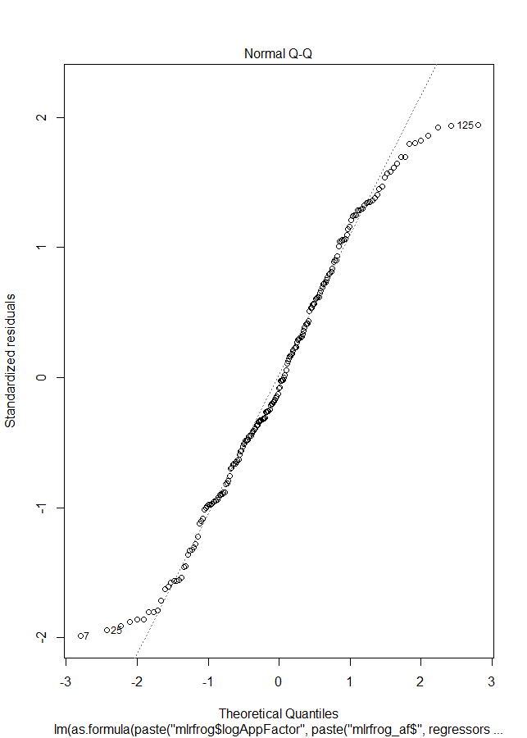
 | row.names | logAppFactor | logKow | logkoc | Hlaw | VapPrs_mPa
1 | logAppFactor | 1 | -0.05541751 | -0.3808761 | -0.5578627 | -0.5565743
2 | logKow | -0.05541751 | 1 | 0.8589166 | 0.6907934 | 0.6907372
3 | logkoc | -0.38087609 | 0.85891661 | 1 | 0.8691259 | 0.8665293
4 | Hlaw | -0.55786274 | 0.69079339 | 0.8691259 | 1 | 0.9999721
5 | VapPrs_mPa | -0.55657428 | 0.69073719 | 0.8665293 | 0.9999721 | 1

 | Species | HabFac | logkoc |  | R2 | Adj_R2 | AIC | BIC
1 | FALSE | TRUE | TRUE | 1 | 0.18229021 | 0.16951349 | 1063.221 | 1079.611
2 | TRUE | FALSE | TRUE | 2 | 0.35149948 | 0.32375614 | 1027.779 | 1060.56
3 | FALSE | FALSE | TRUE | 3 | 0.14506659 | 0.14065972 | 1067.946 | 1077.78
4 | FALSE | TRUE | FALSE | 4 | 0.03887637 | 0.02891654 | 1092.893 | 1106.006
5 | TRUE | FALSE | FALSE | 5 | 0.17512157 | 0.14440801 | 1072.931 | 1102.434

> coef_logAppFactor
Estimate Std. Error t value Pr(>|t|)
(Intercept) 19.8976955 0.74677838 26.6447129 1.410543e-65
mlrfrog_af$SpeciesCricket frog -3.9538833 1.13253061 -3.4911933 5.998921e-04
mlrfrog_af$SpeciesFowlers toad 0.5817489 0.85840753 0.6777071 4.987951e-01
mlrfrog_af$SpeciesGray treefrog -1.6774195 0.79352061 -2.1138954 3.584990e-02
mlrfrog_af$SpeciesGreen treefrog -1.1420943 0.66599369 -1.7148725 8.802520e-02
mlrfrog_af$SpeciesLeopard frog -0.8867503 0.93168974 -0.9517657 3.424444e-01
mlrfrog_af$SpeciesMole salamander -4.7354149 0.85840753 -5.5165113 1.139642e-07
mlrfrog_af$SpeciesNarrowmouth toad -5.3961432 1.13253061 -4.7646776 3.787060e-06
mlrfrog_af$logkoc -0.4861653 0.06817045 -7.1316124 2.106157e-11

