2. General Analysis
Descriptive analytics

Sample size | 2199

Customer geography distributiton

Continent | Sum of Total_expenditure | Count of ID | Average of Age | Average of Income |  |  | Continent | Count of ID
Africa | 209,251.00 | 15.14% | 53 | 52,820 USD | 16% |  | Africa | 15%
Asia | 76,128.00 | 6.55% | 51 | 48,667 USD | 6% |  | Asia | 7%
Europe | 733,657.00 | 54.80% | 53 | 51,539 USD | 55% |  | Europe | 55%
North America | 231,494.00 | 16.83% | 54 | 52,664 USD | 17% |  | North America | 17%
Oceania | 85,576.00 | 6.68% | 54 | 51,804 USD | 6% |  | Oceania | 7%
Grand Total | 1,336,106.00 | 100.00% | 53 | 51,752 USD |  |  | Grand Total | 100%

Customer age distributiton
 | Divorced | Married | Single | Together | Widow
26-30 |  | 6 | 17 | 5
31-35 | 6 | 42 | 50 | 19
36-40 | 4 | 87 | 53 | 51
41-45 | 21 | 107 | 56 | 70 | 1
46-50 | 44 | 176 | 72 | 89 | 6
51-55 | 49 | 121 | 61 | 81 | 12
56-60 | 34 | 88 | 59 | 60 | 10
61-65 | 25 | 78 | 39 | 73 | 12
66-70 | 31 | 83 | 45 | 69 | 11
71-75 | 11 | 47 | 15 | 43 | 21
76-80 | 3 | 16 | 7 | 8 | 3
81-85 |  | 1 | 1
Average age of customers | 53 |  |  |  |  |  |  | Marital_Status | Count of ID |  |  |  |  |  | Count of Marital_Status | Marital_Status
 |  |  |  |  |  |  |  | Divorced | 10.37% |  |  |  |  |  | Age | Divorced | Married | Single | Together | Widow | Grand Total
Max age | 82 |  |  |  |  |  |  | Married | 38.74% |  |  |  |  |  | 26-30 |  | 6 | 17 | 5 |  | 28
Min age | 26 |  |  |  |  |  |  | Single | 21.60% |  |  |  |  |  | 31-35 | 6 | 42 | 50 | 19 |  | 117
Q1 | 26 | 45 |  |  |  |  |  | Together | 25.83% |  |  |  |  |  | 36-40 | 4 | 87 | 53 | 51 |  | 195
Q2 | 46 | 52 |  |  |  |  |  | Widow | 3.46% |  |  |  |  |  | 41-45 | 21 | 107 | 56 | 70 | 1 | 255
Q3 | 53 | 63 |  |  |  |  |  | Grand Total | 100.00% |  |  |  |  |  | 46-50 | 44 | 176 | 72 | 89 | 6 | 387
Q4 | 64 | 82 |  |  |  |  |  |  |  |  |  |  |  |  | 51-55 | 49 | 121 | 61 | 81 | 12 | 324
 |  |  |  |  |  |  |  |  |  |  |  |  |  |  | 56-60 | 34 | 88 | 59 | 60 | 10 | 251
 |  |  |  |  |  |  |  |  |  |  |  |  |  |  | 61-65 | 25 | 78 | 39 | 73 | 12 | 227
Marital_Status | Average of Age | Min income | Max income |  |  |  |  |  |  |  |  |  |  |  | 66-70 | 31 | 83 | 45 | 69 | 11 | 239
Single | 50 | 9,548.00 | 102,692.00 | 93,144.00 |  |  |  |  |  |  |  |  |  |  | 71-75 | 11 | 47 | 15 | 43 | 21 | 137
Married | 52 | 4,428.00 | 96,547.00 | 92,119.00 |  |  |  |  |  |  |  |  |  |  | 76-80 | 3 | 16 | 7 | 8 | 3 | 37
Together | 54 | 6,560.00 | 113,734.00 | 107,174.00 |  |  |  |  |  |  |  |  |  |  | 81-85 |  | 1 | 1 |  |  | 2
Age versus Marital status of 2Market customers
Divorced | 55 | 5,648.00 | 105,471.00 | 99,823.00 |  |  |  |  |  |  |  |  | Marital_Status | (Multiple Items) | Grand Total | 228 | 852 | 475 | 568 | 76 | 2199
Widow | 63 | 22,123.00 | 85,620.00 | 63,497.00
Grand Total | 53 |  |  |  |  |  |  |  |  |  |  |  | Kidhome | Count of Kidhome
 |  |  |  |  | Count of Kidhome | Marital_Status |  |  |  |  |  |  | 0 | 57.00%
 |  |  |  |  | Kidhome | Divorced | Married | Single | Together | Widow | Grand Total |  | 1 | 40.76%
 |  |  |  |  | 0 | 137 | 485 | 268 | 325 | 58 | 1273 |  | 2 | 2.24%
 |  |  |  |  | 1 | 87 | 347 | 197 | 231 | 18 | 880 | Families with one kid
 |  |  | 0.24647302905 | 0.24329761728 | 2 | 4 | 20 | 10 | 12 |  | 46 | Families with 2 kids | Marital_Status | (Multiple Items)

 |  |  |  |  | Count of Teenhome | Marital_Status |  |  |  |  |  |  | Teenhome | Count of Teenhome
 |  |  |  |  | Teenhome | Divorced | Married | Single | Together | Widow | Grand Total |  | 0 | 50.56%
 |  |  |  |  | 0 | 97 | 438 | 292 | 279 | 28 | 1134 |  | 1 | 46.99%
 |  |  |  |  | 1 | 125 | 392 | 174 | 276 | 47 | 1014 | Families with one teen | 2 | 2.45%
 |  |  |  |  | 2 | 6 | 22 | 9 | 13 | 1 | 51 | Families with 2 teens

Customer Income distributiton
Age vs. Income
 | Income
37 | 70,951.00 USD
61 | 57,091.00 USD
47 | 46,098.00 USD
75 | 25,358.00 USD
51 | 60,491.00 USD
57 | 46,891.00 USD
46 | 46,310.00 USD
62 | 17,144.00 USD
64 | 65,148.00 USD
35 | 25,545.00 USD
58 | 55,761.00 USD
52 | 20,587.00 USD
59 | 56,253.00 USD
50 | 46,423.00 USD
69 | 51,411.00 USD
40 | 41,039.00 USD
53 | 25,293.00 USD
41 | 27,733.00 USD
47 | 22,212.00 USD
34 | 34,176.00 USD
71 | 30,833.00 USD
56 | 43,456.00 USD
71 | 67,046.00 USD
64 | 53,083.00 USD
52 | 61,209.00 USD
62 | 76,045.00 USD
69 | 23,272.00 USD
77 | 71,604.00 USD
45 | 28,973.00 USD
36 | 71,952.00 USD
42 | 67,506.00 USD
66 | 62,503.00 USD
76 | 44,124.00 USD
26 | 14,421.00 USD
57 | 48,006.00 USD
50 | 38,808.00 USD
60 | 45,183.00 USD
74 | 82,032.00 USD
47 | 81,169.00 USD
59 | 23,091.00 USD
66 | 64,857.00 USD
67 | 48,726.00 USD
66 | 28,839.00 USD
57 | 61,559.00 USD
43 | 15,287.00 USD
71 | 34,838.00 USD
55 | 67,309.00 USD
70 | 83,844.00 USD
57 | 66,480.00 USD
51 | 36,715.00 USD
...
Correlation coefficient |  | 0.21195177376 | Positive weak relationship

 | Lower end | Upper end | Avg age
Max income |  | 113,734 USD
Min Income |  | 4,428 USD
IQR |  | 32,970 USD
Lower limit |  | -14,091 USD | -14,647 USD
Upper limit |  | 117,789 USD | 118,367 USD | All value above are outliers and thus we remove them from the dataset
Q1 | 4,428 USD | 35,364 USD | 48 | 547.00
Q2 | 35,365 USD | 51,369 USD | 54 | 553.00
Q3 | 51,370 USD | 68,334 USD | 56 | 554.00
Q4 | 68,335 USD | 113,734 USD | 54 | 545.00
 |  |  |  | 2,199.00

Income | Average of Age
104428-114427 | 65
14428-24427 | 46
24428-34427 | 49
34428-44427 | 51
4428-14427 | 45
44428-54427 | 57
54428-64427 | 57
64428-74427 | 54
74428-84427 | 56
84428-94427 | 52
94428-104427 | 48
Grand Total | 53

Channel preference

Physical vs. Online

59% | 41%
Sum of NumWalkinPur | Sum of NumWebBuy | Total purchases |  | Sum of NumDeals | NumDeals/Total Purchases
12841 | 9042 | 21,883 |  | 5052 | 23%

 |  |  |  | Date of customer's registration with the company
Average recency | 49 | days
 |  |  |  | Years | Count of ID
Website visits per month |  |  |  | 2012 | 488
 |  |  |  | 2013 | 1164
NumVisits | Count of ID | Average of Age |  | 2014 | 547
0-4 | 771 | 55 |  | Grand Total | 2199
5-9 | 1421 | 52
10-14 | 4 | 47
15-20 | 3 | 59
Grand Total | 2199 | 53

NumWebBuy | Count of ID
0 | 2.17%
1 | 15.69%
2 | 16.59%
3 | 15.05%
4 | 12.48%
5 | 9.90%
6 | 9.09%
7 | 6.96%
8 | 4.61%
9 | 3.39%
10 | 1.94%
11 | 1.99%
23 | 0.05%
25 | 0.05%
27 | 0.05%
Grand Total | 100.00%

Purchase patterns

Total | 51% | 4% | 27% | 6% | 7% | 4%
 | Alcohol | Vegetables | Meat | Fish | Commodities | Chocolates | Total expenditure
Continent | Sum of AmtLiq | Sum of AmtVege | Sum of AmtNonVeg | Sum of AmtPes | Sum of AmtComm | Sum of AmtChocolates
Africa | 105,898.00 | 8,922.00 | 56,649.00 | 13,652.00 | 15,113.00 | 9,017.00 | 209,251.00
Asia | 36,199.00 | 3,779.00 | 22,138.00 | 4,810.00 | 5,987.00 | 3,215.00 | 76,128.00
Europe | 373,938.00 | 31,110.00 | 198,840.00 | 44,862.00 | 51,930.00 | 32,977.00 | 733,657.00
North America | 116,222.00 | 10,697.00 | 62,761.00 | 14,372.00 | 16,977.00 | 10,465.00 | 231,494.00
Oceania | 42,752.00 | 3,689.00 | 22,328.00 | 5,546.00 | 7,132.00 | 4,129.00 | 85,576.00
Grand Total | 675,009.00 | 58,197.00 | 362,716.00 | 83,242.00 | 97,139.00 | 59,803.00 | 1,336,106.00

Continent | Sum of AmtLiq | Sum of AmtVege | Sum of AmtNonVeg | Sum of AmtPes | Sum of AmtComm | Sum of AmtChocolates
Africa | 51% | 4% | 27% | 7% | 7% | 4%
Asia | 48% | 5% | 29% | 6% | 8% | 4%
Europe | 51% | 4% | 27% | 6% | 7% | 4%
North America | 50% | 5% | 27% | 6% | 7% | 5%
Oceania | 50% | 4% | 26% | 6% | 8% | 5%

Total_purchases | Count of Total_purchases
1 | 3.00
2 | 8.00
3 | 169.00
4 | 200.00
5 | 231.00
6 | 183.00
7 | 105.00
8 | 85.00
9 | 104.00
10 | 133.00
11 | 131.00
12 | 119.00
13 | 117.00
14 | 115.00
15 | 109.00
16 | 89.00
17 | 103.00
18 | 61.00
19 | 58.00
20 | 30.00
21 | 19.00
22 | 15.00
23 | 8.00
24 | 2.00
25 | 1.00
27 | 1.00
Grand Total | 2,199.00

Avg # purchases year | 10

Revenue

 |  | 3% growth | difference
Total revenue 2Market | 1,336,106.00 | 1,376,189.18 | 40,083.18

 |  | Total revenue | % of total customers | % revenue of continet | % revenue of total
Continent | Count of ID | Sum of Total_expenditure |  | % ot continent | % ot total
Africa | 333.00 | 209,251.00 | 15% | 74% | 12%
Asia | 144.00 | 76,128.00 | 7%
Europe | 1,205.00 | 733,657.00 | 55% | 21% | 12%
North America | 370.00 | 231,494.00 | 17% | 26% | 4%
Oceania | 147.00 | 85,576.00 | 7%
Grand Total | 2,199.00 | 1,336,106.00

 |  |  | $90 to $100 k income customers
Continent | # customers in continent | Total revenue from each continent | # customers that meet criteria | Average age | % customers relative to continent | Total revenue from customers that meet criteria | % revenue relative to total continent | Revenue generated per capita
Europe | 1,205.00 | 733,657 USD | 26 | 53 | 2.2% | 46,908 USD | 6.4% | 1,804 USD
North America | 370.00 | 231,494 USD | 9 | 44 | 2.4% | 14,533 USD | 6.3% | 1,615 USD
Africa | 333.00 | 209,251 USD | 5 | 49 | 1.5% | 10,947 USD | 5.2% | 2,189 USD

 | Age groups that spend the most based on analysis
Continent | Age groups selected | # customers that meet criteria | % customers relative to continent | Total revenue from customers that meet criteria | % revenue relative to total continent | Revenue per capita | Ratio
Europe | 50 to 60 | 297 | 24.6% | 178,645.50 | 24.4% | 601.50 | 3.00
North America | 46, 52, 64 | 85 | 23.0% | 59,688.00 | 25.8% | 702.21 | 2.30
Africa | 40, 50 to 52, 68 | 72 | 21.6% | 55,890.00 | 26.7% | 776.25 | 2.82

Advertising | (From SQL)

 | Successful lead conversions on social media
 | $90 to $100 k income customers
Continent | Brochure Ads | Twitter Ads | Facebook Ads | Instagram Ads | Bulkmail Ads
Europe | 1 | 9 | 12 | 20 | 1
North America | 1 | 4 | 5 | 7 | 2
Africa | 0 | 1 | 3 | 4 | 0 | 70 | 1.75
 | Successful lead conversions on social media
 | Total customers per location
Continent | Brochure Ads | Twitter Ads | Facebook Ads | Instagram Ads | Bulkmail Ads
Europe | 18 | 98 | 83 | 96 | 94
North America | 6 | 30 | 35 | 26 | 26
Africa | 4 | 20 | 20 | 21 | 21 | 598 | 0.27

Sheet2
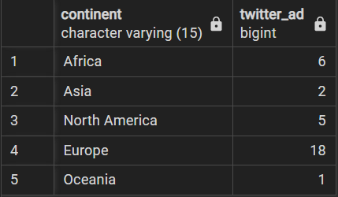
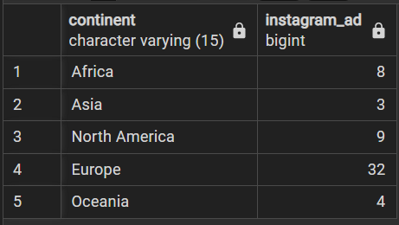
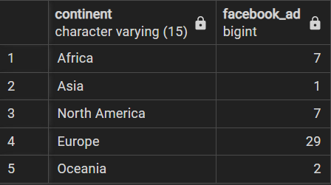
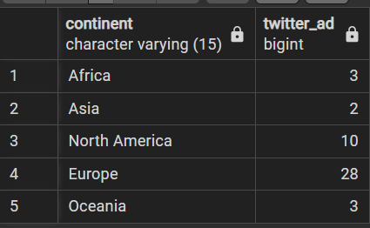
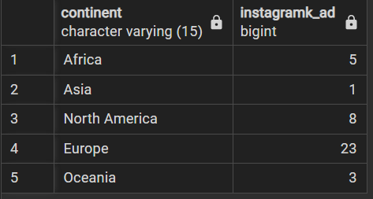
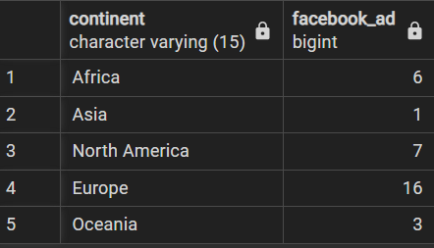
26 to 45

2.1 90-100k USD income
Descriptive analytics

90-100k USD income customers
Age and Marital status distribution

Avg age | 51 |  |  |  |  |  |  |  | Correlation coefficient | 0.098662238689

45 | 96,876.00 USD
31 | 90,273.00 USD
30 | 92,859.00 USD
39 | 92,491.00 USD
36 | 92,910.00 USD
52 | 90,765.00 USD
66 | 90,369.00 USD
32 | 96,843.00 USD
66 | 91,249.00 USD
71 | 94,642.00 USD
32 | 91,172.00 USD
39 | 90,687.00 USD
53 | 94,871.00 USD
41 | 91,065.00 USD
62 | 98,777.00 USD
74 | 90,842.00 USD
31 | 90,638.00 USD
69 | 94,384.00 USD
66 | 90,226.00 USD
68 | 90,933.00 USD
31 | 90,638.00 USD
62 | 92,556.00 USD
69 | 94,384.00 USD
75 | 91,712.00 USD
36 | 91,820.00 USD
42 | 96,547.00 USD
81 | 93,027.00 USD
62 | 98,777.00 USD
47 | 92,163.00 USD
35 | 95,169.00 USD
34 | 90,247.00 USD
43 | 90,300.00 USD
51 | 91,700.00 USD
37 | 92,533.00 USD
68 | 93,404.00 USD
52 | 93,790.00 USD
64 | 94,472.00 USD
38 | 90,000.00 USD
49 | 92,955.00 USD
28 | 95,529.00 USD
74 | 92,344.00 USD
Row Labels | Average of Age | Count of ID
Divorced | 39 | 2.44%
Married | 55 | 36.59%
Single | 47 | 46.34%
Together | 54 | 14.63%
Grand Total | 51 | 100.00%

Row Labels | Count of ID | Average of Age
Africa | 5 | 49 | 12%
Europe | 26 | 53 | 63%
North America | 9 | 44 | 22%
Oceania | 1 | 74 | 2%
Grand Total | 41 | 51

Channel preference

Physical | Online
Sum of NumWalkinPur | Sum of NumWebBuy | Total |  | Sum of NumDeals | NumDeals/Total Purchases
333 | 215 | 548 |  | 26 | 5%
61% | 39% | In line with overall

Avg recency | 48 | days

Total expenditure

Row Labels | Sum of Total_expenditure
Africa | 10,947.00
Europe | 46,908.00
North America | 14,533.00
Oceania | 1,899.00
Grand Total | 74,287.00

continent | alcohol | vegetables | meat | fish | chocolate | commodities
North America | 6,690.00 | 544.00 | 5,354.00 | 691.00 | 654.00 | 600.00 | 14,533.00
Europe | 22,434.00 | 1,893.00 | 16,085.00 | 2,732.00 | 2,359.00 | 1,405.00 | 46,908.00
Oceania | 992.00 | 24.00 | 694.00 | 51.00 | 19.00 | 119.00 | 1,899.00
Africa | 4,813.00 | 302.00 | 4,169.00 | 788.00 | 391.00 | 484.00 | 10,947.00
Total | 34,929.00 | 2,763.00 | 26,302.00 | 4,262.00 | 3,423.00 | 2,608.00 | 74,287.00

continent | alcohol | vegetables | meat | fish | chocolate | commodities
North America | 46% | 4% | 37% | 5% | 5% | 4%
Europe | 48% | 4% | 34% | 6% | 5% | 3%
Oceania | 52% | 1% | 37% | 3% | 1% | 6%
Africa | 44% | 3% | 38% | 7% | 4% | 4%

continent | marital_status | alcohol | vegetables | meat | fish | chocolate | commodities
Africa | Married | 1,776.00 | 129.00 | 1,574.00 | 284.00 | 175.00 | 192.00 | 4,130.00
 | Single | 1,926.00 | 149.00 | 1,805.00 | 344.00 | 171.00 | 120.00 | 4,515.00
 | Together | 1,111.00 | 24.00 | 790.00 | 160.00 | 45.00 | 172.00 | 2,302.00
Europe | Divorced | 982.00 | 17.00 | 672.00 | 23.00 | 34.00 | 51.00 | 1,779.00
 | Married | 5,944.00 | 642.00 | 5,261.00 | 861.00 | 705.00 | 360.00 | 13,773.00
 | Single | 12,402.00 | 850.00 | 7,489.00 | 1,431.00 | 1,224.00 | 716.00 | 24,112.00
 | Together | 3,106.00 | 384.00 | 2,663.00 | 417.00 | 396.00 | 278.00 | 7,244.00
North America | Married | 2,670.00 | 282.00 | 1,785.00 | 453.00 | 274.00 | 433.00 | 5,897.00
 | Single | 3,610.00 | 189.00 | 2,822.00 | 162.00 | 219.00 | 137.00 | 7,139.00
 | Together | 410.00 | 73.00 | 747.00 | 76.00 | 161.00 | 30.00 | 1,497.00

Expenditure per product type
$90 to $100 k income customers
continent | marital_status | alcohol | vegetables | meat | fish | chocolate | commodities
Africa | Single | 43% | 3% | 40% | 8% | 4% | 3%
 | Couples | 46% | 2% | 36% | 7% | 3% | 6%
Europe | Divorced | 55% | 1% | 38% | 1% | 2% | 3%
 | Single | 51% | 4% | 31% | 6% | 5% | 3%
 | Couples | 43% | 5% | 37% | 6% | 5% | 3%
North America | Single | 51% | 3% | 40% | 2% | 3% | 2%
 | Couples | 36% | 5% | 40% | 6% | 8% | 5%

