Sheet1
S No. | QUESTION TEXT | OPTION1 | OPTION2 | OPTION3 | OPTION4 | OPTION5 | OPTION6 | RIGHT ANSWER | Explaination | Difficulty Level
1 | Amaresh 1 | a1 | a2 | a3 | a4 |  |  | 2 | abcd 1234 | 1
2 | 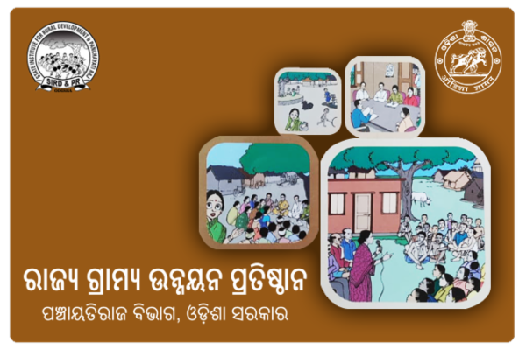 Second <<q@img>> Question?? | 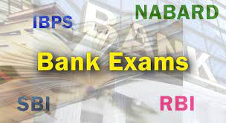 | 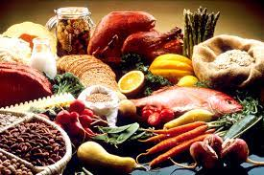 |  | None |  |  | 3 | Because 3 is correct | 2

