HCT1
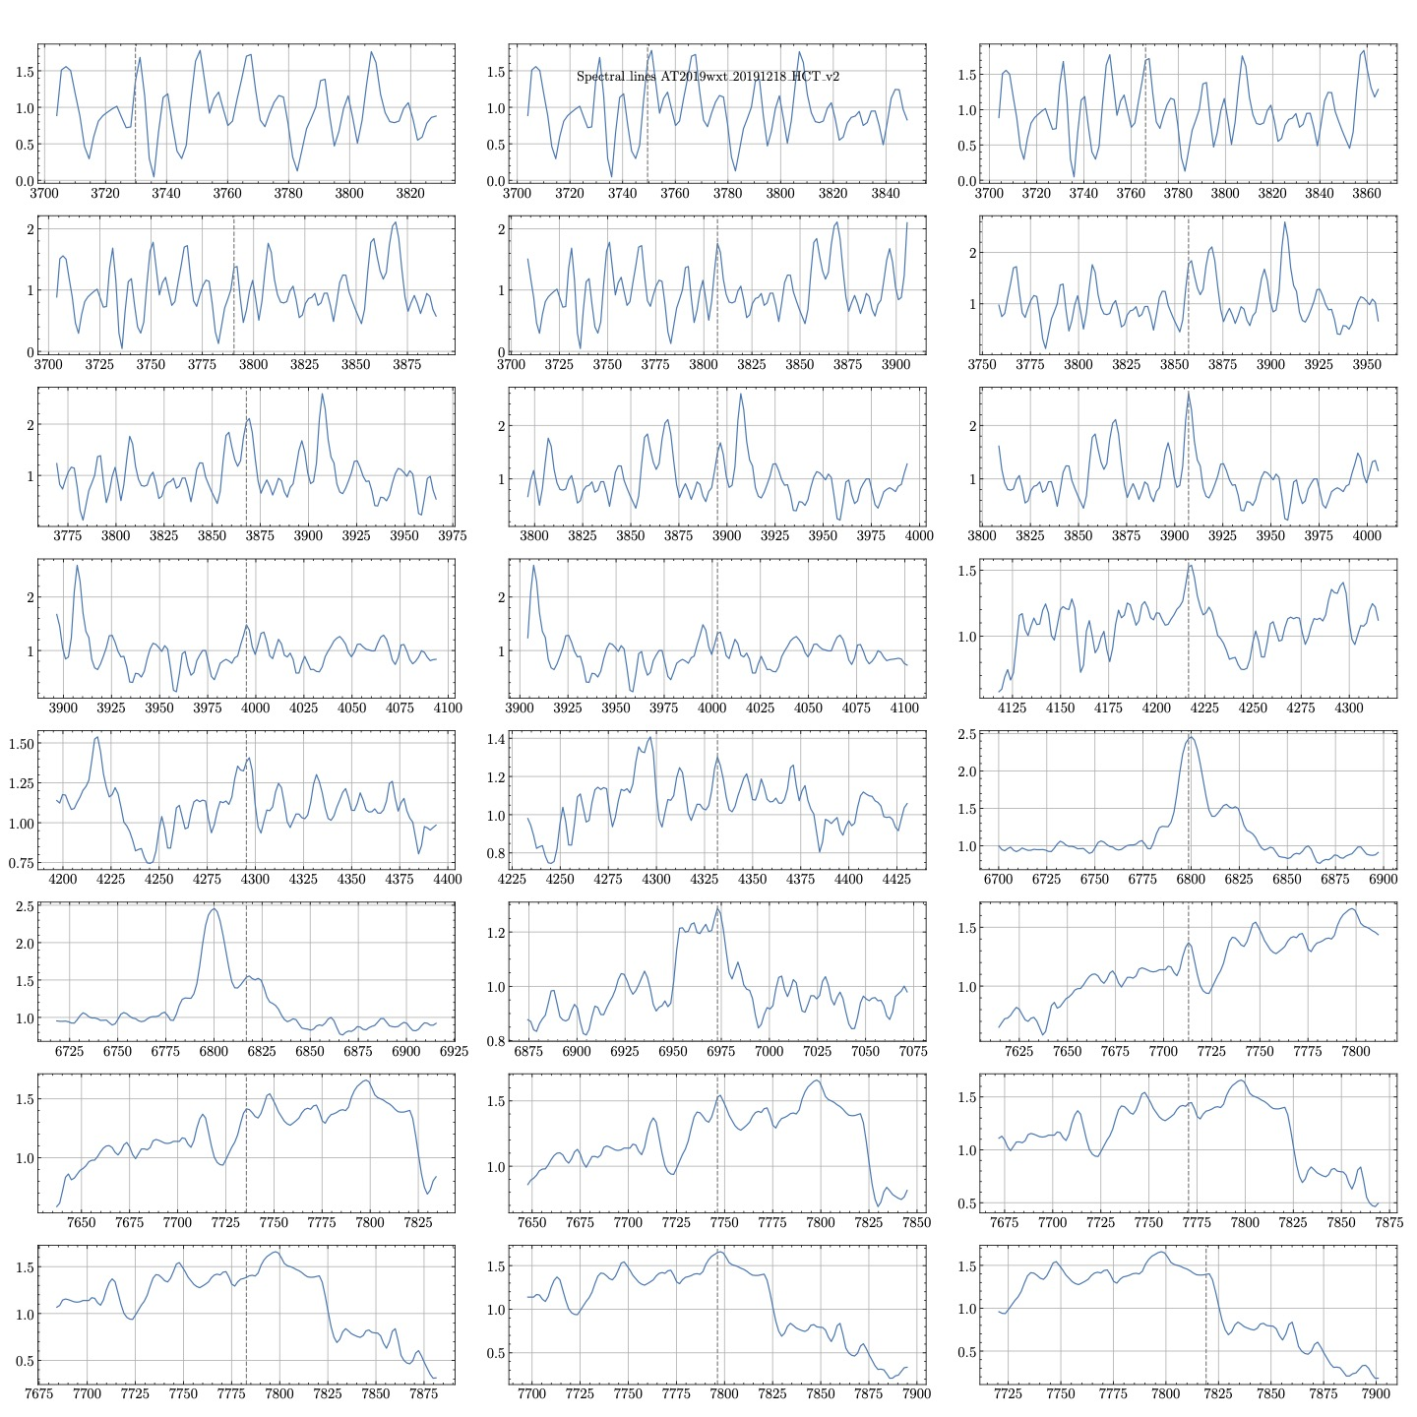
Wavelength |  | Wavelength after redshift beign accounted |  | delta |  | delta- |  | delta+ | Wavelength
3729.77617 | 3600.1700483 | 3600.1700483 |  | 11.70522 |  | 3718.07096 |  | 3741.48139 | He I λ3732.86 b
3749.48736 | 3619.1962934 | 3619.1962934 |  | 11.70522 |  | 3737.78215 |  | 3761.19258 | H I 3750.15 c
3766.16606 | 3635.2954247 | 3635.2954247 |  | 10.01371 |  | 3756.15236 |  | 3776.17977 | He II 3769.13 b
3790.42599 | 3658.7123456 | 3658.7123456 |  | 18.20418 |  | 3772.22181 |  | 3808.63018 | O III 3791.26 b
3807.10469 | 3674.8114768 | 3674.8114768 |  | 18.20418 |  | 3788.90051 |  | 3825.30888 | [Cu II] 3806.34 c
3857.14079 | 3723.1088707 | 3723.1088707 |  | 8.27002 |  | 3848.87078 |  | 3865.41081 | He II 3858.07 b
3867.75451 | 3733.3537741 | 3733.3537741 |  | 8.27002 |  | 3859.4845 |  | 3876.02453 | He I 3867.48
3895.04693 | 3759.6978089 | 3759.6978089 |  | 8.27002 |  | 3886.77692 |  | 3903.31695 | [Fe V] 3895.70 b
3907.17689 | 3771.4062645 | 3771.4062645 |  | 8.27002 |  | 3898.90688 |  | 3915.44691 | [Fe II] λ3905.62/O II λ3911.96
3995.11913 | 3856.2925965 | 3856.2925965 |  | 8.27002 |  | 3986.84912 |  | 4003.38915 | [Ca V] 3997.28
4002.70036 | 3863.6103861 | 3863.6103861 |  | 8.27002 |  | 3994.43034 |  | 4010.97038 | [Fe V] 4003.21
4216.49097 | 4069.9719788 | 4069.9719788 |  | 81.23297 |  | 4135.258 |  | 4297.72394 | [Fe IV] 4217.10
4295.33574 | 4146.0769691 | 4146.0769691 |  | 46.10628 |  | 4249.22946 |  | 4341.44202 | Fe II 4296.57 c/[Fe V] λ4294.18
4331.72563 | 4181.2023456 | 4181.2023456 |  | 197.11191 |  | 4134.61372 |  | 4528.83754 | O II 4332.76 b/S III λ4332.71
6798.65703 | 6562.4102606 | 6562.4102606 |  | 45.22958 |  | 6753.42745 |  | 6843.88661 | [Fe II] 6809.21
6816.85198 | 6579.9729537 | 6579.9729537 |  | 45.22958 |  | 6771.6224 |  | 6862.08156 | Fe II 6823.09
6973.02526 | 6730.7193629 | 6730.7193629 |  | 197.11191 |  | 6775.91335 |  | 7170.13718
7712.95306 | 7444.9353861 | 7444.9353861 |  | 165.10517 |  | 7547.84789 |  | 7878.05823 | Fe II 7711.44
7735.69674 | 7466.8887452 | 7466.8887452 |  | 180.68056 |  | 7555.01618 |  | 7916.3773
7746.31046 | 7477.1336486 | 7477.1336486 |  | 179.3299 |  | 7566.98056 |  | 7925.64036
7770.57039 | 7500.5505695 | 7500.5505695 |  | 155.06997 |  | 7615.50042 |  | 7925.64036
7782.70035 | 7512.2590251 | 7512.2590251 |  | 142.94001 |  | 7639.76034 |  | 7925.64036
7796.34656 | 7525.4310425 | 7525.4310425 |  | 129.2938 |  | 7667.05276 |  | 7925.64036
7819.09024 | 7547.3844015 | 7547.3844015 |  | 106.55012 |  | 7712.54013 |  | 7925.64036

Wavelength | Wavelength after redshift beign accounted | delta | delta z | delta- | delta-zz | delta+ | delta+zz | Wavelength
3729.77617 | 3600.1700483 | 11.70522 | 11.298474903 | 3718.07096 | 3588.871583 | 3741.48139 | 3611.4685232
3738.87365 | 3608.9513996 | 11.70522 | 11.298474903 | 3727.16843 | 3597.6529247 | 3750.57886 | 3620.2498649
3749.48736 | 3619.1962934 | 11.70522 | 11.298474903 | 3737.78215 | 3607.8978282 | 3761.19258 | 3630.4947683
3766.16606 | 3635.2954247 | 10.01371 | 9.6657432432 | 3756.15236 | 3625.6296911 | 3776.17977 | 3644.961168
3776.77978 | 3645.5403282 | 18.20418 | 17.571602317 | 3758.5756 | 3627.9687259 | 3794.98397 | 3663.1119402
3790.42599 | 3658.7123456 | 18.20418 | 17.571602317 | 3772.22181 | 3641.1407432 | 3808.63018 | 3676.2839575
3807.10469 | 3674.8114768 | 18.20418 | 17.571602317 | 3788.90051 | 3657.2398745 | 3825.30888 | 3692.3830888
3843.49458 | 3709.9368533 | 8.27002 | 7.9826447876 | 3835.22457 | 3701.9542181 | 3851.7646 | 3717.9194981
3857.14079 | 3723.1088707 | 8.27002 | 7.9826447876 | 3848.87078 | 3715.1262355 | 3865.41081 | 3731.0915154
3867.75451 | 3733.3537741 | 8.27002 | 7.9826447876 | 3859.4845 | 3725.371139 | 3876.02453 | 3741.3364189
3895.04693 | 3759.6978089 | 8.27002 | 7.9826447876 | 3886.77692 | 3751.7151737 | 3903.31695 | 3767.6804537
3907.17689 | 3771.4062645 | 8.27002 | 7.9826447876 | 3898.90688 | 3763.4236293 | 3915.44691 | 3779.3889093
3923.8556 | 3787.5054054 | 8.27002 | 7.9826447876 | 3915.58558 | 3779.5227606 | 3932.12561 | 3795.4880405
3946.59928 | 3809.4587645 | 8.27002 | 7.9826447876 | 3938.32926 | 3801.4761197 | 3954.86929 | 3817.4413996
3952.66426 | 3815.3129923 | 8.27002 | 7.9826447876 | 3944.39424 | 3807.3303475 | 3960.93428 | 3823.2956371
3995.11913 | 3856.2925965 | 8.27002 | 7.9826447876 | 3986.84912 | 3848.3099614 | 4003.38915 | 3864.2752413
4002.70036 | 3863.6103861 | 8.27002 | 7.9826447876 | 3994.43034 | 3855.6277413 | 4010.97038 | 3871.5930309
4011.79783 | 3872.3917278 | 38.64248 | 37.29969112 | 3973.15535 | 3835.0920367 | 4050.44031 | 3909.6914189
4042.12274 | 3901.6628764 | 38.64248 | 37.29969112 | 4003.48026 | 3864.3631853 | 4080.76522 | 3938.9625676
4052.73646 | 3911.9077799 | 38.64248 | 37.29969112 | 4014.09398 | 3874.6080888 | 4091.37894 | 3949.207471
4064.86643 | 3923.6162452 | 38.64248 | 37.29969112 | 4026.22394 | 3886.3165444 | 4103.50891 | 3960.9159363
4075.48014 | 3933.861139 | 38.64248 | 37.29969112 | 4036.83766 | 3896.5614479 | 4114.12262 | 3971.1608301
4110.35379 | 3967.5229633 | 73.2458 | 70.700579151 | 4037.10799 | 3896.8223842 | 4183.59959 | 4038.2235425
4128.54874 | 3985.0856564 | 65.4516 | 63.177220077 | 4063.09714 | 3921.9084363 | 4194.00033 | 4048.2628668
4134.61372 | 3990.9398842 | 71.51658 | 69.031447876 | 4063.09714 | 3921.9084363 | 4206.1303 | 4059.971332
4140.6787 | 3996.794112 | 77.58156 | 74.885675676 | 4063.09714 | 3921.9084363 | 4218.26026 | 4071.6797876
4149.77617 | 4005.5754537 | 81.23297 | 78.410202703 | 4068.5432 | 3927.165251 | 4231.00914 | 4083.9856564
4155.84115 | 4011.4296815 | 81.23297 | 78.410202703 | 4074.60819 | 3933.0194884 | 4237.07412 | 4089.8398842
4163.42238 | 4018.747471 | 81.23297 | 78.410202703 | 4082.18941 | 3940.3372683 | 4244.65535 | 4097.1576737
4178.58484 | 4033.3830502 | 81.23297 | 78.410202703 | 4097.35187 | 3954.9728475 | 4259.81781 | 4111.7932529
4184.64982 | 4039.237278 | 81.23297 | 78.410202703 | 4103.41685 | 3960.8270753 | 4265.88279 | 4117.6474807
4192.23105 | 4046.5550676 | 81.23297 | 78.410202703 | 4110.99808 | 3968.1448649 | 4273.46401 | 4124.9652606
4199.81227 | 4053.8728475 | 81.23297 | 78.410202703 | 4118.5793 | 3975.4626448 | 4281.04524 | 4132.2830502
4216.49097 | 4069.9719788 | 81.23297 | 78.410202703 | 4135.258 | 3991.5617761 | 4297.72394 | 4148.3821815
4227.10469 | 4080.2168822 | 81.23297 | 78.410202703 | 4145.87172 | 4001.8066795 | 4308.33766 | 4158.6270849
4251.36462 | 4103.6338031 | 81.23297 | 78.410202703 | 4170.13165 | 4025.2236004 | 4332.59759 | 4182.0440058
4258.94585 | 4110.9515927 | 81.23297 | 78.410202703 | 4177.71288 | 4032.54139 | 4340.17882 | 4189.3617954
4268.04332 | 4119.7329344 | 73.3987 | 70.848166023 | 4194.64462 | 4048.8847683 | 4341.44202 | 4190.5811004
4281.68953 | 4132.9049517 | 59.75249 | 57.676148649 | 4221.93704 | 4075.2288031 | 4341.44202 | 4190.5811004
4289.27076 | 4140.2227413 | 52.17126 | 50.358359073 | 4237.09949 | 4089.8643726 | 4341.44202 | 4190.5811004
4295.33574 | 4146.0769691 | 46.10628 | 44.504131274 | 4249.22946 | 4101.5728378 | 4341.44202 | 4190.5811004
4312.01444 | 4162.1761004 | 29.42758 | 28.405 | 4282.58686 | 4133.7711004 | 4341.44202 | 4190.5811004
4321.11191 | 4170.9574421 | 197.11191 | 190.26246139 | 4124 | 3980.6949807 | 4518.22383 | 4361.2199131
4331.72563 | 4181.2023456 | 197.11191 | 190.26246139 | 4134.61372 | 3990.9398842 | 4528.83754 | 4371.4648069
4345.37184 | 4194.3743629 | 197.11191 | 190.26246139 | 4148.25993 | 4004.1119015 | 4542.48375 | 4384.6368243
4354.46931 | 4203.1557046 | 197.11191 | 190.26246139 | 4157.3574 | 4012.8932432 | 4551.58123 | 4393.4181757
4369.63177 | 4217.7912838 | 197.11191 | 190.26246139 | 4172.51985 | 4027.5288127 | 4566.74368 | 4408.0537452
4407.5379 | 4254.3802124 | 197.11191 | 190.26246139 | 4210.42599 | 4064.117751 | 4604.64982 | 4444.6426834
4428.76534 | 4274.8700193 | 197.11191 | 190.26246139 | 4231.65343 | 4084.6075579 | 4625.87725 | 4465.1324807
4437.86281 | 4283.651361 | 197.11191 | 190.26246139 | 4240.7509 | 4093.3888996 | 4634.97473 | 4473.913832
4443.9278 | 4289.5055985 | 197.11191 | 190.26246139 | 4246.81588 | 4099.2431274 | 4641.03971 | 4479.7680598
4469.70397 | 4314.3860714 | 197.11191 | 190.26246139 | 4272.59206 | 4124.12361 | 4666.81588 | 4504.6485328
4478.80144 | 4323.1674131 | 197.11191 | 190.26246139 | 4281.68953 | 4132.9049517 | 4675.91336 | 4513.4298842
4496.99639 | 4340.7301062 | 197.11191 | 190.26246139 | 4299.88448 | 4150.4676448 | 4694.1083 | 4530.9925676
4513.67509 | 4356.8292375 | 197.11191 | 190.26246139 | 4316.56318 | 4166.5667761 | 4710.787 | 4547.0916988
4524.28881 | 4367.0741409 | 197.11191 | 190.26246139 | 4327.17689 | 4176.8116699 | 4721.40072 | 4557.3366023
4534.90253 | 4377.3190444 | 197.11191 | 190.26246139 | 4337.79061 | 4187.0565734 | 4732.01444 | 4567.5815058
4554.61372 | 4396.3452896 | 197.11191 | 190.26246139 | 4357.5018 | 4206.0828185 | 4751.72563 | 4586.607751
4581.90614 | 4422.6893243 | 197.11191 | 190.26246139 | 4384.79422 | 4232.4268533 | 4779.01805 | 4612.9517857
4597.06859 | 4437.3248938 | 197.11191 | 190.26246139 | 4399.95668 | 4247.0624324 | 4794.1805 | 4627.5873552
4621.32852 | 4460.7418147 | 197.11191 | 190.26246139 | 4424.21661 | 4270.4793533 | 4818.44043 | 4651.0042761
4634.97473 | 4473.913832 | 197.11191 | 190.26246139 | 4437.86281 | 4283.651361 | 4832.08664 | 4664.1762934
4648.62094 | 4487.0858494 | 197.11191 | 190.26246139 | 4451.50902 | 4296.8233784 | 4845.73285 | 4677.3483108
4666.81588 | 4504.6485328 | 197.11191 | 190.26246139 | 4469.70397 | 4314.3860714 | 4863.9278 | 4694.9110039
4688.04332 | 4525.1383398 | 197.11191 | 190.26246139 | 4490.93141 | 4334.8758784 | 4885.15523 | 4715.4008012
4695.62455 | 4532.4561293 | 197.11191 | 190.26246139 | 4498.51263 | 4342.1936583 | 4892.73646 | 4722.7185907
4715.33574 | 4551.4823745 | 197.11191 | 190.26246139 | 4518.22383 | 4361.2199131 | 4912.44765 | 4741.7448359
4736.56317 | 4571.9721718 | 197.11191 | 190.26246139 | 4539.45126 | 4381.7097104 | 4933.67509 | 4762.2346429
4754.75812 | 4589.5348649 | 197.11191 | 190.26246139 | 4557.64621 | 4399.2724035 | 4951.87003 | 4779.7973263
4765.37184 | 4599.7797683 | 197.11191 | 190.26246139 | 4568.25993 | 4409.5173069 | 4962.48375 | 4790.0422297
4771.43682 | 4605.6339961 | 197.11191 | 190.26246139 | 4574.32491 | 4415.3715347 | 4968.54873 | 4795.8964575
4779.01805 | 4612.9517857 | 197.11191 | 190.26246139 | 4581.90614 | 4422.6893243 | 4976.12996 | 4803.2142471
4786.59928 | 4620.2695753 | 197.11191 | 190.26246139 | 4589.48736 | 4430.0071042 | 4983.71119 | 4810.5320367
4801.76173 | 4634.9051448 | 197.11191 | 190.26246139 | 4604.64982 | 4444.6426834 | 4998.87364 | 4825.1676062
4807.82671 | 4640.7593726 | 197.11191 | 190.26246139 | 4610.7148 | 4450.4969112 | 5004.93863 | 4831.0218436 | C III 4650
4822.98917 | 4655.3949517 | 197.11191 | 190.26246139 | 4625.87725 | 4465.1324807 | 5020.10108 | 4845.6574131 | C III 4650
4860.8953 | 4691.9838803 | 197.11191 | 190.26246139 | 4663.78339 | 4501.7214189 | 5058.00722 | 4882.2463514 | He II 4686
4880.6065 | 4711.0101351 | 197.11191 | 190.26246139 | 4683.49458 | 4520.7476641 | 5077.71841 | 4901.2725965
4898.80144 | 4728.5728185 | 197.11191 | 190.26246139 | 4701.68953 | 4538.3103571 | 5095.91335 | 4918.8352799
4906.38267 | 4735.8906081 | 197.11191 | 190.26246139 | 4709.27076 | 4545.6281467 | 5103.49458 | 4926.1530695
4920.02888 | 4749.0626255 | 197.11191 | 190.26246139 | 4722.91697 | 4558.8001641 | 5117.14079 | 4939.3250869
4951.87003 | 4779.7973263 | 197.11191 | 190.26246139 | 4754.75812 | 4589.5348649 | 5148.98195 | 4970.0597973
4960.96751 | 4788.5786776 | 197.11191 | 190.26246139 | 4763.85559 | 4598.3162066 | 5158.07942 | 4978.841139
4971.58122 | 4798.8235714 | 197.11191 | 190.26246139 | 4774.46931 | 4608.56111 | 5168.69314 | 4989.0860425
4988.25993 | 4814.9227124 | 197.11191 | 190.26246139 | 4791.14801 | 4624.6602413 | 5185.37184 | 5005.1851737
4994.32491 | 4820.7769402 | 197.11191 | 190.26246139 | 4797.21299 | 4630.5144691 | 5191.43682 | 5011.0394015
5020.10108 | 4845.6574131 | 197.11191 | 190.26246139 | 4822.98917 | 4655.3949517 | 5217.21299 | 5035.9198745
5033.74729 | 4858.8294305 | 197.11191 | 190.26246139 | 4836.63538 | 4668.5669691 | 5230.8592 | 5049.0918919
5077.71841 | 4901.2725965 | 197.11191 | 190.26246139 | 4880.6065 | 4711.0101351 | 5274.83032 | 5091.5350579
5129.27076 | 4951.0335521 | 197.11191 | 190.26246139 | 4932.15884 | 4760.7710811 | 5326.38267 | 5141.2960135
5139.88447 | 4961.2784459 | 197.11191 | 190.26246139 | 4942.77256 | 4771.0159846 | 5336.99639 | 5151.540917
5183.85559 | 5003.721612 | 197.11191 | 190.26246139 | 4986.74368 | 4813.4591506 | 5380.96751 | 5193.984083
5244.50541 | 5062.2639093 | 197.11191 | 190.26246139 | 5047.3935 | 4872.0014479 | 5441.61733 | 5252.5263803
5253.60289 | 5071.0452606 | 197.11191 | 190.26246139 | 5056.49097 | 4880.7827896 | 5450.7148 | 5261.307722
5274.83032 | 5091.5350579 | 197.11191 | 190.26246139 | 5077.71841 | 4901.2725965 | 5471.94223 | 5281.7975193
5288.47653 | 5104.7070753 | 197.11191 | 190.26246139 | 5091.36462 | 4914.4446139 | 5485.58844 | 5294.9695367
5309.70397 | 5125.1968822 | 197.11191 | 190.26246139 | 5112.59205 | 4934.9344112 | 5506.81588 | 5315.4593436
5315.76895 | 5131.05111 | 197.11191 | 190.26246139 | 5118.65704 | 4940.7886486 | 5512.88086 | 5321.3135714
5465.87725 | 5275.9432915 | 197.11191 | 190.26246139 | 5268.76534 | 5085.6808301 | 5662.98917 | 5466.2057625
5502.26714 | 5311.068668 | 197.11191 | 190.26246139 | 5305.15523 | 5120.8062066 | 5699.37906 | 5501.331139
5555.33574 | 5362.2931853 | 197.11191 | 190.26246139 | 5358.22382 | 5172.0307143 | 5752.44765 | 5552.5556467
5605.37184 | 5410.5905792 | 197.11191 | 190.26246139 | 5408.25992 | 5220.3281081 | 5802.48375 | 5600.8530405
5619.01805 | 5423.7625965 | 197.11191 | 190.26246139 | 5421.90613 | 5233.5001255 | 5816.12996 | 5614.0250579
5629.63177 | 5434.0075 | 197.11191 | 190.26246139 | 5432.51985 | 5243.745029 | 5826.74368 | 5624.2699614
5655.40794 | 5458.887973 | 197.11191 | 190.26246139 | 5458.29603 | 5268.6255116 | 5852.51985 | 5649.1504344
5664.50541 | 5467.6693147 | 197.11191 | 190.26246139 | 5467.3935 | 5277.4068533 | 5861.61732 | 5657.9317761
5699.37906 | 5501.331139 | 197.11191 | 190.26246139 | 5502.26714 | 5311.068668 | 5896.49097 | 5691.5936004
5725.15523 | 5526.211612 | 197.11191 | 190.26246139 | 5528.04332 | 5335.9491506 | 5922.26714 | 5716.4740734
5735.76895 | 5536.4565154 | 197.11191 | 190.26246139 | 5538.65704 | 5346.1940541 | 5932.88086 | 5726.7189768
5747.89891 | 5548.164971 | 197.11191 | 190.26246139 | 5550.787 | 5357.9025097 | 5945.01083 | 5738.4274421
5761.54512 | 5561.3369884 | 197.11191 | 190.26246139 | 5564.43321 | 5371.074527 | 5958.65704 | 5751.5994595
5773.67509 | 5573.0454537 | 197.11191 | 190.26246139 | 5576.56317 | 5382.7829826 | 5970.787 | 5763.3079151
5825.22743 | 5622.8063996 | 197.11191 | 190.26246139 | 5628.11552 | 5432.5439382 | 6022.33935 | 5813.0688707
5846.45487 | 5643.2962066 | 197.11191 | 190.26246139 | 5649.34296 | 5453.0337452 | 6043.56678 | 5833.558668
5858.58483 | 5655.0046622 | 197.11191 | 190.26246139 | 5661.47292 | 5464.7422008 | 6055.69675 | 5845.2671332
5866.16606 | 5662.3224517 | 197.11191 | 190.26246139 | 5669.05415 | 5472.0599903 | 6063.27797 | 5852.5849131
5882.84476 | 5678.421583 | 197.11191 | 190.26246139 | 5685.73285 | 5488.1591216 | 6079.95667 | 5868.6840444
5890.42599 | 5685.7393726 | 197.11191 | 190.26246139 | 5693.31408 | 5495.4769112 | 6087.5379 | 5876.001834 | C III 5696
5908.62093 | 5703.302056 | 197.11191 | 190.26246139 | 5711.50902 | 5513.0395946 | 6105.73285 | 5893.564527 | C III 5696
5922.26714 | 5716.4740734 | 197.11191 | 190.26246139 | 5725.15523 | 5526.211612 | 6119.37906 | 5906.7365444
5929.84837 | 5723.7918629 | 197.11191 | 190.26246139 | 5732.73646 | 5533.5294015 | 6126.96028 | 5914.0543243
5952.59205 | 5745.745222 | 197.11191 | 190.26246139 | 5755.48014 | 5555.4827606 | 6149.70397 | 5936.0076931
5969.27075 | 5761.8443533 | 197.11191 | 190.26246139 | 5772.15884 | 5571.5818919 | 6166.38267 | 5952.1068243
5975.33574 | 5767.6985907 | 197.11191 | 190.26246139 | 5778.22382 | 5577.4361197 | 6172.44765 | 5957.9610521
5984.43321 | 5776.4799324 | 197.11191 | 190.26246139 | 5787.3213 | 5586.217471 | 6181.54512 | 5966.7423938
6007.17689 | 5798.4332915 | 197.11191 | 190.26246139 | 5810.06498 | 5608.1708301 | 6204.2888 | 5988.6957529 | C IV 5801
6013.24187 | 5804.2875193 | 197.11191 | 190.26246139 | 5816.12996 | 5614.0250579 | 6210.35379 | 5994.5499903 | C IV 5801
6020.8231 | 5811.6053089 | 197.11191 | 190.26246139 | 5823.71119 | 5621.3428475 | 6217.93501 | 6001.8677703
6029.92057 | 5820.3866506 | 197.11191 | 190.26246139 | 5832.80866 | 5630.1241892 | 6227.03249 | 6010.6491216
6040.53429 | 5830.6315541 | 197.11191 | 190.26246139 | 5843.42238 | 5640.3690927 | 6237.6462 | 6020.8940154
6046.59927 | 5836.4857819 | 197.11191 | 190.26246139 | 5849.48736 | 5646.2233205 | 6243.71119 | 6026.7482529
6054.1805 | 5843.8035714 | 197.11191 | 190.26246139 | 5857.06859 | 5653.54111 | 6251.29241 | 6034.0660328
6069.34296 | 5858.4391506 | 197.11191 | 190.26246139 | 5872.23104 | 5668.1766795 | 6266.45487 | 6048.701612
6078.44043 | 5867.2204923 | 197.11191 | 190.26246139 | 5881.32852 | 5676.9580309 | 6275.55234 | 6057.4829537
6086.02166 | 5874.5382819 | 197.11191 | 190.26246139 | 5888.90974 | 5684.2758108 | 6283.13357 | 6064.8007432 | He I 5876
6093.60288 | 5881.8560618 | 197.11191 | 190.26246139 | 5896.49097 | 5691.5936004 | 6290.7148 | 6072.1185328 | He I 5876
6122.41155 | 5909.6636583 | 197.11191 | 190.26246139 | 5925.29963 | 5719.4011873 | 6319.52346 | 6099.9261197
6129.99277 | 5916.9814382 | 197.11191 | 190.26246139 | 5932.88086 | 5726.7189768 | 6327.10469 | 6107.2439093
6139.09025 | 5925.7627896 | 197.11191 | 190.26246139 | 5941.97833 | 5735.5003185 | 6336.20216 | 6116.025251
6178.51263 | 5963.8152799 | 197.11191 | 190.26246139 | 5981.40072 | 5773.5528185 | 6375.62454 | 6154.0777413
6187.6101 | 5972.5966216 | 197.11191 | 190.26246139 | 5990.49819 | 5782.3341602 | 6384.72202 | 6162.8590927
6196.70758 | 5981.377973 | 197.11191 | 190.26246139 | 5999.59566 | 5791.1155019 | 6393.81949 | 6171.6404344
6216.41877 | 6000.4042181 | 197.11191 | 190.26246139 | 6019.30685 | 5810.1417471 | 6413.53068 | 6190.6666795
6227.03249 | 6010.6491216 | 197.11191 | 190.26246139 | 6029.92057 | 5820.3866506 | 6424.1444 | 6200.911583
6240.6787 | 6023.821139 | 197.11191 | 190.26246139 | 6043.56678 | 5833.558668 | 6437.79061 | 6214.0836004
6254.3249 | 6036.9931467 | 197.11191 | 190.26246139 | 6057.21299 | 5846.7306853 | 6451.43682 | 6227.2556178
6266.45487 | 6048.701612 | 197.11191 | 190.26246139 | 6069.34296 | 5858.4391506 | 6463.56678 | 6238.9640734
6274.0361 | 6056.0194015 | 197.11191 | 190.26246139 | 6076.92418 | 5865.7569305 | 6471.14801 | 6246.2818629
6298.29602 | 6079.4363127 | 197.11191 | 190.26246139 | 6101.18411 | 5889.1738514 | 6495.40794 | 6269.6987838
6321.03971 | 6101.3896815 | 197.11191 | 190.26246139 | 6123.92779 | 5911.1272104 | 6518.15162 | 6291.6521429
6328.62093 | 6108.7074614 | 197.11191 | 190.26246139 | 6131.50902 | 5918.445 | 6525.73285 | 6298.9699324
6346.81588 | 6126.2701544 | 197.11191 | 190.26246139 | 6149.70397 | 5936.0076931 | 6543.92779 | 6316.5326158
6360.46209 | 6139.4421718 | 197.11191 | 190.26246139 | 6163.35018 | 5949.1797104 | 6557.574 | 6329.7046332
6405.94945 | 6183.34889 | 197.11191 | 190.26246139 | 6208.83754 | 5993.0864286 | 6603.06137 | 6373.611361
6433.24187 | 6209.6929247 | 197.11191 | 190.26246139 | 6236.12996 | 6019.4304633 | 6630.35378 | 6399.9553861
6455.98555 | 6231.6462838 | 197.11191 | 190.26246139 | 6258.87364 | 6041.3838224 | 6653.09747 | 6421.9087548
6493.89169 | 6268.235222 | 197.11191 | 190.26246139 | 6296.77978 | 6077.9727606 | 6691.0036 | 6458.4976834
6530.28158 | 6303.3605985 | 197.11191 | 190.26246139 | 6333.16967 | 6113.0981371 | 6727.3935 | 6493.6230695 | O I 6300
6546.96028 | 6319.4597297 | 197.11191 | 190.26246139 | 6349.84837 | 6129.1972683 | 6744.0722 | 6509.7222008
6571.22021 | 6342.8766506 | 197.11191 | 190.26246139 | 6374.1083 | 6152.6141892 | 6768.33212 | 6533.139112
6584.86642 | 6356.048668 | 197.11191 | 190.26246139 | 6387.75451 | 6165.7862066 | 6781.97833 | 6546.3111293
6660.67869 | 6429.2265347 | 197.11191 | 190.26246139 | 6463.56678 | 6238.9640734 | 6857.79061 | 6619.4890058
6672.80866 | 6440.935 | 197.11191 | 190.26246139 | 6475.69675 | 6250.6725386 | 6869.92057 | 6631.1974614
6731.94223 | 6498.0137355 | 45.22958 | 43.657895753 | 6686.71265 | 6454.3558398 | 6777.17181 | 6541.6716313
6753.16967 | 6518.5035425 | 45.22958 | 43.657895753 | 6707.94009 | 6474.8456467 | 6798.39925 | 6562.1614382
6772.88086 | 6537.5297876 | 45.22958 | 43.657895753 |  | 0 | 6818.11044 | 6581.1876834
6783.49458 | 6547.7746911 | 45.22958 | 43.657895753 | 6738.265 | 6504.1167954 | 6828.72416 | 6591.4325869
6798.65703 | 6562.4102606 | 45.22958 | 43.657895753 | 6753.42745 | 6518.7523649 | 6843.88661 | 6606.0681564 | H alpha
6816.85198 | 6579.9729537 | 45.22958 | 43.657895753 | 6771.6224 | 6536.3150579 | 6862.08156 | 6623.6308494
6922.98916 | 6682.4219691 | 197.11191 | 190.26246139 | 6725.87725 | 6492.1595077 | 7120.10108 | 6872.6844402 | He I 6678
6935.11913 | 6694.1304344 | 197.11191 | 190.26246139 | 6738.00721 | 6503.8679633 | 7132.23104 | 6884.3928958
6953.31407 | 6711.6931178 | 197.11191 | 190.26246139 | 6756.20216 | 6521.4306564 | 7150.42599 | 6901.9555888
6959.37905 | 6717.5473456 | 197.11191 | 190.26246139 | 6762.26714 | 6527.2848842 | 7156.49097 | 6907.8098166 | S II 6716
6965.44404 | 6723.401583 | 197.11191 | 190.26246139 | 6768.33212 | 6533.139112 | 7162.55595 | 6913.6640444
6973.02526 | 6730.7193629 | 197.11191 | 190.26246139 | 6775.91335 | 6540.4569015 | 7170.13718 | 6920.981834 | S II 6731
6982.12274 | 6739.5007143 | 197.11191 | 190.26246139 | 6785.01082 | 6549.2382432 | 7179.23465 | 6929.7631757
7004.86642 | 6761.4540734 | 197.11191 | 190.26246139 | 6807.75451 | 6571.191612 | 7201.97833 | 6951.7165347
7144.361 | 6896.1013514 | 197.11191 | 190.26246139 | 6947.24909 | 6705.83889 | 7341.47292 | 7086.3638224
7274.75812 | 7021.9672973 | 197.11191 | 190.26246139 | 7077.6462 | 6831.7048263 | 7471.87003 | 7212.2297587
7299.01804 | 7045.3842085 | 197.11191 | 190.26246139 | 7101.90613 | 6855.1217471 | 7496.12996 | 7235.6466795
7311.14801 | 7057.0926737 | 197.11191 | 190.26246139 | 7114.03609 | 6866.8302027 | 7508.25992 | 7247.3551351 | He I 7065
7377.86281 | 7121.4891988 | 197.11191 | 190.26246139 | 7180.7509 | 6931.2267375 | 7574.97472 | 7311.7516602
7393.02526 | 7136.1247683 | 197.11191 | 190.26246139 | 7195.91335 | 6945.8623069 | 7590.13718 | 7326.3872394
7446.09386 | 7187.3492857 | 197.11191 | 190.26246139 | 7248.98194 | 6997.0868147 | 7643.20577 | 7377.6117471
7459.74006 | 7200.5212934 | 197.11191 | 190.26246139 | 7262.62815 | 7010.258832 | 7656.85198 | 7390.7837645
7499.16245 | 7238.5737934 | 197.11191 | 190.26246139 | 7302.05053 | 7048.3113224 | 7696.27436 | 7428.8362548
7505.22743 | 7244.4280212 | 194.28896 | 187.53760618 | 7310.93847 | 7056.8904151 | 7699.51639 | 7431.9656274
7512.80866 | 7251.7458108 | 186.70773 | 180.2198166 | 7326.10093 | 7071.5259942 | 7699.51639 | 7431.9656274
7520.38988 | 7259.0635907 | 179.1265 | 172.90202703 | 7341.26338 | 7086.1615637 | 7699.51639 | 7431.9656274
7540.10108 | 7278.0898456 | 159.41531 | 153.87578185 | 7380.68576 | 7124.2140541 | 7699.51639 | 7431.9656274
7552.23104 | 7289.7983012 | 147.28535 | 142.16732625 | 7404.94569 | 7147.6309749 | 7699.51639 | 7431.9656274
7564.361 | 7301.5067568 | 135.80085 | 131.08190154 | 7428.56015 | 7170.4248552 | 7700.16186 | 7432.588668
7576.49097 | 7313.215222 | 123.67089 | 119.37344595 | 7452.82008 | 7193.8417761 | 7700.16186 | 7432.588668
7587.10469 | 7323.4601255 | 113.05717 | 109.12854247 | 7474.04751 | 7214.3315734 | 7700.16186 | 7432.588668
7662.91696 | 7396.6379923 | 120.60872 | 116.4176834 | 7542.30824 | 7280.2203089 | 7783.52568 | 7513.0556757
7672.01443 | 7405.419334 | 129.70619 | 125.1990251 | 7542.30824 | 7280.2203089 | 7801.72062 | 7530.6183591
7679.59566 | 7412.7371236 | 137.28742 | 132.51681467 | 7542.30824 | 7280.2203089 | 7816.88308 | 7545.2539382
7688.69313 | 7421.5184653 | 146.38489 | 141.29815637 | 7542.30824 | 7280.2203089 | 7835.07802 | 7562.8166216
7696.27436 | 7428.8362548 | 149.96923 | 144.75794402 | 7546.30513 | 7284.0783108 | 7846.24359 | 7573.5941988
7702.33934 | 7434.6904826 | 154.49145 | 149.12302124 | 7547.84789 | 7285.5674614 | 7856.8308 | 7583.8135135
7712.95306 | 7444.9353861 | 165.10517 | 159.36792471 | 7547.84789 | 7285.5674614 | 7878.05823 | 7604.3033108
7735.69674 | 7466.8887452 | 180.68056 | 174.40208494 | 7555.01618 | 7292.4866602 | 7916.3773 | 7641.2908301
7746.31046 | 7477.1336486 | 179.3299 | 173.09835907 | 7566.98056 | 7304.0352896 | 7925.64036 | 7650.2320077
7770.57039 | 7500.5505695 | 155.06997 | 149.68143822 | 7615.50042 | 7350.8691313 | 7925.64036 | 7650.2320077
7782.70035 | 7512.2590251 | 142.94001 | 137.97298263 | 7639.76034 | 7374.2860425 | 7925.64036 | 7650.2320077
7796.34656 | 7525.4310425 | 129.2938 | 124.80096525 | 7667.05276 | 7400.6300772 | 7925.64036 | 7650.2320077
7819.09024 | 7547.3844015 | 106.55012 | 102.84760618 | 7712.54013 | 7444.536805 | 7925.64036 | 7650.2320077

LCwOS
Obs Line | Redshifted Line |  |  |  | Left Boundary at FWHM |  | Right Boundary at FWHM | ID | Sources which have line | Line Evolution
4807.82671 | 4640.7593726 | 197.11191 | 190.26246139 | 4610.7148 | 4450.4969112 | 5004.93863 | 4831.0218436 | C III 4650 | dge, gqr, | gqr mentions line evolution --> fades over time
4822.98917 | 4655.3949517 | 197.11191 | 190.26246139 | 4625.87725 | 4465.1324807 | 5020.10108 | 4845.6574131 | C III 4650 | dge
4860.8953 | 4691.9838803 | 197.11191 | 190.26246139 | 4663.78339 | 4501.7214189 | 5058.00722 | 4882.2463514 | He II 4686 | dge
5890.42599 | 5685.7393726 | 197.11191 | 190.26246139 | 5693.31408 | 5495.4769112 | 6087.5379 | 5876.001834 | C III 5696 | dge
5908.62093 | 5703.302056 | 197.11191 | 190.26246139 | 5711.50902 | 5513.0395946 | 6105.73285 | 5893.564527 | C III 5696 | dge
6007.17689 | 5798.4332915 | 197.11191 | 190.26246139 | 5810.06498 | 5608.1708301 | 6204.2888 | 5988.6957529 | C IV 5801 | dge
6013.24187 | 5804.2875193 | 197.11191 | 190.26246139 | 5816.12996 | 5614.0250579 | 6210.35379 | 5994.5499903 | C IV 5801 | dge
6086.02166 | 5874.5382819 | 197.11191 | 190.26246139 | 5888.90974 | 5684.2758108 | 6283.13357 | 6064.8007432 | He I 5876
6093.60288 | 5881.8560618 | 197.11191 | 190.26246139 | 5896.49097 | 5691.5936004 | 6290.7148 | 6072.1185328 | He I 5876
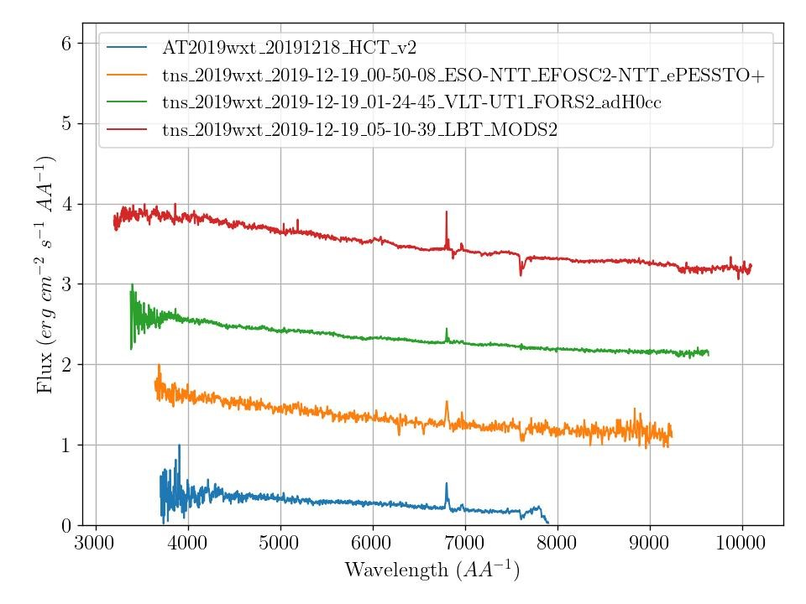
6530.28158 | 6303.3605985 | 197.11191 | 190.26246139 | 6333.16967 | 6113.0981371 | 6727.3935 | 6493.6230695 | O I 6300 | gqr
6798.65703 | 6562.4102606 | 45.22958 | 43.657895753 | 6753.42745 | 6518.7523649 | 6843.88661 | 6606.0681564 | H alpha
6922.98916 | 6682.4219691 | 197.11191 | 190.26246139 | 6725.87725 | 6492.1595077 | 7120.10108 | 6872.6844402 | He I 6678
6959.37905 | 6717.5473456 | 197.11191 | 190.26246139 | 6762.26714 | 6527.2848842 | 7156.49097 | 6907.8098166 | S II 6716
6973.02526 | 6730.7193629 | 197.11191 | 190.26246139 | 6775.91335 | 6540.4569015 | 7170.13718 | 6920.981834 | S II 6731
7311.14801 | 7057.0926737 | 197.11191 | 190.26246139 | 7114.03609 | 6866.8302027 | 7508.25992 | 7247.3551351 | He I 7065

4769.70568 | 4603.9630116 | 198.64541 | 191.74267375 | 4571.06026 | 4412.2203282 | 4968.35109 | 4795.7056853 | He II 4686/ C III 4650
5834.6658 | 5631.9167954 | 198.64541 | 191.74267375 | 5636.02039 | 5440.1741216 | 6033.31122 | 5823.6594788 | C III 5696?
6038.82915 | 5828.985666 | 198.64541 | 191.74267375 | 5840.18373 | 5637.2429826 | 6237.47456 | 6020.7283398 | He I 5876/C IV
6607.17574 | 6377.5827606 | 150.26771 | 145.04605212 | 6456.90804 | 6232.5367181 | 6757.44345 | 6522.6288127 | O I 6300?
6800.30323 | 6563.9992568 | 53.39727 | 51.541766409 | 6746.90595 | 6512.4574807 | 6853.7005 | 6615.5410232 | H alpha
6894.108 | 6654.5444015 | 36.98431 | 35.699140927 | 6857.12369 | 6618.8452606 | 6931.09232 | 6690.2435521 | He I 6678
6932.7335 | 6691.8277027 | 64.83972 | 62.586602317 | 6867.89378 | 6629.2411004 | 6997.57322 | 6754.414305 | He I 6678
6965.84107 | 6723.7848166 | 64.83972 | 62.586602317 | 6901.00135 | 6661.1982143 | 7030.68079 | 6786.3714189 | S II 6716, 6731?
7330.02433 | 7075.3130598 | 198.64541 | 191.74267375 | 7131.37891 | 6883.5703764 | 7528.66974 | 7267.0557336 | He I 7065

4810.5 | 4643.3397683 | 200 | 193.05019305 | 4610.5 | 4450.2895753 | 5010.5 | 4836.3899614 | C III 4650 | gqr
4822 | 4654.4401544 | 200 | 193.05019305 | 4622 | 4461.3899614 | 5022 | 4847.4903475 | C III 4650
4843 | 4674.7104247 | 200 | 193.05019305 | 4643 | 4481.6602317 | 5043 | 4867.7606178 | He II 4686 | dge, gqr,
4866.5 | 4697.3938224 | 200 | 193.05019305 | 4666.5 | 4504.3436293 | 5066.5 | 4890.4440154 | He II 4686 | dge
6017.5 | 5808.3976834 | 200 | 193.05019305 | 5817.5 | 5615.3474903 | 6217.5 | 6001.4478764 | C IV 5801 | dge
6079.5 | 5868.2432432 | 200 | 193.05019305 | 5879.5 | 5675.1930502 | 6279.5 | 6061.2934363 | He I 5876 | dge
6086.5 | 5875 | 200 | 193.05019305 | 5886.5 | 5681.9498069 | 6286.5 | 6068.0501931 | He I 5876 | dge
6799 | 6562.7413127 | 11.95205 | 11.536727799 | 6787.04795 | 6551.2045849 | 6810.95205 | 6574.2780405 | H alpha
6958.5 | 6716.6988417 | 200 | 193.05019305 | 6758.5 | 6523.6486486 | 7158.5 | 6909.7490347 | S II 6716 | dge, gqr,
6973 | 6730.6949807 | 200 | 193.05019305 | 6773 | 6537.6447876 | 7173 | 6923.7451737 | S II 6731 | dge, gqr,
7319 | 7064.6718147 | 200 | 193.05019305 | 7119 | 6871.6216216 | 7519 | 7257.7220077 | He I 7065 | dge

4822 | 4654.4401544 | 200 | 193.05019305 | 4622 | 4461.3899614 | 5022 | 4847.4903475 | C III 4650 | dge, gqr,
4843 | 4674.7104247 | 200 | 193.05019305 | 4643 | 4481.6602317 | 5043 | 4867.7606178 | He I 4686 | gqr
4866.5 | 4697.3938224 | 200 | 193.05019305 | 4666.5 | 4504.3436293 | 5066.5 | 4890.4440154 | He I 4686 | dge
6017.5 | 5808.3976834 | 200 | 193.05019305 | 5817.5 | 5615.3474903 | 6217.5 | 6001.4478764 | C IV 5801
6086.5 | 5875 | 200 | 193.05019305 | 5886.5 | 5681.9498069 | 6286.5 | 6068.0501931 | He I 5876
6799 | 6562.7413127 | 11.95205 | 11.536727799 | 6787.04795 | 6551.2045849 | 6810.95205 | 6574.2780405 | H alpha
6958.5 | 6716.6988417 | 200 | 193.05019305 | 6758.5 | 6523.6486486 | 7158.5 | 6909.7490347 | S II 6716
6973 | 6730.6949807 | 200 | 193.05019305 | 6773 | 6537.6447876 | 7173 | 6923.7451737 | S II 6731
7319 | 7064.6718147 | 200 | 193.05019305 | 7119 | 6871.6216216 | 7519 | 7257.7220077 | He I 7065

 | telluric abs

