IP MODEL FORMULATION
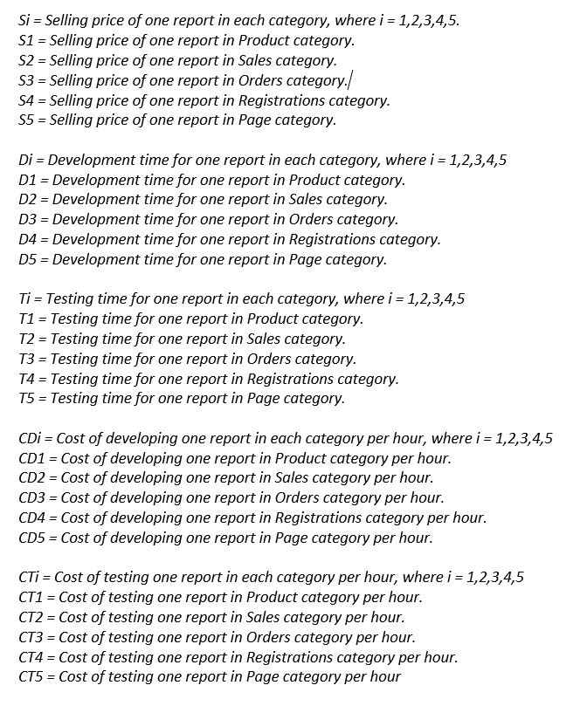
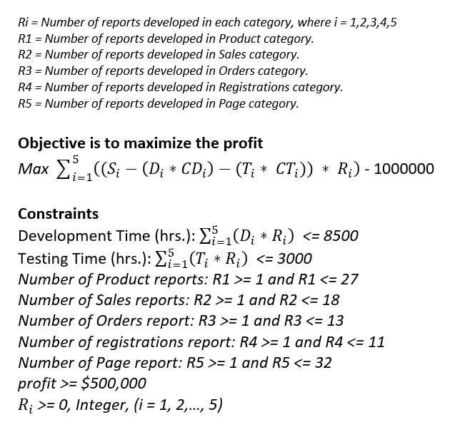
REPORT GENERATOR : Integer Programming Model Formulation

Decision Variables:
R1 = Number of Product Report
R2 = Number of Sales Report
R3 = Number of Orders Report
R4 = Number of Registration Report
R5 = Number of Page Report

Cluster Cost (Fixed Cost) : $1,000,000

Objective: Objective is to maximize the Profit
Maximize profit (38960-(75*200)-(16*100))*R1 + (48600-(100*250)-(24*150))*R2 + (65550-(150*275)-(30*160))*R3 + (83675-(175*325)-(40*170))*R4 + (32200-(70*175)-(8*80))*R5 - 1000000

Constraints:*
Development Time(hrs) : 75R1 + 100R2 + 150R3 + 175R4 + 70R5 ≤ 8500
Testing Time (hrs) : 16R1 + 24R2 + 30R3 + 40R4 + 8R5 ≤ 3000
Number of Product Report : R1 ≥ 1 and R1 ≤ 27
Number of Sales Report : R2 ≥ 1 and R2 ≤ 18
Number of Orders Report : R3 ≥ 1 and R3 ≤ 13
Number of Registraion Report : R4 ≥ 1 and R4 ≤ 11
Number of Page Report : R5 ≥ 1 and R5 ≤ 32
Profit ≥ 1000000
R1,R2,R3,R4,R5 ≥ 0, Integer

ALTERNATE METHOD:

One Way Sensitivity
Oneway analysis for Solver model in SPREADSHEET MODEL worksheet |  |  | Sensitivity of $C$11 - Objective Function to Total Development Time (Hrs)

Sensitivity of $C$11 - Objective Function to Total Development Time (Hrs)
When you select an output from the dropdown list in cell $K$4, the chart will adapt to that output.
Total Development Time (Hrs) (cell $D$14) values along side, output cell(s) along top |  |  | Data for chart
Total Development Time (Hrs) (cell $D$14) | $C$11 - Objective Function | 1 | $C$11 - Objective Function
7500.00 | 757640.00 |  | 757640
8000.00 | 816640.00 |  | 816640
8500.00 | 876140.00 |  | 876140
9000.00 | 935640.00 |  | 935640
9500.00 | 995140.00 |  | 995140
10000.00 | 1055140.00 |  | 1055140
10500.00 | 1055140.00 |  | 1055140
11000.00 | 1055140.00 |  | 1055140
11500.00 | 1055140.00 |  | 1055140
12000.00 | 1055140.00 |  | 1055140
12500.00 | 1055140.00 |  | 1055140

Two Way Sensitivity
Twoway analysis for Solver model in SPREADSHEET MODEL worksheet |  |  |  |  |  |  |  |  |  |  |  | Sensitivity of $C$11 to Maximum # of Registration Reports |  |  |  | Sensitivity of $C$11 to Total Development Time
 |  |  |  |  |  |  |  |  |  |  |  | Output and Total Development Time value for chart |  |  |  | Output and Maximum # of Registration Reports value for chart |  |  | $C$11
Total Development Time (cell $D$14) values along side, Maximum # of Registration Reports (cell $I$6) values along top, output cell in corner |  |  |  |  |  |  |  |  |  |  |  | Output | Total Development Time value |  |  | Output | Maximum # of Registration Reports value
By making appropriate selections in cells $M$4, $N$4, $Q$4, and $R$4, you can chart any row (in left chart) or column (in right chart) of any table to the left.
$C$11 | 11.00 | 12.00 | 13.00 | 14.00 | 15.00 | 16.00 | 17.00 | 18.00 | 19.00 | 20.00 | 1 | $C$11 | 8500 | 3 | 1 | $C$11 | 20 | 10
7500.00 | 757640.00 | 757640.00 | 757640.00 | 757640.00 | 757640.00 | 757640.00 | 757640.00 | 757640.00 | 757640.00 | 757640.00 | OutputValues_1 | 876140 |  |  | OutputValues_1 | 757640
8000.00 | 816640.00 | 816640.00 | 816640.00 | 816640.00 | 816640.00 | 816640.00 | 816640.00 | 816640.00 | 816640.00 | 816640.00 |  | 876140 |  |  |  | 816640
8500.00 | 876140.00 | 876140.00 | 876140.00 | 876140.00 | 876140.00 | 876140.00 | 876140.00 | 876140.00 | 876140.00 | 876140.00 |  | 876140 |  |  |  | 876140
9000.00 | 935640.00 | 935640.00 | 935640.00 | 935640.00 | 935640.00 | 935640.00 | 935640.00 | 935640.00 | 935640.00 | 935640.00 |  | 876140 |  |  |  | 935640
9500.00 | 995140.00 | 995140.00 | 995140.00 | 995140.00 | 995140.00 | 995140.00 | 995140.00 | 995140.00 | 995140.00 | 995140.00 |  | 876140 |  |  |  | 995140
10000.00 | 1055140.00 | 1055140.00 | 1055140.00 | 1055140.00 | 1055140.00 | 1055140.00 | 1055140.00 | 1055140.00 | 1055140.00 | 1055140.00 |  | 876140 |  |  |  | 1055140
10500.00 | 1055140.00 | 1075140.00 | 1095140.00 | 1115140.00 | 1115140.00 | 1115140.00 | 1115140.00 | 1115140.00 | 1115140.00 | 1115140.00 |  | 876140 |  |  |  | 1115140
11000.00 | 1055140.00 | 1075140.00 | 1095140.00 | 1115140.00 | 1135140.00 | 1155140.00 | 1175140.00 | 1175140.00 | 1175140.00 | 1175140.00 |  | 876140 |  |  |  | 1175140
11500.00 | 1055140.00 | 1075140.00 | 1095140.00 | 1115140.00 | 1135140.00 | 1155140.00 | 1175140.00 | 1195140.00 | 1215140.00 | 1215830.00 |  | 876140 |  |  |  | 1215830
12000.00 | 1055140.00 | 1075140.00 | 1095140.00 | 1115140.00 | 1135140.00 | 1155140.00 | 1175140.00 | 1195140.00 | 1215140.00 | 1235140.00 |  | 876140 |  |  |  | 1235140
12500.00 | 1055140.00 | 1075140.00 | 1095140.00 | 1115140.00 | 1135140.00 | 1155140.00 | 1175140.00 | 1195140.00 | 1215140.00 | 1235140.00 |  |  |  |  |  | 1235140

Sensitivity of $C$11 to Maximum # of Registration Reports
Sensitivity of $C$11 to Total Development Time

