Sheet1
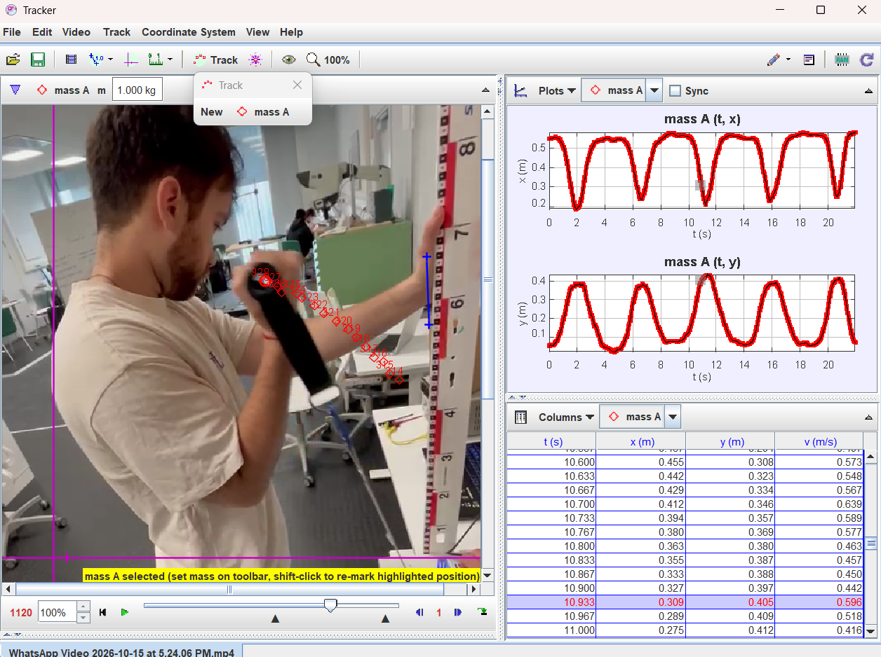
POWERCABLE V2 - Speed Validation

The adapive resistance mode works based on the user's speed, lowering the weight if the user is unable to the rep at their desired workout speed. To validate if the program is calculating the speed correctly, we used the video tracking software, Tracker, to calculate the speed of several reps and compare this with the value displayed by the interface.

Tracker data
t | x (m) | y (m) | v (m/s)
 | mass_A
t | x | y | vx | vy | v
0.00E+00 | 5.52E-01 | 4.90E-02
3.33E-02 | 5.52E-01 | 5.32E-02 | 2.98E-03 | 1.08E-01 | 0.10789936648
6.67E-02 | 5.52E-01 | 5.62E-02 | 8.02E-03 | 6.84E-02 | 0.068873990473
1.00E-01 | 5.52E-01 | 5.77E-02 | 3.08E-03 | 1.55E-02 | 0.015825031282
1.33E-01 | 5.52E-01 | 5.72E-02 | -2.53E-03 | -3.37E-02 | 0.033831890748
1.67E-01 | 5.52E-01 | 5.55E-02 | 1.33E-02 | -4.45E-02 | 0.04646834046
2.00E-01 | 5.53E-01 | 5.43E-02 | 3.06E-02 | -2.27E-02 | 0.038069805508
2.33E-01 | 5.54E-01 | 5.40E-02 | 3.22E-02 | 1.17E-02 | 0.034239516001 | Data Validation
2.67E-01 | 5.55E-01 | 5.51E-02 | 2.17E-02 | 3.71E-02 | 0.043001424586 | rep | Interface speed (m/s) | Tracker Speed (m/s) | Error
3.00E-01 | 5.56E-01 | 5.65E-02 | 1.49E-02 | 4.54E-02 | 0.047739357414 | 1 | 0.38 | 0.33537178074 | -13%
3.33E-01 | 5.56E-01 | 5.81E-02 | 1.26E-02 | 7.51E-02 | 0.076166387375 | 2 | 0.38 | 0.34563678313 | -10%
3.67E-01 | 5.57E-01 | 6.15E-02 | 9.44E-03 | 1.05E-01 | 0.10522917041 | 3 | 0.38 | 0.38361970726 | 1%
4.00E-01 | 5.57E-01 | 6.51E-02 | 1.17E-02 | 1.07E-01 | 0.10755913636 | 4 | 0.39 | 0.36729998078 | -6%
4.33E-01 | 5.57E-01 | 6.86E-02 | 1.14E-02 | 9.78E-02 | 0.098455258164 | 5 | 0.40 | 0.35351241003 | -13%
4.67E-01 | 5.58E-01 | 7.16E-02 | -2.27E-03 | 8.63E-02 | 0.086335900884
5.00E-01 | 5.57E-01 | 7.43E-02 | -1.69E-02 | 1.02E-01 | 0.10337059631
Tracker Velocity Magnitude vs time
3.33E-02 | 0.10789936648
6.67E-02 | 0.068873990473
1.00E-01 | 0.015825031282
1.33E-01 | 0.033831890748
1.67E-01 | 0.04646834046
2.00E-01 | 0.038069805508
2.33E-01 | 0.034239516001
2.67E-01 | 0.043001424586
3.00E-01 | 0.047739357414
3.33E-01 | 0.076166387375
3.67E-01 | 0.10522917041
4.00E-01 | 0.10755913636
4.33E-01 | 0.098455258164
4.67E-01 | 0.086335900884
5.00E-01 | 0.10337059631
5.33E-01 | 0.14146661185
5.67E-01 | 0.16516509066
6.00E-01 | 0.17548850427
6.33E-01 | 0.18468110108
6.67E-01 | 0.19120686336
7.00E-01 | 0.22252009481
7.33E-01 | 0.24876064178
7.67E-01 | 0.19933722409
8.00E-01 | 0.2479615392
8.33E-01 | 0.27304164412
8.67E-01 | 0.34655966211
9.00E-01 | 0.37972506014
9.33E-01 | 0.33086903177
9.67E-01 | 0.33880708733
1.00E+00 | 0.33967535059
1.03E+00 | 0.38706586872
1.07E+00 | 0.40788416823
1.10E+00 | 0.44446835045
1.13E+00 | 0.4430225145
1.17E+00 | 0.4287274346
1.20E+00 | 0.48919157759
1.23E+00 | 0.53939208366
1.27E+00 | 0.5631017923
1.30E+00 | 0.55883578379
1.33E+00 | 0.55453705854
1.37E+00 | 0.54109572203
1.40E+00 | 0.54919992926
1.43E+00 | 0.52345788671
1.47E+00 | 0.4974937981
1.50E+00 | 0.47048940087
1.53E+00 | 0.46725039644
1.57E+00 | 0.40487808947
1.60E+00 | 0.4516242045
1.63E+00 | 0.51000957533
1.67E+00 | 0.31891383467
...
5.33E-01 | 5.56E-01 | 7.84E-02 | -2.43E-02 | 1.39E-01 | 0.14146661185
5.67E-01 | 5.56E-01 | 8.36E-02 | -3.01E-02 | 1.62E-01 | 0.16516509066
6.00E-01 | 5.54E-01 | 8.92E-02 | -3.04E-02 | 1.73E-01 | 0.17548850427
6.33E-01 | 5.54E-01 | 9.52E-02 | -3.16E-02 | 1.82E-01 | 0.18468110108
6.67E-01 | 5.52E-01 | 1.01E-01 | -5.26E-02 | 1.84E-01 | 0.19120686336
7.00E-01 | 5.50E-01 | 1.07E-01 | -7.92E-02 | 2.08E-01 | 0.22252009481
7.33E-01 | 5.47E-01 | 1.15E-01 | -8.94E-02 | 2.32E-01 | 0.24876064178
7.67E-01 | 5.44E-01 | 1.23E-01 | -1.06E-01 | 1.69E-01 | 0.19933722409
8.00E-01 | 5.40E-01 | 1.26E-01 | -1.75E-01 | 1.76E-01 | 0.2479615392
8.33E-01 | 5.32E-01 | 1.35E-01 | -1.37E-01 | 2.36E-01 | 0.27304164412
8.67E-01 | 5.31E-01 | 1.42E-01 | -4.75E-02 | 3.43E-01 | 0.34655966211
9.00E-01 | 5.29E-01 | 1.57E-01 | -9.70E-02 | 3.67E-01 | 0.37972506014
9.33E-01 | 5.24E-01 | 1.67E-01 | -1.53E-01 | 2.93E-01 | 0.33086903177
9.67E-01 | 5.19E-01 | 1.77E-01 | -1.72E-01 | 2.92E-01 | 0.33880708733
1.00E+00 | 5.13E-01 | 1.86E-01 | -1.90E-01 | 2.82E-01 | 0.33967535059
1.03E+00 | 5.06E-01 | 1.96E-01 | -2.09E-01 | 3.26E-01 | 0.38706586872
1.07E+00 | 4.99E-01 | 2.08E-01 | -2.37E-01 | 3.32E-01 | 0.40788416823
1.10E+00 | 4.91E-01 | 2.18E-01 | -3.47E-01 | 2.77E-01 | 0.44446835045
1.13E+00 | 4.76E-01 | 2.26E-01 | -3.35E-01 | 2.89E-01 | 0.4430225145
1.17E+00 | 4.68E-01 | 2.37E-01 | -2.78E-01 | 3.26E-01 | 0.4287274346
1.20E+00 | 4.57E-01 | 2.48E-01 | -3.26E-01 | 3.65E-01 | 0.48919157759
1.23E+00 | 4.46E-01 | 2.62E-01 | -3.36E-01 | 4.22E-01 | 0.53939208366
1.27E+00 | 4.35E-01 | 2.76E-01 | -3.93E-01 | 4.03E-01 | 0.5631017923
1.30E+00 | 4.20E-01 | 2.88E-01 | -4.61E-01 | 3.17E-01 | 0.55883578379
1.33E+00 | 4.04E-01 | 2.97E-01 | -4.41E-01 | 3.36E-01 | 0.55453705854
1.37E+00 | 3.91E-01 | 3.11E-01 | -4.32E-01 | 3.26E-01 | 0.54109572203
1.40E+00 | 3.75E-01 | 3.19E-01 | -4.89E-01 | 2.49E-01 | 0.54919992926
1.43E+00 | 3.58E-01 | 3.27E-01 | -4.70E-01 | 2.30E-01 | 0.52345788671
1.47E+00 | 3.44E-01 | 3.34E-01 | -3.84E-01 | 3.17E-01 | 0.4974937981
1.50E+00 | 3.33E-01 | 3.49E-01 | -3.65E-01 | 2.97E-01 | 0.47048940087
1.53E+00 | 3.20E-01 | 3.54E-01 | -4.41E-01 | 1.54E-01 | 0.46725039644
1.57E+00 | 3.03E-01 | 3.59E-01 | -3.93E-01 | 9.59E-02 | 0.40487808947
1.60E+00 | 2.94E-01 | 3.61E-01 | -4.41E-01 | 9.59E-02 | 0.4516242045
1.63E+00 | 2.74E-01 | 3.65E-01 | -4.89E-01 | 1.44E-01 | 0.51000957533
1.67E+00 | 2.61E-01 | 3.70E-01 | -3.07E-01 | 8.63E-02 | 0.31891383467
1.70E+00 | 2.53E-01 | 3.71E-01 | -3.84E-01 | 3.84E-02 | 0.38566739392
1.73E+00 | 2.35E-01 | 3.73E-01 | -4.61E-01 | 2.88E-02 | 0.46140264567
1.77E+00 | 2.23E-01 | 3.73E-01 | -4.41E-01 | -3.84E-02 | 0.44298185052
Interface Speed vs Tracker Speed
1.80E+00 | 2.06E-01 | 3.70E-01 | -3.65E-01 | 7.68E-02 | 0.37255723177
1.83E+00 | 1.98E-01 | 3.78E-01 | -2.11E-01 | 1.82E-01 | 0.27888211951
1.87E+00 | 1.92E-01 | 3.82E-01 | -1.63E-01 | 1.92E-02 | 0.16422000774
1.90E+00 | 1.87E-01 | 3.79E-01 | -7.68E-02 | 1.92E-02 | 0.079112799821
1.93E+00 | 1.87E-01 | 3.84E-01 | 2.88E-02 | 1.92E-02 | 0.034591068181
1.97E+00 | 1.89E-01 | 3.81E-01 | 8.63E-02 | -8.63E-02 | 0.12210959122
2.00E+00 | 1.93E-01 | 3.78E-01 | 3.84E-02 | 3.84E-02 | 0.054270926289
2.03E+00 | 1.92E-01 | 3.83E-01 | 9.59E-02 | 3.84E-02 | 0.1033287745
2.07E+00 | 1.99E-01 | 3.81E-01 | 9.59E-02 | 0.00E+00 | 0.09593836
2.10E+00 | 1.98E-01 | 3.83E-01 | 4.80E-02 | 0.00E+00 | 0.04796918
2.13E+00 | 2.02E-01 | 3.81E-01 | 9.59E-02 | 2.88E-02 | 0.10016258901
2.17E+00 | 2.05E-01 | 3.85E-01 | 1.34E-01 | -2.88E-02 | 0.13736282367
2.20E+00 | 2.11E-01 | 3.79E-01 | 2.59E-01 | -6.72E-02 | 0.26759754937
2.23E+00 | 2.22E-01 | 3.81E-01 | 2.59E-01 | 6.72E-02 | 0.26759754937
2.27E+00 | 2.28E-01 | 3.83E-01 | 2.40E-01 | -5.76E-02 | 0.24665675952
2.30E+00 | 2.38E-01 | 3.77E-01 | 2.97E-01 | -5.76E-02 | 0.30292830021
2.33E+00 | 2.48E-01 | 3.79E-01 | 3.84E-01 | 9.59E-02 | 0.39556395302
2.37E+00 | 2.64E-01 | 3.83E-01 | 3.84E-01 | -1.92E-02 | 0.38423279232
2.40E+00 | 2.74E-01 | 3.78E-01 | 3.93E-01 | 0.00E+00 | 0.3933473
2.43E+00 | 2.90E-01 | 3.83E-01 | 4.89E-01 | 0.00E+00 | 0.4892856
2.47E+00 | 3.06E-01 | 3.78E-01 | 5.37E-01 | -1.82E-01 | 0.56733568172
2.50E+00 | 3.26E-01 | 3.71E-01 | 4.32E-01 | -1.73E-01 | 0.46497945554
2.53E+00 | 3.35E-01 | 3.66E-01 | 3.84E-01 | -3.17E-01 | 0.4974937981
2.57E+00 | 3.51E-01 | 3.50E-01 | 4.89E-01 | -3.74E-01 | 0.61595113819
2.60E+00 | 3.68E-01 | 3.42E-01 | 4.41E-01 | -3.17E-01 | 0.54313318837
2.63E+00 | 3.81E-01 | 3.29E-01 | 4.99E-01 | -3.55E-01 | 0.61227918902
2.67E+00 | 4.01E-01 | 3.18E-01 | 4.13E-01 | -3.07E-01 | 0.51423311983
2.70E+00 | 4.08E-01 | 3.08E-01 | 3.17E-01 | -3.07E-01 | 0.44100347497
2.73E+00 | 4.22E-01 | 2.97E-01 | 4.13E-01 | -3.74E-01 | 0.55693846158
2.77E+00 | 4.36E-01 | 2.83E-01 | 3.36E-01 | -3.26E-01 | 0.46813595587
2.80E+00 | 4.45E-01 | 2.76E-01 | 2.78E-01 | -3.26E-01 | 0.4287274346
2.83E+00 | 4.54E-01 | 2.62E-01 | 2.78E-01 | -3.26E-01 | 0.4287274346
2.87E+00 | 4.63E-01 | 2.54E-01 | 2.88E-01 | -1.73E-01 | 0.33564716967
2.90E+00 | 4.73E-01 | 2.50E-01 | 2.11E-01 | -2.69E-01 | 0.3416267861
2.93E+00 | 4.77E-01 | 2.36E-01 | 1.34E-01 | -2.78E-01 | 0.30894531253
2.97E+00 | 4.82E-01 | 2.32E-01 | 1.92E-01 | -2.88E-01 | 0.34591068181
3.00E+00 | 4.90E-01 | 2.17E-01 | 2.48E-01 | -2.12E-01 | 0.32621759794
3.03E+00 | 4.99E-01 | 2.17E-01 | 2.17E-01 | -9.77E-02 | 0.23841205498
3.07E+00 | 5.04E-01 | 2.10E-01 | 1.56E-01 | -2.29E-01 | 0.27727589103
3.10E+00 | 5.09E-01 | 2.02E-01 | 1.33E-01 | -2.30E-01 | 0.26615987537
3.13E+00 | 5.13E-01 | 1.95E-01 | 7.54E-02 | -2.79E-01 | 0.28870170534
3.17E+00 | 5.14E-01 | 1.84E-01 | 9.07E-02 | -2.86E-01 | 0.29992171103
3.20E+00 | 5.19E-01 | 1.76E-01 | 1.44E-01 | -2.11E-01 | 0.25545557247
3.23E+00 | 5.24E-01 | 1.69E-01 | 1.92E-01 | -2.21E-01 | 0.29241530266
3.27E+00 | 5.32E-01 | 1.61E-01 | 1.50E-01 | -1.10E-01 | 0.18608595258
3.30E+00 | 5.34E-01 | 1.62E-01 | 3.00E-02 | -7.59E-02 | 0.081622864616
3.33E+00 | 5.34E-01 | 1.56E-01 | 1.31E-02 | -1.89E-01 | 0.18965243489
3.37E+00 | 5.35E-01 | 1.50E-01 | 2.16E-02 | -1.91E-01 | 0.19257407282
3.40E+00 | 5.36E-01 | 1.43E-01 | 3.15E-02 | -2.06E-01 | 0.20876310621
3.43E+00 | 5.37E-01 | 1.36E-01 | 3.68E-02 | -2.22E-01 | 0.22527993414
3.47E+00 | 5.38E-01 | 1.29E-01 | 3.55E-02 | -2.24E-01 | 0.22645813303
3.50E+00 | 5.39E-01 | 1.21E-01 | 2.84E-02 | -2.36E-01 | 0.23810819247
3.53E+00 | 5.40E-01 | 1.13E-01 | 1.47E-02 | -2.41E-01 | 0.24146150247
3.57E+00 | 5.40E-01 | 1.05E-01 | 1.07E-02 | -2.34E-01 | 0.23397775051
3.60E+00 | 5.41E-01 | 9.72E-02 | 1.70E-02 | -2.24E-01 | 0.22503776405
3.63E+00 | 5.41E-01 | 8.98E-02 | 1.42E-02 | -2.17E-01 | 0.21765478488
3.67E+00 | 5.42E-01 | 8.27E-02 | 3.55E-03 | -2.05E-01 | 0.20476535462
3.70E+00 | 5.42E-01 | 7.62E-02 | -3.97E-04 | -1.92E-01 | 0.19221781096
3.73E+00 | 5.42E-01 | 6.99E-02 | 6.88E-03 | -1.85E-01 | 0.1854812187
3.77E+00 | 5.42E-01 | 6.38E-02 | 1.82E-02 | -1.72E-01 | 0.17325348917
3.80E+00 | 5.43E-01 | 5.84E-02 | 3.32E-02 | -1.61E-01 | 0.16416453796
3.83E+00 | 5.44E-01 | 5.31E-02 | 4.95E-02 | -1.27E-01 | 0.13615707119
3.87E+00 | 5.46E-01 | 4.99E-02 | 4.93E-02 | -6.22E-02 | 0.079298883717
3.90E+00 | 5.48E-01 | 4.90E-02 | 4.28E-02 | -2.42E-02 | 0.049193464921
3.93E+00 | 5.49E-01 | 4.83E-02 | 4.38E-02 | -1.49E-02 | 0.046218978626
3.97E+00 | 5.50E-01 | 4.80E-02 | 3.62E-02 | -3.28E-02 | 0.048836248238
4.00E+00 | 5.51E-01 | 4.61E-02 | 2.82E-02 | -4.88E-02 | 0.056397854901
4.03E+00 | 5.52E-01 | 4.47E-02 | 2.02E-02 | -3.36E-02 | 0.039227269287
4.07E+00 | 5.53E-01 | 4.39E-02 | 1.51E-02 | -2.99E-02 | 0.033507524324
4.10E+00 | 5.53E-01 | 4.27E-02 | 1.94E-02 | -2.67E-02 | 0.033004365657
4.13E+00 | 5.54E-01 | 4.21E-02 | 2.00E-02 | -2.89E-02 | 0.035140255614
4.17E+00 | 5.55E-01 | 4.08E-02 | 1.17E-02 | -2.75E-02 | 0.029885936068
4.20E+00 | 5.55E-01 | 4.03E-02 | -1.25E-02 | -7.95E-03 | 0.014832109667
4.23E+00 | 5.54E-01 | 4.03E-02 | -3.17E-02 | -1.92E-02 | 0.037039834025
4.27E+00 | 5.53E-01 | 3.90E-02 | -4.26E-02 | -5.86E-02 | 0.072400134323
4.30E+00 | 5.51E-01 | 3.64E-02 | -5.07E-02 | -8.41E-02 | 0.098198388947
4.33E+00 | 5.49E-01 | 3.34E-02 | -4.95E-02 | -6.96E-02 | 0.085400253851
4.37E+00 | 5.48E-01 | 3.17E-02 | -5.66E-02 | -4.47E-02 | 0.072131773848
...

