Test Results
Issue ID | Issue Description | Test Result | Screenshot | Severity Level | Steps to Reproduce | Expected Behavior | Actual Behavior | Device/Platform | Additional Notes/Comments
1 | App Open | Passed | 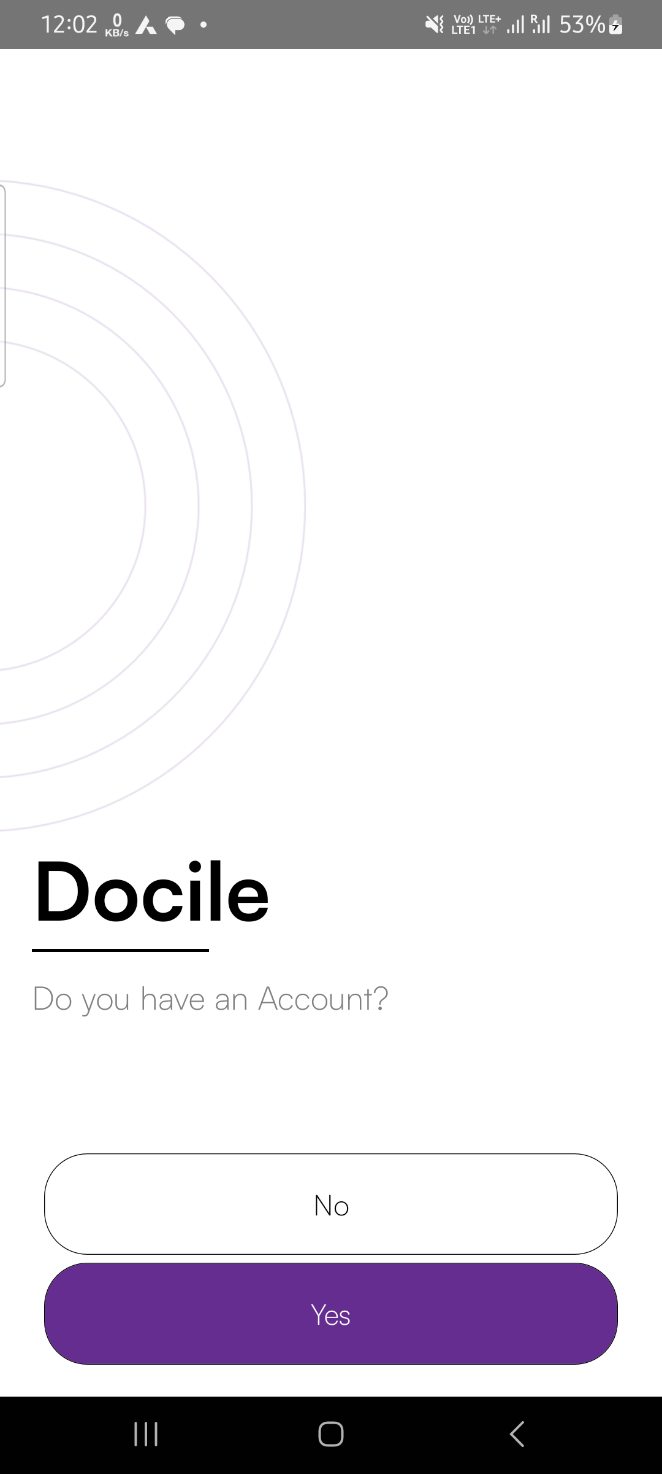 | None | None | User should be logged in successfully | User logged in successfully | Android | No issues
2 | Click yes to login | Passed | 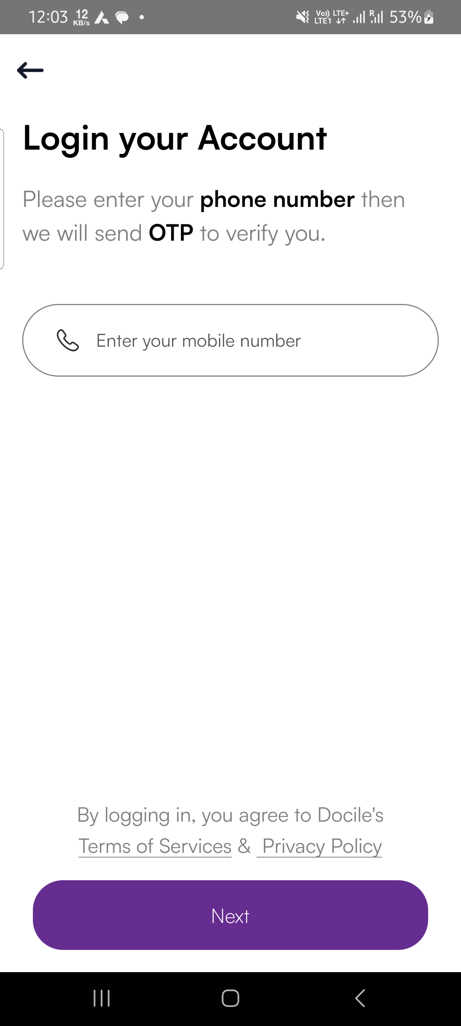 | None | None | YES to login | As Expected | Android | No issues
3 | Login with mobile no and enter otp | Passed | 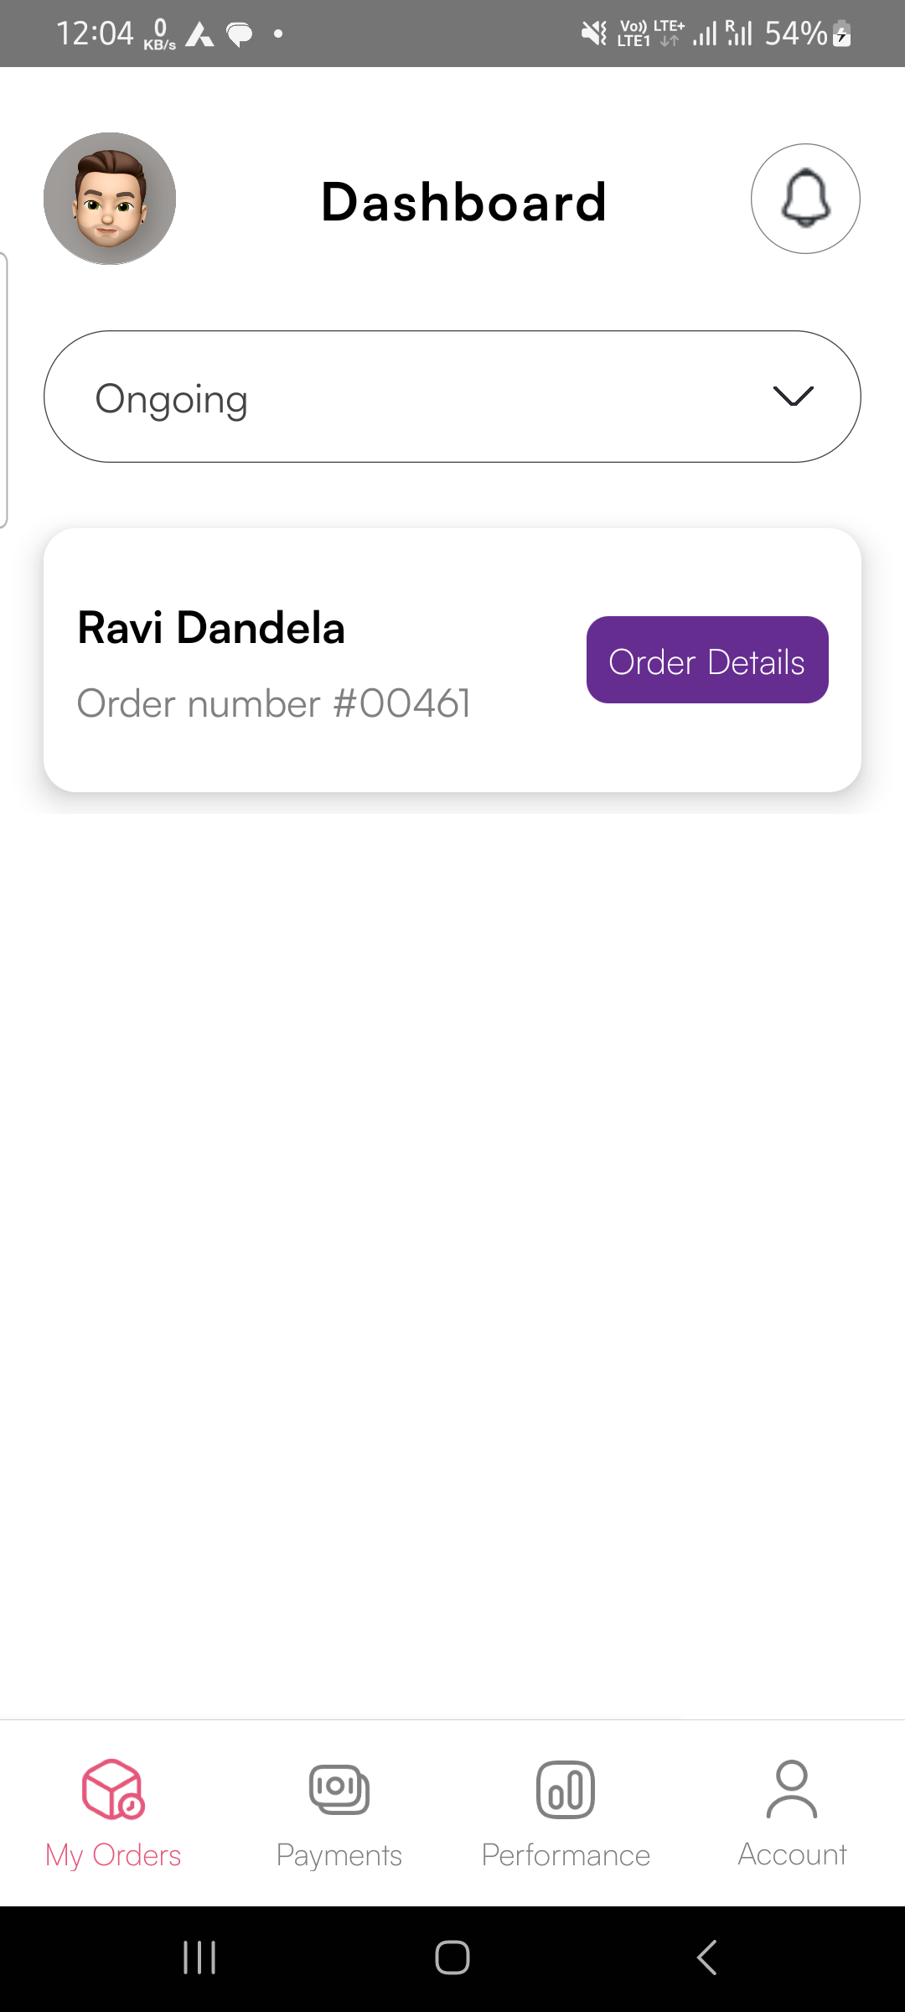 | None | None | Login with mobile no | As Expected | Android | No issues
4 | Click on notification | Passed |  | None | None | Click on notification | As Expected | Android | No issues
5 | order complete button click | Passed |  | None | None | order complete button click xpath" | As Expected | Android | No issues
6 | order complete button click | Failed |  | High | 1. Open app 2. Enter valid credentials | order complete button click xpath" | As Expected | Android | Error encountered
7 | payment button click" | Passed | 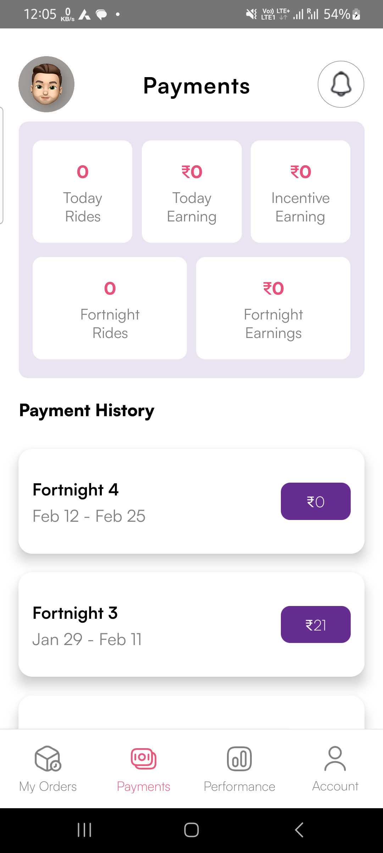 | None | None | payment button click xpath" | As Expected | Android | No issues
8 | performance button click" | Failed |  | High | 1. Open app 2. Enter valid credentials | performance button click xpath" | As Expected | Android | Error encountered
9 | Login button click | Passed | 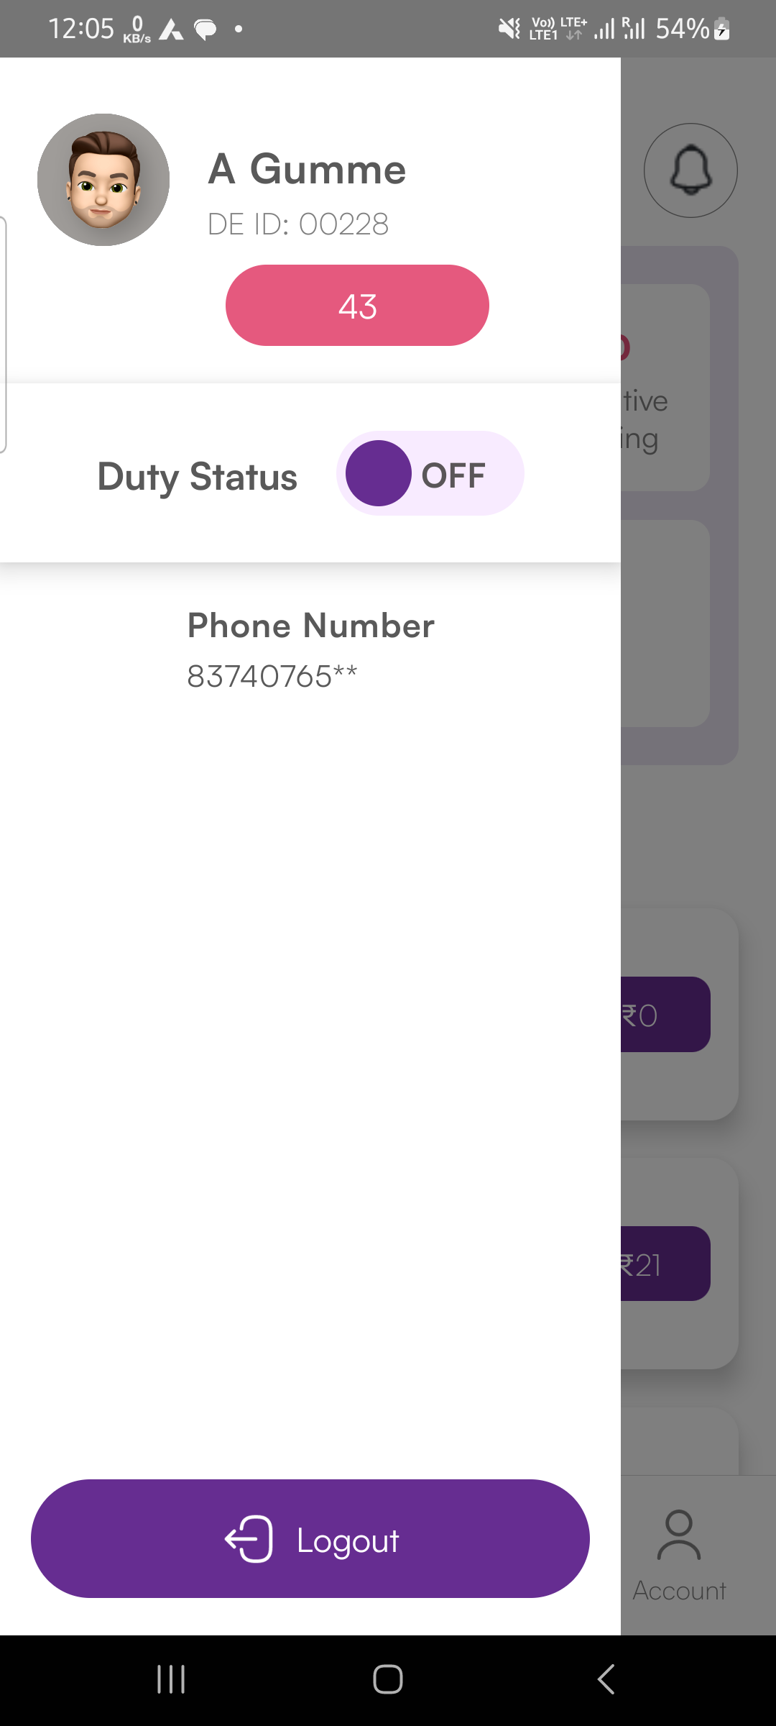 | None | None | Login button click xpath" | As Expected | Android | No issues
10 | Duty status button click | Passed | 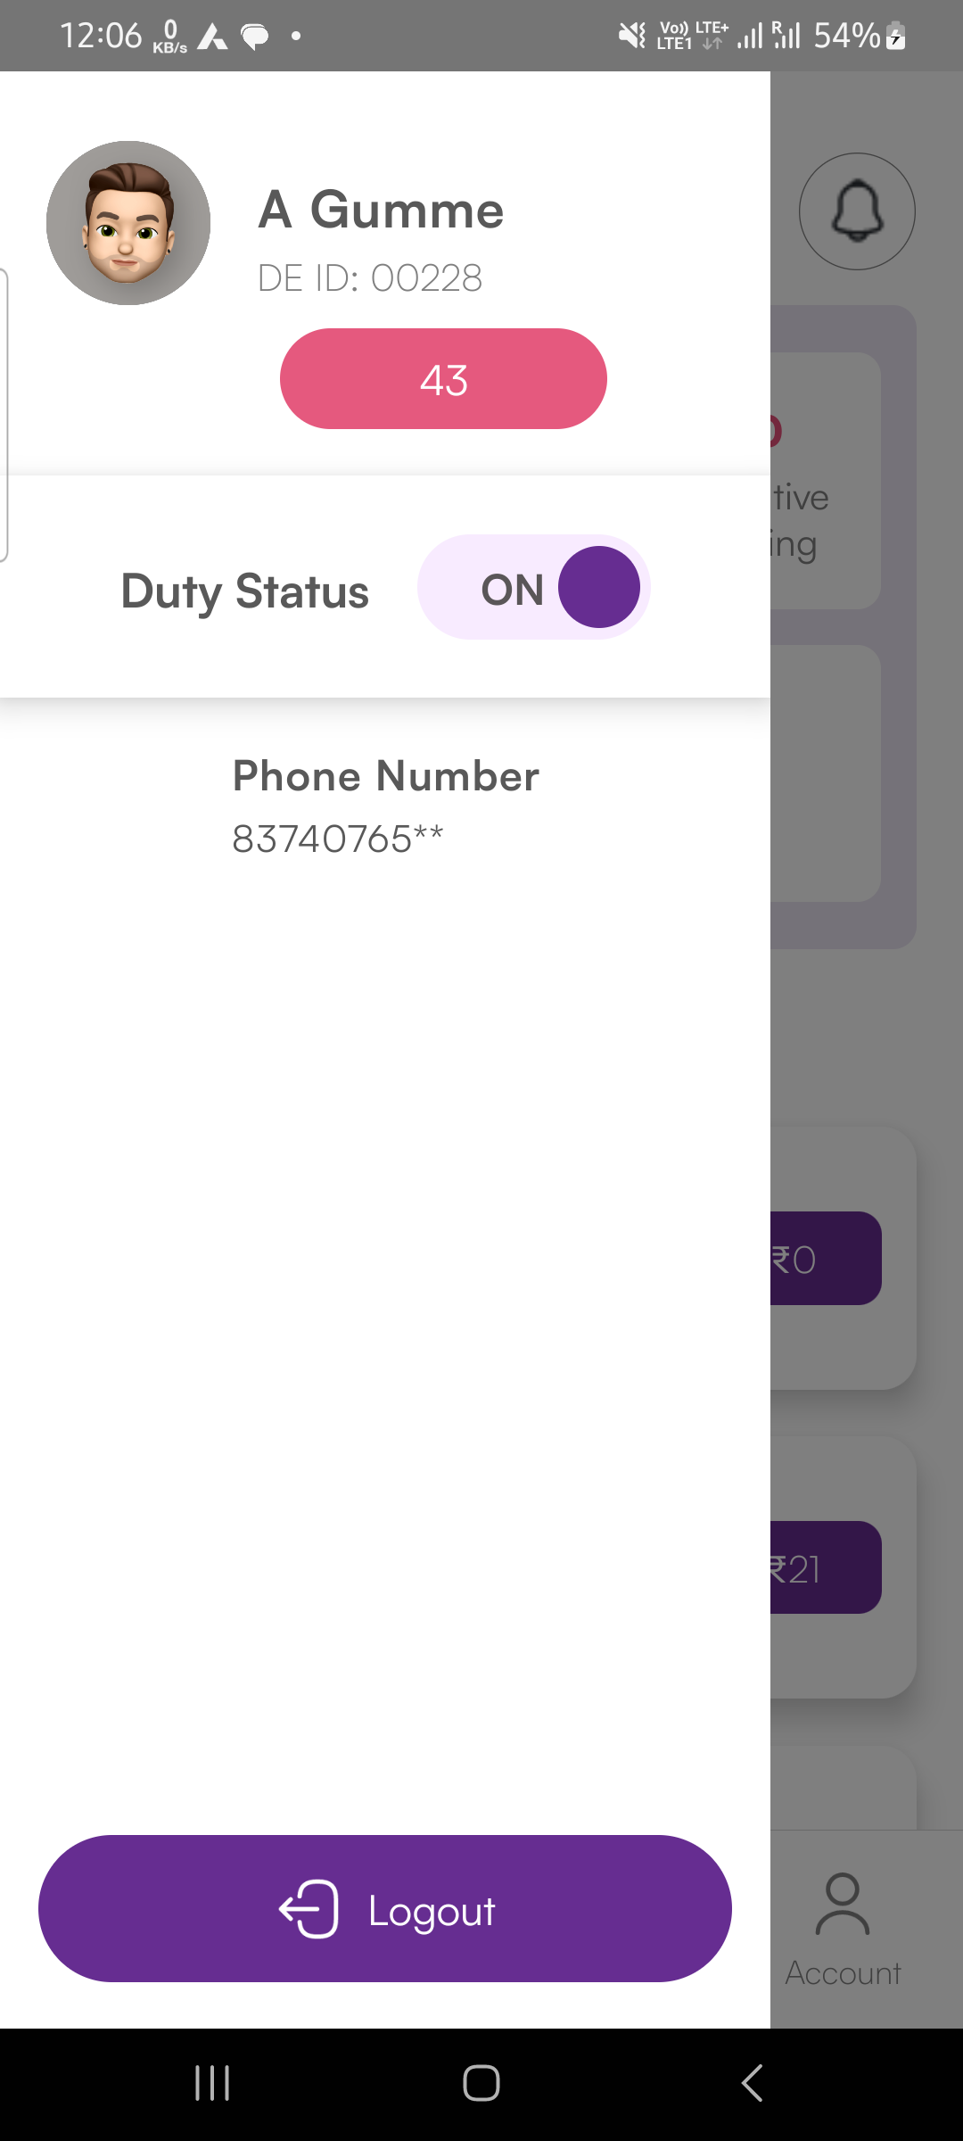 | None | None | Duty status button click xpath" | As Expected | Android | No issues
11 | Logout button click | Passed |  | None | None | Logout button click xpath" | As Expected | Android | No issues

