COVER (16)
 |  |  |  |  |  |  |  |  |  |  |  |  |  |  |  |  | 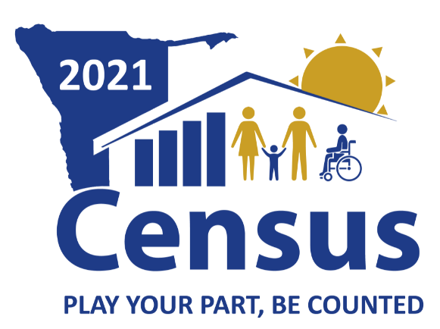
2021 NAMIBIA POPULATION AND HOUSING CENSUS
 |  |  |  |  |  |  |  |  |  |  |  |  | Questionnaire number of this household (for persons Nos 01 -10=1, Nos 11-20=2, etc.) |  |  | Total Number of questionnaires for this household:
PART A
Identification Information:

Region |  |  |  |  |  |  |  |  |  |  | Code

Constituency |  |  |  |  |  |  |  |  |  |  | Code

EA Number |  |  |  |  |  |  |  |  |  | Rural/Urban/Peri Urban/Informal Urban

 |  |  |  |  |  |  |  |  |  |  |  |  |  |  |  |  |  | 11
 |  |  |  |  |  |  |  | Dwelling Number |  |  |  |  |  |  |  |  |  | 12

Household Number

 |  |  |  |  |  |  |  |  |  |  |  |  |  | Household type
Date of Interview |  | Started on |  |  |  |  |  |  | GeoCode
 |  |  |  | D | D | M | M |  |  |  |  |  |  | 100 | Conventional households
 |  |  |  |  |  |  |  |  |  |  |  |  |  | 201 | Boarding school/ Tertiary education Hostels
 |  |  |  |  |  |  |  |  |  |  |  |  |  | 202 | Convents/ Seminaries hostels/ Monastries
 |  |  |  |  |  |  |  |  |  |  |  |  |  | 203 | Military/army baracks
Particulars of the Household |  |  |  |  |  |  |  |  |  |  |  |  |  | 204 | Prison
 | GPS Readings: |  |  |  |  |  |  |  |  |  |  |  |  | 205 | Police colleges/ Mobile units
 |  |  |  |  |  |  |  |  |  |  |  |  |  | 206 | Employment hostels
Physical Address of the household: |  |  |  |  |  |  |  |  |  |  |  |  |  | 208 | Rehabilitation centres
 |  |  |  |  |  |  |  |  |  |  |  |  |  | 209 | Old age homes
Telephone Number of the Household (If any) |  |  |  |  |  |  |  |  |  |  |  |  |  | 210 | Temporary waiting shelters/orphanage shelters
 |  |  |  |  |  |  |  |  |  |  |  |  |  | 211 | Safe homes
 |  |  |  |  |  |  |  |  |  |  |  |  |  | 212 | Relocation camps
Name of Head of Household |  |  |  |  |  |  |  |  |  |  |  |  |  | 213 | Maternity waiting shelters
 |  |  | ` |  |  |  |  |  |  |  |  | Well Known Name Head of HH |  | 214 | Person in Temporary waiting shelters
 |  |  |  |  |  |  |  |  |  |  |  |  |  | 215 | Refugee Camps
Name of Primary Respondent |  |  |  |  |  |  |  |  |  |  |  |  |  | 216 | Diplomats
 |  |  | ` |  |  |  |  |  |  |  |  |  |  | 217 | Others, Specify

