GSD Calculator
GROUND SAMPLING DISTANCE CALCULATOR

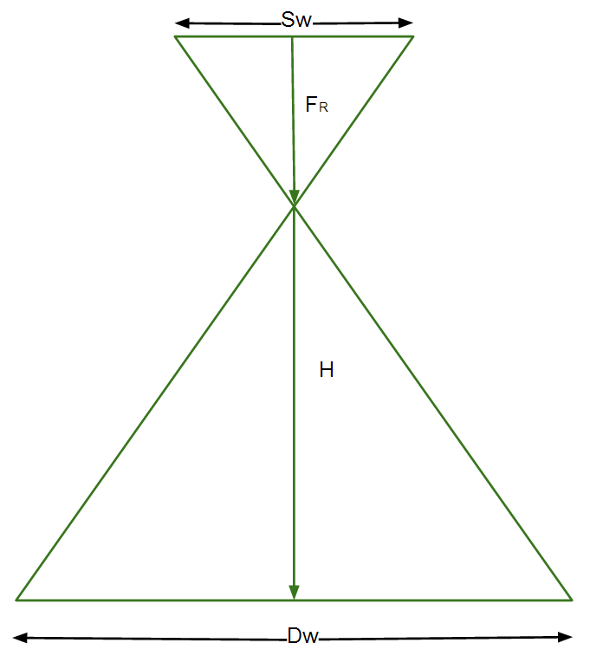
 | Instructions
 | 1. Enter the Sensor Width (millimeters) in cell C14
 | 2. Enter the Focal Length (millimeters) in cell C15 (real focal length,not 35 mm equivalent)
 | 3. Enter the Flight Height (meters) in cell C16
 | 4. Enter the Image Width (pixels) in cell C17
 | 5. [Optional] Enter the Image Height (pixels) in cell C18
 | 6. Hit Enter
 | Calculator
 | Sw | 13.125 | = the sensor width of the camera (millimeters)
 | FR | 15.4 | = the focal length of the camera (millimeters)
 | H | 100 | = the flight height (meters)
 | imW | 4608 | = the image width (pixels)
 | imH | 3456 | = the image height (pixels)
 | GSD | 1.85 | = Ground Sampling Distance (centimeters/pixel)
 | Dw | 85 | = width of single image footprint on the ground (meters)
 | DH | 64 | = height of single image footprint on the ground (meters)

 |  |  |  | Dw = The footprint width / distance covered on the ground by one image in width direction
 |  |  |  |  | www.pix4d.com

