dockerfile run result
1 | microservice jar(eurekaservice) and Dockerfile is already

2 | docker build -t eurekaservice:1.0 -f Dockerfile .

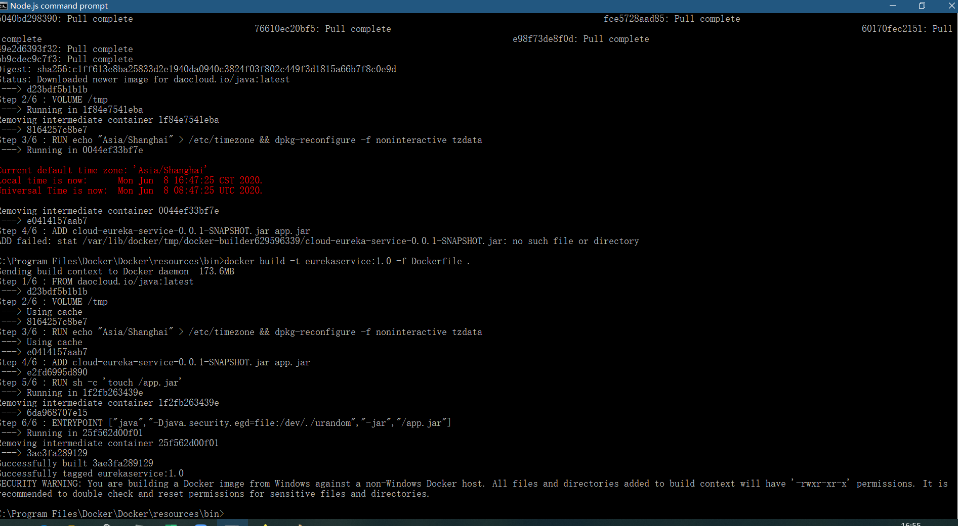

3 | docker images

4 | docker run -d -p 8080:8080 -v /home/data:/webapps --name search tomcat:9.0

5 | docker run --name eurekacon1 -it -p 8081:8081 eurekaservice:1.0 /bin/bash

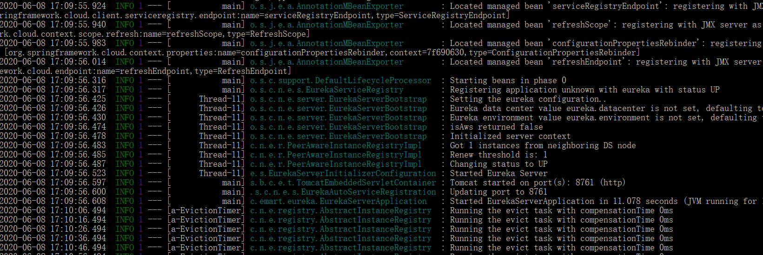

6 | docker run -d -p 8761:8761 eurekaservice:1.0

7 | http://localhost:8761/ | result is ok

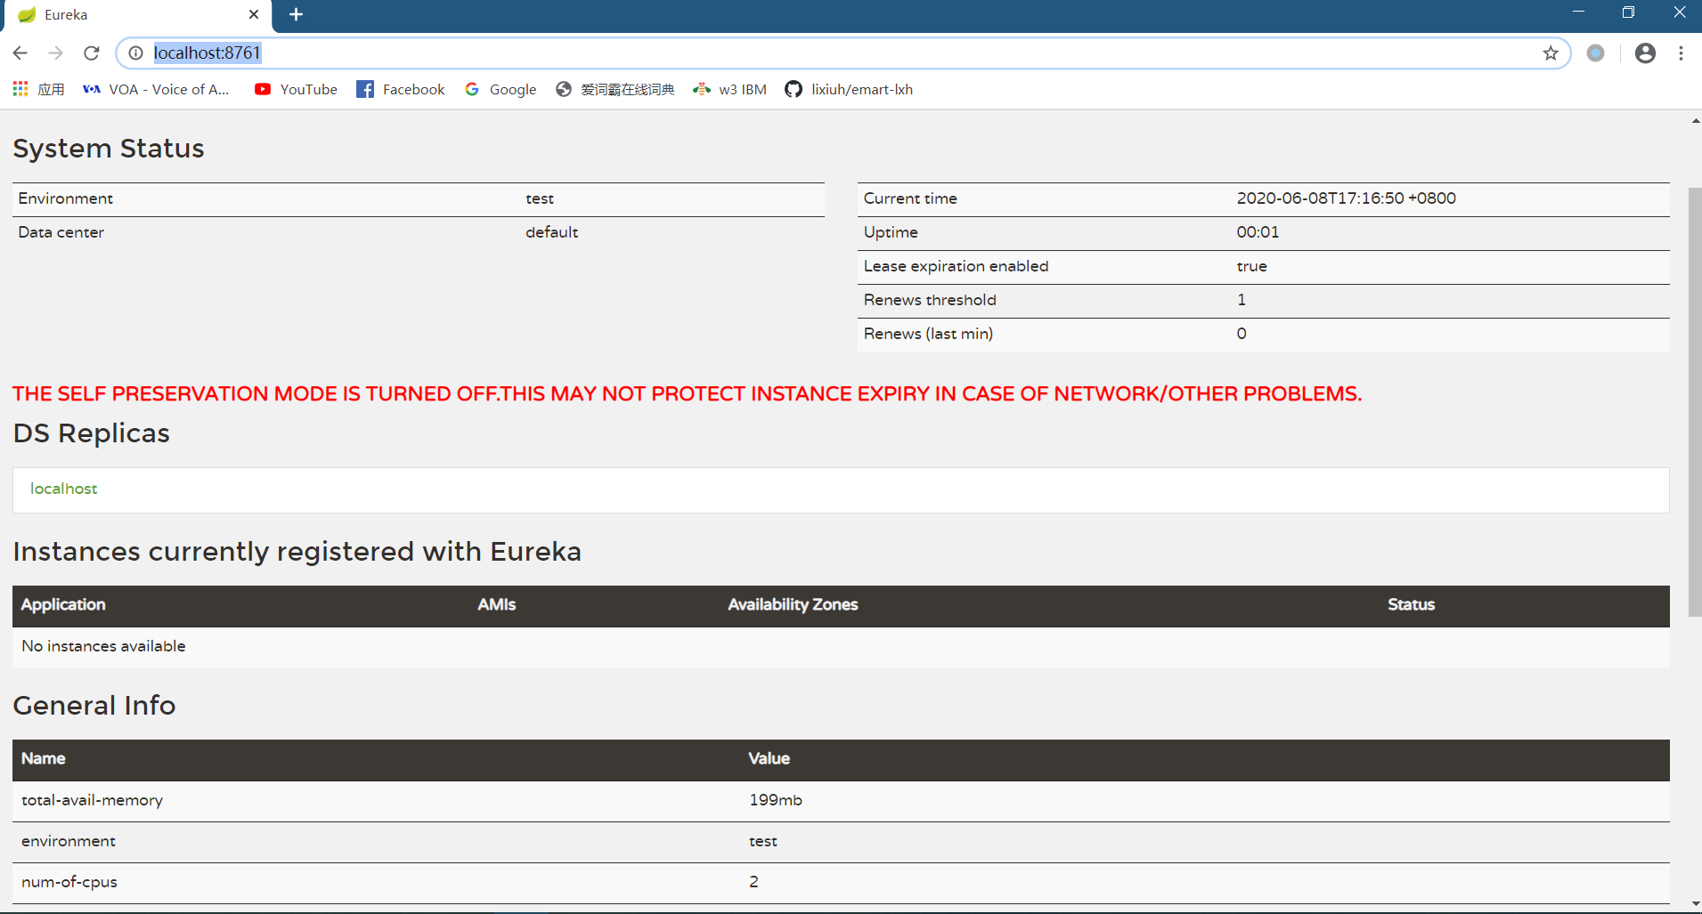

8 | docker stop eurekacon1

 | 2020-06-08 17:25:11.716 INFO 1 --- [ Thread-13] ationConfigEmbeddedWebApplicationContext : Closing org.springframework.boot.context.embedded.AnnotationConfigEmbeddedWebApplicationContext@7f690630: startup date [Mon Jun 08 17:09:48 CST 2020]; parent: org.springframework.context.annotation.AnnotationConfigApplicationContext@3b95a09c
 | 2020-06-08 17:25:11.716 INFO 1 --- [ Thread-13] o.s.c.n.e.s.EurekaServiceRegistry : Unregistering application unknown with eureka with status DOWN
 | 2020-06-08 17:25:11.718 INFO 1 --- [ Thread-13] o.s.c.support.DefaultLifecycleProcessor : Stopping beans in phase 0
 | 2020-06-08 17:25:11.721 INFO 1 --- [ Thread-13] c.n.eureka.DefaultEurekaServerContext : Shutting down ...
 | 2020-06-08 17:25:11.741 INFO 1 --- [ Thread-13] c.n.eureka.DefaultEurekaServerContext : Shut down
 | 2020-06-08 17:25:11.757 INFO 1 --- [ Thread-13] o.s.j.e.a.AnnotationMBeanExporter : Unregistering JMX-exposed beans on shutdown
 | 2020-06-08 17:25:11.758 INFO 1 --- [ Thread-13] o.s.j.e.a.AnnotationMBeanExporter : Unregistering JMX-exposed beans
 | 2020-06-08 17:25:11.760 INFO 1 --- [ Thread-13] com.netflix.discovery.DiscoveryClient : Shutting down DiscoveryClient ...
 | 2020-06-08 17:25:11.768 INFO 1 --- [ Thread-13] com.netflix.discovery.DiscoveryClient : Completed shut down of DiscoveryClient

 | C:\Program Files\Docker\Docker\resources\bin>

