Jenkinsfile_runsresult
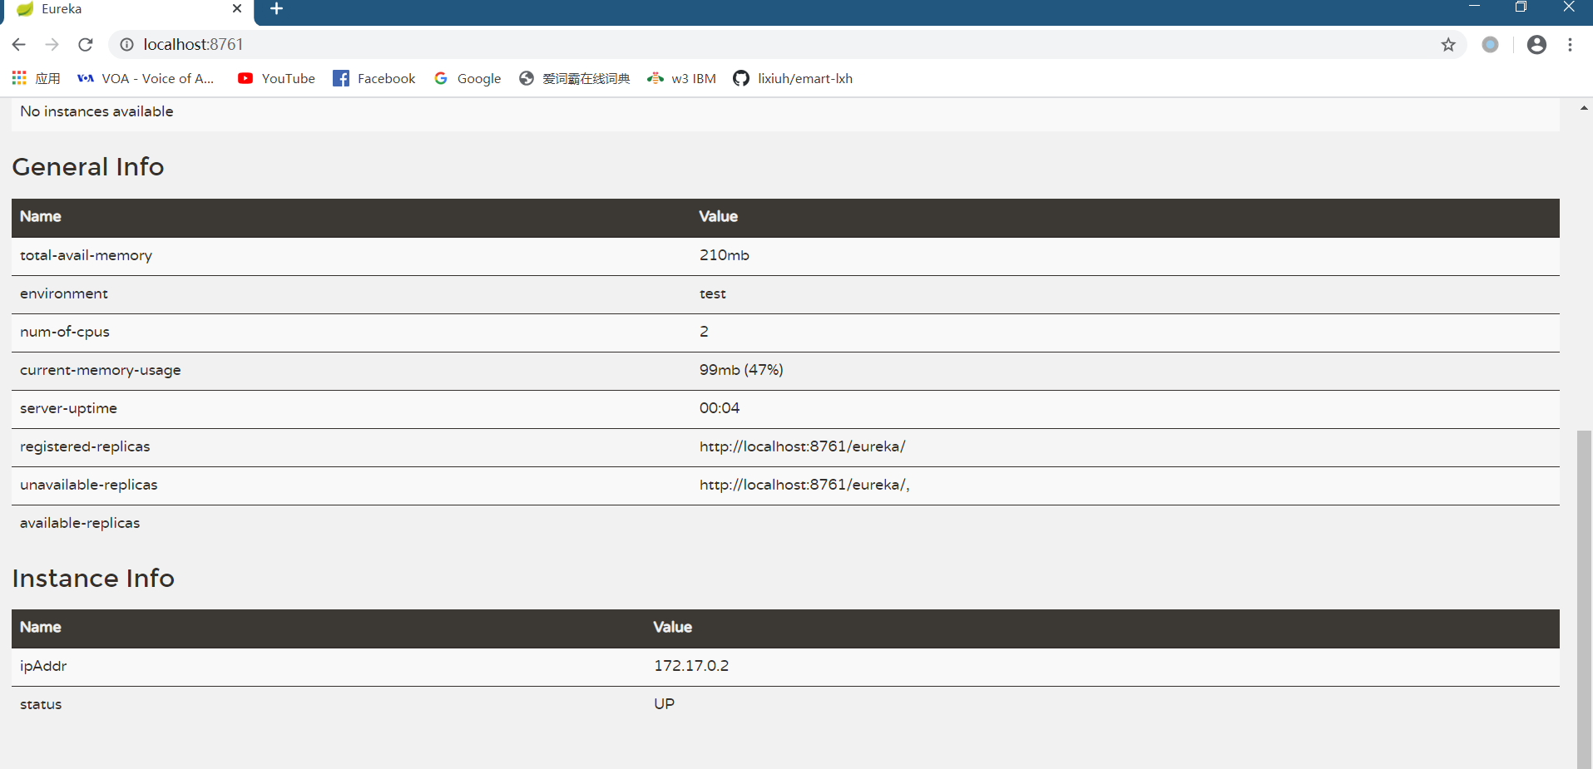
1 | bulid pipeline project in jenkins

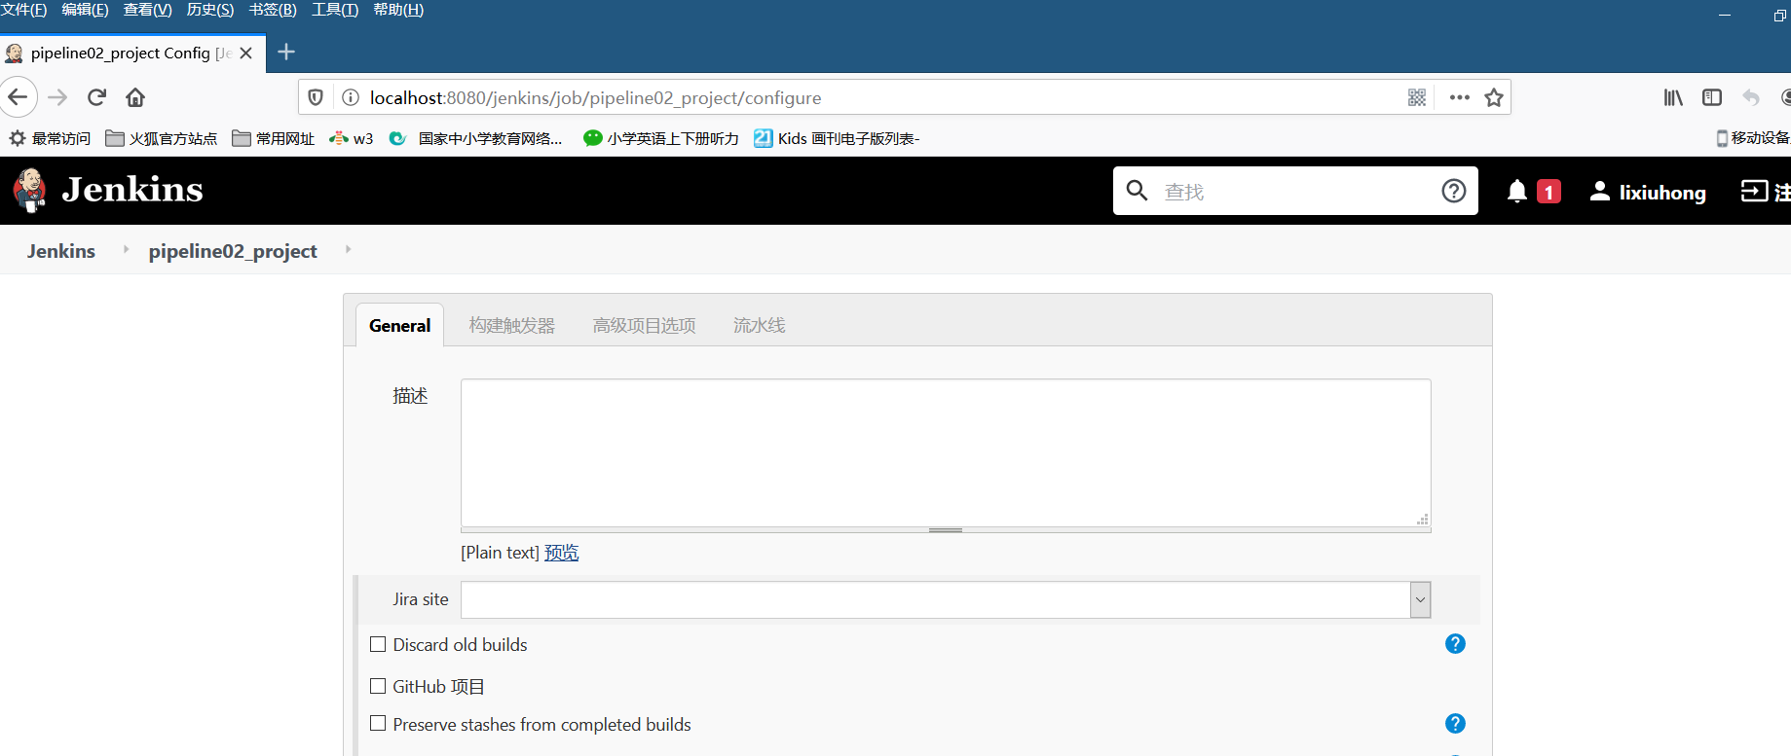

2 | Pipeline scricpt

 |  | node {

 |  | stage('git clone') { // for display purposes
 |  | checkout([$class: 'GitSCM', branches: [[name: '*/master']], doGenerateSubmoduleConfigurations: false, extensions: [], submoduleCfg: [], userRemoteConfigs: [[credentialsId: 'github-accout-password', url: 'https://github.com/amyli0808/Emart.git']]])
 |  | }

 |  | stage('Build') {

 |  | echo 'Building'
 |  | sh 'mvn clean install -f stockmarket-master/cloud-eureka-service/pom.xml -Dmaven.test.skip=true'
 |  | // sh 'mvn clean install -f stockmarket-master/cloud-eureka-service/pom.xml -Dmaven.test.skip=true -X'

 |  | }

 |  | stage('Deploy') {

 |  | echo 'Deploying'
 |  | sh 'docker build -t eurekaservice:1.0 -f Dockerfile .'
 |  | sh 'docker run -d -p 8761:8761 eurekaservice:1.0'
 |  | ssh 'echo hello'

 |  | }

 |  | }

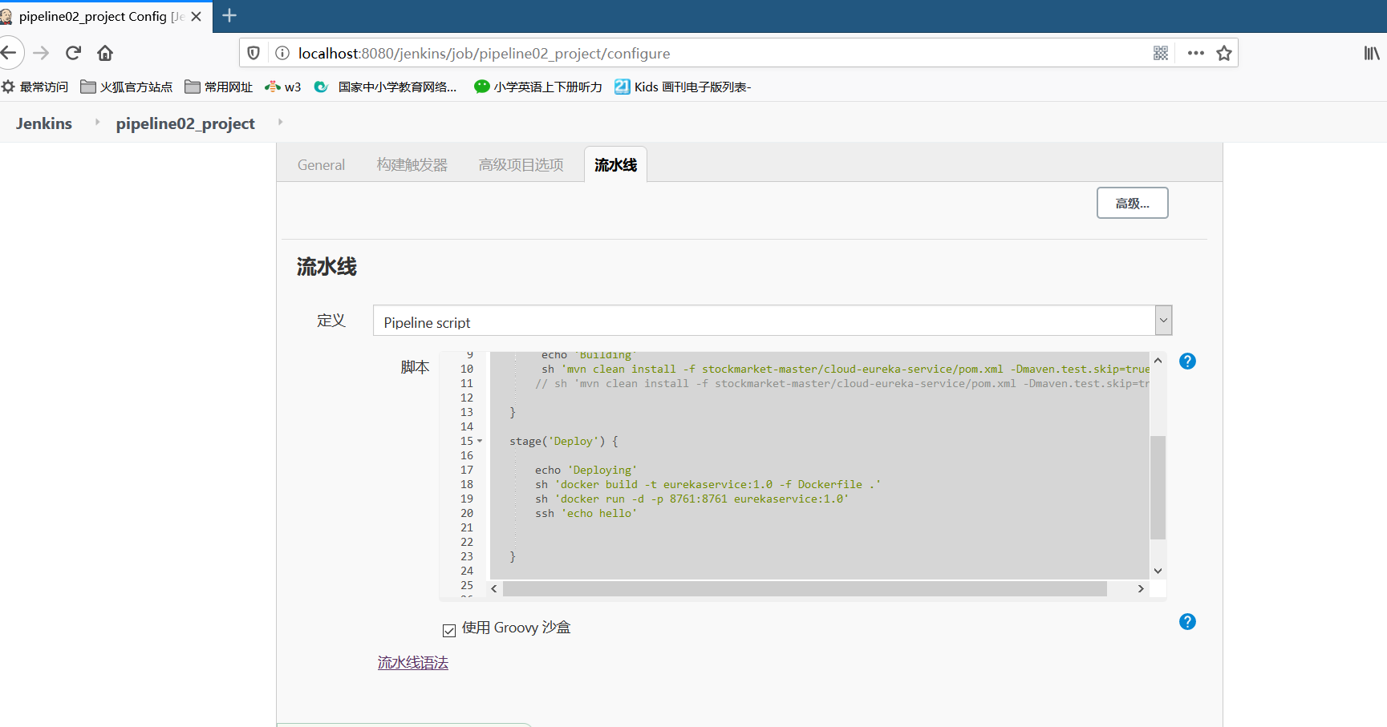

3 | Build Now

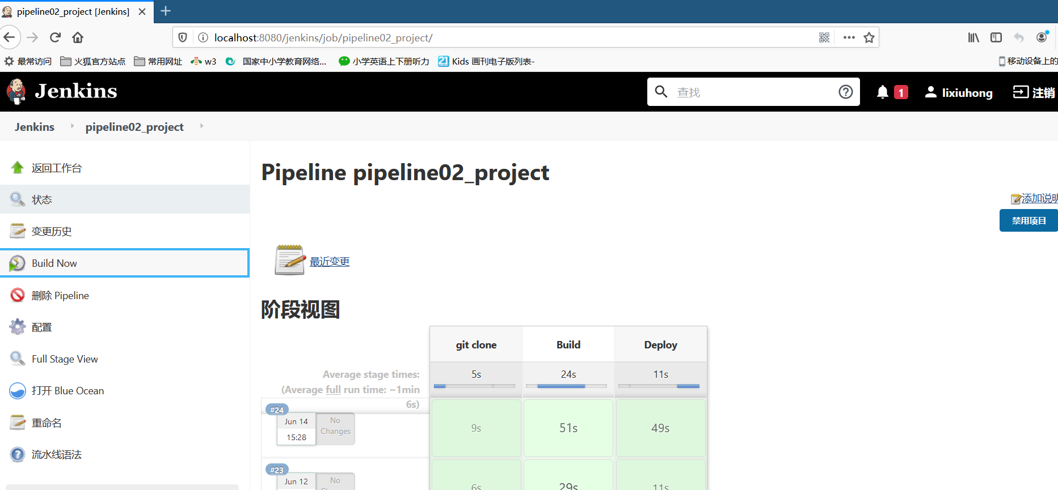

5 | Console Output IS SUCCESS

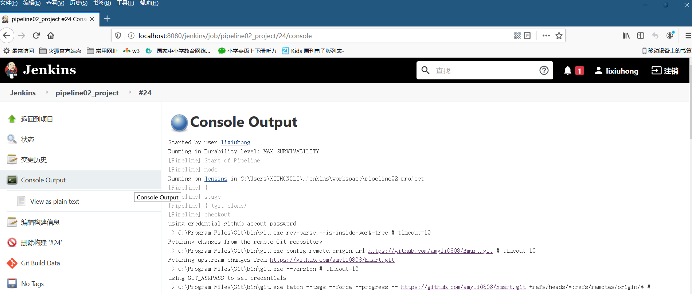

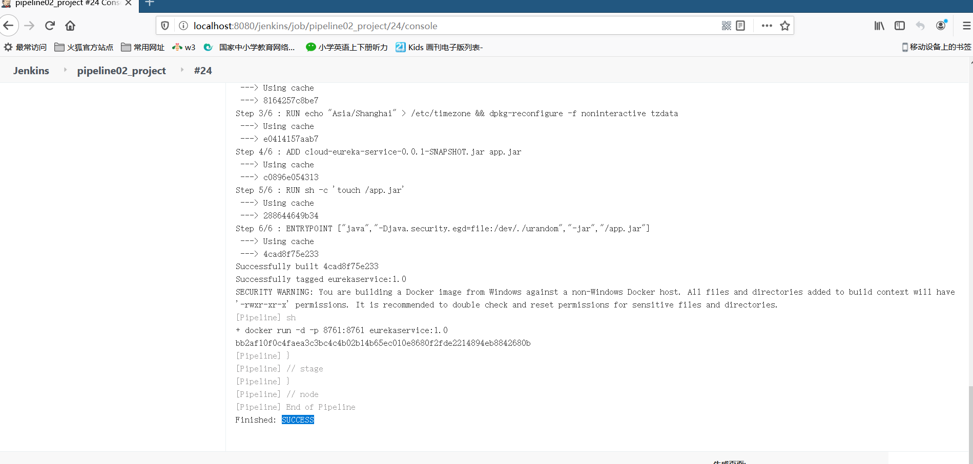

6 | EurekaService is runing

