jmxfile run
1 | such as Microservices cloud-buyer-service
1-1 | get

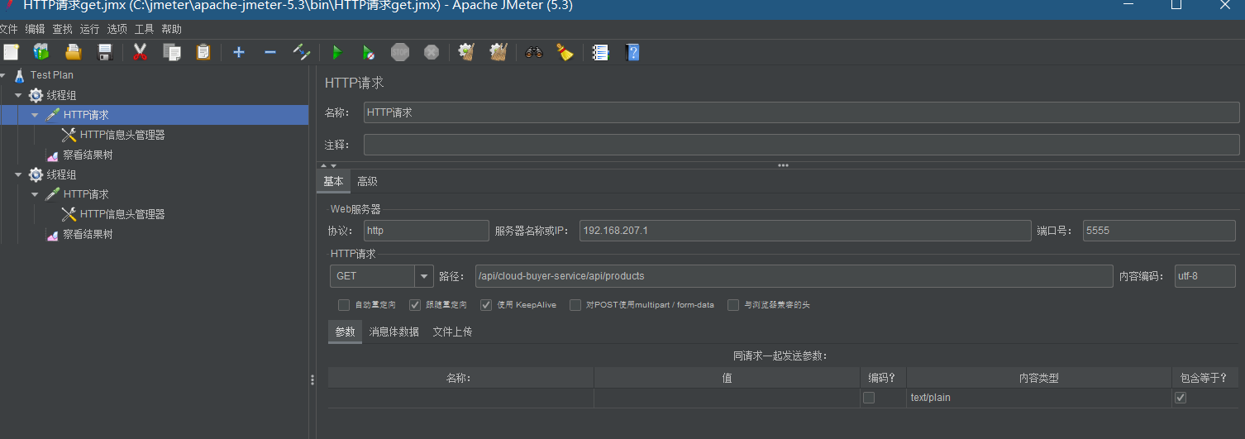

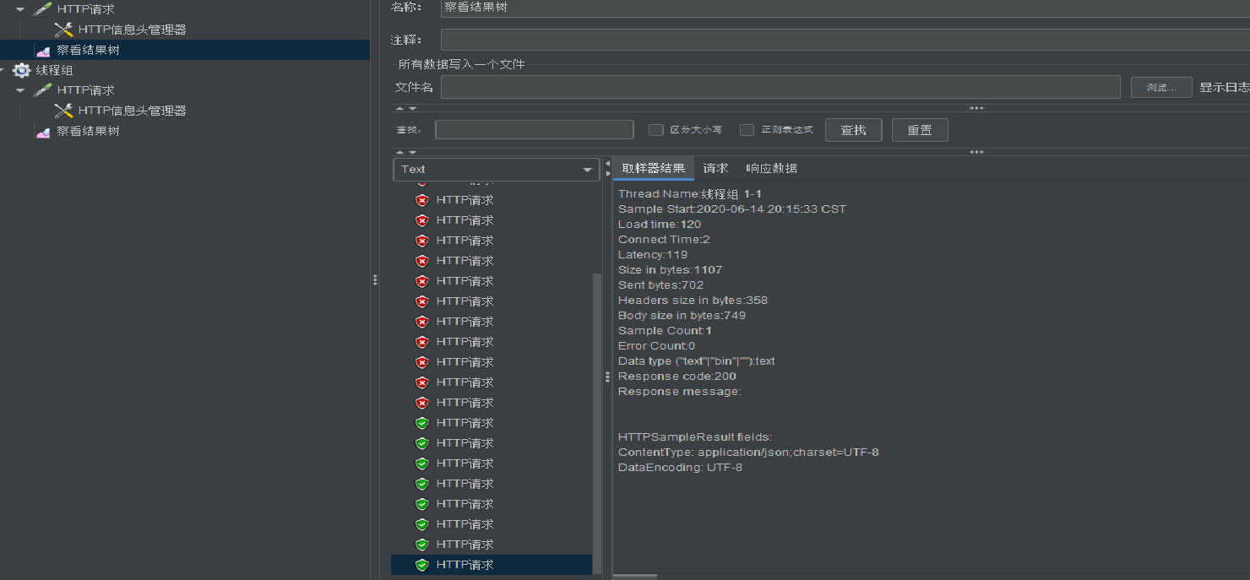

get result is success

get data confirm is ok

get data = mysql data

1-2 | post

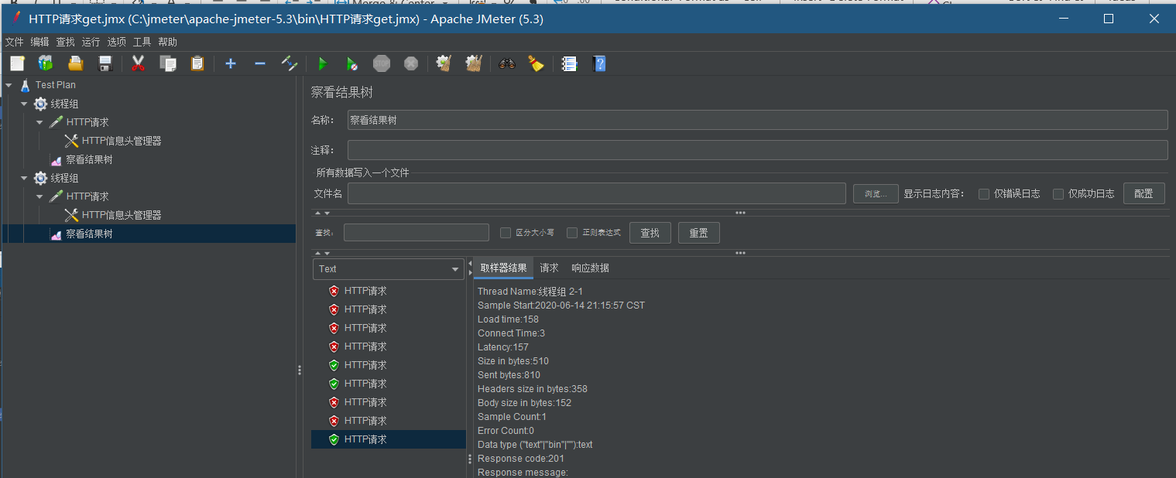

post result is success

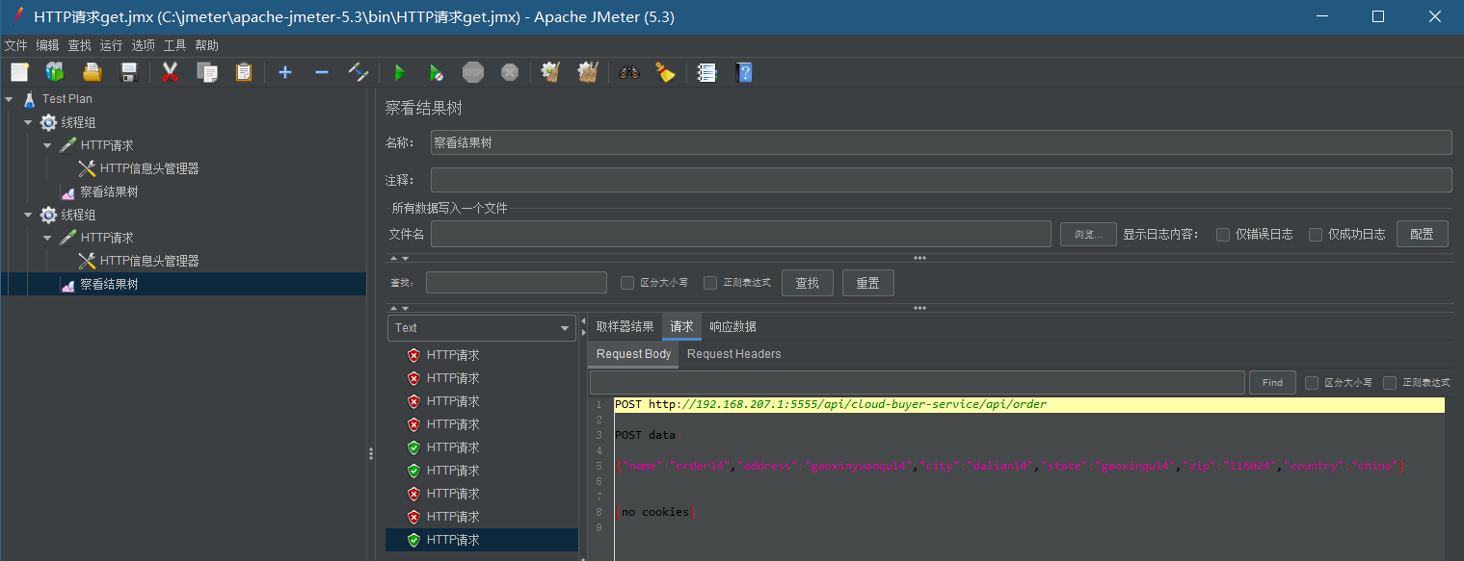

post data = mysql data

