read list
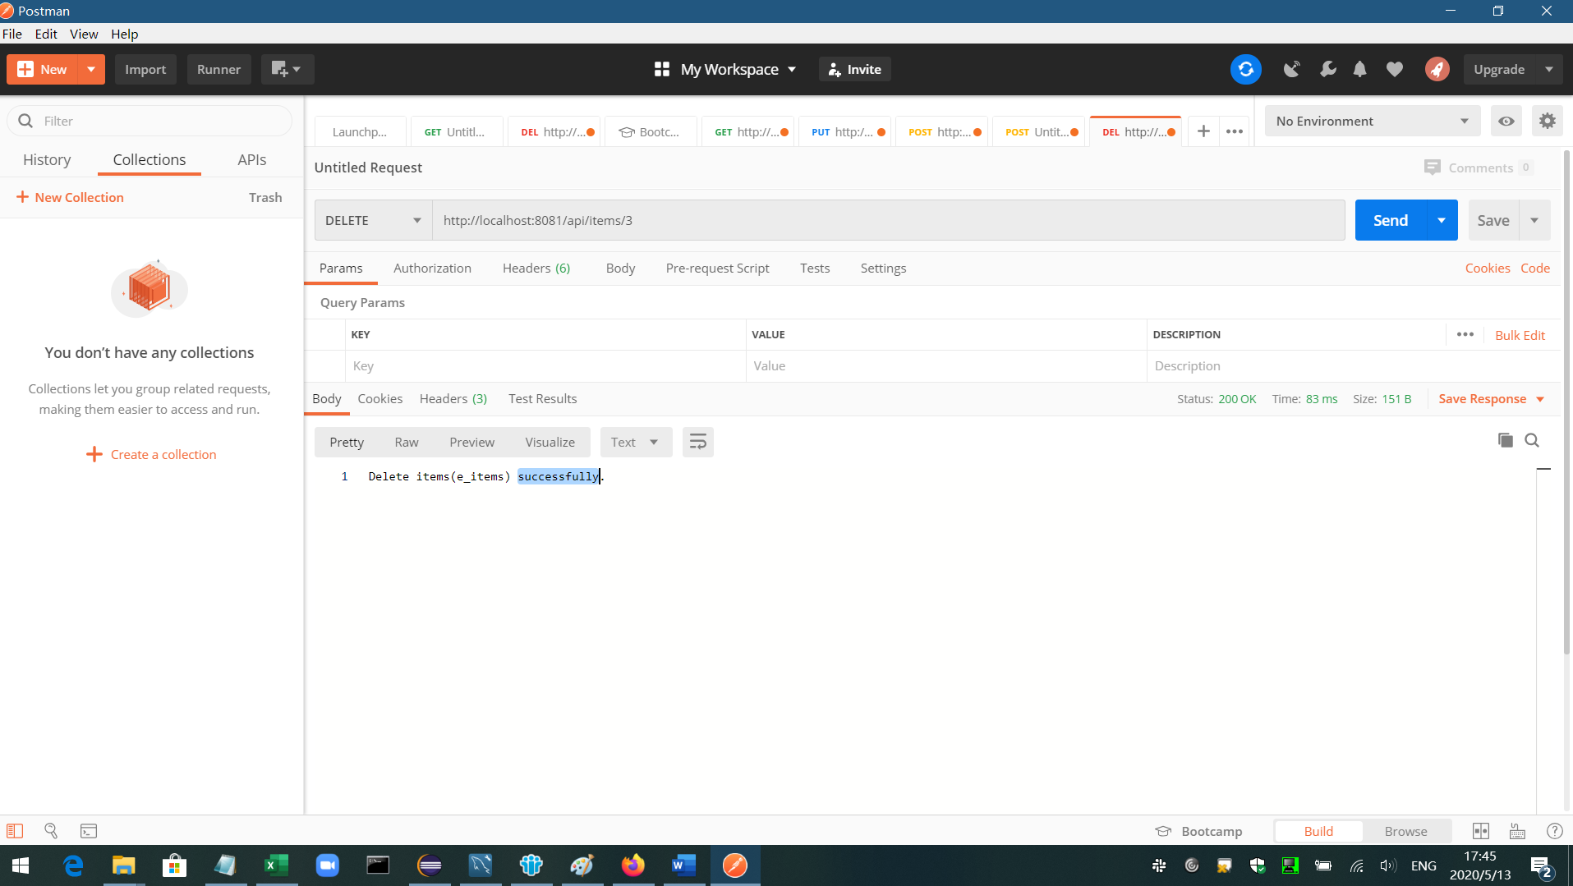
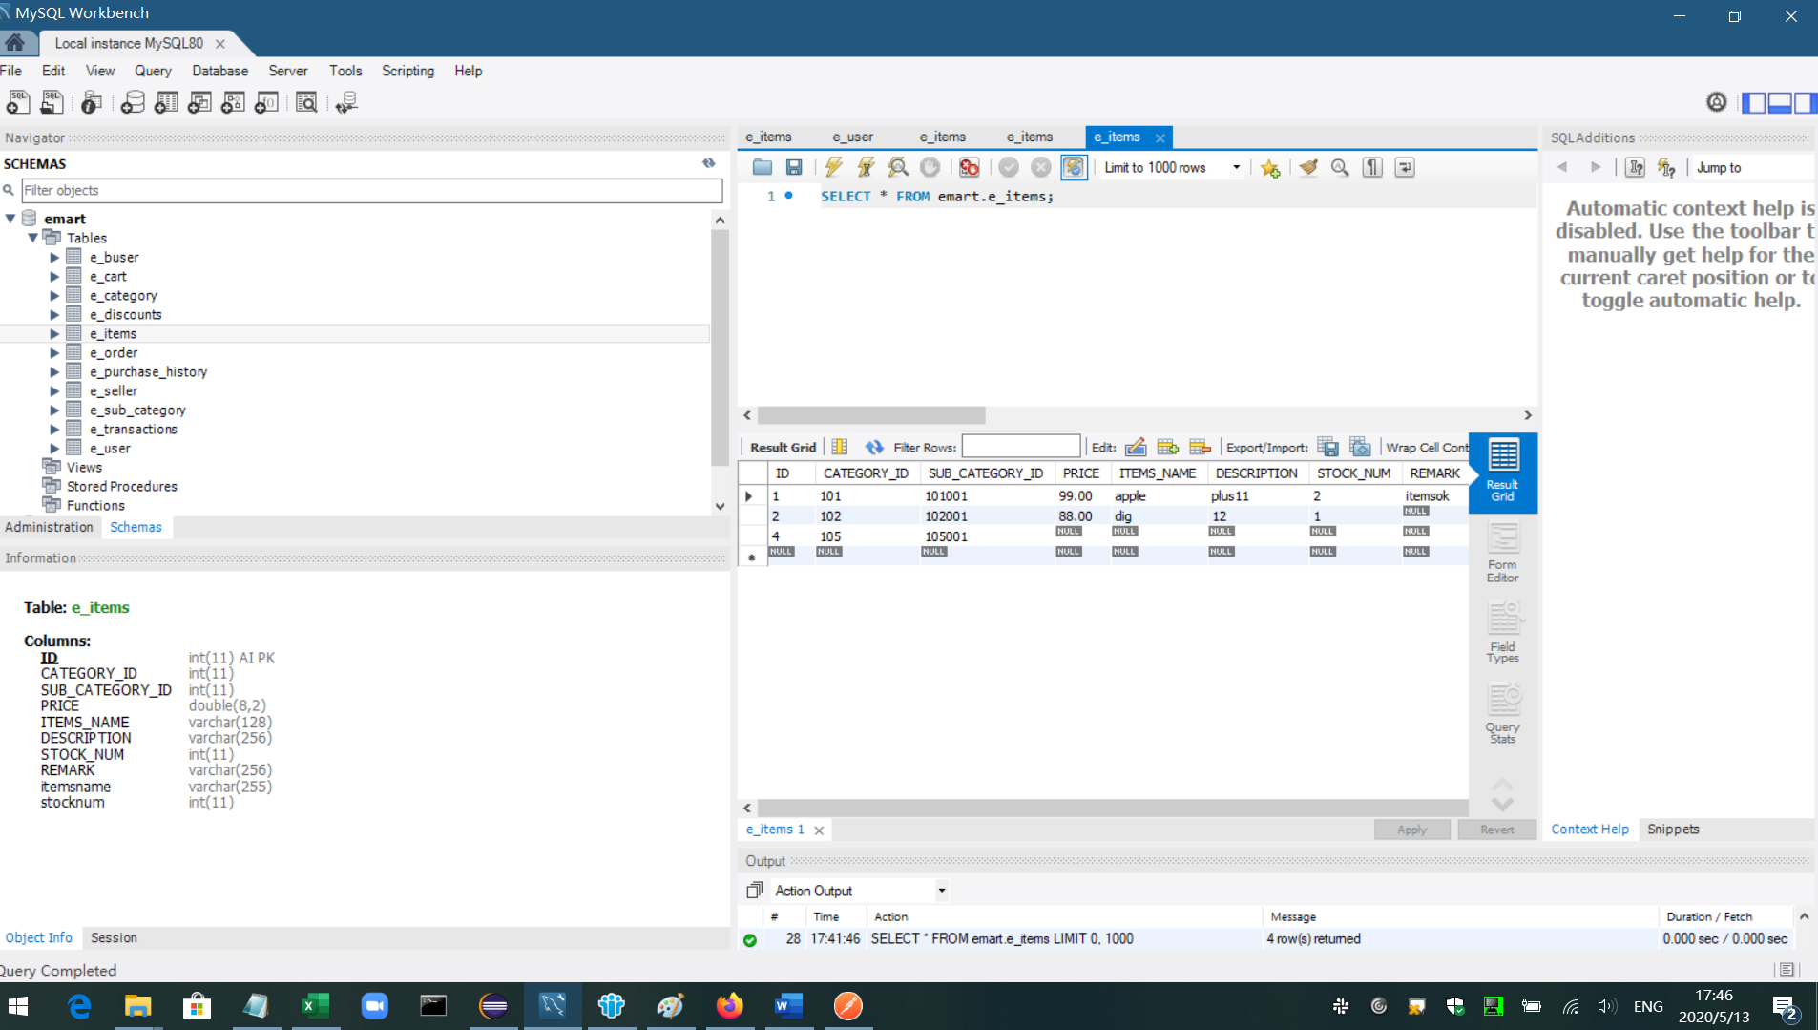
cloud-share-service |  | item can be find
cloud-seller-service |  | Seller can add an item,update an item,delete an item
cloud-buyer-service |  | Buyer can add items to the cart, view cart,and delete items from cart.also can add order,update order, delete order
cloud-admin-service |  | Admin can add user,update user, find user,delete user.
cloud-auth-service |  | Working

such as cloud-seller-service result

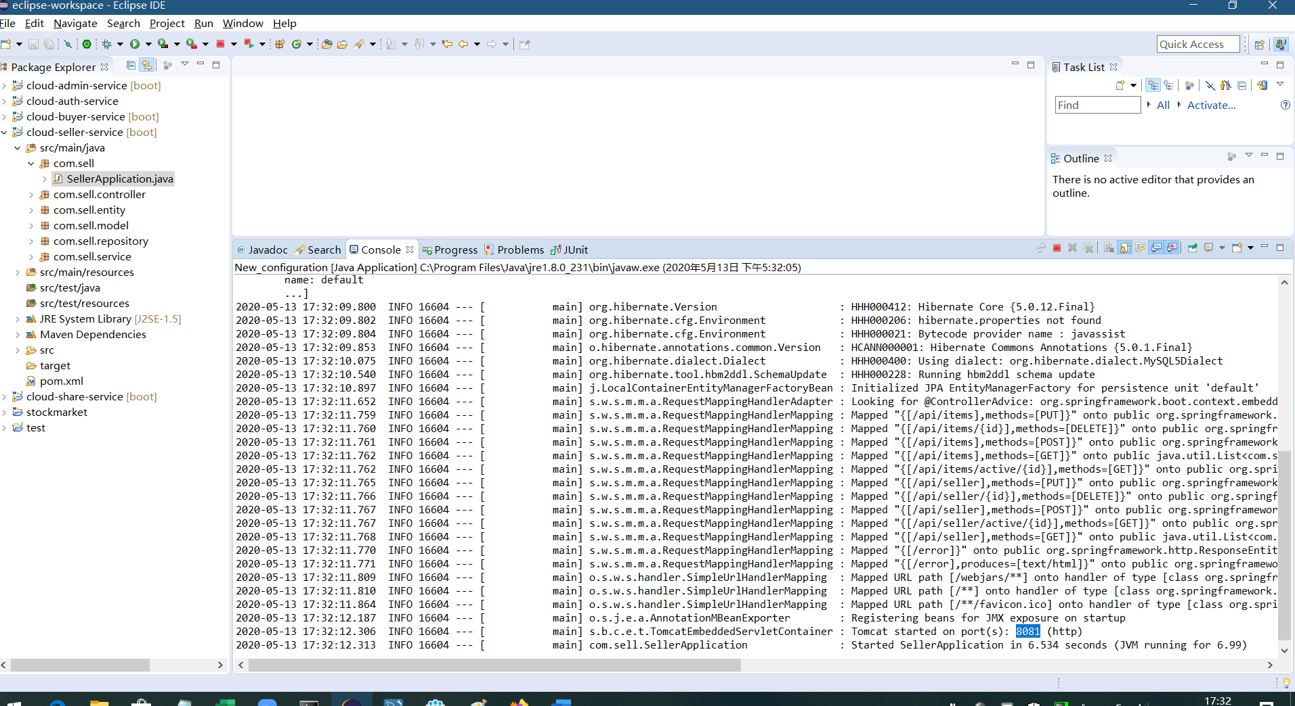

PUT find all | http://localhost:8081/api/items
 |  |  |  | db data | f
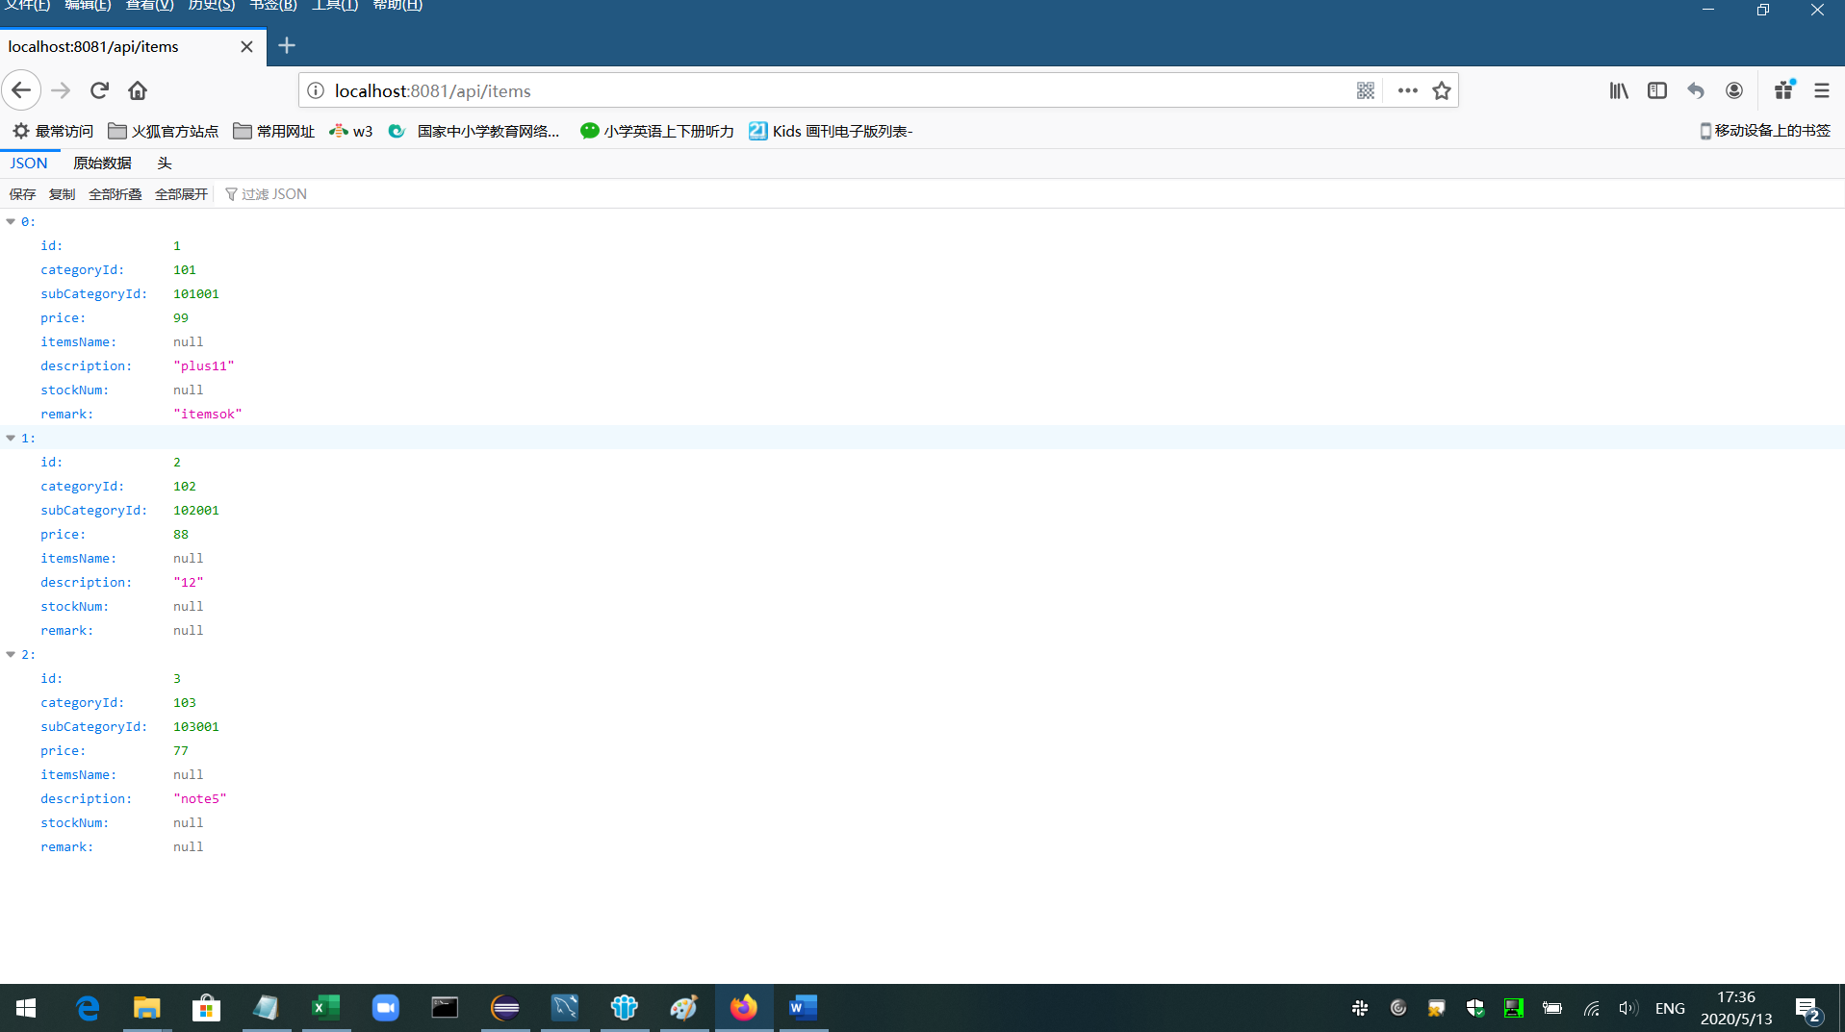
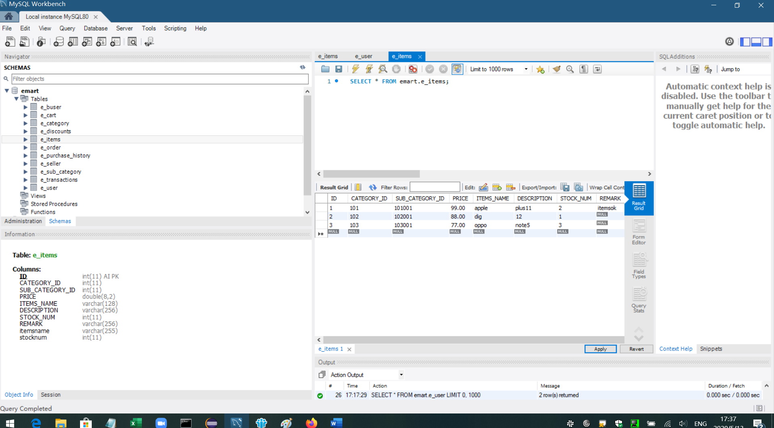

POST data | http://localhost:8081/api/items

 |  |  | db data | add successfully
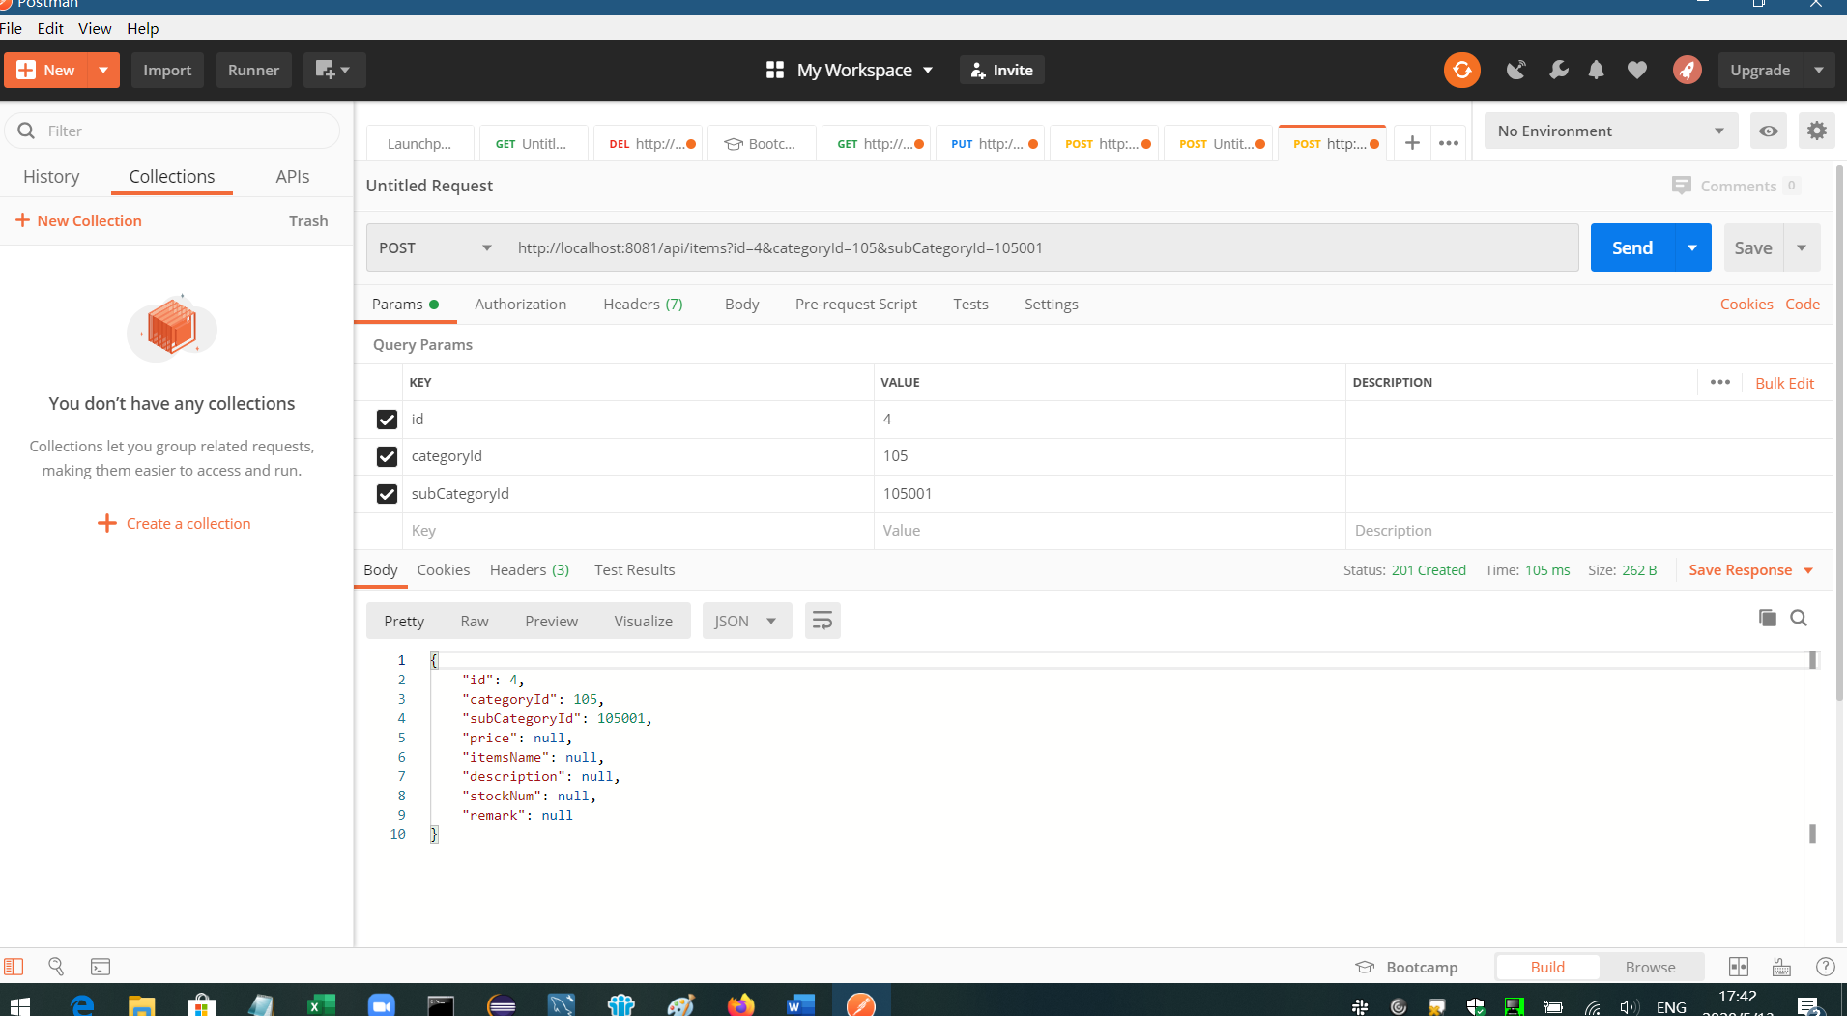
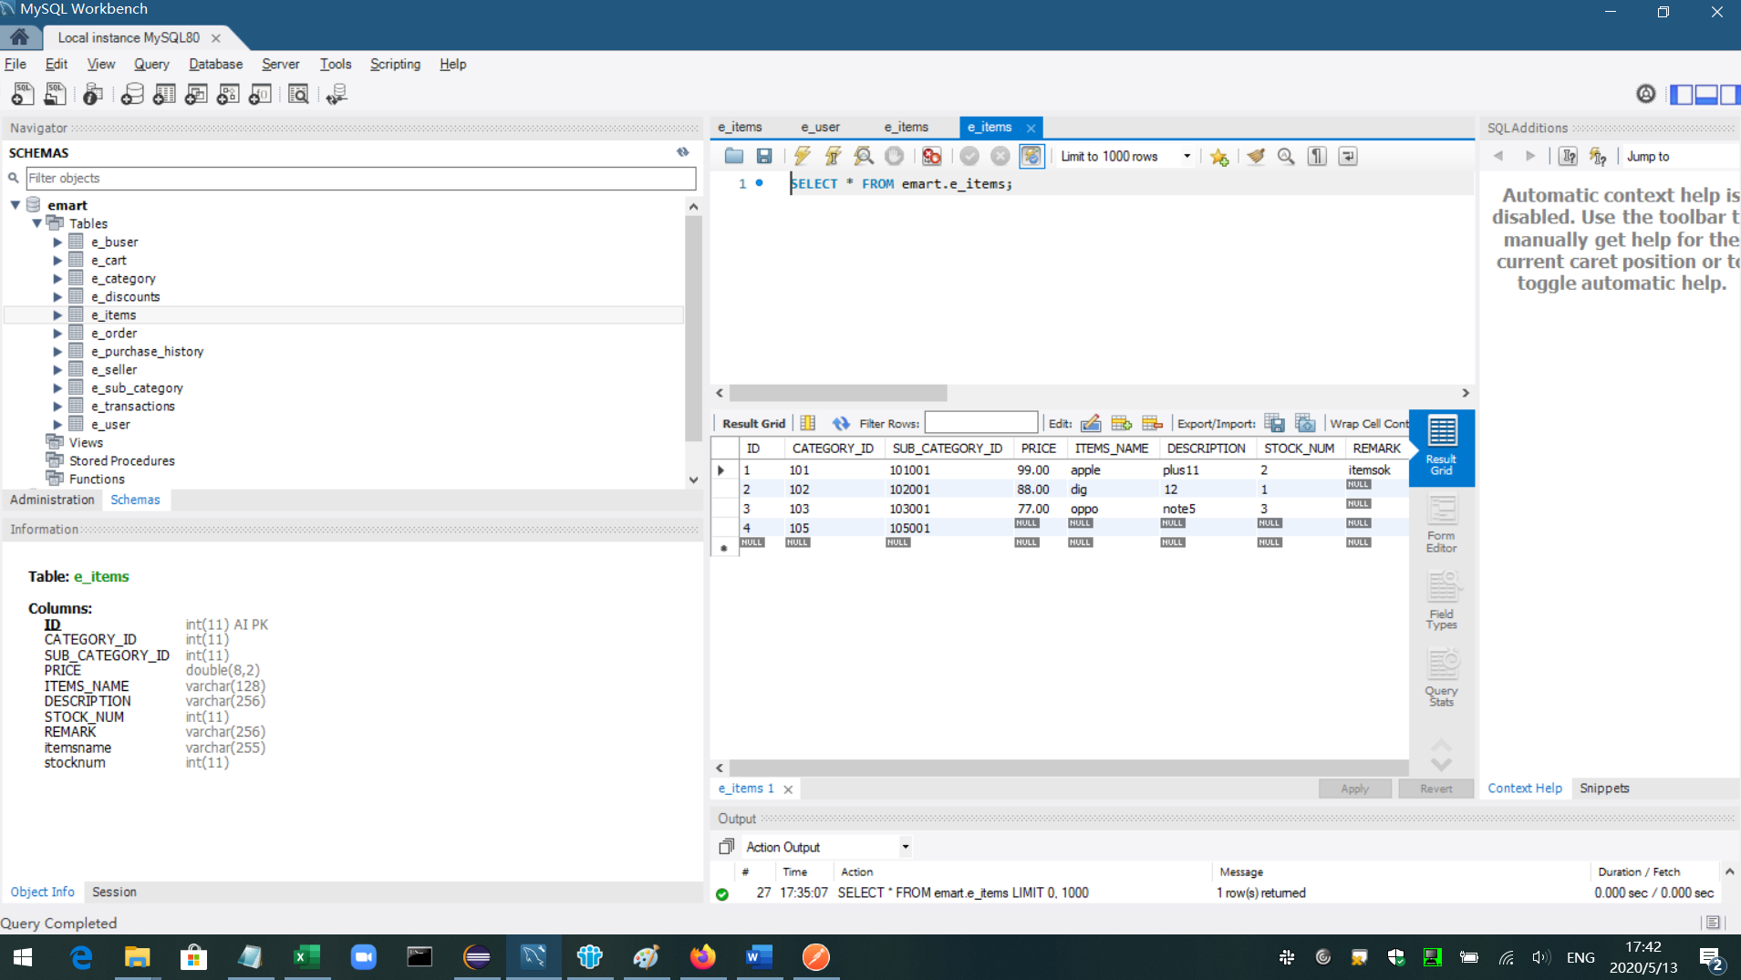

DELETE data | http://localhost:8081/api/items/{id}

 |  |  | id =3 data delete

Unit Testing
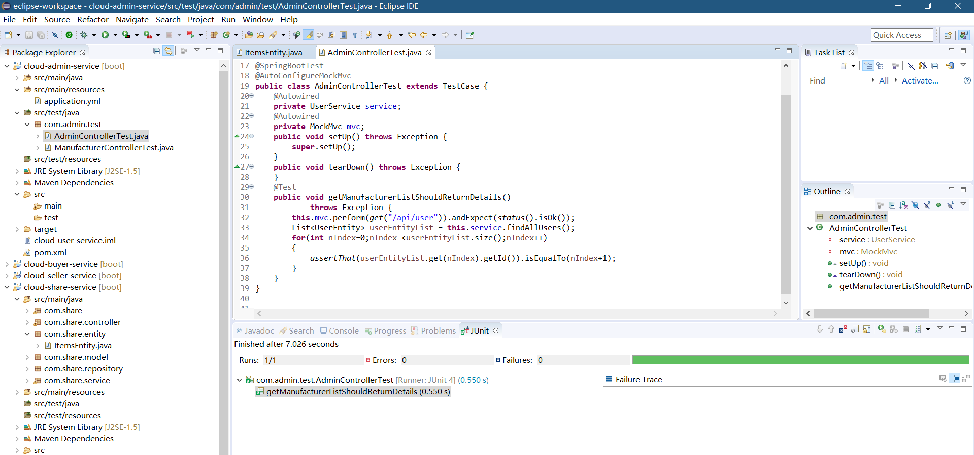
this is cloud-admin-service Unit Testing result

DB
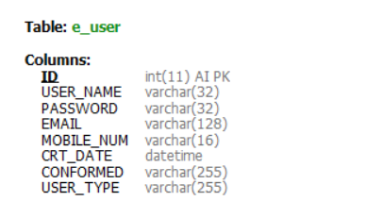
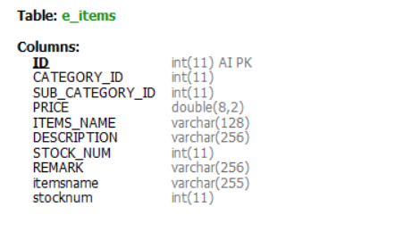
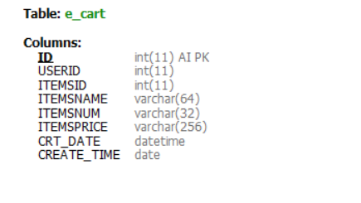
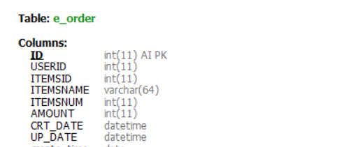
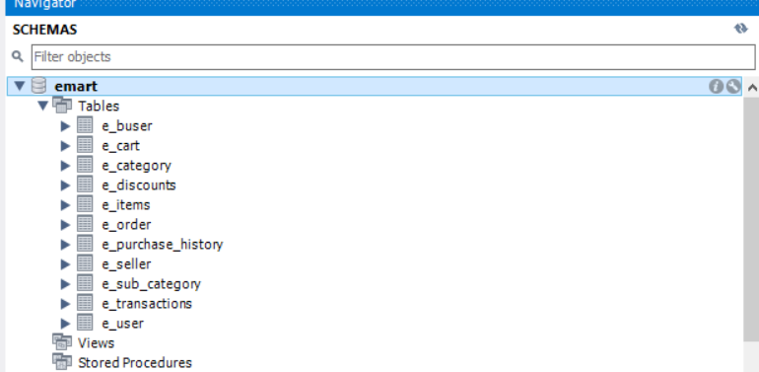

SUCH AS

