Wireframe
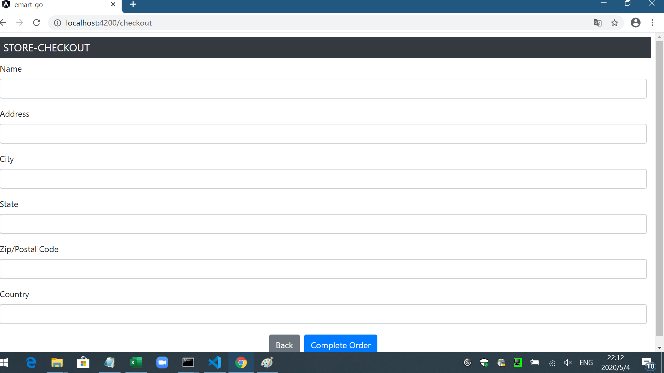
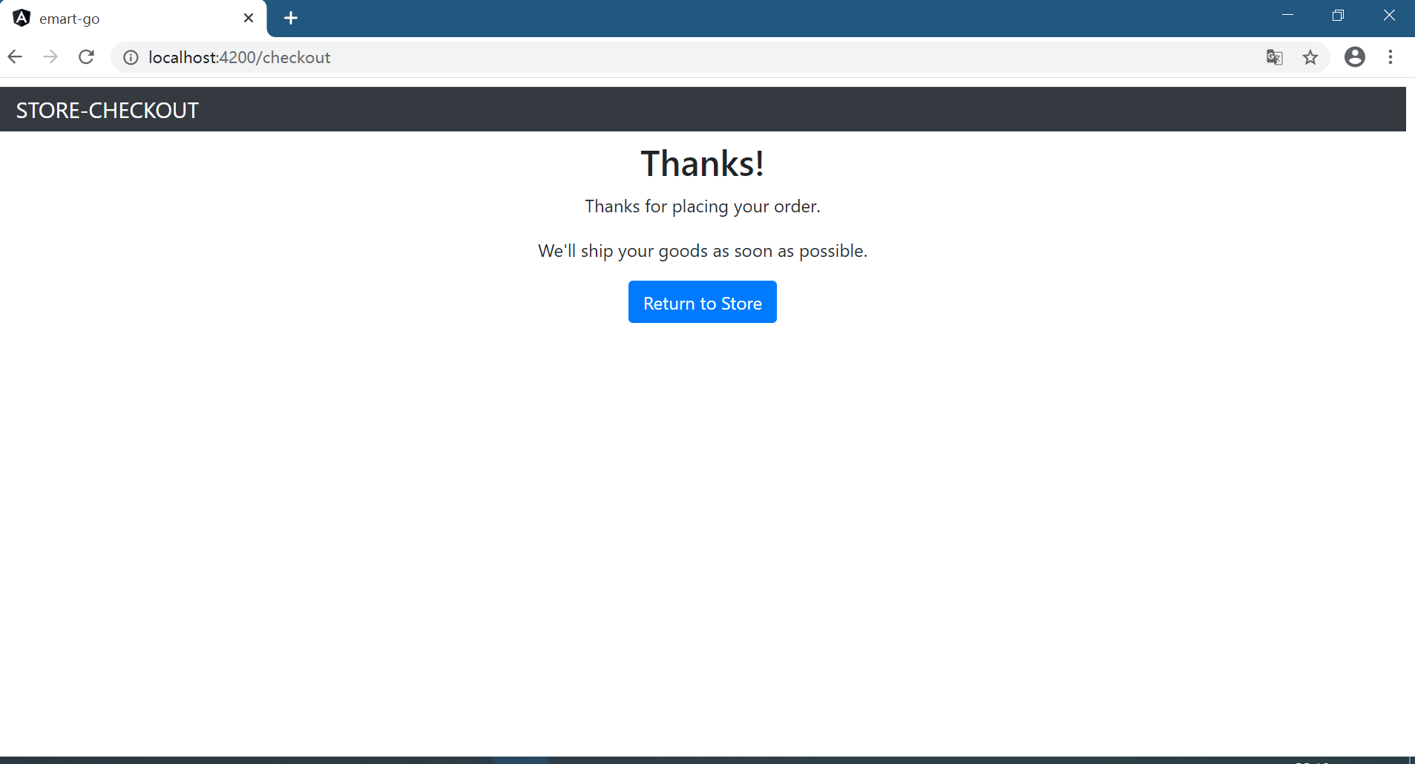
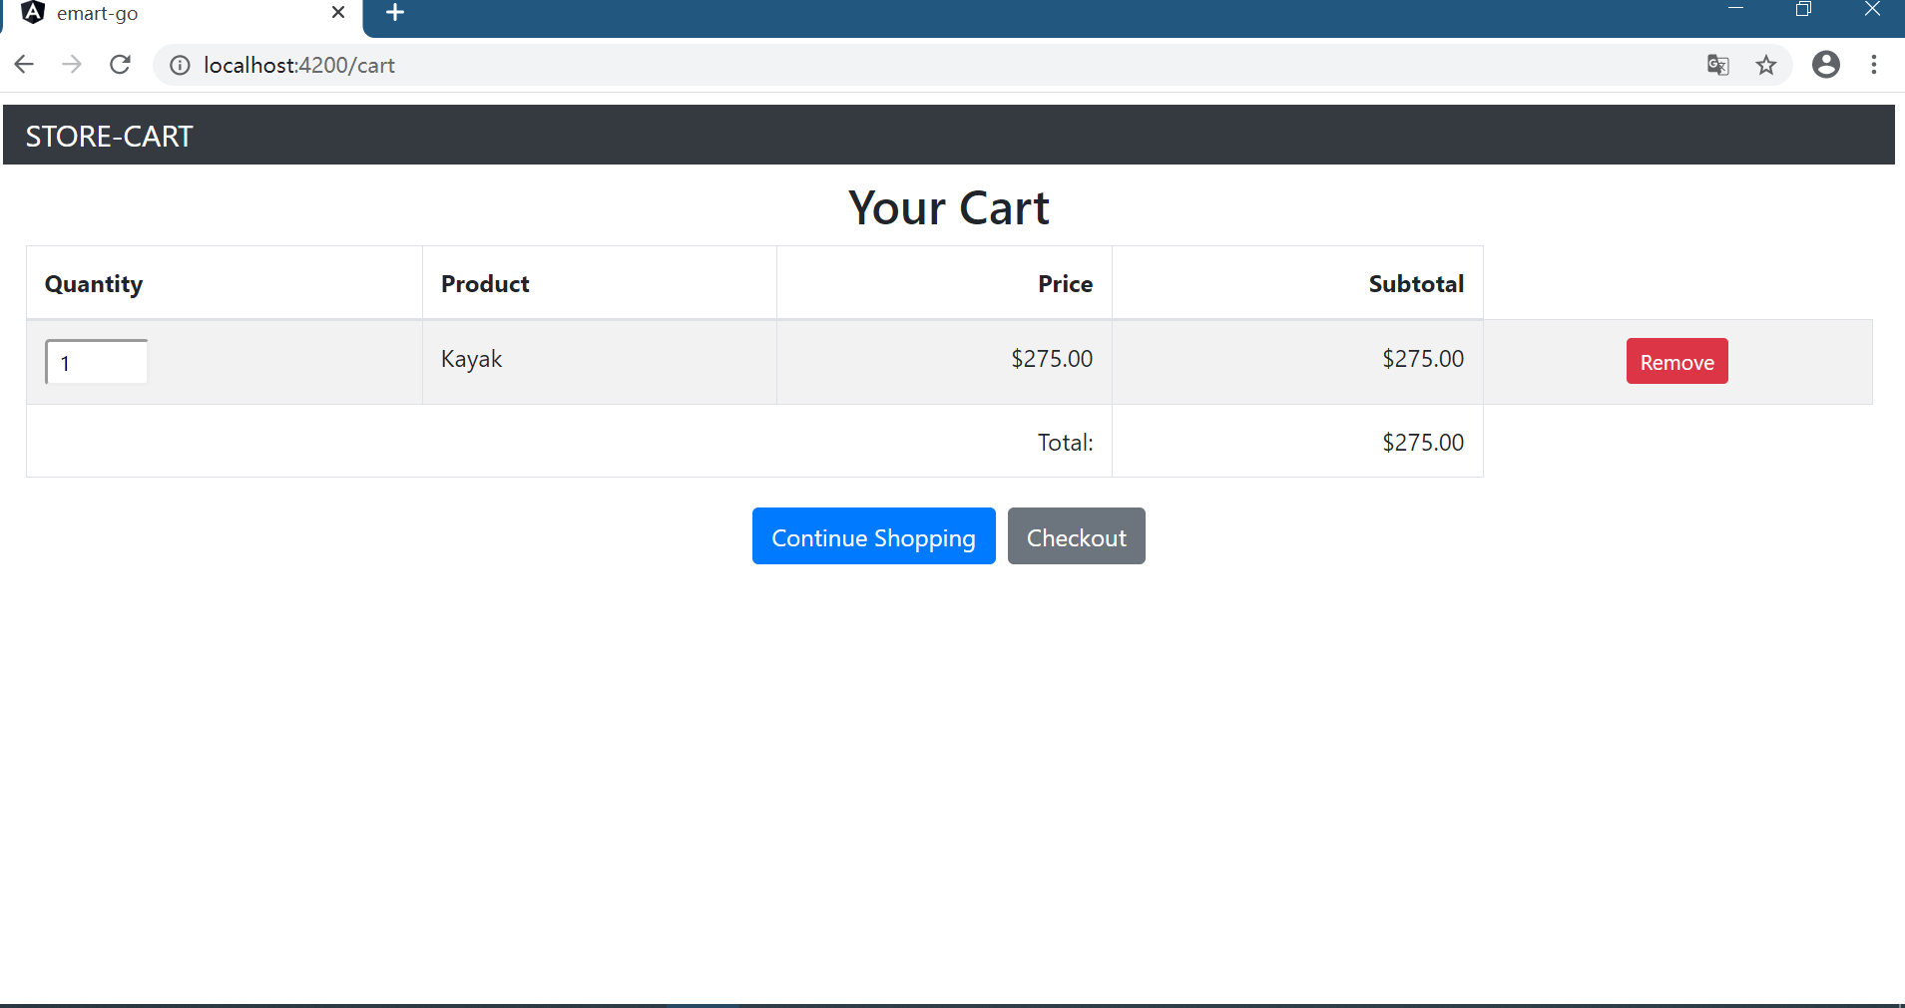
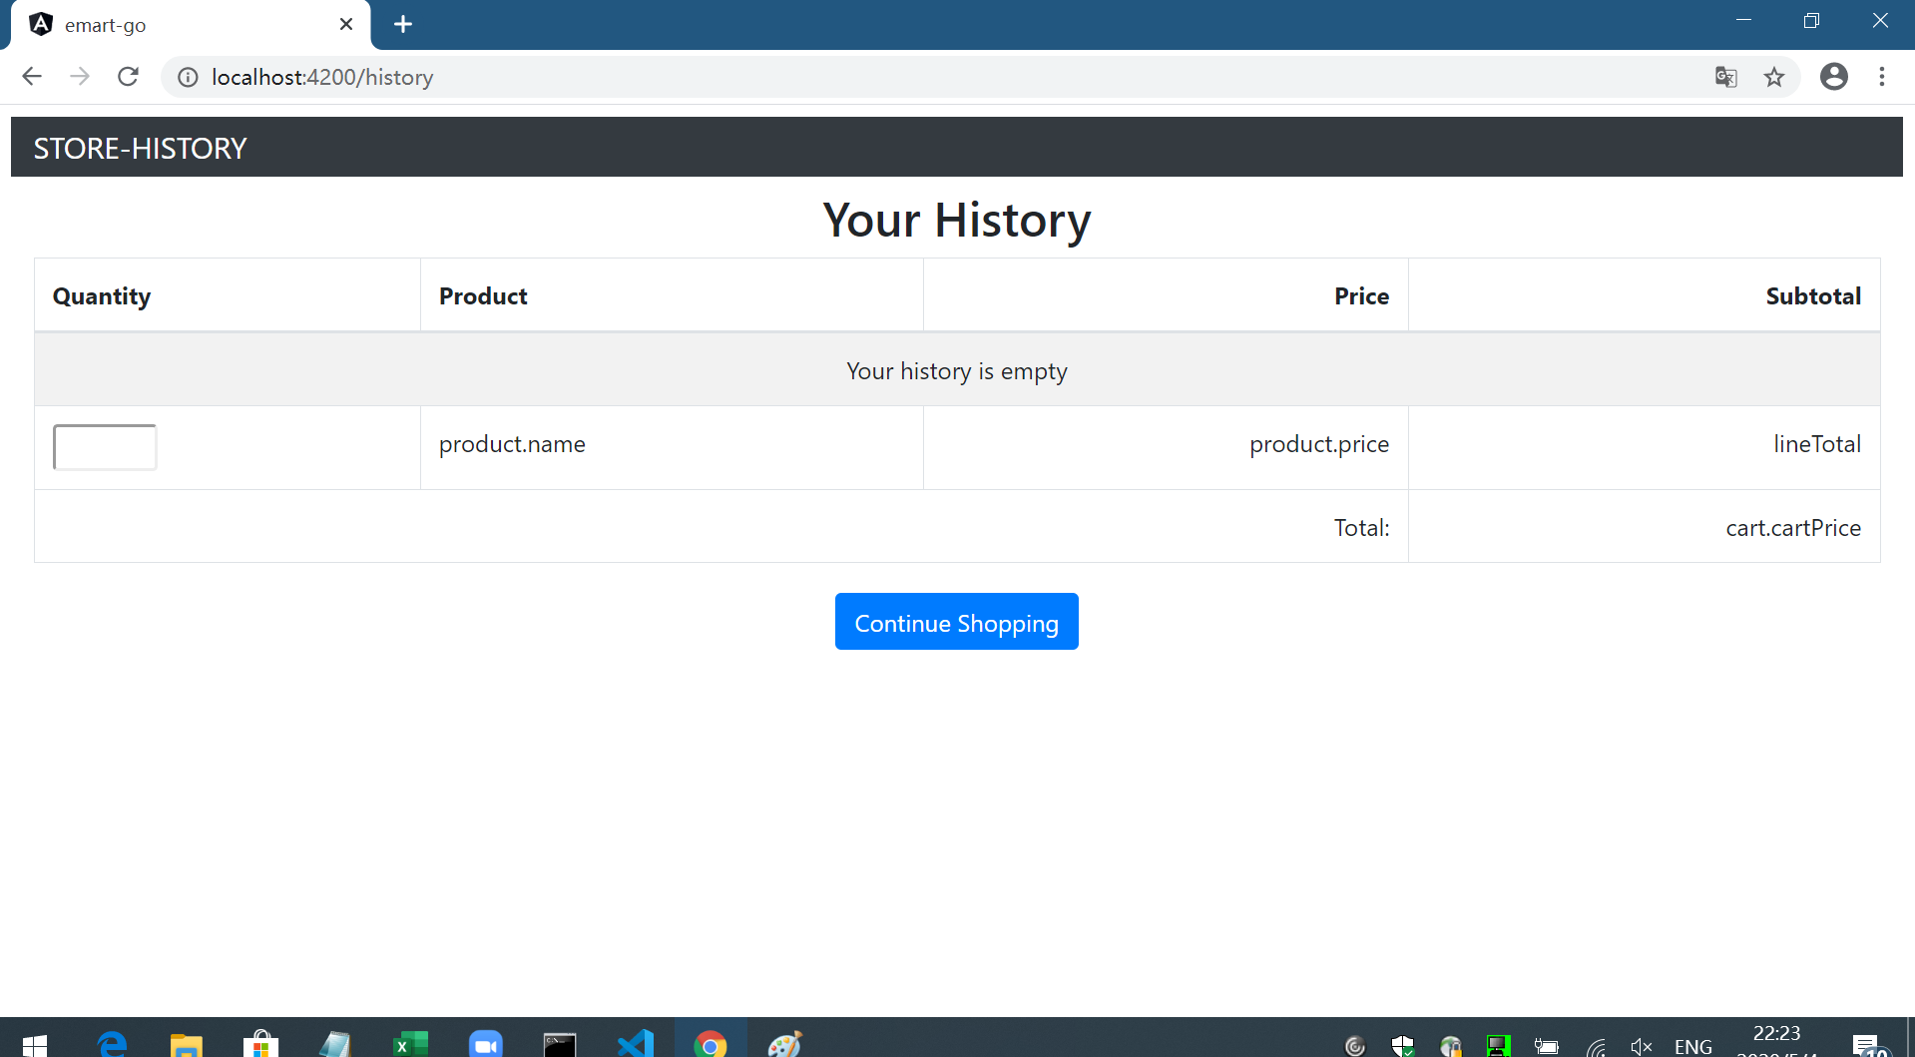
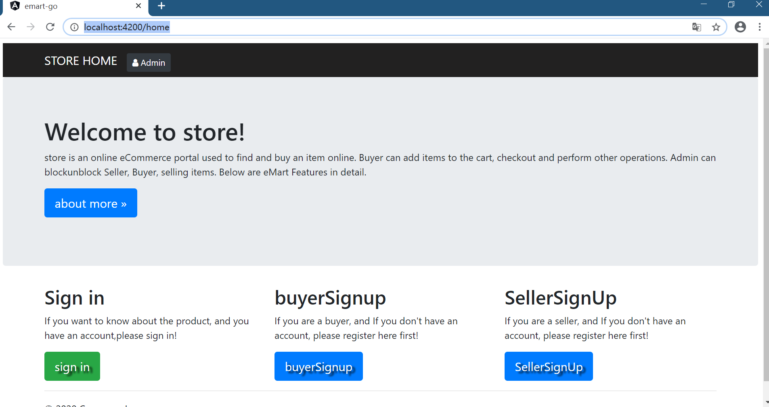

buyer | seller

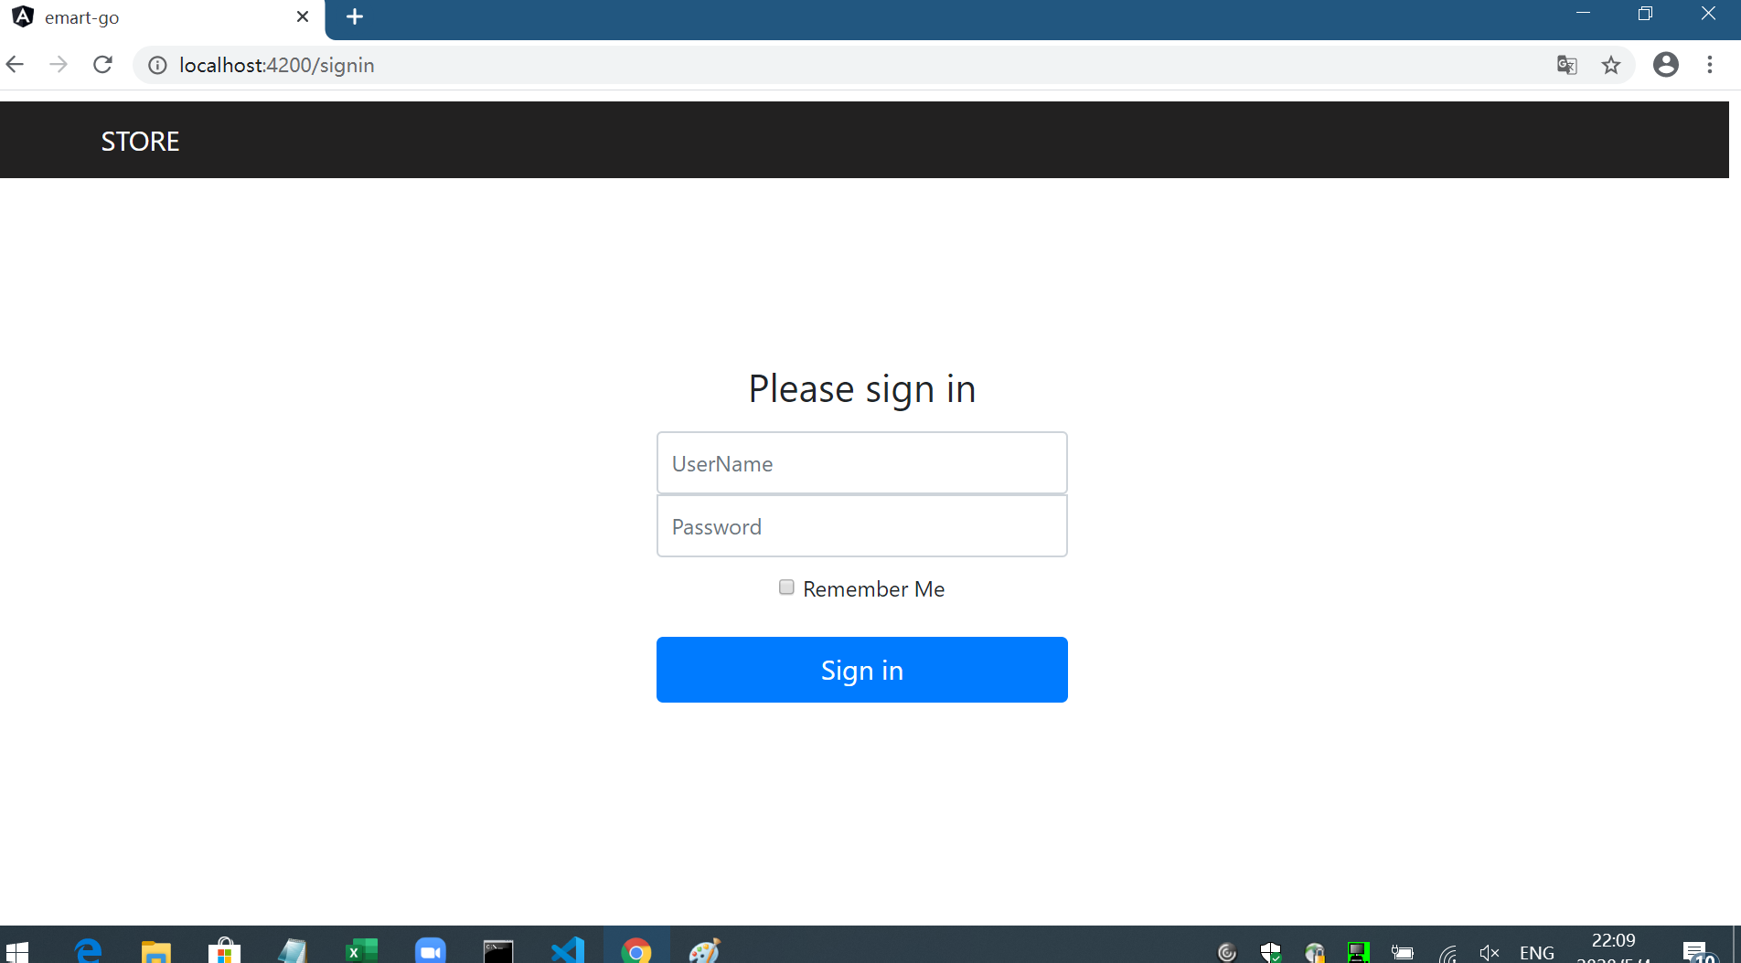
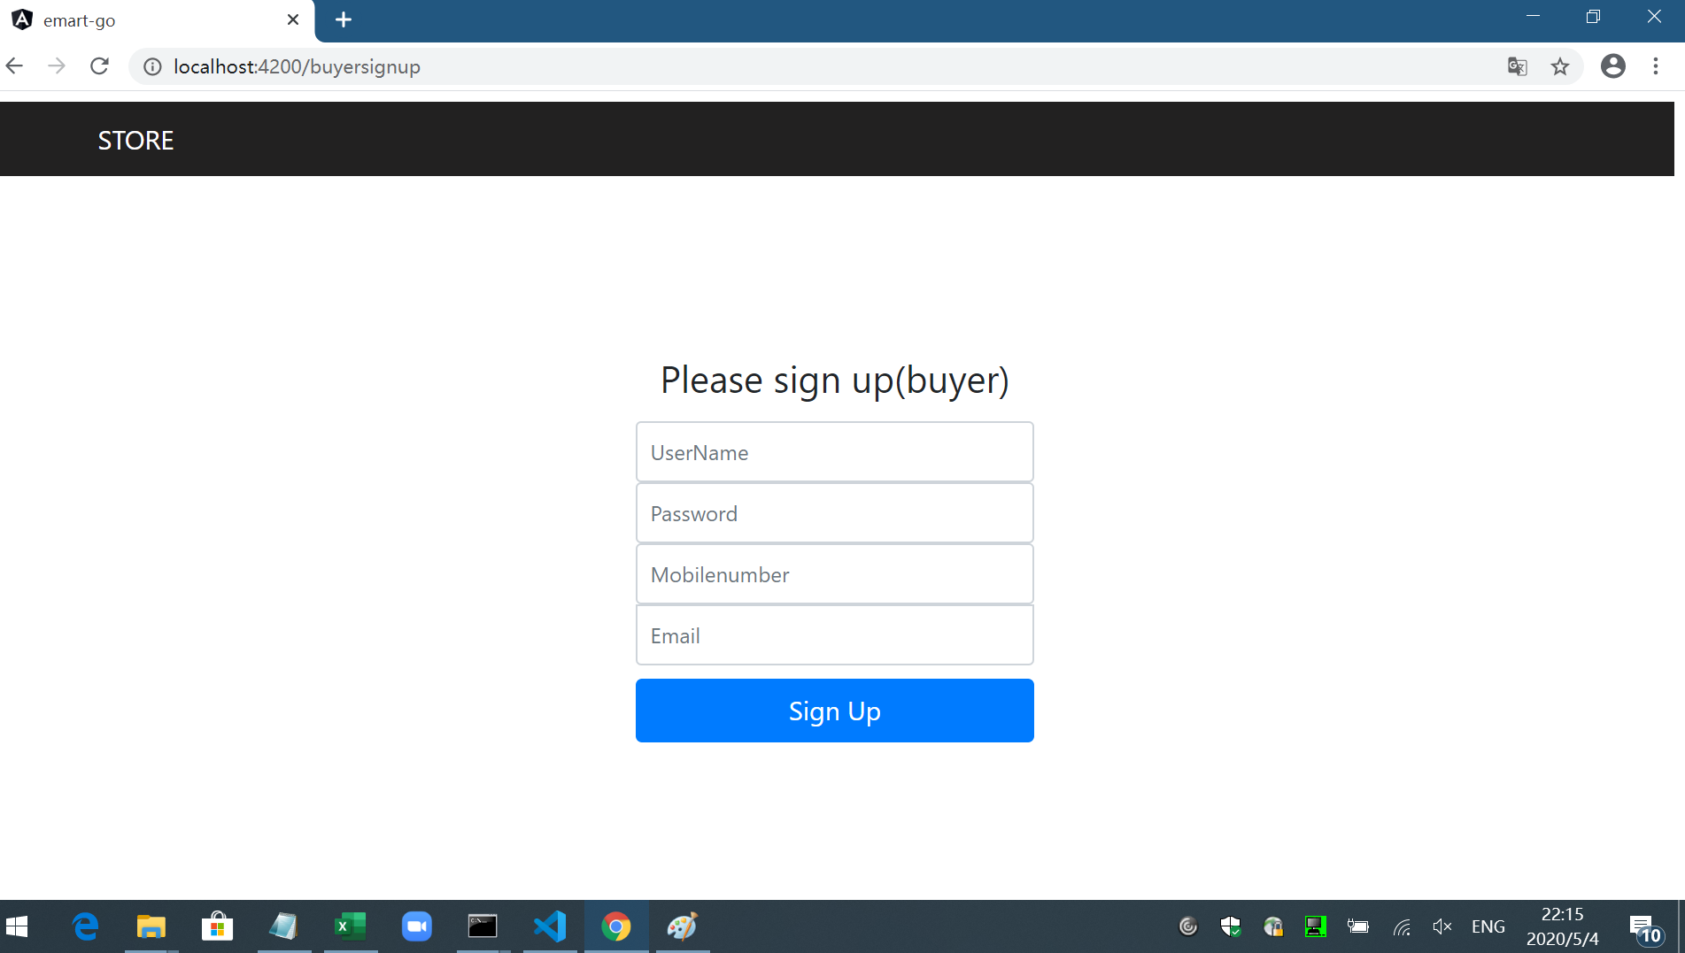
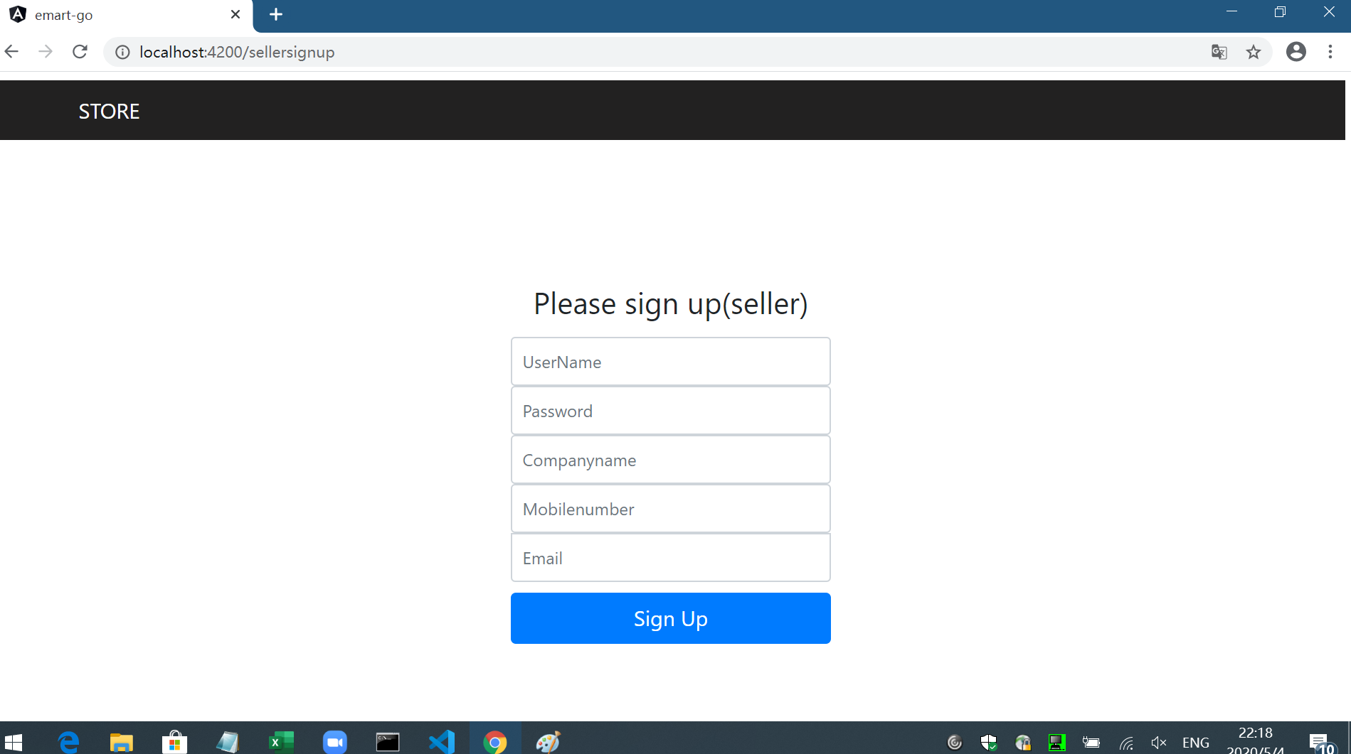

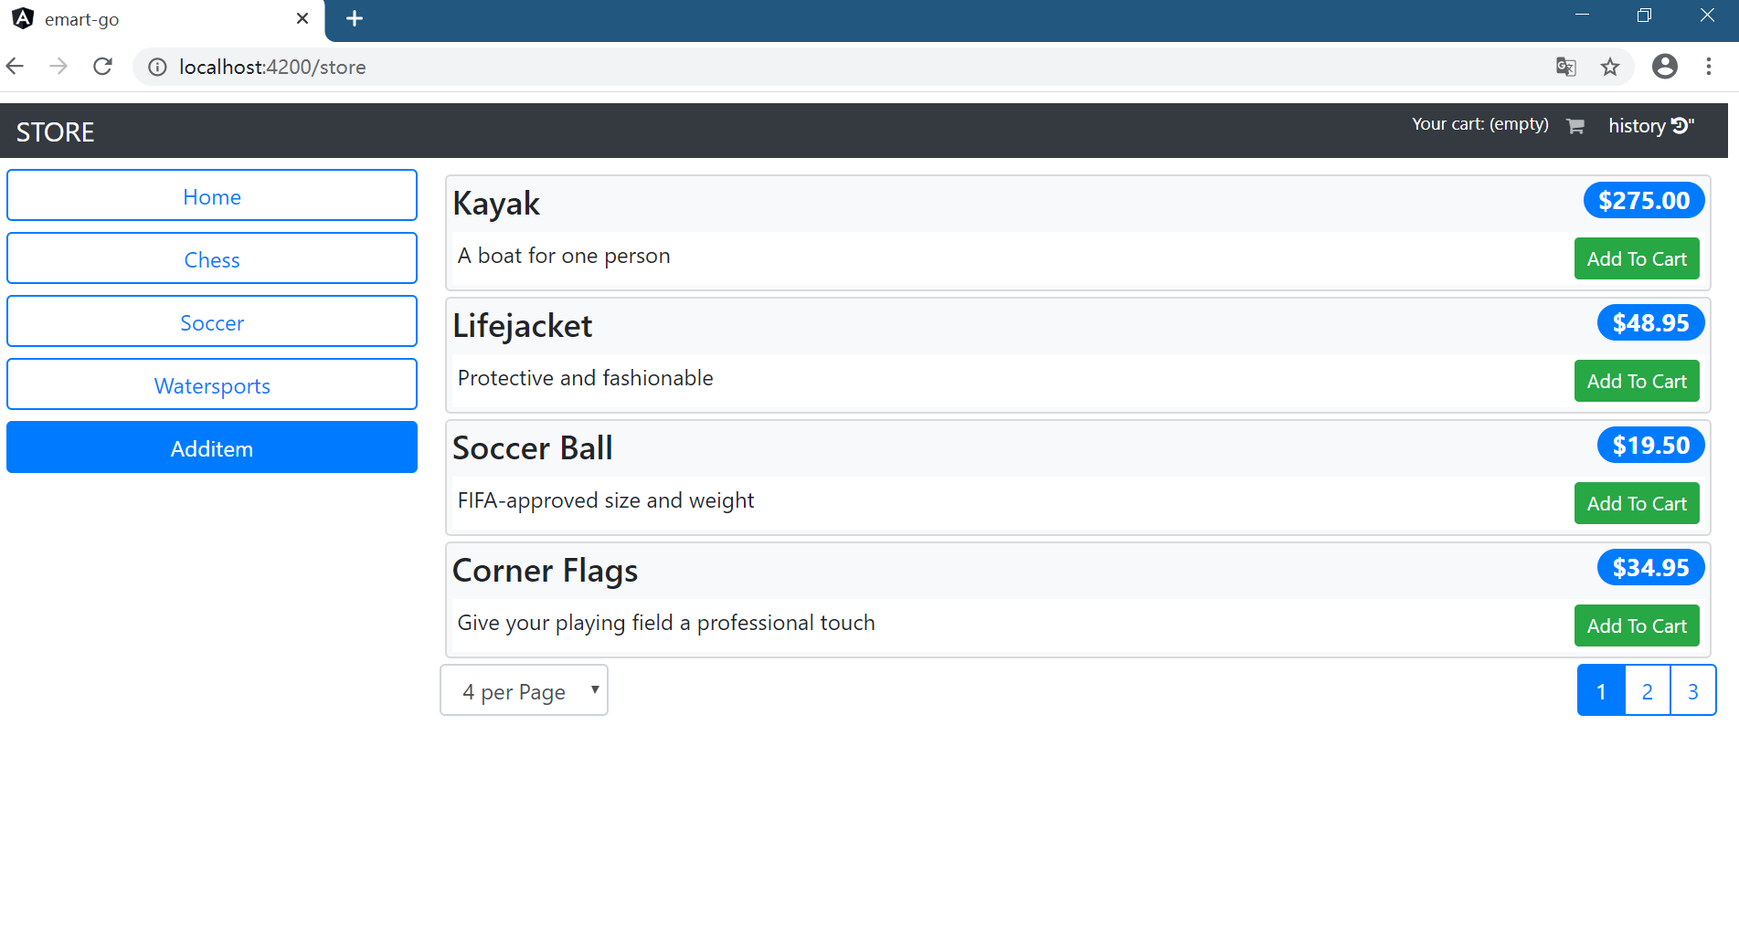
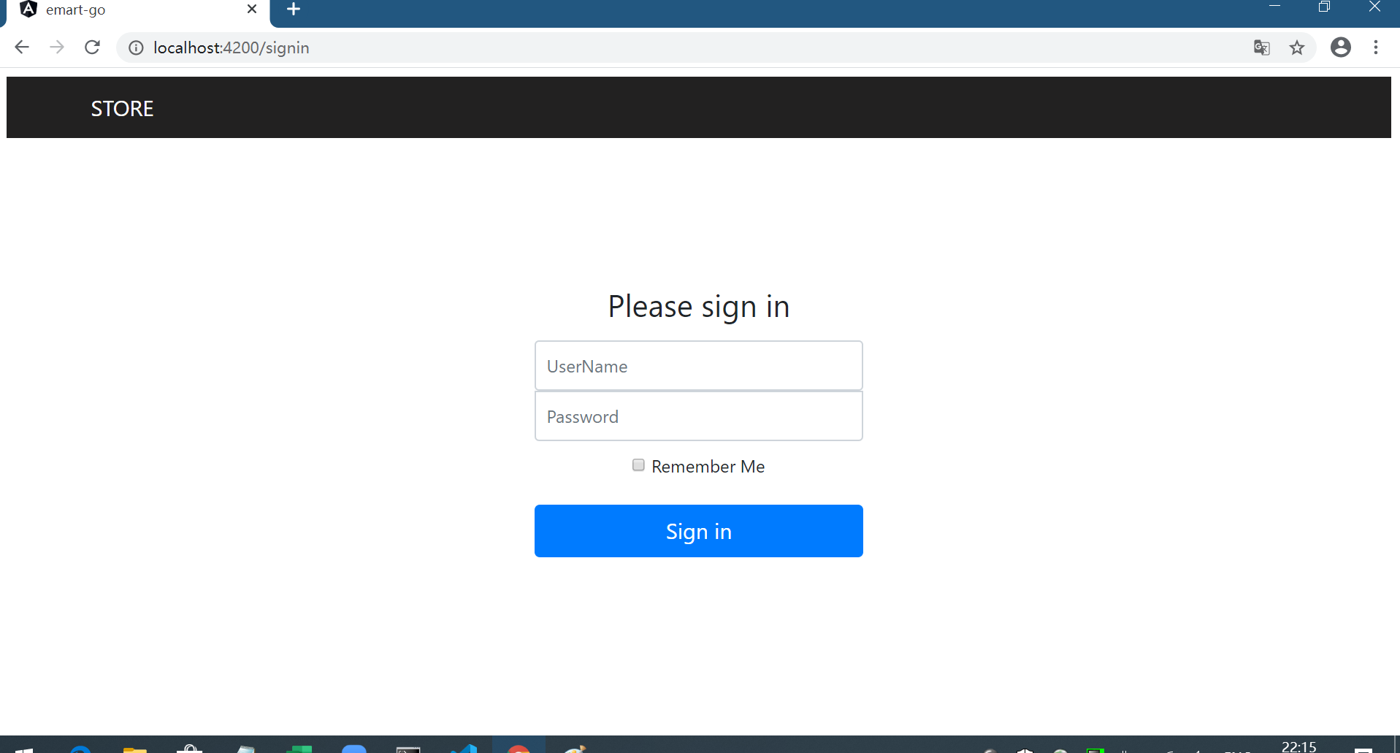

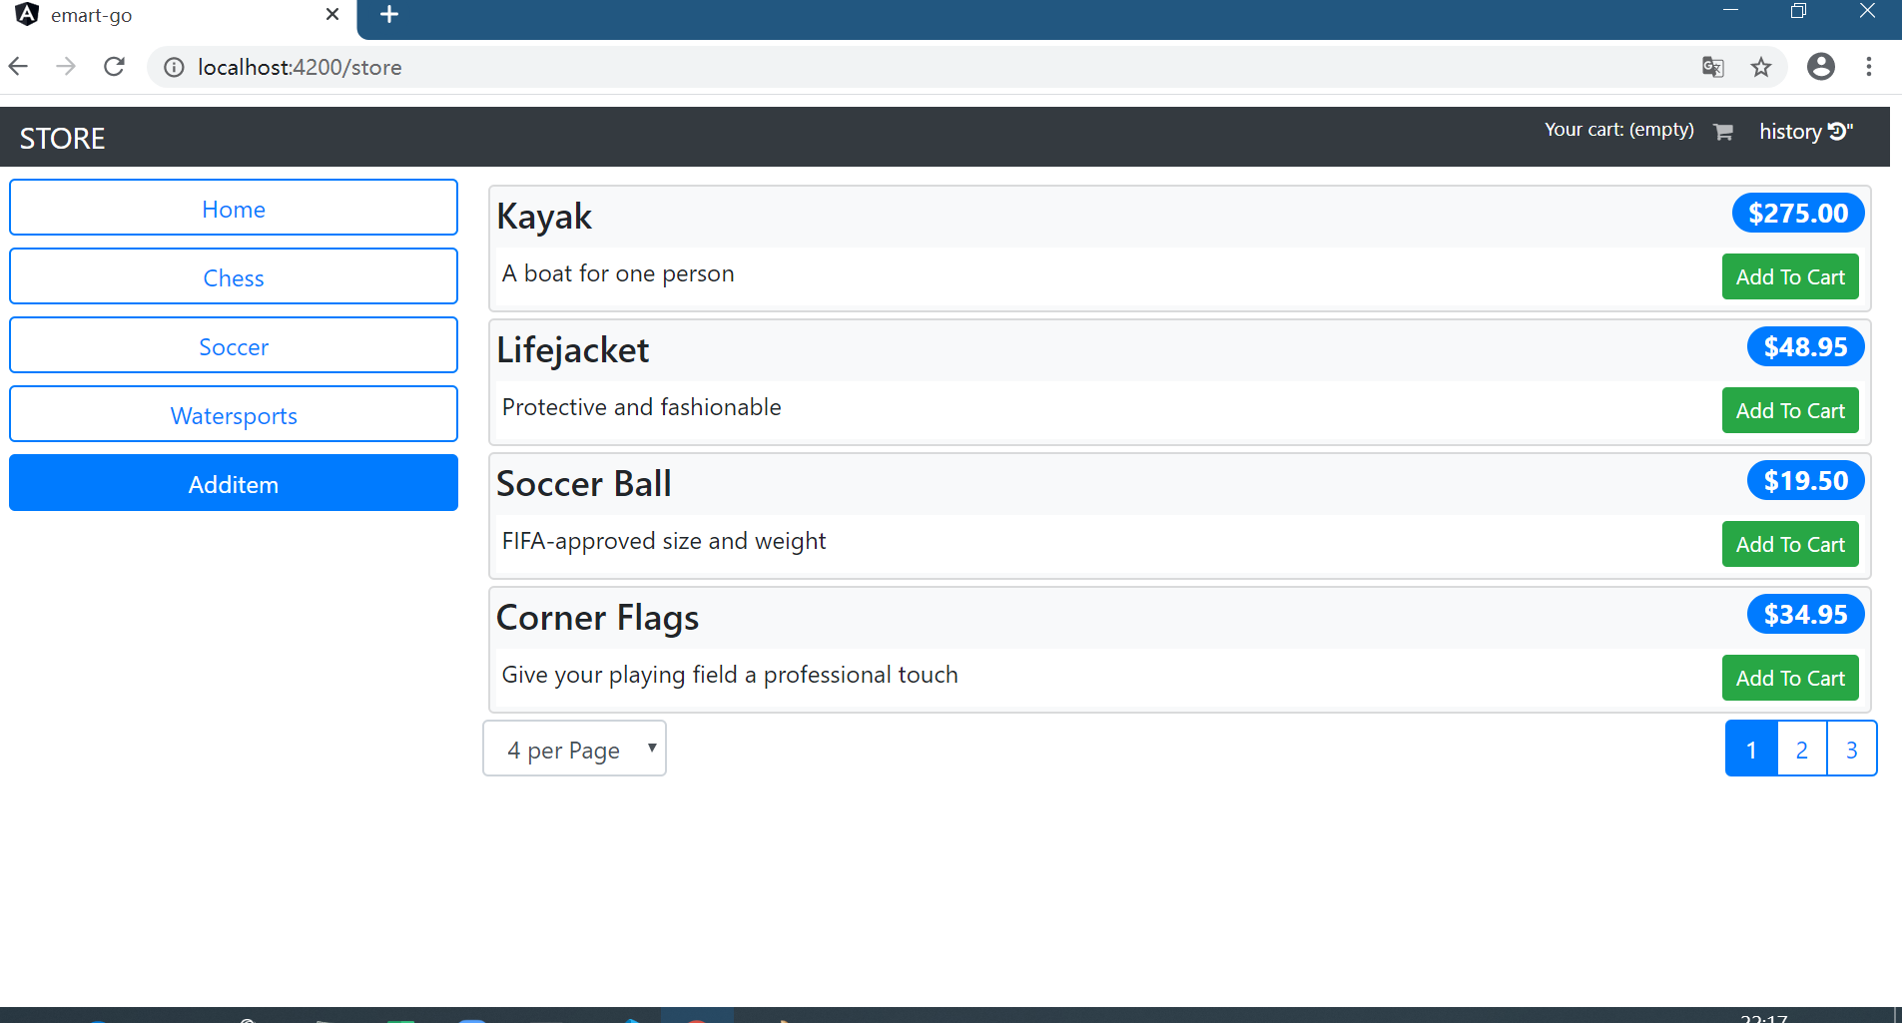

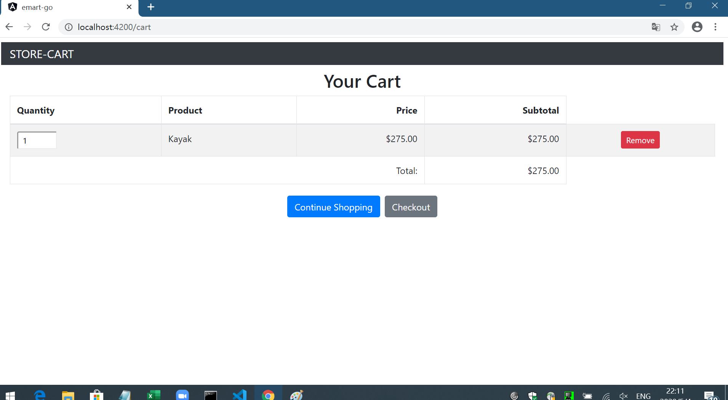

working hide ngif user

list
1.buyer,seller,admin

start
 | buyer |  |  | seller |  |  |  |  |  |  |  | admin
start
start

eMartHomepage
eMartHomepage
LogIn

 |  |  |  |  | SellerCenter
LogIn
buyerSignup
LogIn
BuyerSignup
AdminSystem
 |  |  |  |  |  |  |  | SignUp

 |  |  |  |  |  |  | Back to LogIn

 |  |  |  |  |  |  |  |  |  |  |  |  | Back to AdminSystem

SearchItems
SellerSystem
 |  |  |  |  |  |  |  |  |  |  | block/unblock |  |  | Categories | Discount | Viewdaily
block/unblock
seller/buyer/items
Categories
add/remove
Discount
add/update
Viewdaily

 |  |  |  |  |  | Back to SellerSystem

SearchResults
*1
 |  |  |  |  |  | SellerUpdate |  |  | ViewStock | Report
SellerAddItem/SellerUpdateStock
SellerViewStock
SellerReports

 |  |  |  |  |  |  |  |  |  |  |  |  |  |  |  |  | LogOff

end
DisplayItemSummary
*1
PurchaseHistory
*1
*1 ShoppingCart

 |  |  | LogOff

end

DisplayItemComplete *1
ConfirmOrder

MyOrders

 |  | LogOff

end

old
 | eMartHomepage |  | SearchItems |  | SearchResults |  | DisplayItemSummary |  | DisplayItemComplete |  | Shopping Cart
Welcome to eMart
eMart.com
Search
LogIn
buyerSignup
SellerSignUp
eMart.com
History
Cart
Logout
eMart.com
History
Cart
Logout
eMart.com
eMart.com
eMart.com
History
Cart
Logout
Navbar
History
Cart
Logout
History
Cart
Logout

Filter
Oppo Mobile
Search
Item1
$200
1
Edit
Delete
"Oppo Mobile" Search Results
Search
Search
Srart Price
Item2
$150
1
Edit
Delete
Oppo X2
Delails
End Price
pic
$200
pic
Price：
$200
Item3
$220
1
Edit
Delete
Oppo X2
View Delails
Manufacturer
Screen Size：
5.6 inches
pic
Oppo A11
$150
View Delails
Item Weight：
5.12 ounces
Total Price：$570
 |  |  |  |  |  | use scrollbar |  | use scrollbar |  | use scrollbar
Filter
1
2
3
Add to Cart
Checkout
Add to Cart
Checkout
pic
Oppo R15
$220
Checkout
View Delails
Back to SearchResults
Back to Search
Back to SearchItems

 |  | SellerSystem |  | PurchaseHistory

eMart.com
Logout
eMart.com
Cart
Logout

Update Stock
View Stock
Reports
Add Item

Item1
$200
1
2019-01-01
View
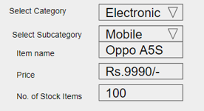
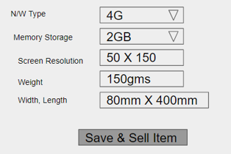

Item2
$150
1
2019-02-01
View

Item3
$220
1
2019-03-01
View

Back to SearchItems

