list
1.buyer,seller,admin

start
 | buyer |  |  | seller |  |  |  |  |  |  |  | admin
start
start

eMartHomepage
eMartHomepage
LogIn

 |  |  |  |  | SellerCenter
LogIn
buyerSignup
LogIn
BuyerSignup
AdminSystem
 |  |  |  |  |  |  |  | SignUp

 |  |  |  |  |  |  | Back to LogIn

 |  |  |  |  |  |  |  |  |  |  |  |  | Back to AdminSystem

SearchItems
SellerSystem
 |  |  |  |  |  |  |  |  |  |  | block/unblock |  |  | Categories | Discount | Viewdaily
block/unblock
seller/buyer/items
Categories
add/remove
Discount
add/update
Viewdaily

 |  |  |  |  |  | Back to SellerSystem

SearchResults
*1
 |  |  |  |  |  | SellerUpdate |  |  | ViewStock | Report
SellerAddItem/SellerUpdateStock
SellerViewStock
SellerReports

 |  |  |  |  |  |  |  |  |  |  |  |  |  |  |  |  | LogOff

end
DisplayItemSummary
*1
PurchaseHistory
*1
*1 ShoppingCart

 |  |  | LogOff

end

DisplayItemComplete *1
ConfirmOrder

MyOrders

 |  | LogOff

end

eMartHomepage
eMartHomepage

Welcome to eMart

pic
LogIn

buyerSignup

SellerSignUp

SearchItems
SearchItems

eMart.com
Logout

Search

SearchResults
SearchResults

eMart.com
History
Cart
Logout

Filter
Oppo Mobile
Search
"Oppo Mobile" Search Results
Srart Price

End Price
pic
$200
Oppo X2
View Delails
Manufacturer
pic
Oppo A11
$150
View Delails
 | use scrollbar
Filter
pic
Oppo R15
$220
View Delails

DisplayItemSummary
DisplayItemSummary

eMart.com
History
Cart
Logout

Search

Oppo X2

pic
Price：
$200

Screen Size：
5.6 inches

Item Weight：
5.12 ounces
 | use scrollbar
1
2
3
Add to Cart
Checkout

Back to SearchResults

DisplayItemComplete
DisplayItemSummary

eMart.com
History
Cart
Logout

Search

Delails

 | use scrollbar
Add to Cart
Checkout

Back to Search

ShoppingCart
Shopping Cart

eMart.com
History
Cart
Logout

Item1
$200
1
Edit
Delete

Item2
$150
1
Edit
Delete

Item3
$220
1
Edit
Delete

Total Price：$570

Checkout

Back to SearchItems

PurchaseHistory
PurchaseHistory

eMart.com
Cart
Logout

Item1
$200
1
2019-01-01
View

Item2
$150
1
2019-02-01
View

Item3
$220
1
2019-03-01
View

Back to SearchItems

SellerSystem
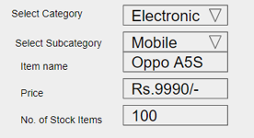
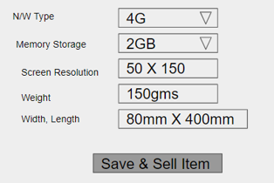
SellerSystem

eMart.com
Logout

Update Stock
View Stock
Reports
Add Item

AdminSystem
AdminSystem

eMart.com
Logout

Account
Items
Categories
Discount
Viewdaily

LogInSignUp
LogIn

eMart.com

Accountid

Password

LogIn

SignUp

SignUp(Buyer) | SignUp(Seller)

eMart.com
eMart.com

4.Complete
1.Verification
2.Information
3.Payment
1.Verification
2.Information
3.Complete

+86
+86
Mobile phone number
Mobile phone number

Verification
Verification

Create your eMart account
Create your eMart account

Next
Next

