A1c Values
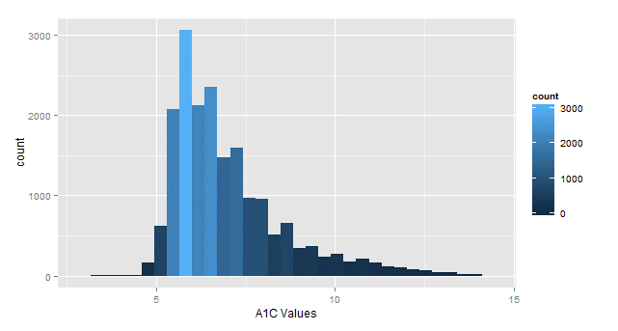
A1c
 |  | Standard Metrics |  |  |  |  | Data Quality Checks |  |  |  |  | Outliers
Location | Total Patients | Total Patients with Test | As Percent | Average Result | Median | Standard Deviation | Null Values | Contains % | Contains > | Contains < | Units Correct | Max | Min | In Accepted Range | Percent | Outliers
Silverton QA | 297135 | 19131 | 6.4% | 7.13 | 6.6 | 6.46 | 217 | 168 | 6 | 0 | 217 | 702 | 1.3 | 19050 | 99.6% | 81
For A1c
Acceptable Range: between 3% and 14%
BIDCO QA

Total Cholesterol
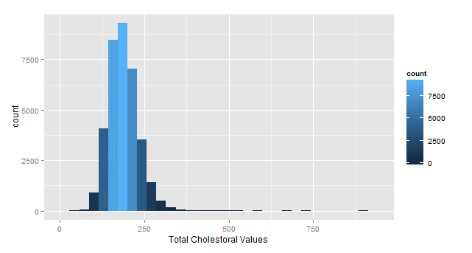
Total Cholesterol
 |  | Standard Metrics |  |  |  |  | Data Quality Checks |  |  |  | Outliers
Location | Total Patients | Total Patients with Test | As Percent | Average Result | Median | Standard Deviation | Null Values | Contains > | Contains < | Units Correct | Max | Min | In Accepted Range | Percent | Outliers
Silverton QA | 297135 | 35521 | 12.0% | 187.59 | 184 | 43.89 | 5 | 0 | 4 | 35517 | 911 | 54 | 35224 | 99% | 297
For Total Cholesterol
Acceptable Range: between 100 and 400 mg/dL
BIDCO QA

HDL Values
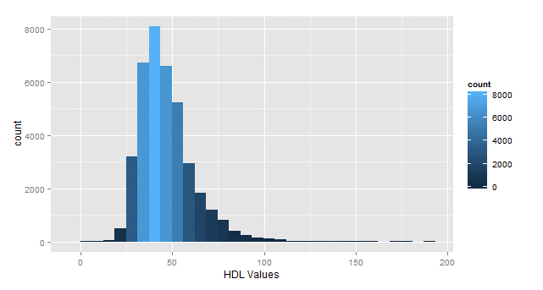
HDL
 |  | Standard Metrics |  |  |  |  | Data Quality Checks |  |  |  | Outliers
Location | Total Patients | Total Patients with Test | As Percent | Average Result | Median | Standard Deviation | Null Values | Contains > | Contains < | Units Correct | Max | Min | In Accepted Range | Percent | Outliers
Silverton QA | 297135 | 35919 | 12.1% | 46.95 | 44 | 14.44 | 420 | 0 | 10 | 35376 | 187 | 0 | 35612 | 99% | 307
For HDL
Acceptable Range: between 20 and 100 mg/dL
BIDCO QA

LDL Values
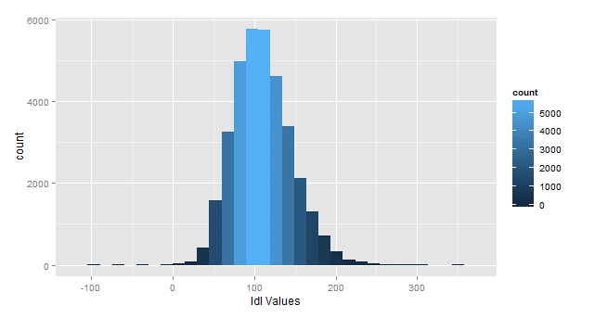
LDL
 |  | Standard Metrics |  |  |  |  | Data Quality Checks |  |  |  | Outliers
Location | Total Patients | Total Patients with Test | As Percent | Average Result | Median | Standard Deviation | Null Values | Contains > | Contains < | Units Correct | Max | Min | In Accepted Range | Percent | Outliers
Silverton QA | 297135 | 35480 | 11.9% | 110.29 | 108 | 35.91 | 420 | 0 | 0 | 35310 | 354 | -94 | 35466 | 100% | 14
For LDL
Acceptable Range: between 5 and 300 mg/dL
BIDCO QA

Microalbumin
Microalbumin
 |  | Standard Metrics |  |  |  |  | Data Quality Checks |  |  |  | Outliers
Location | Total Patients | Total Patients with Test | As Percent | Units | Average Result | Standard Deviation | Null Values | NEGATIVE | Contains < | Units Correct | Max | Min | In Accepted Range | Percent | Outliers
Silverton QA | 297135 | 10408 | 3.5% | ug/mg | 215.89 | 7620.34 | 14 | 3422 | 22 | 9164 | 558000 | 0 | 9581 | 92% | 827
 |  |  |  | mg/L | 432.50 | 912.38
 |  |  |  | mg/dL | 122.85 | 196.37
 |  |  |  | mg/24hr | 863.92 | 3099.96
For Microalbumin
Acceptable Range: between 1 and 400 mg/dL
(there are different measurement units that lead to different orders of magnitude)
BIDCO QA

Triglycerides
Tryglycerides
 |  | Standard Metrics |  |  |  |  | Data Quality Checks |  |  |  | Outliers
Location | Total Patients | Total Patients with Test | As Percent | Average Result | Median | Standard Deviation | Null Values | Contains > | Contains < | Units Correct | Max | Min | In Accepted Range | Percent | Outliers
Silverton QA | 297135 | 35623 | 12.0% | 157.48 | 128 | 172.54 | 18 | 1 | 13 | 35486 | 13253 | 15 | 35407 | 99% | 216
For Triglycerides
Acceptable Range: between 20 and 700 mg/dL
BIDCO QA

Height Values
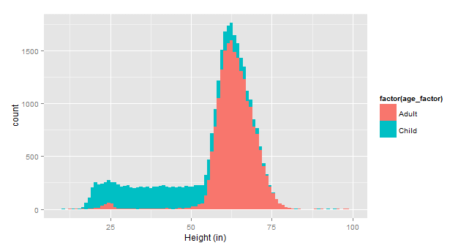
Heights
 |  | Standard Metrics |  |  |  |  | Data Quality Checks |  |  |  | Outliers
Location | Total Patients | Patients with Vital Recorded | Distinct Values | Average Result | Median | Standard Deviation | Null Values | > 100 in | < 10 in | Use cm | Max | Min | In Accepted Range | Percent | Outliers
Silverton QA | 297135 | 43752 | 30433 | 63.61 | 61 | 202.79 | 0 | 167 | 222 | 19349 | 7400 | 0.33 | 30033 | 99% | 400
For Height
Acceptable Range: between 10 and 100 inches
BIDCO QA

Weight Values
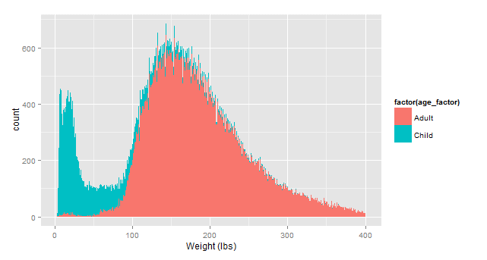
Weights
 |  | Standard Metrics |  |  |  |  | Data Quality Checks |  |  |  | Outliers
Location | Total Patients | Patients with Vital Recorded | Distinct Values | Average Result | Median | Standard Deviation | Null Values | > 400 lbs | < 2 lbs | Use kg | Max | Min | In Accepted Range | Percent | Outliers
Silverton QA | 297135 | 50854 | 99978 | 164.50 | 161 | 99.92 | 0 | 464 | 49 | 61100 | 7084 | 0 | 99444 | 99% | 534
For Weight
Acceptable Range: between 2 and 400 lbs
BIDCO QA

BMI Values
BMI
 |  | Standard Metrics |  |  |  |  | Data Quality Checks |  |  |  | Outliers
Location | Total Patients | Patients with Vital Recorded | Distinct Values | Average Result | Median | Standard Deviation | Null Values | > 400 lbs | < 2 lbs | Use kg | Max | Min | In Accepted Range | Percent | Outliers
Silverton QA | 297135 | 50854 | 99978 | 164.50 | 161 | 99.92 | 0 | 464 | 49 | 61100 | 580013 | 0.001566204 | 99444 | 99% | 534
For Weight
Acceptable Range: between 2 and 400 lbs
BIDCO QA

