PSV_input_checking
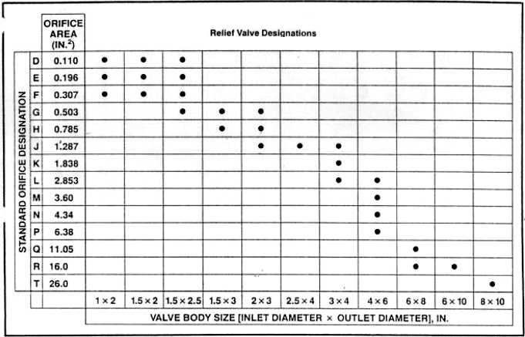
Tag NO. | Type | Orifice Area (Design) | Orifice Area (Model) | Set Pressure (Design) | Set Pressure (Model) | Reseated Pressure (Design) | Back Pressure (Model) | BlockValvesEnable | BypassValveEnable
 |  | in2 | in2 | barg | barg | barg | barg
RVZ1010A | 6*8 | 11.05 | 11.05 | 3.5 | 3.5 | 2.60 | 2.60 | 1 | 1
RVZ1010S | 6*8 | 11.05 | 11.05 | 3.5 | 3.5 | 2.60 | 2.60 | 1 | 1
RVZ1020A | 8*10 | 26 | 26 | 2.9 | 2.9 | 2.12 | 2.12 | 1 | 0
RVZ1020B | 8*10 | 26 | 26 | 2.9 | 2.9 | 2.12 | 2.12 | 1 | 0
RVZ1021A | 8*10 | 26 | 26 | 3.3 | 3.3 | 2.44 | 2.44 | 1 | 0
RVZ1021B | 8*10 | 26 | 26 | 3.3 | 3.3 | 2.44 | 2.44 | 1 | 0
RVZ1021C | 8*10 | 26 | 26 | 3.3 | 3.3 | 2.44 | 2.44 | 1 | 0
RVZ1021D | 8*10 | 26 | 26 | 3.3 | 3.3 | 2.44 | 2.44 | 1 | 0
RVZ1021E | 8*10 | 26 | 26 | 3.3 | 3.3 | 2.44 | 2.44 | 1 | 0
RVZ1021F | 8*10 | 26 | 26 | 3.3 | 3.3 | 2.44 | 2.44 | 1 | 0
RVZ1021G | 8*10 | 26 | 26 | 3.3 | 3.3 | 2.44 | 2.44 | 1 | 0
RVZ1021S | 8*10 | 26 | 26 | 3.3 | 3.3 | 2.44 | 2.44 | 1 | 0
RVZ1022A | 6*10 | 16 | 16 | 9.9 | 9.9 | 7.72 | 7.72 | 1 | 0
RVZ1022B | 6*10 | 16 | 16 | 9.9 | 9.9 | 7.72 | 7.72 | 1 | 0
RVZ1022S | 6*10 | 16 | 16 | 9.9 | 9.9 | 7.72 | 7.72 | 1 | 0
RVZ1023A | 6*10 | 16 | 16 | 9.9 | 9.9 | 7.72 | 7.72 | 1 | 0
RVZ1023B | 6*10 | 16 | 16 | 9.9 | 9.9 | 7.72 | 7.72 | 1 | 0
RVZ1023S | 6*10 | 16 | 16 | 9.9 | 9.9 | 7.72 | 7.72 | 1 | 0
RVZ1029AB | 3*4 | 1.838 | 1.838 | 3.2 | 3.2 | 2.36 | 2.36 | 1 | 0
RVZ1039 | 2*3 | superheated lp steam | 0505-05-21-0010 | 4.5 |  | 3.40
RVZ2001A | 3*4 | 1.838 | 1.838 | 48 | 48 | 38.20 | 38.20 | 1 | 0
RVZ2001S | 3*4 | 1.838 | 1.838 | 48 | 48 | 38.20 | 38.20 | 1 | 0
RVZ2002A | 8*10 | 26 | 26 | 8.8 | 8.8 | 6.84 | 6.84 | 1 | 1
RVZ2002B
RVZ2002S | 8*10 | 26 | 26 | 8.8 | 8.8 | 6.84 | 6.84 | 1 | 1
RVZ2003A | 4*6 | 4.34 | 4.34 | 35.4 | 35.4 | 28.12 | 28.12 | 1 | 0
RVZ2003B | 4*6 | 4.34 | 4.34 | 35.4 | 35.4 | 28.12 | 28.12 | 1 | 0
RVZ2003S | 4*6 | 4.34 | 4.34 | 35.4 | 35.4 | 28.12 | 28.12 | 1 | 1
RVZ2004A | 4*6 | 4.34 | 4.34 | 48.2 | 48.2 | 38.36 | 38.36 | 1 | 0
RVZ2004S | 4*6 | 4.34 | 4.34 | 48.2 | 48.2 | 38.36 | 38.36 | 1 | 0
RVZ2007A | 6*8 | 11.05 | 11.05 | 22.1 | 22.1 | 17.48 | 17.48 | 1 | 0
RVZ2007S
RVZ2104A | 6*8 | 11.05 | 11.05 | 9.9 | 9.9 | 7.72 | 7.72 | 1 | 0
RVZ2104B | 6*8 | 11.05 | 11.05 | 9.9 | 9.9 | 7.72 | 7.72 | 1 | 0
RVZ2104S
RVZ3001A | 6*10 | 16 | 16 | 14.1 | 14.1 | 11.08 | 11.08 | 1 | 0
RVZ3001S | 6*10 | 16 | 16 | 14.1 | 14.1 | 11.08 | 11.08 | 1 | 0
RVZ3004A | 8*10 | 26 | 26 | 3.3 | 3.3 | 3.00 | 3.00 | 1 | 0
RVZ3004B | 8*10 | 26 | 26 | 3.3 | 3.3 | 3.00 | 3.00 | 1 | 0
RVZ3004C | 8*10 | 26 | 26 | 3.3 | 3.3 | 3.00 | 3.00 | 1 | 0
RVZ3004D | 8*10 | 26 | 26 | 3.3 | 3.3 | 3.00 | 3.00 | 1 | 0
RVZ3004E | 8*10 | 26 | 26 | 3.3 | 3.3 | 3.00 | 3.00 | 1 | 0
RVZ3004F | 8*10 | 26 | 26 | 3.3 | 3.3 | 3.00 | 3.00 | 1 | 0
RVZ3004G | 8*10 | 26 | 26 | 3.3 | 3.3 | 3.00 | 3.00 | 1 | 0
RVZ3004H | 8*10 | 26 | 26 | 3.3 | 3.3 | 3.00 | 3.00 | 1 | 0
RVZ3004J | 8*10 | 26 | 26 | 3.3 | 3.3 | 3.00 | 3.00 | 1 | 0
RVZ3004S | 8*10 | 26 | 26 | 3.3 | 3.3 | 3.00 | 3.00 | 1 | 0
RVZ3005AB | 8*10 | 26 | 52 | 2.8 | 2.8 | 2.53 | 2.53 | 1 | 0
RVZ4001A | 4*6 | 4.34 | 4.34 | 6.2 | 6.2 | 4.76 | 4.76 | 1 | 1
RVZ4001S | 4*6 | 4.34 | 4.34 | 6.2 | 6.2 | 4.76 | 4.76 | 1 | 1
RVZ5002A | 6*8 | 11.05 | 11.05 | 4.3 | 4.3 | 3.24 | 3.24 | 1 | 0
RVZ5002S | 6*8 | 11.05 | 11.05 | 4.3 | 4.3 | 3.24 | 3.24 | 1 | 0
RVZ1041 | 1.5*2 | 0.196 | 0.196 | 7.1 | 7.1 | 5.48 | 5.48 | 0 | 0
RVZ1043 | 2*3 | 0.785 | 0.785 | 9.8 | 9.8 | 7.64 | 7.64 | 0 | 0

