Cover
 |  |  |  | Copyright @ SSD FW Design

STE - SDK Engineering Build Test Summary



 |  | WhistlerPlus

 | Kioxia BiCS4 SDK v6.0.2.10039

 |  | 2021-05-31

 |  |  | © 2021 Marvell Confidential. All rights reserved.

Summary
4. Test Result Summary
Kioxia BIcs4 WhistlerPlus PCIE SSD TEST StATUS

[WhistlerPlus PCIe SSD] STE Test Result Summary
FW Ver | Category | Test Cases | Test Cases | Passed | Failed | Blocked | Not Supported
6.0.2.10039 | Release_Component_Check | Release_Component_Check | 1 | 1 | 0 | 0 | 0
 |  | compile_basic_function | 1 | 1 | 0 | 0 | 0
 |  | halexerciser_basic_function | 1 | 1 | 0 | 0 | 0
6.0.2.10039 | FW_Download | FW online download (100 cycle) | 1 | 1 | 0 | 0 | 0
 |  | UART Download (Caster) | 1 | 1 | 0 | 0 | 0
6.0.2.10039 | Basic Storage Function | Boot and IO Sanity Test | 7 | 7 | 0 | 0 | 0
6.0.2.10039 | FE Protocol | IOL InterAct | 162 | 146 | 0 | 6 | 10
6.0.2.10039 | Basic IO | FIO 24h stress | 28 | 28 | 0 | 0 | 0
 |  | Marvo overnight stress (1 loop) | 8 | 8 | 0 | 0 | 0
6.0.2.10039 | PassMark BurnIN | Data Drive BurnIN Test | 4 | 2 | 0 | 0 | 0
 |  | OS Drive BurnIN Test | 4 | 3 | 1 | 0 | 0
6.0.2.10039 | DM_Protocol | DriveMasterNVMeProtocol | 20 | 19 | 1 | 0 | 0
6.0.2.10039 | DM_Regression | DriveMasterNVMeRegression | 7 | 5 | 2 | 0 | 0
6.0.2.10039 | HMB | HMB Basic Function | 2 | 2 | 0 | 0 | 0
6.0.2.10039 | Event Log Test | Dump Elog | 2 | 2 | 0 | 0 | 0
6.0.2.10039 | OS Installation | OS Installation | 4 | 4 | 0 | 0 | 0
6.0.2.10039 | FUA | FUA-BAT | 1 | 1 | 0 | 0 | 0
6.0.2.10039 | Graceful Shutdown | OakGate Graceful Shutdown Test | 3 | 1 | 2 | 0 | 0
6.0.2.10039 | Device Self Test | Basic DST Function | 4 | 4 | 0 | 0 | 0
6.0.2.10039 | OakGate Traffic | OakGate Traffic Suite | 5 | 3 | 2 | 0 | 0
6.0.2.10039 | System Test, BenchMark | NB Rebooter | 1 | 0 | 1 | 0 | 0
 |  | NB S3/S4 | 1 | 1 | 0 | 0 | 0
 |  | PCMak 8 | 2 | 1 | 1 | 0 | 0
 |  | MobileMark 2018 | 1 | 0 | 1 | 0 | 0
6.0.2.10039 | Power Management | Basic Function Test | 7 | 5 | 2 | 0 | 0
6.0.2.10039 | RDA | Repeat Read | 1 | 1 | 0 | 0 | 0
6.0.2.10039 | Set/Get Feature | Attributes Check | 17 | 13 | 0 | 0 | 4
6.0.2.10039 | Performance | CDM8 | 4 | 3 | 1 | 0 | 0
6.0.2.10039 | Trim | OakGate Trim Test | 3 | 3 | 0 | 0 | 0
6.0.2.10039 | PowerLoss | OakGateTrafficTest | 1 | 0 | 1 | 0 | 0
6.0.2.10039 | Reset | OakGate Mixed Access Patterns | 4 | 3 | 1 | 0 | 0
6.0.2.10039 | Write Uncorrectable | OakGate WU Test | 5 | 2 | 3 | 0 | 0
6.0.2.10039 | OGT_L2(reset, HMB) | OakGate L2 Test Cases | 11 | 2 | 9 | 0 | 0
6.0.2.10039 | Crash Dump | Caster Crash Dump | 1 | 1 | 0 | 0 | 0
6.0.2.10039 | S.M.A.R.T | Attributes Check | 21 | 21 | 0 | 0 | 0
6.0.2.10039 | IO Abort | IO Abort | 2 | 1 | 1 | 0 | 0
Total |  |  | 348 | 297 | 29 | 6 | 14

5. Open Issue Summary
JIRA ID | Summary
DRAMLESS-8959 | [STE][WP][bics4]Met too many ASSERTION at (0) FILE=FmlRaidDieMgr.c, LINE=133 [dbg.c, 484]
DRAMLESS-8939 | [STE][WP][BiCS4]ASSERTION at (0) FILE=FmlRaidDieMgr.c, LINE=133 when OGT "GSD During IO With Perst"
DRAMLESS-8936 | [STE][WP][BICS4]PcMark8 test failed on PMU mode (2TB)
DRAMLESS-8934 | [STE][WP][bics4][2TB]Lost drive during testing BIT on NB
DRAMLESS-8932 | [STE][WP][BiCS4]CDM8 Mixed_R/W throughput with 4G span is obviously lower than 1G/32G/64G
DRAMLESS-8929 | [STE][WP][BiCS4]<ERROR: 0x5> ASSERTION at false [HalDebug.c, 169] when OGT L2 WU pure IO
DRAMLESS-8928 | [STE][WP][BICS4]pmu, fio timeout, fw met EC=A1 FID= 0 QID= 0 VAL=4E000 when apst disabled
DRAMLESS-8922 | [STE][WP][BiCS4]OGT_L2, Data Validation Failure when PMU wake up and read
DRAMLESS-8911 | [STE][WP][BiCS4] DM Protocol PWRStates fail.
DRAMLESS-8908 | [STE][WP][BiCS4] DM NVMPWSTATE_PSPA_6.3 fail.
DRAMLESS-8896 | [STE][WP][BiCS4][V6]NVMe CSTS.RDY never set for CC.EN=1, CAP.TO=0x28 when OGT_L2 Normal_PCI_Reset
DRAMLESS-8881 | [STE][WP][BiCS4]AbortCMD over 5s when OGT mixed_rw_ 50%_WU
DRAMLESS-8856 | [STE][WP][bics4][2TB]FAIL : Error-1 at Temperature threshold exceeded when test BIT on PC
DRAMLESS-8722 | [STE][WP][BICS4]OGT GSD fail, OGT report NVMe CSTS.SHST never set to 10b on shutdown
DRAMLESS-8650 | [STE][WP][bics4]BlueScreen when test Rebooter on NB
DRAMLESS-8136 | [STE][WP][BiCS4]OGT Interrupted_PCI_Reset_With_Events test, OGT report device loss

Performance
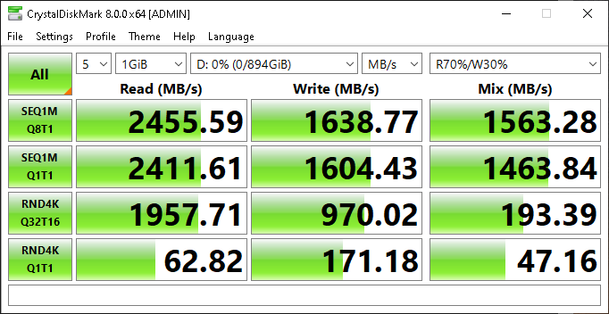
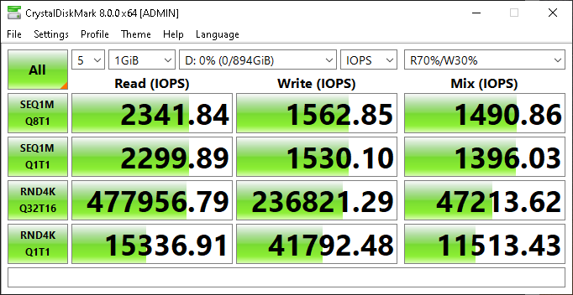
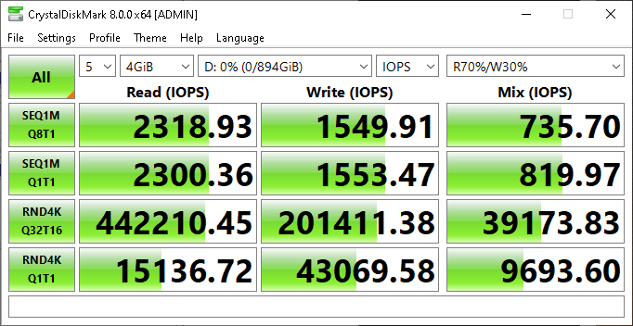
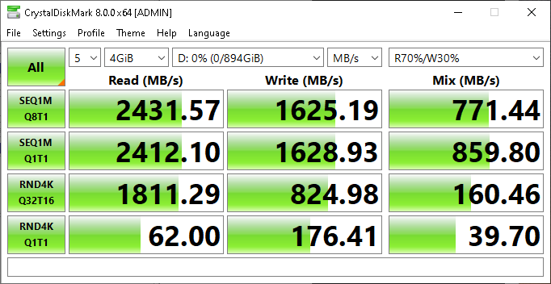
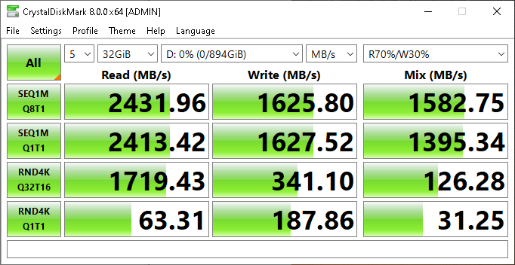
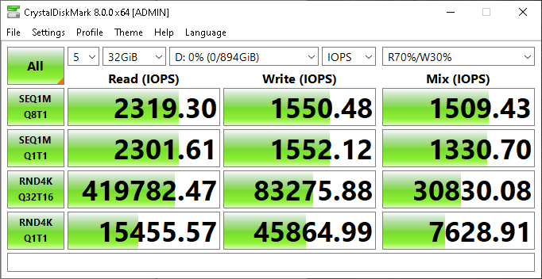
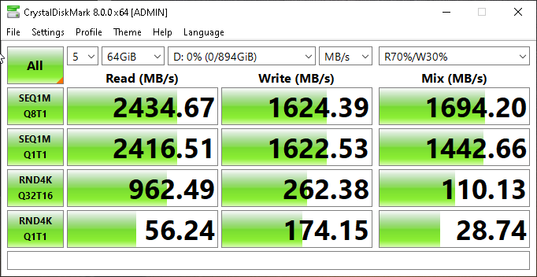
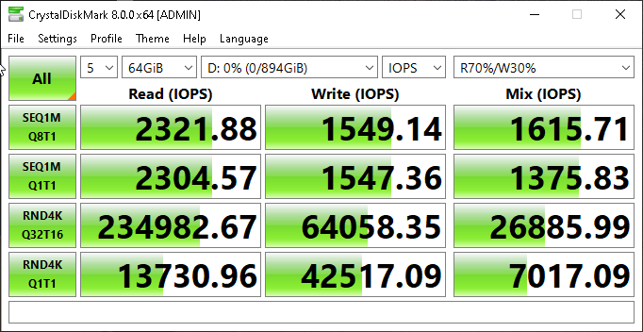
6. Performance Test Report

Test Configuration
MB | ASRock x570
FW Version | SDK_6.0.3.10039(BCM enabled)
SSD Capacity | 1T
Test Tool | Marvo (Marvell internal tool)
Test Range | Full range (1T)
Test configuration | 128K Sequential write, Q32T4

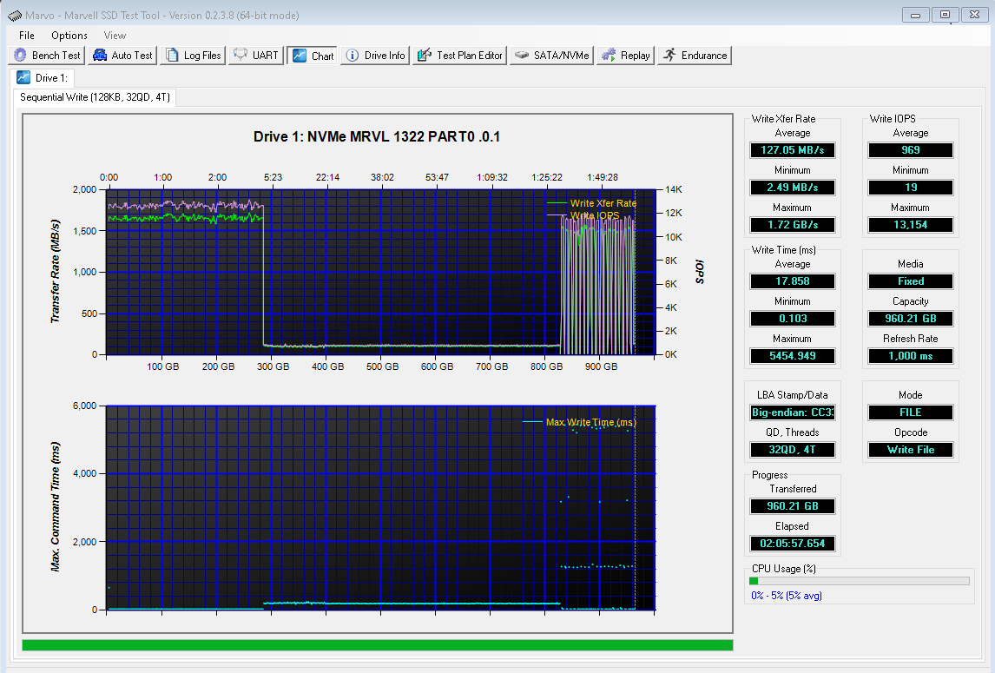

Test Configuration
MB | ASRock x570
FW Version | SDK_6.0.2.10039(BCM enabled)
SSD Capacity | 1T
Test Tool | CrystalDiskMark8
Test Range | 1G/4G/32G/64G
Test configuration | CDM default configuration

CDM8 | Test Results
 | 1G Range | 4G Range | 32G Range | 64G Range
Sequential Read 1M (QD8, T1)[MB/s] | 2455 | 2431 | 2431 | 2434
Sequential Write 1M (QD8, T1)[MB/s] | 1638 | 1625 | 1625 | 1624
Random Read 4K (QD32, T16) [KIOPS] | 477 | 442 | 419 | 234
Random Write 4K (QD32, T16) [KIOPS] | 236 | 201 | 83 | 64

back cover


