multiclass vs logistic just
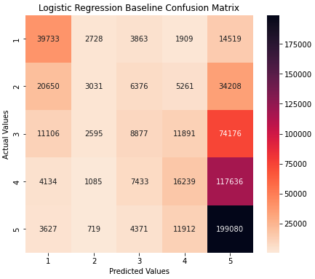

 | Multiclass cost table |  |  |  |  | Binary cost table

Class | Description | Low | High | Midpoint | Class | Description | Low | High | Midpoint
Grade 1 | no need/some minor repair | - | 1,000 | 500 | 0 | No need/Minor repair | - | 2,500 | 1,250
Grade 2 | minor repair | 1,000 | 2,500 | 1,750 | 1 | Major repair/reconstruction | 5,000 | 50,000 | 27,500
Grade 3 | major repair | 2,500 | 10,000 | 6,250
Grade 4 | reconstruction/some major repair | 10,000 | 25,000 | 17,500
Grade 5 | reconstruction | 25,000 | 50,000 | 37,500 | Class | Count of Predicted | Predicted Cost | Count of Actual | Actual Cost
 |  |  |  |  | 0 | 89,408 | $112m | 132,278 | $66m
 |  |  |  |  | 1 | 517,760 | $14,238m | 474,890 | $831m
Class | Count of Predicted | Predicted Cost | Count of Actual | Actual Cost |  | 607,168 | $14,350m | 607,168 | $897m
Grade 1 | 79,250 | $40m | 62,752 | $31m
Grade 2 | 10,158 | $18m | 69,526 | $122m |  |  |  | model miss | $13,453m
Grade 3 | 30,929 | $193m | 108,645 | $679m
Grade 4 | 47,212 | $826m | 146,536 | $2,564m
Grade 5 | 439,619 | $16,486m | 219,709 | $8,239m
 | 607,168 | $17,563m | 607,168 | $11,636m

 |  |  | model miss | $5,927m |  | https://www.bloomberg.com/news/articles/2015-04-28/nepal-rebuilding-cost-to-exceed-10-billion-finance-chief-says

