multiclass vs logistic just
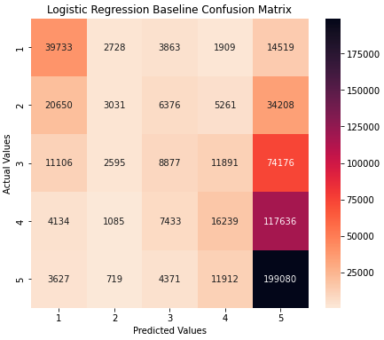

 | Multiclass cost table |  |  |  |  | Binary cost table

Class | Description | Low | High | Midpoint | Class | Description | Low | High | Midpoint
Grade 1 | no need/some minor repair | - | 1,000 | 500 | 0 | No need/Minor repair | - | 2,500 | 1,250
Grade 2 | minor repair | 1,000 | 2,500 | 1,750 | 1 | Major repair/reconstruction | 2,500 | 40,000 | 21,250
Grade 3 | major repair | 2,500 | 5,000 | 3,750
Grade 4 | reconstruction/some major repair | 5,000 | 10,000 | 7,500
Grade 5 | reconstruction | 10,000 | 40,000 | 25,000 | Class | Count of Predicted | Predicted Cost | Count of Actual | Actual Cost
 |  |  |  |  | 0 | 89,408 | $112m | 132,278 | $66m
 |  |  |  |  | 1 | 517,760 | $11,002m | 474,890 | $831m
Class | Count of Predicted | Predicted Cost | Count of Actual | Actual Cost |  | 607,168 | $11,114m | 607,168 | $897m
Grade 1 | 79,250 | $40m | 62,752 | $31m
Grade 2 | 10,158 | $18m | 69,526 | $122m |  |  |  | model miss | $10,217m
Grade 3 | 30,929 | $116m | 108,645 | $407m
Grade 4 | 47,212 | $354m | 146,536 | $1,099m |  |  |  |  | 11.39
Grade 5 | 439,619 | $10,990m | 219,709 | $5,493m |  | cost to rebuild house can reach up to $40,000
 | 607,168 | $11,518m | 607,168 | $7,152m
 |  |  |  |  |  | https://globalpressjournal.com/world/rebuilding-nepal-four-years-quake/#:~:text=The%20cost%20to%20rebuild%20every,and%20gaps%20in%20assistance%20remain.
 |  |  | model miss | $4,366m |  | https://www.bloomberg.com/news/articles/2015-04-28/nepal-rebuilding-cost-to-exceed-10-billion-finance-chief-says

 |  |  |  | 0.61

