Budget Countryside
 |  |  |  |  |  | Billing Period:
 |  |  |  |  |  | May 14, 2023

0409 Bantol St., Dampas District, Tagbilaran City, Bohol

Room Accommodation ● Function Room ● Tour Assistance

DOROTHY EVARDONE
10 Pax - Tour Quotation | Classic Bohol Countryside Tour

BUDGET PACKAGE: |  | ✔ Breakfast at Guesthouse, Dining Area (May 14)
Great for flexible tours! |  | ✔ 1 Day Tour | Vehicle Rental with Driver (May 14)
 |  | ✔ Lunch at Loboc River Cruise (May 14)
 |  | ✔ Opportunity for Discount if FULL payment before check-in day.
 |  |  |  |  |  |  |  |  |  |  |  |  | ✿❤☀

Dear Ma'am Dorothy,

Thank you for reaching out to us for your Bohol trip. We would like to offer your group of 10 Pax (5 Adults, |  |  |  |  |  |  | 1D TOUR - 10 PAX |  |  | 1D TOUR - 11 PAX |  |  |  | 1D TOUR - 12 PAX
4 Seniors , and 1 Kid) the amount of . . . One thousand three hundred ninety pesos and fourty eight centavos |  |  |  |  |  |  | PAX | 10 | 5 Adults + 4 Seniors + 1 Kid | PAX | 11 | 6 Adults + 4 Seniors + 1 Kid |  | PAX | 12 | 7 Adults + 4 Seniors + 1 Kid |  |  | In line with this, we have noted your downpayment of P 1,896 last March 22, 2023.
(P 1,390.48) per head for your 1-Day Budget Tour Package. |  |  |  |  |  |  |  |  |  |  |  |  |  |  |  |  |  |  | So now, your Current Balance is P 3,544.75 per head for the following inclusions:

 |  |  | Per Head | Total Package
 | 10 Pax (5 Adults + 4 Seniors + 1 Kid) |  | ₱1,390.48 | ₱13,904.80 |  |  |  |  |  |  |  |  |  |  |  |  |  | #REF! |  | 1,896.00
 | 11 Pax (6 Adults + 4 Seniors + 1 Kid) |  | ₱1,361.45 | ₱14,976.00
 | 12 Pax (7 Adults + 4 Seniors + 1 Kid) |  | ₱1,337.27 | ₱16,047.20

 | ❤ Want a Discount? Provide FULL payment before check-in day.
 | Take a look at what your Discounted 1-Day Bohol Tour Package will look like . .

 |  |  | Discounted Package
 | 10 Pax (5 Adults + 4 Seniors + 1 Kid) |  | ₱13,668.42
 | 11 Pax (6 Adults + 4 Seniors + 1 Kid) |  | ₱14,721.41
 | 12 Pax (7 Adults + 4 Seniors + 1 Kid) |  | ₱15,774.40

BUDGET PACKAGE: SCHEDULE AND INCLUSIONS

MAY 14, 2023 | SUNDAY |  |  |  |  | EXCLUSIONS |  | PER HEAD | COSTING | NOTES | PER HEAD | COSTING | NOTES |  | PER HEAD | COSTING | NOTES

 | 6:30AM. START WITH A FULL-BREAKFAST |  |  |  | - Gas for Vehicle |  | ₱180.00 | ₱1,800.00 | Breakfast for 10 Pax | ₱180.00 | ₱1,980.00 | Breakfast for 11 Pax |  | ₱180.00 | ₱2,160.00 | Breakfast for 12 Pax
 | Serving you a plated, Filipino Breakfast at our Dining Area. |  |  |  | We release with full tank. |  | ₱270.00 | ₱2,700.00 | Van + Driver + Lunch + Dinner (7am to 3pm) | ₱245.45 | ₱2,700.00 | Van + Driver + Lunch + Dinner (7am to 3pm) |  | ₱225.00 | ₱2,700.00 | Van + Driver + Lunch + Dinner (7am to 3pm)
 |  |  |  |  | Please return with full tank.
 | 7:00AM. DEPART FOR BOHOL COUNTRYSIDE TOUR. |  |  |  | - Entrance and Environmental Fees
 | Vehicle Rental with Driver |  |  |  | - Dinner and Snacks
 | Itinerary in no particular order.

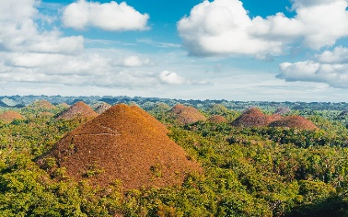
 |  | ● Chocolate Hills
 |  | ● Bilar Man Made Forest
 |  | ● Loboc River Cruise & Lunch Buffet. (Included in Package) |  |  |  |  |  |  | *New Rate is P775/head |  |  | *New Rate is P775/head | 775 |  |  | *New Rate is P775/head | 25 | 800
 |  | Good for 5 Adults + 4 Seniors + 1 Kid (11yrs old) |  |  |  |  | ₱850.00 | ₱4,250.00 | 5 Adults. Loboc will ask for P800 | ₱850.00 | ₱5,100.00 | 6 Adults. Loboc will ask for P800 |  | ₱850.00 | ₱5,950.00 | 7 Adults. Loboc will ask for P800
 |  | ● Tarsier Conservation Area |  |  |  |  | ₱630.00 | ₱2,520.00 | 4 Seniors. Loboc will ask for P600 | ₱630.00 | ₱2,520.00 | 4 Seniors. Loboc will ask for P600 |  | ₱630.00 | ₱2,520.00 | 4 Seniors. Loboc will ask for P600

 |  | ● Butterfly Garden |  |  |  |  |  | ₱850.00 | 1 Kid (11yrs old is Adult Rate) |  | ₱850.00 | 1 Kid (11yrs old is Adult Rate) |  |  | ₱850.00 | 1 Kid (11yrs old is Adult Rate)
 |  | ● Mirror of the World @ Sikatuna
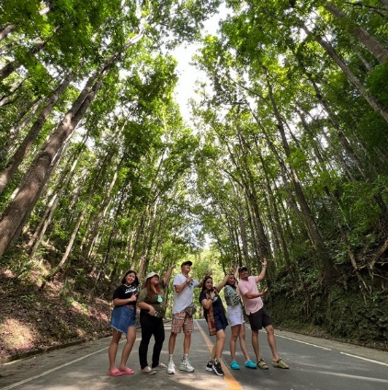
 |  | ● Blood Compact Shrine

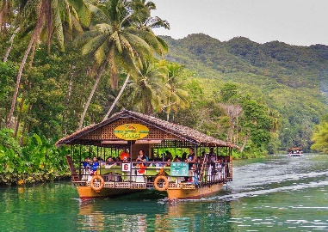

 |  | Optional Tour Spots:
 |  | ● ATV Ride
 |  | ● Loboc Adventure Park
 |  | ● Chocolate Hills Adventure Park


 | 5:30PM. END OF TOUR. DRIVE TO DINNER
 |  | ● Driver can take you the nearest restaurant.
 |  | Or if you have any restaurant suggestions, |  |  |  |  |  |  |  |  |  |  | 312.5
 |  | let the driver know.
 |  |  |  |  |  |  | ₱250.00 | ₱1,250.00 | 5 Hours Extension for Driver (3pm-8pm) | ₱250.00 | ₱1,250.00 | 5 Hours Extension for Driver (3pm-8pm) |  | ₱250.00 | ₱1,250.00 | 5 Hours Extension for Driver (3pm-8pm)
 | 7:30PM. RETURN TO GUESTHOUSE |  |  |  |  |  |  |  | Driver gets 300 for 5 hrs Extension |  |  | Driver gets 300 for 5 hrs Extension |  |  |  | Driver gets 300 for 5 hrs Extension

 |  | ● Extension of driver and vehicle has extra charge.
 |  | Add P250/per hour
 |  | ● Please full tank vehicle at gas station before return.


 | 8:00PM. EXPECTED ARRIVAL @ GUESTHOUSE
 |  |  |  |  |  |  |  | ₱13,370.00 | Tour Day TOTAL |  | ₱14,400.00 | Tour Day TOTAL |  |  | ₱15,430.00 | Tour Day TOTAL

 |  |  |  |  |  |  |  | ₱534.80 | Organizing Fee (0.04% of Total) |  | ₱576.00 | Organizing Fee (0.04% of Total) | ₱267.40 |  | ₱617.20 | Organizing Fee (0.04% of Total)
 | REMINDERS

✱ | Payment: | Upon arrival, we accept cash, gcash or bank transfer. No credit/debit cards please. |  |  |  |  | 1D TOUR - 10 PAX |  |  | 1D TOUR - 11 PAX |  |  |  | 1D TOUR - 12 PAX
 |  |  |  |  |  |  |  | ₱13,904.80 | TOTAL PACKAGE |  | ₱14,976.00 | TOTAL PACKAGE |  |  | ₱16,047.20 | TOTAL PACKAGE
 |  | GCASH: | 0956-956-0033 (JUDY ANNE JAMORA) |  |  |  |  | ₱1,390.48 | PER HEAD |  | ₱1,361.45 | PER HEAD |  |  | ₱1,337.27 | PER HEAD
 |  | SECURITY BANK: | ACCT NAME: B AND J GUESTHOUSE AND FUNCTIONS, INC.
 |  |  | ACCT NUMBER: 00000 3451 6377 |  |  |  |  | - | Downpayment |  | - | Downpayment |  |  | - | Downpayment
 |  |  |  |  |  |  |  | ₱13,904.80 | TOTAL PACKAGE |  | ₱14,976.00 | TOTAL PACKAGE |  |  | ₱16,047.20 | TOTAL PACKAGE
✱ | Front Office Operating Hours: 5:30 am to 10:00 pm |  |  |  |  |  |  | ₱1,390.48 | PER HEAD |  | ₱1,361.45 | PER HEAD |  |  | ₱1,337.27 | PER HEAD

 |  |  |  |  |  |  |  | 236.38 | 0.017% Discount |  | 254.59 | 0.017% Discount |  |  | 272.80 | 0.017% Discount
 |  |  |  |  |  |  |  | ₱13,668.42 | TOTAL PACKAGE |  | ₱14,721.41 | TOTAL PACKAGE |  |  | ₱15,774.40 | TOTAL PACKAGE
Thank you for reaching out to us for your Bohol trip. We hope that we can serve you on your special days. |  |  |  |  |  |  |  | ₱1,366.84 | PER HEAD |  | ₱1,338.31 | PER HEAD |  |  | ₱1,314.53 | PER HEAD
Should you have any concerns, please don't hesitate to contact us and we will be glad to assist you.

 |  |  |  |  |  |  |  | ₱236.38 | Per Head. What Guests Saves (After Discount) |  | ₱254.59 | Per Head. What Guests Saves (After Discount) |  |  | ₱272.80 | Per Head. What Guests Saves (After Discount)
 |  |  |  |  |  |  |  | ₱298.42 | Org. Fee. What we Get (After Discount) |  | ₱321.41 | Org. Fee. What we Get (After Discount) |  |  | ₱344.40 | Org. Fee. What we Get (After Discount)
 |  |  |  |  |  |  |  | ₱534.80 |  |  | ₱576.00 |  |  |  | ₱617.20
 |  |  |  |  | Best Regards,

 |  |  |  |  | JUDY ANNE JAMORA
 |  |  |  |  | GUESTHOUSE MANAGER
 |  |  |  |  | Viber/ CP# 0942.976.4512

