BUDGET with island hopping
 |  |  |  |  |  | Billing Period:
 |  |  |  |  |  | June 9, 2023

0409 Bantol St., Dampas District, Tagbilaran City, Bohol

Room Accommodation ● Function Room ● Tour Assistance

KIMMY KIM
15 Pax - Tour Quotation | Classic Bohol Countryside + Island Hopping + Mini Panglao Tour


 |  | ✔ Trans-In: Tagbilaran Pier to Guesthouse (June 9)
 |  | ✔ 2 Days Breakfast (June 10 and 11)
 |  | ✔ 2 Days Tour | Vehicle Rental with Driver (June 10 and 11)
 |  | ✔ Lunch at Loboc River Cruise (June 10)
BUDGET PACKAGE: |  | ✔ 2 Nights Accommodation for 15 Pax (Check-in: June 9, Check-out: June 11)
Great for flexible tours! |  | ✔ Island Hopping (June 11)
 |  |  | With Boat, Virgin Island Entrance Fees, and Snorkeling
 |  | ✔ Trans-Out: Guesthouse to Tagbilaran Pier (June 11)
 |  | ✔ Opportunity for Discount if FULL payment before check-in day.

Dear Ma'am Kimmy,

Thank you for reaching out to us for your Bohol trip. We would like to offer your group of 15 Pax the |  |  |  |  |  |  |  |  |  |  | ✿❤☀
amount of . . . Three thousand six hundred thirty five pesos and one centavos (P 3,635.01) per head for your
BUDGET BOHOL PACKAGE.
 |  |  |  |  |  |  |  | 1D TOUR - 15 PAX
 |  | TOTAL PACKAGE (Good for 15) |  |  |  |  |  | PAX | 15 | 15 Adults
 |  | ₱54,525.12 | Total Package
 |  | ₱3,635.01 | Per Head

 | ❤ Want a Discount? Provide FULL payment before check-in day.
 | With Discount, your Package becomes…

 |  | DISCOUNT PACKAGE (If Full Pay before check-in day)
 |  | ₱54,034.39 | Total Package
 |  | ₱3,602.29 | Per Head

BUDGET PACKAGE: SCHEDULE AND INCLUSIONS

DAY 1 | JUNE 9, 2023 | FRIDAY |  |  |  | DAY 1 EXCLUSIONS |  |  | PER HEAD | COSTING | NOTES
 | PICK UP AT TAGBILARAN PIER. (1 VAN) |  |  |  | - Meals and Snacks
 | Please let us know if there will be any changes or delays. |  |  |  |  |  |  | ₱80.00 | ₱1,200.00 | Pick Up 1 Van
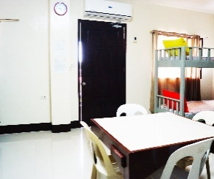
 |  |  |  |  |  |  |  |  |  | ₱600.00
 | CHECK-IN AT B&J GUESTHOUSE |  |  |  |  |  |  |  |  | ₱400.00
 | Note: Check-in time is within 2pm to 7pm.

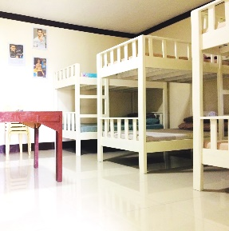
 | 2 NIGHTS: 2 ROOMS
 | Room and Bed Type |  |  | Capacity | Extra Beds | Floor Level
 | ● 1 x Family Room (5 Single Sized Beds) |  |  | 5 pax | *none |  | 1st. Flr. | ₱621.00 | ₱4,968.00 |  | 1242
 | ● 1 x Dorm Room (Bunk Beds) |  |  | 10 pax | *none |  | 2nd Flr. | ₱1,777.60 | ₱8,888.00 |  | 2222

 | INCLUSIONS: |  | Towel, Toiletries, and Drinking water |  |  |  |  |  |  |  | 3464
 | ROOM AMENITIES: |  | ✔ Wifi on-site, ✔ Private Hot/cold shower
 |  |  | ✔ Air-conditioned room, ✔Mini Fridge(Deluxe Room) ✔LED TV
 |  |  |  |  |  |  |  |  | ₱15,056.00 | DAY 1 TOTAL COST
 | Family Room Dorm Room
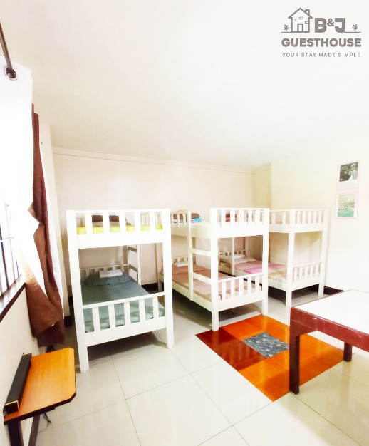
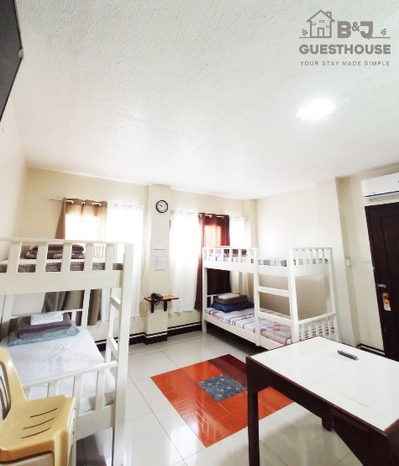

 | Good for 5 Good for 10
 | 5 Single Beds Bunk Beds

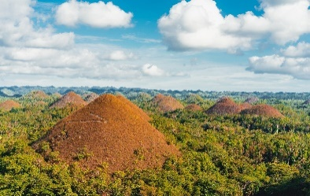
DAY 2 | JUNE 10, 2023 | SATURDAY |  |  |  | DAY 2 EXCLUSIONS |  |  | PER HEAD | COSTING | NOTES
 | 6:30AM. START WITH YOUR BREAKFAST |  |  |  | - Gas for Vehicle |  |  | ₱180.00 | ₱2,700.00 | Breakfast for 15 Pax
 | Filipino Breakfast served plated at Dining Area. |  |  |  | We release with full tank. |  |  | ₱180.00 | ₱2,700.00 | Van + Driver + Lunch + Dinner (7am to 3pm)
 |  |  |  |  | Please return with full tank.
 | 7:00AM. DEPART FOR BOHOL COUNTRYSIDE TOUR. |  |  |  | - Entrance and Environmental Fees
 | Inclusions: 1 Van Rental with Driver |  |  |  | - Dinner and Snacks
 | Itinerary in no particular order.

 |  | ● Chocolate Hills
 |  | ● Bilar Man Made Forest.
 |  | ● Loboc River Cruise & Lunch Buffet. |  |  | ✔ Included in Package |  |  | ₱850.00 | ₱12,750.00 | 15 Adults. Loboc will ask for P800 | 775 | 25 | 800
 |  | ● Tarsier Conservation Area |  |  |  |  |  |  | ₱0.00
 |  | ● Butterfly Garden |  |  |  |  |  |  | ₱0.00
 |  | ● Mirror of the World @ Sikatuna |  |  |  |  |  |  | ₱0.00
 |  | ● Blood Compact Shrine

 |  | Optional Tour Spots:
 |  | ● ATV Ride
 |  | ● Loboc Adventure Park
 |  | ● Chocolate Hills Adventure Park

 | 6:00PM. END OF TOUR. DRIVE TO DINNER.
 |  | ● Driver will bring you to our suggested dinner place.
 |  | Or if you have restaurant suggestions, let the driver know.

 |  | Dinner at Fortridge Foodpark @ Individual Expense (optional)


 | 7:30PM. DEPART / RETURN TO GUESTHOUSE
 |  | ● Extension of driver and vehicle has extra charge of P250/per hour. |  |  |  |  |  | ₱250.00 | ₱1,250.00 | 5 Hours Extension for Driver (3pm-8pm)
 |  | ● Please full tank vehicle at gas station before return. |  |  |  |  |  |  |  | Driver gets P300 each

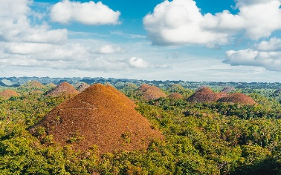
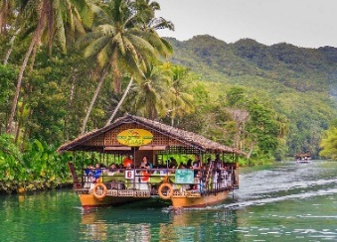

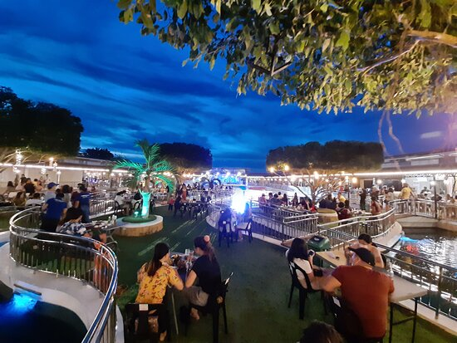
 |  |  |  |  |  |  |  |  | ₱19,400.00 | DAY 2 TOTAL COST





DAY 3 | JUNE 11, 2023 | SUNDAY |  |  |  | DAY 3 EXCLUSIONS |  |  | PER HEAD | COSTING | NOTES
 | 5:30AM. RECEIVE A PACKED BREAKFAST. |  |  |  | - Gas for Vehicle |  |  | ₱180.00 | ₱2,700.00 | Breakfast for 15
 | We will give you a packed breakfast at the lobby. |  |  |  | We release with full tank.
 |  |  |  |  | Please return with full tank.
 | 5:40AM. DEPART FOR ISLAND HOPPING |  |  |  | - Mini Panglao Tour Fees
 | ✔ With 1 Van Rental + Driver |  |  |  | - Lunch, Dinner, and Snacks
 | ✔ With 2 Boats + Virgin Island Entrance Fees + Snorkeling |  |  |  |  |  |  |  |  |  | 300 | environmental
 |  |  |  |  |  |  |  |  |  |  | 150 | snorkeling
 |  | ● Island Hopping (For Filipino Locals)
 |  | - Dolphin Watching |  |  |  |  |  |  |  |  | 30 | entrance virgin (pinoy)
 |  | - Balicasag Island |  |  |  |  |  |  |  |  | 100 | entrance virgin (foreigner) |  | 5 or less | 2,200
 |  | - Virgin Island |  |  |  |  |  | ₱650.00 | ₱2,600.00 | Van+Driver+Lunch (5:30am to 1:30pm) |  |  |  | 5 or 6-10 | 2500
 |  |  |  |  |  |  |  | ₱333.33 | ₱5,000.00 | 2 Boats for 15 Pax | 480 |  |  | 11 to 12 | 3,000
 |  | Included: |  |  |  |  |  | ₱480.00 | ₱7,200.00 | 15 Pax: Snorkeling Gear + Env.Fee(Local tourist)
 |  | ✔ Guide and snorkeling gear |  |  |  |  |  |  |  |  | P100 sa foreigner Virgin Island
 |  | ✔ Environmental Fees
 |  | ✔ Entrance Fees to Island Hopping

 | 10:30AM. FINISH WITH ISLAND HOPPING |  |  |  |  |  |  |  |  |  | P30 sa Local
 | RETURN TO GUESTHOUSE |  |  |  |  |  |  |  |  |  | *no snorkeling kay P100 for environmental
 | Return to guesthouse for freshen-up and packing.
 |  |  |  |  |  |  |  |  |  |  | ✓
 | 12:00NN. CHECK-OUT AND DEPART FOR LUNCH
 | You may store your luggage at our Baggage Area.

 |  | MINI-PANGLAO TOUR
 |  | ● Lunch at Bohol Bee Farm (individual expense)
 |  | ● Panglao South Farm (individual expense)
 |  | Optional:
 |  | ● Dauis Church and Watchtower
 |  | ● Hinagdanan Cave

 | 4:00PM. DEPART TO B&J GUESTHOUSE
 |  | ● Extension of driver and vehicle has extra charge of P250/per hour.
 |  | ● Please full tank vehicle at gas station before return.

 | 4:30PM. ARRIVE AT GUESTHOUSE, DEPART FOR TRANS-OUT TO TAGB. PIER
 | You may claim your baggage for trans-out.
 |  |  |  |  |  |  |  | ₱250.00 | ₱750.00 | Extension 3hrs (1:30pm to 4:30pm)
 | 5:00PM. ARRIVE AT TAGBILARAN PIER
 | You will arrive before the 5:40pm schedule for Tagbilaran to Cebu Trip with Oceanjet. |  |  |  |  |  |  | ₱50.00 | ₱750.00 | Trans-Out | ₱450.00
 |  |  |  |  |  |  |  |  | ₱19,000.00 | DAY 3 TOTAL COST
 | REMINDERS
✱ | Payment: | As a reservation, we require at least 50% of the first night stay (P3,464) for the |  |  |  |  |  |  |  |  |  |  | 2614 | 50% Dorm
 |  | two rooms as downpayment. Note that this is non-refundable. |  |  |  |  |  |  | ₱1,069.12 | Organizing Fee (0.04% of Total) | ₱356.37
 |  |  |  |  |  |  |  |  |  |  |  |  | 2614
 |  | Upon arrival, we accept cash, gcash or bank transfer. No credit/debit cards please.
 |  | GCASH: | 0956-956-0033 (JUDY ANNE JAMORA) |  |  |  |  | 1D TOUR - 15 PAX
 |  | SECURITY BANK: |  |  |  |  |  |  | ₱54,525.12 | TOTAL PACKAGE |  |  | ₱27,262.56
 |  |  | ACCT NAME: B AND J GUESTHOUSE AND FUNCTIONS, INC. |  |  |  |  |  | ₱3,635.01 | PER HEAD
 |  |  | ACCT NUMBER: 00000 3451 6377
 |  |  |  |  |  |  |  |  | - | Downpayment
✱ | Front Office Operating Hours: 5:30 am to 10:00 pm |  |  |  |  |  |  |  | ₱54,525.12 | TOTAL PACKAGE
✱ | Transfers must stricty have no stop overs. |  |  |  |  |  |  |  | ₱2,726.26 | PER HEAD

 |  |  |  |  |  |  |  |  | 490.73 | 0.018% Discount
Thank you for reaching out to us for your Bohol trip. We hope that we can serve you on your special days. |  |  |  |  |  |  |  |  | ₱54,034.39 | TOTAL PACKAGE |  |  | ₱1,069.12
Should you have any concerns, please don't hesitate to contact us and we will be glad to assist you. |  |  |  |  |  |  |  |  | ₱3,602.29 | PER HEAD

 |  |  |  | Best Regards,
 |  |  |  |  |  |  |  |  | ₱490.73 | Package What Guests Saves (After Discount)
 |  |  |  | JUDY ANNE JAMORA |  |  |  |  | ₱578.39 | Org. Fee. What we Get (After Discount)
 |  |  |  | GUESTHOUSE MANAGER |  |  |  |  | ₱1,069.12
 |  |  |  | Viber/ CP# 0942.976.4512
 |  |  |  |  |  |  |  |  | ₱32.72 | Per Head what guests save

BUDGET with Danao
 |  |  |  |  |  | Billing Period:
 |  |  |  |  |  | June 9, 2023

0409 Bantol St., Dampas District, Tagbilaran City, Bohol

Room Accommodation ● Function Room ● Tour Assistance

KIMMY KIM
15 Pax - Tour Quotation | Classic Bohol Countryside + Danao Adventure Park

 |  | ✔ Trans-In: Tagbilaran Pier to Guesthouse (June 9)
 |  | ✔ 2 Days Breakfast (June 10 and 11)
 |  | ✔ 2 Days Tour | Vehicle Rental with Driver (June 10 and 11)
 |  | ✔ Lunch at Loboc River Cruise (June 10)
BUDGET PACKAGE: |  | ✔ 2 Nights Accommodation for 15 Pax (Check-in: June 9, Check-out: June 11)
Great for flexible tours! |  | ✔ Trans-Out: Guesthouse to Tagbilaran Pier (June 11)
 |  | ✔ Opportunity for Discount if FULL payment before check-in day.

Dear Ma'am Kimmy,

Thank you for reaching out to us for your Bohol trip. We would like to offer your group of 15 Pax the |  |  |  |  |  |  |  |  |  |  | ✿❤☀
amount of . . . Two thousand eight hundred eight pesos and ninety one centavos (P 2,808.91) per head
for your BUDGET BOHOL PACKAGE.
 |  |  |  |  |  |  |  | 1D TOUR - 15 PAX
 |  | TOTAL PACKAGE (Good for 15) |  |  |  |  |  | PAX | 15 | 15 Adults
 |  | ₱42,133.65 | Total Package
 |  | ₱2,808.91 | Per Head

 | ❤ Want a Discount? Provide FULL payment before check-in day.
 | With Discount, your Package becomes…

 |  | DISCOUNT PACKAGE (If Full Pay before check-in day)
 |  | ₱41,670.18 | Total Package
 |  | ₱2,778.01 | Per Head

BUDGET PACKAGE: SCHEDULE AND INCLUSIONS

DAY 1 | JUNE 9, 2023 | FRIDAY |  |  |  | DAY 1 EXCLUSIONS |  |  | PER HEAD | COSTING | NOTES
 | PICK UP AT TAGBILARAN PIER. (1 VAN) |  |  |  | - Meals and Snacks
 | Please let us know if there will be any changes or delays. |  |  |  |  |  |  | ₱80.00 | ₱1,200.00 | Pick Up 1 Van
 |  |  |  |  |  |  |  |  |  | ₱600.00
 | CHECK-IN AT B&J GUESTHOUSE |  |  |  |  |  |  |  |  | ₱400.00
 | Note: Check-in time is within 2pm to 7pm.

 | 2 NIGHTS: 2 ROOMS
 | Room and Bed Type |  |  | Capacity | Extra Beds | Floor Level
 | ● 1 x Family Room (5 Single Sized Beds) |  |  | 5 pax | *none |  | 1st. Flr. | ₱621.00 | ₱4,968.00
 | ● 1 x Dorm Room (Bunk Beds) |  |  | 10 pax | *none |  | 2nd Flr. | ₱1,777.60 | ₱8,888.00

 | INCLUSIONS: |  | Towel, Toiletries, and Drinking water
 | ROOM AMENITIES: |  | ✔ Wifi on-site, ✔ Private Hot/cold shower
 |  |  | ✔ Air-conditioned room, ✔Mini Fridge(Deluxe Room) ✔LED TV
 |  |  |  |  |  |  |  |  | ₱15,056.00 | DAY 1 TOTAL COST
 | Family Room Dorm Room



 | Good for 5 Good for 10
 | 5 Single Beds Bunk Beds

DAY 2 | JUNE 10, 2023 | SATURDAY |  |  |  | DAY 2 EXCLUSIONS |  |  | PER HEAD | COSTING | NOTES
 | 6:30AM. START WITH YOUR BREAKFAST |  |  |  | - Gas for Vehicle |  |  | ₱180.00 | ₱2,700.00 | Breakfast for 15 Pax
 | Filipino Breakfast served plated at Dining Area. |  |  |  | We release with full tank. |  |  | ₱180.00 | ₱2,700.00 | Van + Driver + Lunch + Dinner (7am to 3pm)
 |  |  |  |  | Please return with full tank.
 | 7:00AM. DEPART FOR BOHOL COUNTRYSIDE TOUR. |  |  |  | - Entrance and Environmental Fees
 | Inclusions: 1 Van Rental with Driver |  |  |  | - Dinner and Snacks
 | Itinerary in no particular order.

 |  | ● Chocolate Hills
 |  | ● Bilar Man Made Forest.
 |  | ● Loboc River Cruise & Lunch Buffet. |  |  | ✔ Included in Package |  |  | ₱850.00 | ₱12,750.00 | 15 Adults. Loboc will ask for P800 | 775 | 25 | 800
 |  | ● Tarsier Conservation Area |  |  |  |  |  |  | ₱0.00
 |  | ● Butterfly Garden |  |  |  |  |  |  | ₱0.00
 |  | ● Mirror of the World @ Sikatuna |  |  |  |  |  |  | ₱0.00
 |  | ● Blood Compact Shrine

 |  | Optional Tour Spots:
 |  | ● ATV Ride
 |  | ● Loboc Adventure Park
 |  | ● Chocolate Hills Adventure Park

 | 6:00PM. END OF TOUR. DRIVE TO DINNER.
 |  | ● Driver will bring you to our suggested dinner place.
 |  | Or if you have restaurant suggestions, let the driver know.

 |  | Dinner at Fortridge Foodpark @ Individual Expense (optional)

 | 7:30PM. DEPART / RETURN TO GUESTHOUSE
 |  | ● Extension of driver and vehicle has extra charge of P250/per hour. |  |  |  |  |  | ₱250.00 | ₱1,250.00 | 5 Hours Extension for Driver (3pm-8pm)
 |  | ● Please full tank vehicle at gas station before return. |  |  |  |  |  |  |  | Driver gets P300 each

 |  |  |  |  |  |  |  |  | ₱19,400.00 | DAY 2 TOTAL COST

DAY 3 | JUNE 11, 2023 | SUNDAY |  |  |  | DAY 3 EXCLUSIONS |  |  | PER HEAD | COSTING | NOTES
 | 6:30AM. START WITH A YUMMY BREAKFAST. |  |  |  | - Gas for Vehicle |  |  | ₱180.00 | ₱2,700.00 | Breakfast for 15
 | Serving you a plated, Filipino breakfast at dining area. |  |  |  | We release with full tank.
 |  |  |  |  | Please return with full tank.
 | 7:00AM. DEPART FOR DANAO ADVENTURE TOUR |  |  |  | - Tour Entrance Fees
 | Note: Please place your luggage at our baggage area. |  |  |  | - Lunch, Dinner, and Snacks
 | ✔ With 1 Van Rental + Driver |  |  |  |  |  |  |  |  |  | 150 | snorkeling

 |  | Activities to choose: (Pay at the Park) |  |  |  |  |  |  |  |  | 30 | entrance virgin (pinoy)
 |  | ● The Plunge |  |  |  |  |  |  |  |  | 100 | entrance virgin (foreigner) |  | 5 or less | 2,200
 |  | ● Sky Ride |  |  |  |  |  | ₱650.00 | ₱2,600.00 | Van+Driver+Lunch (5:30am to 1:30pm) |  |  |  | 5 or 6-10 | 2500
 |  | ● Wall Climbing |  |  |  |  |  |  |  |  | 480 |  |  | 11 to 12 | 3,000
 |  | ● Suislide and more
 |  |  |  |  |  |  |  |  |  |  | P100 sa foreigner Virgin Island
 | 2:00PM. END OF TOUR. START TRIP TO GUESTHOUSE. |  |  |  |  |  |  |  |  |  | P30 sa Local

 | 4:00PM. ARRIVE AT GUESTHOUSE, DEPART FOR TRANS-OUT TO TAGB. PIER
 | ● You may claim your baggage for trans-out. You may also freshen-up at our Dining Area.
 | ● Please full tank vehicle at gas station before arriving at Tagbilaran Pier.
 |  |  |  |  |  |  |  | ₱250.00 | ₱750.00 | Extension 3hrs (1:30pm to 4:30pm)
 | 5:00PM. ARRIVE AT TAGBILARAN PIER
 | You will arrive before the 5:40pm schedule for Tagbilaran to Cebu Trip with Oceanjet. |  |  |  |  |  |  | ₱40.00 | ₱600.00 | Trans Out to Pier | ₱300.00
 |  |  |  |  |  |  |  |  | ₱6,650.00 | DAY 3 TOTAL COST
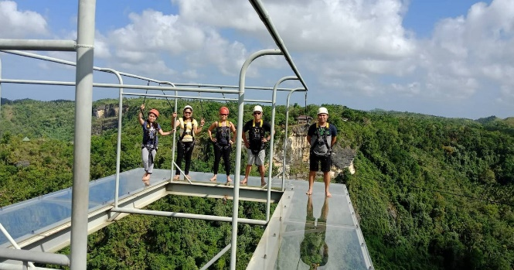


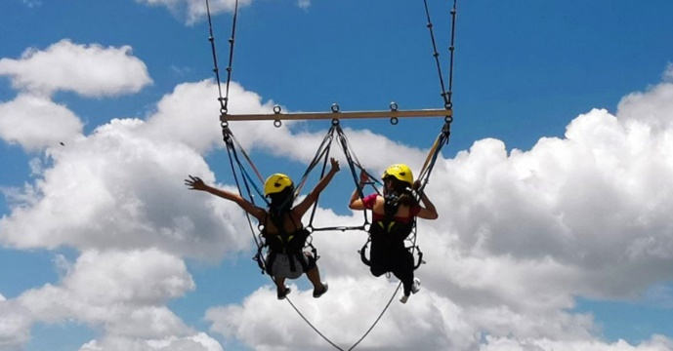

 | REMINDERS
✱ | Payment: | As a reservation, we require at least 50% of the first night stay (P3,464) for the |  |  |  |  |  |  |  |  |  |  | 2614 | 50% Dorm
 |  | two rooms as downpayment. Note that this is non-refundable. |  |  |  |  |  |  | ₱1,027.65 | Organizing Fee (0.04% of Total) | ₱342.55
 |  |  |  |  |  |  |  |  |  |  |  |  | 2614
 |  | Upon arrival, we accept cash, gcash or bank transfer. No credit/debit cards please.
 |  | GCASH: | 0956-956-0033 (JUDY ANNE JAMORA) |  |  |  |  | 1D TOUR - 15 PAX
 |  | SECURITY BANK: |  |  |  |  |  |  | ₱42,133.65 | TOTAL PACKAGE |  |  | ₱21,066.83
 |  |  | ACCT NAME: B AND J GUESTHOUSE AND FUNCTIONS, INC. |  |  |  |  |  | ₱2,808.91 | PER HEAD
 |  |  | ACCT NUMBER: 00000 3451 6377
 |  |  |  |  |  |  |  |  | - | Downpayment
✱ | Front Office Operating Hours: 5:30 am to 10:00 pm |  |  |  |  |  |  |  | ₱42,133.65 | TOTAL PACKAGE
✱ | Transfers must stricty have no stop overs. |  |  |  |  |  |  |  | ₱2,106.68 | PER HEAD

 |  |  |  |  |  |  |  |  | 463.47 | 0.018% Discount
Thank you for reaching out to us for your Bohol trip. We hope that we can serve you on your special days. |  |  |  |  |  |  |  |  | ₱41,670.18 | TOTAL PACKAGE |  |  | ₱1,027.65
Should you have any concerns, please don't hesitate to contact us and we will be glad to assist you. |  |  |  |  |  |  |  |  | ₱2,778.01 | PER HEAD

 |  |  |  | Best Regards,
 |  |  |  |  |  |  |  |  | ₱463.47 | Package What Guests Saves (After Discount)
 |  |  |  | JUDY ANNE JAMORA |  |  |  |  | ₱564.18 | Org. Fee. What we Get (After Discount)
 |  |  |  | GUESTHOUSE MANAGER |  |  |  |  | ₱1,027.65
 |  |  |  | Viber/ CP# 0942.976.4512
 |  |  |  |  |  |  |  |  | ₱30.90 | Per Head what guests save

BUDGET with Beach and Panglao
 |  |  |  |  |  | Billing Period:
 |  |  |  |  |  | June 9, 2023

0409 Bantol St., Dampas District, Tagbilaran City, Bohol

Room Accommodation ● Function Room ● Tour Assistance

KIMMY KIM
15 Pax - Tour Quotation | Classic Bohol Countryside + Dumaluan Beach + Panglao Tour

 |  | ✔ Trans-In: Tagbilaran Pier to Guesthouse (June 9)
 |  | ✔ 2 Days Breakfast (June 10 and 11)
 |  | ✔ 2 Days Tour | Vehicle Rental with Driver (June 10 and 11)
 |  | ✔ Lunch at Loboc River Cruise (June 10)
BUDGET PACKAGE: |  | ✔ 2 Nights Accommodation for 15 Pax (Check-in: June 9, Check-out: June 11)
Great for flexible tours! |  | ✔ Dumaluan Beach with Cottage (June 11)
 |  | ✔ Trans-Out: Guesthouse to Tagbilaran Pier (June 11)
 |  | ✔ Opportunity for Discount if FULL payment before check-in day.

Dear Ma'am Kimmy,

Thank you for reaching out to us for your Bohol trip. We would like to offer your group of 15 Pax the |  |  |  |  |  |  |  |  |  |  | ✿❤☀
amount of . . . Two thousand nine hundred twenty eight pesos and fourty nine centavos (P 2,928.49) per head
for your BUDGET BOHOL PACKAGE.
 |  |  |  |  |  |  |  | 1D TOUR - 15 PAX
 |  | TOTAL PACKAGE (Good for 15) |  |  |  |  |  | PAX | 15 | 15 Adults
 |  | ₱43,927.40 | Total Package
 |  | ₱2,928.49 | Per Head

 | ❤ Want a Discount? Provide FULL payment before check-in day.
 | With Discount, your Package becomes…

 |  | DISCOUNT PACKAGE (If Full Pay before check-in day)
 |  | ₱43,444.20 | Total Package
 |  | ₱2,896.28 | Per Head

BUDGET PACKAGE: SCHEDULE AND INCLUSIONS

DAY 1 | JUNE 9, 2023 | FRIDAY |  |  |  | DAY 1 EXCLUSIONS |  |  | PER HEAD | COSTING | NOTES
 | PICK UP AT TAGBILARAN PIER. (1 VAN) |  |  |  | - Meals and Snacks
 | Please let us know if there will be any changes or delays. |  |  |  |  |  |  | ₱80.00 | ₱1,200.00 | Pick Up 1 Van
 |  |  |  |  |  |  |  |  |  | ₱600.00
 | CHECK-IN AT B&J GUESTHOUSE |  |  |  |  |  |  |  |  | ₱400.00
 | Note: Check-in time is within 2pm to 7pm.

 | 2 NIGHTS: 2 ROOMS
 | Room and Bed Type |  |  | Capacity | Extra Beds | Floor Level
 | ● 1 x Family Room (5 Single Sized Beds) |  |  | 5 pax | *none |  | 1st. Flr. | ₱621.00 | ₱4,968.00
 | ● 1 x Dorm Room (Bunk Beds) |  |  | 10 pax | *none |  | 2nd Flr. | ₱1,777.60 | ₱8,888.00

 | INCLUSIONS: |  | Towel, Toiletries, and Drinking water
 | ROOM AMENITIES: |  | ✔ Wifi on-site, ✔ Private Hot/cold shower
 |  |  | ✔ Air-conditioned room, ✔Mini Fridge(Deluxe Room) ✔LED TV
 |  |  |  |  |  |  |  |  | ₱15,056.00 | DAY 1 TOTAL COST
 | Family Room Dorm Room



 | Good for 5 Good for 10
 | 5 Single Beds Bunk Beds

DAY 2 | JUNE 10, 2023 | SATURDAY |  |  |  | DAY 2 EXCLUSIONS |  |  | PER HEAD | COSTING | NOTES
 | 6:30AM. START WITH YOUR BREAKFAST |  |  |  | - Gas for Vehicle |  |  | ₱180.00 | ₱2,700.00 | Breakfast for 15 Pax
 | Filipino Breakfast served plated at Dining Area. |  |  |  | We release with full tank. |  |  | ₱180.00 | ₱2,700.00 | Van + Driver + Lunch + Dinner (7am to 3pm)
 |  |  |  |  | Please return with full tank.
 | 7:00AM. DEPART FOR BOHOL COUNTRYSIDE TOUR. |  |  |  | - Entrance and Environmental Fees
 | Inclusions: 1 Van Rental with Driver |  |  |  | - Dinner and Snacks
 | Itinerary in no particular order.

 |  | ● Chocolate Hills
 |  | ● Bilar Man Made Forest.
 |  | ● Loboc River Cruise & Lunch Buffet. |  |  | ✔ Included in Package |  |  | ₱850.00 | ₱12,750.00 | 15 Adults. Loboc will ask for P800 | 775 | 25 | 800
 |  | ● Tarsier Conservation Area |  |  |  |  |  |  | ₱0.00
 |  | ● Butterfly Garden |  |  |  |  |  |  | ₱0.00
 |  | ● Mirror of the World @ Sikatuna |  |  |  |  |  |  | ₱0.00
 |  | ● Blood Compact Shrine

 |  | Optional Tour Spots:
 |  | ● ATV Ride
 |  | ● Loboc Adventure Park
 |  | ● Chocolate Hills Adventure Park

 | 6:00PM. END OF TOUR. DRIVE TO DINNER.
 |  | ● Driver will bring you to our suggested dinner place.
 |  | Or if you have restaurant suggestions, let the driver know.

 |  | Dinner at Fortridge Foodpark @ Individual Expense (optional)

 | 7:30PM. DEPART / RETURN TO GUESTHOUSE
 |  | ● Extension of driver and vehicle has extra charge of P250/per hour. |  |  |  |  |  | ₱250.00 | ₱1,250.00 | 5 Hours Extension for Driver (3pm-8pm)
 |  | ● Please full tank vehicle at gas station before return. |  |  |  |  |  |  |  | Driver gets P300 each


 |  |  |  |  |  |  |  |  | ₱19,400.00 | DAY 2 TOTAL COST



DAY 3 | JUNE 11, 2023 | SUNDAY |  |  |  | DAY 3 EXCLUSIONS |  |  | PER HEAD | COSTING | NOTES
 | 6:00AM. START WITH A YUMMY BREAKFAST. |  |  |  | - Gas for Vehicle |  |  | ₱180.00 | ₱2,700.00 | Breakfast for 15
 | Serving you a plated, Filipino breakfast at dining area. |  |  |  | We release with full tank.
 |  |  |  |  | Please return with full tank.
 | 6:30AM. DEPART FOR BEACH + PANGLAO TOUR |  |  |  | - Tour Entrance Fees
 | Note: Please place your luggage at our baggage area. |  |  |  | - Lunch, Dinner, and Snacks
 | ✔ With 1 Van Rental + Driver |  |  |  |  |  |  | ₱650.00 | ₱2,600.00 | Van+Driver+Lunch (5:30am to 1:30pm) | 300 | environmental
 |  |  |  |  |  |  |  |  |  |  | 150 | snorkeling
 |  | TOUR SPOTS
 |  | ● Dumaluan Beach |  |  | ✔ Included in Package |  |  |  |  |  | 30 | entrance virgin (pinoy)
 |  | ● Lunch at Bohol Bee Farm (Individual Expense) |  |  |  |  |  | ₱375.00 | ₱1,500.00 | Cottage (Good for 10) | 100 | entrance virgin (foreigner) |  | 5 or less | 2,200
 |  | ● Panglao South Farm (Individual Expense) |  |  |  |  |  | ₱50.00 | ₱250.00 | Good for 5 Pax |  |  |  | 5 or 6-10 | 2500
 |  | ● Hinagdanan Cave (Individual Expense) |  |  |  |  |  |  |  |  | 480 |  |  | 11 to 12 | 3,000
 |  | ● Dauis Church and Watchtower

 | 3:30PM. END OF TOUR. START TRIP TO GUESTHOUSE. |  |  |  |  |  |  |  |  |  | P100 sa foreigner Virgin Island

 | 4:00PM. ARRIVE AT GUESTHOUSE, DEPART FOR TRANS-OUT TO TAGB. PIER
 | ● You may claim your baggage for trans-out. You may also freshen-up at our Dining Area.
 | ● Please full tank vehicle at gas station before arriving at Tagbilaran Pier. |  |  |  |  |  |  |  |  |  | P30 sa Local
 |  |  |  |  |  |  |  | ₱250.00 | ₱750.00 | Extension 3hrs (1:30pm to 4:30pm) | *no snorkeling kay P100 for environmental
 | 5:00PM. ARRIVE AT TAGBILARAN PIER
 | You will arrive before the 5:40pm schedule for Tagbilaran to Cebu Trip with Oceanjet. |  |  |  |  |  |  | ₱40.00 | ₱600.00 | Trans Out to Pier | ✓
 |  |  |  |  |  |  |  |  | ₱8,400.00 | DAY 3 TOTAL COST
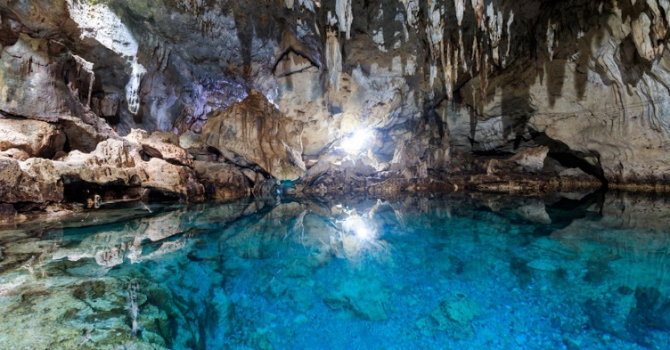
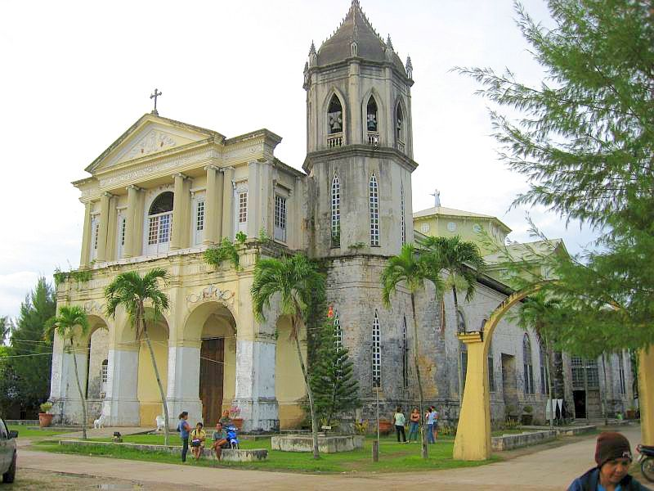

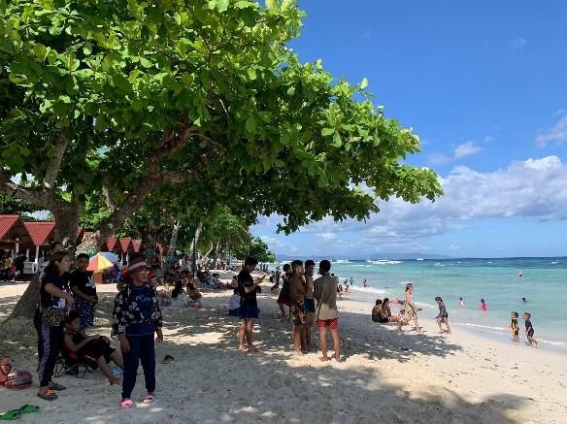
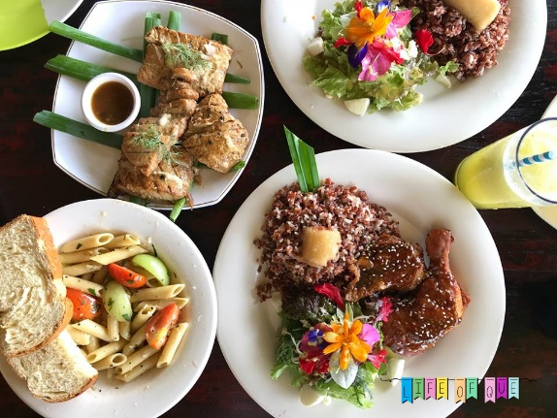


 | REMINDERS
✱ | Payment: | As a reservation, we require at least 50% of the first night stay (P3,464) for the |  |  |  |  |  |  |  |  |  |  | 2614 | 50% Dorm
 |  | two rooms as downpayment. Note that this is non-refundable. |  |  |  |  |  |  | ₱1,071.40 | Organizing Fee (0.04% of Total) | ₱357.13
 |  |  |  |  |  |  |  |  |  |  |  |  | 2614
 |  | Upon arrival, we accept cash, gcash or bank transfer. No credit/debit cards please.
 |  | GCASH: | 0956-956-0033 (JUDY ANNE JAMORA) |  |  |  |  | 1D TOUR - 15 PAX
 |  | SECURITY BANK: |  |  |  |  |  |  | ₱43,927.40 | TOTAL PACKAGE |  |  | ₱21,963.70
 |  |  | ACCT NAME: B AND J GUESTHOUSE AND FUNCTIONS, INC. |  |  |  |  |  | ₱2,928.49 | PER HEAD
 |  |  | ACCT NUMBER: 00000 3451 6377
 |  |  |  |  |  |  |  |  | - | Downpayment
✱ | Front Office Operating Hours: 5:30 am to 10:00 pm |  |  |  |  |  |  |  | ₱43,927.40 | TOTAL PACKAGE
✱ | Transfers must stricty have no stop overs. |  |  |  |  |  |  |  | ₱2,196.37 | PER HEAD

 |  |  |  |  |  |  |  |  | 483.20 | 0.018% Discount
Thank you for reaching out to us for your Bohol trip. We hope that we can serve you on your special days. |  |  |  |  |  |  |  |  | ₱43,444.20 | TOTAL PACKAGE |  |  | ₱1,071.40
Should you have any concerns, please don't hesitate to contact us and we will be glad to assist you. |  |  |  |  |  |  |  |  | ₱2,896.28 | PER HEAD

 |  |  |  | Best Regards,
 |  |  |  |  |  |  |  |  | ₱483.20 | Package What Guests Saves (After Discount)
 |  |  |  | JUDY ANNE JAMORA |  |  |  |  | ₱588.20 | Org. Fee. What we Get (After Discount)
 |  |  |  | GUESTHOUSE MANAGER |  |  |  |  | ₱1,071.40
 |  |  |  | Viber/ CP# 0942.976.4512
 |  |  |  |  |  |  |  |  | ₱32.21 | Per Head what guests save

