Option 1
 |  |  |  |  |  |  | Billing Period:
 |  |  |  |  |  |  | July 4 to 7, 2023

0409 Bantol St., Dampas District, Tagbilaran City, Bohol

Room Accommodation ● Function Room ● Tour Assistance

CLARISSA ANCHETA
Bohol Countryside Tour, Island Hopping, Dumaluan Beach, and Panglao Tour

 |  | ✔ Trans-In: Tagbilaran Pier to Guesthouse (July 4)
 |  | ✔ 3 Days Breakfast (July 5, 6, and 7)
 |  | ✔ 2 Days Tour | Countryside and Panglao Tour (July 5 and 6)
 |  |  | With Vehicle Rental, Driver, and Gas
 |  | ✔ Lunch at Loboc River Cruise (July 5)
BOHOL PACKAGE: |  | ✔ Island Hopping and Dumaluan Beach (July 6)
Great for hassle-free tours |  |  | With Drop Off & Pick Up
 |  |  | With Boat, Virgin Island Entrance Fees, and Snorkeling
 |  |  | With Cottage at Beach
 |  | ✔ Trans-Out: Guesthouse to Panglao Airport (July 7)
 |  | ✔ Opportunity for Discount if FULL payment before check-in day.

Dear Ma'am Clarissa,

Thank you for reaching out to us for your Bohol trip. We would like to offer your group the amount of |  |  |  |  |  |  |  |  |  |  |  | ✿❤☀
. . . Twenty eight thousand seven hundred four pesos and fifty two centavos (₱ 28,704.52) for
your Customized Bohol Tour Package.
 |  |  |  |  |  |  |  | 2D TOUR - 5 PAX
 |  | BOHOL TOUR PACKAGE |  |  |  |  |  | PAX | 5 | 3 Adults |  | Dorm | 10 | 6 |  | 10
 |  | ₱28,704.52 | Total Package |  |  |  |  |  |  | 2 Seniors |  | Family | 5 | 5 |  | 6
 |  |  | Good for 3 Adults, 2 Seniors, 2 Children |  |  |  |  |  |  | 2 Children (Ages: 5 and 9) |  | Deluxe | 3 | 3 |  | 3

 |  |  |  |  |  |  |  |  |  |  |  |  | 18 | 14 |  | 19
 | ❤ Want a Discount? Provide FULL payment before check-in day.
 | With Discount, your Package becomes…

 |  | DISCOUNT PACKAGE (If Full Pay before check-in day)
 |  | ₱28,245.25 | Total Package
 |  |  | Good for 3 Adults, 2 Seniors, 2 Children

CUSTOMIZED BOHOL PACKAGE: SCHEDULE & ITINERARIES

DAY 1 | JULY 4, 2023 | TUESDAY |  |  |  |  | DAY 1 EXCLUSIONS |  | PER HEAD | COSTING | NOTES
 | PICK UP AT TAGBILARAN PIER. |  |  |  |  | - Tours |  |  | ₱500.00 | PICK UP using Van. . . 6 Pax (3Adults, 2Seniors, 1Kid)
 | Let us know your ETA for pick up. |  |  |  |  | - Meals and Snacks |  |  |  | Not Included: 5yrs old
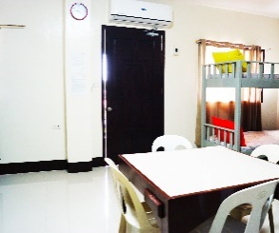
 | REGISTER AT B&J GUESTHOUSE
 | Check-in at the lobby. Refresh with some Welcome Drinks at our Dining Area.

 | NOTE: Check-in is 2:00pm - 10:00pm
 | Storing of luggage at our lobby area is possible.

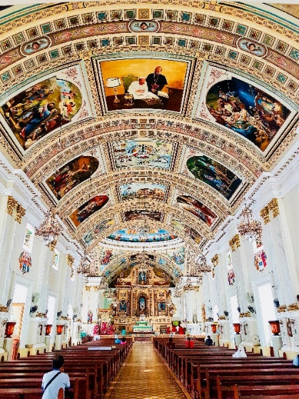
 | CITY TOUR . . .(Optional. Not included in Package) |  |  |  |  |  |  |  |  |  |  | 2500
 | Get around the city easier with a private vehicle and driver.
 | Rate: ₱ 2,500 for Vehicle and Driver. Gas not included.

 |  | HIGHLIGHTS
 |  | ● St. Joseph the Worker Church / Baclayon Church
 |  | ● Bohol National Museum
 |  | ● Pres. Carlos P. Garcia Heritage House
 |  | ● Dalareich Chocolate House
 |  | ● Blood Compact Shrine
 |  | ● Get groceries at BQ Mall or Island City Mall.
 |  | ● Optional: Buy some Boholano delicacies/snacks
 |  | at Pa-initang Bol-anon
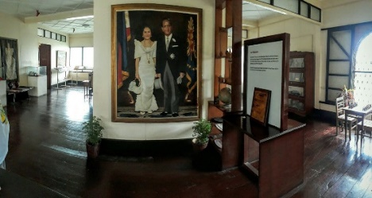
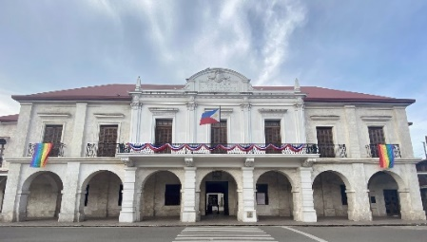


 |  |  |  |  |  |  |  |  | ₱500.00 | DAY 1 TOTAL COST

 |  | IDEAS FOR DINNER
 |  | ● Hideout Foodpark |  | ● Fastfoods at Island City Mall
 |  | ● House of Lechon |  | ● Mano Backyard Dining
 |  | ● Payag's Restaurant |  | ● Gerarda's Restaurant
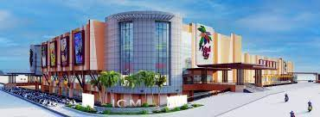

DAY 2 | JULY 5, 2023 | WEDNESDAY |  |  |  |  | DAY 2 EXCLUSIONS |  | PER HEAD | COSTING | NOTES
 | 6:30AM. START WITH YOUR BREAKFAST |  |  |  |  | - Entrance and Environmental Fees |  | ₱199.00 | ₱597.00 | Breakfast for 3 Adults
 | Filipino Breakfast served plated at Dining Area. |  |  |  |  | - Snacks and Dinner |  | ₱199.00 | ₱398.00 | Breakfast for 2 Seniors
 | Good for 3 Adults, 2 Seniors, and 2 Kids. |  |  |  |  |  |  | ₱199.00 | ₱199.00 | Breakfast for 1 Kids (9yrs old)
 |  |  |  |  |  |  |  | ₱99.50 | ₱99.50 | Breakfast for 1 Kids (5yrs old)
 | 7:00AM. DEPART FOR COUNTRYSIDE TOUR
 | Inclusions: Vehicle Rental with Driver and Gas
 | Itinerary in no particular order. |  |  |  |  |  |  | ₱840.00 | ₱4,200.00 | Van + Gas + Driver + Lunch + Dinner (7am to 3pm)

 |  | ● Chocolate Hills
 |  | ● Bilar Man Made Forest.
 |  | ● Loboc River Cruise & Lunch Buffet. - - - - - - - - - - - - |  |  |  | ✔ Included in Package |  | ₱850.00 | ₱2,550.00 | 3 Adults |  | 775 | 25 | 800
 |  | ✔ Included in Package for 3 Adults and 2 Seniors. |  |  |  |  |  | ₱680.00 | ₱1,360.00 | 2 Seniors |  | ₱680.00
 |  | Note: Kids entrance will be paid on-site. Rate depends on kids's height.
 |  | ● Tarsier Conservation Area
 |  | ● Butterfly Garden
 |  | ● Mirror of the World @ Sikatuna
 |  | ● Baclayon Church
 |  | ● Blood Compact Shrine
 |  | ● Optional: Chocolate Hills Adventure Park
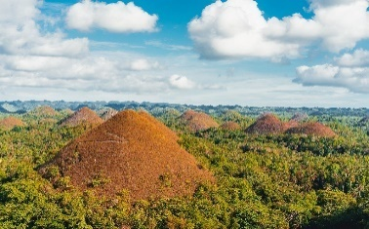

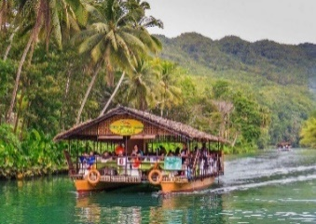
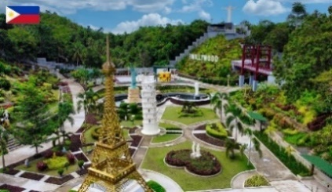
 |  |  |  |  |  |  |  | ₱250.00 | ₱1,250.00 | 5 Hours Extension for Driver (3pm-8pm)
 |  |  |  |  |  |  |  |  |  | *Ask Sir Benjie if ok lang to give driver 200? | ₱312.50

 | 6:00PM. END OF TOUR. DRIVE TO DINNER.
 |  | ● Driver will bring you to our suggested dinner place.
 |  | Or if you have restaurant suggestions, let the driver know.

 |  | IDEAS FOR DINNER
 |  | ● Smoque Bistro, Café and Bar
 |  | ● Garden Café : Bohol's Original Cowboy Restaurant |  |  |  |  |  |  | ₱10,653.50 | DAY 2 TOTAL COST
 |  | ● Just Sizzl'n Restaurant

 | 7:30PM. DEPART / RETURN TO GUESTHOUSE
 |  | ● Return to the guesthouse at 8:00pm.
 |  | ● Extension of driver and vehicle has extra charge of P250/per hour.
 |  | ● Please full tank vehicle at gas station before return.

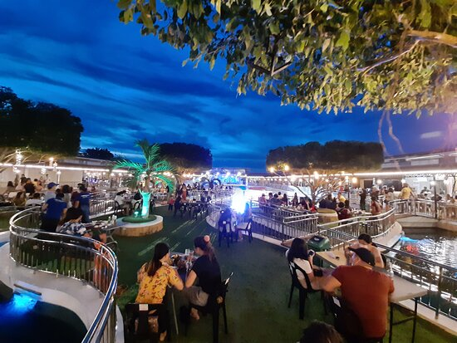
DAY 3 | JULY 6, 2023 | THURSDAY |  |  |  |  | DAY 3 EXCLUSIONS |  | PER HEAD | COSTING | NOTES
 | 5:30AM. RECEIVE A PACKED BREAKFAST. |  |  |  |  | - Panglao Tour Fees (2pm Tour) |  | ₱199.00 | ₱597.00 | Breakfast for 3 Adults
 | Packed breakfast. Good for 3 Adults, 2 Seniors, and 2 Kids. |  |  |  |  | - Lunch, Snacks, and Dinner |  | ₱199.00 | ₱398.00 | Breakfast for 2 Seniors
 |  |  |  |  |  |  |  | ₱199.00 | ₱199.00 | Breakfast for 1 Kids (9yrs old)
 | 5:40AM. DEPART FOR ISLAND HOPPING |  |  |  |  |  |  | ₱99.50 | ₱99.50 | Breakfast for 1 Kids (5yrs old)
 | ✔ With 1 Van Rental + Driver + Gas (Drop off and Pick Up)
 | ✔ With Boat + Virgin Island Entrance Fees + Snorkeling |  |  |  |  |  |  |  |  |  |  | 300 | environmental
 |  |  |  |  |  |  |  |  |  |  |  | 150 | snorkeling
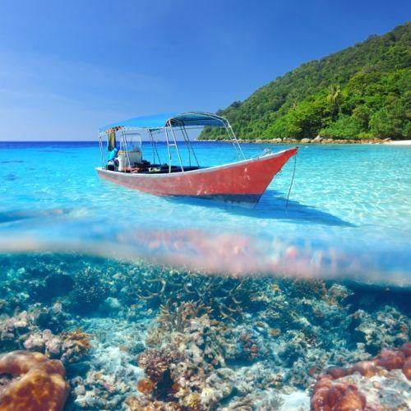
 |  | ● Island Hopping (For Filipino Locals)
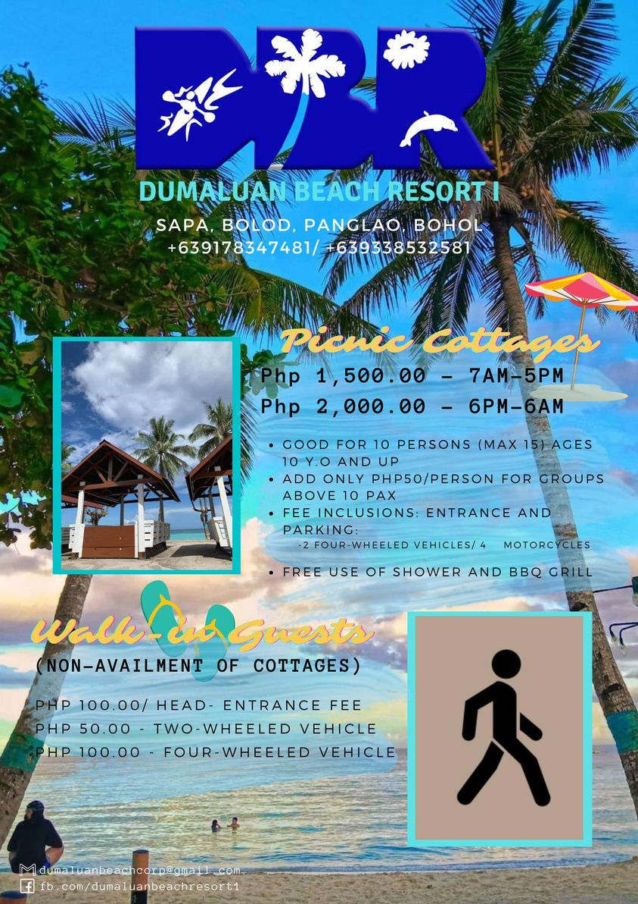
 |  | - Dolphin Watching |  |  |  |  |  |  |  |  |  | 30 | entrance virgin (pinoy)
 |  | - Balicasag Island |  |  |  |  |  |  |  |  |  | 100 | entrance virgin (foreigner) |  | 5 or less | 2,200
 |  | - Virgin Island |  |  |  |  |  | ₱1,050.00 | ₱4,200.00 | Van+Gas+Driver+Lunch+Dinner(5:30am-6:30am,1hr and 11:30nn to 6:30pm,7hrs) |  |  |  |  | 5 or 6-10 | 2500
 |  |  |  |  |  |  |  |  | ₱2,500.00 | 1 Boat for 15 Pax |  | 480 |  |  | 11 to 12 | 3,000
 |  | INCLUSIONS (FREE for 3yrs old. And below) |  |  |  |  |  | ₱480.00 | ₱3,360.00 | 7 Pax: Snorkeling Gear + Env.Fee(Local tourist)
 |  | ✔ Guide and snorkeling gear |  |  |  |  |  |  |  | - 3 adults, 2 seniors, 2 kids (9yr. Old and 5yr. Old) |  | P100 sa foreigner Virgin Island
 |  | ✔ Environmental Fees
 |  | ✔ Entrance Fees to Island Hopping

 | 12:00 NN. ARRIVAL AT DUMALUAN BEACH. |  |  |  |  |  |  |  |  |  |  | P30 sa Local
 | Take a seat at your reserved cottage. Relax and enjoy the beach view. |  |  |  |  |  |  |  | ₱2,000.00 | Cottage (Good for 10 to 15) |  | *no snorkeling kay P100 for environmental

 | NOTE:
 | 1.) Dumaluan Beach has showers,toilets, and changing rooms. |  |  |  |  |  |  |  |  |  |  | ✓
 | 2.) Restaurant is also available at Dumaluan Beach.
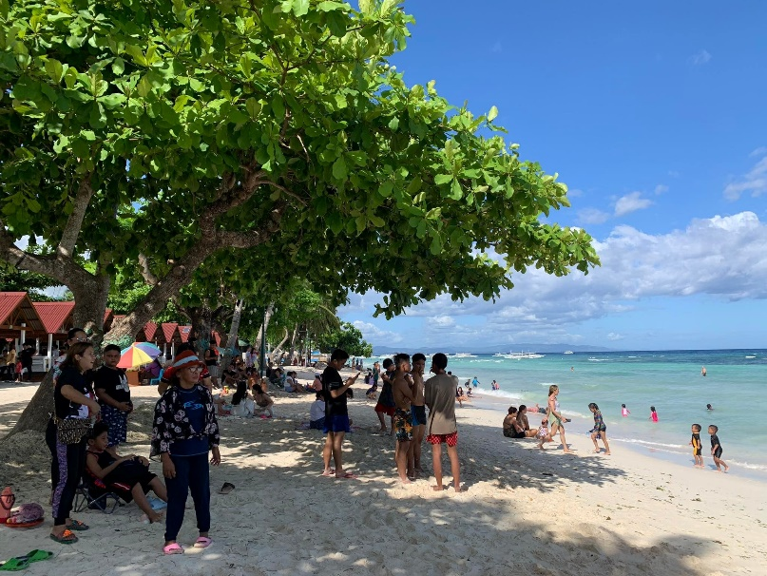
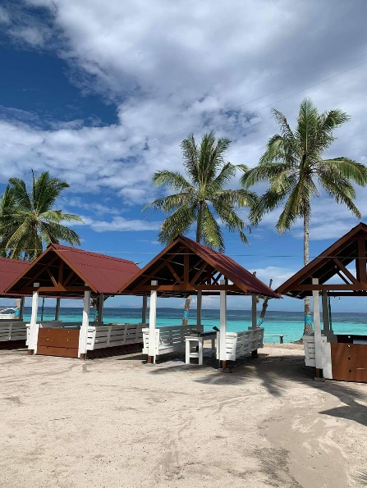

 | 1:00 PM / 2:00 PM. DEPART FOR PANGLAO TOUR
 | ✔ With 1 Van Rental + Driver + Gas
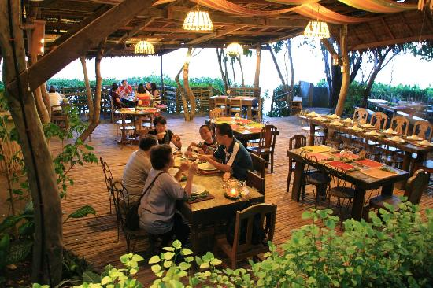
 |  | ● Dauis Church and Watchtower
 |  | ● Hinagdanan Cave
 |  | ● Panglao South Farm
 |  | ● Snacks at Bohol Bee Farm (individual expense)
 |  | ● Optional: Stroll at Alona Beach shoreline. |  |  |  |  |  | ₱250.00 | ₱500.00 | 2 Hours Extension for Driver (6:30pm-8:30pm)

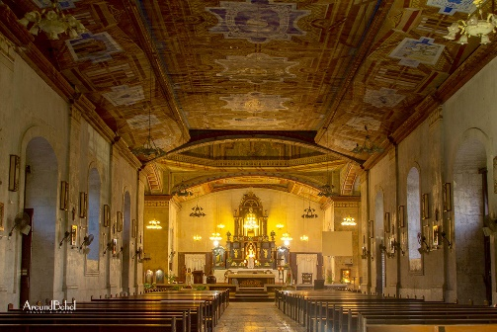
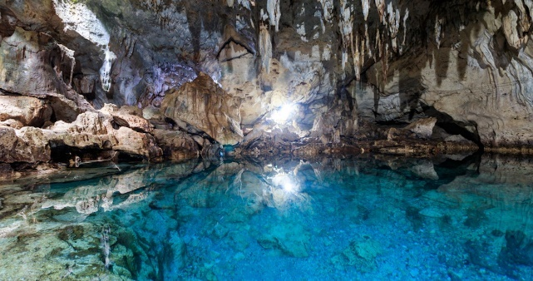
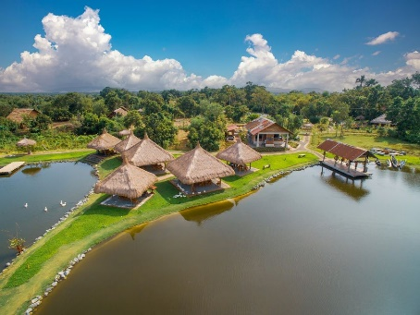

 |  |  |  |  |  |  |  |  | ₱13,853.50 | DAY 3 TOTAL COST

 | 6:00PM. END OF TOUR. DRIVE TO DINNER.
 |  | ● Driver will bring you to our suggested dinner place.
 |  | Or if you have restaurant suggestions, let the driver know.

 | DINNER SUGGESTIONS AT PANGLAO
 |  | ● Mist Restaurant
 |  | ● Moadto Strip
 |  | ● Mosa Restaurant
 |  | ● Fortridge Foodpark
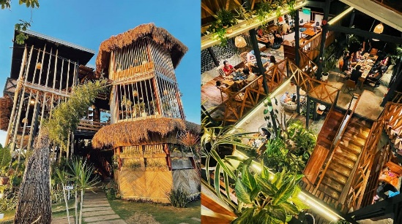
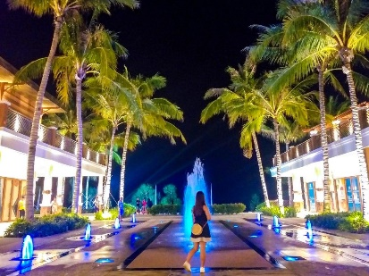
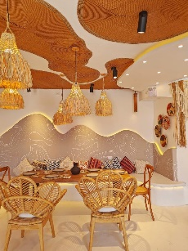



 | 7:30PM. DEPART / RETURN TO GUESTHOUSE
 |  | ● Return to guesthouse by 8:00pm.
 |  | ● Extension of driver and vehicle has extra charge of P250/per hour.
 |  | ● Please full tank vehicle at gas station before return.

DAY 4 | JULY 7, 2023 | FRIDAY |  |  |  |  | DAY 4 EXCLUSIONS |  | PER HEAD | COSTING | NOTES
 | 7:30AM. START WITH YOUR BREAKFAST |  |  |  |  | - Other Stop overs |  | ₱199.00 | ₱597.00 | Breakfast for 3 Adults
 | Filipino Breakfast served plated at Dining Area. |  |  |  |  | - Lunch, Dinner, and Snacks |  | ₱199.00 | ₱398.00 | Breakfast for 2 Seniors
 | Good for 3 Adults, 2 Seniors, and 2 Kids. |  |  |  |  |  |  | ₱199.00 | ₱199.00 | Breakfast for 1 Kids (9yrs old)
 |  |  |  |  |  |  |  | ₱99.50 | ₱99.50 | Breakfast for 1 Kids (5yrs old)
 | 12:00 NN. CHECK-OUT TIME AND TRANS-OUT TO AIRPORT
 | Let us know if you'd like to depart earlier or later. |  |  |  |  |  |  |  |  |  |  | 300 | environmental
 | We will have a vehicle and driver ready to bring you to Panglao Airport. |  |  |  |  |  |  |  | ₱1,300.00 | Trans-Out to Airport

 |  |  |  |  |  |  |  |  | ₱2,593.50 | DAY 4 TOTAL COST
 | REMINDERS
✱ | Payment: | As a reservation, we require at least 50% of the package (₱ 14,352.26) for the |  |  |  |  |  |  |  |  |  |  |  | 2614 | 50% Dorm
 |  | 2-Days Tour as downpayment. Please note that 20% of this downpayment |  |  |  |  |  |  | ₱1,104.02 | Organizing Fee (0.04% of Total) |  | ₱368.01
 |  | is non-refundable (₱ 2,870.45) |  |  |  |  |  |  |  |  |  |  |  | 2614

 |  | Upon arrival, we accept cash, gcash or bank transfer. No credit/debit cards please.
 |  | GCASH: | 0956-956-0033 (JUDY ANNE JAMORA) |  |  |  |  | 2D TOUR - 5 PAX
 |  | SECURITY BANK: |  |  |  |  |  |  | ₱28,704.52 | TOTAL PACKAGE |  |  |  | ₱14,352.26
 |  |  | ACCT NAME: B AND J GUESTHOUSE AND FUNCTIONS, INC. |  |  |  |  |  | ₱5,740.90 | PER HEAD
 |  |  | ACCT NUMBER: 00000 3451 6377
 |  |  |  |  |  |  |  |  | - | Downpayment
✱ | Front Office Operating Hours: 5:30 am to 11:00 pm |  |  |  |  |  |  |  | ₱28,704.52 | TOTAL PACKAGE
✱ | Transfers must stricty have no stop overs. |  |  |  |  |  |  |  | ₱5,740.90 | PER HEAD

 |  |  |  |  |  |  |  |  | 459.27 | 0.018% Discount
Thank you for reaching out to us for your Bohol trip. We hope that we can serve you on your special days. |  |  |  |  |  |  |  |  | ₱28,245.25 | TOTAL PACKAGE |  |  |  | ₱1,104.02
Should you have any concerns, please don't hesitate to contact us and we will be glad to assist you. |  |  |  |  |  |  |  |  | ₱5,649.05 | PER HEAD

 |  |  |  |  | Best Regards,
 |  |  |  |  |  |  |  |  | ₱459.27 | Package What Guests Saves (After Discount)
 |  |  |  |  | JUDY ANNE JAMORA |  |  |  | ₱644.75 | Org. Fee. What we Get (After Discount)
 |  |  |  |  | GUESTHOUSE MANAGER |  |  |  | ₱1,104.02
 |  |  |  |  | Viber/ CP# 0942.976.4512
 |  |  |  |  |  |  |  |  | ₱91.85 | Per Head what guests save

 |  |  |  |  |  |  |  |  | ₱14,352.26 | 50% RESERVATION
 |  |  |  |  |  |  |  |  | ₱2,870.45 | 20% NON-REFUNDABLE

Option 2
 |  |  |  |  |  |  | Billing Period:
 |  |  |  |  |  |  | July 4 to 7, 2023

0409 Bantol St., Dampas District, Tagbilaran City, Bohol

Room Accommodation ● Function Room ● Tour Assistance

CLARISSA ANCHETA
Bohol Countryside Tour, Island Hopping, and Dumaluan Beach

 |  | ✔ Trans-In: Tagbilaran Pier to Guesthouse (July 4)
 |  | ✔ 3 Days Breakfast (July 5, 6, and 7)
 |  | ✔ 1 Day Tour | Countryside Tour (July 5)
 |  |  | With Vehicle Rental, Driver, and Gas
 |  | ✔ Lunch at Loboc River Cruise (July 5)
BOHOL PACKAGE: |  | ✔ Island Hopping and Dumaluan Beach (July 6)
Great for hassle-free tours |  |  | With Drop Off & Pick Up
 |  |  | With Boat, Virgin Island Entrance Fees, and Snorkeling
 |  |  | With Cottage at Beach
 |  | ✔ Trans-Out: Guesthouse to Panglao Airport (July 7)
 |  | ✔ Opportunity for Discount if FULL payment before check-in day.

Dear Ma'am Clarissa,

Thank you for reaching out to us for your Bohol trip. We would like to offer your group the amount of |  |  |  |  |  |  |  |  |  |  |  | ✿❤☀
. . . Twenty five thousand seven hundred thirteen pesos and twenty two centavos (₱ 25,713.22) for
your Customized Bohol Tour Package.
 |  |  |  |  |  |  |  | 2D TOUR - 5 PAX
 |  | BOHOL TOUR PACKAGE |  |  |  |  |  | PAX | 5 | 3 Adults |  | Dorm | 10 | 6 |  | 10
 |  | ₱25,713.22 | Total Package |  |  |  |  |  |  | 2 Seniors |  | Family | 5 | 5 |  | 6
 |  |  | Good for 3 Adults, 2 Seniors, 2 Children |  |  |  |  |  |  | 2 Children (Ages: 5 and 9) |  | Deluxe | 3 | 3 |  | 3

 |  |  |  |  |  |  |  |  |  |  |  |  | 18 | 14 |  | 19
 | ❤ Want a Discount? Provide FULL payment before check-in day.
 | With Discount, your Package becomes…

 |  | DISCOUNT PACKAGE (If Full Pay before check-in day)
 |  | ₱25,301.81 | Total Package
 |  |  | Good for 3 Adults, 2 Seniors, 2 Children

CUSTOMIZED BOHOL PACKAGE: SCHEDULE & ITINERARIES

DAY 1 | JULY 4, 2023 | TUESDAY |  |  |  |  | DAY 1 EXCLUSIONS |  | PER HEAD | COSTING | NOTES
 | PICK UP AT TAGBILARAN PIER. |  |  |  |  | - Tours |  |  | ₱500.00 | PICK UP using Van. . . 6 Pax (3Adults, 2Seniors, 1Kid) |  | 80 | 6 | 480
 | Let us know your ETA for pick up. |  |  |  |  | - Meals and Snacks |  |  |  | Not Included: 5yrs old

 | REGISTER AT B&J GUESTHOUSE
 | Check-in at the lobby. Refresh with some Welcome Drinks at our Dining Area.

 | NOTE: Check-in is 2:00pm - 10:00pm
 | Storing of luggage at our lobby area is possible.


 | CITY TOUR . . .(Optional. Not included in Package) |  |  |  |  |  |  |  |  |  |  | 2500
 | Get around the city easier with a private vehicle and driver.
 | Rate: ₱ 2,500 for Vehicle and Driver. Gas not included.

 |  | HIGHLIGHTS
 |  | ● St. Joseph the Worker Church / Baclayon Church
 |  | ● Bohol National Museum
 |  | ● Pres. Carlos P. Garcia Heritage House
 |  | ● Dalareich Chocolate House
 |  | ● Blood Compact Shrine
 |  | ● Get groceries at BQ Mall or Island City Mall.
 |  | ● Optional: Buy some Boholano delicacies/snacks
 |  | at Pa-initang Bol-anon



 |  |  |  |  |  |  |  |  | ₱500.00 | DAY 1 TOTAL COST

 |  | IDEAS FOR DINNER
 |  | ● Hideout Foodpark |  | ● Fastfoods at Island City Mall
 |  | ● House of Lechon |  | ● Mano Backyard Dining
 |  | ● Payag's Restaurant |  | ● Gerarda's Restaurant

DAY 2 | JULY 5, 2023 | WEDNESDAY |  |  |  |  | DAY 2 EXCLUSIONS |  | PER HEAD | COSTING | NOTES
 | 6:30AM. START WITH YOUR BREAKFAST |  |  |  |  | - Entrance and Environmental Fees |  | ₱199.00 | ₱597.00 | Breakfast for 3 Adults
 | Filipino Breakfast served plated at Dining Area. |  |  |  |  | - Snacks and Dinner |  | ₱199.00 | ₱398.00 | Breakfast for 2 Seniors
 | Good for 3 Adults, 2 Seniors, and 2 Kids. |  |  |  |  |  |  | ₱199.00 | ₱199.00 | Breakfast for 1 Kids (9yrs old)
 |  |  |  |  |  |  |  | ₱99.50 | ₱99.50 | Breakfast for 1 Kids (5yrs old)
 | 7:00AM. DEPART FOR COUNTRYSIDE TOUR
 | Inclusions: Vehicle Rental with Driver and Gas
 | Itinerary in no particular order. |  |  |  |  |  |  | ₱840.00 | ₱4,200.00 | Van + Gas + Driver + Lunch + Dinner (7am to 3pm)

 |  | ● Chocolate Hills
 |  | ● Bilar Man Made Forest.
 |  | ● Loboc River Cruise & Lunch Buffet. - - - - - - - - - - - - |  |  |  | ✔ Included in Package |  | ₱850.00 | ₱2,550.00 | 3 Adults |  | 775 | 25 | 800
 |  | ✔ Included in Package for 3 Adults and 2 Seniors. |  |  |  |  |  | ₱680.00 | ₱1,360.00 | 2 Seniors |  | ₱680.00
 |  | Note: Kids entrance will be paid on-site. Rate depends on kids's height.
 |  | ● Tarsier Conservation Area
 |  | ● Butterfly Garden
 |  | ● Mirror of the World @ Sikatuna
 |  | ● Baclayon Church
 |  | ● Blood Compact Shrine
 |  | ● Optional: Chocolate Hills Adventure Park


 |  |  |  |  |  |  |  | ₱250.00 | ₱1,250.00 | 5 Hours Extension for Driver (3pm-8pm)
 |  |  |  |  |  |  |  |  |  | *Ask Sir Benjie if ok lang to give driver 200? | ₱312.50

 | 6:00PM. END OF TOUR. DRIVE TO DINNER.
 |  | ● Driver will bring you to our suggested dinner place.
 |  | Or if you have restaurant suggestions, let the driver know.

 |  | IDEAS FOR DINNER
 |  | ● Smoque Bistro, Café and Bar
 |  | ● Garden Café : Bohol's Original Cowboy Restaurant |  |  |  |  |  |  | ₱10,653.50 | DAY 2 TOTAL COST
 |  | ● Just Sizzl'n Restaurant

 | 7:30PM. DEPART / RETURN TO GUESTHOUSE
 |  | ● Return to the guesthouse at 8:00pm.
 |  | ● Extension of driver and vehicle has extra charge of P250/per hour.
 |  | ● Please full tank vehicle at gas station before return.

DAY 3 | JULY 6, 2023 | THURSDAY |  |  |  |  | DAY 3 EXCLUSIONS |  | PER HEAD | COSTING | NOTES |  | 200 | Gas
 | 5:30AM. RECEIVE A PACKED BREAKFAST. |  |  |  |  | - Lunch, Snacks, and Dinner |  | ₱199.00 | ₱597.00 | Breakfast for 3 Adults |  | 300 | Driver
 | Packed breakfast. Good for 3 Adults, 2 Seniors, and 2 Kids. |  |  |  |  | - Other tour spots not listed. |  | ₱199.00 | ₱398.00 | Breakfast for 2 Seniors |  | 300 | Vehicle
 |  |  |  |  |  |  |  | ₱199.00 | ₱199.00 | Breakfast for 1 Kids (9yrs old) |  | 800 |  | ₱1,800.00
 | 5:40AM. DEPART FOR ISLAND HOPPING |  |  |  |  |  |  | ₱99.50 | ₱99.50 | Breakfast for 1 Kids (5yrs old)
 | ✔ With 1 Van Rental + Driver (Drop off and Pick Up)
 | ✔ With Boat + Virgin Island Entrance Fees + Snorkeling |  |  |  |  |  |  |  |  |  |  | 300 | environmental
 |  |  |  |  |  |  |  |  |  |  |  | 150 | snorkeling
 |  | ● Island Hopping (For Filipino Locals)
 |  | - Dolphin Watching |  |  |  |  |  |  | ₱800.00 | Drop Off for Island Hopping |  | 30 | entrance virgin (pinoy)
 |  | - Balicasag Island |  |  |  |  |  |  | ₱800.00 | Pick Up at Dumaluan Beach |  | 100 | entrance virgin (foreigner) |  | 5 or less | 2,200
 |  | - Virgin Island |  |  |  |  |  |  | ₱200.00 | Driver |  |  |  |  | 5 or 6-10 | 2500
 |  |  |  |  |  |  |  |  | ₱2,500.00 | 1 Boat for 15 Pax |  | 480 |  |  | 11 to 12 | 3,000
 |  | INCLUSIONS (FREE for 3yrs old. And below) |  |  |  |  |  | ₱480.00 | ₱3,360.00 | 7 Pax: Snorkeling Gear + Env.Fee(Local tourist)
 |  | ✔ Guide and snorkeling gear |  |  |  |  |  |  |  | - 3 adults, 2 seniors, 2 kids (9yr. Old and 5yr. Old) |  | P100 sa foreigner Virgin Island
 |  | ✔ Environmental Fees
 |  | ✔ Entrance Fees to Island Hopping

 | 12:00 NN. ARRIVAL AT DUMALUAN BEACH. |  |  |  |  |  |  |  |  |  |  | P30 sa Local
 | Take a seat at your reserved cottage. Relax and enjoy the beach view. |  |  |  |  |  |  |  | ₱2,000.00 | Cottage (Good for 10 to 15) |  | *no snorkeling kay P100 for environmental

 | NOTE:
 | 1.) Dumaluan Beach has showers,toilets, and changing rooms. |  |  |  |  |  |  |  |  |  |  | ✓
 | 2.) Restaurant is also available at Dumaluan Beach.

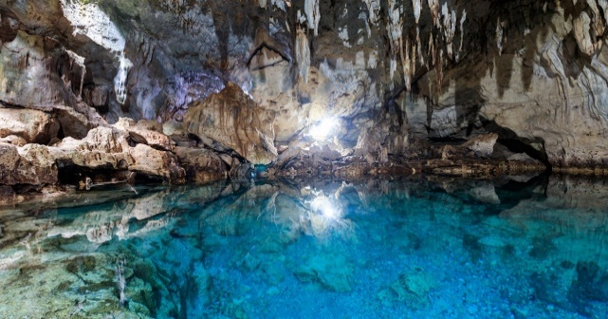
 | PICK UP AT DUMALUAN BEACH
 | Let us know what time you'd like our driver to pick you up. (Note: Beach closes at 5pm.) |  |  |  |  |  |  |  | ₱10,953.50 | DAY 3 TOTAL COST
 | No stop overs from Dumaluan Beach to Guesthouse.
DAY 4 | JULY 7, 2023 | FRIDAY |  |  |  |  | DAY 4 EXCLUSIONS |  | PER HEAD | COSTING | NOTES
 | 7:30AM. START WITH YOUR BREAKFAST |  |  |  |  | - Other Stop overs |  | ₱199.00 | ₱597.00 | Breakfast for 3 Adults
 | Filipino Breakfast served plated at Dining Area. |  |  |  |  | - Lunch, Dinner, and Snacks |  | ₱199.00 | ₱398.00 | Breakfast for 2 Seniors
 | Good for 3 Adults, 2 Seniors, and 2 Kids. |  |  |  |  |  |  | ₱199.00 | ₱199.00 | Breakfast for 1 Kids (9yrs old)
 |  |  |  |  |  |  |  | ₱99.50 | ₱99.50 | Breakfast for 1 Kids (5yrs old)
 | 12:00 NN. CHECK-OUT TIME AND TRANS-OUT TO AIRPORT
 | Let us know if you'd like to depart earlier or later. |  |  |  |  |  |  |  |  |  |  | 300 | environmental
 | We will have a vehicle and driver ready to bring you to Panglao Airport. |  |  |  |  |  |  |  | ₱1,300.00 | Trans-Out to Airport

 |  |  |  |  |  |  |  |  | ₱2,593.50 | DAY 4 TOTAL COST
 | REMINDERS
✱ | Payment: | As a reservation, we require at least 50% of the package (₱ 12,856.61) for the |  |  |  |  |  |  |  |  |  |  |  | 2614 | 50% Dorm
 |  | Tour as downpayment. Please note that 20% of this downpayment |  |  |  |  |  |  | ₱1,012.72 | Organizing Fee (0.04% of Total) |  | ₱337.57
 |  | is non-refundable (₱ 2,571.32) |  |  |  |  |  |  |  |  |  |  |  | 2614

 |  | Upon arrival, we accept cash, gcash or bank transfer. No credit/debit cards please.
 |  | GCASH: | 0956-956-0033 (JUDY ANNE JAMORA) |  |  |  |  | 2D TOUR - 5 PAX
 |  | SECURITY BANK: |  |  |  |  |  |  | ₱25,713.22 | TOTAL PACKAGE |  |  |  | ₱12,856.61
 |  |  | ACCT NAME: B AND J GUESTHOUSE AND FUNCTIONS, INC. |  |  |  |  |  | ₱5,142.64 | PER HEAD
 |  |  | ACCT NUMBER: 00000 3451 6377
 |  |  |  |  |  |  |  |  | - | Downpayment
✱ | Front Office Operating Hours: 5:30 am to 11:00 pm |  |  |  |  |  |  |  | ₱25,713.22 | TOTAL PACKAGE
✱ | Transfers must stricty have no stop overs. |  |  |  |  |  |  |  | ₱5,142.64 | PER HEAD

 |  |  |  |  |  |  |  |  | 411.41 | 0.018% Discount
Thank you for reaching out to us for your Bohol trip. We hope that we can serve you on your special days. |  |  |  |  |  |  |  |  | ₱25,301.81 | TOTAL PACKAGE |  |  |  | ₱1,012.72
Should you have any concerns, please don't hesitate to contact us and we will be glad to assist you. |  |  |  |  |  |  |  |  | ₱5,060.36 | PER HEAD

 |  |  |  |  | Best Regards,
 |  |  |  |  |  |  |  |  | ₱411.41 | Package What Guests Saves (After Discount)
 |  |  |  |  | JUDY ANNE JAMORA |  |  |  | ₱601.31 | Org. Fee. What we Get (After Discount)
 |  |  |  |  | GUESTHOUSE MANAGER |  |  |  | ₱1,012.72
 |  |  |  |  | Viber/ CP# 0942.976.4512
 |  |  |  |  |  |  |  |  | ₱82.28 | Per Head what guests save

 |  |  |  |  |  |  |  |  | ₱12,856.61 | 50% RESERVATION
 |  |  |  |  |  |  |  |  | ₱2,571.32 | 20% NON-REFUNDABLE

