Sheet1
 |  |  |  |  |  | Billing Period:
 |  |  |  |  |  | Dec 17, 2023

0409 Bantol St., Dampas District, Tagbilaran City, Bohol

Room Accommodation ● Function Room ● Tour Assistance

CHEMBERLYN ARNIBAL MOSQUEDA
Package Tour | Bohol Countryside + Island Hopping + Panglao Tour + City Tour + CHAP Tour

 |  | ✔ Trans-In: Tagbilaran Pier to Guesthouse (Dec. 17)
 |  | ✔ 3 Days Tour | With Vehicle Rental, Driver, and Gas (Dec 17, 18, and 19)
 |  | ✔ Day 1: Lunch at Loboc River Cruise (Dec.17)
 |  | ✔ 3 Nights Accommodation (Check-in: Dec.17, Check-out: Dec.20)
BOHOL PACKAGE: |  | ✔ 3 Days Breakfast (Dec. 18, 19, 20)
Great for big families |  | ✔ Island Hopping (Dec.18)
 |  |  | With Boat, Virgin Island Entrance Fees, and Snorkeling
 |  | ✔ Day 2: Birthday Lunch at Dumaluan Beach (Dec.18)
 |  | ✔ Trans-Out: Guesthouse to Tagbilaran Pier (Dec. 20)
 |  | ✔ Opportunity for Discount if FULL payment before check-in day.

Dear Ma'am Chemberlyn,

Thank you for reaching out to us for your Bohol trip. We would like to offer your group the amount of |  |  |  |  |  |  |  |  |  |  |  | ✿❤☀
. . . One hundred two thousand and eighty two pesos and fourty seven centavos (₱ 102,082.47) for
your Customized Bohol Tour Package.
 |  |  |  |  |  |  |  | 3D TOUR - 15 PAX
 |  | BOHOL TOUR PACKAGE |  |  |  |  |  | PAX | 15 | 13 Adults |  | Dorm | 10 | 6 |  | 10
 |  | ₱102,082.47 | Total Package |  |  |  |  |  |  | 2 Seniors |  | Family | 5 | 5 |  | 6
 |  |  | Good for 13 Adults, 2 Seniors, 4 Children |  |  |  |  |  |  | 4 Children (Ages: 11, 10, 5, 2) |  | Deluxe | 3 | 3 |  | 3
 |  |  |  |  |  |  |  |  |  | 2 Infants (1yr 9months, 1yr 3months)
 |  |  |  |  |  |  |  |  |  |  |  |  | 18 | 14 |  | 19
 | ❤ Want a Discount? Provide FULL payment before check-in day.
 | With Discount, your Package becomes…

 |  | DISCOUNT PACKAGE (If Full Pay before check-in day)
 |  | ₱101,469.98 | Total Package
 |  |  | Good for 13 Adults, 2 Seniors, 4 Children

CUSTOMIZED BOHOL PACKAGE: SCHEDULE & ITINERARIES

DAY 1 | DEC. 17, 2023 | SUNDAY |  |  |  | DAY 1 EXCLUSIONS |  |  | PER HEAD | COSTING | NOTES
 | 9:00 AM. PICK UP AT TAGBILARAN PIER. |  |  |  | - Entrance and Environmental Fees
 | We suggest you take the Oceanjet Trip 7:00am (Cebu-Tagbilaran) |  |  |  | - Snacks and Dinner
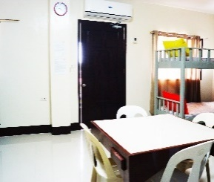
 | 9:20AM. REGISTER AT B&J GUESTHOUSE
 | Refresh with your Welcome Drinks at our Dining Area.
 | Store your luggage at our front desk.

 | NOTE: Since check-in is still at 2pm, you may check-in after your tour.

 | 9:40AM. DEPART FOR BOHOL COUNTRYSIDE TOUR. |  |  |  |  |  |  | ₱280.00 | ₱4,200.00 | Van + Gas + Driver + Lunch + Dinner (9am to 5pm)
 | Inclusions: 1 Van Rental with Driver and Gas
 | Itinerary in no particular order.

 |  | ● Chocolate Hills
 |  | ● Bilar Man Made Forest.
 |  | ● Loboc River Cruise & Lunch Buffet. - - - - - - - - - - - - |  |  | ✔ Included in Package |  |  | ₱850.00 | ₱11,050.00 | 13 Adults |  | 775 | 25 | 800
 |  | ✔ Included in Package for 13 Adults and 2 Seniors. |  |  |  |  |  | ₱680.00 | ₱1,360.00 | 2 Seniors |  | ₱680.00
 |  | Note: Kids entrance will be paid on-site. Rate depends on kids's height.
 |  | ● Tarsier Conservation Area
 |  | ● Butterfly Garden
 |  | ● Mirror of the World @ Sikatuna
 |  | ● Blood Compact Shrine
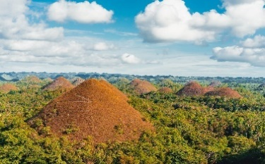

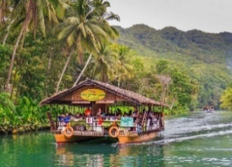
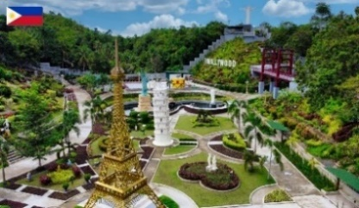
 |  |  |  |  |  |  |  | ₱250.00 | ₱750.00 | 3 Hours Extension for Driver (5pm-8pm)
 |  |  |  |  |  |  |  |  |  | *Ask Sir Benjie if ok lang to give driver 200? | ₱187.50

 | 6:00PM. END OF TOUR. DRIVE TO DINNER.
 |  | ● Driver will bring you to our suggested dinner place.
 |  | Or if you have restaurant suggestions, let the driver know.

 |  | Ideas for your dinner:
 |  | ● Hideout Foodpark |  | ● Fastfoods at Island City Mall
 |  | ● House of Lechon |  | ● Mano Backyard Dining
 |  | ● Payag's Restaurant |  | ● Gerarda's Restaurant

 | 7:30PM. DEPART / RETURN TO GUESTHOUSE
 |  | ● Extension of driver and vehicle has extra charge of P250/per hour.
 |  | ● Please full tank vehicle at gas station before return.

 | CHECK-IN AT B&J GUESTHOUSE
 | Note: Check-in time is within 2pm to 9pm.

 | 3 NIGHTS: 3 ROOMS
 | Room and Bed Type |  |  | Capacity | Extra Beds | Floor Level |  |  |  |  |  |  | Adult | Senior |  | 1 Adult | 2 Seniors | Per Night Deluxe
 | ● 1 x Deluxe Room (1 Double + 1 Single Bed) |  |  | 3 pax | *none |  | 1st. Flr. |  | ₱4,680.00 | 2 Seniors will be here |  | 1800 | 600 | 480 |  | 600 | 960 | 1560
 | ● 1 x Family Room (5 Single Sized Beds) |  |  | 5 pax | *none |  | 1st. Flr. |  | ₱7,752.00 |  |  | 2584
 | ● 1 x Dorm Room (Bunk Beds) |  |  | 10 pax | *none |  | 2nd Flr. |  | ₱13,632.00 |  |  | 4544

 | INCLUSIONS: |  | Towel, Toiletries, and Drinking water |  |  |  |  |  |  |  |  | 50% downpayment
 | ROOM AMENITIES: |  | ✔ Wifi on-site, ✔ Private Hot/cold shower, ✔ Air-conditioned room |  |  |  |  |  |  |  |  | 780 | Deluxe
 |  |  | ✔Mini Fridge(Deluxe & Family Room) ✔LED TV |  |  |  |  |  |  |  |  | 1,292.00 | Dorm (5)
 |  |  |  |  |  |  |  |  | ₱43,424.00 | DAY 1 TOTAL COST |  | 2,272.00 | Dorm (10)
 | PHOTOS: |  | Deluxe Room |  | Family Room
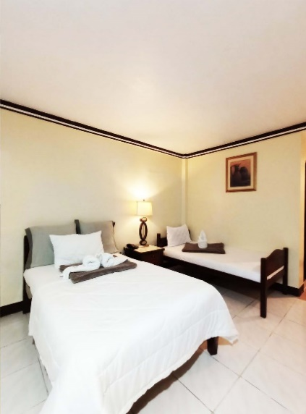
 |  |  |  |  |  |  |  |  |  |  |  | 4,344.00

 |  |  | Dorm Room |  | Common Area:
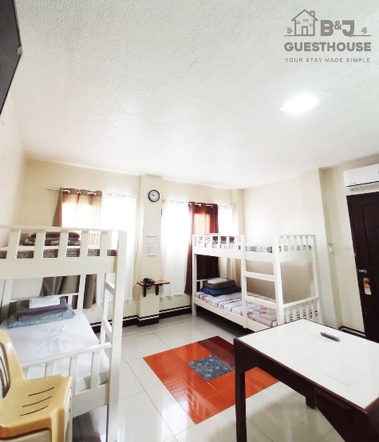
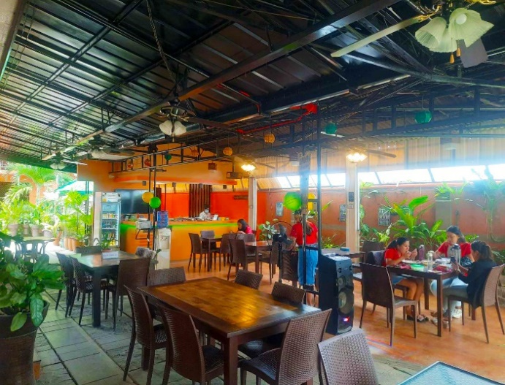

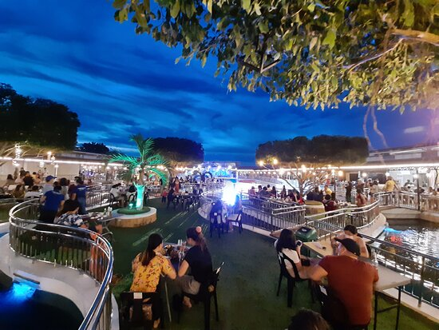
DAY 2 | DEC. 18, 2023 | MONDAY |  |  |  | DAY 2 EXCLUSIONS |  |  | PER HEAD | COSTING | NOTES
 | 5:30AM. RECEIVE A PACKED BREAKFAST. |  |  |  | - Panglao Tour Fees (2pm Tour) |  |  | ₱199.00 | ₱2,587.00 | Breakfast for 13 Adults
 | Packed breakfast. Good for 13 Adults, 2 Seniors, and 4 Kids. |  |  |  | - Snacks and Dinner |  |  | ₱199.00 | ₱398.00 | Breakfast for 2 Seniors
 |  |  |  |  |  |  |  | ₱199.00 | ₱398.00 | Breakfast for 2 Kids (11 and 10)
 | 5:40AM. DEPART FOR ISLAND HOPPING |  |  |  |  |  |  | ₱99.50 | ₱199.00 | Breakfast for 2 Kids (5 and 2)
 | ✔ With 1 Van Rental + Driver (Drop off and Pick Up) |  |  |  |  |  |  |  |  | Breakfast for 2 Infants
 | ✔ With 2 Boats + Virgin Island Entrance Fees + Snorkeling |  |  |  |  |  |  |  |  |  |  | 300 | environmental
 |  |  |  |  |  |  |  |  |  |  |  | 150 | snorkeling
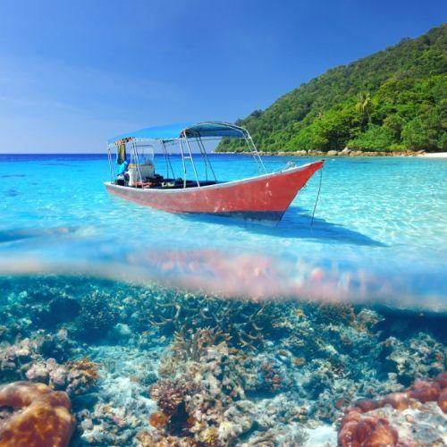
 |  | ● Island Hopping (For Filipino Locals)
 |  | - Dolphin Watching |  |  |  |  |  |  |  |  |  | 30 | entrance virgin (pinoy)
 |  | - Balicasag Island |  |  |  |  |  |  |  |  |  | 100 | entrance virgin (foreigner) |  | 5 or less | 2,200
 |  | - Virgin Island |  |  |  |  |  | ₱1,050.00 | ₱4,200.00 | Van+Gas+Driver+Lunch+Dinner(5:30am-6:30am,1hr and 11:30nn to 6:30pm,7hrs) |  |  |  |  | 5 or 6-10 | 2500
 |  |  |  |  |  |  |  |  | ₱5,000.00 | 2 Boats for 15 Pax |  | 480 |  |  | 11 to 12 | 3,000
 |  | INCLUSIONS (FREE for 3yrs old. And below) |  |  |  |  |  | ₱480.00 | ₱8,640.00 | 18 Pax: Snorkeling Gear + Env.Fee(Local tourist)
 |  | ✔ Guide and snorkeling gear |  |  |  |  |  |  |  | - 13 adults, 2 seniors, 11yr, 10yr, 5yr |  | P100 sa foreigner Virgin Island
 |  | ✔ Environmental Fees
 |  | ✔ Entrance Fees to Island Hopping

 | 12:00 NN. ARRIVAL AT DUMALUAN BEACH. |  |  |  |  |  |  |  |  |  |  | P30 sa Local
 | Take a seat at your reserved cottage. |  |  |  |  |  |  |  | ₱3,000.00 | Cottage |  | *no snorkeling kay P100 for environmental
 | Note: Dumaluan Beach has showers,toilets, and changing rooms.

 | BIRTHDAY LUNCH AT DUMALUAN BEACH. |  |  |  |  |  |  |  |  |  |  | ✓
 | Dine and enjoy the following inclusions: |  |  |  |  |  |  |  | ₱1,000.00 | Decorations
 |  | ✔ Birthday Cake |  |  |  |  |  |  | ₱1,000.00 | Cake
 |  | ✔ Pork Lechon |  |  |  |  |  |  | ₱7,500.00 | Lechon
 |  | ✔ Plated Meals and Drinks |  |  |  |  |  | ₱450.00 | ₱7,650.00 | Meals (Good for 13 Adults, 2 Seniors, 2 Kids)
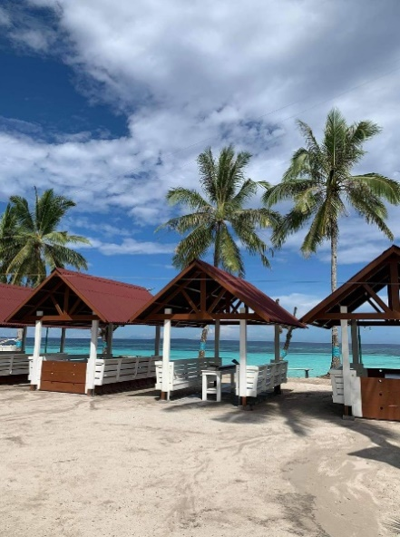
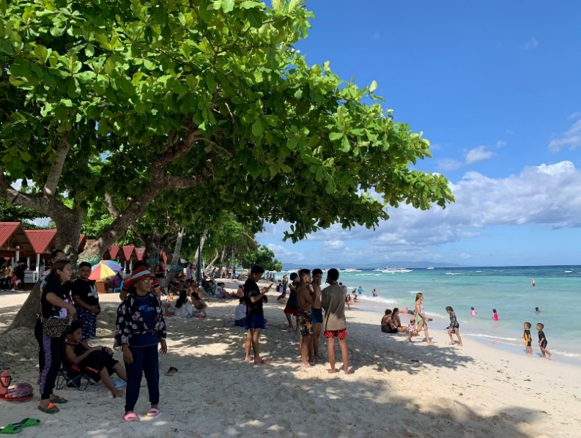
 |  |  |  |  |  |  |  | ₱250.00 | ₱500.00 | (5 and 2 yr. old)

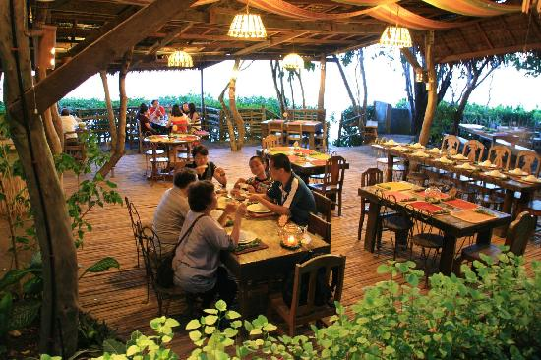
 | 2:00 PM. DEPART FOR PANGLAO TOUR
 | ✔ With 1 Van Rental + Driver + Gas
 |  | ● Dauis Church and Watchtower
 |  | ● Hinagdanan Cave
 |  | ● Panglao South Farm
 |  | ● Snacks at Bohol Bee Farm (individual expense)
 |  | ● Optional: Stroll at Alona Beach shoreline. |  |  |  |  |  | ₱250.00 | ₱500.00 | 2 Hours Extension for Driver (6:30pm-8:30pm)

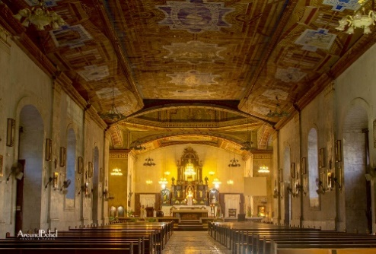
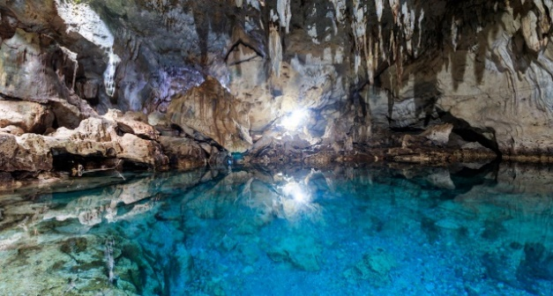
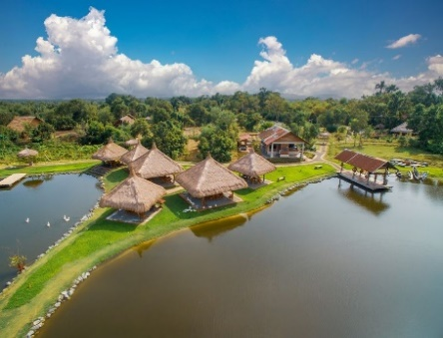

 |  |  |  |  |  |  |  |  | ₱42,572.00 | DAY 2 TOTAL COST

 | 6:00PM. END OF TOUR. DRIVE TO DINNER.
 |  | ● Driver will bring you to our suggested dinner place.
 |  | Or if you have restaurant suggestions, let the driver know.

 | DINNER SUGGESTIONS AT PANGLAO
 |  | ● Mist Restaurant
 |  | ● Moadto Strip
 |  | ● Mosa Restaurant
 |  | ● Fortridge Foodpark
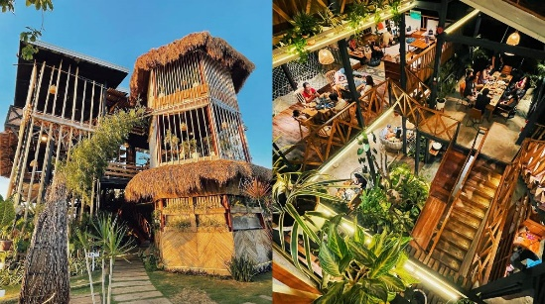
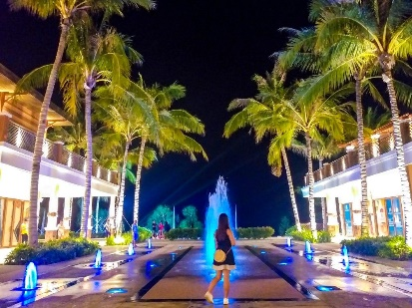
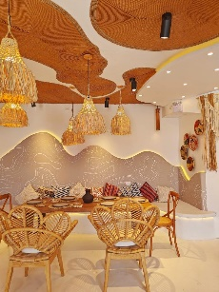

 | 7:30PM. DEPART / RETURN TO GUESTHOUSE
 |  | ● Return to guesthouse by 8:00pm.
 |  | ● Extension of driver and vehicle has extra charge of P250/per hour.
 |  | ● Please full tank vehicle at gas station before return.

DAY 3 | DEC. 19, 2023 | TUESDAY |  |  |  | DAY 3 EXCLUSIONS |  |  | PER HEAD | COSTING | NOTES
 | 6:30AM. START WITH YOUR BREAKFAST |  |  |  | - Entrance and Environmental Fees |  |  | ₱199.00 | ₱2,587.00 | Breakfast for 13 Adults
 | Filipino Breakfast served plated at Dining Area. |  |  |  |  |  |  | ₱199.00 | ₱398.00 | Breakfast for 2 Seniors
 | Good for 13 Adults, 2 Seniors, and 4 Kids. |  |  |  |  |  |  | ₱199.00 | ₱398.00 | Breakfast for 2 Kids (11 and 10)
 |  |  |  |  |  |  |  | ₱99.50 | ₱199.00 | Breakfast for 2 Kids (5 and 2)
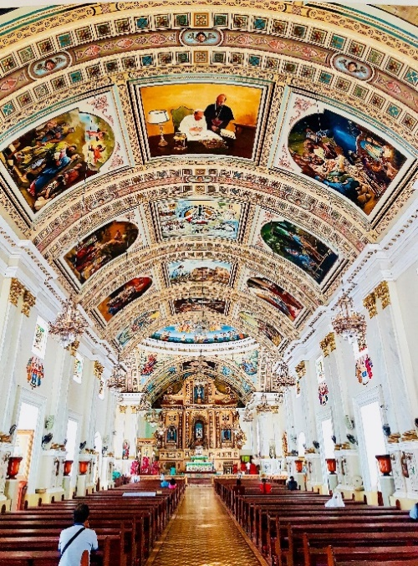
 | 7:00AM. DEPART FOR CITY TOUR + ADVENTURE TOUR |  |  |  | - Dinner and Snacks |  |  |  |  | Breakfast for 2 Infants |  |  |  |  |  | ● Chocolate Hills
 | Inclusions: Vehicle Rental with Driver and Gas |  |  |  |  |  |  |  |  |  |  |  |  |  |  | ● Bilar Man Made Forest
 | Itinerary in no particular order. |  |  |  |  |  |  |  |  |  |  |  |  |  |  | ● Loboc River Cruise & Lunch Buffet @ Floating Restaurant
 |  |  |  |  |  |  |  | ₱2,100.00 | ₱4,200.00 | Van + Gas + Driver + Lunch + Dinner (7am to 3pm, 8hrs) |  |  |  |  |  | ● Bohol Native Python and Wildlife Park @ Alburquerque
 |  | CITY TOUR
 |  | ● St. Joseph the Worker Church |  |  |  |  |  |  |  |  |  |  |  |  |  | ● Tarsier Conservation Area
 |  | ● Bohol National Museum
 |  | ● Pres. Carlos P. Garcia Heritage House
 |  | ● Dalareich Chocolate House
 |  | ● Optional: Buy some snacks at Pa-initang Bol-anon

 |  | ADVENTURE TOUR
 |  | ● Chocolate Hills Adventure Park
 |  | ● Optional: Loboc Adventure Park


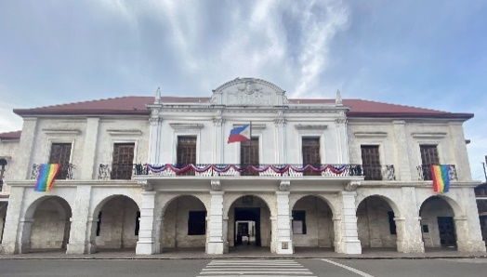
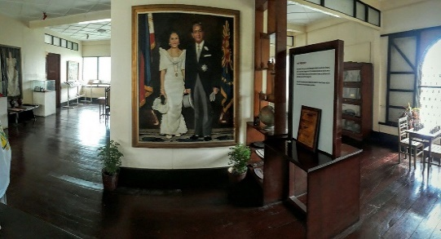

 | 6:00PM. END OF TOUR. DRIVE TO DINNER. |  |  |  |  |  |  | ₱250.00 | ₱1,250.00 | 5 Hours Extension for Driver (3pm-8pm)
 |  | ● Driver will bring you to our suggested dinner place. |  |  |  |  |  |  |  | *Ask Sir Benjie if ok we'll give driver P300 | ₱312.50
 |  | Or if you have restaurant suggestions, let the driver know.

 |  | DINNER SUGGESTIONS:
 |  | ● Smoque Bistro, Café and Bar
 |  | ● Garden Café : Bohol's Original Cowboy Restaurant
 |  | ● Just Sizzl'n Restaurant

 | 7:30PM. DEPART / RETURN TO GUESTHOUSE
 |  | ● Return to guesthouse by 8:00pm.
 |  | ● Extension of driver and vehicle has extra charge of P250/per hour.
 |  | ● Please full tank vehicle at gas station before return. |  |  |  |  |  |  | ₱9,032.00 | DAY 3 TOTAL COST

DAY 4 | DEC. 20, 2023 | WEDNESDAY |  |  |  | DAY 4 EXCLUSIONS |  |  | PER HEAD | COSTING | NOTES
 | 7:30AM. START WITH YOUR BREAKFAST |  |  |  | - Other Stop overs |  |  | ₱199.00 | ₱2,587.00 | Breakfast for 13 Adults
 | Filipino Breakfast served plated at Dining Area. |  |  |  | - Lunch, Dinner, and Snacks |  |  | ₱199.00 | ₱398.00 | Breakfast for 2 Seniors
 | Good for 13 Adults, 2 Seniors, and 4 Kids. |  |  |  |  |  |  | ₱199.00 | ₱398.00 | Breakfast for 2 Kids (11 and 10)
 |  |  |  |  |  |  |  | ₱99.50 | ₱199.00 | Breakfast for 2 Kids (5 and 2)
 | 12:00 NN. CHECK-OUT TIME AND TRANS-OUT TO PIER |  |  |  |  |  |  |  |  | Breakfast for 2 Infants
 | Let us know if you'd like to depart earlier or later. |  |  |  |  |  |  |  |  |  |  | 300 | environmental
 | We will have a vehicle and driver ready to bring you to Tagbilaran Pier. |  |  |  |  |  |  | ₱75.00 | ₱1,275.00 | Trans-Out to Pier

 |  |  |  |  |  |  |  |  | ₱4,857.00 | DAY 4 TOTAL COST
 | REMINDERS
✱ | Payment: | As a reservation, we require at least 50% of the first night stay (P4,344) for the |  |  |  |  |  |  |  |  |  |  |  | 2614 | 50% Dorm
 |  | three rooms as downpayment. Note that this is non-refundable. |  |  |  |  |  |  | ₱2,197.47 | Organizing Fee (0.04% of Total) |  | ₱732.49
 |  |  |  |  |  |  |  |  |  |  |  |  |  | 2614
 |  | Upon arrival, we accept cash, gcash or bank transfer. No credit/debit cards please.
 |  | GCASH: | 0956-956-0033 (JUDY ANNE JAMORA) |  |  |  |  | 1D TOUR - 15 PAX
 |  | SECURITY BANK: |  |  |  |  |  |  | ₱102,082.47 | TOTAL PACKAGE |  |  |  | ₱51,041.24
 |  |  | ACCT NAME: B AND J GUESTHOUSE AND FUNCTIONS, INC. |  |  |  |  |  | ₱6,805.50 | PER HEAD
 |  |  | ACCT NUMBER: 00000 3451 6377
 |  |  |  |  |  |  |  |  | - | Downpayment
✱ | Front Office Operating Hours: 5:30 am to 11:00 pm |  |  |  |  |  |  |  | ₱102,082.47 | TOTAL PACKAGE
✱ | Transfers must stricty have no stop overs. |  |  |  |  |  |  |  | ₱5,104.12 | PER HEAD

 |  |  |  |  |  |  |  |  | 612.49 | 0.018% Discount
Thank you for reaching out to us for your Bohol trip. We hope that we can serve you on your special days. |  |  |  |  |  |  |  |  | ₱101,469.98 | TOTAL PACKAGE |  |  |  | ₱2,197.47
Should you have any concerns, please don't hesitate to contact us and we will be glad to assist you. |  |  |  |  |  |  |  |  | ₱6,764.67 | PER HEAD

 |  |  |  | Best Regards,
 |  |  |  |  |  |  |  |  | ₱612.49 | Package What Guests Saves (After Discount)
 |  |  |  | JUDY ANNE JAMORA |  |  |  |  | ₱1,584.98 | Org. Fee. What we Get (After Discount)
 |  |  |  | GUESTHOUSE MANAGER |  |  |  |  | ₱2,197.47
 |  |  |  | Viber/ CP# 0942.976.4512
 |  |  |  |  |  |  |  |  | ₱40.83 | Per Head what guests save

