Advanced Account Info
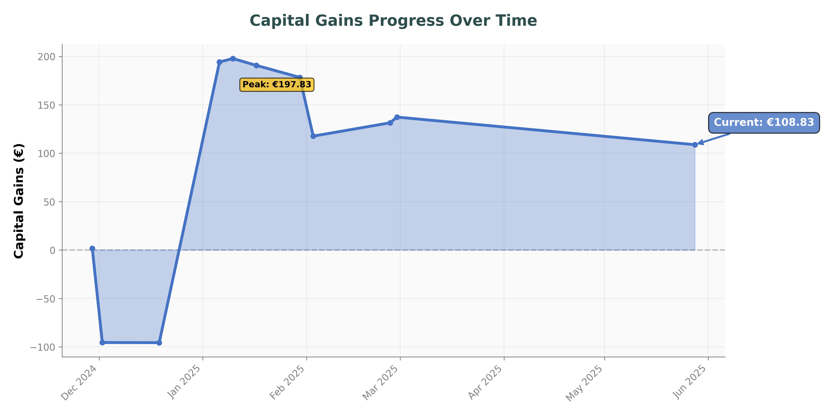
💡 Use Excel's filter buttons in the header row to search and filter transactions |  |  |  |  |  |  | Hold Time Statistics
Detailed Transaction History |  |  |  |  |  |  | Average Hold Time | 42.8 | days
Date | Ticker | Asset Name | Order Type | Quantity | Price/Unit | Total Value | Longest Held Unique Assets:
2025-05-28 | NVDA | Nvidia | Sell | 14.3003 | 135.97 | 1718.63 | NVDA | 118 | days
2025-05-09 | BLND | British Land | Buy | 0.265 | 3.97 | 1.25 | LCUS | 72 | days
2025-05-09 | TW | Taylor Wimpey | Buy | 1.3449 | 1.1705 | 1.87 | XPO | 17 | days
2025-05-09 | SVS | Savills | Buy | 0.109 | 9.65 | 1.25
2025-05-09 | PSN | Persimmon | Buy | 0.1177 | 13.38 | 1.87 | Fee Breakdown
2025-02-28 | XMID | Xtrackers MSCI Indonesia Swap (Acc) | Buy | 0.3035 | 9.395 | 3.46 | Fee Type | Amount | Currency
2025-02-28 | WENT | WisdomTree Energy Transition Metals | Buy | 1.3701 | 18.75 | 25.69 | Currency Conversion | 62.02 | EUR
2025-02-28 | E0P | Enphase Energy | Buy | 0.2364 | 58.58 | 13.85 | Deposit Fee | 40.26 | EUR
2025-02-28 | FLXI | Franklin FTSE India (Acc) | Buy | 0.366 | 37.79 | 13.83 | Stamp Duty Tax | 2.53 | EUR
2025-02-28 | AIGAP | WisdomTree Agriculture | Buy | 24.5266 | 6.0677 | 148.82 | Withholding Tax | 2.35 | EUR
2025-02-28 | LCUS | Lyxor Core US Equity DR (Dist) | Sell | 9.6685 | 17.5674 | 205.72 | TOTAL FEES | 107.16 | EUR
2025-02-27 | NVDA | Nvidia | Buy | 7.1916 | 126.55 | 875.05
2025-02-26 | NVDA | Nvidia | Sell | 7 | 131.37 | 875.05 | Win/Loss Statistics
2025-02-18 | NVDA | Nvidia | Buy | 2.1652 | 139.96 | 290.41 | Metric | Value | Unit
2025-02-18 | KKR | KKR & Co | Buy | 7.4 | 141 | 1000.06 | Total Trades | 19 | trades
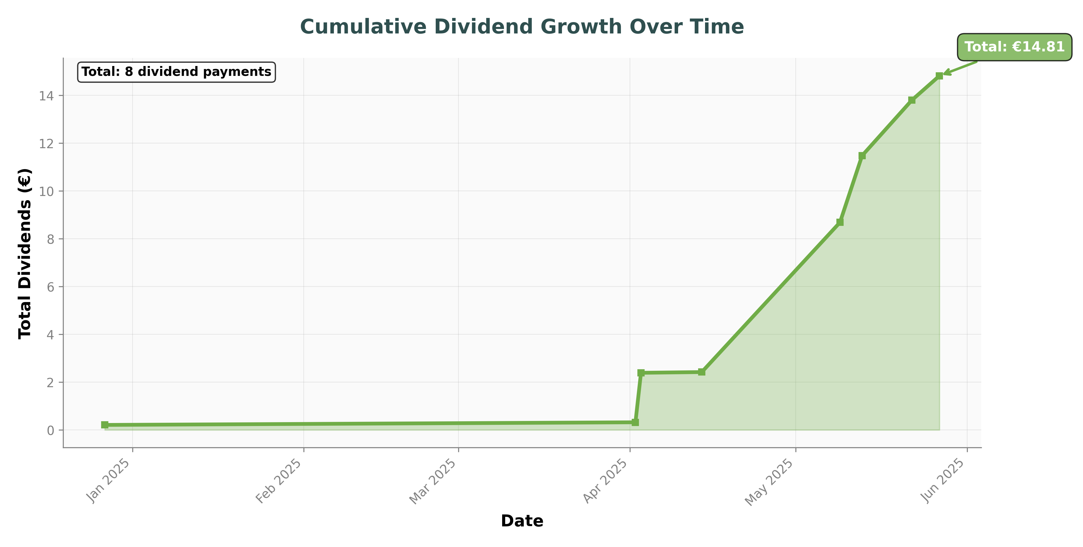
2025-02-18 | NVDA | Nvidia | Buy | 0.4371 | 143.2 | 60 | Winning Trades | 8 | trades
2025-02-18 | NVDA | Nvidia | Buy | 0.1458 | 143.16 | 20 | Win Rate | 42.11 | %
2025-02-14 | NVDA | Nvidia | Buy | 0.1531 | 137.01 | 20 | Average P/L per Trade | 5.73 | EUR
2025-02-13 | NVDA | Nvidia | Buy | 0.1559 | 133.11 | 20
2025-02-12 | NVDA | Nvidia | Buy | 0.1578 | 130.99 | 20
2025-02-11 | NVDA | Nvidia | Buy | 0.1542 | 133.79 | 20
2025-02-10 | NVDA | Nvidia | Buy | 0.3109 | 132.46 | 40
2025-02-10 | NVDA | Nvidia | Buy | 0.1554 | 132.47 | 20
2025-02-07 | NVDA | Nvidia | Buy | 0.1599 | 129.7 | 20
2025-02-06 | NVDA | Nvidia | Buy | 0.1645 | 125.88 | 20
2025-02-05 | NVDA | Nvidia | Buy | 0.1707 | 121.93 | 20
2025-02-04 | NVDA | Nvidia | Buy | 0.1767 | 116.97 | 20
2025-02-03 | NVDA | Nvidia | Sell | 8.65 | 115.28 | 973.02
2025-01-30 | NVDA | Nvidia | Buy | 0.68 | 119.94 | 78.43
2025-01-30 | NVDA | Nvidia | Buy | 8 | 119.935 | 922.63
2025-01-30 | XPO | XPO | Sell | 3.9763 | 135.18 | 515.22
2025-01-30 | XPO | XPO | Sell | 1.7237 | 135.18 | 223.35
2025-01-27 | NVDA | Nvidia | Buy | 4.4 | 119.98 | 504.02
2025-01-17 | DJT | Trump Media & Technology Group | Sell | 4.8 | 41.85 | 194.91
2025-01-13 | DJT | Trump Media & Technology Group | Buy | 4.8 | 43.03 | 202.57
2025-01-13 | XPO | XPO | Buy | 0.7 | 134.85 | 92.57
2025-01-13 | XPO | XPO | Buy | 5 | 134.75 | 660.66
2025-01-10 | BEP | Brookfield Renewable Partners | Buy | 5.8862 | 22.65 | 130.12
2025-01-10 | EXP | Eagle Materials | Buy | 0.1487 | 237.22 | 34.42
2025-01-10 | SYM | Symbotic | Buy | 5.8 | 26.3 | 148.89
2025-01-10 | NVDA | Nvidia | Sell | 1.7 | 137.37 | 227.24
2025-01-10 | ABBNY | ABB | Buy | 3.2498 | 54.25 | 171.34
2025-01-10 | ABBNY | ABB | Buy | 1.4002 | 54.26 | 73.83
2025-01-09 | VUAA | Vanguard S&P 500 (Acc) | Buy | 6.85 | 112.48 | 748.72
2025-01-09 | XMID | Xtrackers MSCI Indonesia Swap (Acc) | Buy | 3.5838 | 11.4 | 48.82
2025-01-09 | SVS | Savills | Buy | 7.8054 | 9.82 | 92.04
2025-01-09 | SVS | Savills | Buy | 0.6756 | 9.82 | 7.96
2025-01-09 | WENT | WisdomTree Energy Transition Metals | Buy | 5.7762 | 18.512 | 106.93
2025-01-09 | FLXI | Franklin FTSE India (Acc) | Buy | 4.6534 | 42.055 | 195.7
2025-01-09 | TW | Taylor Wimpey | Buy | 114.0035 | 1.096 | 150
2025-01-09 | PSN | Persimmon | Buy | 9.2392 | 10.78 | 119.56
2025-01-09 | PSN | Persimmon | Buy | 2.3517 | 10.78 | 30.44
2025-01-09 | BLND | British Land | Buy | 24.2288 | 3.438 | 100
2025-01-09 | EWAT | WisdomTree Wheat - EUR Daily Hedged | Buy | 2.4612 | 2.129 | 5.24
2025-01-09 | COPAP | WisdomTree Copper | Buy | 0.7923 | 37.845 | 29.99
2025-01-09 | COPAP | WisdomTree Copper | Buy | 1.993 | 37.85 | 75.43
2025-01-09 | ZPDH | SPDR S&P U.S. Health Care Select Sector (Acc) | Buy | 2.3344 | 41.6 | 97.11
2025-01-09 | XLFS | Invesco Financials S&P US Select Sector (Acc) | Buy | 0.1338 | 375.42 | 48.81
2025-01-09 | E0P | Enphase Energy | Buy | 1.9094 | 68.47 | 130.74
2025-01-09 | SUGA | WisdomTree Sugar | Buy | 1.1306 | 11.516 | 13.02
2025-01-09 | OD7Z | WisdomTree Industrial Metals | Buy | 1.6126 | 14.614 | 23.57
2025-01-09 | OD7Z | WisdomTree Industrial Metals | Buy | 5.9325 | 14.615 | 86.7
2025-01-09 | PAVE | Global X US Infrastructure Development (Acc) | Buy | 2.1767 | 36.605 | 79.68
2025-01-09 | LCUS | Lyxor Core US Equity DR (Dist) | Buy | 0.0461 | 17.32 | 0.95
2025-01-09 | LCUS | Lyxor Core US Equity DR (Dist) | Buy | 0.8146 | 17.322 | 16.86
2025-01-09 | XLKS | Invesco Technology S&P US Select Sector | Buy | 0.1167 | 669.73 | 78.16
2025-01-09 | WTCH | SPDR MSCI World Technology (Acc) | Buy | 0.6721 | 174.34 | 117.18
2025-01-09 | EWAT | WisdomTree Wheat - EUR Daily Hedged | Buy | 16 | 2.1295 | 34.07
2025-01-09 | EGLN | iShares Physical Gold | Buy | 0.9616 | 50.47 | 48.53
2025-01-09 | LCUS | Lyxor Core US Equity DR (Dist) | Buy | 7 | 17.32 | 144.83
2025-01-09 | AIGAP | WisdomTree Agriculture | Buy | 13.4461 | 5.8121 | 78.15
2025-01-09 | EGLN | iShares Physical Gold | Buy | 3.15 | 50.45 | 158.92
2025-01-06 | NVDA | Nvidia | Sell | 23 | 149.89 | 3315.13
2025-01-02 | BEP | Brookfield Renewable Partners | Buy | 0.4599 | 23.07 | 10.3
2025-01-02 | EXP | Eagle Materials | Buy | 0.0109 | 251.03 | 2.66
2025-01-02 | OD7Z | WisdomTree Industrial Metals | Buy | 0.3949 | 14.316 | 5.65
2025-01-02 | EWAT | WisdomTree Wheat - EUR Daily Hedged | Buy | 1.3387 | 2.211 | 2.96
2025-01-02 | WENT | WisdomTree Energy Transition Metals | Buy | 0.4363 | 18.2 | 7.94
2025-01-02 | ZPDH | SPDR S&P U.S. Health Care Select Sector (Acc) | Buy | 0.1829 | 40.74 | 7.45
2025-01-02 | FLXI | Franklin FTSE India (Acc) | Buy | 0.3465 | 42.975 | 14.89
2025-01-02 | WTCH | SPDR MSCI World Technology (Acc) | Buy | 0.0521 | 173.78 | 9.06
2025-01-02 | XLKS | Invesco Technology S&P US Select Sector | Buy | 0.009 | 669.51 | 6.03
2025-01-02 | OD7Z | WisdomTree Industrial Metals | Buy | 0.1817 | 14.344 | 2.61
2025-01-02 | SUGA | WisdomTree Sugar | Buy | 0.0859 | 11.644 | 1
2025-01-02 | E0P | Enphase Energy | Buy | 0.1508 | 69.02 | 10.41
2025-01-02 | COPAP | WisdomTree Copper | Buy | 0.2411 | 34.92 | 8.42
2025-01-02 | LCUS | Lyxor Core US Equity DR (Dist) | Buy | 0.2833 | 16.99 | 5.82
2025-01-02 | LCUS | Lyxor Core US Equity DR (Dist) | Buy | 0.3234 | 16.992 | 6.65
2025-01-02 | XMID | Xtrackers MSCI Indonesia Swap (Acc) | Buy | 0.2709 | 11.35 | 3.72
2025-01-02 | AIGAP | WisdomTree Agriculture | Buy | 1.0009 | 5.8648 | 5.87
2025-01-02 | EGLN | iShares Physical Gold | Buy | 0.0746 | 49.44 | 3.69
2025-01-02 | XLFS | Invesco Financials S&P US Select Sector (Acc) | Buy | 0.0102 | 376.91 | 3.7
2025-01-02 | PAVE | Global X US Infrastructure Development (Acc) | Buy | 0.167 | 36.71 | 6.13
2024-12-27 | SUGA | WisdomTree Sugar | Buy | 0.0868 | 11.524 | 1
2024-12-27 | EWAT | WisdomTree Wheat - EUR Daily Hedged | Buy | 1.355 | 2.214 | 3
2024-12-27 | AIGAP | WisdomTree Agriculture | Buy | 1.0142 | 5.7977 | 5.88
2024-12-27 | OD7Z | WisdomTree Industrial Metals | Buy | 0.5866 | 14.372 | 8.43
2024-12-27 | E0P | Enphase Energy | Buy | 0.1547 | 72.14 | 11.16
2024-12-27 | COPAP | WisdomTree Copper | Buy | 0.256 | 35.775 | 9.16
2024-12-27 | PAVE | Global X US Infrastructure Development (Acc) | Buy | 0.1702 | 36.84 | 6.27
2024-12-27 | WENT | WisdomTree Energy Transition Metals | Buy | 0.4636 | 17.73 | 8.22
2024-12-27 | XLKS | Invesco Technology S&P US Select Sector | Buy | 0.0103 | 681.84 | 6.99
2024-12-27 | WTCH | SPDR MSCI World Technology (Acc) | Buy | 0.0503 | 176.8 | 8.9
2024-12-27 | ZPDH | SPDR S&P U.S. Health Care Select Sector (Acc) | Buy | 0.2069 | 40.895 | 8.46
2024-12-27 | FLXI | Franklin FTSE India (Acc) | Buy | 0.3575 | 42.325 | 15.13
2024-12-27 | XMID | Xtrackers MSCI Indonesia Swap (Acc) | Buy | 0.2755 | 11.33 | 3.76
2024-12-27 | LCUS | Lyxor Core US Equity DR (Dist) | Buy | 0.6003 | 17.328 | 12.53
2024-12-27 | XLFS | Invesco Financials S&P US Select Sector (Acc) | Buy | 0.013 | 381.58 | 4.76
2024-12-27 | EGLN | iShares Physical Gold | Buy | 0.0761 | 49.13 | 3.74
2024-12-26 | EXP | Eagle Materials | Buy | 0.0216 | 251.2 | 5.23
2024-12-26 | BEP | Brookfield Renewable Partners | Buy | 0.8882 | 23.3 | 19.93
2024-12-19 | COPAP | WisdomTree Copper | Sell | 0.0284 | 35.25 | 1
2024-12-19 | ZPDH | SPDR S&P U.S. Health Care Select Sector (Acc) | Sell | 0.0249 | 40.125 | 1
2024-12-19 | XLKS | Invesco Technology S&P US Select Sector | Sell | 0.0015 | 661.2 | 1
2024-12-19 | E0P | Enphase Energy | Sell | 0.0154 | 65.05 | 1
2024-12-19 | XLFS | Invesco Financials S&P US Select Sector (Acc) | Sell | 0.0028 | 367.36 | 1
2024-12-18 | WENT | WisdomTree Energy Transition Metals | Buy | 0.4571 | 18.048 | 8.25
2024-12-18 | E0P | Enphase Energy | Buy | 0.1423 | 70.26 | 10
2024-12-18 | EGLN | iShares Physical Gold | Buy | 1.0606 | 49.03 | 52
2024-12-18 | OD7Z | WisdomTree Industrial Metals | Buy | 0.5974 | 14.229 | 8.5
2024-12-18 | EWAT | WisdomTree Wheat - EUR Daily Hedged | Buy | 1.3802 | 2.1735 | 3
2024-12-18 | AIGAP | WisdomTree Agriculture | Buy | 1.0549 | 5.6878 | 6
2024-12-18 | ZPDH | SPDR S&P U.S. Health Care Select Sector (Acc) | Buy | 0.1861 | 40.305 | 7.5
2024-12-18 | WTCH | SPDR MSCI World Technology (Acc) | Buy | 0.0512 | 175.66 | 9
2024-12-18 | XLKS | Invesco Technology S&P US Select Sector | Buy | 0.0089 | 675.77 | 6
2024-12-18 | FLXI | Franklin FTSE India (Acc) | Buy | 0.3486 | 43.03 | 15
2024-12-18 | XLFS | Invesco Financials S&P US Select Sector (Acc) | Buy | 0.0104 | 379.28 | 3.75
2024-12-18 | SUGA | WisdomTree Sugar | Buy | 0.0848 | 11.794 | 1
2024-12-18 | EGLN | iShares Physical Gold | Buy | 0.0765 | 49.04 | 3.75
2024-12-18 | PAVE | Global X US Infrastructure Development (Acc) | Buy | 0.1631 | 37.53 | 6.12
2024-12-18 | XMID | Xtrackers MSCI Indonesia Swap (Acc) | Buy | 0.2753 | 11.25 | 3.75
2024-12-18 | COPAP | WisdomTree Copper | Buy | 0.2334 | 35.35 | 8.25
2024-12-18 | LCUS | Lyxor Core US Equity DR (Dist) | Buy | 0.6007 | 17.188 | 12.5
2024-12-17 | NVDA | Nvidia | Buy | 7.69 | 129.92 | 954.29
2024-12-13 | EGLN | iShares Physical Gold | Buy | 0.6017 | 49.86 | 30
2024-12-12 | EGLN | iShares Physical Gold | Buy | 0.5972 | 50.23 | 30
2024-12-11 | EGLN | iShares Physical Gold | Buy | 0.6016 | 49.87 | 30
2024-12-10 | EGLN | iShares Physical Gold | Buy | 0.6109 | 49.11 | 30
2024-12-09 | NVDA | Nvidia | Buy | 7.5 | 139.02 | 987.14
2024-12-09 | EGLN | iShares Physical Gold | Buy | 0.6151 | 48.77 | 30
2024-12-09 | EGLN | iShares Physical Gold | Buy | 0.6153 | 48.76 | 30
2024-12-09 | EGLN | iShares Physical Gold | Buy | 0.6149 | 48.79 | 30
2024-12-06 | NVDA | Nvidia | Buy | 7.4 | 142.48 | 1000.02
2024-12-06 | EGLN | iShares Physical Gold | Buy | 0.6188 | 48.48 | 30
2024-12-06 | EGLN | iShares Physical Gold | Buy | 5.3648 | 48.48 | 260.08
2024-12-06 | EGLN | iShares Physical Gold | Buy | 0.2045 | 48.49 | 9.92
2024-12-05 | NVDA | Nvidia | Buy | 7.2815 | 145.05 | 1000
2024-12-02 | BZUN | Baozun | Sell | 31.83 | 2.72 | 82.44
2024-12-02 | BZUN | Baozun | Sell | 91.17 | 2.72 | 236.13
2024-12-02 | NVDA | Nvidia | Sell | 26.3077 | 139.16 | 3485.1
2024-11-29 | COIN | Coinbase | Sell | 1.3382 | 310.09 | 392.66
2024-11-29 | SGLN | iShares Physical Gold | Sell | 9.5597 | 40.74 | 467.21
2024-11-29 | COIN | Coinbase | Sell | 0.0035 | 311.7 | 1.03
2024-11-29 | SGLN | iShares Physical Gold | Sell | 62 | 40.77 | 3033.92
2024-11-29 | SGLN | iShares Physical Gold | Buy | 61.1408 | 40.75 | 3000.08
2024-11-21 | COIN | Coinbase | Buy | 0.0157 | 308 | 4.6
2024-11-20 | NVDA | Nvidia | Buy | 1.4017 | 142.7 | 190
2024-11-20 | NVDA | Nvidia | Buy | 1.1 | 145.33 | 152.3
2024-11-20 | COIN | Coinbase | Buy | 0.499 | 315.5 | 150
2024-11-20 | NVDA | Nvidia | Buy | 1.8218 | 144.35 | 250
2024-11-20 | NVDA | Nvidia | Buy | 3.6313 | 144.93 | 500
2024-11-20 | COIN | Coinbase | Buy | 0.1613 | 326.5 | 50
2024-11-20 | NVDA | Nvidia | Buy | 3.5864 | 146.99 | 500
2024-11-20 | SGLN | iShares Physical Gold | Buy | 3.1024 | 40.23 | 150
2024-11-20 | NVDA | Nvidia | Buy | 2.1424 | 147.86 | 300
2024-11-19 | NVDA | Nvidia | Buy | 5.0416 | 146.94 | 700
2024-11-19 | COIN | Coinbase | Buy | 0.1628 | 324.43 | 50
2024-11-19 | NVDA | Nvidia | Buy | 2.25 | 142.08 | 303.02
2024-11-19 | COIN | Coinbase | Buy | 0.2488 | 317.24 | 75
2024-11-18 | COIN | Coinbase | Buy | 0.2541 | 311.66 | 75
2024-11-18 | NVDA | Nvidia | Buy | 5.3326 | 138.25 | 700
2024-11-18 | SGLN | iShares Physical Gold | Buy | 7.3165 | 39.96 | 350

AI Analysis
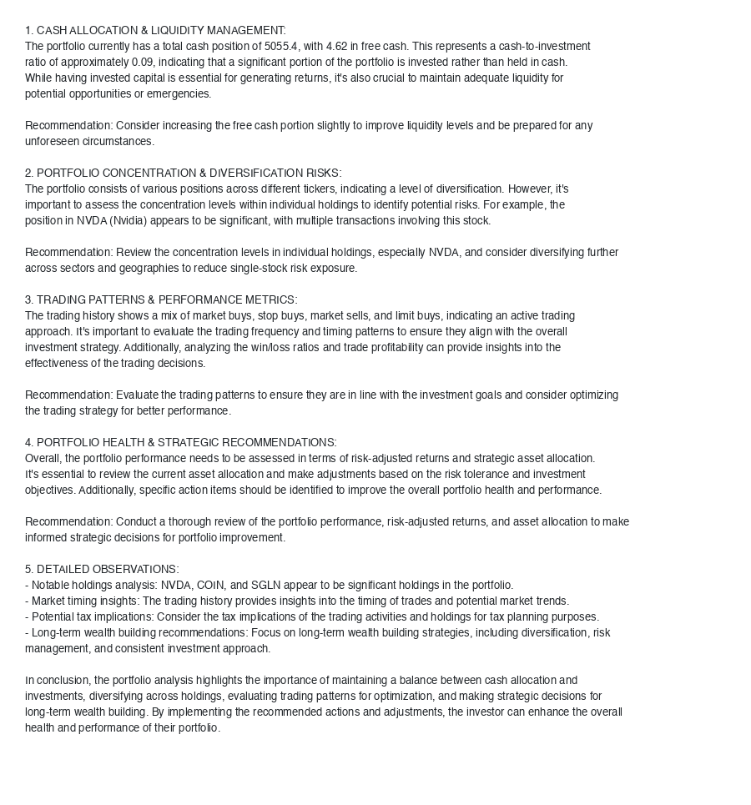
AI Portfolio Analysis & Recommendations

