Dashboard
SCROLL TO COLUMN K FOR SURVEY RESULTS |  |  |  |  |  |  |  |  |  |  |  |  |  |  | tblLakeMeasurements |  |  |  |  |  |  |  |  |  | tblLakes |  |  |  | tblLakeSources |  |  |  |  |  |  | tblLakeMeasurements (Secondary Only)
SCROLL TO COLUMN AR FOR LAKE MEASUREMENTS | Region | Feature List: |  |  | RespondantID | Region | FishingProximity | FishQuality | Feature List: |  |  |  |  |  | MeasurementID | LakeID | SourceID | HeavyMetalType | pHLevel | BiodiversityIndex | TurbidityNTU | Temperature | HeavyMetalConcentrationMicroµgL |  | LakeID | LakeName | Location |  | SourceID | DataType | SourceName | CollectionDate |  |  |  | MeasurementID | LakeID | SourceID | HeavyMetalType | pHLevel | BiodiversityIndex | TurbidityNTU | Temperature | HeavyMetalConcentrationMicroµgL
 | North | PivotTable |  |  | 1 | North | FALSE | FALSE | PivotTable |  |  |  |  |  | 0 | 0 | 0 | NULL | 0 | 0 | 0 | 0 | 0 |  | 0 | NULL | NULL |  | 0 | NULL | NULL | 2000-01-01 |  |  |  | 0 | 0 | 0 | NULL | 0 | 0 | 0 | 0 | 0
 | North | =COUNT' |  |  | 2 | North | FALSE | FALSE | =COUNT' |  |  |  |  |  | 1 | 1 | 1 | Lead | 7.11 | 0.31 | 10 | 27 | 2.11 |  | 1 | Greenvale Reservoir | North |  | 1 | Secondary | EPA-VBA | 2019-06-21 |  |  |  | 3 | 1 | 3 | Cadmium | 7.31 | 0.78 | 50 | 26.1 | 0.2
 | North | PivotGraph |  |  | 3 | North | FALSE | TRUE |  |  |  |  |  |  | 2 | 1 | 2 | Mercury | 7.17 | 0.31 | 25 | 25.5 | 1.4 |  | 2 | Jack Roper Reserve | North |  | 2 | Secondary | EPA-VBA | 2019-06-21 |  |  |  | 6 | 2 | 6 | Cadmium | 7.46 | 0.45 | 250 | 18.4 | 1.54
 | East | Region | Count of Region | Interpretation: Count of survey results, vast | 4 | East | TRUE | TRUE | Count of FP | Region |  |  |  |  | 3 | 1 | 3 | Cadmium | 7.31 | 0.78 | 50 | 26.1 | 0.2 |  | 3 | Ravenhill Reserve | North |  | 3 | Secondary | EPA-VBA | 2019-06-21 |  |  |  | 9 | 3 | 9 | Cadmium | 6.87 | 0.92 | 250 | 20.1 | 1.95
 | North | North | 23 | majority were sourced from northern suburbs | 5 | North | FALSE | TRUE | FishingProx* | North | East | West | City | Grand Total | 4 | 2 | 4 | Lead | 7.84 | 0.72 | 200 | 21 | 4.92 |  | 4 | Matthews Reserve | North |  | 4 | Primary | Experimenter | 2025-07-04 |  |  |  | 12 | 4 | 12 | Cadmium | 7.4 | 1.58 | 200 | 22 | 1.91
 | City | East | 10 | see below for further interpretation | 6 | City | TRUE | TRUE | FALSE | 16 | 6 | 3 |  | 25 | 5 | 2 | 5 | Mercury | 7.89 | 0.72 | 150 | 21.9 | 2.91 |  | 5 | St Clair Reserve | North |  | 5 | Primary | Experimenter | 2025-07-04 |  |  |  | 15 | 5 | 15 | Cadmium | 7.31 | 1.11 | 150 | 22.4 | 0.98
 | North | West | 7 |  | 7 | North | FALSE | TRUE | TRUE | 7 | 4 | 4 | 1 | 16 | 6 | 2 | 6 | Cadmium | 7.46 | 0.45 | 250 | 18.4 | 1.54 |  | 6 | Lake Mcivor Reserve | North |  | 6 | Secondary | EPA-VBA | 2019-06-21 |  |  |  | 18 | 6 | 18 | Cadmium | 6.99 | 4.78 | 50 | 18.1 | 0.74
 | East | City | 1 |  | 8 | East | FALSE | FALSE | Grand Total | 23 | 10 | 7 | 1 | 41 | 7 | 3 | 7 | Lead | 6.98 | 1.32 | 350 | 19.3 | 5.13 |  | 7 | Cherry Lake Altona | West |  | 7 | Primary | Experimenter | 2025-07-04 |  |  |  | 21 | 7 | 21 | Cadmium | 8.13 | 0.98 | 250 | 25.5 | 3.53
 | West | Grand Total | 41 |  | 9 | West | TRUE | TRUE | Interpretation: Survey results about the proximity to industrial activity/urban development that the survey participants found, |  |  |  |  |  | 8 | 3 | 8 | Mercury | 7.02 | 1.32 | 250 | 22.3 | 2.43 |  | 8 | Albert Park Lake | City |  | 8 | Primary | Experimenter | 2025-07-04 |  |  |  | 24 | 8 | 24 | Cadmium | 6.77 | 2.41 | 200 | 25.4 | 3.84
 | North |  |  |  | 10 | North | FALSE | TRUE | vast majority of northern suburbs participants recorded proximity to industrial activity, link to graph below about fish stocking and distribution sites. |  |  |  |  |  | 9 | 3 | 9 | Cadmium | 6.87 | 0.92 | 250 | 20.1 | 1.95 |  | 9 | Wildlife Lake | East |  | 9 | Secondary | EPA-VBA | 2019-06-21 |  |  |  | 27 | 9 | 27 | Cadmium | 7.08 | 3.02 | 10 | 19.5 | 0.43
North makes up the majority of survey 'Regions'
 | Total
North | 23
East | 10
West | 7
City | 1
 | North |  |  |  | 11 | North | FALSE | TRUE |  |  |  |  |  |  | 10 | 4 | 10 | Lead | 7.14 | 1.52 | 250 | 24.5 | 3.22 |  | 10 | Newport Lakes Reserve | West |  | 10 | Primary | Experimenter | 2025-07-04 |  |  |  | 30 | 10 | 30 | Cadmium | 7.02 | 3.82 | 25 | 19.7 | 3.98
 | East |  |  |  | 12 | East | TRUE | FALSE |  |  |  |  |  |  | 11 | 4 | 11 | Mercury | 7.03 | 1.52 | 250 | 24.1 | 2.01 |  | 11 | Andersons Swamp | West |  | 11 | Primary | Experimenter | 2025-07-04 |  |  |  | 33 | 11 | 33 | Cadmium | 6.76 | 1.69 | 400 | 21.7 | 1.02
 | North |  |  |  | 13 | North | FALSE | TRUE |  |  |  |  |  |  | 12 | 4 | 12 | Cadmium | 7.4 | 1.58 | 200 | 22 | 1.91 |  |  |  |  |  | 12 | Secondary | EPA-VBA | 2019-06-21
 | North |  |  |  | 14 | North | TRUE | FALSE |  |  |  |  |  |  | 13 | 5 | 13 | Lead | 7.22 | 1.74 | 150 | 20.6 | 3.83 |  |  |  |  |  | 13 | Primary | Experimenter | 2025-07-04
 | West |  |  |  | 15 | West | FALSE | FALSE |  |  |  |  |  |  | 14 | 5 | 14 | Mercury | 7.12 | 1.74 | 120 | 19.8 | 1.88 |  |  |  |  |  | 14 | Primary | Experimenter | 2025-07-04
 | West |  |  |  | 16 | West | FALSE | TRUE |  |  |  |  |  |  | 15 | 5 | 15 | Cadmium | 7.31 | 1.11 | 150 | 22.4 | 0.98 |  |  |  |  |  | 15 | Secondary | EPA-VBA | 2019-06-21
 | East |  |  |  | 17 | East | FALSE | TRUE |  |  |  |  |  |  | 16 | 6 | 16 | Lead | 7.01 | 5.88 | 25 | 19.2 | 2.39 |  |  |  |  |  | 16 | Primary | Experimenter | 2025-07-11
 | North |  |  |  | 18 | North | FALSE | TRUE |  |  |  |  |  |  | 17 | 6 | 17 | Mercury | 7.04 | 5.88 | 100 | 19.8 | 1.04 | TABLE EXTRACTIONS FOUND HERE |  |  |  |  | 17 | Primary | Experimenter | 2025-07-11
 | North |  |  |  | 19 | North | FALSE | TRUE |  |  |  |  |  |  | 18 | 6 | 18 | Cadmium | 6.99 | 4.78 | 50 | 18.1 | 0.74 |  |  |  |  |  | 18 | Secondary | EPA-VBA | 2017-06-28
 | East |  |  |  | 20 | East | FALSE | FALSE |  |  |  |  |  |  | 19 | 7 | 19 | Lead | 8.43 | 0.9 | 300 | 26.8 | 9.71 |  |  |  |  |  | 19 | Secondary | EPA-VBA | 2017-06-28
 | North |  |  |  | 21 | North | TRUE | TRUE |  |  |  |  |  |  | 20 | 7 | 20 | Mercury | 8.32 | 0.9 | 350 | 27.2 | 6.59 |  |  |  |  |  | 20 | Secondary | EPA-VBA | 2017-06-28
 | West |  |  |  | 22 | West | TRUE | TRUE |  |  |  |  |  |  | 21 | 7 | 21 | Cadmium | 8.13 | 0.98 | 250 | 25.5 | 3.53 |  |  |  |  |  | 21 | Secondary | EPA-VBA | 2017-06-28
 | North | Interpretation: Wherein most of lake measurements were taken, from northern |  |  | 23 | North | FALSE | TRUE |  |  |  |  |  |  | 22 | 8 | 22 | Lead | 6.67 | 1.25 | 150 | 25.7 | 7.45 |  |  |  |  |  | 22 | Primary | Experimenter | 2025-07-13
 | North | surburb lakes, the survey results also were sourced mostly from the northerns surburbs |  |  | 24 | North | FALSE | FALSE |  |  |  |  |  |  | 23 | 8 | 23 | Mercury | 6.82 | 1.25 | 100 | 23.4 | 9.43 |  |  |  |  |  | 23 | Primary | Experimenter | 2025-07-13
 | North | link to other graph about fish stocking and distribution sites |  |  | 25 | North | FALSE | TRUE |  |  |  |  |  |  | 24 | 8 | 24 | Cadmium | 6.77 | 2.41 | 200 | 25.4 | 3.84 |  |  |  |  |  | 24 | Secondary | EPA-VBA | 2017-06-28
 | East |  |  |  | 26 | East | FALSE | FALSE |  |  |  |  |  |  | 25 | 9 | 25 | Lead | 7.14 | 3.43 | 50 | 19.2 | 3.98 |  |  |  |  |  | 25 | Primary | Experimenter | 2025-07-20
 | East |  |  |  | 27 | East | TRUE | FALSE |  |  |  |  |  |  | 26 | 9 | 26 | Mercury | 7.02 | 3.43 | 25 | 22.3 | 1.04 |  |  |  |  |  | 26 | Primary | Experimenter | 2025-07-20
 | East |  |  |  | 28 | East | FALSE | TRUE |  |  |  |  |  |  | 27 | 9 | 27 | Cadmium | 7.08 | 3.02 | 10 | 19.5 | 0.43 |  |  |  |  |  | 27 | Secondary | EPA-VBA | 2017-06-28
 | North |  |  |  | 29 | North | TRUE | TRUE |  |  |  |  |  |  | 28 | 10 | 28 | Lead | 7.99 | 3.17 | 25 | 18.9 | 4.53 |  |  |  |  |  | 28 | Primary | Experimenter | 2025-07-23
 | West |  |  |  | 30 | West | TRUE | TRUE |  |  |  |  |  |  | 29 | 10 | 29 | Mercury | 7.19 | 3.17 | 50 | 16.7 | 4.12 |  |  |  |  |  | 29 | Primary | Experimenter | 2025-07-23
 | North |  |  |  | 31 | North | FALSE | TRUE |  |  |  |  |  |  | 30 | 10 | 30 | Cadmium | 7.02 | 3.82 | 25 | 19.7 | 3.98 |  |  |  |  |  | 30 | Secondary | EPA-VBA | 2017-06-28
 | North |  |  |  | 32 | North | TRUE | TRUE |  |  |  |  |  |  | 31 | 11 | 31 | Lead | 6.47 | 0.9 | 650 | 23.3 | 7.62 |  |  |  |  |  | 31 | Primary | Experimenter | 2025-07-23
 | North |  |  |  | 33 | North | FALSE | FALSE |  |  |  |  |  |  | 32 | 11 | 32 | Mercury | 6.39 | 0.9 | 550 | 24.4 | 5.56 |  |  |  |  |  | 32 | Primary | Experimenter | 2025-07-23
 | North |  |  |  | 34 | North | TRUE | TRUE |  |  |  |  |  |  | 33 | 11 | 33 | Cadmium | 6.76 | 0.69 | 400 | 21.7 | 1.02 |  |  |  |  |  | 33 | Secondary | EPA-VBA | 2017-06-28
Metal Concentration by Biodiversity Index Scatterplot
 | North |  |  |  | 35 | North | TRUE | TRUE |  |  |  |  |  |  |  |  |  |  |  | Interpretation: little correlation found between heavy metal index and biodiversity, but it does affect other factors that affect biodiversity, probable inaccuracy
 | East |  |  |  | 36 | East | FALSE | FALSE |  |  |  |  |  |  |  |  | Metal/Biodiv | Weak | -0.23428439927 | Function used: '=CORREL('
 | West |  |  |  | 37 | West | TRUE | TRUE |  |  |  |  |  |  |  |  | Metal/Temp. | Moderate-Weak | 0.30859853041
 | West |  |  |  | 38 | West | FALSE | FALSE |  |  |  |  |  |  |  |  | Metal/Turbidity | Moderate | 0.40730646595 |  |  |  |  |  | LakeName | HeavyMetalType | TurbidityNTU | Temperature | HeavyMetalConcentrationMicroµgL | BiodiversityIndex
 | North |  |  |  | 39 | North | TRUE | TRUE |  |  |  |  |  |  |  |  | Metal/pHLevel | Weak | 0.14571763097 |  |  |  |  |  | Greenvale Reservoir | Lead | 10 | 27 | 2.11 | 0.31
 | North |  |  |  | 40 | North | FALSE | TRUE |  |  |  |  |  |  |  |  | Biodiv/Turbidity | Moderate | -0.4792244547 |  |  |  |  |  | Greenvale Reservoir | Mercury | 25 | 25.5 | 1.4 | 0.31
 | East |  |  |  | 41 | East | TRUE | TRUE |  |  |  |  |  |  |  |  | Biodiv/pHLevel | Weak | -0.16734739794 |  |  |  |  |  | Greenvale Reservoir | Cadmium | 50 | 26.1 | 0.2 | 0.78
 |  |  |  |  |  |  |  |  |  |  |  |  |  |  |  |  | Biodiv/Temp. | Moderate | -0.56322832746 |  |  |  |  |  |  |  | 28.333333333 | 26.2 |  | 0.46666666667
 |  |  |  |  |  |  |  |  |  |  |  |  |  |  |  |  |  |  |  |  |  |  |  |  |  |  | Function used: '=AVERAGE()'
 |  |  |  |  |  |  |  |  |  |  |  |  |  |  |  |  | (Secondary correlations) |  |  | Interpretation: Very little correlation again found between heavy metal index and |  |  |  |  | LakeName | HeavyMetalType | TurbidityNTU | Temperature | HeavyMetalConcentrationMicroµgL | BiodiversityIndex | 0.31 | 0.9 | 5.88 | Biodiversity Index Averages
 |  |  |  |  |  | Interpretation: Estimate 4.2 Million potential fishers in Australia that could be affected by consuming |  |  |  |  |  |  |  |  |  |  | Metal/Biodiv | Very Weak | 0.095579736675 | everything else, moderate correlation between biodiversity index and other factors, |  |  |  |  | Greenvale Reservoir | Lead | 28.333333333 | 26.2 | 2.11 | 0.46666666667 | 0.31 | 0.9 | 5.88
 |  |  |  |  |  | heavy metals via proxy, potential risk and health crisis, exaggerate. |  |  |  |  |  |  |  |  |  |  | Metal/Temp. | Weak | 0.24288489976 | suggests error in handling or collecting data or an outdated data since data was collected |  |  |  |  | Greenvale Reservoir | Mercury | 28.333333333 | 26.2 | 1.4 | 0.46666666667 | 0.78 | 0.98 | 4.78
 |  |  |  |  |  |  |  |  |  |  |  |  |  |  |  |  | Metal/Turbidity | Weak | 0.15153380651 | by the EPA/VBA pre covid even compared to my later measurements. |  |  |  |  | Greenvale Reservoir | Cadmium | 28.333333333 | 26.2 | 0.2 | 0.46666666667 | 0.467 | 0.92666666667 | 5.5133333333
 |  |  |  |  |  |  |  |  |  |  |  |  |  |  |  |  | Metal/pHLevel | Weak | 0.13057748599
 |  |  |  |  |  |  | Interpretation: Link to first graph about 4.2 Million people in AU fishing, showcase process of consuming Heavy metals via proxy |  |  |  |  |  |  |  |  |  | Biodiv/Turbidity | Moderate | -0.56451705699
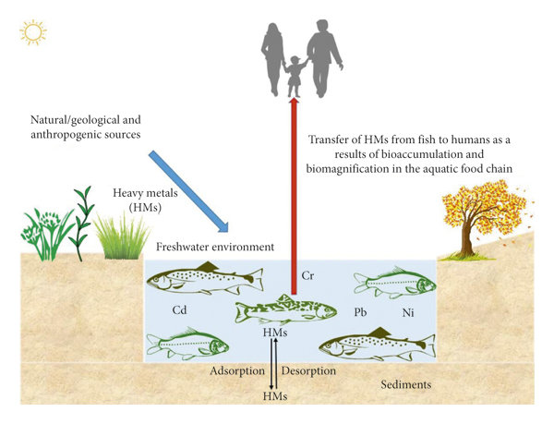
Field: Temperature and Field: Biodiversity Index appear highly correlated.
 |  |  |  |  |  |  |  |  |  |  |  |  |  |  |  |  | Biodiv/pHLevel | Moderate | -0.43243309359 |  |  |  |  |  | LakeName | HeavyMetalType | HeavyMetalConcentrationMicroµgL | BiodiversityIndex |  |  | LakeName |  | BiodiversityIndex
 |  |  |  |  |  |  |  |  |  |  |  |  |  |  |  |  | Biodiv/Temp. | Moderate | -0.43578290317 |  |  |  |  |  | Greenvale Reservoir | Lead | 2.11 | 0.467 |  |  | Greenvale Reservoir |  | 0.467
 |  |  |  |  |  |  |  |  |  |  |  |  |  |  |  |  |  |  |  |  |  |  |  |  | Greenvale Reservoir | Mercury | 1.4 | 0.467 |  |  | Cherry Lake Altona |  | 0.927
 |  |  |  |  |  |  |  |  |  |  |  |  |  |  |  |  |  |  |  |  |  |  |  |  | Greenvale Reservoir | Cadmium | 0.2 | 0.467 |  |  | Lake Mcivor Reserve |  | 5.513 | (Averaged)

'Heavy Metal Concentration µg/L' for Greenvale Res.
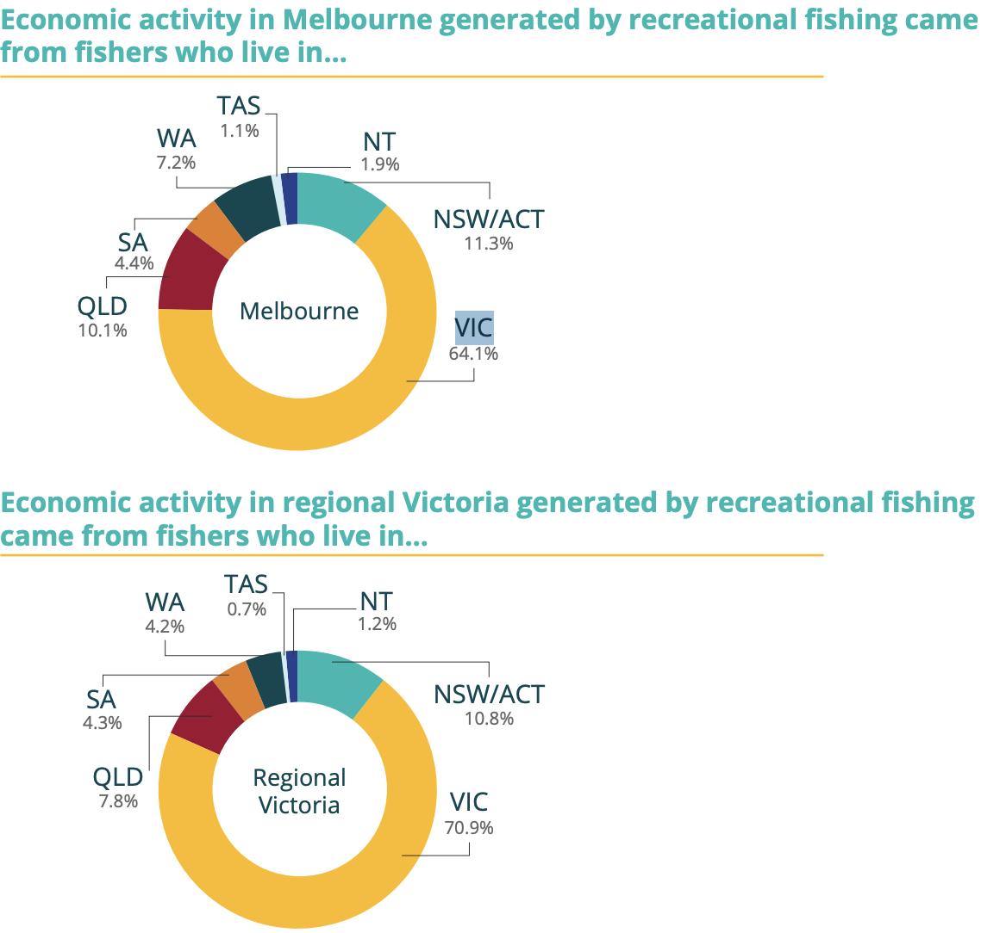

 |  |  |  |  |  |  |  |  |  |  |  |  |  |  |  |  |  |  |  |  |  |  |  |  |  |  |  |  |  |  |  |  |  |  |  |  |  |  | Lake McIvor
 |  |  |  |  |  |  |  |  |  |  |  |  |  |  |  |  |  |  |  |  |  |  |  |  |  |  |  |  |  |  |  |  |  |  |  |  |  |  |  | Cherry Lake Alton
 |  |  |  |  |  |  |  |  |  |  |  |  |  |  |  |  |  |  |  |  |  |  |  |  |  |  |  |  |  |  |  |  |  |  |  |  |  |  |  |  | Greenvale Reservoir

 |  |  |  |  |  |  |  |  |  |  |  |  |  |  |  |  |  |  |  |  |  |  |  |  |  |  |  |  |  |  |  |  |  |  | L | C | G |  | L | C | G
 |  |  |  |  |  |  |  |  |  |  |  |  |  |  |  |  |  |  |  |  |  |  |  |  | Interpretation: this is inline with Greenvale Reservoir's role as a safe water drinking site, link to other data about it's lack of biodiversity |  |  |  |  |  |  |  |  |  | 25 | 300 | 10 |  | 2.39 | 9.71 | 2.11
 |  |  |  |  |  |  |  |  |  |  |  |  |  |  |  |  |  |  |  |  |  |  |  |  | but low turbidity values that would otherwise support it's fish habitation, due to it being treated with chemicals regularly |  |  |  |  |  |  |  |  |  | 100 | 350 | 25 |  | 1.04 | 6.59 | 1.4
'Biodiversity Index' for 3 lake extremes in their area
 |  |  |  |  |  |  |  |  |  |  |  |  |  |  |  |  |  |  |  |  |  |  |  |  |  |  |  |  |  |  |  |  |  |  | 50 | 250 | 50 |  | 0.74 | 3.53 | 0.2
 |  |  |  |  |  |  | Interpretation: Fish stocking and distribution sites for fish in Victoria, Latitude y, Longitutde x, Fish sites primarily found in Melbourne's north and the north of Victoria |  |  |  |  |  |  |  |  |  |  |  |  |  |  |  |  |  |  |  |  |  |  |  |  |  |  |  | 58.333333333 | 300 | 28.333333333 |  | 1.39 | 6.61 | 1.2366666667 | Averages
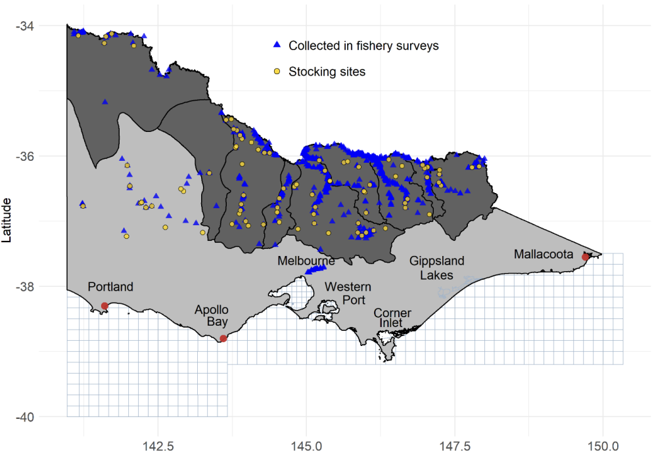
 |  |  |  |  |  |  |  |  |  |  |  |  |  |  |  |  |  |  |  |  |  |  |  |  |  |  |  |  |  |  | LakeName | BiodiversityIndex | TurbidityNTU | HeavyMetalConcentrationMicroµgL
 |  |  |  |  |  |  |  |  |  |  |  |  |  |  |  |  |  |  |  |  |  |  |  |  |  |  |  |  |  |  | Greenvale Reservoir | 0.467 | 28.3 | 1.23
 |  |  |  |  |  |  |  |  |  |  |  |  |  |  |  |  |  |  |  |  |  |  |  |  |  |  |  |  |  |  | Cherry Lake Altona | 0.927 | 300 | 6.61
 |  |  |  |  |  |  |  |  |  |  |  |  |  |  |  |  |  |  |  |  |  |  |  |  |  |  |  |  |  |  | Lake Mcivor Reserve | 5.513 | 58.3 | 1.39

 |  |  |  |  |  |  |  |  |  |  |  |  |  |  |  |  |  |  |  |  |  |  |  |  | Interpretation: the biodiversity index for every extreme in their own respective area and Greenvale reservoir for comparison, compared to other data
 |  |  |  |  |  |  |  |  |  |  |  |  |  |  |  |  |  |  |  |  |  |  |  |  | Greenvale reservoir despite having lower turbidity and heavy metal concentration/

 | Interpretation: Highlight the majority impact of the problem, most impacted by this issue are located in
 | Victoria, where all of the data was retrieved, link back to retrieval of data for credibility.

