Hoja1
CAPITAL COSTS
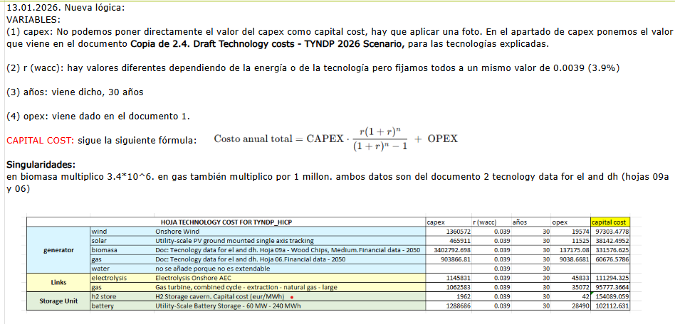

 |  |  |  | capex | r(wacc) | años | (OPEX) | capital cost
 | Links | SRES_electrolysis |  |  | 0.039 | 30
 |  | SRES_excedentes |  |  | 0.039 | 30
 |  | electrolysis | Electrolysis Onshore AEC | 1145831 | 0.039 | 30 | 45833 | 111294.32456
 |  | gas | Gas turbine, combined cycle - extraction - natural gas - large | 1062583 | 0.039 | 30 | 35072 | 95777.366351
 |  |  |  |  | 0.039 | 30
 |  |  |  |  | 0.039 | 30

