Job Locations
Most Common Job Locations
Location | Count
Toronto | 101
Mississauga | 34
Ottawa | 19
London | 8
Brampton | 8
Concord | 6
Vaughan | 5
Guelph | 5
Windsor | 5
Oakville | 5
Waterloo | 5
Midtown Toronto | 5
Markham | 4
Aurora | 3
Burlington | 2
Kitchener | 2
North York | 2
Milton | 2
Kincardine | 2
Thornhill | 2
Woodbridge | 2
Hamilton | 2
Scarborough | 1
Bolton | 1
Barrie | 1
Georgetown | 1
Halton Hills | 1
Oshawa | 1
St. Catharines | 1
Whitby | 1
Cambridge | 1
Port Perry | 1
Lindsay | 1
Fort Erie | 1
Thunder Bay | 1
Greater Sudbury | 1
Etobicoke | 1

Title Salary Distribution
Average Salary by Job Title
Title | Upper Salary
2024 Cfo, Fall Data Analyst, Financial Resource Optimization (8 Months) | 90000
Access Utilization Analyst (Powerbi) | 100000
Admissibility Analyst | 70000
Agricultural Statistical Analyst | 101000
Analyst | 93000
Analyst (Hybrid Role) | 80000
Analyst Ii, Strategic Insights | 65000
Analyst, Business Analytics | 68000
Analyst, Business Operations | 95000
Analyst, Digital Operations & Display | 62000
Analyst, Industrial Engineering | 91000
Analyst, Information Quality | 130000
Analyst, Low-Rise Asset Management | 120000
Analyst, Planning And Forecasting | 61000
Analyst, Primary Health Care Standards Development | 130000
Analyst, Revenue Management - Pricing | 93000
Analyst- People And Performance (Hr) | 87000
Analytics Analyst/Developer | 97000
Asset Management Consultant And Data Analyst | 84000
Assistant Load Analyst University Co-Op Student | 74000
Big Data Analyst | 110000
Business Analyst | 92687.5
Business Analyst ( Data Mining ) | 100000
Business Analyst (12-Month Term) | 98000
Business Analyst (Contract) | 125000
Business Analyst (Derivatives) | 100000
Business Analyst - Development Operations And Validation - W2 | 118000
Business Analyst - Edi | 46000
Business Analyst - Senior | 97000
Business Analyst -Tlm | 100000
Business Analyst 0107-0915 | 85000
Business Analyst Capital Market | 100000
Business Analyst Expert - Climate Risk | 95000
Business Analyst, Customer Impact | 100000
Business Analyst, Enterprise Project Management Office | 69000
Business Analyst, Enterprise Project Managemt Office | 74000
Business Analyst, Hr | 53000
Business Analyst, Product Management (Askuity Division) | 84000
Business Analyst, Supplier Engagement (Askuity Division) | 84000
Business Analyst/Quality Assurance Specialist | 80000
Business Analytics Analyst | 73000
Business Applications Analyst | 91000
Business Data Analyst | 100250
Business Data Analyst, Product | 100000
Business Development Data Analyst - Remote Work | 110000
Business Intelligence Analyst | 82000
Business Intelligence Analyst (On) | 87000
Business Intelligence Analyst Ii, Transportation | 110000
Business Management Analyst | 85000
Business Operations Analyst | 106000
Business System Analyst | 110000
Business System Analyst (Contract) | 125000
Business Systems Analyst | 89000
Business Systems Analyst - Cha Learning | 90000
Category Business Analyst ( Evergreen) | 63000
Ceridian Implementation - Data Analyst - 1 Year Contract | 90000
Climate Action Analyst | 79000
Cogito Business Intelligence Analyst | 79000
Commercial Credit Analyst | 70000
Data Analyst | 79666.666667
Data Analyst (Dad/Nacrs Coder) - Decision Support - Temporary Full-Time 2024-7887 | 78000
Data Analyst (Level 2) | 90000
Data Analyst (Programming Team) | 80000
Data Analyst - Informatics And Systems | 96666.666667
Data Analyst - Kenwave Solutions Inc. | 66000
Data Analyst / Business Analyst | 60000
Data Analyst, 6 - 12 Month Contract | 120000
Data Analyst, Child Health Evaluative Sciences | 96000
Data Analyst, Construction | 77000
Data Analyst, Defined Benefits Administration, (12 Month Contract) | 71000
Data Analyst, Product | 96000
Data And Reporting Analyst | 62000
Data Integration Analyst | 131000
Data Management & Governance Analyst/ Specialist | 100000
Data Migration Analyst | 90000
Data Product Analyst, Fall 2024 - Toronto (Co-Op/Internship) - 4 Months | 95000
Data System Engineer - Analyst | 92000
Data Warehouse Business Systems Analyst With Insurance Domain Experience | 83000
Database Administrator Analyst | 88000
Database Administrator And Data Governance Analyst | 95000
Developer / Data Analyst | 100000
E-Commerce Analyst | 85000
Economic Analyst | 100000
Evaluation Survey Coordinator & Data Analyst (12-Month Mat Leave Coverage) | 96000
Fall 2024 - Advisory Analyst Co-Op - Mississauga | 90000
Fall 2024 Co-Op: Business Analyst (4 Months) | 96000
First Nations / Inuit / Métis Junior Quality Assurance Analyst | 90000
Forecasting And Insights Analyst | 81000
Functional Erp Analyst | 101000
Gaming Data Analyst | 90000
Geophysicist/Data Analyst | 56000
Gis Analyst - Data | 102000
Gis Data Analyst | 98000
Health Records Data Analyst - Health Records (Cen) | 89000
Hr Analyst | 90000
Hr Business Analyst | 104000
Hris Analyst | 90000
Im Business Analyst | 102000
Integrity Analyst - Delivery | 87000
Intermediate Business Analyst | 82000
Intermediate Data And Security Analyst | 95000
International Tax & Transfer Pricing Analyst | 100000
Inventory Analyst | 62000
It Business Analyst | 114000
Jd Edwards Business Analyst | 45000
Jr. Analyst, Transportation | 119000
Junior Business Analyst | 100000
Logistic Engineering Analyst | 150000
Logistics Analyst | 58000
Logistics Pricing Analyst | 62000
Management Analyst | 92000
Manufacturing Analyst | 40000
Market Research & Budget Analyst | 64000
Market Research Analyst | 87000
Marketing Analyst (Summer Contract) | 65000
Marketing Data Analyst - Toronto | 122000
Master Data Control Analyst (15-Month Contract) | 90000
Merchandising Analyst | 56000
Operations & Business Analyst | 75000
Operations Analyst | 69000
Operations Data Analyst | 85000
Parts Inventory Analyst | 63000
Payments Business Analyst (Swift/Iso20022) | 95000
Payroll Data Analyst - Dayforce Implementation- 1 Year... | 90000
Pmo Analyst | 60000
Power Bi Developer 7474-1011 | 100000
Pricing Analyst | 83250
Privacy Analyst | 95000
Process And Performance Analyst, Product Supply | 111000
Programs Data Analyst | 85000
Project Controls Analyst / Reporting Analyst - Metrolinx, Ontario Line | 89000
Qa Analyst | 86000
Quality Engineering Analyst | 80000
Quality Engineering Analyst, Data | 118000
Quality Improvement Analyst | 114000
Quantitative Analyst, Pricing Derivatives | 125000
Referrals Only - Business Analyst/Business Systems Analyst | 135000
Reporting & Analytics Analyst | 84000
Research Analyst (New Grads 2024) | 81000
Research Analyst 2 | 80000
Retail Analyst | 59000
Retail Marketing/Pricing Analyst | 62000
Retail Merchandising And Inventory Analyst | 82000
Revenue Management Analyst - Inventory | 75000
Sales Operations Analyst (Hybrid) | 87000
Sales Reporting Analyst (Hybrid) | 82000
Sales/Category Analyst | 70000
Security Analyst I – 4 Month Co-Op/Internship (Fall 2024) | 60000
Senior Analyst - Media Effectiveness | 70000
Senior Analyst, Data Analytics & Reporting | 85000
Senior Analyst, Data And Analytics - Data Modeler | 85000
Senior Analyst, Product Analytics | 82000
Senior Analyst- Data & Analytics (Full-Time Temporary) | 82000
Senior Bi Analyst | 65000
Senior Business Analyst (Investment Management) | 50000
Senior Business Analyst - Automotive | 76000
Senior Business Analyst - Cba (Hybrid) | 81000
Senior Business Data Analyst | 68000
Senior Business Systems Analyst | 108500
Senior Data & Business Intelligence Analyst | 98000
Senior Data Analyst | 101125
Senior Data Analyst / Database Developer (Pl571) | 111000
Senior Data Analyst, Client Experience Insights - (Fixed Term) | 125000
Senior Data Analyst, Its | 98000
Senior Data Analyst, Lodging | 70000
Senior Data Integration Analyst | 93000
Senior Data Scientist - Data Visualization | 156000
Senior Digital Analyst | 52000
Senior Gaming Business Data Analyst | 100000
Senior Health Data Analyst | 100000
Senior Pension Business Analyst (Remote) | 94000
Settlement Analyst | 78000
Sr Category Analyst | 94000
Sr. Business Analyst | 75000
Sr. Business Information Analyst | 91000
Sr. Business Operations Analyst (Fixed Term Contract) - Remote | 80000
Sr. Data Analyst | 62000
Sr. Data Analyst (Renal & Oncology Program) | 85000
Sr. Data Analyst, Risk | 90000
Statistical Analyst | 101000
Statistical Programmer Analyst | 122000
Strategic Risk Growth Analyst | 90000
Strategic Sourcing Analyst | 78000
Student, Data Analyst (Fall 2024) | 77000
Supply Chain Analyst | 66166.666667
Supply Chain Senior Analyst | 65000
Survey Data Analyst | 72000
Technical Systems Analyst | 81000
Transportation Systems Analyst | 81000
Variable Data Programmer - Analyst | 60000

Location Salary Sorted
Salaries from Lowest to Highest
Location | Upper Salary
Georgetown | 45000
Thunder Bay | 52000
Barrie | 65000
Bolton | 66000
North York | 67500
Kitchener | 69500
Etobicoke | 70000
Lindsay | 71000
London | 72250
Windsor | 74400
Brampton | 77000
Woodbridge | 78500
Markham | 79250
Hamilton | 80500
Whitby | 82000
Kincardine | 84000
Midtown Toronto | 84200
Guelph | 84600
Thornhill | 85000
Port Perry | 85000
Concord | 87500
Mississauga | 88882.352941
Aurora | 89000
Toronto | 90663.366337
Burlington | 92000
Ottawa | 93263.157895
Milton | 95000
Scarborough | 95000
St. Catharines | 95000
Cambridge | 97000
Greater Sudbury | 98000
Waterloo | 98400
Oakville | 99400
Fort Erie | 100000
Oshawa | 104000
Vaughan | 106200
Halton Hills | 114000

Job Ratings Distribution
Distribution of Job Ratings
Rating
5
4
4
4
4
4
4
3
4
4
4
4
5
3
4
4
4
3
4
4
4
4
4
4
4
4
5
4
4
3
4
4
4
4
4
4
4
4
4
4
4
3
4
3
4
3
4
4
3
4
1
5
4
5
4
4
4
4
4
4
5
4
3
3
4
4
3
4
4
4
4
4
5
4
3
4
4
3
5
3
4
4
4
3
4
4
4
4
4
4
4
4
4
4
4
4
4
3
3
4
4
4
4
4
4
4
4
3
4
4
4
4
4
4
4
3
4
4
4
3
3
4
5
3
3
4
4
3
4
4
3
4
4
2
3
4
4
3
4
3
4
5
3
4
3
4
4
4
3
4
4
4
3
2
4
5
3
3
3
5
4
3
4
4
4
4
4
3
4
4
3
4
4
4
4
3
4
3
4
4
4
4
4
5
4
4
2
3
4
2
4
3
4
4
4
3
4
4
4
4
4
4
4
5
4
4
4
4
3
4
4
4
4
3
4
3
4
4
3
4
4
3
4
3
4
4
4
4
4
3
3
4
4
4
4
4
3
4
4
4
4
4
4
3

Job Titles Distribution
Distribution of Job Titles
Title | Count
Business Analyst | 16
Data Analyst | 12
Senior Data Analyst | 8
Supply Chain Analyst | 6
Pricing Analyst | 4
Business Data Analyst | 4
Business System Analyst | 4
Business Systems Analyst | 3
Data Analyst - Informatics And Systems | 3
Operations Analyst | 2
Senior Business Systems Analyst | 2
Business Intelligence Analyst | 2
Logistics Analyst | 1
Hris Analyst | 1
Retail Analyst | 1
Quality Improvement Analyst | 1
Senior Digital Analyst | 1
Retail Marketing/Pricing Analyst | 1
Senior Business Analyst (Investment Management) | 1
Merchandising Analyst | 1
Analyst, Revenue Management - Pricing | 1
Parts Inventory Analyst | 1
Senior Data Analyst, Its | 1
Senior Analyst, Product Analytics | 1
Analyst, Business Operations | 1
Analyst- People And Performance (Hr) | 1
Supply Chain Senior Analyst | 1
Cogito Business Intelligence Analyst | 1
Senior Data Scientist - Data Visualization | 1
Analyst, Information Quality | 1
Logistics Pricing Analyst | 1
Technical Systems Analyst | 1
International Tax & Transfer Pricing Analyst | 1
Logistic Engineering Analyst | 1
Senior Business Analyst - Automotive | 1
Business Development Data Analyst - Remote Work | 1
Senior Data Analyst, Lodging | 1
Revenue Management Analyst - Inventory | 1
Market Research Analyst | 1
Senior Pension Business Analyst (Remote) | 1
Sr. Data Analyst (Renal & Oncology Program) | 1
Sales/Category Analyst | 1
Business Analyst, Enterprise Project Managemt Office | 1
Analyst, Low-Rise Asset Management | 1
Strategic Sourcing Analyst | 1
Business Systems Analyst - Cha Learning | 1
Asset Management Consultant And Data Analyst | 1
Database Administrator And Data Governance Analyst | 1
Qa Analyst | 1
Access Utilization Analyst (Powerbi) | 1
Quantitative Analyst, Pricing Derivatives | 1
Ceridian Implementation - Data Analyst - 1 Year Contract | 1
Hr Business Analyst | 1
Jd Edwards Business Analyst | 1
Operations Data Analyst | 1
Statistical Programmer Analyst | 1
Referrals Only - Business Analyst/Business Systems Analyst | 1
Marketing Analyst (Summer Contract) | 1
Privacy Analyst | 1
Evaluation Survey Coordinator & Data Analyst (12-Month Mat Leave Coverage) | 1
Business Analyst, Supplier Engagement (Askuity Division) | 1
Security Analyst I – 4 Month Co-Op/Internship (Fall 2024) | 1
Statistical Analyst | 1
Research Analyst (New Grads 2024) | 1
Quality Engineering Analyst | 1
Business Analyst Expert - Climate Risk | 1
Business Analyst - Senior | 1
Senior Data Integration Analyst | 1
Settlement Analyst | 1
Fall 2024 - Advisory Analyst Co-Op - Mississauga | 1
Senior Analyst - Media Effectiveness | 1
Assistant Load Analyst University Co-Op Student | 1
Project Controls Analyst / Reporting Analyst - Metrolinx, Ontario Line | 1
Process And Performance Analyst, Product Supply | 1
Business Analyst - Development Operations And Validation - W2 | 1
Sales Operations Analyst (Hybrid) | 1
Data Warehouse Business Systems Analyst With Insurance Domain Experience | 1
Pmo Analyst | 1
Business Analyst, Enterprise Project Management Office | 1
Business Analyst, Product Management (Askuity Division) | 1
Analyst, Primary Health Care Standards Development | 1
Analyst Ii, Strategic Insights | 1
Strategic Risk Growth Analyst | 1
Intermediate Data And Security Analyst | 1
Manufacturing Analyst | 1
Sr. Business Analyst | 1
Senior Gaming Business Data Analyst | 1
Im Business Analyst | 1
Retail Merchandising And Inventory Analyst | 1
Analyst, Business Analytics | 1
Senior Business Analyst - Cba (Hybrid) | 1
2024 Cfo, Fall Data Analyst, Financial Resource Optimization (8 Months) | 1
Jr. Analyst, Transportation | 1
Sr. Business Operations Analyst (Fixed Term Contract) - Remote | 1
Business Applications Analyst | 1
Sr Category Analyst | 1
Business Analyst - Edi | 1
Agricultural Statistical Analyst | 1
Business Operations Analyst | 1
Analyst, Digital Operations & Display | 1
Fall 2024 Co-Op: Business Analyst (4 Months) | 1
Senior Bi Analyst | 1
Integrity Analyst - Delivery | 1
Business Analyst Capital Market | 1
Data Analyst, 6 - 12 Month Contract | 1
Sr. Data Analyst, Risk | 1
Junior Business Analyst | 1
Data Integration Analyst | 1
Business Data Analyst, Product | 1
Data Analyst (Level 2) | 1
Senior Data & Business Intelligence Analyst | 1
Data Analyst, Product | 1
Data Analyst, Construction | 1
Business Analyst, Customer Impact | 1
Gis Analyst - Data | 1
Business Analyst ( Data Mining ) | 1
Marketing Data Analyst - Toronto | 1
Research Analyst 2 | 1
Business Intelligence Analyst Ii, Transportation | 1
Business Analyst (Contract) | 1
Senior Data Analyst / Database Developer (Pl571) | 1
It Business Analyst | 1
Business Analyst (12-Month Term) | 1
Payroll Data Analyst - Dayforce Implementation- 1 Year... | 1
Business Analyst, Hr | 1
Senior Analyst, Data Analytics & Reporting | 1
Developer / Data Analyst | 1
Sr. Data Analyst | 1
Data Analyst, Child Health Evaluative Sciences | 1
Data Migration Analyst | 1
Analyst | 1
Student, Data Analyst (Fall 2024) | 1
Data Analyst / Business Analyst | 1
Survey Data Analyst | 1
Gis Data Analyst | 1
Data Analyst, Defined Benefits Administration, (12 Month Contract) | 1
Data And Reporting Analyst | 1
Business Analytics Analyst | 1
Gaming Data Analyst | 1
Data Analyst (Programming Team) | 1
E-Commerce Analyst | 1
Transportation Systems Analyst | 1
Operations & Business Analyst | 1
Reporting & Analytics Analyst | 1
Master Data Control Analyst (15-Month Contract) | 1
Sales Reporting Analyst (Hybrid) | 1
Data System Engineer - Analyst | 1
Senior Analyst, Data And Analytics - Data Modeler | 1
Business Analyst 0107-0915 | 1
Health Records Data Analyst - Health Records (Cen) | 1
Analyst, Planning And Forecasting | 1
Analyst (Hybrid Role) | 1
Analytics Analyst/Developer | 1
Sr. Business Information Analyst | 1
Business System Analyst (Contract) | 1
Data Management & Governance Analyst/ Specialist | 1
Big Data Analyst | 1
Business Analyst (Derivatives) | 1
Business Analyst/Quality Assurance Specialist | 1
Intermediate Business Analyst | 1
Hr Analyst | 1
Payments Business Analyst (Swift/Iso20022) | 1
First Nations / Inuit / Métis Junior Quality Assurance Analyst | 1
Business Management Analyst | 1
Management Analyst | 1
Senior Health Data Analyst | 1
Power Bi Developer 7474-1011 | 1
Database Administrator Analyst | 1
Economic Analyst | 1
Senior Data Analyst, Client Experience Insights - (Fixed Term) | 1
Data Product Analyst, Fall 2024 - Toronto (Co-Op/Internship) - 4 Months | 1
Forecasting And Insights Analyst | 1
Data Analyst - Kenwave Solutions Inc. | 1
Senior Business Data Analyst | 1
Analyst, Industrial Engineering | 1
Programs Data Analyst | 1
Market Research & Budget Analyst | 1
Geophysicist/Data Analyst | 1
Senior Analyst- Data & Analytics (Full-Time Temporary) | 1
Business Intelligence Analyst (On) | 1
Climate Action Analyst | 1
Data Analyst (Dad/Nacrs Coder) - Decision Support - Temporary Full-Time 2024-7887 | 1
Business Analyst -Tlm | 1
Inventory Analyst | 1
Quality Engineering Analyst, Data | 1
Category Business Analyst ( Evergreen) | 1
Variable Data Programmer - Analyst | 1
Admissibility Analyst | 1
Functional Erp Analyst | 1
Commercial Credit Analyst | 1

Company Job Counts
Number of Jobs Offered by Each Company
Company | Count
Atlantis It Group | 5
Cgi | 5
Royal Bank Of Canada | 3
Intelliware Development Inc. | 3
Sun Life | 3
Charger Logistics Inc | 3
Blazesoft | 3
Hydro One Networks Inc | 2
The Home Depot Canada | 2
Caa Club Group | 2
Porter Airlines Inc. | 2
Canadian Tire Corporation | 2
Sagen | 2
Itk | 2
Canadian Institute For Health Information | 2
Trevor Frances Recruitment | 2
Gowling Wlg | 2
Mckesson | 2
Nanometrics Inc | 2
Knix | 2
Bmo Financial Group | 2
Carfax | 2
Foilcon | 2
Autotrader.Ca | 2
The Group Master | 2
Mcan Mortgage Corporation | 2
Canadian Medical Protective Association | 2
Geotab | 2
Victaulic | 1
Dialpad | 1
City Of Oshawa | 1
Staples | 1
Systra | 1
City Of St. Catharines | 1
Avnan | 1
S&P Global | 1
Gm Blueplan Engineering | 1
Healthcarecan | 1
Foodtastic | 1
Yogen Früz | 1
Arctiq | 1
Sgs | 1
Messagepoint | 1
Wellington Catholic District School Board | 1
Home Trust Company | 1
Sonora Foods Ltd | 1
Scene+ | 1
Draiver | 1
Cell N Tell | 1
Lifelabs | 1
Public Health Ontario | 1
Jana Corporation | 1
Greybrook | 1
Vault Credit Corporation | 1
Bairesdev | 1
Hopper | 1
Halton Region | 1
The Minto Group | 1
Avenu Insights & Analytics | 1
Michael Garron Hospital | 1
The Pur Company Inc. | 1
Macewen Petroleum Inc. | 1
Snaplii Inc. | 1
Arz Fine Foods | 1
Info-Tech Research Group Inc. - Canada | 1
Harley-Davidson | 1
Crossmark | 1
Lbmx | 1
Egg Farmers Of Canada | 1
Jolera Inc. | 1
Baker Tilly Canada | 1
Rock Solid Supply | 1
Mitacs | 1
Intact | 1
Glen Dimplex Americas | 1
Mattamy Homes | 1
Capco | 1
Arthur Grand Technologies Inc | 1
Rodan Energy Solutions Inc. | 1
Hatch | 1
Dentsu Media | 1
Bantrel | 1
Mondelēz International | 1
Techprism.Inc | 1
Stryker Corporation | 1
Workplace Safety And Insurance Board | 1
Lindt & Sprungli | 1
Picton Mahoney Asset Management | 1
Stc Warehousing And Distribution Inc. | 1
Sporting Life Inc | 1
Emco Corporation | 1
Tcat Div Of Toromont Industries Ltd | 1
Applovin | 1
Fulland Logistics Ltd. | 1
Net Solutions India | 1
Pangeo Corporation | 1
Kraft Heinz Company | 1
The Celebrate Group. | 1
University Health Network | 1
Csl Silicones | 1
Mccain Foods Usa, Inc. | 1
Samsara | 1
Communications And Power Ind. Canada Inc | 1
Scian Services | 1
Affirm | 1
Englobe Corp. | 1
Vista | 1
Propel Holding Inc | 1
Messa | 1
Osl Retail Services Inc | 1
Canada Goose Inc. | 1
Roche | 1
Conestoga Meat Packers Ltd. | 1
Ocs | 1
Princeton It Services | 1
Benefit Cosmetics Services | 1
Dll | 1
West Fraser | 1
Weston Forest | 1
Carleton University | 1
Landsolutions Lp | 1
Sarku Japan | 1
Prodigy Education | 1
Woodland Mills | 1
Heartland Farm Mutual Inc. | 1
Achievers | 1
Norwest Community Health Centres | 1
Canadian Niagara Power Inc. | 1
Rideco | 1
Nuclear Promise X | 1
Versaterm | 1
Exl Services | 1
Intero Integrity | 1
Ibi Group | 1
Nmg Consulting | 1
Septodont | 1
Snaplii | 1
Fanduel | 1
Bsl Consulting Llc | 1
Mindshare | 1
Lifemark Health Group | 1
Student Price Card Ltd. | 1
Sickkids | 1
Peri | 1
Well Health Technologies Corp | 1
Carma Corp | 1
Uline | 1
Gds | 1
Mobis Parts Canada Corporation | 1
Loblaw Companies Limited | 1
Pinchin Ltd. | 1
Axis Database Marketing | 1
Gallagher | 1
The Empire Life Ins. Co | 1
Snappay Inc. | 1
Accuenergy (Canada) Inc. | 1
Invafresh | 1
University Of Toronto | 1
Relay Financial | 1
Aecon Group | 1
Virox Technologies Inc. | 1
Ivey Business School Foundation | 1
Kia Canada Inc | 1
Sander Geophysics | 1
Ontario Shores Centre For Mhs | 1
Quadreal | 1
Sunnybrook Health Sciences Centre | 1
Hisense Canada | 1
Definity Financial Corporation | 1
Formost Mediaone | 1
Tjx Canada | 1
Benchsci | 1
Waterford Executive | 1
Waterford | 1
Toronto Hydro | 1
Snappay | 1
Ovma | 1
Havergal College | 1
Scarborough Health Network | 1
Walmart Canada | 1
Tjene Corp | 1
Shoppers Drug Mart / Pharmaprix | 1
Docebo | 1
Kenaidan | 1
Emd Serono | 1
Csi Consulting | 1
The Corporation Of The City Of Markham | 1
Landsolutions Inc | 1
The College Of Family Physicians Of Canada | 1
Pagerduty | 1
City Of Toronto | 1
Acv Auctions | 1
Paralucent | 1
Pinnacle Career Network | 1
Dbrand | 1
Hts Engineering - Heat Transfer Solutions | 1
Fix Network | 1
Payments Canada | 1
Tim Hortons | Company #4020653 | 1
Ground Effects Ltd | 1
Questrade Financial Group | 1
Pepsico | 1
Wave | 1
Air Canada | 1
Ic Savings | 1

Toronto Salary Stats
Toronto Data Analyst Salary Stats
City | Average Salary | Lowest Salary | Highest Salary
Toronto | 93000 | 60000 | 125000

EDA Summary
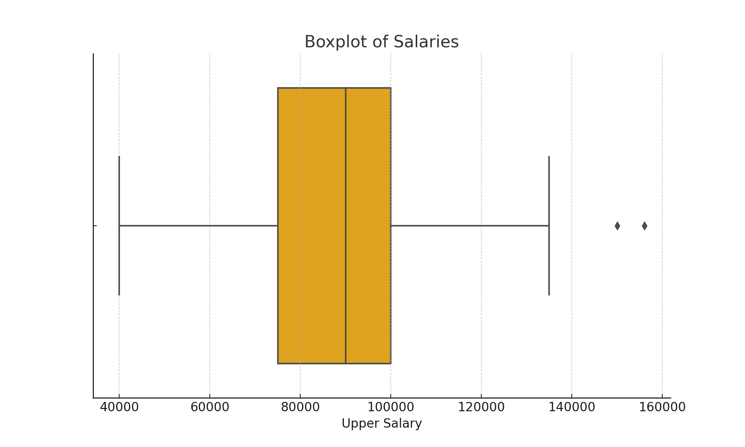
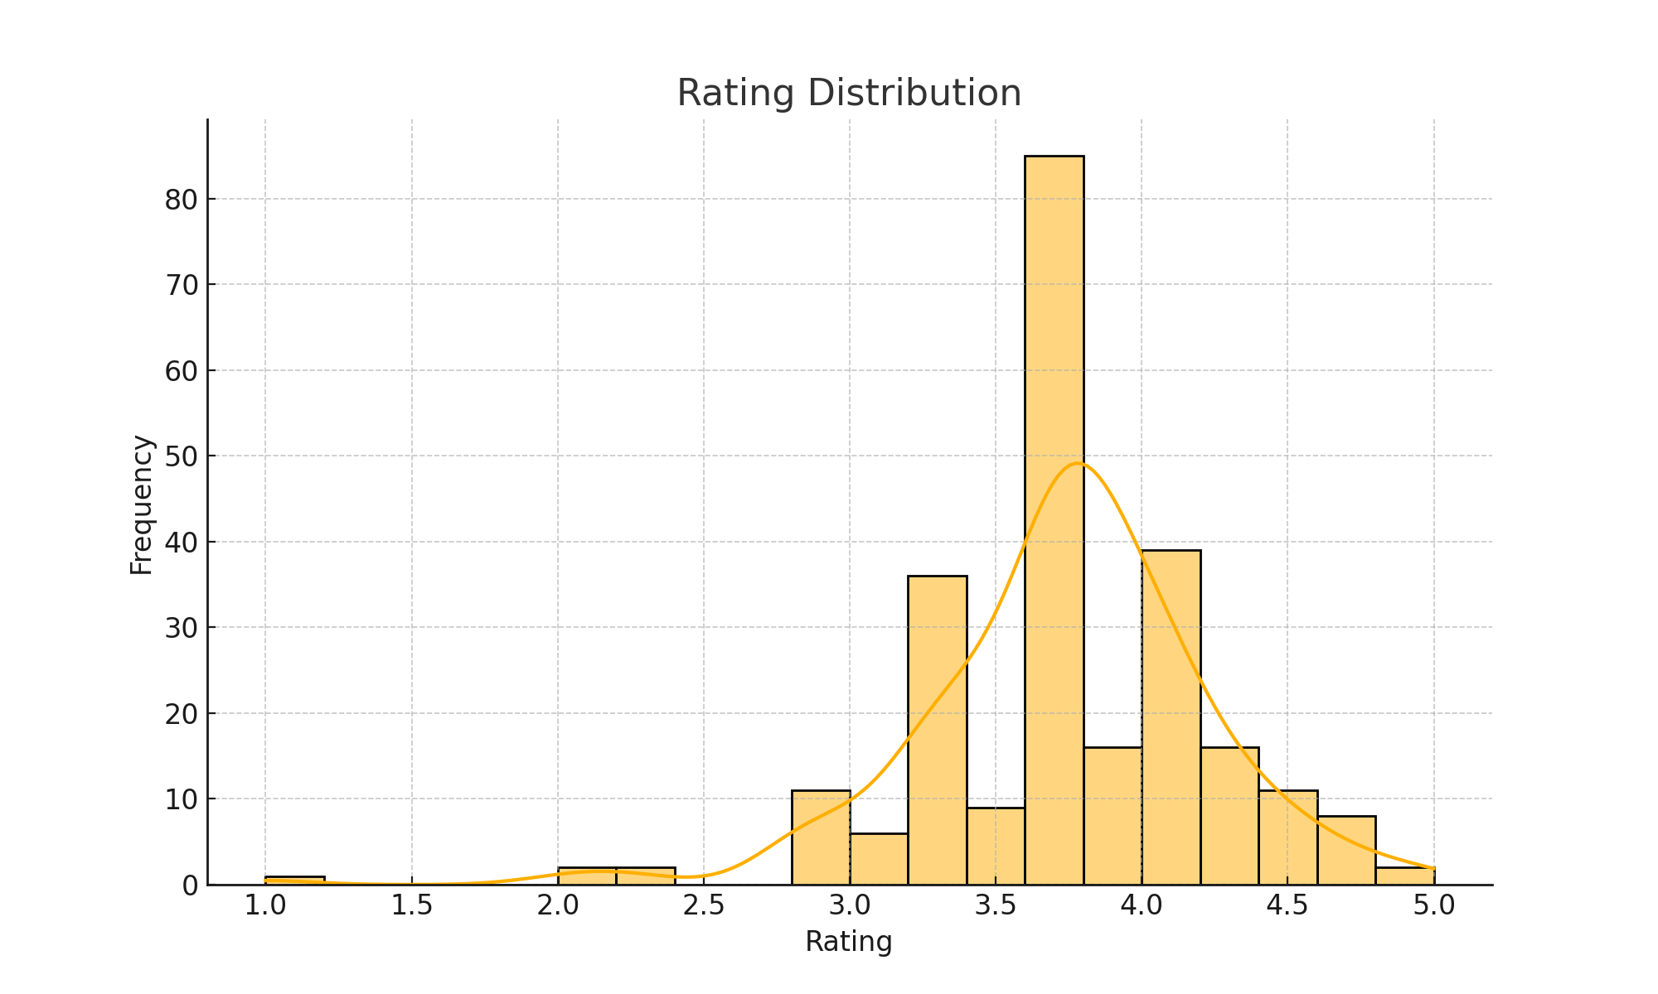
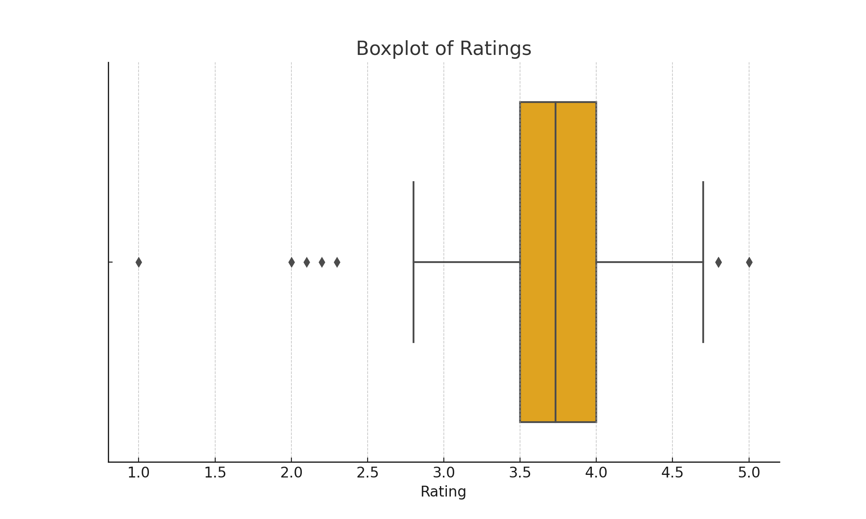
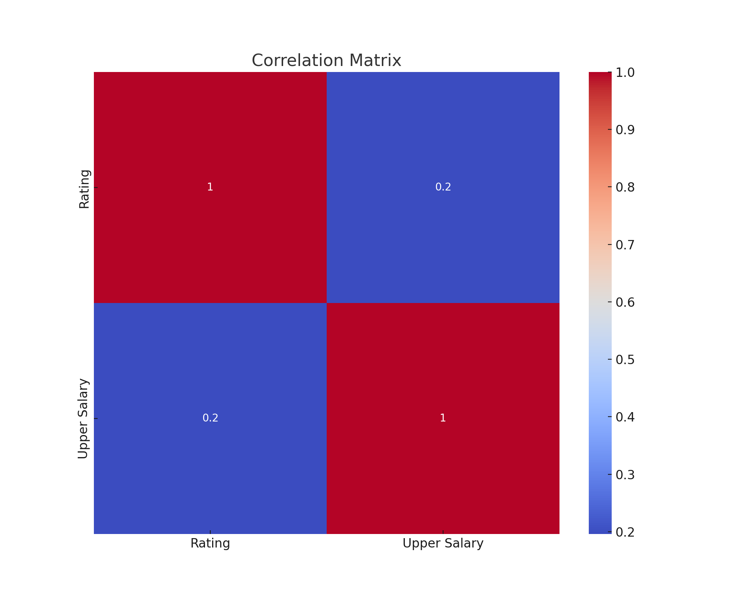
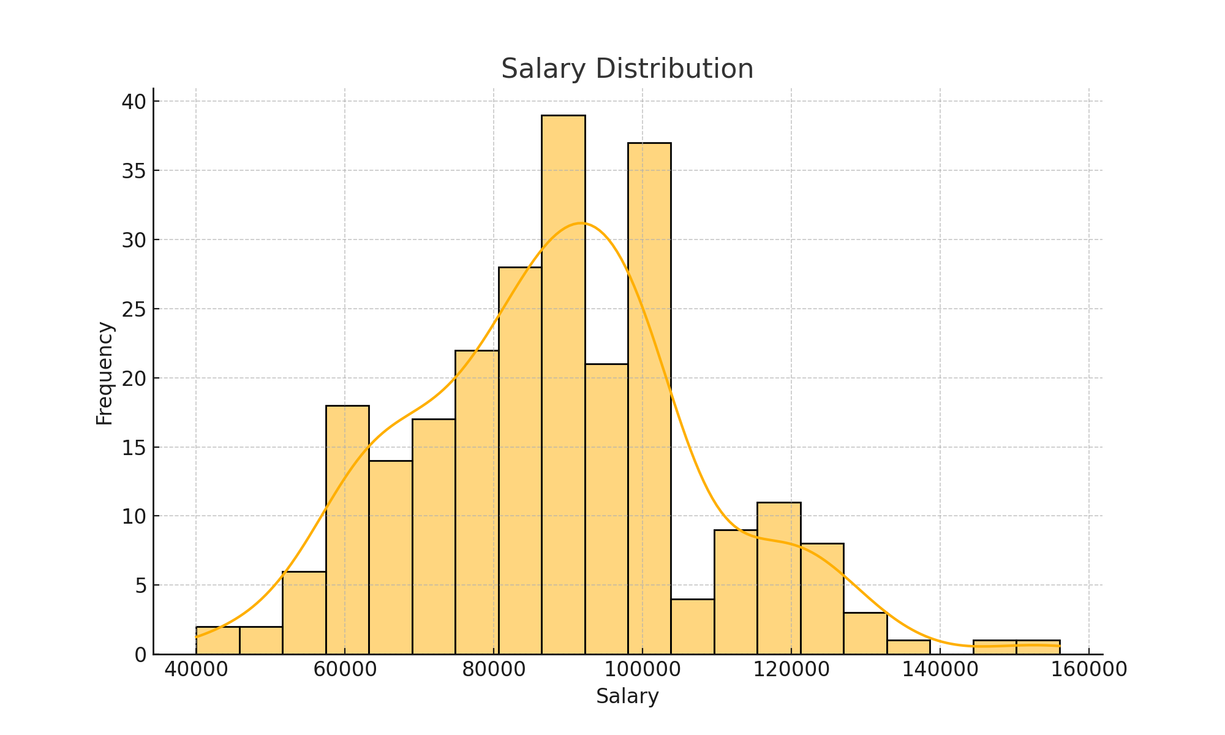
 | Rating | Upper Salary

count | 244 | 244
mean | 3.7334801762 | 88250
std | 0.50063971694 | 19456.160491
min | 1 | 40000
25% | 3.5 | 75000
50% | 3.7334801762 | 90000
75% | 4 | 100000
max | 5 | 156000

