Truss Info
 |  | STV Incorporated |  |  |  | CLIENT | MassDOT |  |  |  | STV Incorporated
 |  | MADE | CHK. | REV. | 4014943 | PROJECT | Richard P. Howe - L-15-095 |  |  |  | MADE | CHK. | REV. | 4014943
 |  | 0 |  |  | SHT # 4 /18 | SUBJECT | Bridge Loading |  |  |  | 0 |  |  | SHT # 5 /18
 |  | 2016-05-10 |  |  |  |  | Gusset Member S1 |  |  |  | 2016-05-10

 |  |  | Ref. |  |  |  | Gusset Member |  | Section: | S1 |  | Ref. | Bottom Chord Section
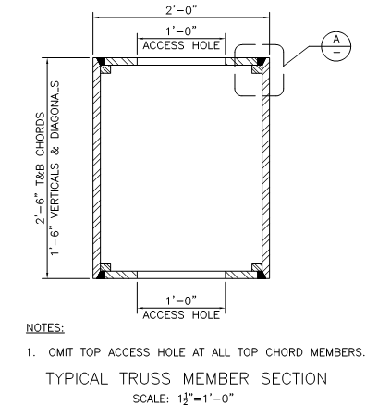
 |  |  |  |  |  |  |  |  | L= | 21.70 | ft | tw= | 0.5 | in
 |  |  |  |  |  |  |  |  | wf = | 23 | in | wh= | 30 | in
 |  |  |  |  |  |  |  |  | tf = | 0.5 | in | d = | 30 | in
 |  |  |  |  |  |  |  |  | hole width = | 12 | in
Iy | Ix | Depth, d | Width, w
in4 | in4 | in | in |  |  |  |  |  |  |  | X | Y | J
3910.43 | 4643.42 | 30 | 23 |  |  |  |  |  |  | pbar | 11.63 | 15.00
7174.28 | 9058.83 | 30 | 21.5 |  |  |  |  |  |  | I | 4643.42 | 3910.43 | 6070.65
6757.00 | 7709.06 | 30.00 | 22.00 |  |  |  |  |  |  | S | 309.56 | 336.12
9402.47 | 11450.67 | 30.00 | 20.50 |  |  | Figure 31. | S1 Beam Cross-Section |  |  | r | 10.64 | 9.77
5985.57 | 7576.65 | 30.00 | 22.50
7365.14 | 9439.12 | 30.00 | 22.00 |  |  | Table 9. | Built-up shape properties determination about X-axis for section on Figure X:
8147.43 | 11360.79 | 30.00 | 21.75
10866.66 | 15747.75 | 30.00 | 19.50 |  |  |  | Base | Height | Area | ybar | Ay | Ad2 | Io | Ix
4129.61 | 3156.92 | 18.00 | 22.00 |  |  |  | in | in | in2 | in | in3 | in4 | in4 | in4
3319.99 | 1720.01 | 18.00 | 22.50 |  |  | Top | 11 | 0.5 | 5.500 | 29.75 | 163.63 | 1196.59 | 0.11 | 1196.71
1855.90 | 1019.86 | 18.00 | 23.25 |  |  | Left | 0.5 | 30 | 15.000 | 15.00 | 225.00 | 0.00 | 1125.00 | 1125.00
4782.83 | 2589.33 | 18.00 | 21.50 |  |  | Right | 0.5 | 30 | 15.000 | 15.00 | 225.00 | 0.00 | 1125.00 | 1125.00
1915.46 | 1426.29 | 18.00 | 23.25 |  |  | Bottom | 11 | 0.5 | 5.500 | 0.25 | 1.38 | 1196.59 | 0.11 | 1196.71
...

