Sheet1
The Box Problem

First let’s make sure our sheets will look alright when we print.

Second, don't drink spoiled milk. It's bad for you. I'm disposing of mine right now. BRB.
Alright, am back.

So we have that drawing.
I'm using a PC, running on Windows 10, so I'm going to use some keyboard shortcuts to improve my

Work Flow:

Pressing the Windows Key + Arrows, I'll adjust two different applications within this window:

There we go, now, I'll use one of my favorite tools in this platform:

Snipping Tool:

CTRL + C = To copy that Image
CTRL + V = To paste that image onto this document:

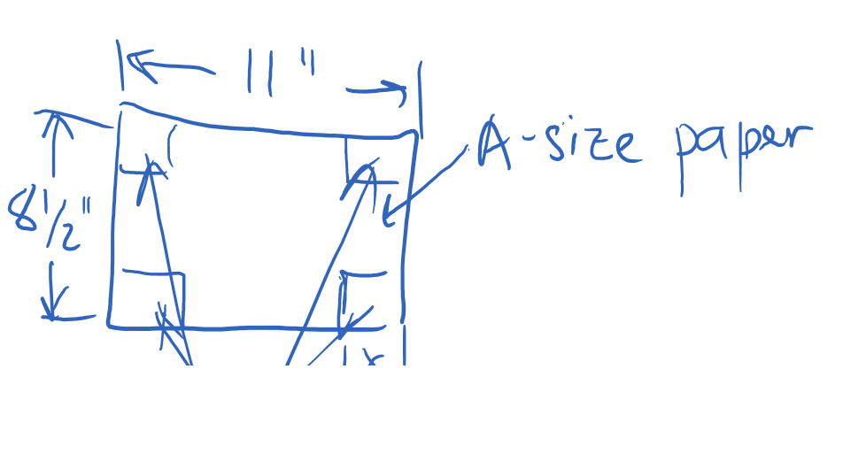

I didn't get every detail of the problem, but that illustrates the idea on how to set up your homework, assignment,… ya know?

Alright so let's set up this problem again on the next sheet, in a nice way that, if we show our work to someone
else
they will get what we are writing.

Got it?
Box Problem |  |  |  |  |  | References

Unknown, | k | = | 1 | in |  | %This is our "unknown" variable

Width, | X | = | 8.5 | in |  | %Global Size of Surface
Length, | Y | = | 11 | in
Depth, | Z | = | k |  |  | % this is the length of our corner cut, k

Cut Area, | Ac = | 1 | in2 |  |  | %Unit Surface Loss
Area, | A = | 93.5 | in2 |  |  | %Initial Area
Volume, | V = | 93.5 | in2*[in] |  |  | %Initial Volume

A recipe, a way of doing something: |  |  |  |  |  | % algorithm

Modified Lengths: |  |  |  |  |  | % from Matlab code

Effective Width |  | x = | 6.5 | in |  | %Polynomial.m |  | %Lock
Effective Length |  | y = | 9 | in |  | %Copy Function, change reference, learn to lock

Finding Areas:

Plane
x.y | Aplan | = | 58.5 | in2 |  | %Why is this named like this? |  |  | _______
x.x | Alost | = | 4 | in2 |  | %What else did I fix here? |  |  | _______
z.Y | Aelev | = | 9 | in2 |  | %See what I did here |  | @ | _______
z.X | Asect | = | 6.5 | in2

Area lost check:

Aplan2 | X*Y - 4*(loss) = |  | 77.5 | in2 |  | %What was wrong with the formula here?
Aloss2 = | Atotal - Aplan = |  | 35 |  |  | %Why did I hold up here?
Check1 = |  |  |  |  |  | %Definitely there was an error per Check1
 |  |  |  |  |  | %What was it?
Box Volume:
Vol = | 93.5 | in3 |  |  |  | %Per .in depth

So let's compare now, for different values of k: |  |  |  |  |  | %More Volume & _____ Loss;

[variables] | WIDTH | LENGTH | DEPTH | Weff | Leff | Abottom | Loss | Qty
k | X | Y | Z | x | y | Aplan | Aloss | Vol
[units] | in | in | in | in | in | in2 | in2 | in3
1 | 8.5 | 11 | 1 | 6.5 | 9 | 58.5 | 4 | 58.5
1.67 | 8.5 | 11 | 1.67 | 5.16 | 7.66 | 39.5256 | 11.2 | 66.0
2 | 8.5 | 11 | 2 | 4.5 | 7 | 31.5 | 16 | 63
3 | 8.5 | 11 | 3 | 2.5 | 5 | 12.5 | 36 | 37.5

So what does that have to do with polynomials again?
Well… in calculus… we learn more about that… but I remember that you were taught on how to solve this on a calculator,
And, you had told me two values…
x = | 1.67 |  | %Root
V(x) = |  |  | %Equation Maximum

Let's try it on that table above :) |  |  |  |  |  | %Right on the money, hey?

%It's pretty late, so, we'll go over solving these on matlab next class!

/PLF
\\ARG18

%NEXT

%Reviewing Some Concepts from Calculus
%Matlab Fun 1
%Matlab Fun 2 [extending the Matrix idea]

