DoughnutClock
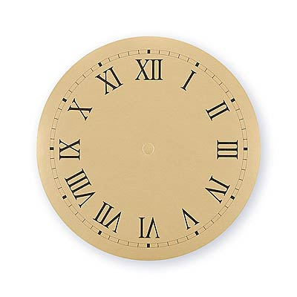
2012-12-25 22:42:48 |  | Real | Remaining
Hour | 12 | 10 | 2
Minute | 60 | 42 | 18
Second | 60 | 49 | 11

DoughnutClock (2)
2012-12-25 22:42:48 |  | Real | Remaining
Hour | 12 | 10 | 2
Minute | 60 | 42 | 18
Second | 60 | 49 | 11

DoughnutClock (3)
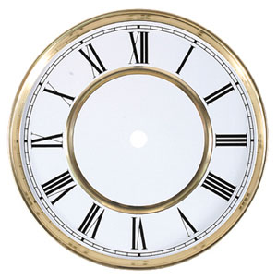
2012-12-25 22:42:48 |  | Real | Remaining
Hour | 12 | 10 | 2
Minute | 60 | 42 | 18
Second | 60 | 49 | 11

