Speedometer
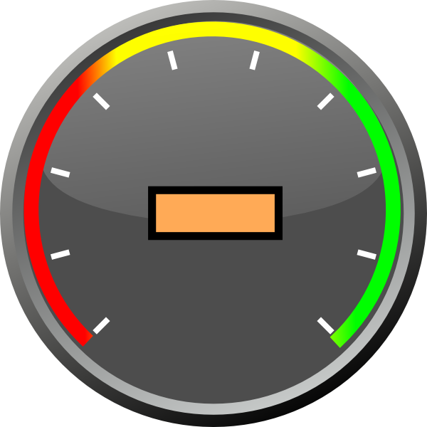
 | Arm
0 | 0
1.9318516526 | 0.51763809021
80%
Percentage |  | Angle
0% | 10% | 180
10% | 20% | 225
20% | 30% | 255
30% | 40% | 285
40% | 50% | 315
50% | 60% | 345
60% | 70% | 375
70% | 80% | 405
80% | 90% | 435
90% | 100% | 465
100% |  | 495
Arm Length |  | 2
Origin | 0 | 0

Angle | 435
x | 1.9318516526
y | 0.51763809021
 |  |  | Percentage | 80%

Speedometer (2)
 | Arm
0 | 0
1.4142135624 | -1.4142135624
Percentage
0% | 10% | 180
10% | 20% | 225
20% | 30% | 255
30% | 40% | 285
40% | 50% | 315
50% | 60% | 345
60% | 70% | 375
70% | 80% | 405
80% | 90% | 435
90% | 100% | 465
100% |  | 495
Arm Length |  |  | 2
Origin |  |  | 0 | 0

 |  |  |  | 340 | Percentage |  |  | 0%
 |  |  |  |  |  | Angle | x | y
 |  |  |  |  |  | 495 | 1.4142135624 | -1.4142135624

Speedometer (3)
 | Arm
0 | 0
-1.4142135624 | 1.4142135624
45%
Percentage
0% | 10% | 180
10% | 20% | 225
20% | 30% | 255
30% | 40% | 285
40% | 50% | 315
50% | 60% | 345
60% | 70% | 375
70% | 80% | 405
80% | 90% | 435
90% | 100% | 465
100% |  | 495
Arm Length |  | 2
Origin | 0 | 0

Angle | 315
x | -1.4142135624
y | 1.4142135624
 |  |  | Percentage | 45%

Speedometer (Final)
 | Arm
0 | 0
1.4142135624 | 1.4142135624
70%
Percentage |  | Angle
0% | 10% | 180
10% | 20% | 225
20% | 30% | 255
30% | 40% | 285
40% | 50% | 315
50% | 60% | 345
60% | 70% | 375
70% | 80% | 405
80% | 90% | 435
90% | 100% | 465
100% |  | 495
Arm Length |  | 2
Origin | 0 | 0

Angle | 405
x | 1.4142135624
y | 1.4142135624
 |  |  | Percentage | 70%

Speedometer (Final) (2)
 | Arm
0 | 0
-1.9318516526 | -0.51763809021
20%
Percentage |  | Angle
0% | 10% | 180
10% | 20% | 225
20% | 30% | 255
30% | 40% | 285
40% | 50% | 315
50% | 60% | 345
60% | 70% | 375
70% | 80% | 405
80% | 90% | 435
90% | 100% | 465
100% |  | 495
Arm Length |  | 2
Origin | 0 | 0

Angle | 255
x | -1.9318516526
y | -0.51763809021
 |  |  | Percentage | 20%

