Modelos
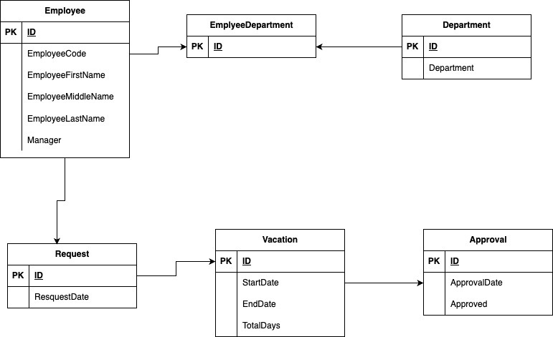
Modelo conceptual | Modelo lógico

