Hoja1
 |  |  |  |  |  |  |  |  | Analisar visualmente os valores ótimos encontrados

 | 4 |  |  |  |  |  |  | 6 |  |  |  |  |  |  |  | 8 |  |  |  |  |  | 10 |  |  |  |  |  |  | 12 |  |  |  |  |  |  | 14 |  |  |  |  |  |  | 16
 | -10 | 0 | 10 | 20 | 30 | 40 | average | -10 | 0 | 10 | 20 | 30 | 40 | average | -10 | 0 | 10 | 20 | 30 | 40 | average | -10 | 0 | 10 | 20 | 30 | 40 | average | -10 | 0 | 10 | 20 | 30 | 40 | average | -10 | 0 | 10 | 20 | 30 | 40 | average | -10 | 0 | 10 | 20 | 30 | 40 | average
rf_criterion | friedman_mse | poisson | friedman_mse | friedman_mse | friedman_mse | friedman_mse |  | friedman_mse | friedman_mse | friedman_mse | friedman_mse | friedman_mse | friedman_mse |  | friedman_mse | friedman_mse | friedman_mse | friedman_mse | friedman_mse | friedman_mse |  | friedman_mse | friedman_mse | friedman_mse | friedman_mse | friedman_mse | friedman_mse |  | friedman_mse | friedman_mse | friedman_mse | poisson | friedman_mse | friedman_mse |  | friedman_mse | friedman_mse | friedman_mse | friedman_mse | friedman_mse | friedman_mse |  | friedman_mse | friedman_mse | friedman_mse | friedman_mse | friedman_mse | poisson
rf_splitter | random | random | random | best | random | best |  | random | best | random | random | random | best |  | best | random | random | best | best | best |  | best | best | best | best | best | best |  | random | random | best | random | random | random |  | random | best | random | best | random | best |  | random | best | best | random | best | random
rf_max_features | auto | log2 | auto | log2 | auto | sqrt |  | auto | log2 | sqrt | sqrt | auto | auto |  | sqrt | log2 | sqrt | sqrt | log2 | log2 |  | sqrt | sqrt | auto | log2 | auto | sqrt |  | auto | log2 | auto | sqrt | log2 | log2 |  | log2 | auto | sqrt | auto | auto | sqrt |  | auto | log2 | log2 | auto | sqrt | auto
rf_max_depth | 1000 | 1100 | 700 | 600 | 600 | 100 | 683.33333333 | 400 | 600 | 600 | 400 | 800 | 300 | 516.66666667 | 1000 | 900 | 400 | 600 | 600 | 100 | 520 | 400 | 600 | 1000 | 100 | 700 | 100 | 483.33333333 | 1100 | 1100 | 1000 | 900 | 200 | 300 | 766.66666667 | 700 | 100 | 800 | 400 | 300 | 700 | 500 | 700 | 600 | 300 | 200 | 200 | 800 | 466.66666667
rf_min_samples_split | 19 | 26 | 9 | 24 | 38 | 34 | 25 | 39 | 8 | 27 | 20 | 30 | 20 | 24 | 14 | 15 | 25 | 36 | 35 | 24 | 27 | 37 | 2 | 14 | 28 | 29 | 27 | 22.833333333 | 35 | 24 | 27 | 9 | 18 | 24 | 22.833333333 | 32 | 37 | 28 | 3 | 10 | 34 | 24 | 30 | 14 | 34 | 40 | 21 | 39 | 29.666666667
rf_min_samples_leaf | 35 | 2 | 19 | 25 | 11 | 16 | 18 | 18 | 17 | 12 | 12 | 19 | 19 | 16.166666667 | 25 | 27 | 19 | 37 | 28 | 32 | 28.6 | 39 | 40 | 34 | 17 | 39 | 34 | 33.833333333 | 17 | 34 | 16 | 22 | 22 | 15 | 21 | 24 | 20 | 14 | 34 | 12 | 28 | 22 | 27 | 30 | 32 | 25 | 25 | 7 | 24.333333333

 | 4 |  |  |  |  |  |  | 6 |  |  |  |  |  |  |  | 8 |  |  |  |  |  | 10 |  |  |  |  |  |  | 12 |  |  |  |  |  |  | 14 |  |  |  |  |  |  | 16
 | -10 | 0 | 10 | 20 | 30 | 40 | average | -10 | 0 | 10 | 20 | 30 | 40 | average | -10 | 0 | 10 | 20 | 30 | 40 | average | -10 | 0 | 10 | 20 | 30 | 40 | average | -10 | 0 | 10 | 20 | 30 | 40 | average | -10 | 0 | 10 | 20 | 30 | 40 | average | -10 | 0 | 10 | 20 | 30 | 40 | average
rf_criterion | 0.11 | 0.08 | 0.21 | 0.38 | 0.04 | 0.02 | 0.14 | 0.28 | 0.16 | 0.15 | 0.19 | 0.17 | 0.12 | 0.17833333333 | 0.15 | 0.41 | 0.34 | 0.19 | 0.48 | 0.27 | 0.30666666667 | 0.14 | 0.14 | 0.33 | 0.36 | 0.06 | 0.17 | 0.2 | 0.07 | 0.08 | 0.4 | 0.02 | 0.1 | 0.32 | 0.165 | 0.47 | 0.16 | 0.16 | 0.53 | 0.28 | 0.42 | 0.33666666667 | 0.14 | 0.08 | 0.15 | 0.1 | 0.28 | 0.02 | 0.12833333333
rf_splitter | 0.14 | 0.08 | 0.17 | 0 | 0.41 | 0.07 | 0.145 | 0.23 | 0.06 | 0.12 | 0.13 | 0.09 | 0.04 | 0.11166666667 | 0.05 | 0.35 | 0.02 | 0.02 | 0.03 | 0.27 | 0.12333333333 | 0.28 | 0.11 | 0.05 | 0.11 | 0 | 0.06 | 0.10166666667 | 0.14 | 0.4 | 0 | 0.14 | 0.05 | 0.28 | 0.16833333333 | 0.04 | 0.11 | 0.03 | 0.12 | 0.06 | 0 | 0.06 | 0.19 | 0.02 | 0.26 | 0.11 | 0.11 | 0.33 | 0.17
rf_max_features | 0.24 | 0.02 | 0.06 | 0 | 0.08 | 0 | 0.066666666667 | 0.16 | 0.08 | 0.18 | 0.32 | 0.13 | 0.04 | 0.15166666667 | 0.16 | 0.08 | 0.17 | 0.22 | 0.07 | 0.02 | 0.12 | 0.11 | 0.18 | 0.13 | 0.11 | 0.17 | 0.09 | 0.13166666667 | 0 | 0.14 | 0.17 | 0.11 | 0.08 | 0.08 | 0.096666666667 | 0.27 | 0.09 | 0.05 | 0.03 | 0.13 | 0.13 | 0.11666666667 | 0.22 | 0.12 | 0.05 | 0.05 | 0.23 | 0.07 | 0.12333333333
rf_max_depth | 0.15 | 0.27 | 0.08 | 0.2 | 0.12 | 0.19 | 0.16833333333 | 0.23 | 0.38 | 0.08 | 0.06 | 0.22 | 0.36 | 0.22166666667 | 0.06 | 0.05 | 0.05 | 0.21 | 0.12 | 0.1 | 0.106 | 0.13 | 0.03 | 0.34 | 0.1 | 0.58 | 0.22 | 0.23333333333 | 0.2 | 0.17 | 0.15 | 0.55 | 0.04 | 0.09 | 0.2 | 0.06 | 0.18 | 0.23 | 0.05 | 0.11 | 0.12 | 0.125 | 0.14 | 0.1 | 0.17 | 0.17 | 0.2 | 0.31 | 0.18166666667
rf_min_samples_split | 0.21 | 0.45 | 0.14 | 0.27 | 0.15 | 0.52 | 0.29 | 0.02 | 0.09 | 0.13 | 0.25 | 0.19 | 0.31 | 0.165 | 0.25 | 0.05 | 0.34 | 0.14 | 0.13 | 0.09 | 0.15 | 0.18 | 0.45 | 0.13 | 0.08 | 0.02 | 0.31 | 0.195 | 0.22 | 0.14 | 0.06 | 0.16 | 0.32 | 0.05 | 0.15833333333 | 0.08 | 0.13 | 0.19 | 0.22 | 0.21 | 0.02 | 0.14166666667 | 0.22 | 0.53 | 0.07 | 0.33 | 0.07 | 0.16 | 0.23
rf_min_samples_leaf | 0.15 | 0.1 | 0.34 | 0.16 | 0.2 | 0.2 | 0.19166666667 | 0.07 | 0.23 | 0.34 | 0.05 | 0.2 | 0.13 | 0.17 | 0.32 | 0.06 | 0.08 | 0.23 | 0.18 | 0.27 | 0.164 | 0.16 | 0.09 | 0.03 | 0.25 | 0.17 | 0.14 | 0.14 | 0.37 | 0.06 | 0.4 | 0.03 | 0.42 | 0.17 | 0.24166666667 | 0.07 | 0.34 | 0.34 | 0.05 | 0.21 | 0.32 | 0.22166666667 | 0.09 | 0.15 | 0.3 | 0.24 | 0.11 | 0.12 | 0.16833333333

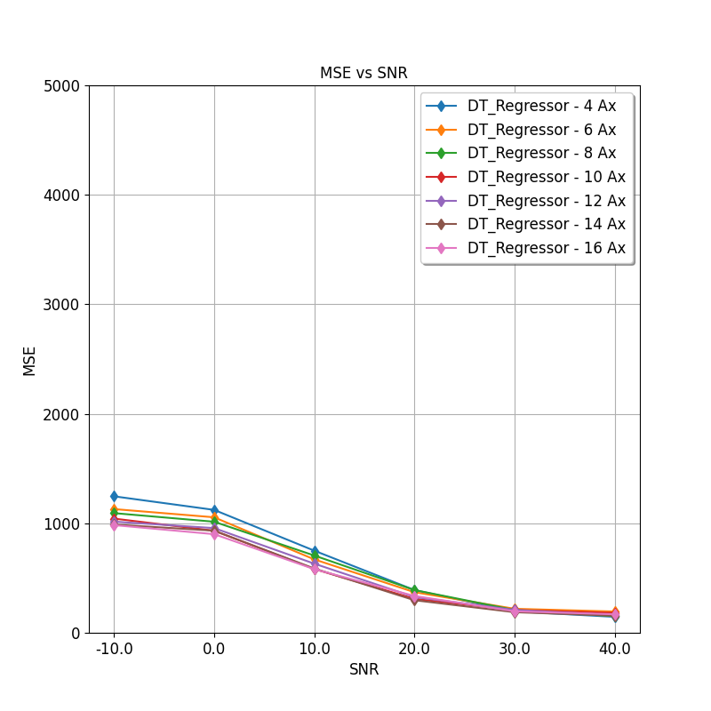
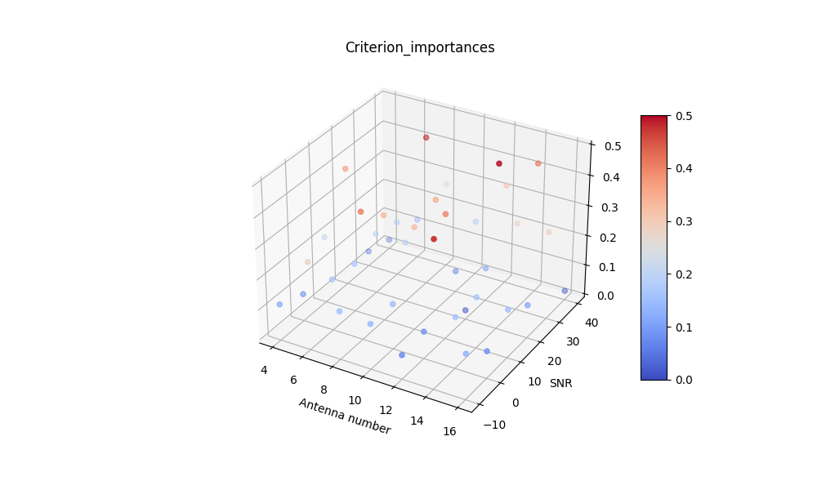


 |  |  |  |  |  |  |  |  |  |  |  |  |  |  |  |  |  |  |  |  |  |  | Resulting hyperparameters
rf_criterion |  |  |  |  |  |  | rf_splitter |  |  |  |  |  | rf_max_features |  |  |  |  |  |  |  |  |  | rf_criterion |  | friedman_mse
friedman_mse | 39 |  |  |  |  |  | random | 21 |  |  |  |  | auto | 16 |  |  |  |  |  |  |  |  | rf_splitter |  | random
poisson | 3 |  |  |  |  |  | best | 21 |  |  |  |  | log2 | 13 |  |  |  |  |  |  |  |  | rf_max_features |  | auto
 |  |  |  |  |  |  |  |  |  |  |  |  | sqrt | 13 |  |  |  |  |  |  |  |  | rf_max_depth |  | 562.38095238
 |  |  |  |  |  |  |  |  |  |  |  |  |  |  |  |  |  |  |  |  |  |  | rf_min_samples_split |  | 25
 |  |  |  |  |  |  |  |  |  |  |  |  |  |  |  |  |  |  |  |  |  |  | rf_min_samples_leaf |  | 23

rf_criterion
rf_splitter
rf_max_features

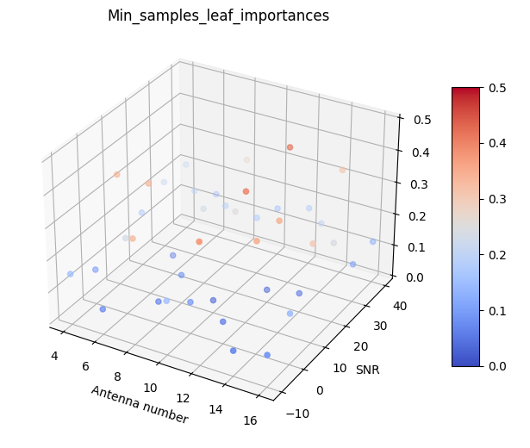
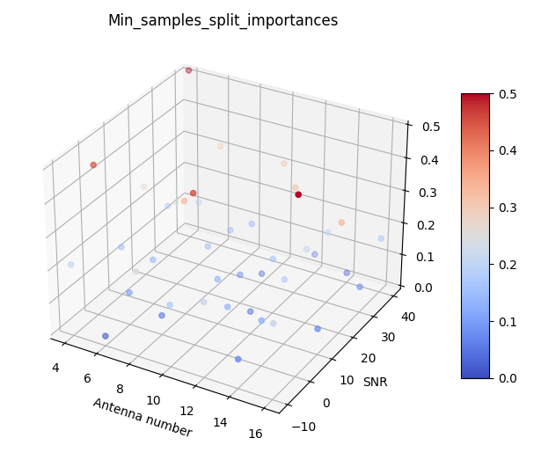

antenna number | rf_max_depth |  |  |  |  |  |  |  | antenna number | rf_min_samples_split |  |  |  |  |  |  |  |  | antenna number | rf_min_samples_leaf
4 | 683.33333333 |  |  |  |  |  |  |  | 4 | 25 |  |  |  |  |  |  |  |  | 4 | 18
6 | 516.66666667 |  |  |  |  |  |  |  | 6 | 24 |  |  |  |  |  |  |  |  | 6 | 16.166666667
8 | 520 |  |  |  |  |  |  |  | 8 | 27 |  |  |  |  |  |  |  |  | 8 | 28.6
10 | 483.33333333 |  |  |  |  |  |  |  | 10 | 22.833333333 |  |  |  |  |  |  |  |  | 10 | 33.833333333
12 | 766.66666667 |  |  |  |  |  |  |  | 12 | 22.833333333 |  |  |  |  |  |  |  |  | 12 | 21
14 | 500 |  |  |  |  |  |  |  | 14 | 24 |  |  |  |  |  |  |  |  | 14 | 22
16 | 466.66666667 |  |  |  |  |  |  |  | 16 | 39 |  |  |  |  |  |  |  |  | 16 | 24.333333333
 | 562.38095238 |  |  |  |  |  |  |  |  | 26.380952381 |  |  |  |  |  |  |  |  |  | 23.419047619

SNR | rf_max_depth |  |  |  |  |  |  |  | SNR | rf_min_samples_split |  |  |  |  |  |  |  |  | SNR | rf_min_samples_leaf
-10 | #REF! |  |  |  |  |  |  |  | -10 | #REF! |  |  |  |  |  |  |  |  | -10 | #REF!
0 | 714.28571429 |  |  |  |  |  |  |  | 0 | 18 |  |  |  |  |  |  |  |  | 0 | 24.285714286
10 | 685.71428571 |  |  |  |  |  |  |  | 10 | 23.428571429 |  |  |  |  |  |  |  |  | 10 | 20.857142857
20 | 457.14285714 |  |  |  |  |  |  |  | 20 | 22.857142857 |  |  |  |  |  |  |  |  | 20 | 24.571428571
30 | 485.71428571 |  |  |  |  |  |  |  | 30 | 25.857142857 |  |  |  |  |  |  |  |  | 30 | 22.285714286
40 | 342.85714286 |  |  |  |  |  |  |  | 40 | 28.857142857 |  |  |  |  |  |  |  |  | 40 | 21.571428571
 | #REF! |  |  |  |  |  |  |  |  | #REF! |  |  |  |  |  |  |  |  |  | #REF!

 |  |  |  |  |  |  | Ajuste dos hiperparâmetros da DT para conjunto formado por amostras de todos os valores de SNR

 | 4 | 6 | 8 | 10 | 12 | 14 | 16
rf_criterion | friedman_mse | friedman_mse | friedman_mse | friedman_mse | friedman_mse | poisson | friedman_mse
rf_splitter | random | random | best | best | random | random | best
rf_max_features | log2 | log2 | auto | auto | auto | log2 | auto
rf_max_depth | 400 | 500 | 800 | 900 | 1000 | 900 | 1100
rf_min_samples_split | 17 | 32 | 21 | 15 | 11 | 17 | 11
rf_min_samples_leaf | 6 | 7 | 29 | 26 | 16 | 31 | 8

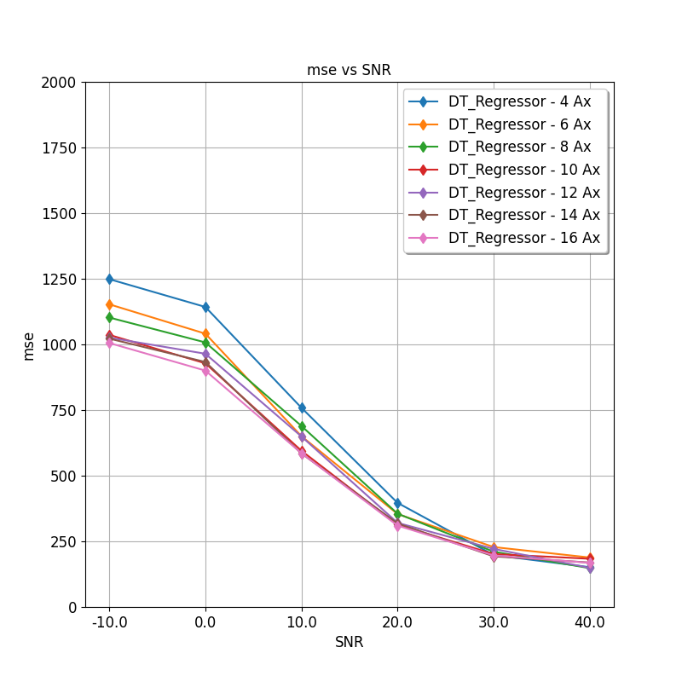

rf_criterion |  |  |  |  |  |  | rf_splitter
friedman_mse | 6 |  |  |  |  |  | random | 4 |  |  |  |  |  | rf_max_features |  |  |  |  |  |  | Resulting hyperparameters
poisson | 1 |  |  |  |  |  | best | 3 |  |  |  |  |  | auto |  | 4 |  |  |  |  | rf_criterion |  | friedman_mse
 |  |  |  |  |  |  |  |  |  |  |  |  |  | log2 |  | 3 |  |  |  |  | rf_splitter |  | random
 |  |  |  |  |  |  |  |  |  |  |  |  |  | sqrt |  | 0 |  |  |  |  | rf_max_features |  | auto
 |  |  |  |  |  |  |  |  |  |  |  |  |  |  |  |  |  |  |  |  | rf_max_depth |  | 800
rf_criterion
 |  |  |  |  |  |  |  |  |  |  |  |  |  |  |  |  |  |  |  |  | rf_min_samples_split |  | 17.714285714
rf_splitter
rf_max_features
 |  |  |  |  |  |  |  |  |  |  |  |  |  |  |  |  |  |  |  |  | rf_min_samples_leaf |  | 17.571428571

antenna number | rf_max_depth |  |  |  |  |  |  |  | antenna number | rf_min_samples_split |  |  |  |  |  |  |  |  |  | antenna number | rf_min_samples_leaf
4 | 400 |  |  |  |  |  |  |  | 4 | 17 |  |  |  |  |  |  |  |  |  | 4 | 6
6 | 500 |  |  |  |  |  |  |  | 6 | 32 |  |  |  |  |  |  |  |  |  | 6 | 7
8 | 800 |  |  |  |  |  |  |  | 8 | 21 |  |  |  |  |  |  |  |  |  | 8 | 29
10 | 900 |  |  |  |  |  |  |  | 10 | 15 |  |  |  |  |  |  |  |  |  | 10 | 26
12 | 1000 |  |  |  |  |  |  |  | 12 | 11 |  |  |  |  |  |  |  |  |  | 12 | 16
14 | 900 |  |  |  |  |  |  |  | 14 | 17 |  |  |  |  |  |  |  |  |  | 14 | 31
16 | 1100 |  |  |  |  |  |  |  | 16 | 11 |  |  |  |  |  |  |  |  |  | 16 | 8
 | 800 |  |  |  |  |  |  |  |  | 17.714285714 |  |  |  |  |  |  |  |  |  |  | 17.571428571

 |  |  |  |  |  |  | Ajuste dos hiperparâmetros da DT para conjunto formado por amostras de todos os valores de SNR

SNR =40 | 4 | 6 | 8 | 10 | 12 | 14 | 16
rf_criterion | friedman_mse | friedman_mse | poisson | friedman_mse | friedman_mse | poisson | friedman_mse
rf_splitter | random | random | random | random | best | best | random
rf_max_features | sqrt | sqrt | sqrt | auto | log2 | sqrt | sqrt
rf_max_depth | 200 | 1100 | 500 | 300 | 1000 | 1100 | 300
rf_min_samples_split | 38 | 21 | 32 | 33 | 15 | 30 | 30
rf_min_samples_leaf | 3 | 5 | 5 | 24 | 16 | 34 | 4

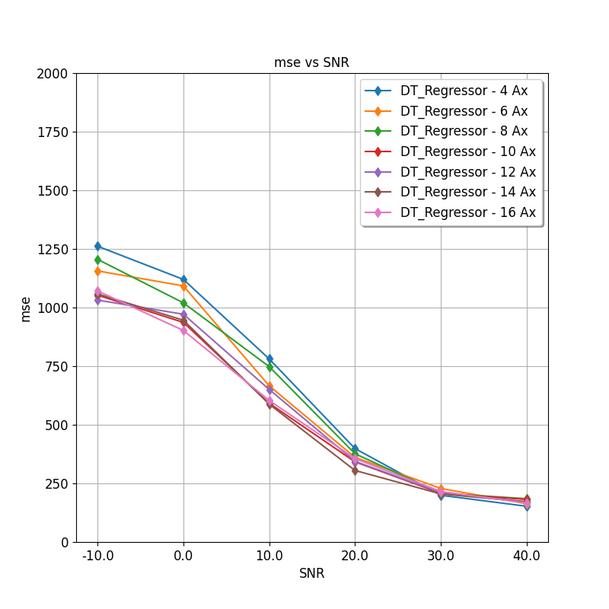
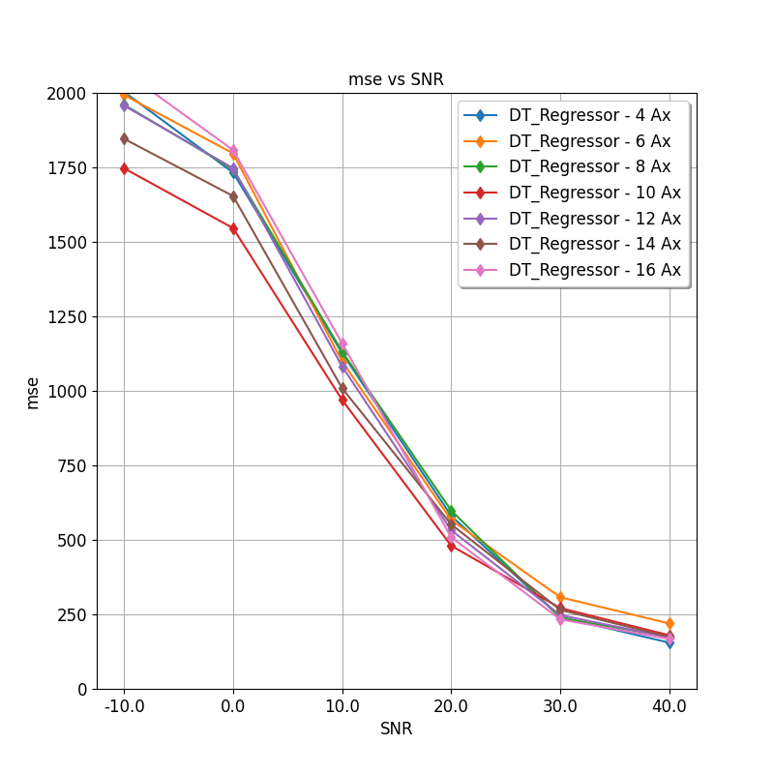
 |  |  |  |  |  |  |  |  |  |  |  |  |  |  |  | Resulting hyperparameters
 |  |  |  |  |  |  |  |  |  |  |  |  |  |  |  | rf_criterion |  | friedman_mse
 |  |  |  |  |  |  |  |  |  |  |  |  |  |  |  | rf_splitter |  | random
 |  |  |  |  |  |  |  |  |  |  |  |  |  |  |  | rf_max_features |  | sqrt
 |  |  |  |  |  |  |  |  |  |  |  |  |  |  |  | rf_max_depth |  | 642.85714286
 |  |  |  |  |  |  |  |  |  |  |  |  |  |  |  | rf_min_samples_split |  | 28.428571429
 |  |  |  |  |  |  |  |  |  |  |  |  |  |  |  | rf_min_samples_leaf |  | 13

