Hoja1
 |  |  |  |  |  |  |  |  | Analisar visualmente os valores ótimos encontrados

 | 4 |  |  |  |  |  |  | 6 |  |  |  |  |  |  |  | 8 |  |  |  |  |  | 10 |  |  |  |  |  |  | 12 |  |  |  |  |  |  | 14 |  |  |  |  |  |  | 16
 | -10 | 0 | 10 | 20 | 30 | 40 | average | -10 | 0 | 10 | 20 | 30 | 40 | average | -10 | 0 | 10 | 20 | 30 | 40 | average | -10 | 0 | 10 | 20 | 30 | 40 | average | -10 | 0 | 10 | 20 | 30 | 40 | average | -10 | 0 | 10 | 20 | 30 | 40 | average | -10 | 0 | 10 | 20 | 30 | 40 | average
rf_criterion | poisson | poisson | friedman_mse | friedman_mse | friedman_mse | friedman_mse |  | poisson | poisson | friedman_mse | friedman_mse | friedman_mse | friedman_mse |  | friedman_mse | friedman_mse | friedman_mse | friedman_mse | friedman_mse | friedman_mse |  | friedman_mse | friedman_mse | friedman_mse | friedman_mse | friedman_mse | friedman_mse |  | friedman_mse | friedman_mse | friedman_mse | poisson | friedman_mse | friedman_mse |  | friedman_mse | friedman_mse | friedman_mse | friedman_mse | friedman_mse | friedman_mse |  | friedman_mse | friedman_mse | friedman_mse | friedman_mse | friedman_mse | poisson
rf_splitter | random | random | random | best | random | best |  | random | random | best | best | best | best |  | best | best | best | best | best | random |  | random | random | random | random | best | random |  | random | best | random | random | random | best |  | best | random | best | best | random | best |  | best | random | best | best | best | random
rf_max_features | sqrt | sqrt | auto | sqrt | sqrt | log2 |  | auto | log2 | sqrt | sqrt | auto | sqrt |  | log2 | log2 | auto | auto | sqrt | sqrt |  | log2 | log2 | log2 | sqrt | log2 | sqrt |  | sqrt | log2 | auto | sqrt | sqrt | log2 |  | log2 | log2 | sqrt | sqrt | auto | sqrt |  | sqrt | sqrt | auto | sqrt | auto | auto
rf_max_depth | 500 | 400 | 1100 | 200 | 700 | 200 | 516.66666667 | 1000 | 1100 | 600 | 600 | 400 | 400 | 683.33333333 | 1000 | 900 | 400 | 600 | 600 | 100 | 520 | 1100 | 1100 | 600 | 900 | 300 | 300 | 716.66666667 | 600 | 200 | 400 | 200 | 1100 | 1000 | 583.33333333 | 500 | 1100 | 400 | 100 | 700 | 500 | 550 | 900 | 100 | 200 | 700 | 1100 | 500 | 583.33333333
rf_min_samples_split | 8 | 13 | 33 | 20 | 26 | 18 | 19.666666667 | 29 | 35 | 34 | 25 | 27 | 25 | 29.166666667 | 14 | 15 | 25 | 36 | 35 | 24 | 27 | 25 | 24 | 6 | 22 | 6 | 13 | 16 | 35 | 24 | 27 | 9 | 18 | 24 | 22.833333333 | 5 | 4 | 30 | 13 | 34 | 37 | 20.5 | 7 | 31 | 34 | 30 | 4 | 13 | 19.833333333
rf_min_samples_leaf | 36 | 39 | 2 | 2 | 11 | 3 | 15.5 | 36 | 32 | 4 | 9 | 30 | 10 | 20.166666667 | 25 | 27 | 19 | 37 | 28 | 32 | 28.6 | 8 | 14 | 3 | 25 | 25 | 13 | 14.666666667 | 9 | 31 | 29 | 2 | 20 | 32 | 20.5 | 28 | 11 | 19 | 33 | 18 | 38 | 24.5 | 20 | 25 | 15 | 28 | 18 | 34 | 23.333333333

 | 4 |  |  |  |  |  |  | 6 |  |  |  |  |  |  |  | 8 |  |  |  |  |  | 10 |  |  |  |  |  |  | 12 |  |  |  |  |  |  | 14 |  |  |  |  |  |  | 16
 | -10 | 0 | 10 | 20 | 30 | 40 | average | -10 | 0 | 10 | 20 | 30 | 40 | average | -10 | 0 | 10 | 20 | 30 | 40 | average | -10 | 0 | 10 | 20 | 30 | 40 | average | -10 | 0 | 10 | 20 | 30 | 40 | average | -10 | 0 | 10 | 20 | 30 | 40 | average | -10 | 0 | 10 | 20 | 30 | 40 | average
rf_criterion | 0.11 | 0.08 | 0.21 | 0.38 | 0.04 | 0.02 | 0.14 | 0.28 | 0.16 | 0.15 | 0.19 | 0.17 | 0.12 | 0.17833333333 | 0.15 | 0.41 | 0.34 | 0.19 | 0.48 | 0.27 | 0.30666666667 | 0.14 | 0.14 | 0.33 | 0.36 | 0.06 | 0.17 | 0.2 | 0.07 | 0.08 | 0.4 | 0.02 | 0.1 | 0.32 | 0.165 | 0.47 | 0.16 | 0.16 | 0.53 | 0.28 | 0.42 | 0.33666666667 | 0.14 | 0.08 | 0.15 | 0.1 | 0.28 | 0.02 | 0.12833333333
rf_splitter | 0.14 | 0.08 | 0.17 | 0 | 0.41 | 0.07 | 0.145 | 0.23 | 0.06 | 0.12 | 0.13 | 0.09 | 0.04 | 0.11166666667 | 0.05 | 0.35 | 0.02 | 0.02 | 0.03 | 0.27 | 0.12333333333 | 0.28 | 0.11 | 0.05 | 0.11 | 0 | 0.06 | 0.10166666667 | 0.14 | 0.4 | 0 | 0.14 | 0.05 | 0.28 | 0.16833333333 | 0.04 | 0.11 | 0.03 | 0.12 | 0.06 | 0 | 0.06 | 0.19 | 0.02 | 0.26 | 0.11 | 0.11 | 0.33 | 0.17
rf_max_features | 0.24 | 0.02 | 0.06 | 0 | 0.08 | 0 | 0.066666666667 | 0.16 | 0.08 | 0.18 | 0.32 | 0.13 | 0.04 | 0.15166666667 | 0.16 | 0.08 | 0.17 | 0.22 | 0.07 | 0.02 | 0.12 | 0.11 | 0.18 | 0.13 | 0.11 | 0.17 | 0.09 | 0.13166666667 | 0 | 0.14 | 0.17 | 0.11 | 0.08 | 0.08 | 0.096666666667 | 0.27 | 0.09 | 0.05 | 0.03 | 0.13 | 0.13 | 0.11666666667 | 0.22 | 0.12 | 0.05 | 0.05 | 0.23 | 0.07 | 0.12333333333
rf_max_depth | 0.15 | 0.27 | 0.08 | 0.2 | 0.12 | 0.19 | 0.16833333333 | 0.23 | 0.38 | 0.08 | 0.06 | 0.22 | 0.36 | 0.22166666667 | 0.06 | 0.05 | 0.05 | 0.21 | 0.12 | 0.1 | 0.106 | 0.13 | 0.03 | 0.34 | 0.1 | 0.58 | 0.22 | 0.23333333333 | 0.2 | 0.17 | 0.15 | 0.55 | 0.04 | 0.09 | 0.2 | 0.06 | 0.18 | 0.23 | 0.05 | 0.11 | 0.12 | 0.125 | 0.14 | 0.1 | 0.17 | 0.17 | 0.2 | 0.31 | 0.18166666667
rf_min_samples_split | 0.21 | 0.45 | 0.14 | 0.27 | 0.15 | 0.52 | 0.29 | 0.02 | 0.09 | 0.13 | 0.25 | 0.19 | 0.31 | 0.165 | 0.25 | 0.05 | 0.34 | 0.14 | 0.13 | 0.09 | 0.15 | 0.18 | 0.45 | 0.13 | 0.08 | 0.02 | 0.31 | 0.195 | 0.22 | 0.14 | 0.06 | 0.16 | 0.32 | 0.05 | 0.15833333333 | 0.08 | 0.13 | 0.19 | 0.22 | 0.21 | 0.02 | 0.14166666667 | 0.22 | 0.53 | 0.07 | 0.33 | 0.07 | 0.16 | 0.23
rf_min_samples_leaf | 0.15 | 0.1 | 0.34 | 0.16 | 0.2 | 0.2 | 0.19166666667 | 0.07 | 0.23 | 0.34 | 0.05 | 0.2 | 0.13 | 0.17 | 0.32 | 0.06 | 0.08 | 0.23 | 0.18 | 0.27 | 0.164 | 0.16 | 0.09 | 0.03 | 0.25 | 0.17 | 0.14 | 0.14 | 0.37 | 0.06 | 0.4 | 0.03 | 0.42 | 0.17 | 0.24166666667 | 0.07 | 0.34 | 0.34 | 0.05 | 0.21 | 0.32 | 0.22166666667 | 0.09 | 0.15 | 0.3 | 0.24 | 0.11 | 0.12 | 0.16833333333

 |  |  |  |  |  |  |  |  |  |  |  |  |  |  |  |  |  |  |  |  |  |  | Resulting hyperparameters
rf_criterion |  |  |  |  |  |  | rf_splitter |  |  |  |  |  | rf_max_features |  |  |  |  |  |  |  |  |  | rf_criterion |  | friedman_mse
friedman_mse | 36 |  |  |  |  |  | random | 20 |  |  |  |  | auto | 10 |  |  |  |  |  |  |  |  | rf_splitter |  | best
poisson | 6 |  |  |  |  |  | best | 22 |  |  |  |  | log2 | 12 |  |  |  |  |  |  |  |  | rf_max_features |  | sqrt
 |  |  |  |  |  |  |  |  |  |  |  |  | sqrt | 20 |  |  |  |  |  |  |  |  | rf_max_depth |  | 593.33333333
 |  |  |  |  |  |  |  |  |  |  |  |  |  |  |  |  |  |  |  |  |  |  | rf_min_samples_split |  | 21.166666667
 |  |  |  |  |  |  |  |  |  |  |  |  |  |  |  |  |  |  |  |  |  |  | rf_min_samples_leaf |  | 21.038095238

rf_criterion
rf_splitter
rf_max_features

antenna number | rf_max_depth |  |  |  |  |  |  |  | antenna number | rf_min_samples_split |  |  |  |  |  |  |  |  | antenna number | rf_min_samples_leaf
4 | 516.66666667 |  |  |  |  |  |  |  | 4 | 19.666666667 |  |  |  |  |  |  |  |  | 4 | 15.5
6 | 683.33333333 |  |  |  |  |  |  |  | 6 | 29.166666667 |  |  |  |  |  |  |  |  | 6 | 20.166666667
8 | 520 |  |  |  |  |  |  |  | 8 | 27 |  |  |  |  |  |  |  |  | 8 | 28.6
10 | 716.66666667 |  |  |  |  |  |  |  | 10 | 16 |  |  |  |  |  |  |  |  | 10 | 14.666666667
12 | 583.33333333 |  |  |  |  |  |  |  | 12 | 22.833333333 |  |  |  |  |  |  |  |  | 12 | 20.5
14 | 550 |  |  |  |  |  |  |  | 14 | 20.5 |  |  |  |  |  |  |  |  | 14 | 24.5
16 | 583.33333333 |  |  |  |  |  |  |  | 16 | 13 |  |  |  |  |  |  |  |  | 16 | 23.333333333
 | 593.33333333 |  |  |  |  |  |  |  |  | 21.166666667 |  |  |  |  |  |  |  |  |  | 21.038095238

SNR | rf_max_depth |  |  |  |  |  |  |  | SNR | rf_min_samples_split |  |  |  |  |  |  |  |  | SNR | rf_min_samples_leaf
-10 | 766.66666667 |  |  |  |  |  |  |  | -10 | 18.166666667 |  |  |  |  |  |  |  |  | -10 | 22.833333333
0 | 700 |  |  |  |  |  |  |  | 0 | 20.857142857 |  |  |  |  |  |  |  |  | 0 | 25.571428571
10 | 528.57142857 |  |  |  |  |  |  |  | 10 | 27 |  |  |  |  |  |  |  |  | 10 | 13
20 | 471.42857143 |  |  |  |  |  |  |  | 20 | 22.142857143 |  |  |  |  |  |  |  |  | 20 | 19.428571429
30 | 700 |  |  |  |  |  |  |  | 30 | 21.428571429 |  |  |  |  |  |  |  |  | 30 | 21.428571429
40 | 428.57142857 |  |  |  |  |  |  |  | 40 | 22 |  |  |  |  |  |  |  |  | 40 | 23.142857143
 | 599.20634921 |  |  |  |  |  |  |  |  | 21.932539683 |  |  |  |  |  |  |  |  |  | 20.900793651

 |  |  |  |  |  |  | Ajuste dos hiperparâmetros da DT para conjunto formado por amostras de todos os valores de SNR

 | 4 | 6 | 8 | 10 | 12 | 14
rf_criterion | friedman_mse | friedman_mse | friedman_mse | friedman_mse | friedman_mse | friedman_mse
rf_splitter | best | best | random | best | random | random
rf_max_features | log2 | sqrt | sqrt | log2 | sqrt | sqrt
rf_max_depth | 1100 | 800 | 200 | 200 | 600 | 1100
rf_min_samples_split | 33 | 9 | 4 | 18 | 27 | 17
rf_min_samples_leaf | 18 | 22 | 18 | 6 | 9 | 15

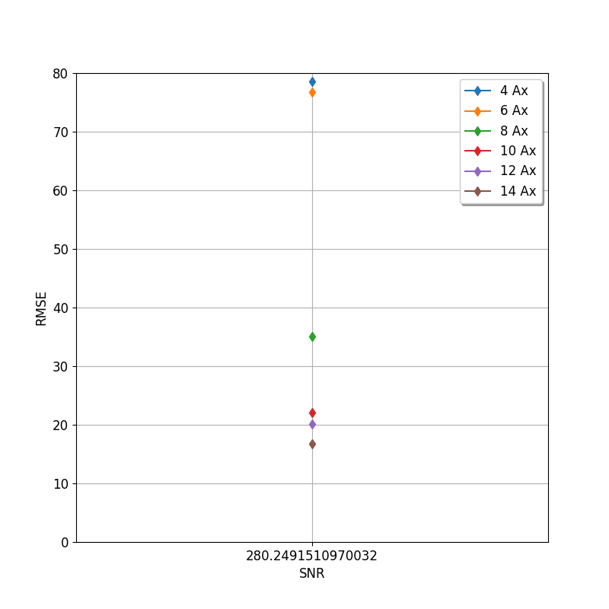
rf_criterion |  |  |  |  |  |  | rf_splitter
friedman_mse | 6 |  |  |  |  |  | random | 3 |  |  |  |  |  | rf_max_features |  |  |  |  |  |  | Resulting hyperparameters
poisson | 0 |  |  |  |  |  | best | 3 |  |  |  |  |  | auto |  | 0 |  |  |  |  | rf_criterion |  | friedman_mse
 |  |  |  |  |  |  |  |  |  |  |  |  |  | log2 |  | 2 |  |  |  |  | rf_splitter |  | random
 |  |  |  |  |  |  |  |  |  |  |  |  |  | sqrt |  | 4 |  |  |  |  | rf_max_features |  | sqrt
 |  |  |  |  |  |  |  |  |  |  |  |  |  |  |  |  |  |  |  |  | rf_max_depth |  | 666.66666667
rf_criterion
 |  |  |  |  |  |  |  |  |  |  |  |  |  |  |  |  |  |  |  |  | rf_min_samples_split |  | 18
rf_splitter
rf_max_features
 |  |  |  |  |  |  |  |  |  |  |  |  |  |  |  |  |  |  |  |  | rf_min_samples_leaf |  | 14.666666667

antenna number | rf_max_depth |  |  |  |  |  |  |  | antenna number | rf_min_samples_split |  |  |  |  |  |  |  |  |  | antenna number | rf_min_samples_leaf
4 | 1100 |  |  |  |  |  |  |  | 4 | 33 |  |  |  |  |  |  |  |  |  | 4 | 18
6 | 800 |  |  |  |  |  |  |  | 6 | 9 |  |  |  |  |  |  |  |  |  | 6 | 22
8 | 200 |  |  |  |  |  |  |  | 8 | 4 |  |  |  |  |  |  |  |  |  | 8 | 18
10 | 200 |  |  |  |  |  |  |  | 10 | 18 |  |  |  |  |  |  |  |  |  | 10 | 6
12 | 600 |  |  |  |  |  |  |  | 12 | 27 |  |  |  |  |  |  |  |  |  | 12 | 9
14 | 1100 |  |  |  |  |  |  |  | 14 | 17 |  |  |  |  |  |  |  |  |  | 14 | 15
16 | 0 |  |  |  |  |  |  |  | 16 | 0 |  |  |  |  |  |  |  |  |  | 16 | 0
 | 666.66666667 |  |  |  |  |  |  |  |  | 18 |  |  |  |  |  |  |  |  |  |  | 14.666666667

 |  |  |  |  |  |  | Ajuste dos hiperparâmetros da DT para conjunto formado por amostras de todos os valores de SNR

SNR =40 | 4 | 6 | 8 | 10 | 12 | 14 | 16
rf_criterion | friedman_mse | friedman_mse | poisson | friedman_mse | friedman_mse | poisson | friedman_mse
rf_splitter | random | random | random | random | best | best | random
rf_max_features | sqrt | sqrt | sqrt | auto | log2 | sqrt | sqrt
rf_max_depth | 200 | 1100 | 500 | 300 | 1000 | 1100 | 300
rf_min_samples_split | 38 | 21 | 32 | 33 | 15 | 30 | 30
rf_min_samples_leaf | 3 | 5 | 5 | 24 | 16 | 34 | 4

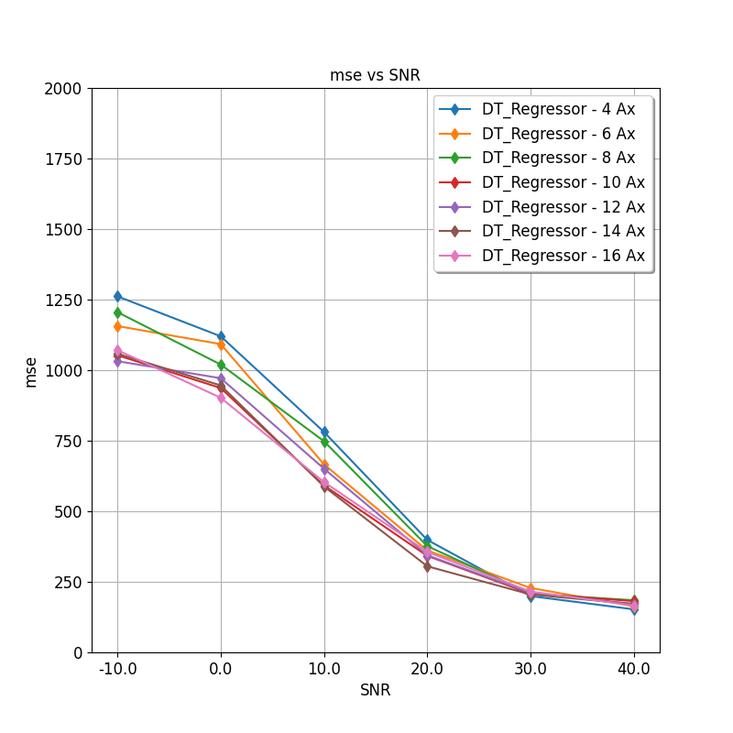
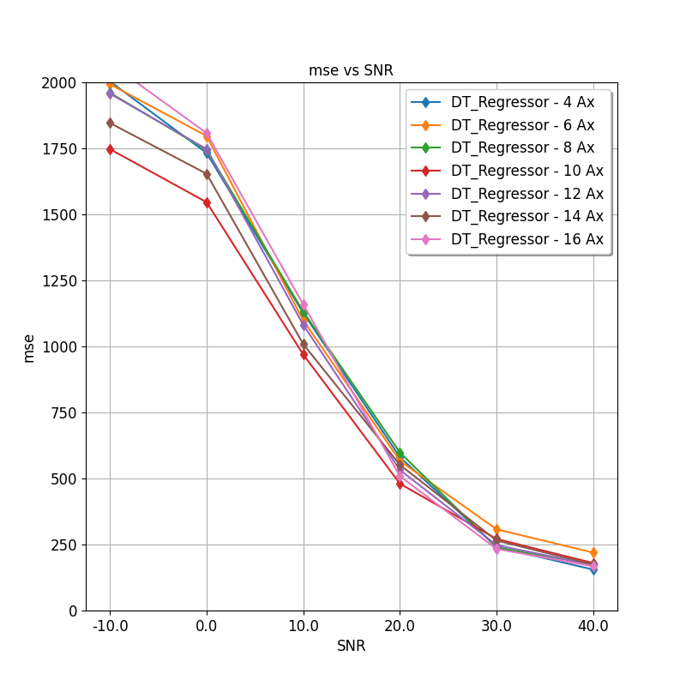
 |  |  |  |  |  |  |  |  |  |  |  |  |  |  |  | Resulting hyperparameters
 |  |  |  |  |  |  |  |  |  |  |  |  |  |  |  | rf_criterion |  | friedman_mse
 |  |  |  |  |  |  |  |  |  |  |  |  |  |  |  | rf_splitter |  | random
 |  |  |  |  |  |  |  |  |  |  |  |  |  |  |  | rf_max_features |  | sqrt
 |  |  |  |  |  |  |  |  |  |  |  |  |  |  |  | rf_max_depth |  | 642.85714286
 |  |  |  |  |  |  |  |  |  |  |  |  |  |  |  | rf_min_samples_split |  | 28.428571429
 |  |  |  |  |  |  |  |  |  |  |  |  |  |  |  | rf_min_samples_leaf |  | 13

